C1.1
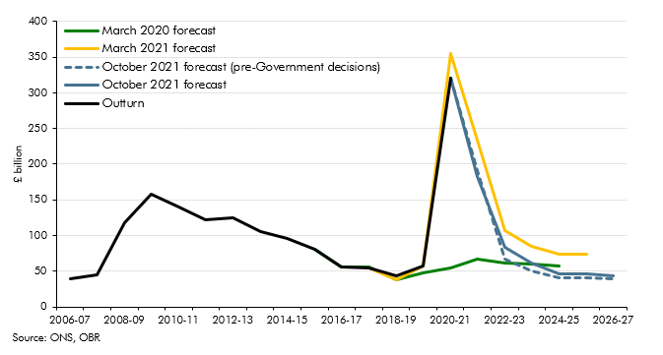
Back to contents
 | Chart 1.1: Public sector net borrowing

 |  | 2006-07 | 2007-08 | 2008-09 | 2009-10 | 2010-11 | 2011-12 | 2012-13 | 2013-14 | 2014-15 | 2015-16 | 2016-17 | 2017-18 | 2018-19 | 2019-20 | 2020-21 | 2021-22 | 2022-23 | 2023-24 | 2024-25 | 2025-26 | 2026-27
 | Outturn | 39.8 | 45.0 | 117.3 | 157.8 | 139.8 | 121.5 | 124.9 | 105.0 | 96.5 | 80.6 | 56.1 | 55.1 | 43.2 | 56.9 | 319.9
 | March 2020 forecast |  |  |  |  |  |  |  |  |  | 81.1 | 56.1 | 56.5 | 38.4 | 47.2 | 54.8 | 66.6 | 61.5 | 60.2 | 57.9
 | March 2021 forecast |  |  |  |  |  |  |  |  |  |  |  | 54.3 | 38.6 | 57.1 | 354.6 | 233.9 | 106.9 | 85.3 | 74.4 | 73.7
 | October 2021 forecast (pre-Government decisions) |  |  |  |  |  |  |  |  |  |  |  |  |  |  | 319.9 | 182.3 | 67.5 | 50.1 | 40.9 | 41.0 | 39.2
 | October 2021 forecast |  |  |  |  |  |  |  |  |  |  |  |  |  |  | 319.9 | 183.0 | 83.0 | 61.6 | 46.3 | 46.4 | 44.0

C1.3
Back to contents
 | Chart 1.3: CPI inflation

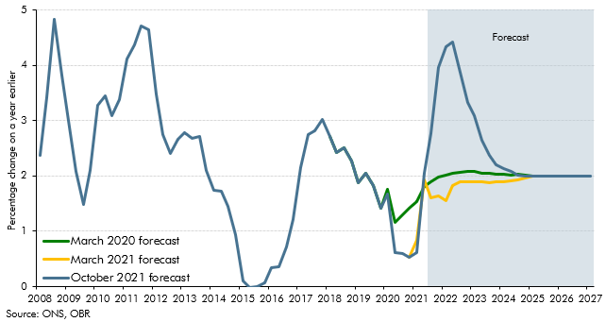

 |  | October 2021 forecast | March 2021 forecast | March 2020 forecast
 | 2008Q1 | 2.4
 | 2008Q2 | 3.4
 | 2008Q3 | 4.8
 | 2008Q4 | 3.8
 | 2009Q1 | 3.0
 | 2009Q2 | 2.1
 | 2009Q3 | 1.5
 | 2009Q4 | 2.1
 | 2010Q1 | 3.3
 | 2010Q2 | 3.5
 | 2010Q3 | 3.1
 | 2010Q4 | 3.4
 | 2011Q1 | 4.1
 | 2011Q2 | 4.4
 | 2011Q3 | 4.7
 | 2011Q4 | 4.6
 | 2012 Q1 | 3.5
 | 2012 Q2 | 2.8
 | 2012 Q3 | 2.4
 | 2012 Q4 | 2.7
 | 2013 Q1 | 2.8
 | 2013 Q2 | 2.7
 | 2013 Q3 | 2.7
 | 2013 Q4 | 2.1
 | 2014 Q1 | 1.7
 | 2014 Q2 | 1.7
 | 2014 Q3 | 1.5
 | 2014 Q4 | 0.9
 | 2015 Q1 | 0.1
 | 2015 Q2 | 0.0
 | 2015 Q3 | 0.0
 | 2015 Q4 | 0.1
 | 2016 Q1 | 0.3
 | 2016 Q2 | 0.4
 | 2016 Q3 | 0.7
 | 2016 Q4 | 1.2
 | 2017 Q1 | 2.1
 | 2017 Q2 | 2.7
 | 2017 Q3 | 2.8
 | 2017 Q4 | 3.0
 | 2018 Q1 | 2.7
 | 2018 Q2 | 2.4
 | 2018 Q3 | 2.5
 | 2018 Q4 | 2.3
 | 2019 Q1 | 1.9
 | 2019 Q2 | 2.0
 | 2019 Q3 | 1.8
 | 2019 Q4 | 1.4
 | 2020 Q1 | 1.7
 | 2020 Q2 | 0.6 |  | 1.2
 | 2020 Q3 | 0.6 |  | 1.3
 | 2020 Q4 | 0.5 | 0.5 | 1.4
 | 2021 Q1 | 0.6 | 0.8 | 1.5
 | 2021 Q2 | 2.1 | 1.9 | 1.8
 | 2021 Q3 | 2.8 | 1.6 | 1.9
 | 2021 Q4 | 4.0 | 1.6 | 2.0
 | 2022 Q1 | 4.3 | 1.6 | 2.0
 | 2022 Q2 | 4.4 | 1.8 | 2.1
 | 2022 Q3 | 3.9 | 1.9 | 2.1
 | 2022 Q4 | 3.3 | 1.9 | 2.1
 | 2023 Q1 | 3.1 | 1.9 | 2.1
 | 2023 Q2 | 2.6 | 1.9 | 2.1
 | 2023 Q3 | 2.4 | 1.9 | 2.0
 | 2023 Q4 | 2.2 | 1.9 | 2.0
 | 2024 Q1 | 2.1 | 1.9 | 2.0
 | 2024 Q2 | 2.1 | 1.9 | 2.0
 | 2024 Q3 | 2.0 | 1.9 | 2.0
 | 2024 Q4 | 2.0 | 2.0 | 2.0
 | 2025 Q1 | 2.0 | 2.0 | 2.0
 | 2025 Q2 | 2.0 | 2.0
 | 2025 Q3 | 2.0 | 2.0
 | 2025 Q4 | 2.0 | 2.0
 | 2026 Q1 | 2.0 | 2.0
 | 2026 Q2 | 2.0
 | 2026 Q3 | 2.0
 | 2026 Q4 | 2.0
 | 2027 Q1 | 2.0

C1.4
Back to contents
 | Chart 1.4: Pandemic-related scarring assumptions

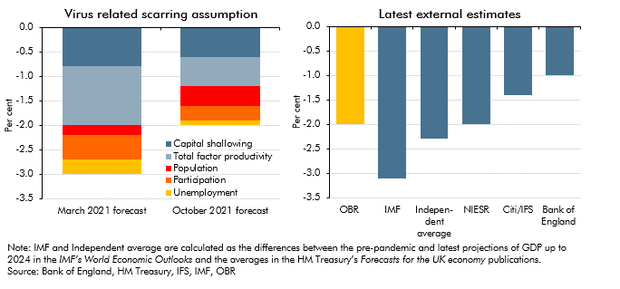

 |  | March 2021 forecast | October 2021 forecast | Estimates for the UK
 | Capital shallowing | -0.8 | -0.6 | OBR | -2.0
 | Total factor productivity | -1.2 | -0.6 | IMF | -3.1
 | Population | -0.2 | -0.4 | Indepen- dent average | -2.3
 | Participation | -0.5 | -0.3 | NIESR | -2.0
 | Unemployment | -0.3 | -0.1 | Citi/IFS | -1.4
 |  |  |  | Bank of England | -1.0

C1.5
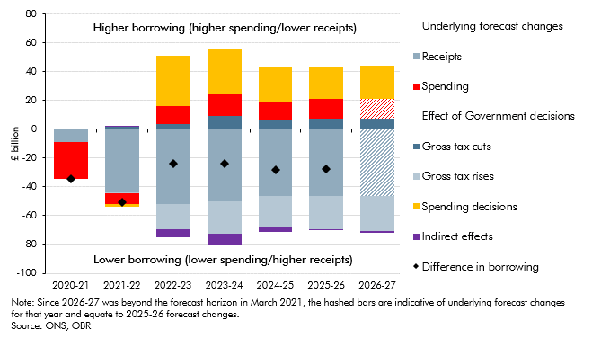
Back to contents
 | Chart 1.5: Changes in public sector net borrowing since our March forecast

 |  | 2020-21 | 2021-22 | 2022-23 | 2023-24 | 2024-25 | 2025-26 | 2026-27
 | Difference in borrowing | -34.7 | -50.9 | -23.9 | -23.8 | -28.1 | -27.3
 | Underlying forecast changes
 | Receipts | -8.9 | -43.6 | -51.8 | -50.2 | -46.3 | -46.4 | -46.4
 | Spending | -25.8 | -8.0 | 12.4 | 15.0 | 12.7 | 13.7 | 13.7
 | Effect of Government decisions
 | Gross tax cuts |  | 1.6 | 3.7 | 9.2 | 6.8 | 7.5 | 7.6
 | Gross tax rises |  | -0.5 | -17.4 | -22.4 | -22.2 | -23.3 | -24.3
 | Spending decisions |  | -1.4 | 34.8 | 31.9 | 23.8 | 21.7 | 22.9
 | Indirect effects |  | 0.9 | -5.5 | -7.1 | -3.0 | -0.6 | -1.3

C1.6
Back to contents
 | Chart 1.6: Tax-to-GDP ratio and sources of change since March 2020

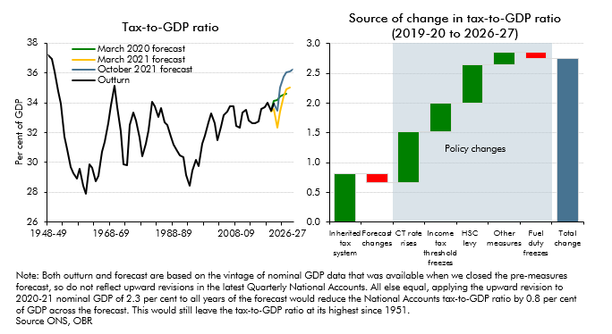

 |  | Outturn | March 2020 forecast | March 2021 forecast | October 2021 forecast |  | Changes
 | 1948-49 | 37.2 |  |  |  | Inherited tax system | 0.8
 | 1949-50 | 36.9 |  |  |  | Forecast changes | -0.2
 | 1950-51 | 36.1 |  |  |  | CT rate rises | 0.9
 | 1951-52 | 34.8 |  |  |  | Income tax threshold freezes | 0.5
 | 1952-53 | 34.0 |  |  |  | HSC levy | 0.6
 | 1953-54 | 31.7 |  |  |  | Other measures | 0.2
 | 1954-55 | 30.9 |  |  |  | Fuel duty freezes | -0.1
 | 1955-56 | 29.7 |  |  |  | Total change | 2.7
 | 1956-57 | 29.3
 | 1957-58 | 28.9
 | 1958-59 | 29.5
 | 1959-60 | 28.4
 | 1960-61 | 27.9
 | 1961-62 | 29.9
 | 1962-63 | 29.7
 | 1963-64 | 28.7
 | 1964-65 | 29.1
 | 1965-66 | 30.7
 | 1966-67 | 31.4
 | 1967-68 | 32.6
 | 1968-69 | 33.8
 | 1969-70 | 35.1
 | 1970-71 | 33.7
 | 1971-72 | 32.1
 | 1972-73 | 29.8
 | 1973-74 | 29.8
 | 1974-75 | 32.5
 | 1975-76 | 33.4
 | 1976-77 | 32.8
 | 1977-78 | 31.6
 | 1978-79 | 30.4
 | 1979-80 | 31.2
 | 1980-81 | 32.1
 | 1981-82 | 34.1
 | 1982-83 | 33.8
 | 1983-84 | 33.1
 | 1984-85 | 33.6
 | 1985-86 | 32.7
 | 1986-87 | 32.5
 | 1987-88 | 31.7
 | 1988-89 | 31.2
 | 1989-90 | 30.8
 | 1990-91 | 30.4
 | 1991-92 | 30.3
 | 1992-93 | 29.1
 | 1993-94 | 28.4
 | 1994-95 | 29.4
 | 1995-96 | 30.2
 | 1996-97 | 29.8
 | 1997-98 | 31.3
 | 1998-99 | 31.8
 | 1999-00 | 32.7
 | 2000-01 | 33.3
 | 2001-02 | 32.6
 | 2002-03 | 31.5
 | 2003-04 | 32.4
 | 2004-05 | 33.1
 | 2005-06 | 33.4
 | 2006-07 | 33.8
 | 2007-08 | 33.8
 | 2008-09 | 32.4
 | 2009-10 | 32.3
 | 2010-11 | 33.3
 | 2011-12 | 33.5
 | 2012-13 | 32.8
 | 2013-14 | 32.7
 | 2014-15 | 32.7
 | 2015-16 | 32.7
 | 2016-17 | 33.6
 | 2017-18 | 33.7
 | 2018-19 | 34.0
 | 2019-20 | 33.5 | 33.5 | 33.4 | 33.5
 | 2020-21 | 34.0 | 34.1 | 33.6 | 34.0
 | 2021-22 |  | 34.2 | 32.3 | 33.5
 | 2022-23 |  | 34.4 | 33.4 | 35.0
 | 2023-24 |  | 34.5 | 34.4 | 35.7
 | 2024-25 |  | 34.6 | 34.9 | 36.0
 | 2025-26 |  |  | 35.0 | 36.1
 | 2026-27 |  |  |  | 36.2

C1.7
Back to contents
 | Chart 1.7: Spending as a share of GDP and change in the composition of spending

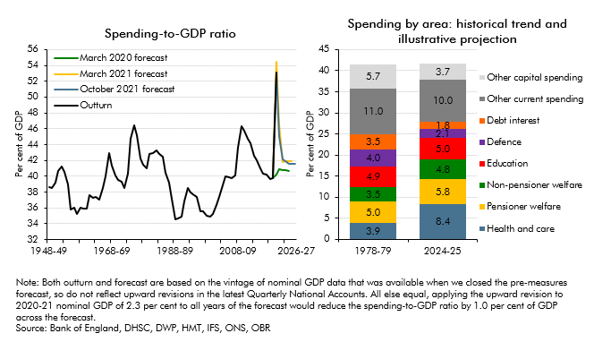

 |  | Outturn | March 2020 forecast | March 2021 forecast | October 2021 forecast |  | 1978-79 | 2024-25
 | 1948-49 | 38.6 |  |  |  | Health and care | 3.9 | 8.4
 | 1949-50 | 38.5 |  |  |  | Pensioner welfare | 5.0 | 5.8
 | 1950-51 | 39.2 |  |  |  | Non-pensioner welfare | 3.5 | 4.8
 | 1951-52 | 40.6 |  |  |  | Education | 4.9 | 5.0
 | 1952-53 | 41.3 |  |  |  | Defence | 4.0 | 2.1
 | 1953-54 | 40.5 |  |  |  | Debt interest | 3.5 | 1.8
 | 1954-55 | 38.9 |  |  |  | Other current spending | 11.0 | 10.0
 | 1955-56 | 35.8 |  |  |  | Other capital spending | 5.7 | 3.7
 | 1956-57 | 36.0
 | 1957-58 | 35.2
 | 1958-59 | 36.0
 | 1959-60 | 36.0
 | 1960-61 | 36.0
 | 1961-62 | 37.6
 | 1962-63 | 37.3
 | 1963-64 | 37.3
 | 1964-65 | 37.0
 | 1965-66 | 38.5
 | 1966-67 | 40.0
 | 1967-68 | 42.9
 | 1968-69 | 41.4
 | 1969-70 | 40.1
 | 1970-71 | 39.5
 | 1971-72 | 39.4
 | 1972-73 | 38.5
 | 1973-74 | 40.3
 | 1974-75 | 44.7
 | 1975-76 | 46.5
 | 1976-77 | 45.2
 | 1977-78 | 42.3
 | 1978-79 | 41.5
 | 1979-80 | 41.0
 | 1980-81 | 42.9
 | 1981-82 | 42.9
 | 1982-83 | 43.2
 | 1983-84 | 42.8
 | 1984-85 | 42.5
 | 1985-86 | 40.4
 | 1986-87 | 39.2
 | 1987-88 | 37.2
 | 1988-89 | 34.5
 | 1989-90 | 34.7
 | 1990-91 | 34.9
 | 1991-92 | 36.8
 | 1992-93 | 38.5
 | 1993-94 | 38.0
 | 1994-95 | 37.7
 | 1995-96 | 37.4
 | 1996-97 | 35.6
 | 1997-98 | 35.6
 | 1998-99 | 35.1
 | 1999-00 | 34.9
 | 2000-01 | 35.3
 | 2001-02 | 36.4
 | 2002-03 | 37.4
 | 2003-04 | 38.8
 | 2004-05 | 40.0
 | 2005-06 | 39.9
 | 2006-07 | 39.8
 | 2007-08 | 40.1
 | 2008-09 | 43.6
 | 2009-10 | 46.3
 | 2010-11 | 45.8
 | 2011-12 | 44.7
 | 2012-13 | 44.2
 | 2013-14 | 42.6
 | 2014-15 | 42.0
 | 2015-16 | 41.0
 | 2016-17 | 40.4
 | 2017-18 | 40.2
 | 2018-19 | 39.6
 | 2019-20 | 39.8 | 39.8 | 39.8 | 39.8
 | 2020-21 | 53.1 | 40.3 | 54.4 | 53.1
 | 2021-22 |  | 40.8 | 46.5 | 45.1
 | 2022-23 |  | 40.8 | 41.8 | 42.1
 | 2023-24 |  | 40.8 | 41.9 | 41.9
 | 2024-25 |  | 40.7 | 41.9 | 41.6
 | 2025-26 |  |  | 41.9 | 41.6
 | 2026-27 |  |  |  | 41.6

C1.8
Back to contents
 | Chart 1.8: Public sector net debt and other balance sheet measures
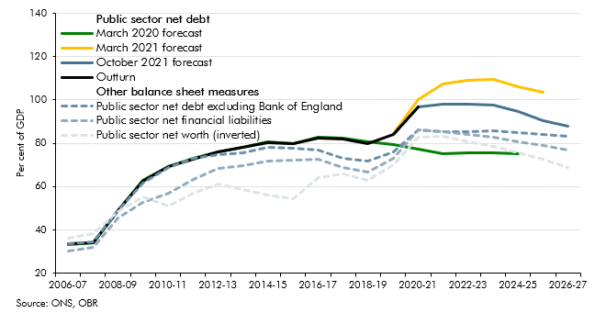

 |  | 2006-07 | 2007-08 | 2008-09 | 2009-10 | 2010-11 | 2011-12 | 2012-13 | 2013-14 | 2014-15 | 2015-16 | 2016-17 | 2017-18 | 2018-19 | 2019-20 | 2020-21 | 2021-22 | 2022-23 | 2023-24 | 2024-25 | 2025-26 | 2026-27
 | Public sector net debt
 | Outturn | 33.4 | 34.2 | 48.7 | 62.6 | 69.2 | 72.8 | 76.2 | 78.0 | 80.5 | 79.8 | 82.5 | 81.8 | 79.9 | 84.2 | 96.6
 | March 2020 forecast | 33.4 | 34.2 | 48.8 | 62.9 | 69.3 | 72.9 | 76.2 | 78.1 | 80.5 | 79.9 | 82.9 | 82.4 | 80.6 | 79.5 | 77.4 | 75.0 | 75.4 | 75.6 | 75.3
 | March 2021 forecast |  |  |  |  |  |  |  |  |  |  |  |  |  | 84.4 | 100.2 | 107.4 | 109.0 | 109.7 | 106.2 | 103.8
 | October 2021 forecast |  |  |  |  |  |  |  |  |  |  |  |  |  | 84.2 | 96.6 | 98.2 | 97.9 | 97.8 | 94.7 | 90.5 | 88.0
 | Other balance sheet measures
 | Public sector net debt excluding Bank of England | 33.6 | 34.3 | 48.7 | 61.8 | 68.9 | 73.1 | 74.9 | 75.7 | 78.0 | 77.6 | 76.7 | 73.1 | 71.7 | 75.9 | 86.1 | 85.2 | 85.4 | 85.7 | 85.1 | 84.2 | 83.3
 | Public sector net financial liabilities | 30.2 | 32.0 | 45.7 | 52.5 | 57.1 | 63.4 | 68.4 | 69.6 | 71.6 | 72.2 | 72.7 | 68.8 | 66.6 | 73.2 | 86.0 | 85.4 | 83.9 | 82.8 | 80.8 | 78.9 | 76.8
 | Public sector net worth (inverted) | 36.0 | 38.5 | 48.4 | 55.2 | 51.0 | 56.8 | 61.4 | 58.7 | 56.2 | 54.3 | 64.2 | 65.9 | 62.8 | 69.9 | 83.0 | 83.4 | 80.9 | 78.7 | 75.8 | 72.6 | 68.9

C1.9
Back to contents
 | Chart 1.9: Headroom against fiscal targets at introduction relative to typical forecast errors and fiscal sensitivities
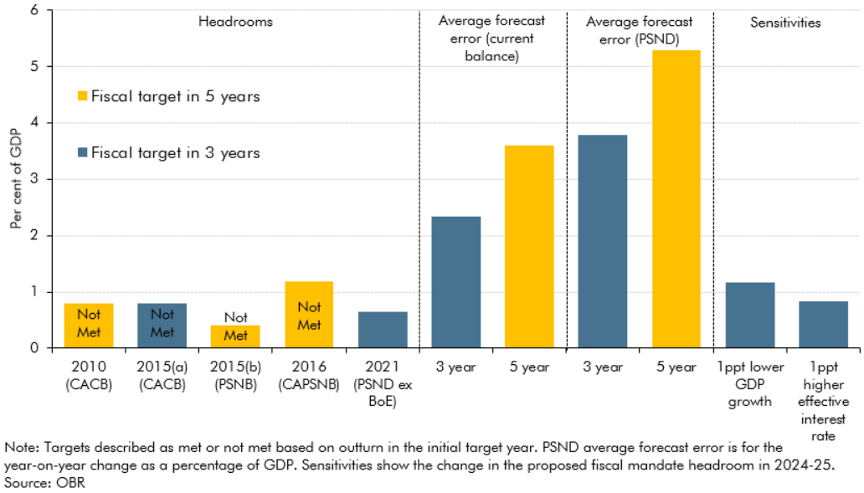

 |  | Per cent of GDP
 | 2010 (CACB) | 0.8
 | 2015(a) (CACB) | 0.8
 | 2015(b) (PSNB) | 0.4
 | 2016 (CAPSNB) | 1.2
 | 2021 (PSND ex BoE) | 0.6
 | 3 year | 2.3
 | 5 year | 3.6
 | 3 year | 3.8
 | 5 year | 5.3
 | 1ppt lower GDP growth | 1.2
 | 1ppt higher effective interest rate | 0.8

