C3.1
Back to contents
 | Chart 3.1: The cost of pandemic-related rescue measures

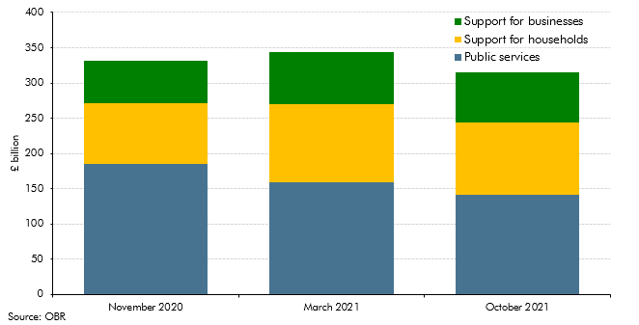

 |  | November 2020 | March 2021 | October 2021
 | Public services | 188.4 | 158.4 | 141.9
 | Support for households | 86.8 | 111.2 | 102.2
 | Support for businesses | 61.3 | 74.8 | 71.3

C3.2
Back to contents
 | Chart 3.2: National Accounts taxes as a share of GDP

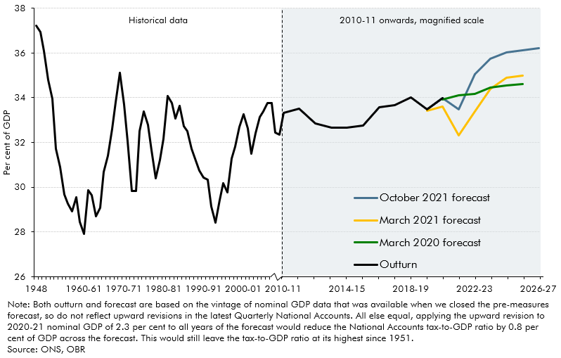

 |  | Outturn | October 2021 forecast | March 2021 forecast | March 2020 forecast
 | 1948 | 37.2
 | 1949 | 36.9
 | 1950 | 36.1
 | 1951 | 34.8
 | 1952 | 34.0
 | 1953 | 31.7
 | 1954 | 30.9
 | 1955-56 | 29.7
 | 1956-57 | 29.3
 | 1957-58 | 28.9
 | 1958-59 | 29.5
 | 1959-60 | 28.4
 | 1960-61 | 27.9
 | 1961-62 | 29.9
 | 1962-63 | 29.7
 | 1963-64 | 28.7
 | 1964-65 | 29.1
 | 1965-66 | 30.7
 | 1966-67 | 31.4
 | 1967-68 | 32.6
 | 1968-69 | 33.8
 | 1969-70 | 35.1
 | 1970-71 | 33.7
 | 1971-72 | 32.1
 | 1972-73 | 29.8
 | 1973-74 | 29.8
 | 1974-75 | 32.5
 | 1975-76 | 33.4
 | 1976-77 | 32.8
 | 1977-78 | 31.6
 | 1978-79 | 30.4
 | 1979-80 | 31.2
 | 1980-81 | 32.1
 | 1981-82 | 34.1
 | 1982-83 | 33.8
 | 1983-84 | 33.1
 | 1984-85 | 33.6
 | 1985-86 | 32.7
 | 1986-87 | 32.5
 | 1987-88 | 31.7
 | 1988-89 | 31.2
 | 1989-90 | 30.8
 | 1990-91 | 30.4
 | 1991-92 | 30.3
 | 1992-93 | 29.1
 | 1993-94 | 28.4
 | 1994-95 | 29.4
 | 1995-96 | 30.2
 | 1996-97 | 29.8
 | 1997-98 | 31.3
 | 1998-99 | 31.8
 | 1999-00 | 32.7
 | 2000-01 | 33.3
 | 2001-02 | 32.6
 | 2002-03 | 31.5
 | 2003-04 | 32.4
 | 2004-05 | 33.1
 | 2005-06 | 33.4
 | 2006-07 | 33.8
 | 2007-08 | 33.8
 | 2008-09 | 32.4
 | 2009-10 | 32.3
 | 2010-11 | 33.3
 | 2011-12 | 33.5
 | 2012-13 | 32.8
 | 2013-14 | 32.7
 | 2014-15 | 32.7
 | 2015-16 | 32.7
 | 2016-17 | 33.6
 | 2017-18 | 33.7
 | 2018-19 | 34.0
 | 2019-20 | 33.5 | 33.5 | 33.4
 | 2020-21 | 34.0 | 34.0 | 33.6 | 33.9
 | 2021-22 |  | 33.5 | 32.3 | 34.1
 | 2022-23 |  | 35.0 | 33.4 | 34.2
 | 2023-24 |  | 35.7 | 34.4 | 34.4
 | 2024-25 |  | 36.0 | 34.9 | 34.5
 | 2025-26 |  | 36.1 | 35.0 | 34.6
 | 2026-27 |  | 36.2

C3.3
Back to contents
 | Chart 3.3: Changes to receipts since March 2020

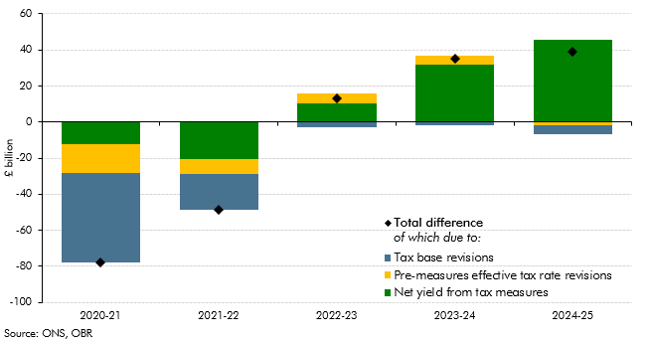

 |  | 2020-21 | 2021-22 | 2022-23 | 2023-24 | 2024-25
 | Total change in receipts | -77.7 | -48.8 | 13.2 | 35.1 | 39.0
 | Net yield from tax measures | -12.0 | -20.5 | 10.2 | 31.8 | 45.7
 | Tax base revisions | -49.5 | -19.8 | -2.7 | -1.8 | -5.0
 | Pre-measures effective tax rate revisions | -16.2 | -8.4 | 5.7 | 5.1 | -1.7

C3.4
Back to contents
 | Chart 3.4: Changes to receipts since March 2021

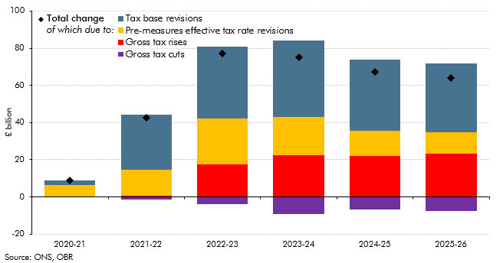

 |  | 2020-21 | 2021-22 | 2022-23 | 2023-24 | 2024-25 | 2025-26
 | Total change | 8.9 | 42.7 | 77.0 | 75.1 | 67.1 | 64.1
 | Gross tax rises | 0.0 | 0.5 | 17.4 | 22.4 | 22.2 | 23.3
 | Gross tax cuts | 0.0 | -1.6 | -3.7 | -9.2 | -6.8 | -7.5
 | Tax base revisions | 2.7 | 29.7 | 38.4 | 41.5 | 38.3 | 36.9
 | Pre-measures effective tax rate revisions | 6.2 | 14.1 | 24.9 | 20.3 | 13.4 | 11.5

C3.5
Back to contents
 | Chart 3.5: Sources of the rise in the National Accounts tax-to-GDP ratio between 2019-20 and 2026-27

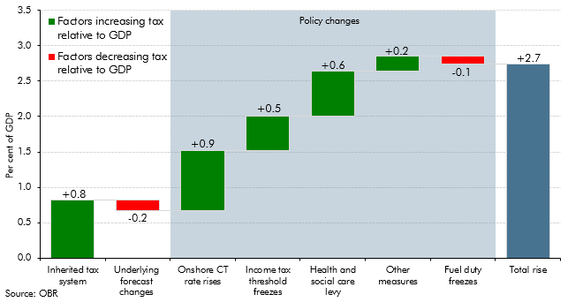

 |  | Factors increasing tax relative to GDP | Factors decreasing tax relative to GDP
 | Inherited tax system | 0.8
 | Underlying forecast changes |  | -0.2
 | Onshore CT rate rises | 0.9
 | Income tax threshold freezes | 0.5
 | Health and social care levy | 0.6
 | Other measures | 0.2
 | Fuel duty freezes |  | -0.1
 | Total rise | 2.7

C3.6
Back to contents
 | Chart 3.6: The composition of receipts: historical trend and forecast

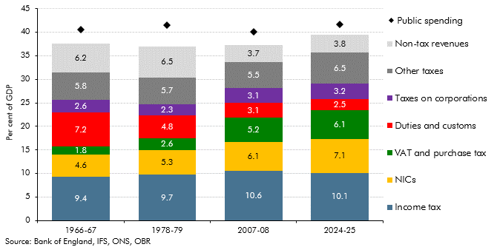

 |  | 1966-67 | 1978-79 | 2007-08 | 2024-25
 | Income tax | 9.38 | 9.73 | 10.61 | 10.13
 | NICs | 4.57 | 5.26 | 6.09 | 7.15
 | VAT and purchase tax | 1.75 | 2.55 | 5.16 | 6.12
 | Taxes on corporations | 2.63 | 2.28 | 3.11 | 3.24
 | Duties and customs | 7.24 | 4.84 | 3.13 | 2.46
 | Other taxes | 5.82 | 5.75 | 5.47 | 6.54
 | Non-tax revenues | 6.25 | 6.53 | 3.70 | 3.81
 | Public spending | 40.49 | 41.48 | 40.09 | 41.60

C3.7
Back to contents
 | Chart 3.7: Public spending as a share of GDP

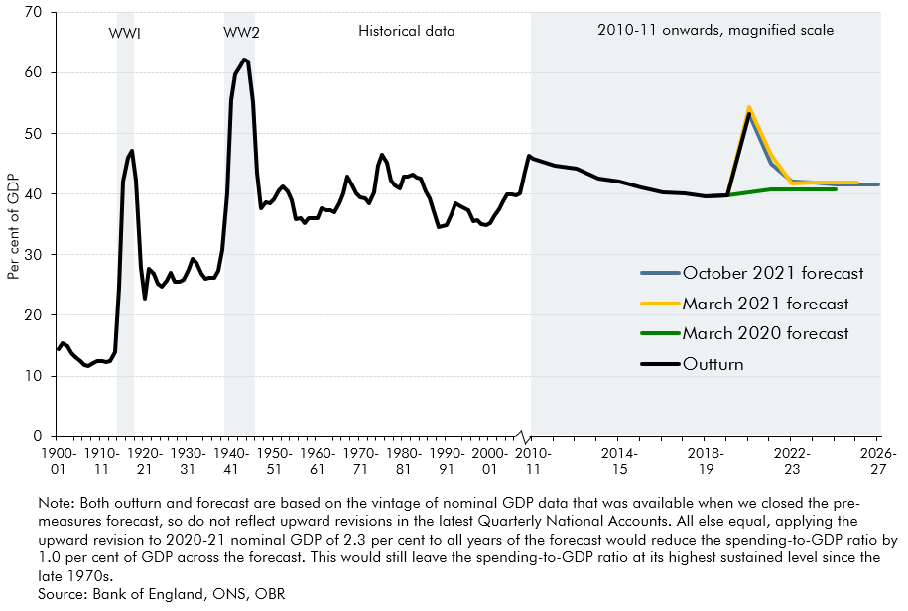

 | Year | Outturn | March 2020 forecast | March 2021 forecast | October 2021 forecast
 | 1900-01 | 14.4
 | 1901-02 | 15.5
 | 1902-03 | 14.9
 | 1903-04 | 13.8
 | 1904-05 | 13.2
 | 1905-06 | 12.5
 | 1906-07 | 11.8
 | 1907-08 | 11.6
 | 1908-09 | 12.2
 | 1909-10 | 12.5
 | 1910-11 | 12.5
 | 1911-12 | 12.4
 | 1912-13 | 12.5
 | 1913-14 | 14.0
 | 1914-15 | 24.5
 | 1915-16 | 42.0
 | 1916-17 | 46.0
 | 1917-18 | 47.2
 | 1918-19 | 42.3
 | 1919-20 | 27.8
 | 1920-21 | 22.7
 | 1921-22 | 27.8
 | 1922-23 | 26.8
 | 1923-24 | 25.3
 | 1924-25 | 24.8
 | 1925-26 | 25.7
 | 1926-27 | 27.0
 | 1927-28 | 25.5
 | 1928-29 | 25.5
 | 1929-30 | 25.9
 | 1930-31 | 27.4
 | 1931-32 | 29.4
 | 1932-33 | 28.7
 | 1933-34 | 26.8
 | 1934-35 | 26.0
 | 1935-36 | 26.2
 | 1936-37 | 26.3
 | 1937-38 | 27.4
 | 1938-39 | 30.8
 | 1939-40 | 40.1
 | 1940-41 | 55.6
 | 1941-42 | 59.7
 | 1942-43 | 61.0
 | 1943-44 | 62.3
 | 1944-45 | 61.8
 | 1945-46 | 55.2
 | 1946-47 | 43.5
 | 1947-48 | 37.7
 | 1948-49 | 38.6
 | 1949-50 | 38.5
 | 1950-51 | 39.2
 | 1951-52 | 40.6
 | 1952-53 | 41.3
 | 1953-54 | 40.5
 | 1954-55 | 38.9
 | 1955-56 | 35.8
 | 1956-57 | 36.0
 | 1957-58 | 35.2
 | 1958-59 | 36.0
 | 1959-60 | 36.0
 | 1960-61 | 36.0
 | 1961-62 | 37.6
 | 1962-63 | 37.3
 | 1963-64 | 37.3
 | 1964-65 | 37.0
 | 1965-66 | 38.5
 | 1966-67 | 40.0
 | 1967-68 | 42.9
 | 1968-69 | 41.4
 | 1969-70 | 40.1
 | 1970-71 | 39.5
 | 1971-72 | 39.4
 | 1972-73 | 38.5
 | 1973-74 | 40.3
 | 1974-75 | 44.7
 | 1975-76 | 46.5
 | 1976-77 | 45.2
 | 1977-78 | 42.3
 | 1978-79 | 41.5
 | 1979-80 | 41.0
 | 1980-81 | 42.9
 | 1981-82 | 42.9
 | 1982-83 | 43.2
 | 1983-84 | 42.8
 | 1984-85 | 42.5
 | 1985-86 | 40.4
 | 1986-87 | 39.2
 | 1987-88 | 37.2
 | 1988-89 | 34.5
 | 1989-90 | 34.7
 | 1990-91 | 34.9
 | 1991-92 | 36.8
 | 1992-93 | 38.5
 | 1993-94 | 38.0
 | 1994-95 | 37.7
 | 1995-96 | 37.4
 | 1996-97 | 35.6
 | 1997-98 | 35.6
 | 1998-99 | 35.1
 | 1999-00 | 34.9
 | 2000-01 | 35.3
 | 2001-02 | 36.4
 | 2002-03 | 37.4
 | 2003-04 | 38.8
 | 2004-05 | 40.0
 | 2005-06 | 39.9
 | 2006-07 | 39.8
 | 2007-08 | 40.1
 | 2008-09 | 43.6
 | 2009-10 | 46.3
 | 2010-11 | 45.8
 | 2011-12 | 44.7
 | 2012-13 | 44.2
 | 2013-14 | 42.6
 | 2014-15 | 42.0
 | 2015-16 | 41.0
 | 2016-17 | 40.4
 | 2017-18 | 40.2
 | 2018-19 | 39.6 | 39.6
 | 2019-20 | 39.8 | 39.8 | 39.8
 | 2020-21 | 53.1 | 40.3 | 54.4 | 53.1
 | 2021-22 |  | 40.8 | 46.5 | 45.1
 | 2022-23 |  | 40.8 | 41.8 | 42.1
 | 2023-24 |  | 40.8 | 41.9 | 41.9
 | 2024-25 |  | 40.7 | 41.9 | 41.6
 | 2025-26 |  |  | 41.9 | 41.6
 | 2026-27 |  |  |  | 41.6

C3.8
Back to contents
 | Chart 3.8: Change to spending since March 2020

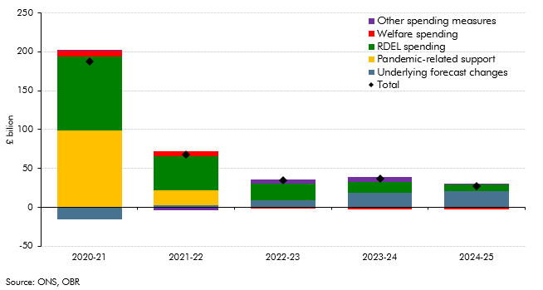

 |  | 2020-21 | 2021-22 | 2022-23 | 2023-24 | 2024-25
 | Underlying forecast changes | -15.4 | 3.0 | 8.6 | 18.7 | 20.6
 | Pandemic-related support | 98.9 | 18.5 | 0.5 | 0.2 | 0.0
 | RDEL spending | 94.8 | 44.7 | 21.7 | 14.0 | 8.9
 | Welfare spending | 8.0 | 5.5 | -0.7 | -2.7 | -3.2
 | Other spending measures | 1.3 | -4.0 | 4.7 | 6.2 | 1.0
 | Total | 187.5 | 67.6 | 34.7 | 36.5 | 27.4

C3.9
Back to contents
 | Chart 3.9: Change to spending since March 2021

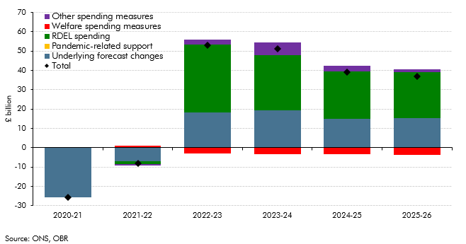

 |  | 2020-21 | 2021-22 | 2022-23 | 2023-24 | 2024-25 | 2025-26
 | Underlying forecast changes | -25.8 | -6.9 | 18.3 | 19.4 | 15.1 | 15.1
 | Pandemic-related support | 0.0 | 0.2 | 0.0 | 0.0 | 0.0 | 0.0
 | RDEL spending | 0.0 | -1.5 | 35.1 | 28.5 | 24.5 | 24.0
 | Welfare spending measures | 0.0 | 0.8 | -2.9 | -3.3 | -3.5 | -3.6
 | Other spending measures | 0.0 | -0.9 | 2.5 | 6.6 | 2.9 | 1.3
 | Total | -25.8 | -8.3 | 53.1 | 51.3 | 38.9 | 36.8

C3.10
Back to contents
 | Chart 3.10: Sources of the rise in the spending-to-GDP ratio between 2019-20 and 2026-27

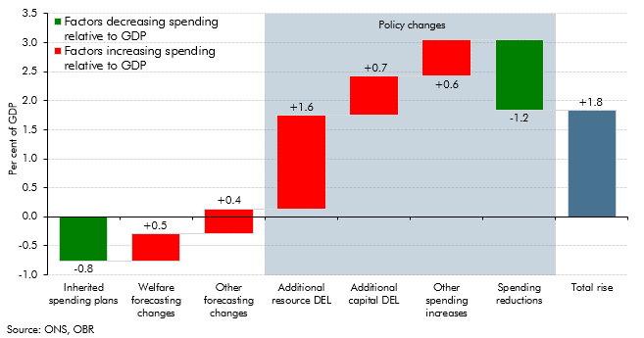

 |  | Factors increasing spending relative to GDP | Factors decreasing spending relative to GDP
 | Inherited spending plans |  | -0.8
 | Welfare forecasting changes | 0.5
 | Other forecasting changes | 0.4
 | Additional resource DEL | 1.6
 | Additional capital DEL | 0.7
 | Other spending increases | 0.6
 | Spending reductions |  | -1.2
 | Total rise | 1.8

C3.11
Back to contents
 | Chart 3.11: The composition of spending: historical trend and illustrative projection

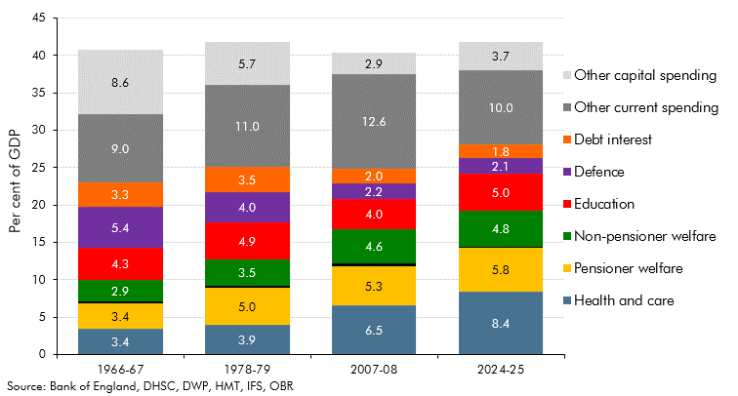

 |  | 1966-67 | 1978-79 | 2007-08 | 2024-25
 | Health and care | 3.4 | 3.9 | 6.5 | 8.4
 | Pensioner welfare | 3.4 | 5.0 | 5.3 | 5.8
 | Non-pensioner welfare | 2.9 | 3.5 | 4.6 | 4.8
 | Education | 4.3 | 4.9 | 4.0 | 5.0
 | Defence | 5.4 | 4.0 | 2.2 | 2.1
 | Debt interest | 3.3 | 3.5 | 2.0 | 1.8
 | Other current spending | 9.0 | 11.0 | 12.6 | 10.0
 | Other capital spending | 8.6 | 5.7 | 2.9 | 3.7

C3.12
Back to contents
 | Chart 3.12: RDEL and CDEL spending growth over successive Spending Review periods

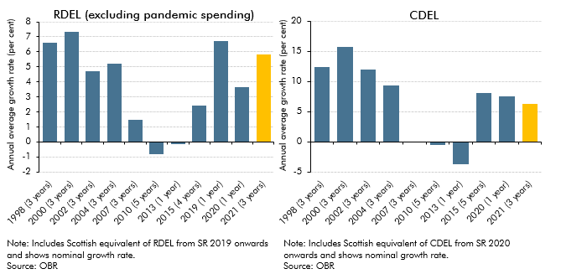

 | RDEL (excluding pandemic spending) |  | CDEL
 | 1998 (3 years) | 6.6 | 1998 (3 years) | 12.4
 | 2000 (3 years) | 7.3 | 2000 (3 years) | 15.8
 | 2002 (3 years) | 4.7 | 2002 (3 years) | 12.0
 | 2004 (3 years) | 5.2 | 2004 (3 years) | 9.3
 | 2007 (3 years) | 1.5 | 2007 (3 years) | -0.1
 | 2010 (5 years) | -0.8 | 2010 (5 years) | -0.5
 | 2013 (1 year) | -0.1 | 2013 (1 year) | -3.7
 | 2015 (4 years) | 2.5 | 2015 (5 years) | 8.1
 | 2019 (1 year) | 6.7 | 2020 (1 year) | 7.6
 | 2020 (1 year) | 3.6 | 2021 (3 years) | 6.3
 | 2021 (3 years) | 5.8

C3.13
Back to contents
 | Chart 3.13: RDEL spending growth in successive Budgets and Spending Reviews

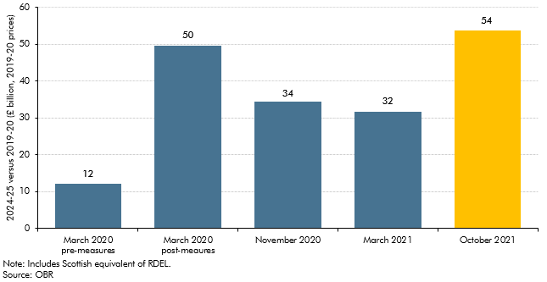

 |  | £ billion (2019-20 prices)
 | March 2020 pre-measures | 12.0
 | March 2020 post-meaures | 49.6
 | November 2020 | 34.5
 | March 2021 | 31.6
 | October 2021 | 53.8

C3.14
Back to contents
 | Chart 3.14: Public sector net borrowing

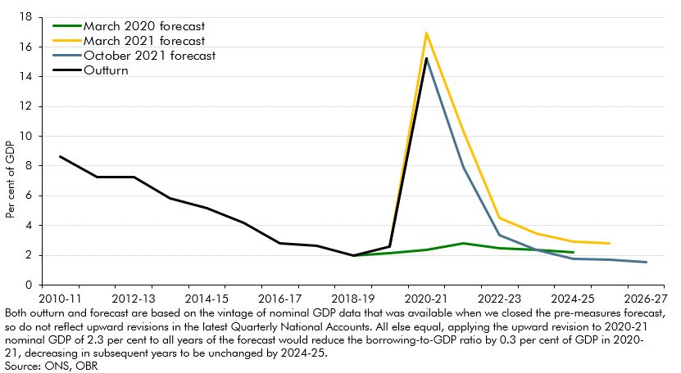

 |  | 2009-10 | 2010-11 | 2011-12 | 2012-13 | 2013-14 | 2014-15 | 2015-16 | 2016-17 | 2017-18 | 2018-19 | 2019-20 | 2020-21 | 2021-22 | 2022-23 | 2023-24 | 2024-25 | 2025-26 | 2026-27
 | March 2020 forecast |  |  |  |  |  |  |  |  |  | 2.0 | 2.1 | 2.4 | 2.8 | 2.5 | 2.4 | 2.2
 | March 2021 forecast |  |  |  |  |  |  |  |  |  |  | 2.6 | 16.9 | 10.3 | 4.5 | 3.5 | 2.9 | 2.8
 | October 2021 forecast |  |  |  |  |  |  |  |  |  |  | 2.6 | 15.2 | 7.9 | 3.3 | 2.4 | 1.7 | 1.7 | 1.5
 | Outturn | 10.1 | 8.6 | 7.3 | 7.2 | 5.8 | 5.1 | 4.2 | 2.8 | 2.6 | 2.0 | 2.6 | 15.2

C3.15
Back to contents
 | Chart 3.15: Sources of the fall in borrowing between 2019-20 and 2026-27

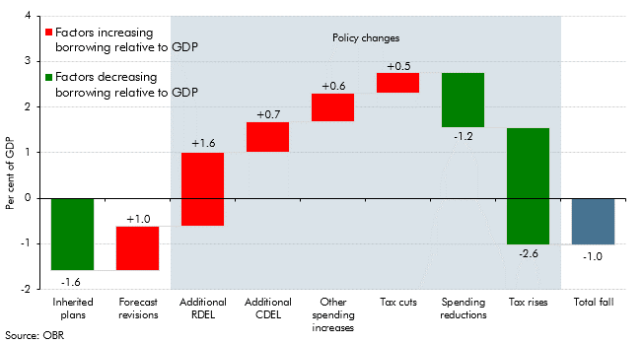

 |  | Factors increasing borrowing relative to GDP | Factors decreasing borrowing relative to GDP
 | Inherited plans | -1.6
 | Forecast revisions |  | 1.0
 | Additional RDEL |  | 1.6
 | Additional CDEL |  | 0.7
 | Other spending increases |  | 0.6
 | Tax cuts |  | 0.5
 | Spending reductions | -1.2
 | Tax rises | -2.6
 | Total fall | -1.0

C3.A
Back to contents
 | Chart A: Discretionary fiscal tightening: the pandemic versus the financial crisis

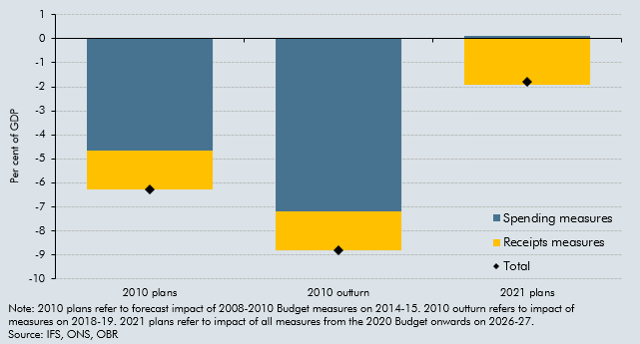

 |  | 2010 plans | 2010 outturn | 2021 plans
 | Spending measures | -4.7 | -7.2 | 0.1
 | Receipts measures | -1.6 | -1.6 | -1.9
 | Total | -6.3 | -8.8 | -1.8

C3.B
Back to contents
 | Chart B: Public sector net borrowing effects of our alternative inflation scenarios

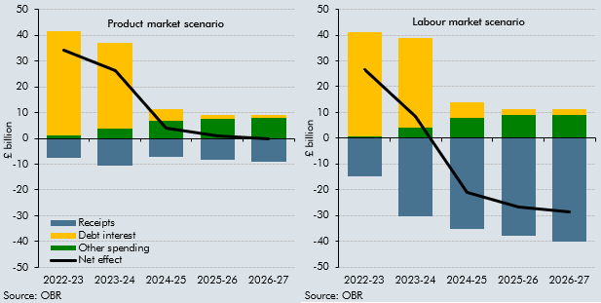

 |  | 2021-22 | 2022-23 | 2023-24 | 2024-25 | 2025-26 | 2026-27
 | Labour market reduced
 | Receipts | 0.0 | -14.7 | -30.2 | -35.1 | -37.9 | -39.9
 | Debt interest | 0.0 | 40.6 | 34.7 | 6.2 | 2.4 | 2.4
 | Other spending | 0.4 | 0.6 | 4.1 | 7.8 | 9.0 | 9.0
 | Net effect | 0.4 | 26.5 | 8.6 | -21.1 | -26.5 | -28.5
 | Product market
 | Receipts | 0.0 | -7.5 | -10.7 | -7.3 | -8.2 | -9.2
 | Debt interest | 0.0 | 40.4 | 33.4 | 4.6 | 1.4 | 1.4
 | Other spending | 0.5 | 1.2 | 3.7 | 6.8 | 7.7 | 7.8
 | Net effect | 0.5 | 34.1 | 26.4 | 4.1 | 0.9 | -0.1

C3.16
Back to contents
 | Chart 3.16: Public sector net debt

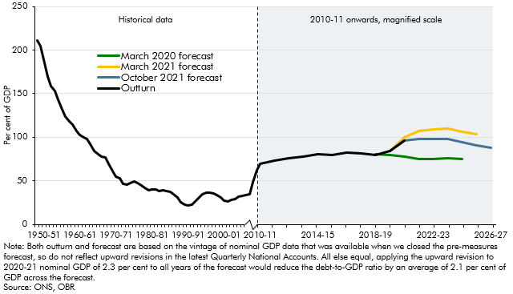

 |  | Outturn | October 2021 forecast | March 2021 forecast | March 2020 forecast
 | 1948-49 | 210.8
 | 1949-50 | 205.0
 | 1950-51 | 185.7
 | 1951-52 | 169.5
 | 1952-53 | 158.5
 | 1953-54 | 152.7
 | 1954-55 | 143.3
 | 1955-56 | 132.5
 | 1956-57 | 123.9
 | 1957-58 | 118.4
 | 1958-59 | 114.3
 | 1959-60 | 107.6
 | 1960-61 | 102.5
 | 1961-62 | 99.5
 | 1962-63 | 98.3
 | 1963-64 | 90.7
 | 1964-65 | 84.2
 | 1965-66 | 80.9
 | 1966-67 | 77.7
 | 1967-68 | 77.0
 | 1968-69 | 69.8
 | 1969-70 | 61.1
 | 1970-71 | 54.7
 | 1971-72 | 52.6
 | 1972-73 | 46.6
 | 1973-74 | 45.2
 | 1974-75 | 47.8
 | 1975-76 | 49.4
 | 1976-77 | 47.8
 | 1977-78 | 44.4
 | 1978-79 | 42.2
 | 1979-80 | 39.1
 | 1980-81 | 40.4
 | 1981-82 | 40.1
 | 1982-83 | 38.7
 | 1983-84 | 38.9
 | 1984-85 | 38.7
 | 1985-86 | 37.1
 | 1986-87 | 34.8
 | 1987-88 | 31.0
 | 1988-89 | 25.6
 | 1989-90 | 23.1
 | 1990-91 | 21.7
 | 1991-92 | 22.9
 | 1992-93 | 26.7
 | 1993-94 | 31.2
 | 1994-95 | 34.6
 | 1995-96 | 36.1
 | 1996-97 | 36.7
 | 1997-98 | 35.7
 | 1998-99 | 33.9
 | 1999-00 | 31.3
 | 2000-01 | 27.2
 | 2001-02 | 26.8
 | 2002-03 | 28.1
 | 2003-04 | 29.3
 | 2004-05 | 31.8
 | 2005-06 | 32.6
 | 2006-07 | 33.4
 | 2007-08 | 34.2
 | 2008-09 | 48.7
 | 2009-10 | 62.6
 | 2010-11 | 69.2
 | 2011-12 | 72.8
 | 2012-13 | 76.2
 | 2013-14 | 78.0
 | 2014-15 | 80.5
 | 2015-16 | 79.8
 | 2016-17 | 82.5
 | 2017-18 | 81.8
 | 2018-19 | 79.9 |  |  | 80.6
 | 2019-20 | 84.2 | 84.2 | 84.4 | 79.5
 | 2020-21 | 96.6 | 96.6 | 100.2 | 77.4
 | 2021-22 |  | 98.2 | 107.4 | 75.0
 | 2022-23 |  | 97.9 | 109.0 | 75.4
 | 2023-24 |  | 97.8 | 109.7 | 75.6
 | 2024-25 |  | 94.7 | 106.2 | 75.3
 | 2025-26 |  | 90.5 | 103.8
 | 2026-27 |  | 88.0

C3.17
Back to contents
 | Chart 3.17: Changes to debt since March 2020

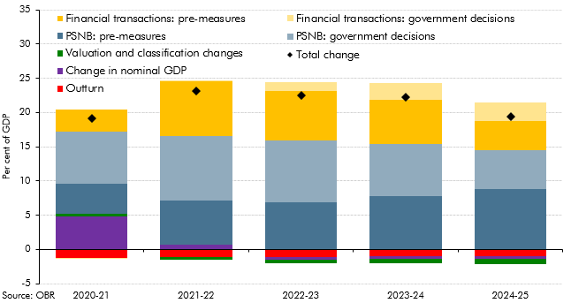

 |  | 2020-21 | 2021-22 | 2022-23 | 2023-24 | 2024-25
 | PSNB: pre-measures | 4.3 | 6.4 | 6.9 | 7.8 | 8.8
 | Financial transactions: pre-measures | 3.2 | 8.0 | 7.2 | 6.4 | 4.3
 | Valuation and classification changes | 0.4 | -0.4 | -0.5 | -0.7 | -0.8
 | Outturn | -1.2 | -1.1 | -1.1 | -1.0 | -1.0
 | Change in nominal GDP | 4.8 | 0.7 | -0.4 | -0.4 | -0.3
 | PSNB: government decisions | 7.7 | 9.5 | 9.0 | 7.7 | 5.7
 | Financial transactions: government decisions | -0.1 | 0.2 | 1.3 | 2.4 | 2.7
 | Total change | 19.2 | 23.2 | 22.5 | 22.2 | 19.4

C3.18
Back to contents
 | Chart 3.18: Changes to debt since March 2021

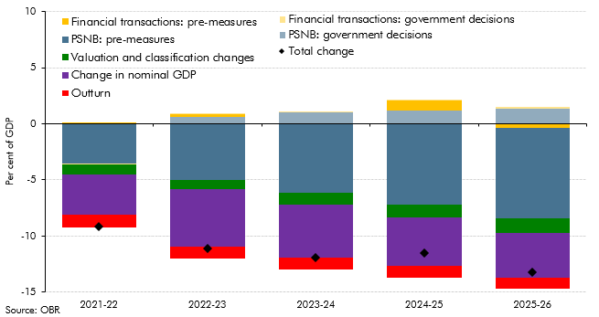

 |  | 2021-22 | 2022-23 | 2023-24 | 2024-25 | 2025-26
 | PSNB: pre-measures | -3.6 | -5.0 | -6.1 | -7.2 | -8.1
 | Financial transactions: pre-measures | 0.0 | 0.2 | 0.0 | 0.8 | -0.4
 | Valuation and classification changes | -0.9 | -0.9 | -1.0 | -1.1 | -1.3
 | Outturn | -1.1 | -1.1 | -1.0 | -1.0 | -1.0
 | Change in nominal GDP | -3.6 | -5.1 | -4.8 | -4.3 | -4.0
 | PSNB: government decisions | 0.0 | 0.6 | 1.1 | 1.2 | 1.4
 | Financial transactions: government decisions | 0.0 | 0.1 | 0.1 | 0.1 | 0.1
 | Total change | -9.2 | -11.1 | -11.9 | -11.5 | -13.2

C3.19
Back to contents
 | Chart 3.19: Four measures of the public sector balance sheet

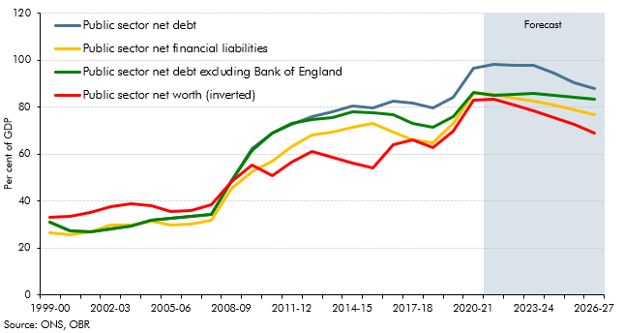

 |  | 1999-00 | 2000-01 | 2001-02 | 2002-03 | 2003-04 | 2004-05 | 2005-06 | 2006-07 | 2007-08 | 2008-09 | 2009-10 | 2010-11 | 2011-12 | 2012-13 | 2013-14 | 2014-15 | 2015-16 | 2016-17 | 2017-18 | 2018-19 | 2019-20 | 2020-21 | 2021-22 | 2022-23 | 2023-24 | 2024-25 | 2025-26 | 2026-27
 | Public sector net debt excluding Bank of England | 31.3 | 27.3 | 26.9 | 28.2 | 29.4 | 31.9 | 32.8 | 33.6 | 34.3 | 48.7 | 61.8 | 68.9 | 73.1 | 74.9 | 75.7 | 78.0 | 77.6 | 76.7 | 73.1 | 71.7 | 75.9 | 86.1 | 85.2 | 85.4 | 85.7 | 85.1 | 84.2 | 83.3
 | Public sector net financial liabilities | 26.4 | 25.7 | 27.0 | 29.7 | 29.7 | 31.4 | 29.9 | 30.2 | 32.0 | 45.7 | 52.5 | 57.1 | 63.4 | 68.4 | 69.6 | 71.6 | 73.2 | 69.6 | 66.2 | 65.1 | 73.2 | 86.0 | 85.4 | 83.9 | 82.8 | 80.8 | 78.9 | 76.8
 | Public sector net debt | 31.2 | 27.2 | 26.8 | 28.1 | 29.3 | 31.8 | 32.6 | 33.4 | 34.2 | 48.7 | 62.6 | 69.2 | 72.8 | 76.2 | 78.0 | 80.5 | 79.8 | 82.5 | 81.8 | 79.9 | 84.2 | 96.6 | 98.2 | 97.9 | 97.8 | 94.7 | 90.5 | 88.0
 | Public sector net worth | 33.2 | 33.5 | 35.4 | 37.7 | 38.7 | 38.3 | 35.5 | 36.0 | 38.5 | 48.4 | 55.2 | 51.0 | 56.8 | 61.4 | 58.7 | 56.2 | 54.3 | 64.2 | 65.9 | 62.8 | 69.9 | 83.0 | 83.4 | 80.9 | 78.7 | 75.8 | 72.6 | 68.9

C3.20
Back to contents
 | Chart 3.20: Composition of public sector net worth

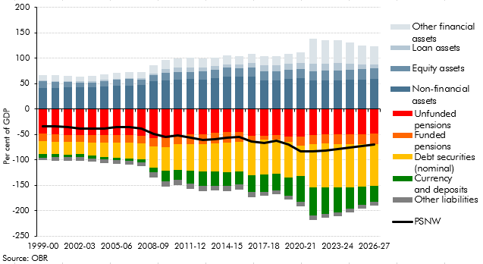

 |  | 1999-00 | 2000-01 | 2001-02 | 2002-03 | 2003-04 | 2004-05 | 2005-06 | 2006-07 | 2007-08 | 2008-09 | 2009-10 | 2010-11 | 2011-12 | 2012-13 | 2013-14 | 2014-15 | 2015-16 | 2016-17 | 2017-18 | 2018-19 | 2019-20 | 2020-21 | 2021-22 | 2022-23 | 2023-24 | 2024-25 | 2025-26 | 2026-27
 | Total assets | 66.6 | 67.5 | 66.1 | 64.5 | 65.0 | 68.1 | 72.2 | 73.4 | 73.1 | 86.2 | 97.0 | 99.1 | 100.6 | 100.0 | 101.7 | 105.5 | 104.4 | 109.3 | 104.1 | 104.6 | 108.0 | 112.0 | 138.1 | 136.3 | 135.5 | 131.1 | 125.8 | 123.9
 | Loan assets | 1.6 | 1.8 | 1.9 | 2.1 | 2.1 | 2.1 | 2.1 | 2.1 | 2.3 | 4.0 | 6.7 | 8.2 | 7.8 | 7.6 | 7.4 | 7.3 | 6.7 | 9.3 | 12.3 | 11.7 | 12.1 | 11.9 | 14.6 | 14.4 | 14.3 | 12.2 | 9.4 | 8.0
 | Equity assets | 14.0 | 12.4 | 10.9 | 9.4 | 10.0 | 10.7 | 12.0 | 12.2 | 11.3 | 11.2 | 15.5 | 15.5 | 14.5 | 15.7 | 16.5 | 17.5 | 16.4 | 17.9 | 17.6 | 17.9 | 17.9 | 18.8 | 18.7 | 19.0 | 19.3 | 19.6 | 19.9 | 20.4
 | Non-financial assets | 41.2 | 41.5 | 42.6 | 43.1 | 42.5 | 44.8 | 46.1 | 46.7 | 46.9 | 55.1 | 56.2 | 58.2 | 58.9 | 58.5 | 60.3 | 63.8 | 64.7 | 63.9 | 56.9 | 57.0 | 59.5 | 60.8 | 56.3 | 56.3 | 57.2 | 57.8 | 58.7 | 59.8
 | Other financial assets | 9.8 | 11.8 | 10.6 | 9.9 | 10.4 | 10.5 | 11.9 | 12.4 | 12.5 | 15.9 | 18.6 | 17.3 | 19.4 | 18.2 | 17.4 | 17.0 | 16.6 | 18.1 | 17.4 | 18.0 | 18.5 | 20.5 | 48.4 | 46.6 | 44.7 | 41.5 | 37.9 | 35.6
 | Total liabilities | -99.8 | -101.0 | -101.4 | -102.2 | -103.7 | -106.3 | -107.7 | -109.5 | -111.5 | -134.6 | -152.3 | -150.1 | -157.5 | -161.4 | -160.4 | -161.7 | -158.7 | -173.4 | -170.1 | -167.5 | -178.0 | -191.3 | -218.1 | -214.0 | -211.1 | -204.0 | -195.5 | -190.0
 | Currency and deposits | -6.3 | -6.2 | -5.9 | -5.8 | -5.6 | -5.4 | -5.5 | -5.6 | -5.9 | -9.1 | -20.2 | -19.4 | -25.8 | -28.5 | -27.3 | -27.3 | -26.6 | -32.8 | -35.1 | -34.1 | -36.4 | -51.2 | -54.6 | -52.0 | -49.0 | -42.8 | -35.8 | -31.9
 | Debt securities (nominal) | -26.0 | -24.5 | -24.1 | -24.0 | -25.7 | -28.0 | -29.3 | -30.2 | -31.3 | -41.3 | -46.0 | -51.8 | -53.1 | -53.2 | -55.9 | -57.8 | -57.3 | -68.7 | -67.2 | -66.2 | -70.7 | -60.1 | -86.4 | -86.1 | -86.0 | -85.1 | -83.8 | -82.4
 | Funded pensions | -14.2 | -14.5 | -14.7 | -14.7 | -14.9 | -15.1 | -15.0 | -15.2 | -15.4 | -16.9 | -17.7 | -17.9 | -18.0 | -20.2 | -20.2 | -20.9 | -20.3 | -9.4 | -8.8 | -9.0 | -9.5 | -17.9 | -17.7 | -18.2 | -18.8 | -19.4 | -19.7 | -20.1
 | Unfunded pensions | -48.7 | -49.4 | -50.3 | -50.3 | -50.6 | -50.8 | -50.7 | -51.2 | -51.9 | -56.4 | -57.3 | -50.3 | -50.1 | -49.1 | -47.1 | -45.5 | -44.4 | -52.8 | -51.9 | -51.4 | -54.3 | -53.5 | -50.6 | -49.7 | -49.5 | -49.3 | -48.9 | -48.6
 | Other liabilities | -4.6 | -6.5 | -6.4 | -7.4 | -7.0 | -7.0 | -7.1 | -7.3 | -7.0 | -10.9 | -11.0 | -10.6 | -10.5 | -10.4 | -9.9 | -10.1 | -10.0 | -9.9 | -7.1 | -6.9 | -7.1 | -8.7 | -8.9 | -8.1 | -7.7 | -7.5 | -7.2 | -7.0
 | PSNW | -33.2 | -33.5 | -35.4 | -37.7 | -38.7 | -38.3 | -35.5 | -36.0 | -38.5 | -48.4 | -55.2 | -51.0 | -56.8 | -61.4 | -58.7 | -56.2 | -54.3 | -64.2 | -65.9 | -62.8 | -69.9 | -83.0 | -83.4 | -80.9 | -78.7 | -75.8 | -72.6 | -68.9

C3.C
Back to contents
 | Chart C: Climate change scenarios: impact on public sector net debt in 2050-51

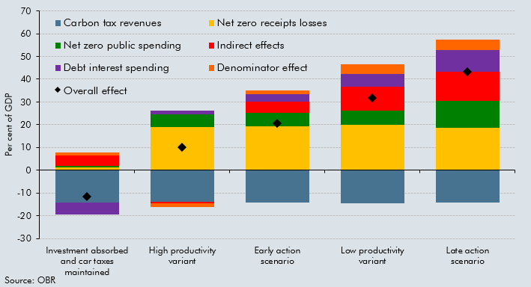

 |  | Investment absorbed and car taxes maintained | High productivity variant | Early action scenario | Low productivity variant | Late action scenario
 | Overall effect | -11.6 | 10.2 | 20.7 | 31.9 | 43.3
 | Denominator effect | 1.4 | -1.5 | 1.4 | 4.4 | 4.6
 | Net zero receipts losses | 1.3 | 18.8 | 19.4 | 20.0 | 18.6
 | Carbon tax revenues | -14.2 | -13.8 | -14.2 | -14.7 | -14.2
 | Net zero public spending | 0.4 | 5.8 | 6.0 | 6.2 | 11.8
 | Indirect effects | 4.7 | -0.8 | 4.7 | 10.6 | 12.7
 | Debt interest spending | -5.2 | 1.6 | 3.5 | 5.5 | 9.7

C3.D
Back to contents
 | Chart D: FRR scenarios for public investment in the transition to net zero

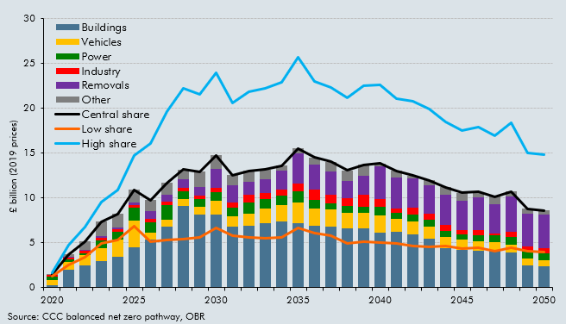

 |  | 2020 | 2021 | 2022 | 2023 | 2024 | 2025 | 2026 | 2027 | 2028 | 2029 | 2030 | 2031 | 2032 | 2033 | 2034 | 2035 | 2036 | 2037 | 2038 | 2039 | 2040 | 2041 | 2042 | 2043 | 2044 | 2045 | 2046 | 2047 | 2048 | 2049 | 2050
 | Vehicles | 0.6 | 0.9 | 1.2 | 1.5 | 1.9 | 3.0 | 0.7 | 0.8 | 0.8 | 0.8 | 1.5 | 1.2 | 1.4 | 1.6 | 1.8 | 2.3 | 2.0 | 1.9 | 1.8 | 1.7 | 1.9 | 1.5 | 1.4 | 1.3 | 1.2 | 1.2 | 1.0 | 1.0 | 0.9 | 0.8 | 0.7
 | Buildings | 0.3 | 2.0 | 2.5 | 2.9 | 3.5 | 4.5 | 5.4 | 6.8 | 9.1 | 8.2 | 8.2 | 6.8 | 6.9 | 7.2 | 7.4 | 7.1 | 6.9 | 6.8 | 6.5 | 6.6 | 6.1 | 6.2 | 6.0 | 5.5 | 4.4 | 4.2 | 4.1 | 4.1 | 3.9 | 2.4 | 2.3
 | Power | 0.4 | 0.3 | 0.2 | 0.9 | 0.9 | 1.4 | 1.2 | 1.6 | 0.9 | 0.9 | 1.0 | 1.0 | 1.3 | 1.1 | 1.0 | 1.3 | 0.9 | 0.6 | 0.7 | 0.7 | 1.0 | 0.7 | 0.8 | 0.8 | 0.7 | 0.6 | 0.7 | 0.7 | 0.8 | 0.8 | 0.8
 | Industry | 0.1 | 0.2 | 0.2 | 0.3 | 0.3 | 0.3 | 0.4 | 0.4 | 0.4 | 0.4 | 0.5 | 0.5 | 0.8 | 0.7 | 0.7 | 0.8 | 1.2 | 1.0 | 0.9 | 1.3 | 0.9 | 0.4 | 0.8 | 0.6 | 0.7 | 0.4 | 0.6 | 0.2 | 0.6 | 0.6 | 0.6
 | Removals | 0.1 | 0.1 | 0.1 | 0.2 | 0.2 | 0.3 | 0.9 | 0.7 | 1.0 | 1.0 | 2.1 | 2.0 | 1.5 | 1.5 | 2.1 | 3.4 | 2.8 | 2.5 | 2.0 | 2.1 | 3.6 | 3.5 | 3.2 | 3.1 | 3.3 | 3.3 | 3.7 | 3.3 | 3.9 | 3.7 | 3.7
 | Other | 0.1 | 0.3 | 0.9 | 1.6 | 1.5 | 1.4 | 1.2 | 1.3 | 1.0 | 1.7 | 1.5 | 1.1 | 1.2 | 1.1 | 0.6 | 0.6 | 0.8 | 1.1 | 1.1 | 1.2 | 0.4 | 0.7 | 0.4 | 0.6 | 0.9 | 0.9 | 0.6 | 0.9 | 0.6 | 0.5 | 0.4
 | Central share | 1.5 | 3.7 | 5.1 | 7.3 | 8.2 | 10.9 | 9.8 | 11.7 | 13.1 | 12.9 | 14.7 | 12.5 | 13.0 | 13.2 | 13.6 | 15.5 | 14.5 | 14.0 | 13.0 | 13.7 | 13.8 | 13.0 | 12.5 | 12.0 | 11.2 | 10.6 | 10.7 | 10.1 | 10.7 | 8.8 | 8.6
 | Low share | 1.3 | 2.5 | 3.4 | 5.0 | 5.3 | 6.9 | 5.1 | 5.3 | 5.4 | 5.6 | 6.7 | 5.8 | 5.6 | 5.5 | 5.6 | 6.6 | 6.1 | 5.7 | 4.9 | 5.1 | 5.0 | 4.9 | 4.6 | 4.5 | 4.6 | 4.4 | 4.4 | 4.1 | 4.5 | 4.0 | 4.0
 | High share | 1.7 | 4.8 | 6.8 | 9.6 | 10.9 | 14.7 | 16.1 | 19.6 | 22.3 | 21.6 | 24.0 | 20.6 | 21.8 | 22.2 | 22.9 | 25.6 | 23.0 | 22.3 | 21.2 | 22.5 | 22.6 | 21.1 | 20.8 | 19.9 | 18.5 | 17.5 | 17.9 | 16.9 | 18.3 | 15.0 | 14.8
 | Delayed (central) | 1.5 | 1.8 | 2.1 | 2.4 | 2.9 | 3.4 | 1.8 | 1.8 | 1.9 | 1.9 | 20.4 | 17.2 | 19.6 | 19.5 | 20.4 | 23.3 | 31.9 | 26.4 | 26.7 | 26.8 | 31.3 | 29.2 | 30.0 | 29.3 | 31.9 | 30.8 | 30.8 | 29.9 | 31.7 | 29.2 | 15.2

