C3.1
Back to contents
 | Chart 3.1: Size of fiscal policy packages, 2010 to 2025
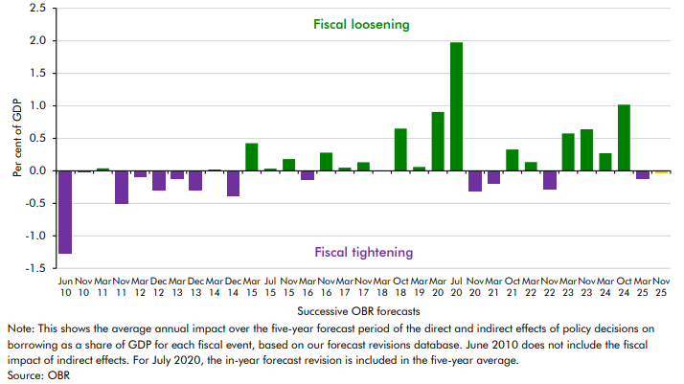

 | Fiscal event | Revision as a percentage of GDP over 5 years
 | Jun 10 | -1.3
 | Nov 10 | 0.0
 | Mar 11 | 0.0
 | Nov 11 | -0.5
 | Mar 12 | -0.1
 | Dec 12 | -0.3
 | Mar 13 | -0.1
 | Dec 13 | -0.3
 | Mar 14 | 0.0
 | Dec 14 | -0.4
 | Mar 15 | 0.4
 | Jul 15 | 0.0
 | Nov 15 | 0.2
 | Mar 16 | -0.1
 | Nov 16 | 0.3
 | Mar 17 | 0.0
 | Nov 17 | 0.1
 | Mar 18 | 0.0
 | Oct 18 | 0.6
 | Mar 19 | 0.1
 | Mar 20 | 0.9
 | Jul 20 | 2.0
 | Nov 20 | -0.3
 | Mar 21 | -0.2
 | Oct 21 | 0.3
 | Mar 22 | 0.1
 | Nov 22 | -0.3
 | Mar 23 | 0.6
 | Nov 23 | 0.6
 | Mar 24 | 0.3
 | Oct 24 | 1.0
 | Mar 25 | -0.1
 | Nov 25 | 0.0

C3.2
Back to contents
 | Chart 3.2: Impact of policy measures on borrowing at contractionary fiscal events
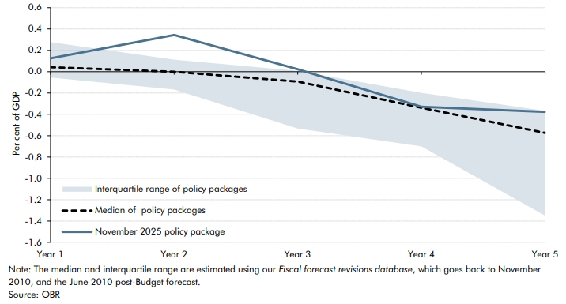

 |  | In-year | Year 1 | Year 2 | Year 3 | Year 4 | Year 5
 | Median of contractionary policy packages | 0.0 | 0.0 | 0.0 | -0.1 | -0.3 | -0.6
 | November 2025 policy package | 0.1 | 0.1 | 0.3 | 0.0 | -0.3 | -0.4
 | 25th percentile (clipped) | -0.1 | -0.1 | -0.2 | -0.5 | -0.7 | -1.3
 | 75th percentile (clipped) | 0.2 | 0.3 | 0.1 | 0.0 | -0.2 | -0.4

C3.A
Back to contents
 | Chart 3.A: Previously scored policies under our significance criteria

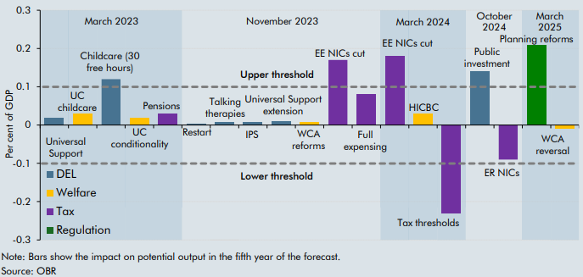

 | IE Policies (incl. packages) | GDP Impact (% GDP)
 | Universal Support | 0.0
 | UC childcare | 0.0
 | Childcare (30 free hours) | 0.1
 | UC conditionality | 0.0
 | Pensions | 0.0
 | Restart | 0.0
 | Talking therapies | 0.0
 | IPS | 0.0
 | Universal Support extension | 0.0
 | WCA reforms | 0.0
 | EE NICs cut | 0.2
 | Full expensing | 0.1
 | EE NICs cut | 0.2
 | HICBC | 0.0
 | Tax thresholds | -0.3
 | Public investment | 0.1
 | ER NICs | -0.1
 | Residential planning | 0.2
 | WCA reversal | 0.0

C3.3
Back to contents
 | Chart 3.3: Policy impacts on real GDP and its components
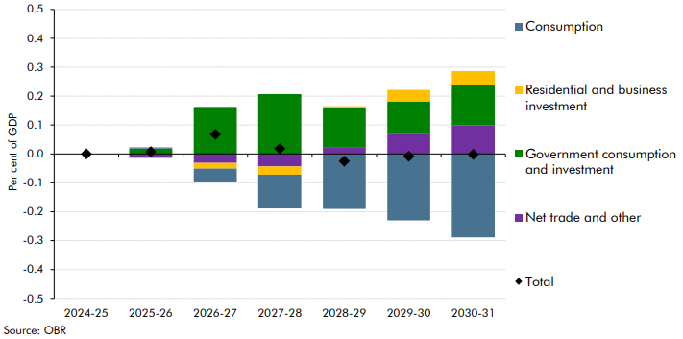

 |  | 2024-25 | 2025-26 | 2026-27 | 2027-28 | 2028-29 | 2029-30 | 2030-31
 | Consumption | 0.0 | 0.0 | 0.0 | -0.1 | -0.2 | -0.2 | -0.3
 | Residential and business investment | 0.0 | 0.0 | 0.0 | 0.0 | 0.0 | 0.0 | 0.0
 | Government consumption and investment | 0.0 | 0.0 | 0.2 | 0.2 | 0.1 | 0.1 | 0.1
 | Net trade and other | 0.0 | 0.0 | 0.0 | 0.0 | 0.0 | 0.1 | 0.1
 | Total | 0.0 | 0.0 | 0.1 | 0.0 | 0.0 | 0.0 | 0.0

C3.4
Back to contents
 | Chart 3.4: Impact of budget policies on CPI inflation
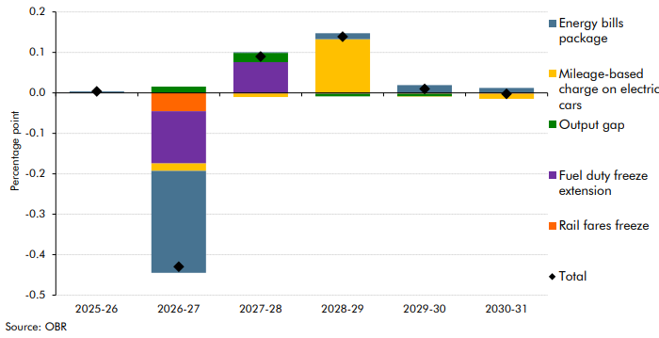

 |  | Fuel duty freeze extension | Energy bills package | Rail fares freeze | Mileage-based charge on electric cars | Output gap | Total
 | 2025-26 | 0.00 | 0.00 | 0.00 | 0.00 | 0.00 | 0.00
 | 2026-27 | -0.13 | -0.25 | -0.05 | -0.02 | 0.02 | -0.43
 | 2027-28 | 0.08 | 0.00 | 0.00 | -0.01 | 0.02 | 0.09
 | 2028-29 | 0.00 | 0.01 | 0.00 | 0.13 | -0.01 | 0.14
 | 2029-30 | 0.00 | 0.02 | 0.00 | 0.00 | -0.01 | 0.01
 | 2030-31 | 0.00 | 0.01 | 0.00 | -0.01 | 0.00 | 0.00

C3.B
Back to contents
 | Chart 3.B: Effect of threshold freezes on additional taxpayers and tax receipts
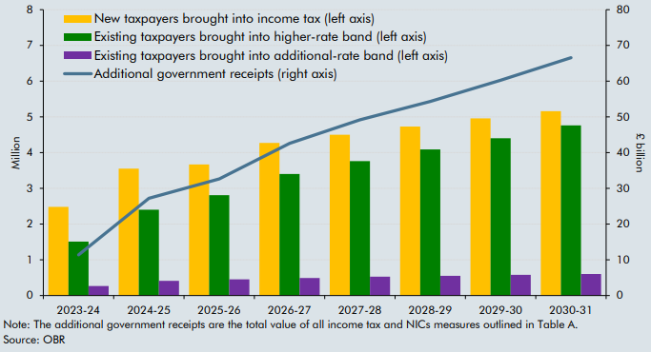

 | Date | 2023-24 | 2024-25 | 2025-26 | 2026-27 | 2027-28 | 2028-29 | 2029-30 | 2030-31
 | New taxpayers brought into income tax (left axis) | 2.5 | 3.6 | 3.7 | 4.3 | 4.5 | 4.7 | 5.0 | 5.2
 | Existing taxpayers brought into higher-rate band (left axis) | 1.5 | 2.4 | 2.8 | 3.4 | 3.8 | 4.1 | 4.4 | 4.8
 | Existing taxpayers brought into additional-rate band (left axis) | 0.3 | 0.4 | 0.5 | 0.5 | 0.5 | 0.6 | 0.6 | 0.6
 | Additional government receipts (right axis) | 11.4 | 27.2 | 32.7 | 42.6 | 49.2 | 54.3 | 60.3 | 66.6

C3.5
Back to contents
 | Chart 3.5: HMRC tax gap as a share of theoretical tax liabilities
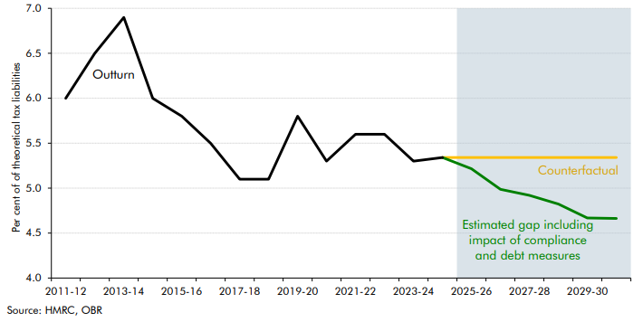

 |  | 2005-06 | 2006-07 | 2007-08 | 2008-09 | 2009-10 | 2010-11 | 2011-12 | 2012-13 | 2013-14 | 2014-15 | 2015-16 | 2016-17 | 2017-18 | 2018-19 | 2019-20 | 2020-21 | 2021-22 | 2022-23 | 2023-24 | 2024-25 | 2025-26 | 2026-27 | 2027-28 | 2028-29 | 2029-30 | 2030-31
 | Historical tax gap | 7.4 | 6.6 | 6.1 | 6.8 | 6.4 | 6.2 | 6.0 | 6.5 | 6.9 | 6.0 | 5.8 | 5.5 | 5.1 | 5.1 | 5.8 | 5.3 | 5.6 | 5.6 | 5.3 | 5.3
 | Counterfactual tax gap |  |  |  |  |  |  |  |  |  |  |  |  |  |  |  |  |  |  |  | 5.3 | 5.3 | 5.3 | 5.3 | 5.3 | 5.3 | 5.3
 | Estimated tax gap including impact of compliance and debt measures |  |  |  |  |  |  |  |  |  |  |  |  |  |  |  |  |  |  |  | 5.3 | 5.2 | 5.0 | 4.9 | 4.8 | 4.7 | 4.7

C3.6
Back to contents
 | Chart 3.6: Labour market adjustments since changes to employer NICs
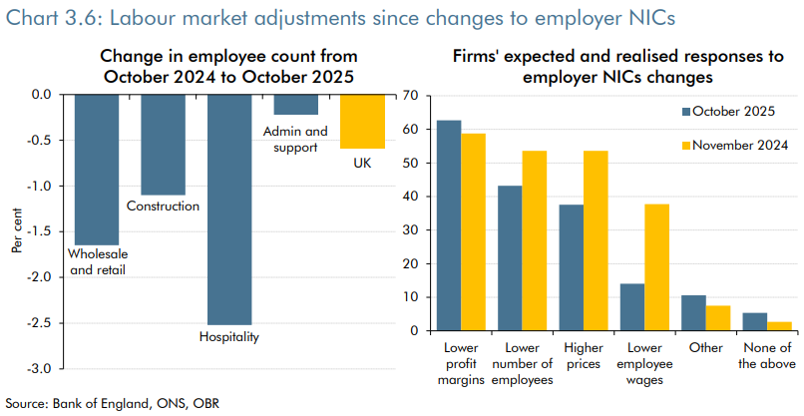

 | October 2024 to October 2025 | Wholesale and retail | Construction | Hospitality | Administrative and support services | All sectors | Reaction to the Change in National Insurance contribution following the November 2024 Budget, % of respondents | October 2025 | November 2024
 | % change in employee numbers | -1.6 | -1.1 | -2.5 | -0.2 | -0.6 | Lower profit margins | 62.7 | 58.8
 |  |  |  |  |  |  | Lower number of employees | 43.2 | 53.6
 | Correction on 15 December 2025: The published Economic and fiscal outlook included incorrectly reproduced ONS data for the change in employee count from October 2024 to October 2025. This affected the construction sector value in the lefthand chart of chart 3.6. We have made this correction to the highlighted cells above. |  |  |  |  |  | Higher prices | 37.6 | 53.6
 |  |  |  |  |  |  | Lower employee wages | 14.1 | 37.7
 |  |  |  |  |  |  | Other | 10.6 | 7.5
 |  |  |  |  |  |  | None of the above | 5.3 | 2.7

C3.7
Back to contents
 | Chart 3.7: Long-run impact of introducing a mileage-based charge on electric cars
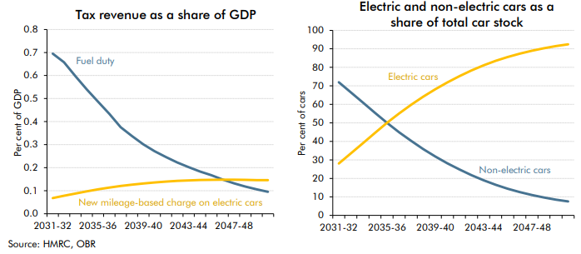

 | Year | 2025-26 | 2026-27 | 2027-28 | 2028-29 | 2029-30 | 2030-31 | 2031-32 | 2032-33 | 2033-34 | 2034-35 | 2035-36 | 2036-37 | 2037-38 | 2038-39 | 2039-40 | 2040-41 | 2041-42 | 2042-43 | 2043-44 | 2044-45 | 2045-46 | 2046-47 | 2047-48 | 2048-49 | 2049-50 | 2050-51
 | Fuel duty | 0.8 | 0.8 | 0.9 | 0.9 | 0.8 | 0.8 | 0.7 | 0.7 | 0.6 | 0.5 | 0.5 | 0.4 | 0.4 | 0.3 | 0.3 | 0.3 | 0.2 | 0.2 | 0.2 | 0.2 | 0.2 | 0.1 | 0.1 | 0.1 | 0.1 | 0.1
 | New mileage-based charge on electric cars | 0.0 | 0.0 | 0.0 | 0.0 | 0.0 | 0.1 | 0.1 | 0.1 | 0.1 | 0.1 | 0.1 | 0.1 | 0.1 | 0.1 | 0.1 | 0.1 | 0.1 | 0.1 | 0.1 | 0.1 | 0.1 | 0.1 | 0.1 | 0.1 | 0.1 | 0.1

 | Year | 2025-26 | 2026-27 | 2027-28 | 2028-29 | 2029-30 | 2030-31 | 2031-32 | 2032-33 | 2033-34 | 2034-35 | 2035-36 | 2036-37 | 2037-38 | 2038-39 | 2039-40 | 2040-41 | 2041-42 | 2042-43 | 2043-44 | 2044-45 | 2045-46 | 2046-47 | 2047-48 | 2048-49 | 2049-50 | 2050-51
 | Non-electric cars | 93.9 | 92.2 | 89.9 | 86.7 | 82.5 | 77.3 | 72.0 | 66.5 | 61.0 | 55.4 | 50.0 | 44.9 | 40.2 | 35.9 | 31.8 | 28.2 | 24.8 | 21.7 | 18.9 | 16.5 | 14.4 | 12.6 | 11.0 | 9.7 | 8.5 | 7.5
 | Electric cars | 6.1 | 7.8 | 10.1 | 13.3 | 17.5 | 22.7 | 28.0 | 33.5 | 39.0 | 44.6 | 50.0 | 55.1 | 59.8 | 64.1 | 68.2 | 71.8 | 75.2 | 78.3 | 81.1 | 83.5 | 85.6 | 87.4 | 89.0 | 90.3 | 91.5 | 92.5

