C4.1
Back to contents
 | Chart 4.1: National Accounts taxes as a share of GDP
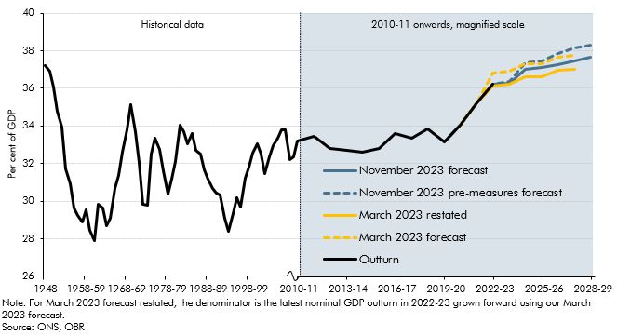

 |  | Outturn | March 2023 forecast | March 2023 restated | November 2023 forecast | November 2023 pre-measures forecast
 | 1948 | 37.2
 | 1949 | 36.9
 | 1950 | 36.1
 | 1951 | 34.8
 | 1952 | 34.0
 | 1953 | 31.7
 | 1954 | 30.9
 | 1955 | 29.6
 | 1956 | 29.3
 | 1957 | 28.9
 | 1958-59 | 29.5
 | 1959-60 | 28.4
 | 1960-61 | 27.9
 | 1961-62 | 29.8
 | 1962-63 | 29.6
 | 1963-64 | 28.7
 | 1964-65 | 29.1
 | 1965-66 | 30.7
 | 1966-67 | 31.4
 | 1967-68 | 32.6
 | 1968-69 | 33.8
 | 1969-70 | 35.1
 | 1970-71 | 33.7
 | 1971-72 | 32.1
 | 1972-73 | 29.8
 | 1973-74 | 29.8
 | 1974-75 | 32.5
 | 1975-76 | 33.4
 | 1976-77 | 32.8
 | 1977-78 | 31.6
 | 1978-79 | 30.4
 | 1979-80 | 31.2
 | 1980-81 | 32.1
 | 1981-82 | 34.0
 | 1982-83 | 33.7
 | 1983-84 | 33.0
 | 1984-85 | 33.6
 | 1985-86 | 32.7
 | 1986-87 | 32.5
 | 1987-98 | 31.7
 | 1988-89 | 31.2
 | 1989-90 | 30.7
 | 1990-91 | 30.4
 | 1991-92 | 30.3
 | 1992-93 | 29.1
 | 1993-94 | 28.4
 | 1994-95 | 29.4
 | 1995-96 | 30.2
 | 1996-97 | 29.7
 | 1997-98 | 31.2
 | 1998-99 | 31.8
 | 1999-00 | 32.5
 | 2000-01 | 33.1
 | 2001-02 | 32.5
 | 2002-03 | 31.4
 | 2003-04 | 32.4
 | 2004-05 | 32.9
 | 2005-06 | 33.4
 | 2006-07 | 33.8
 | 2007-08 | 33.8
 | 2008-09 | 32.2
 | 2009-10 | 32.4
 | 2010-11 | 33.2
 | 2010-11 | 33.2
 | 2011-12 | 33.4
 | 2012-13 | 32.8
 | 2013-14 | 32.7
 | 2014-15 | 32.6
 | 2015-16 | 32.8
 | 2016-17 | 33.6
 | 2017-18 | 33.4
 | 2018-19 | 33.8
 | 2019-20 | 33.1
 | 2020-21 | 34.1
 | 2021-22 | 35.2 | 35.2 | 35.2
 | 2022-23 | 36.2 | 36.8 | 36.1 | 36.2 | 36.2
 | 2023-24 |  | 36.9 | 36.2 | 36.3 | 36.4
 | 2024-25 |  | 37.3 | 36.6 | 37.0 | 37.4
 | 2025-26 |  | 37.3 | 36.6 | 37.1 | 37.5
 | 2026-27 |  | 37.7 | 37.0 | 37.3 | 37.8
 | 2027-28 |  | 37.7 | 37.0 | 37.4 | 38.1
 | 2028-29 |  |  |  | 37.7 | 38.3

C4.2
Back to contents
 | Chart 4.2: The rise in the tax-to-GDP ratio between 2019-20 and 2028-2029
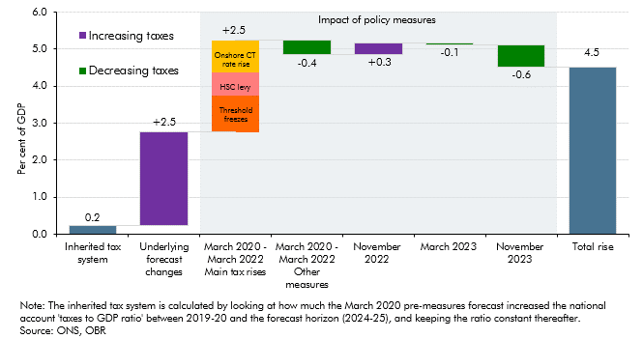

 |  | Inherited tax system | OBR forecast revisions | Spring 2020 - Spring 2022 Main tax rises | Spring 2020 - Spring 2022 Other measures | Autumn 2022 Measures | Spring 2023 Measures | Autumn 2023 Measures | Autumn 2023 Post Measures
 | Per cent | 0.2 | 2.5 |  | 0.4 | 0.3 | 0.1 | 0.6 | 4.5
 | Threshold freezes |  |  | 1.0
 | HSC levy |  |  | 0.6
 | Onshore CT rate rise |  |  | 0.9

C4.A
Back to contents
 | Chart A: National accounts taxes (excluding PSNB neutral): Changes since March

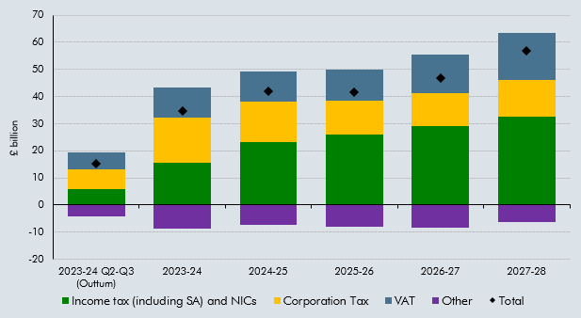

 |  | Income tax (including SA) and NICs | Corporation Tax | VAT | Other | Total
 | 2023-24 Q2-Q3 (Outturn) | 6.0 | 7.0 | 6.4 | -4.3 | 15.1
 | 2023-24 | 15.6 | 16.6 | 11.0 | -8.6 | 34.6
 | 2024-25 | 23.3 | 14.8 | 11.0 | -7.2 | 41.9
 | 2025-26 | 25.8 | 12.8 | 11.3 | -8.1 | 41.8
 | 2026-27 | 29.1 | 12.1 | 14.1 | -8.4 | 46.9
 | 2027-28 | 32.7 | 13.4 | 17.3 | -6.4 | 57.0

C4.B
Back to contents
 | Chart B: National accounts taxes (excluding PSNB neutral): Changes since March
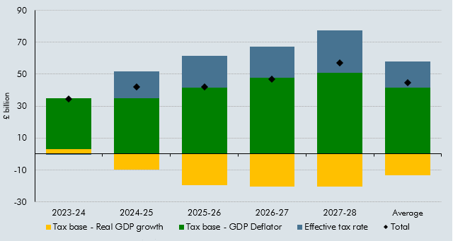

 |  | Total | Tax base - Real GDP growth | Tax base - GDP Deflator | Effective tax rate
 | 2023-24 | 34.6 | 3.2 | 31.8 | -0.3
 | 2024-25 | 41.9 | -9.7 | 34.9 | 16.7
 | 2025-26 | 41.8 | -19.5 | 41.6 | 19.6
 | 2026-27 | 46.9 | -20.4 | 47.7 | 19.6
 | 2027-28 | 57.0 | -20.5 | 50.9 | 26.6
 | Average | 44.4 | -13.4 | 41.4 | 16.4

C4.3
Back to contents
 | Chart 4.3: Income tax and NICs receipts as a share of GDP, wages and salaries as a share of GDP, and the effective tax rate (ETR)

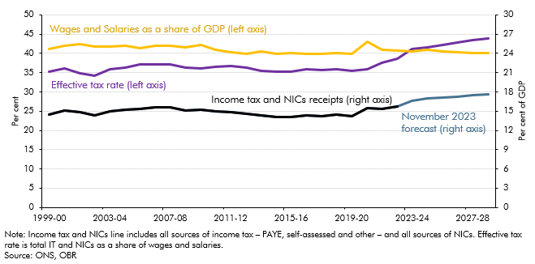

 |  |  | Income tax and NICs receipts | Effective Tax Rate | Wages and Salaries as a share of GDP
 |  | 1999-00 | 14.5 | 35.2 | 41.2
 |  | 2000-01 | 15.1 | 36.0 | 41.9
 |  | 2001-02 | 14.8 | 34.9 | 42.5
 |  | 2002-03 | 14.3 | 34.3 | 41.7
 |  | 2003-04 | 15.0 | 35.9 | 41.7
 |  | 2004-05 | 15.2 | 36.4 | 41.9
 |  | 2005-06 | 15.4 | 37.1 | 41.4
 |  | 2006-07 | 15.6 | 37.1 | 42.0
 |  | 2007-08 | 15.6 | 37.1 | 42.1
 |  | 2008-09 | 15.1 | 36.3 | 41.6
 |  | 2009-10 | 15.2 | 36.0 | 42.2
 |  | 2010-11 | 14.9 | 36.5 | 41.0
 |  | 2011-12 | 14.8 | 36.8 | 40.4
 |  | 2012-13 | 14.5 | 36.4 | 39.9
 |  | 2013-14 | 14.3 | 35.4 | 40.5
 |  | 2014-15 | 14.1 | 35.3 | 39.9
 |  | 2015-16 | 14.1 | 35.2 | 40.1
 |  | 2016-17 | 14.3 | 35.9 | 39.8
 |  | 2017-18 | 14.2 | 35.6 | 39.9
 |  | 2018-19 | 14.4 | 36.0 | 40.0
 |  | 2019-20 | 14.2 | 35.5 | 40.0
 |  | 2020-21 | 15.5 | 35.9 | 43.1
 |  | 2021-22 | 15.4 | 37.5 | 41.0
 |  | 2022-23 | 15.7 | 38.6 | 40.6
 |  | 2023-24 | 16.6 | 41.1 | 40.5
 |  | 2024-25 | 16.9 | 41.5 | 40.8
 |  | 2025-26 | 17.1 | 42.1 | 40.6
 |  | 2026-27 | 17.2 | 42.7 | 40.3
 |  | 2027-28 | 17.4 | 43.5 | 40.1
 |  | 2028-29 | 17.6 | 44.0 | 40.0

C4.4
Back to contents
 | Chart 4.4: VAT rates, gap and receipts as a share of GDP

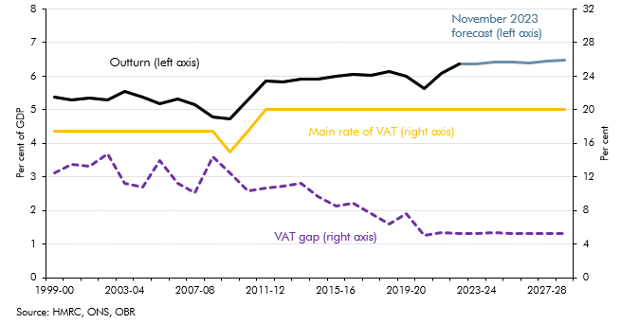

 |  |  | Outurn | Main rate of VAT | VAT Gap
 |  | 1999-00 | 5.4 | 17.5 | 12.5
 |  | 2000-01 | 5.3 | 17.5 | 13.5
 |  | 2001-02 | 5.4 | 17.5 | 13.2
 |  | 2002-03 | 5.3 | 17.5 | 14.7
 |  | 2003-04 | 5.5 | 17.5 | 11.2
 |  | 2004-05 | 5.4 | 17.5 | 10.9
 |  | 2005-06 | 5.2 | 17.5 | 14.0
 |  | 2006-07 | 5.3 | 17.5 | 11.2
 |  | 2007-08 | 5.2 | 17.5 | 10.1
 |  | 2008-09 | 4.8 | 17.5 | 14.4
 |  | 2009-10 | 4.7 | 15.0 | 12.5
 |  | 2010-11 | 5.3 | 17.5 | 10.3
 |  | 2011-12 | 5.9 | 20.0 | 10.7
 |  | 2012-13 | 5.8 | 20.0 | 10.9
 |  | 2013-14 | 5.9 | 20.0 | 11.3
 |  | 2014-15 | 5.9 | 20.0 | 9.7
 |  | 2015-16 | 6.0 | 20.0 | 8.6
 |  | 2016-17 | 6.1 | 20.0 | 8.9
 |  | 2017-18 | 6.0 | 20.0 | 7.7
 |  | 2018-19 | 6.1 | 20.0 | 6.4
 |  | 2019-20 | 6.0 | 20.0 | 7.7
 |  | 2020-21 | 5.6 | 20.0 | 5.0
 |  | 2021-22 | 6.1 | 20.0 | 5.4
 |  | 2022-23 | 6.4 | 20.0 | 5.3
 |  | 2023-24 | 6.4 | 20.0 | 5.3
 |  | 2024-25 | 6.4 | 20.0 | 5.4
 |  | 2025-26 | 6.4 | 20.0 | 5.3
 |  | 2026-27 | 6.4 | 20.0 | 5.3
 |  | 2027-28 | 6.4 | 20.0 | 5.3
 |  | 2028-29 | 6.5 | 20.0 | 5.3

C4.5
Back to contents
 | Chart 4.5: Onshore corporation tax rates and receipts as a share of GDP
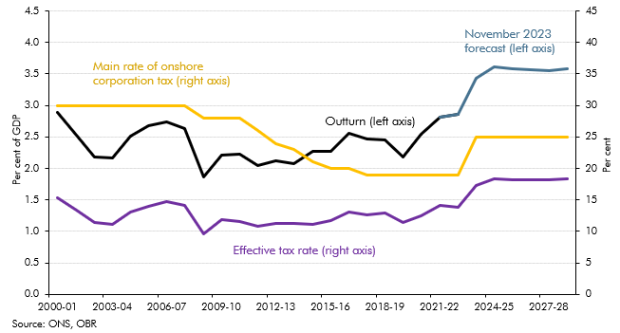

 |  | Outturn receipts | March 2023 receipts forecast | Main rate of onshore corporation tax | Effective Tax rate
 | 2000-01 | 2.9 |  | 30.0 | 15.4
 | 2001-02 | 2.5 |  | 30.0 | 13.4
 | 2002-03 | 2.2 |  | 30.0 | 11.4
 | 2003-04 | 2.2 |  | 30.0 | 11.2
 | 2004-05 | 2.5 |  | 30.0 | 13.1
 | 2005-06 | 2.7 |  | 30.0 | 14.0
 | 2006-07 | 2.7 |  | 30.0 | 14.7
 | 2007-08 | 2.6 |  | 30.0 | 14.2
 | 2008-09 | 1.9 |  | 28.0 | 9.6
 | 2009-10 | 2.2 |  | 28.0 | 11.9
 | 2010-11 | 2.2 |  | 28.0 | 11.6
 | 2011-12 | 2.0 |  | 26.0 | 10.8
 | 2012-13 | 2.1 |  | 24.0 | 11.3
 | 2013-14 | 2.1 |  | 23.0 | 11.2
 | 2014-15 | 2.3 |  | 21.0 | 11.2
 | 2015-16 | 2.3 |  | 20.0 | 11.7
 | 2016-17 | 2.6 |  | 20.0 | 13.1
 | 2017-18 | 2.5 |  | 19.0 | 12.6
 | 2018-19 | 2.4 |  | 19.0 | 12.9
 | 2019-20 | 2.2 |  | 19.0 | 11.4
 | 2020-21 | 2.5 |  | 19.0 | 12.4
 | 2021-22 | 2.8 | 2.8 | 19.0 | 14.1
 | 2022-23 | 2.9 | 2.9 | 19.0 | 13.8
 | 2023-24 |  | 3.4 | 25.0 | 17.3
 | 2024-25 |  | 3.6 | 25.0 | 18.4
 | 2025-26 |  | 3.6 | 25.0 | 18.2
 | 2026-27 |  | 3.6 | 25.0 | 18.2
 | 2027-28 |  | 3.6 | 25.0 | 18.2
 | 2028-29 |  | 3.6 | 25.0 | 18.4

C4.6
Back to contents
 | Chart 4.6: Fuel duty: forecasts versus outturn
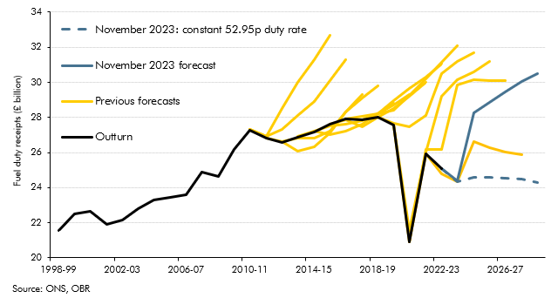

 |  | Outturn | November 2023 forecast | November 2023: constant 52.95p duty rate | Spring 23 | Spring 22 | Spring 21 | Spring 20 | Spring 19 | Spring 18 | Spring 17 | Spring 16 | Spring 15 | Spring 14 | Spring 13 | Spring 12 | Spring 11
 | 1998-99 | 21553
 | 1999-00 | 22515
 | 2000-01 | 22630
 | 2001-02 | 21916
 | 2002-03 | 22147
 | 2003-04 | 22786
 | 2004-05 | 23313
 | 2005-06 | 23438
 | 2006-07 | 23585
 | 2007-08 | 24905
 | 2008-09 | 24615
 | 2009-10 | 26197
 | 2010-11 | 27256 |  |  |  |  |  |  |  |  |  |  |  |  |  | 27300 | 27300
 | 2011-12 | 26800 |  |  |  |  |  |  |  |  |  |  |  |  | 26800 | 26900 | 26900
 | 2012-13 | 26571 |  |  |  |  |  |  |  |  |  |  |  | 26600 | 26600 | 27300 | 28500
 | 2013-14 | 26881 |  |  |  |  |  |  |  |  |  |  | 26900 | 26800 | 26100 | 28100 | 30000
 | 2014-15 | 27156 |  |  |  |  |  |  |  |  |  | 27200 | 27200 | 26800 | 26300 | 28900 | 31300
 | 2015-16 | 27623 |  |  |  |  |  |  |  |  | 27622.0 | 27500 | 27000 | 27200 | 27100 | 30100 | 32700
 | 2016-17 | 27936 |  |  |  |  |  |  |  | 27937.0 | 27873.9 | 27600 | 27200 | 28300 | 28300 | 31300
 | 2017-18 | 27877 |  |  |  |  |  |  | 27878 | 28067.7 | 27486.1 | 27800 | 27600 | 29100 | 29300
 | 2018-19 | 27993 |  |  |  |  |  | 27993.0 | 28203.1 | 28197.9 | 27998.4 | 28200.0 | 28200.0 | 29800.0
 | 2019-20 | 27573 |  |  |  | 27572.0 | 27572.0 | 27680.2 | 28401.1 | 28948.7 | 28524.2 | 28700.0 | 28800.0
 | 2020-21 | 20932 |  |  | 20932.0 | 20934.0 | 21538.0 | 27487.9 | 29233.8 | 29635.9 | 29192.9 | 29300.0
 | 2021-22 | 25943 |  |  | 25943.0 | 26177.4 | 26031.8 | 28132.0 | 30170.4 | 30312.2 | 29993.8
 | 2022-23 | 25100 | 25100 | 25100 | 24799.0 | 26174.4 | 29225.2 | 30506.6 | 31120.0 | 31049.4
 | 2023-24 |  | 24366.9 | 24323.9 | 24348.8 | 29857.8 | 30145.4 | 31165.4 | 32059.2
 | 2024-25 |  | 28240.3 | 24568.5 | 26621.4 | 30160.4 | 30593.8 | 31687.5
 | 2025-26 |  | 28844.9 | 24572.5 | 26262.4 | 30073.4 | 31187.5
 | 2026-27 |  | 29436.7 | 24554.4 | 26034.4 | 30100.6
 | 2027-28 |  | 30070.6 | 24506.1 | 25897.5
 | 2028-29 |  | 30500.3 | 24310.5

C4.C
Back to contents
 | Chart 4.C: Electric vehicle share of new car sales
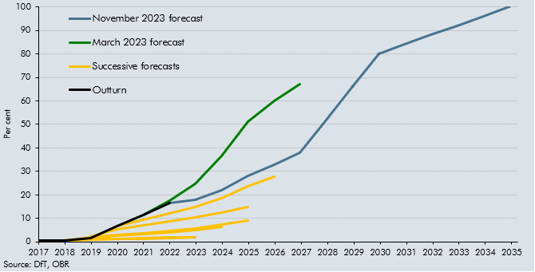

 |  | Outturn | November 2023 forecast | March 2023 forecast | March 2022 | October 2021 | March 2021 | November 2020 | March 2020 | March 2019 | October 2018
 | 2017-06-01 | 0.5 |  |  |  |  |  | 0.5 | 0.5 | 0.6 | 0.6
 | 2018-06-01 | 0.7 |  |  |  |  |  | 0.7 | 0.7 | 0.7 | 0.8
 | 2019-06-01 | 1.6 |  |  |  |  | 2.4 | 2.0 | 1.8 | 1.0 | 1.0
 | 2020-06-01 | 6.6 |  |  |  | 6.6 | 5.3 | 2.9 | 2.6 | 1.2 | 1.3
 | 2021-06-01 | 11.6 |  | 11.6 | 11.6 | 9.6 | 7.2 | 3.6 | 3.2 | 1.5 | 1.6
 | 2022-06-01 | 16.6 | 16.6 | 17.7 | 17.2 | 12.1 | 8.6 | 4.6 | 4.0 | 1.7 | 1.8
 | 2023-06-01 |  | 17.8 | 24.6 | 25.2 | 14.9 | 10.4 | 5.8 | 5.1 | 2.0 | 2.1
 | 2024-06-01 |  | 22 | 36.7 | 35.7 | 18.5 | 12.5 | 7.3 | 6.4
 | 2025-06-01 |  | 28 | 51.0 | 48.7 | 23.6 | 15.1 | 9.2
 | 2026-06-01 |  | 33 | 60.1 | 57.7 | 27.7
 | 2027-06-01 |  | 38 | 67.1
 | 2028-06-01 |  | 52
 | 2029-06-01 |  | 66
 | 2030-06-01 |  | 80
 | 2031-06-01 |  | 84
 | 2032-06-01 |  | 88
 | 2033-06-01 |  | 92
 | 2034-06-01 |  | 96
 | 2035-06-01 |  | 100

C4.7
Back to contents
 | Chart 4.7: Public expenditure as a share of GDP
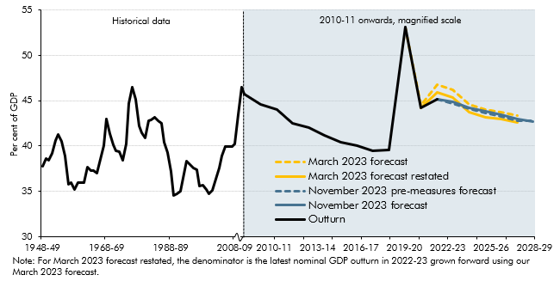

 |  | Outturn | March 2023 | March 2023 forecast restated | November 2023 forecast | November 2023 pre-measures forecast
 | 1948-49 | 37.7
 | 1949-50 | 38.6
 | 1950-51 | 38.5
 | 1951-52 | 39.2
 | 1952-53 | 40.6
 | 1953-54 | 41.3
 | 1954-55 | 40.5
 | 1955-56 | 38.9
 | 1956-57 | 35.8
 | 1957-58 | 36.0
 | 1958-59 | 35.2
 | 1959-60 | 36.0
 | 1960-61 | 35.9
 | 1961-62 | 35.9
 | 1962-63 | 37.6
 | 1963-64 | 37.3
 | 1964-65 | 37.3
 | 1965-66 | 37.0
 | 1966-67 | 38.5
 | 1967-68 | 40.0
 | 1968-69 | 42.9
 | 1969-70 | 41.4
 | 1970-71 | 40.1
 | 1971-72 | 39.5
 | 1972-73 | 39.4
 | 1973-74 | 38.5
 | 1974-75 | 40.3
 | 1975-76 | 44.7
 | 1976-77 | 46.5
 | 1977-78 | 45.1
 | 1978-79 | 42.3
 | 1979-80 | 41.4
 | 1980-81 | 40.9
 | 1981-82 | 42.8
 | 1982-83 | 42.9
 | 1983-84 | 43.2
 | 1984-85 | 42.8
 | 1985-86 | 42.5
 | 1986-87 | 40.4
 | 1987-88 | 39.3
 | 1988-89 | 37.2
 | 1989-90 | 34.6
 | 1990-91 | 34.7
 | 1991-92 | 35.0
 | 1992-93 | 36.9
 | 1993-94 | 38.3
 | 1994-95 | 37.9
 | 1995-96 | 37.6
 | 1996-97 | 37.4
 | 1997-98 | 35.6
 | 1998-99 | 35.7
 | 1999-00 | 35.2
 | 2000-01 | 34.8
 | 2001-02 | 35.1
 | 2002-03 | 36.3
 | 2003-04 | 37.6
 | 2004-05 | 38.9
 | 2005-06 | 39.9
 | 2006-07 | 39.9
 | 2007-08 | 39.9
 | 2008-09 | 40.3
 | 2009-10 | 43.5
 | 2010-11 | 46.5
 | 2010-11 | 45.7
 | 2011-12 | 44.6
 | 2012-13 | 44.1
 | 2013-14 | 42.5
 | 2014-15 | 42.0
 | 2015-16 | 41.2
 | 2016-17 | 40.4
 | 2017-18 | 40.0
 | 2018-19 | 39.5
 | 2019-20 | 39.6
 | 2020-21 | 53.1
 | 2021-22 | 44.2 | 44.5 | 44.2
 | 2022-23 | 45.1 | 46.8 | 45.9 | 45.1 | 45.1
 | 2023-24 |  | 46.2 | 45.3 | 44.8 | 44.7
 | 2024-25 |  | 44.6 | 43.7 | 44.2 | 44.1
 | 2025-26 |  | 44.0 | 43.2 | 43.8 | 43.7
 | 2026-27 |  | 43.8 | 42.9 | 43.4 | 43.3
 | 2027-28 |  | 43.4 | 42.6 | 42.9 | 42.8
 | 2028-29 |  |  |  | 42.7 | 42.7

C4.8
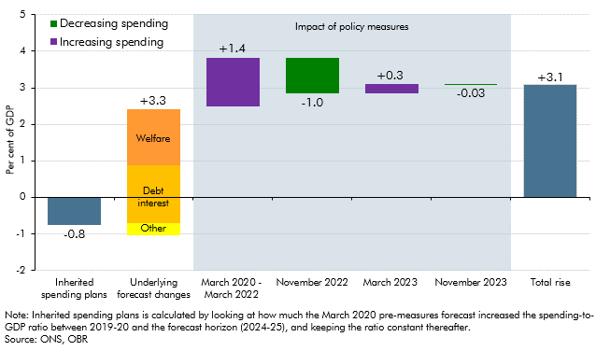
Back to contents
 | Chart 4.8: Sources of the rise in the spending-to-GDP ratio between 2019-20 and 2028-29

 |  | Inherited spending system | Welfare forecasting changes | Debt interest forecasting changes | Other forecasting changes | March 2020 - Mach 2022 | 2022-11-01 | 2023-03-01 | 2023-11-01 | Total rise
 | Per cent of GDP | -0.8% | 1.5% | 2.4% | -0.7% | 1.4% | -1.0% | 0.3% | 0.0% | 3.1%

C4.9
Back to contents
 | Chart: 4.9: Breakdown of total departmental spending in the forecast
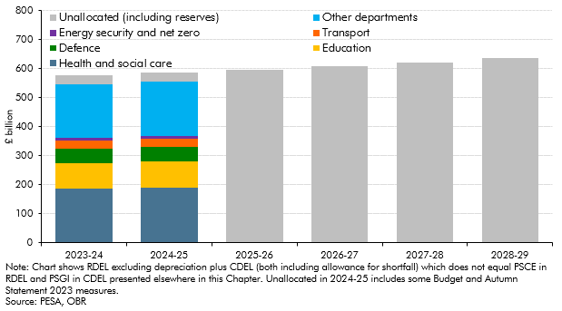

 |  | 2023-24 | 2024-25 | 2025-26 | 2026-27 | 2027-28 | 2028-29
 | Total DEL | 575.8 | 585.4 | 595.8 | 608.1 | 621.2 | 636.0
 | Health and social care | 185.6 | 189.7
 | Education | 88.7 | 89.3
 | Defence | 50.5 | 51.6
 | Transport | 27.6 | 26.2
 | Energy security and net zero | 7.9 | 9.7
 | Unallocated (including reserves) | 30.7 | 30.8 | 595.8 | 608.1 | 621.2 | 636.0
 | Other departments | 184.8 | 188.1

C4.10
Back to contents
 | Chart 4.10: Change in real total DEL spending from 2022-23
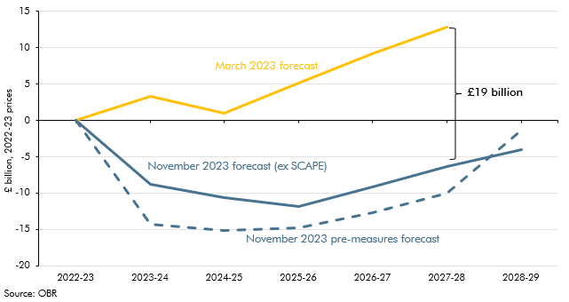

 |  | 2022-23 | 2023-24 | 2024-25 | 2025-26 | 2026-27 | 2027-28 | 2028-29
 | March 2023 forecast | 0 | 3.3 | 1.0 | 5.1 | 9.2 | 12.8
 | November 2023 pre-measures forecast | 0 | -14.3 | -15.1 | -14.8 | -12.8 | -10.0 | -1.3
 | November 2023 forecast (ex SCAPE) | 0 | -8.8 | -10.7 | -11.8 | -9.1 | -6.3 | -4.0

C4.D
Back to contents
 | Chart 4.D: Implied post-SR21 breakdown of real RDEL spending and share of RDEL

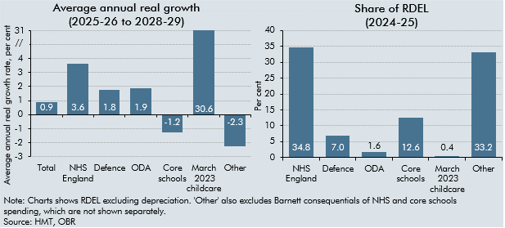

 |  | Average annual real terms growth 2025-26 to 2028-29 | Share of RDEL (2024-25)
 | Total | 0.9
 | NHS England | 3.6 | 34.8
 | Defence | 1.8 | 7.0
 | ODA | 1.9 | 1.6
 | Core schools | -1.2 | 12.6
 | March 2023 childcare | 30.6 | 0.4
 | Other | -2.3 | 33.2

C4.11
Back to contents
 | Chart 4.11: Universal Credit and legacy spending by component
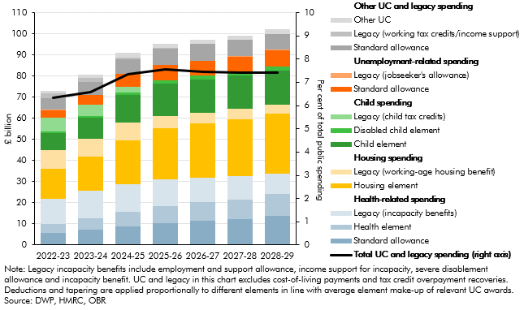

 |  |  | 2022-23 | 2023-24 | 2024-25 | 2025-26 | 2026-27 | 2027-28 | 2028-29
 |  | Health-related spending | 21.8 | 25.6 | 28.9 | 31.0 | 31.9 | 32.7 | 33.8
 |  | of which:
 |  | Standard allowance | 5.6 | 7.3 | 8.9 | 10.5 | 11.6 | 12.4 | 13.9
 |  | Health element | 4.2 | 5.5 | 6.8 | 8.1 | 8.7 | 9.2 | 10.3
 |  | Legacy (incapacity benefits) | 11.9 | 12.8 | 13.2 | 12.5 | 11.6 | 11.1 | 9.6
 |  | Housing spending | 23.1 | 24.8 | 29.1 | 29.9 | 30.8 | 31.7 | 32.7
 |  | of which:
 |  | Housing element | 14.2 | 16.1 | 20.5 | 24.3 | 25.7 | 26.7 | 28.5
 |  | Legacy (working-age housing benefit) | 8.9 | 8.7 | 8.7 | 5.7 | 5.1 | 5.0 | 4.2
 |  | Child spending | 15.4 | 16.0 | 16.8 | 17.1 | 17.4 | 17.6 | 18.0
 |  | of which:
 |  | Child element | 8.2 | 9.9 | 12.9 | 15.4 | 15.7 | 15.8 | 16.2
 |  | Disabled child element | 0.5 | 0.7 | 1.1 | 1.5 | 1.7 | 1.8 | 1.8
 |  | Legacy (child tax credits) | 6.7 | 5.4 | 2.7 | 0.2 | 0.0 | 0.0 | 0.0
 |  | Unemployment-related spending | 3.8 | 4.7 | 6.3 | 7.2 | 7.2 | 7.2 | 7.8
 |  | of which:
 |  | Standard allowance | 3.4 | 4.4 | 6.1 | 7.1 | 7.1 | 7.1 | 7.7
 |  | Legacy (jobseeker's allowance) | 0.3 | 0.3 | 0.2 | 0.1 | 0.1 | 0.1 | 0.1
 |  | Other UC and legacy spending | 8.9 | 9.3 | 9.8 | 10.0 | 9.9 | 9.8 | 9.7
 |  | of which:
 |  | Standard allowance | 5.3 | 5.8 | 6.7 | 7.7 | 7.7 | 7.7 | 7.5
 |  | Legacy (working tax credits/income support) | 2.5 | 2.1 | 1.0 | 0.1 | 0.0 | 0.0 | 0.0
 |  | Other UC | 1.1 | 1.4 | 2.1 | 2.2 | 2.1 | 2.1 | 2.2
 |  | of which:
 |  | Carer element | 0.7 | 0.8 | 1.0 | 1.2 | 1.3 | 1.4 | 1.5
 |  | Childcare element | 0.4 | 0.5 | 0.5 | 0.5 | 0.4 | 0.3 | 0.3
 |  | Transitional protection | 0.0 | 0.1 | 0.6 | 0.5 | 0.4 | 0.3 | 0.4
 |  | Total UC and legacy spending | 72.9 | 80.4 | 90.9 | 95.3 | 97.2 | 99.1 | 102.1
 |  | Total UC and legacy spending (right axis) | 6.3 | 6.6 | 7.3 | 7.5 | 7.5 | 7.4 | 7.4

C4.12
Back to contents
 | Chart 4.12: Debt interest spending relative to GDP and revenues
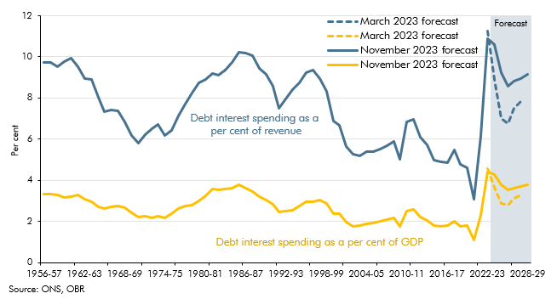

 |  | November 2023 forecast | November 2023 forecast | March 2023 forecast | March 2023 forecast
 | 1956-57 | 9.7 | 3.4
 | 1957-58 | 9.7 | 3.3
 | 1958-59 | 9.5 | 3.3
 | 1959-60 | 9.8 | 3.2
 | 1960-61 | 10.0 | 3.2
 | 1961-62 | 9.5 | 3.3
 | 1962-63 | 8.9 | 3.1
 | 1963-64 | 8.9 | 3.0
 | 1964-65 | 8.0 | 2.7
 | 1965-66 | 7.3 | 2.6
 | 1966-67 | 7.4 | 2.7
 | 1967-68 | 7.4 | 2.8
 | 1968-69 | 6.8 | 2.7
 | 1969-70 | 6.2 | 2.4
 | 1970-71 | 5.8 | 2.2
 | 1971-72 | 6.2 | 2.3
 | 1972-73 | 6.5 | 2.2
 | 1973-74 | 6.7 | 2.3
 | 1974-75 | 6.2 | 2.2
 | 1975-76 | 6.4 | 2.4
 | 1976-77 | 7.1 | 2.6
 | 1977-78 | 7.7 | 2.7
 | 1978-79 | 8.2 | 2.8
 | 1979-80 | 8.8 | 3.0
 | 1980-81 | 8.9 | 3.2
 | 1981-82 | 9.2 | 3.6
 | 1982-83 | 9.1 | 3.5
 | 1983-84 | 9.4 | 3.6
 | 1984-85 | 9.7 | 3.6
 | 1985-86 | 10.2 | 3.8
 | 1986-87 | 10.2 | 3.6
 | 1987-88 | 10.0 | 3.4
 | 1988-89 | 9.5 | 3.2
 | 1989-90 | 9.2 | 3.0
 | 1990-91 | 8.6 | 2.8
 | 1991-92 | 7.5 | 2.5
 | 1992-93 | 8.0 | 2.5
 | 1993-94 | 8.4 | 2.6
 | 1994-95 | 8.8 | 2.8
 | 1995-96 | 9.2 | 3.0
 | 1996-97 | 9.3 | 3.0
 | 1997-98 | 9.0 | 3.0
 | 1998-99 | 8.3 | 2.9
 | 1999-00 | 6.9 | 2.4
 | 2000-01 | 6.7 | 2.4
 | 2001-02 | 5.6 | 2.0
 | 2002-03 | 5.3 | 1.8
 | 2003-04 | 5.2 | 1.8
 | 2004-05 | 5.4 | 1.9
 | 2005-06 | 5.4 | 1.9
 | 2006-07 | 5.5 | 2.0
 | 2007-08 | 5.7 | 2.1
 | 2008-09 | 5.9 | 2.2
 | 2009-10 | 5.0 | 1.8
 | 2010-11 | 6.8 | 2.5
 | 2011-12 | 7.0 | 2.6
 | 2012-13 | 6.1 | 2.2
 | 2013-14 | 5.7 | 2.1
 | 2014-15 | 5.0 | 1.8
 | 2015-16 | 4.9 | 1.8
 | 2016-17 | 4.9 | 1.8
 | 2017-18 | 5.5 | 2.0
 | 2018-19 | 4.8 | 1.8
 | 2019-20 | 4.6 | 1.8
 | 2020-21 | 3.1 | 1.1
 | 2021-22 | 6.1 | 2.3
 | 2022-23 | 10.9 | 4.4 | 11.2 | 4.6
 | 2023-24 | 10.6 | 4.3 | 8.9 | 3.7
 | 2024-25 | 9.2 | 3.8 | 7.0 | 2.9
 | 2025-26 | 8.6 | 3.5 | 6.8 | 2.8
 | 2026-27 | 8.8 | 3.6 | 7.5 | 3.1
 | 2027-28 | 9.0 | 3.7 | 7.8 | 3.3
 | 2028-29 | 9.2 | 3.8

C4.13
Back to contents
 | Chart 4.11: Public sector net borrowing
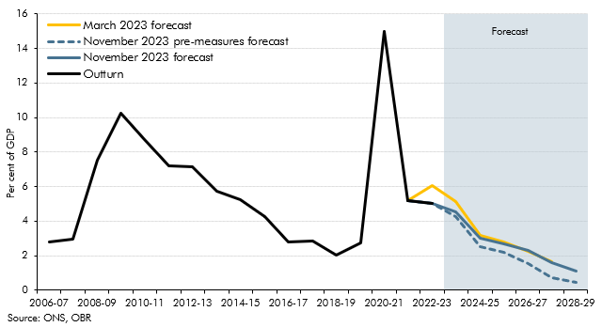

 |  | March 2023 forecast | November 2023 pre-measures forecast | November 2023 forecast | Outturn
 | 2005-06 |  |  |  | 3.2
 | 2006-07 |  |  |  | 2.8
 | 2007-08 |  |  |  | 3.0
 | 2008-09 |  |  |  | 7.5
 | 2009-10 |  |  |  | 10.2
 | 2010-11 |  |  |  | 8.7
 | 2011-12 |  |  |  | 7.2
 | 2012-13 |  |  |  | 7.2
 | 2013-14 |  |  |  | 5.7
 | 2014-15 |  |  |  | 5.2
 | 2015-16 |  |  |  | 4.3
 | 2016-17 |  |  |  | 2.8
 | 2017-18 |  |  |  | 2.9
 | 2018-19 |  |  |  | 2.0
 | 2019-20 |  |  |  | 2.7
 | 2020-21 |  |  |  | 15.0
 | 2021-22 |  |  |  | 5.2
 | 2022-23 | 6.1 |  |  | 5.0
 | 2023-24 | 5.1 | 4.3 | 4.5
 | 2024-25 | 3.2 | 2.5 | 3.0
 | 2025-26 | 2.8 | 2.2 | 2.7
 | 2026-27 | 2.2 | 1.6 | 2.3
 | 2027-28 | 1.7 | 0.7 | 1.6
 | 2028-29 |  | 0.5 | 1.1

C4.14
Back to contents
 | Chart 4.14: Public sector net borrowing: contribution to fall from 2023-24 to 2028-29

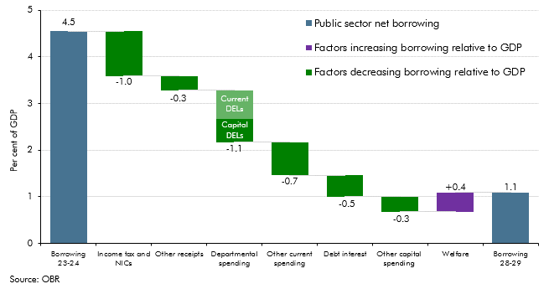

 |  |  | Level | Change
 |  | Borrowing 23-24 | 4.5
 |  | Income tax and NICs |  | -1.0
 |  | Other receipts |  | -0.3
 |  | Departmental spending |  | -1.1
 |  | Other current spending |  | -0.7
 |  | Debt interest |  | -0.5
 |  | Other capital spending |  | -0.3
 |  | Welfare |  | 0.4
 |  | Borrowing 28-29 | 1.1

C4.15
Back to contents
 | Chart 4.15: Public sector borrowing: changes since March 2023
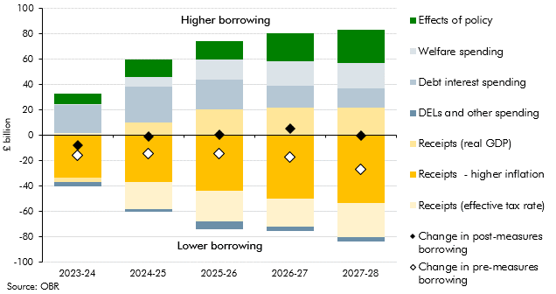

 |  | 2023-24 | 2024-25 | 2025-26 | 2026-27 | 2027-28
 | Underlying receipts changes | -35.3 | -47.8 | -47.8 | -50.6 | -59.0
 | Receipts (higher inflation) | -33.6 | -36.8 | -43.7 | -50.1 | -53.5
 | Receipts (effective tax rate) | 1.7 | -21.2 | -24.5 | -22.0 | -27.1
 | Receipts (real GDP) | -3.4 | 10.2 | 20.5 | 21.4 | 21.6
 | Welfare spending | 0.9 | 8.1 | 16.3 | 19.2 | 20.2
 | Debt interest spending | 21.7 | 27.8 | 23.1 | 17.5 | 15.1
 | DELs and other spending | -3.1 | -2.6 | -5.8 | -3.3 | -3.1
 | Effects of policy | 8.1 | 13.7 | 14.3 | 22.1 | 26.6
 | Change in post-measures borrowing | -7.7 | -0.8 | 0.2 | 4.9 | -0.2
 | Change in pre-measures borrowing | -15.8 | -14.5 | -14.2 | -17.2 | -26.8

C4.E
Back to contents
 | Chart 4.E: Forecast of cumulative flows to and from the APF
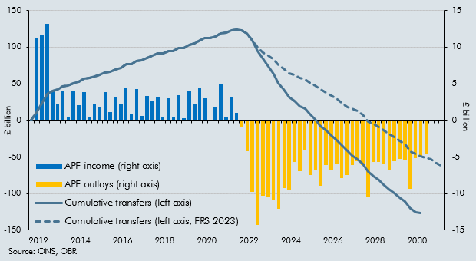

 |  | APF income (right axis) | APF outlays (right axis) | Cumulative transfers (left axis) | Cumulative transfers (left axis, FRS 2023)
 | 2012 | 0.0 |  | 0 | 0
 | 2013 | 11.3 |  | 11.3 | 11.3
 | 2013 | 11.7 |  | 22.9 | 22.9
 | 2013 | 13.2 |  | 36.1 | 36.1
 | 2013 | 4.1 |  | 40.2 | 40.2
 | 2014 Q1 | 2.2 |  | 42.4 | 42.4
 | 2014 Q2 | 4.1 |  | 46.5 | 46.5
 | 2014 Q3 | 0.5 |  | 47.0 | 47.0
 | 2014 | 4.1 |  | 51.1 | 51.1
 | 2015 Q1 | 2.1 |  | 53.1 | 53.1
 | 2015 Q2 | 3.9 |  | 57.0 | 57.0
 | 2015 Q3 | 0.4 |  | 57.4 | 57.4
 | 2015 | 2.3 |  | 59.7 | 59.7
 | 2016 Q1 | 1.9 |  | 61.6 | 61.6
 | 2016 Q2 | 3.8 |  | 65.4 | 65.4
 | 2016 Q3 | 1.1 |  | 66.6 | 66.6
 | 2016 | 3.2 |  | 69.8 | 69.8
 | 2017 Q1 | 2.2 |  | 72.0 | 72.0
 | 2017 Q2 | 4.4 |  | 76.4 | 76.4
 | 2017 Q3 | 0.8 |  | 77.2 | 77.2
 | 2017 | 4.2 |  | 81.4 | 81.4
 | 2018 Q1 | 0.6 |  | 82.0 | 82.0
 | 2018 Q2 | 3.4 |  | 85.3 | 85.3
 | 2018 Q3 | 2.6 |  | 87.9 | 87.9
 | 2018 | 3.3 |  | 91.2 | 91.2
 | 2019 Q1 | 0.5 |  | 91.7 | 91.7
 | 2019 Q2 | 3.0 |  | 94.7 | 94.7
 | 2019 Q3 | 0.5 |  | 95.1 | 95.1
 | 2019 | 3.4 |  | 98.6 | 98.6
 | 2020 Q1 | 0.3 |  | 98.8 | 98.8
 | 2020 Q2 | 4.0 |  | 102.8 | 102.8
 | 2020 Q3 | 2.1 |  | 105.0 | 105.0
 | 2020 | 4.5 |  | 109.4 | 109.4
 | 2021 Q1 | 3.0 |  | 112.5 | 112.5
 | 2021 Q2 | 0.0 |  | 112.5 | 112.5
 | 2021 Q3 | 1.8 |  | 114.3 | 114.3
 | 2021 | 4.9 |  | 119.2 | 119.2
 | 2022 Q1 | 0.5 |  | 119.7 | 119.7
 | 2022 Q2 | 3.1 |  | 122.8 | 122.8
 | 2022 Q3 | 1.0 |  | 123.9 | 123.9
 | 2022 |  | -0.8 | 123.0 | 123.0
 | 2023 Q1 |  | -4.2 | 118.8 | 118.8
 | 2023 Q2 |  | -9.8 | 109.0 | 109.0
 | 2023 Q3 |  | -14.3 | 94.7 | 100.1
 | 2023 |  | -10.3 | 84.4 | 93.0
 | 2024 Q1 |  | -10.4 | 74.0 | 88.7
 | 2024 Q2 |  | -11.0 | 63.1 | 82.6
 | 2024 Q3 |  | -12.1 | 51.0 | 75.3
 | 2024 |  | -9.2 | 41.8 | 70.8
 | 2025 Q1 |  | -9.6 | 32.2 | 64.3
 | 2025 Q2 |  | -5.7 | 26.5 | 61.7
 | 2025 Q3 |  | -6.9 | 19.6 | 57.5
 | 2025 |  | -4.1 | 15.5 | 56.1
 | 2026 Q1 |  | -7.5 | 8.0 | 50.9
 | 2026 Q2 |  | -6.7 | 1.3 | 47.8
 | 2026 Q3 |  | -8.9 | -7.6 | 42.0
 | 2026 |  | -6.1 | -13.7 | 38.5
 | 2027 Q1 |  | -6.8 | -20.5 | 33.9
 | 2027 Q2 |  | -6.0 | -26.5 | 30.1
 | 2027 Q3 |  | -7.9 | -34.4 | 23.8
 | 2027 |  | -7.4 | -41.8 | 18.5
 | 2028 Q1 |  | -6.1 | -47.9 | 16.4
 | 2028 Q2 |  | -5.6 | -53.5 | 12.5
 | 2028 Q3 |  | -6.1 | -59.6 | 8.1
 | 2028 |  | -10.5 | -70.1 | -1.4
 | 2029 Q1 |  | -5.7 | -75.7 | -5.3
 | 2029 Q2 |  | -5.7 | -81.4 | -9.1
 | 2029 Q3 |  | -6.0 | -87.4 | -13.1
 | 2029 |  | -6.8 | -94.2 | -18.3
 | 2030 Q1 |  | -5.6 | -99.8 | -23.1
 | 2030 Q2 |  | -5.3 | -105.1 | -27.5
 | 2030 Q3 |  | -5.5 | -110.6 | -32.3
 | 2030 |  | -9.4 | -119.9 | -42.9
 | 2031 Q1 |  | -5.2 | -125.1 | -45.7
 | 2031 Q2 |  | -0.9 | -126.0 | -48.5
 | 2031 Q3 |  |  | -126.0 | -50.9
 | 2031 Q4 |  |  | -126.0 | -53.4
 | 2032 Q1 |  |  | -126.0 | -58.8
 | 2032 Q2 |  |  | -126.0 | -62.7

C4.16
Back to contents
 | Chart 4.16: UK gilt issuance and change in private holdings since 1999-00
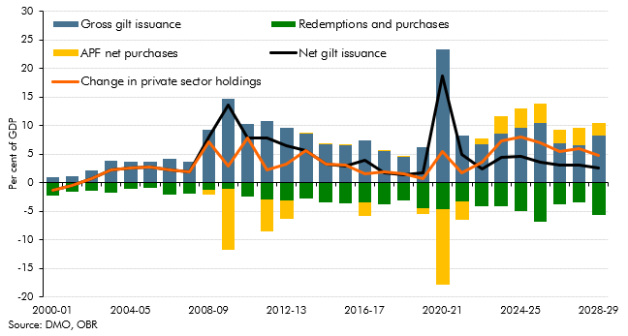

 |  | 1999-00 | 2000-01 | 2001-02 | 2002-03 | 2003-04 | 2004-05 | 2005-06 | 2006-07 | 2007-08 | 2008-09 | 2009-10 | 2010-11 | 2011-12 | 2012-13 | 2013-14 | 2014-15 | 2015-16 | 2016-17 | 2017-18 | 2018-19 | 2019-20 | 2020-21 | 2021-22 | 2022-23 | 2023-24 | 2024-25 | 2025-26 | 2026-27 | 2027-28 | 2028-29
 | Gross gilt issuance | 1.4 | 0.9 | 1.2 | 2.2 | 3.9 | 3.7 | 3.7 | 4.2 | 3.7 | 9.3 | 14.6 | 10.2 | 10.7 | 9.6 | 8.5 | 6.7 | 6.6 | 7.3 | 5.5 | 4.5 | 6.1 | 23.3 | 8.2 | 6.6 | 8.6 | 9.6 | 10.4 | 6.9 | 6.5 | 8.3
 | Redemptions and purchases | -1.5 | -2.2 | -1.6 | -1.4 | -1.7 | -1.1 | -1.0 | -2.0 | -1.9 | -1.3 | -1.1 | -2.4 | -2.9 | -3.1 | -2.9 | -3.4 | -3.6 | -3.5 | -3.8 | -3.1 | -4.4 | -4.7 | -3.4 | -4.2 | -4.2 | -5.0 | -6.9 | -3.8 | -3.5 | -5.7
 | APF net purchases | 0.0 | 0.0 | 0.0 | 0.0 | 0.0 | 0.0 | 0.0 | 0.0 | 0.0 | -0.8 | -10.6 | 0.0 | -5.6 | -3.2 | 0.0 | 0.0 | 0.0 | -2.3 | 0.3 | 0.1 | -1.0 | -13.2 | -3.2 | 1.1 | 2.9 | 3.4 | 3.5 | 2.4 | 3.0 | 2.1
 | Net gilt issuance | -0.1 | -1.3 | -0.4 | 0.7 | 2.2 | 2.6 | 2.7 | 2.2 | 1.9 | 7.9 | 13.5 | 7.8 | 7.8 | 6.5 | 5.7 | 3.3 | 3.0 | 3.9 | 1.7 | 1.5 | 1.7 | 18.6 | 4.9 | 2.4 | 4.4 | 4.6 | 3.5 | 3.0 | 3.0 | 2.6
 | Change in private sector holdings | -0.1 | -1.3 | -0.4 | 0.7 | 2.2 | 2.6 | 2.7 | 2.2 | 1.9 | 7.1 | 2.9 | 7.8 | 2.2 | 3.3 | 5.7 | 3.3 | 3.0 | 1.6 | 2.0 | 1.6 | 0.7 | 5.4 | 1.7 | 3.5 | 7.4 | 7.9 | 7.0 | 5.5 | 6.0 | 4.7

C4.17
Back to contents
 | Chart 4.17: Public sector net debt (excluding Bank of England)
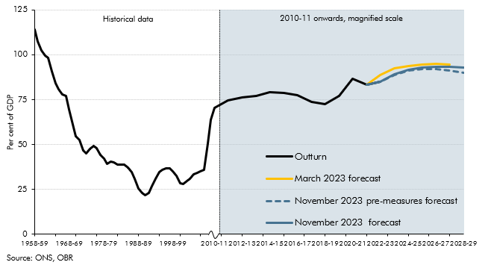

 |  | Outturn | March 2023 forecast | November 2023 pre-measures forecast | November 2023 forecast
 | 1958-59 | 114.3
 | 1959-60 | 107.5
 | 1960-61 | 102.4
 | 1961-62 | 99.4
 | 1962-63 | 98.2
 | 1963-64 | 90.7
 | 1964-65 | 84.2
 | 1965-66 | 80.9
 | 1966-67 | 77.7
 | 1967-68 | 77.0
 | 1968-69 | 69.8
 | 1969-70 | 61.2
 | 1970-71 | 54.7
 | 1971-72 | 52.6
 | 1972-73 | 46.6
 | 1973-74 | 45.2
 | 1974-75 | 47.7
 | 1975-76 | 49.3
 | 1976-77 | 47.8
 | 1977-78 | 44.3
 | 1978-79 | 42.2
 | 1979-80 | 39.1
 | 1980-81 | 40.3
 | 1981-82 | 40.0
 | 1982-83 | 38.7
 | 1983-84 | 38.8
 | 1984-85 | 38.7
 | 1985-86 | 37.1
 | 1986-87 | 34.9
 | 1987-88 | 31.0
 | 1988-89 | 25.7
 | 1989-90 | 23.1
 | 1990-91 | 21.6
 | 1991-92 | 22.9
 | 1992-93 | 26.7
 | 1993-94 | 31.1
 | 1994-95 | 34.5
 | 1995-96 | 36.1
 | 1996-97 | 36.6
 | 1997-98 | 36.7
 | 1998-99 | 35.2
 | 1999-00 | 32.6
 | 2000-01 | 28.4
 | 2001-02 | 28.2
 | 2002-03 | 29.9
 | 2003-04 | 31.0
 | 2004-05 | 33.6
 | 2005-06 | 34.5
 | 2006-07 | 35.3
 | 2007-08 | 35.8
 | 2008-09 | 50.6
 | 2009-10 | 63.9
 | 2010-11 | 70.6
 | 2011-12 | 74.6
 | 2012-13 | 76.2
 | 2013-14 | 77.0
 | 2014-15 | 79.2
 | 2015-16 | 78.9
 | 2016-17 | 77.4
 | 2017-18 | 73.7
 | 2018-19 | 72.3
 | 2019-20 | 77.1
 | 2020-21 | 86.6
 | 2021-22 | 83.2
 | 2022-23 | 84.9 | 88.9
 | 2023-24 |  | 92.4 | 88.9 | 89.0
 | 2024-25 |  | 93.7 | 91.1 | 91.6
 | 2025-26 |  | 94.6 | 91.9 | 92.7
 | 2026-27 |  | 94.8 | 91.9 | 93.2
 | 2027-28 |  | 94.6 | 91.0 | 93.2
 | 2028-29 |  |  | 90.1 | 92.8

