C4.1
Back to contents
 | Chart 4.1: Three measures of 'balancing the books' at the forecast horizon
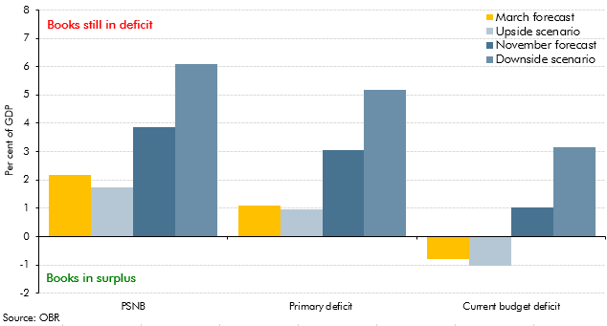

 |  | PSNB | Primary deficit | Current budget deficit
 | March forecast | 2.2 | 1.1 | -0.8
 | Upside scenario | 1.7 | 1.0 | -1.0
 | November forecast | 3.9 | 3.0 | 1.0
 | Downside scenario | 6.1 | 5.2 | 3.2

C4.2
Back to contents
 | Chart 4.2: Three measures of 'getting debt under control' at the forecast horizon
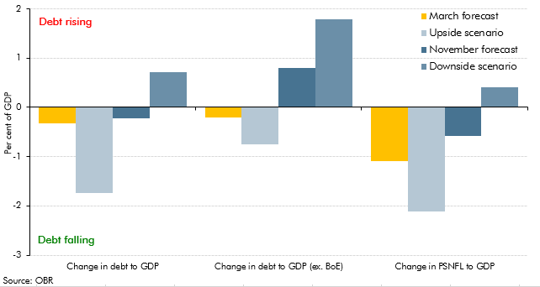

 |  | Change in debt to GDP | Change in debt to GDP (ex. BoE) | Change in PSNFL to GDP
 | March forecast | -0.3 | -0.2 | -1.1
 | Upside scenario | -1.7 | -0.8 | -2.1
 | November forecast | -0.2 | 0.8 | -0.6
 | Downside scenario | 0.7 | 1.8 | 0.4

C4.3
Back to contents
 | Chart 4.3: Debt stabilising versus actual primary deficits at the forecast horizon
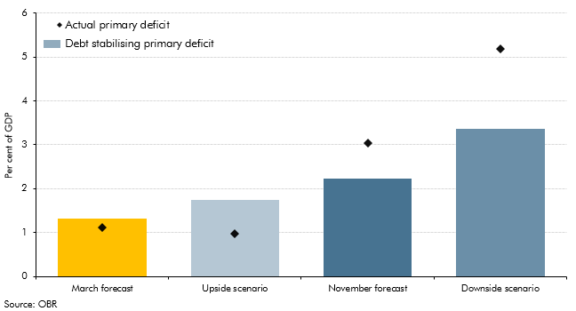

 |  | Values | Primary deficit
 | March forecast | 1.3 | 1.1
 | Upside scenario | 1.7 | 1.0
 | November forecast | 2.2 | 3.0
 | Downside scenario | 3.4 | 5.2

C4.A
Back to contents
 | Chart 4.A Trends in the debt-stabilising primary deficit
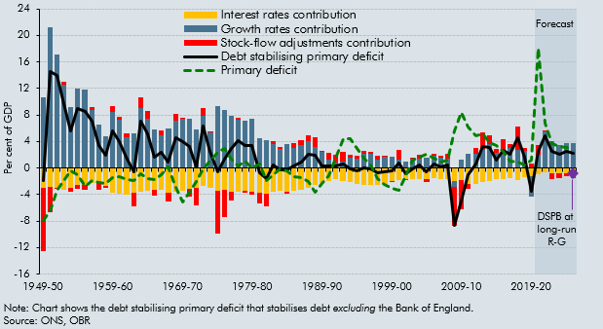

 |  | Debt stabilising primary deficit | Interest rates contribution | Growth rates contribution | Stock-flow adjustments contribution | Primary deficit
 | 1949-50 | -1.9 | -3.0 | 10.7 | -9.5 | -7.9
 | 1950-51 | 14.6 | -2.8 | 21.2 | -3.8 | -6.5
 | 1951-52 | 14.0 | -2.9 | 17.1 | -0.3 | -3.4
 | 1952-53 | 9.7 | -3.3 | 12.6 | 0.3 | -1.9
 | 1953-54 | 5.6 | -3.0 | 9.2 | -0.7 | -0.5
 | 1954-55 | 8.9 | -2.5 | 12.0 | -0.5 | -1.1
 | 1955-56 | 8.6 | -2.6 | 11.9 | -0.7 | -2.8
 | 1956-57 | 7.0 | -2.2 | 8.7 | 0.5 | -1.8
 | 1957-58 | 3.4 | -2.3 | 6.6 | -1.0 | -2.2
 | 1958-59 | 1.9 | -2.6 | 4.8 | -0.3 | -2.3
 | 1959-60 | 5.5 | -3.7 | 8.4 | 0.9 | -1.5
 | 1960-61 | 3.9 | -3.9 | 7.2 | 0.5 | -1.4
 | 1961-62 | 1.3 | -4.0 | 4.6 | 0.7 | -1.8
 | 1962-63 | -0.6 | -3.7 | 5.2 | -2.2 | -1.9
 | 1963-64 | 7.0 | -3.6 | 9.1 | 1.5 | -0.9
 | 1964-65 | 5.2 | -3.4 | 7.4 | 1.3 | -1.5
 | 1965-66 | 1.7 | -3.3 | 5.8 | -0.9 | -1.8
 | 1966-67 | 2.3 | -3.3 | 4.9 | 0.8 | -1.0
 | 1967-68 | 0.9 | -3.7 | 5.9 | -1.3 | 0.2
 | 1968-69 | 4.6 | -3.5 | 7.1 | 1.0 | -3.0
 | 1969-70 | 4.0 | -3.4 | 7.4 | 0.1 | -5.1
 | 1970-71 | 3.2 | -3.1 | 7.5 | -1.2 | -3.7
 | 1971-72 | 0.2 | -3.0 | 5.9 | -2.7 | -2.0
 | 1972-73 | 6.3 | -2.7 | 7.9 | 1.2 | -0.1
 | 1973-74 | 2.5 | -3.0 | 5.4 | 0.2 | 1.1
 | 1974-75 | -0.6 | -3.4 | 9.3 | -6.5 | 2.3
 | 1975-76 | 1.3 | -3.3 | 8.7 | -4.1 | 3.0
 | 1976-77 | 3.0 | -3.6 | 7.9 | -1.3 | 1.3
 | 1977-78 | 4.1 | -3.5 | 7.3 | 0.3 | 0.3
 | 1978-79 | 3.4 | -3.5 | 7.1 | -0.2 | 1.1
 | 1979-80 | 3.4 | -3.6 | 7.5 | -0.5 | 0.1
 | 1980-81 | -0.8 | -3.8 | 4.5 | -1.5 | 0.6
 | 1981-82 | -1.6 | -3.9 | 4.2 | -1.8 | -1.9
 | 1982-83 | 0.4 | -3.6 | 3.7 | 0.4 | -1.0
 | 1983-84 | -0.3 | -3.5 | 2.9 | 0.2 | -0.2
 | 1984-85 | -0.2 | -3.6 | 3.6 | -0.2 | -0.4
 | 1985-86 | 0.4 | -3.4 | 3.0 | 0.8 | -1.3
 | 1986-87 | 1.0 | -3.2 | 3.5 | 0.7 | -1.4
 | 1987-88 | 2.0 | -3.0 | 4.0 | 1.0 | -2.0
 | 1988-89 | 2.0 | -2.6 | 3.2 | 1.3 | -3.7
 | 1989-90 | 0.3 | -2.3 | 2.4 | 0.2 | -2.4
 | 1990-91 | 0.3 | -2.0 | 1.3 | 1.0 | -1.1
 | 1991-92 | 0.3 | -1.7 | 0.9 | 1.2 | 1.5
 | 1992-93 | 0.6 | -1.9 | 1.0 | 1.5 | 4.5
 | 1993-94 | -0.1 | -2.1 | 1.5 | 0.5 | 4.5
 | 1994-95 | -0.5 | -2.4 | 1.5 | 0.4 | 3.0
 | 1995-96 | 0.0 | -2.6 | 2.2 | 0.4 | 1.5
 | 1996-97 | -0.2 | -2.6 | 2.1 | 0.3 | 0.4
 | 1997-98 | -0.8 | -2.6 | 1.3 | 0.5 | -1.7
 | 1998-99 | -0.6 | -2.4 | 1.7 | 0.0 | -2.5
 | 1999-00 | -0.4 | -2.0 | 1.7 | -0.2 | -3.1
 | 2000-01 | 0.8 | -1.9 | 1.3 | 1.4 | -3.3
 | 2001-02 | -0.8 | -1.7 | 1.0 | -0.1 | -1.2
 | 2002-03 | -0.1 | -1.6 | 1.5 | 0.0 | 1.2
 | 2003-04 | 0.4 | -1.6 | 1.4 | 0.6 | 1.7
 | 2004-05 | -0.5 | -1.6 | 1.5 | -0.4 | 2.0
 | 2005-06 | 0.6 | -1.6 | 1.9 | 0.3 | 1.5
 | 2006-07 | 0.1 | -1.7 | 1.5 | 0.3 | 1.0
 | 2007-08 | 0.4 | -1.7 | 1.4 | 0.7 | 1.2
 | 2008-09 | -8.7 | -1.9 | -0.9 | -5.9 | 5.5
 | 2009-10 | -5.0 | -1.8 | 1.2 | -4.4 | 8.3
 | 2010-11 | -1.0 | -2.4 | 2.1 | -0.7 | 6.2
 | 2011-12 | 0.6 | -2.4 | 2.1 | 0.9 | 4.8
 | 2012-13 | 3.3 | -2.1 | 2.7 | 2.7 | 5.1
 | 2013-14 | 3.0 | -2.0 | 3.6 | 1.4 | 3.9
 | 2014-15 | 1.2 | -1.7 | 2.3 | 0.6 | 3.4
 | 2015-16 | 2.6 | -1.7 | 2.8 | 1.5 | 2.5
 | 2016-17 | 2.0 | -1.6 | 3.0 | 0.6 | 1.0
 | 2017-18 | 4.6 | -1.8 | 2.7 | 3.7 | 0.8
 | 2018-19 | 1.6 | -1.4 | 2.6 | 0.5 | 0.4
 | 2019-20 | -3.5 | -1.3 | -3.0 | 0.7 | 1.3
 | 2020-21 | 2.5 | -1.0 | 2.0 | 1.5 | 18.0
 | 2021-22 | 4.9 | -0.6 | 5.5 | 0.0 | 6.8
 | 2022-23 | 2.5 | -0.7 | 4.1 | -0.9 | 3.7
 | 2023-24 | 2.0 | -0.8 | 3.5 | -0.6 | 3.3
 | 2024-25 | 2.5 | -0.8 | 3.7 | -0.4 | 3.1
 | 2025-26 | 2.2 | -0.8 | 3.8 | -0.7 | 3.0

C4.4
Back to contents
 | Chart 4.4: Fan chart around our PSNB central forecast

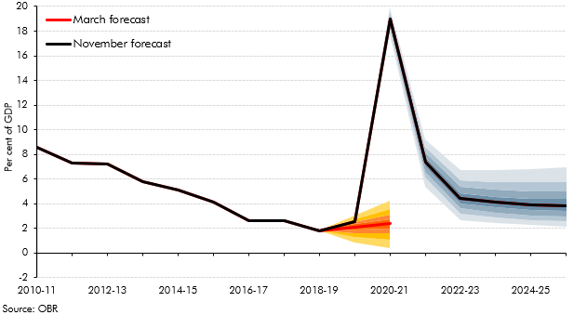

 |  | Median | 0.1 | 0.2 | 0.3 | 0.4 | 0.5 | 0.6 | 0.7 | 0.8 | 0.9
 | 2010-11 | 8.6
 | 2011-12 | 7.3
 | 2012-13 | 7.2
 | 2013-14 | 5.8
 | 2014-15 | 5.1
 | 2015-16 | 4.1
 | 2016-17 | 2.6
 | 2017-18 | 2.6
 | 2018-19 | 1.8
 | 2019-20 | 2.5
 | 2020-21 | 19.0 | 17.8 | 18.2 | 18.5 | 18.8 | 19.0 | 19.2 | 19.4 | 19.7 | 20.0
 | 2021-22 | 7.4 | 5.4 | 6.1 | 6.6 | 7.0 | 7.4 | 7.8 | 8.2 | 8.6 | 9.2
 | 2022-23 | 4.4 | 2.6 | 3.2 | 3.7 | 4.0 | 4.4 | 4.9 | 5.3 | 5.9 | 6.7
 | 2023-24 | 4.1 | 2.4 | 2.9 | 3.3 | 3.7 | 4.1 | 4.6 | 5.1 | 5.8 | 6.7
 | 2024-25 | 3.9 | 2.2 | 2.6 | 3.1 | 3.5 | 3.9 | 4.4 | 5.0 | 5.7 | 6.8
 | 2025-26 | 3.9 | 2.2 | 2.6 | 3.0 | 3.4 | 3.9 | 4.4 | 5.0 | 5.8 | 6.9

C4.5
Back to contents
 | Chart 4.5: Public sector net borrowing since 1800
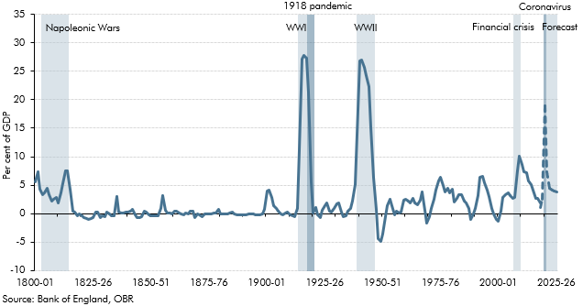

 |  | PSNB to GDP
 | 1800-01 | 5.5
 | 1801-02 | 7.4
 | 1802-03 | 4.3
 | 1803-04 | 3.3
 | 1804-05 | 3.7
 | 1805-06 | 4.5
 | 1806-07 | 3.4
 | 1807-08 | 2.2
 | 1808-09 | 2.5
 | 1809-10 | 2.8
 | 1810-11 | 1.9
 | 1811-12 | 3.6
 | 1812-13 | 5.3
 | 1813-14 | 7.5
 | 1814-15 | 7.4
 | 1815-16 | 4.4
 | 1816-17 | 0.5
 | 1817-18 | 0.2
 | 1818-19 | -0.4
 | 1819-20 | -0.1
 | 1820-21 | -0.3
 | 1821-22 | -0.8
 | 1822-23 | -0.8
 | 1823-24 | -1.0
 | 1824-25 | -0.9
 | 1825-26 | -0.7
 | 1826-27 | 0.2
 | 1827-28 | 0.3
 | 1828-29 | -0.7
 | 1829-30 | -0.4
 | 1830-31 | -0.6
 | 1831-32 | 0.2
 | 1832-33 | -0.1
 | 1833-34 | -0.3
 | 1834-35 | -0.3
 | 1835-36 | 3.1
 | 1836-37 | 0.3
 | 1837-38 | 0.1
 | 1838-39 | 0.1
 | 1839-40 | 0.3
 | 1840-41 | 0.3
 | 1841-42 | 0.4
 | 1842-43 | 0.8
 | 1843-44 | -0.3
 | 1844-45 | -0.6
 | 1845-46 | -0.7
 | 1846-47 | -0.5
 | 1847-48 | 0.5
 | 1848-49 | 0.2
 | 1849-50 | -0.3
 | 1850-51 | -0.4
 | 1851-52 | -0.4
 | 1852-53 | -0.3
 | 1853-54 | -0.4
 | 1854-55 | 0.9
 | 1855-56 | 3.2
 | 1856-57 | 0.5
 | 1857-58 | 0.2
 | 1858-59 | 0.1
 | 1859-60 | -0.1
 | 1860-61 | 0.4
 | 1861-62 | 0.4
 | 1862-63 | 0.2
 | 1863-64 | -0.1
 | 1864-65 | -0.2
 | 1865-66 | 0.0
 | 1866-67 | -0.1
 | 1867-68 | 0.4
 | 1868-69 | 0.5
 | 1869-70 | -0.6
 | 1870-71 | 0.0
 | 1871-72 | -0.3
 | 1872-73 | -0.5
 | 1873-74 | -0.1
 | 1874-75 | 0.0
 | 1875-76 | -0.1
 | 1876-77 | -0.1
 | 1877-78 | 0.2
 | 1878-79 | 0.1
 | 1879-80 | 0.7
 | 1880-81 | -0.1
 | 1881-82 | -0.1
 | 1882-83 | 0.0
 | 1883-84 | -0.1
 | 1884-85 | 0.0
 | 1885-86 | 0.2
 | 1886-87 | -0.1
 | 1887-88 | -0.2
 | 1888-89 | -0.3
 | 1889-90 | -0.3
 | 1890-91 | -0.2
 | 1891-92 | -0.2
 | 1892-93 | -0.1
 | 1893-94 | 0.0
 | 1894-95 | -0.1
 | 1895-96 | -0.3
 | 1896-97 | -0.2
 | 1897-98 | -0.2
 | 1898-99 | 0.0
 | 1899-00 | 0.8
 | 1900-01 | 4.0
 | 1901-02 | 4.1
 | 1902-03 | 2.8
 | 1903-04 | 1.4
 | 1904-05 | 0.9
 | 1905-06 | 0.4
 | 1906-07 | 0.0
 | 1907-08 | -0.2
 | 1908-09 | 0.1
 | 1909-10 | 0.2
 | 1910-11 | -0.3
 | 1911-12 | -0.4
 | 1912-13 | -0.6
 | 1913-14 | 0.9
 | 1914-15 | 11.1
 | 1915-16 | 27.1
 | 1916-17 | 27.8
 | 1917-18 | 27.3
 | 1918-19 | 21.4
 | 1919-20 | 5.6
 | 1920-21 | 0.0
 | 1921-22 | 1.1
 | 1922-23 | -0.3
 | 1923-24 | -0.7
 | 1924-25 | 0.5
 | 1925-26 | 1.4
 | 1926-27 | 1.9
 | 1927-28 | 0.5
 | 1928-29 | 0.3
 | 1929-30 | 0.9
 | 1930-31 | 1.7
 | 1931-32 | 1.9
 | 1932-33 | 0.3
 | 1933-34 | -0.5
 | 1934-35 | -0.3
 | 1935-36 | 0.4
 | 1936-37 | 1.0
 | 1937-38 | 2.1
 | 1938-39 | 5.1
 | 1939-40 | 13.8
 | 1940-41 | 26.9
 | 1941-42 | 27.1
 | 1942-43 | 25.7
 | 1943-44 | 24.3
 | 1944-45 | 22.4
 | 1945-46 | 15.2
 | 1946-47 | 6.4
 | 1947-48 | 0.7
 | 1948-49 | -4.3
 | 1949-50 | -4.8
 | 1950-51 | -3.7
 | 1951-52 | -0.5
 | 1952-53 | 1.3
 | 1953-54 | 2.5
 | 1954-55 | 1.5
 | 1955-56 | -0.2
 | 1956-57 | 0.4
 | 1957-58 | 0.0
 | 1958-59 | 0.3
 | 1959-60 | 2.3
 | 1960-61 | 2.5
 | 1961-62 | 2.2
 | 1962-63 | 1.8
 | 1963-64 | 2.7
 | 1964-65 | 1.9
 | 1965-66 | 1.5
 | 1966-67 | 2.4
 | 1967-68 | 3.9
 | 1968-69 | 0.6
 | 1969-70 | -1.7
 | 1970-71 | -0.6
 | 1971-72 | 1.0
 | 1972-73 | 2.6
 | 1973-74 | 4.1
 | 1974-75 | 5.7
 | 1975-76 | 6.3
 | 1976-77 | 4.9
 | 1977-78 | 3.9
 | 1978-79 | 4.5
 | 1979-80 | 3.7
 | 1980-81 | 4.3
 | 1981-82 | 2.0
 | 1982-83 | 2.6
 | 1983-84 | 3.3
 | 1984-85 | 3.2
 | 1985-86 | 2.1
 | 1986-87 | 1.8
 | 1987-88 | 0.9
 | 1988-89 | -1.1
 | 1989-90 | -0.1
 | 1990-91 | 0.9
 | 1991-92 | 3.2
 | 1992-93 | 6.4
 | 1993-94 | 6.6
 | 1994-95 | 5.3
 | 1995-96 | 4.1
 | 1996-97 | 3.0
 | 1997-98 | 0.9
 | 1998-99 | -0.1
 | 1999-00 | -1.1
 | 2000-01 | -1.4
 | 2001-02 | 0.5
 | 2002-03 | 2.8
 | 2003-04 | 3.3
 | 2004-05 | 3.7
 | 2005-06 | 3.1
 | 2006-07 | 2.7
 | 2007-08 | 2.9
 | 2008-09 | 7.5
 | 2009-10 | 10.1
 | 2010-11 | 8.6
 | 2011-12 | 7.3
 | 2012-13 | 7.2
 | 2013-14 | 5.8
 | 2014-15 | 5.1
 | 2015-16 | 4.1
 | 2016-17 | 2.6
 | 2017-18 | 2.6
 | 2018-19 | 1.8
 | 2019-20 | -1.8
 | 2020-21 | 2.5
 | 2021-22 | 19.0
 | 2022-23 | 7.4
 | 2023-24 | 4.4
 | 2024-25 | 4.1
 | 2025-26 | 3.9

C4.6
Back to contents
 | Chart 4.6: Historical distribution of public sector net borrowing as percent of GDP
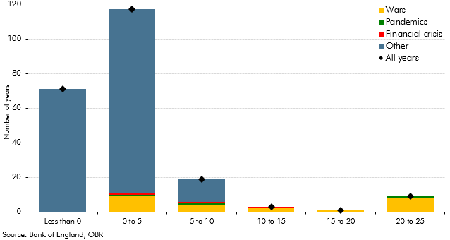

 |  | All years | Wars | Pandemics | Financial crisis | Other
 | -1000 | 71 | 0 | 0 | 0 | 71
 | 0 | 117 | 9 | 1 | 1 | 106
 | 5 | 19 | 4 | 1 | 1 | 13
 | 10 | 3 | 2 | 0 | 1 | 0
 | 15 | 1 | 1 | 0 | 0 | 0
 | 20 | 9 | 8 | 1 | 0 | 0

C4.7
Back to contents
 | Chart 4.7: Public sector net debt as percent of GDP

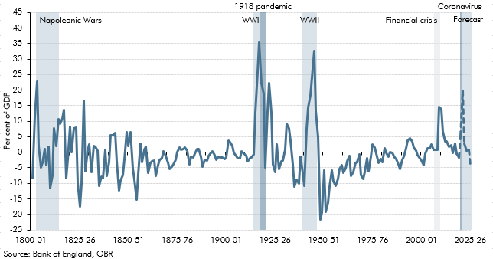

 |  | Change in PSND (excl. Banks)
 | 1800-01 | -8.4
 | 1801-02 | 11.4
 | 1802-03 | 22.8
 | 1803-04 | 2.0
 | 1804-05 | -5.0
 | 1805-06 | -3.5
 | 1806-07 | 0.9
 | 1807-08 | -4.1
 | 1808-09 | 1.8
 | 1809-10 | -11.5
 | 1810-11 | -7.7
 | 1811-12 | 7.7
 | 1812-13 | 2.1
 | 1813-14 | 10.6
 | 1814-15 | 9.1
 | 1815-16 | 10.8
 | 1816-17 | 13.6
 | 1817-18 | -8.5
 | 1818-19 | -2.3
 | 1819-20 | 8.1
 | 1820-21 | 0.0
 | 1821-22 | 7.6
 | 1822-23 | 8.0
 | 1823-24 | -9.9
 | 1824-25 | -17.5
 | 1825-26 | -10.3
 | 1826-27 | 16.5
 | 1827-28 | -6.2
 | 1828-29 | 0.5
 | 1829-30 | 2.5
 | 1830-31 | -6.4
 | 1831-32 | 1.9
 | 1832-33 | 1.7
 | 1833-34 | 0.5
 | 1834-35 | -10.9
 | 1835-36 | -7.8
 | 1836-37 | -8.4
 | 1837-38 | 0.8
 | 1838-39 | -7.5
 | 1839-40 | -3.1
 | 1840-41 | 5.6
 | 1841-42 | 5.4
 | 1842-43 | 6.2
 | 1843-44 | -3.0
 | 1844-45 | -12.3
 | 1845-46 | -9.1
 | 1846-47 | -7.5
 | 1847-48 | -2.5
 | 1848-49 | 6.5
 | 1849-50 | 2.0
 | 1850-51 | 6.4
 | 1851-52 | -5.1
 | 1852-53 | -8.8
 | 1853-54 | -15.3
 | 1854-55 | -7.1
 | 1855-56 | 2.6
 | 1856-57 | -3.2
 | 1857-58 | 0.7
 | 1858-59 | 1.7
 | 1859-60 | -6.7
 | 1860-61 | -3.3
 | 1861-62 | -2.9
 | 1862-63 | -2.7
 | 1863-64 | -7.7
 | 1864-65 | -4.1
 | 1865-66 | -2.4
 | 1866-67 | -1.9
 | 1867-68 | 0.2
 | 1868-69 | -1.2
 | 1869-70 | -3.4
 | 1870-71 | -5.4
 | 1871-72 | -4.7
 | 1872-73 | -3.8
 | 1873-74 | -2.5
 | 1874-75 | 0.1
 | 1875-76 | 1.4
 | 1876-77 | 0.8
 | 1877-78 | 1.1
 | 1878-79 | 1.6
 | 1879-80 | 0.7
 | 1880-81 | -4.0
 | 1881-82 | -1.5
 | 1882-83 | -1.8
 | 1883-84 | -0.5
 | 1884-85 | 1.0
 | 1885-86 | 0.9
 | 1886-87 | -1.4
 | 1887-88 | -4.5
 | 1888-89 | -2.5
 | 1889-90 | -2.8
 | 1890-91 | -1.2
 | 1891-92 | -0.1
 | 1892-93 | 0.4
 | 1893-94 | -0.9
 | 1894-95 | -2.5
 | 1895-96 | -1.4
 | 1896-97 | -1.7
 | 1897-98 | -1.6
 | 1898-99 | -2.2
 | 1899-00 | -1.7
 | 1900-01 | 3.8
 | 1901-02 | 3.2
 | 1902-03 | 2.0
 | 1903-04 | -0.1
 | 1904-05 | -1.1
 | 1905-06 | -2.0
 | 1906-07 | -1.9
 | 1907-08 | 0.2
 | 1908-09 | -0.5
 | 1909-10 | -1.0
 | 1910-11 | -2.8
 | 1911-12 | -2.0
 | 1912-13 | -1.6
 | 1913-14 | -0.8
 | 1914-15 | 12.6
 | 1915-16 | 25.8
 | 1916-17 | 35.3
 | 1917-18 | 22.3
 | 1918-19 | 18.8
 | 1919-20 | -4.9
 | 1920-21 | 13.0
 | 1921-22 | 22.3
 | 1922-23 | 12.9
 | 1923-24 | -3.9
 | 1924-25 | -6.5
 | 1925-26 | 2.6
 | 1926-27 | -5.4
 | 1927-28 | -2.9
 | 1928-29 | -2.8
 | 1929-30 | 0.7
 | 1930-31 | 9.1
 | 1931-32 | 7.7
 | 1932-33 | 3.7
 | 1933-34 | -3.8
 | 1934-35 | -11.1
 | 1935-36 | -8.9
 | 1936-37 | -10.2
 | 1937-38 | -1.5
 | 1938-39 | -6.7
 | 1939-40 | -10.9
 | 1940-41 | 7.4
 | 1941-42 | 14.4
 | 1942-43 | 18.3
 | 1943-44 | 24.0
 | 1944-45 | 32.7
 | 1945-46 | 13.3
 | 1946-47 | 5.1
 | 1947-48 | -21.7
 | 1948-49 | -19.4
 | 1949-50 | -5.8
 | 1950-51 | -19.2
 | 1951-52 | -16.3
 | 1952-53 | -11.0
 | 1953-54 | -5.8
 | 1954-55 | -9.4
 | 1955-56 | -10.9
 | 1956-57 | -8.6
 | 1957-58 | -5.5
 | 1958-59 | -4.1
 | 1959-60 | -6.7
 | 1960-61 | -5.1
 | 1961-62 | -3.0
 | 1962-63 | -1.2
 | 1963-64 | -7.6
 | 1964-65 | -6.5
 | 1965-66 | -3.3
 | 1966-67 | -3.2
 | 1967-68 | -0.7
 | 1968-69 | -7.3
 | 1969-70 | -8.6
 | 1970-71 | -6.5
 | 1971-72 | -2.1
 | 1972-73 | -6.0
 | 1973-74 | -1.4
 | 1974-75 | 2.6
 | 1975-76 | 1.6
 | 1976-77 | -1.5
 | 1977-78 | -3.5
 | 1978-79 | -2.1
 | 1979-80 | -3.1
 | 1980-81 | 1.3
 | 1981-82 | -0.3
 | 1982-83 | -1.4
 | 1983-84 | 0.2
 | 1984-85 | -0.1
 | 1985-86 | -1.6
 | 1986-87 | -2.2
 | 1987-88 | -3.9
 | 1988-89 | -5.4
 | 1989-90 | -2.5
 | 1990-91 | -1.4
 | 1991-92 | 1.2
 | 1992-93 | 3.8
 | 1993-94 | 4.5
 | 1994-95 | 3.4
 | 1995-96 | 1.5
 | 1996-97 | 0.6
 | 1997-98 | -1.0
 | 1998-99 | -1.8
 | 1999-00 | -2.6
 | 2000-01 | -4.1
 | 2001-02 | -0.4
 | 2002-03 | 1.3
 | 2003-04 | 1.2
 | 2004-05 | 2.5
 | 2005-06 | 0.9
 | 2006-07 | 0.8
 | 2007-08 | 0.7
 | 2008-09 | 14.5
 | 2009-10 | 13.9
 | 2010-11 | 6.6
 | 2011-12 | 3.6
 | 2012-13 | 3.4
 | 2013-14 | 1.8
 | 2014-15 | 2.2
 | 2015-16 | -0.3
 | 2016-17 | 2.8
 | 2017-18 | -0.5
 | 2018-19 | -1.8
 | 2019-20 | 5.1
 | 2020-21 | 19.7
 | 2021-22 | 2.8
 | 2022-23 | 0.5
 | 2023-24 | 0.8
 | 2024-25 | -4.4
 | 2025-26 | -0.2

C4.8
Back to contents
 | Chart 4.8: Historical distribution of public sector net borrowing and primary deficit as percent of GDP

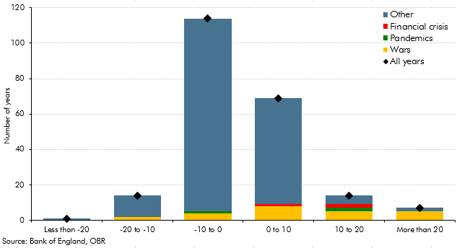

 |  | All years | Wars | Pandemics | Financial crisis | Other
 | -1000 | 1 | 0 | 0 | 0 | 1
 | -20 | 14 | 2 | 0 | 0 | 12
 | -10 | 114 | 4 | 1 | 0 | 109
 | 0 | 69 | 8 | 0 | 1 | 60
 | 10 | 14 | 5 | 2 | 2 | 5
 | 20 | 7 | 5 | 0 | 0 | 2

