C3.A
Back to contents
 | Chart A: Cumulative cost of virus related policy measures in 2020-21

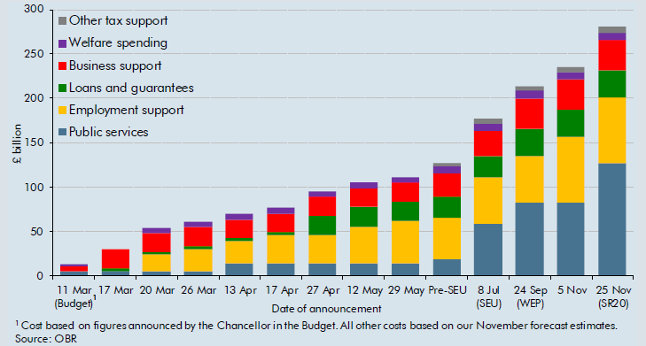

 |  | 11 Mar (Budget) | 2020-03-17 | 2020-03-20 | 2020-03-26 | 2020-04-13 | 2020-04-17 | 2020-04-27 | 2020-05-12 | 29 May | Pre-SEU | 8 Jul (SEU) | 24 Sep (WEP) | 5 Nov | 25 Nov (SR20)
 | Business support | 5.0 | 21.3 | 21.3 | 21.3 | 21.3 | 21.3 | 21.3 | 21.3 | 21.3 | 25.7 | 28.4 | 34.2 | 34.2 | 34.4
 | Employment support | 0.0 | 0.0 | 18.4 | 24.8 | 24.8 | 31.5 | 31.5 | 40.7 | 47.1 | 47.1 | 52.5 | 52.5 | 73.6 | 73.6
 | Loans and guarantees | 0.0 | 3.1 | 3.1 | 3.1 | 3.1 | 3.1 | 22.3 | 22.3 | 22.3 | 23.7 | 23.7 | 31.0 | 31.0 | 31.0
 | Public services | 5.5 | 5.5 | 5.5 | 5.5 | 14.5 | 14.5 | 14.5 | 14.5 | 14.5 | 18.8 | 58.4 | 82.7 | 82.7 | 127.1
 | Other tax support | 0.0 | 0.0 | 0.0 | 0.0 | 0.0 | 0.0 | 0.0 | 0.0 | 0.0 | 3.0 | 5.3 | 5.3 | 5.3 | 5.7
 | Welfare spending | 2.0 | 0.0 | 6.1 | 6.1 | 6.1 | 6.1 | 6.1 | 6.1 | 6.1 | 8.2 | 8.2 | 8.2 | 8.2 | 8.3
 | Total | 12.5 | 29.9 | 54.4 | 60.7 | 69.7 | 76.4 | 95.6 | 104.9 | 111.3 | 126.5 | 176.5 | 213.9 | 235.0 | 280.1

C3.1
Back to contents
 | Chart 3.1: Receipts as a share of nominal GDP

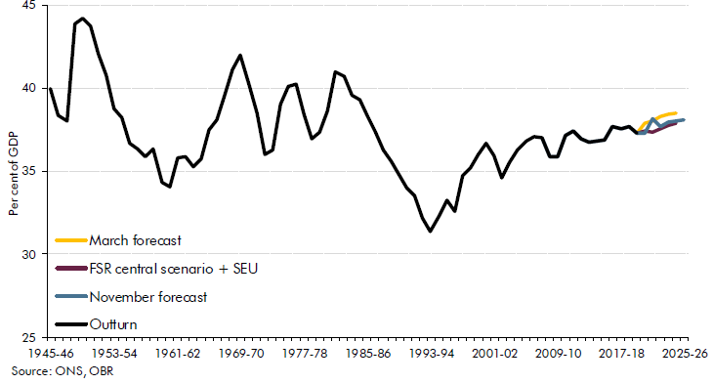

 |  | Outturn | March forecast | FSR central scenario + SEU | November forecast
 | 1945-46 | 40.0
 | 1946-47 | 38.4
 | 1947-48 | 38.0
 | 1948-49 | 43.9
 | 1949-50 | 44.2
 | 1950-51 | 43.7
 | 1951-52 | 42.0
 | 1952-53 | 40.8
 | 1953-54 | 38.7
 | 1954-55 | 38.2
 | 1955-56 | 36.7
 | 1956-57 | 36.3
 | 1957-58 | 35.9
 | 1958-59 | 36.4
 | 1959-60 | 34.4
 | 1960-61 | 34.0
 | 1961-62 | 35.8
 | 1962-63 | 35.9
 | 1963-64 | 35.2
 | 1964-65 | 35.7
 | 1965-66 | 37.5
 | 1966-67 | 38.1
 | 1967-68 | 39.6
 | 1968-69 | 41.1
 | 1969-70 | 42.0
 | 1970-71 | 40.2
 | 1971-72 | 38.5
 | 1972-73 | 36.0
 | 1973-74 | 36.3
 | 1974-75 | 39.0
 | 1975-76 | 40.1
 | 1976-77 | 40.2
 | 1977-78 | 38.4
 | 1978-79 | 37.0
 | 1979-80 | 37.4
 | 1980-81 | 38.6
 | 1981-82 | 41.0
 | 1982-83 | 40.7
 | 1983-84 | 39.6
 | 1984-85 | 39.3
 | 1985-86 | 38.3
 | 1986-87 | 37.3
 | 1987-88 | 36.3
 | 1988-89 | 35.6
 | 1989-90 | 34.8
 | 1990-91 | 34.0
 | 1991-92 | 33.5
 | 1992-93 | 32.2
 | 1993-94 | 31.4
 | 1994-95 | 32.3
 | 1995-96 | 33.3
 | 1996-97 | 32.6
 | 1997-98 | 34.7
 | 1998-99 | 35.2
 | 1999-00 | 36.0
 | 2000-01 | 36.7
 | 2001-02 | 35.9
 | 2002-03 | 34.6
 | 2003-04 | 35.6
 | 2004-05 | 36.3
 | 2005-06 | 36.8
 | 2006-07 | 37.1
 | 2007-08 | 37.0
 | 2008-09 | 35.9
 | 2009-10 | 35.9
 | 2010-11 | 37.2
 | 2011-12 | 37.4
 | 2012-13 | 36.9
 | 2013-14 | 36.7
 | 2014-15 | 36.8
 | 2015-16 | 36.9
 | 2016-17 | 37.7
 | 2017-18 | 37.6
 | 2018-19 | 37.7
 | 2019-20 | 37.3
 | 2020-21 |  | 37.9 | 37.4 | 37.3
 | 2021-22 |  | 38.0 | 37.4 | 38.2
 | 2022-23 |  | 38.3 | 37.5 | 37.7
 | 2023-24 |  | 38.4 | 37.8 | 38.0
 | 2024-25 |  | 38.5 | 37.9 | 38.0
 | 2025-26 |  |  |  | 38.1

C3.2
Back to contents
 | Chart 3.2: HMRC cash receipts in 2020-21 (excluding self-assessment and VAT deferrals): differences from our FSR central scenario monthly profiles

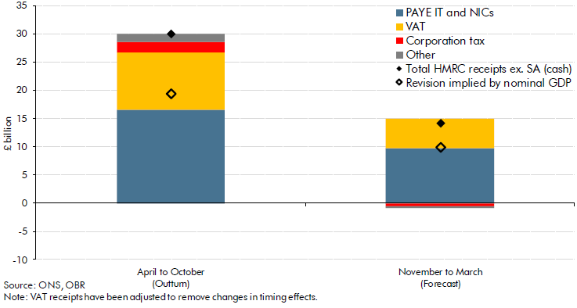

 | £ billion | April to October (Outturn) | November to March (Forecast)
 | PAYE IT and NICs | 16.6 | 9.7
 | VAT | 10.1 | 5.3
 | Corporation tax | 1.9 | -0.5
 | Other | 1.4 | -0.4
 | Total HMRC receipts ex. SA (cash) | 30.1 | 14.1
 | Revision implied by nominal GDP | 19.4 | 9.9

C3.3
Back to contents
 | Chart 3.3: Sources of difference to the receipts forecast since FSR central scenario

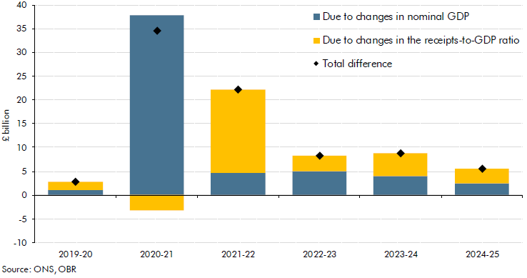

 |  | 2019-20 | 2020-21 | 2021-22 | 2022-23 | 2023-24 | 2024-25
 | Total difference | 2.8 | 34.6 | 22.2 | 8.2 | 8.8 | 5.5
 | Due to changes in nominal GDP | 1.0 | 37.9 | 4.7 | 5.1 | 4.0 | 2.4
 | Due to changes in the receipts-to-GDP ratio | 1.8 | -3.3 | 17.6 | 3.1 | 4.8 | 3.2

C3.4
Back to contents
 | Chart 3.4: Receipts-to-GDP ratio change between 2019-20 and 2022-23: differences between our March and November central forecasts

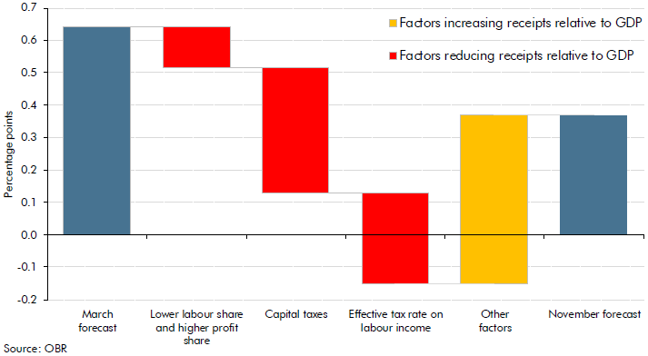

 |  | Level/Change
 | March forecast | 0.64
 | Lower labour share and higher profit share | -0.13
 | Capital taxes | -0.39
 | Effective tax rate on labour income | -0.28
 | Other factors | 0.52
 | November forecast | 0.37

C3.5
Back to contents
 | Chart 3.5: Public spending as a share of GDP

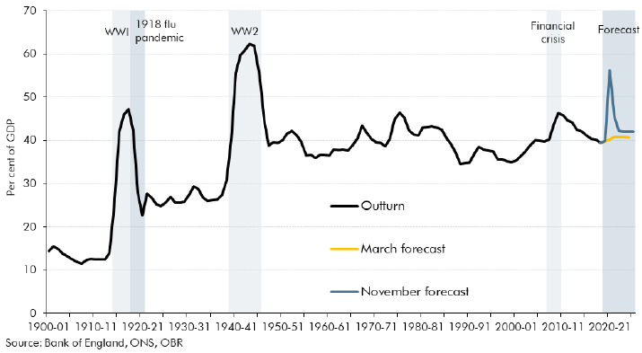

 | Year | Outturn | March forecast | November forecast
 | 1900-01 | 14.411
 | 1901-02 | 15.459
 | 1902-03 | 14.920
 | 1903-04 | 13.766
 | 1904-05 | 13.164
 | 1905-06 | 12.476
 | 1906-07 | 11.823
 | 1907-08 | 11.570
 | 1908-09 | 12.201
 | 1909-10 | 12.525
 | 1910-11 | 12.455
 | 1911-12 | 12.357
 | 1912-13 | 12.485
 | 1913-14 | 13.996
 | 1914-15 | 24.518
 | 1915-16 | 42.006
 | 1916-17 | 45.971
 | 1917-18 | 47.216
 | 1918-19 | 42.265
 | 1919-20 | 27.799
 | 1920-21 | 22.717
 | 1921-22 | 27.755
 | 1922-23 | 26.786
 | 1923-24 | 25.276
 | 1924-25 | 24.792
 | 1925-26 | 25.718
 | 1926-27 | 26.950
 | 1927-28 | 25.474
 | 1928-29 | 25.519
 | 1929-30 | 25.871
 | 1930-31 | 27.450
 | 1931-32 | 29.390
 | 1932-33 | 28.731
 | 1933-34 | 26.826
 | 1934-35 | 25.995
 | 1935-36 | 26.190
 | 1936-37 | 26.282
 | 1937-38 | 27.403
 | 1938-39 | 30.787
 | 1939-40 | 40.146
 | 1940-41 | 55.556
 | 1941-42 | 59.726
 | 1942-43 | 60.976
 | 1943-44 | 62.272
 | 1944-45 | 61.820
 | 1945-46 | 55.152
 | 1946-47 | 44.747
 | 1947-48 | 38.743
 | 1948-49 | 39.527
 | 1949-50 | 39.371
 | 1950-51 | 40.078
 | 1951-52 | 41.544
 | 1952-53 | 42.141
 | 1953-54 | 41.241
 | 1954-55 | 39.680
 | 1955-56 | 36.519
 | 1956-57 | 36.720
 | 1957-58 | 35.913
 | 1958-59 | 36.669
 | 1959-60 | 36.642
 | 1960-61 | 36.533
 | 1961-62 | 37.976
 | 1962-63 | 37.700
 | 1963-64 | 37.948
 | 1964-65 | 37.610
 | 1965-66 | 39.021
 | 1966-67 | 40.489
 | 1967-68 | 43.423
 | 1968-69 | 41.697
 | 1969-70 | 40.278
 | 1970-71 | 39.638
 | 1971-72 | 39.488
 | 1972-73 | 38.605
 | 1973-74 | 40.388
 | 1974-75 | 44.708
 | 1975-76 | 46.449
 | 1976-77 | 45.151
 | 1977-78 | 42.287
 | 1978-79 | 41.480
 | 1979-80 | 41.037
 | 1980-81 | 42.935
 | 1981-82 | 43.017
 | 1982-83 | 43.296
 | 1983-84 | 42.879
 | 1984-85 | 42.533
 | 1985-86 | 40.431
 | 1986-87 | 39.191
 | 1987-88 | 37.178
 | 1988-89 | 34.523
 | 1989-90 | 34.716
 | 1990-91 | 34.895
 | 1991-92 | 36.769
 | 1992-93 | 38.554
 | 1993-94 | 37.963
 | 1994-95 | 37.665
 | 1995-96 | 37.375
 | 1996-97 | 35.561
 | 1997-98 | 35.665
 | 1998-99 | 35.091
 | 1999-00 | 34.948
 | 2000-01 | 35.280
 | 2001-02 | 36.390
 | 2002-03 | 37.433
 | 2003-04 | 38.846
 | 2004-05 | 39.974
 | 2005-06 | 39.908
 | 2006-07 | 39.786
 | 2007-08 | 40.142
 | 2008-09 | 43.642
 | 2009-10 | 46.282
 | 2010-11 | 45.779
 | 2011-12 | 44.680
 | 2012-13 | 44.161
 | 2013-14 | 42.543
 | 2014-15 | 41.973
 | 2015-16 | 41.036
 | 2016-17 | 40.357
 | 2017-18 | 40.188
 | 2018-19 | 39.471 | 39.471 | 39.471
 | 2019-20 |  | 39.789 | 39.841
 | 2020-21 |  | 40.257 | 56.274
 | 2021-22 |  | 40.830 | 45.577
 | 2022-23 |  | 40.785 | 42.132
 | 2023-24 |  | 40.790 | 42.091
 | 2024-25 |  | 40.698 | 41.960
 | 2025-26 |  |  | 41.945

C3.6
Back to contents
 | Chart 3.6: Sources of differences in spending versus our FSR central scenario
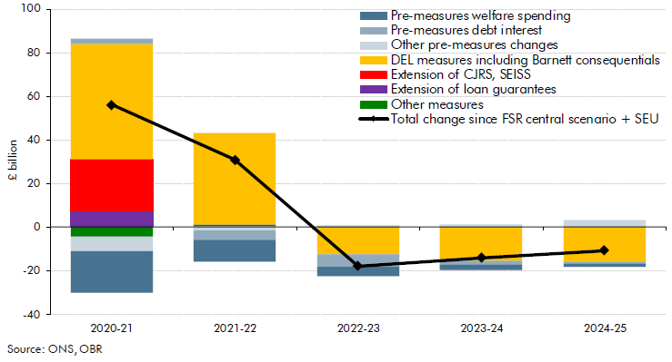

 |  | £ billion
 |  | Forecast
 |  | 2020-21 | 2021-22 | 2022-23 | 2023-24 | 2024-25
 | Total change since FSR central scenario + SEU | 56.0 | 30.7 | -18.0 | -14.1 | -10.8
 | of which:
 | Pre-measures | -23.0 | -12.5 | -5.1 | 1.3 | 4.9
 | Pre-measures welfare spending | -19.1 | -9.9 | -4.4 | -2.6 | -1.8
 | Pre-measures debt interest | 2.7 | -4.4 | -5.3 | -1.8 | -1.0
 | Other pre-measures changes | -6.6 | -1.6 | 0.8 | 1.4 | 2.9
 | Measures | 79.0 | 43.2 | -12.8 | -15.4 | -15.7
 | DEL measures including Barnett consequentials | 52.4 | 42.2 | -12.7 | -15.1 | -15.8
 | Extension of CJRS, SEISS | 24.0 | 0.0 | 0.0 | 0.0 | 0.0
 | Extension of loan guarantees | 7.3 | 0.0 | 0.0 | 0.0 | 0.0
 | Other measures | -4.7 | 1.0 | -0.1 | -0.3 | 0.1

C3.7
Back to contents
 | Chart 3.7: Changes in 2020-21 departmental resource spending plus Scottish Government equivalent in AME since March
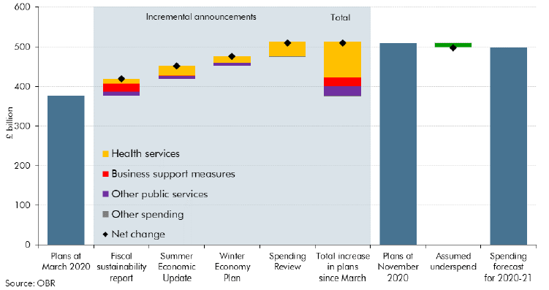

 |  | £ billion
 |  | Health services | Other public services | Business support measures | Other spending | Total
 | Plans at March 2020 |  |  |  |  | 376.5
 | Additional spending factored into the FSR | 13.2 | 10.1 | 20.3 |  | 43.6
 | Additional spending disclosed at the SEU | 24.5 | 6.1 | 1.6 |  | 32.3
 | Additional spending disclosed at the WEP | 16.4 | 7.9 |  |  | 24.3
 | Additional spending disclosed in the SR | 35.6 |  | 0.0 | -2.0 | 33.6
 | Plans at November 2020 |  |  |  |  | 510.2
 | Assumed underspending relative to plans |  |  |  |  | -12.0
 | RDEL spending forecast for 2020-21 |  |  |  |  | 498.2

C3.8
Back to contents
 | Chart 3.8: PSCE in RDEL plans: differences since FSR scenario
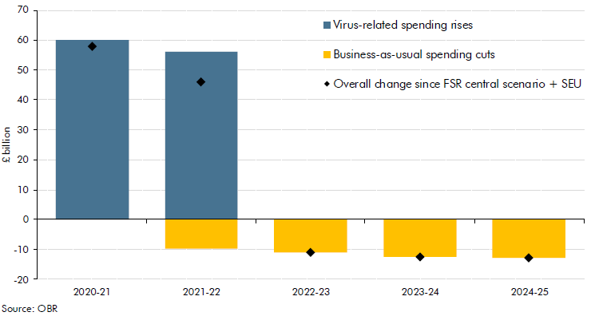

 |  | £ billion
 |  | 2020-21 | 2021-22 | 2022-23 | 2023-24 | 2024-25
 | Overall change since FSR central scenario + SEU | 57.9 | 46.0 | -10.9 | -12.4 | -12.9
 | of which:
 | Virus-related spending rises | 59.9 | 55.9
 | Business-as-usual spending cuts |  | -9.9 | -10.9 | -12.4 | -12.9

C3.9
Back to contents
 | Chart 3.9: Change in real RDEL spending per adult in 2022-23

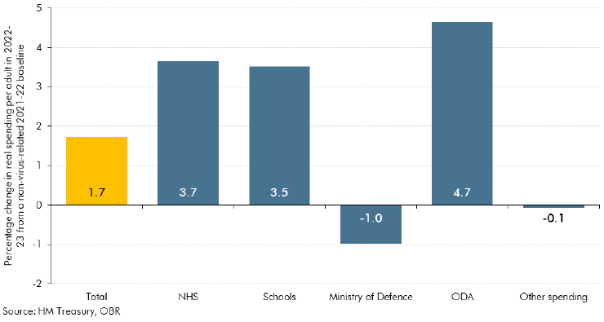

 | Total | 1.7
 | NHS | 3.7
 | Schools | 3.5
 | Ministry of Defence | -1.0
 | ODA | 4.7
 | Other spending | -0.1

C3.10
Back to contents
 | Chart 3.10: Historical trends in welfare spending

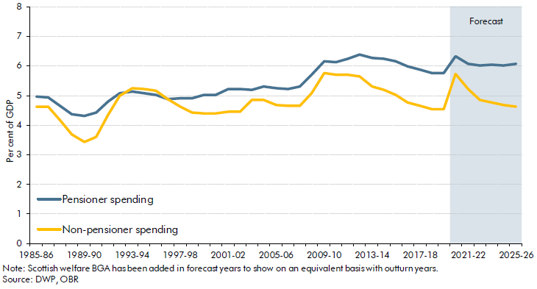

 | Year | Pensioner spending as a per cent of GDP | Non-pensioner spending as a per cent of GDP
 | 1985-86 | 5.0 | 4.6
 | 1986-87 | 4.9 | 4.6
 | 1987-88 | 4.6 | 4.2
 | 1988-89 | 4.4 | 3.7
 | 1989-90 | 4.3 | 3.4
 | 1990-91 | 4.4 | 3.6
 | 1991-92 | 4.8 | 4.3
 | 1992-93 | 5.1 | 5.0
 | 1993-94 | 5.1 | 5.3
 | 1994-95 | 5.1 | 5.2
 | 1995-96 | 5.0 | 5.2
 | 1996-97 | 4.9 | 4.9
 | 1997-98 | 4.9 | 4.6
 | 1998-99 | 4.9 | 4.4
 | 1999-00 | 5.0 | 4.4
 | 2000-01 | 5.0 | 4.4
 | 2001-02 | 5.2 | 4.5
 | 2002-03 | 5.2 | 4.4
 | 2003-04 | 5.2 | 4.8
 | 2004-05 | 5.3 | 4.8
 | 2005-06 | 5.2 | 4.7
 | 2006-07 | 5.2 | 4.7
 | 2007-08 | 5.3 | 4.6
 | 2008-09 | 5.7 | 5.1
 | 2009-10 | 6.1 | 5.7
 | 2010-11 | 6.1 | 5.7
 | 2011-12 | 6.2 | 5.7
 | 2012-13 | 6.4 | 5.6
 | 2013-14 | 6.3 | 5.3
 | 2014-15 | 6.2 | 5.2
 | 2015-16 | 6.1 | 5.0
 | 2016-17 | 6.0 | 4.8
 | 2017-18 | 5.9 | 4.7
 | 2018-19 | 5.8 | 4.5
 | 2019-20 | 5.7 | 4.5
 | 2020-21 | 6.3 | 5.7
 | 2021-22 | 6.1 | 5.2
 | 2022-23 | 6.0 | 4.8
 | 2023-24 | 6.0 | 4.8
 | 2024-25 | 6.0 | 4.7
 | 2025-26 | 6.1 | 4.6

C3.11
Back to contents
 | Chart 3.11: CJRS claims
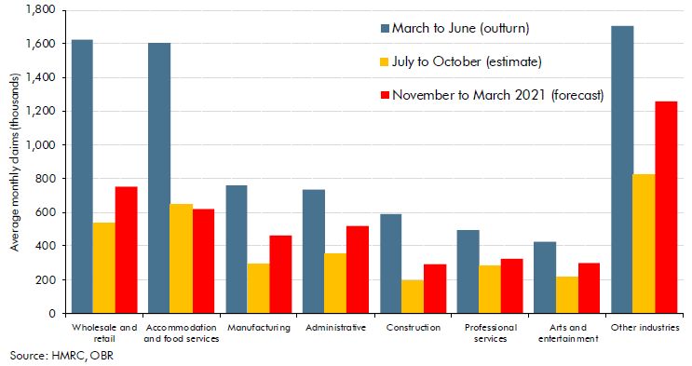

 |  | Average monthly claims (thousands)
 |  | March to June (outturn) | July to October (estimate) | November to March 2021 (forecast)
 | Sector
 | Wholesale and retail | 1626 | 533 | 754
 | Accomodation and food services | 1603 | 651 | 621
 | Manufacturing | 757 | 296 | 462
 | Administrative | 736 | 350 | 519
 | Construction | 592 | 195 | 295
 | Professional services | 493 | 280 | 321
 | Arts and entertainment | 427 | 214 | 301
 | Other industries | 1706 | 828 | 1260

C3.12
Back to contents
 | Chart 3.12: Changes in net borrowing in 2020-21
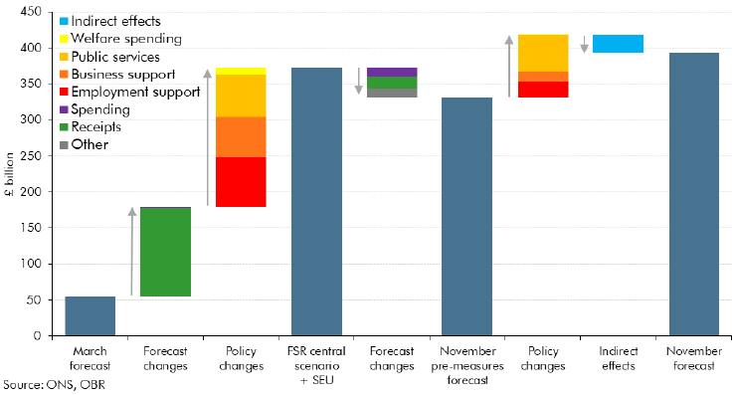

 |  | £ billion
 | March 2020 forecast | 54.8
 | Forecast changes | 125.0
 | Receipts | 122.3
 | Spending | 2.7
 | Previously announced policy | 192.3
 | Employment support | 68.3
 | Business support and other taxes | 56.3
 | Public spending | 58.4
 | Welfare | 9.3
 | FSR central scenario plus SEU measures | 372.2
 | Forecast changes | -40.3
 | Receipts | -16.6
 | Spending | -12.2
 | Other | -11.5
 | November 2020 pre-measures forecast | 331.9
 | Policy announced since July | 85.7
 | Employment support | 21.1
 | Business support and other taxes | 13.7
 | Public spending and other | 50.7
 | Welfare | 0.1
 | Indirect effects | -24.0
 | November 2020 forecast | 393.5

C3.13
Back to contents
 | Chart 3.13: Public sector net borrowing

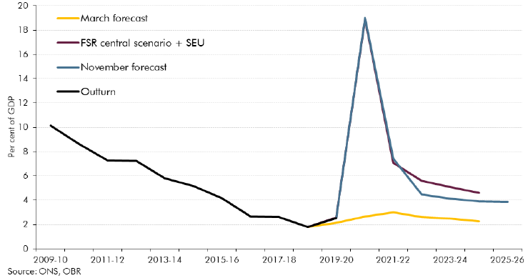

 |  | 2009-10 | 2010-11 | 2011-12 | 2012-13 | 2013-14 | 2014-15 | 2015-16 | 2016-17 | 2017-18 | 2018-19 | 2019-20 | 2020-21 | 2021-22 | 2022-23 | 2023-24 | 2024-25 | 2025-26
 | Outturn | 10.1 | 8.6 | 7.3 | 7.2 | 5.8 | 5.1 | 4.1 | 2.6 | 2.6 | 1.8 | 2.5
 | FSR central scenario + SEU |  |  |  |  |  |  |  |  |  | 1.8 | 2.6 | 18.9 | 7.1 | 5.6 | 5.1 | 4.6
 | November forecast |  |  |  |  |  |  |  |  |  |  | 2.5 | 19.0 | 7.4 | 4.4 | 4.1 | 3.9 | 3.9
 | March forecast |  |  |  |  |  |  |  |  |  | 1.8 | 2.1 | 2.6 | 3.0 | 2.6 | 2.5 | 2.3

C3.B
Back to contents
 | Chart B: Fiscal aggregates and policy response

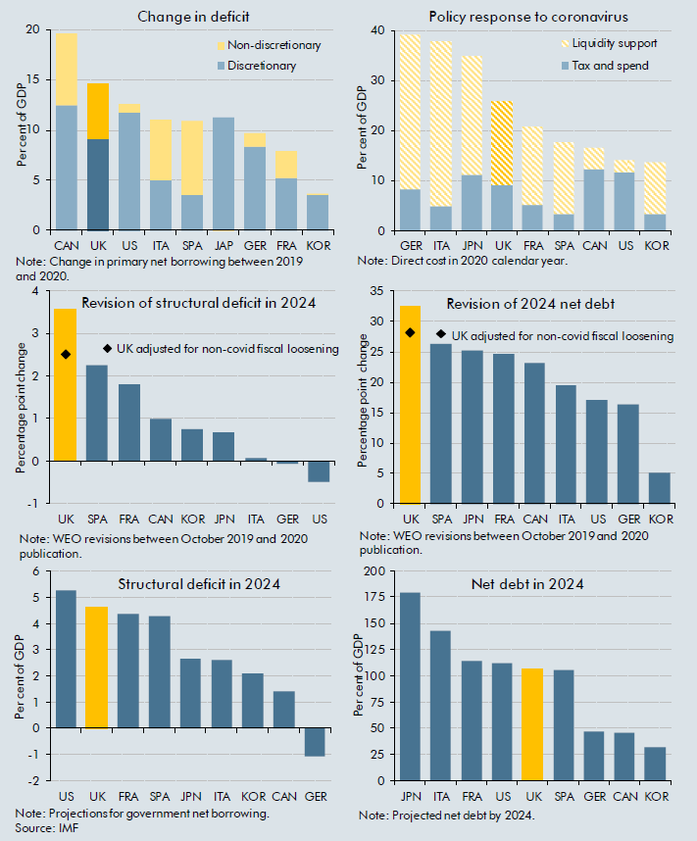

 | T1: Change in deficits, 2020 |  |  | T2: Fiscal Response to Covid-19
 | Country | Discretionary | Non-discretionary | Country | Tax/Spend Measures | Liquidity Support
 | CAN | 12.5 | 7.2 | GER | 8.3 | 30.8
 | UK | 9.2 | 5.5 | ITA | 4.9 | 33.0
 | US | 11.8 | 0.8 | JPN | 11.3 | 23.7
 | ITA | 4.9 | 6.1 | UK | 9.2 | 16.6
 | SPA | 3.5 | 7.5 | FRA | 5.2 | 15.7
 | JAP | 11.3 | -0.4 | SPA | 3.5 | 14.2
 | GER | 8.3 | 1.4 | CAN | 12.5 | 4.3
 | FRA | 5.2 | 2.6 | US | 11.8 | 2.5
 | KOR | 3.5 | 0.1 | KOR | 3.5 | 10.3

 | T3: Revision of Structural Deficit in 2024 |  |  | T4: Revision of 2024 Projection Net Debt
 | Country | Revision | UK Policy Adjustment | Country | Revision | UK Policy Adjustment
 | UK | 3.6 | 2.5 | UK | 32.6 | 28.1
 | SPA | 2.3 |  | SPA | 26.3
 | FRA | 1.8 |  | JPN | 25.1
 | CAN | 1.0 |  | FRA | 24.6
 | KOR | 0.8 |  | CAN | 23.1
 | JPN | 0.7 |  | ITA | 19.4
 | ITA | 0.1 |  | US | 17.0
 | GER | -0.1 |  | GER | 16.4
 | US | -0.5 |  | KOR | 5.0
 | Note: Figures for the UK have an adjustment to remove the impact of non-covid related fiscal loosening in the March 2020 Budget

 | T5: Structural Deficit in 2024 |  |  | T6: Projected Net Debt in 2024
...

C3.14
Back to contents
 | Chart 3.14: The public sector balance sheet: various measures
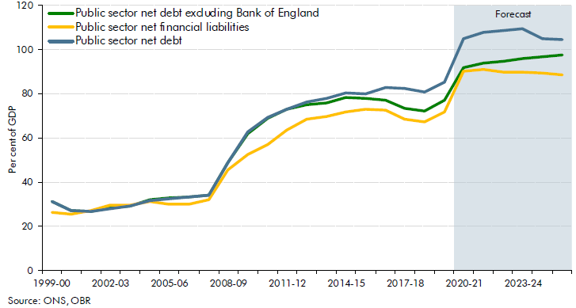

 | % GDP | 1999-00 | 2000-01 | 2001-02 | 2002-03 | 2003-04 | 2004-05 | 2005-06 | 2006-07 | 2007-08 | 2008-09 | 2009-10
 | Public sector net debt excluding Bank of England | 31.4 | 27.3 | 26.9 | 28.2 | 29.4 | 31.9 | 32.8 | 33.5 | 34.3 | 48.8 | 62.1
 | Public sector net financial liabilities | 26.4 | 25.7 | 27 | 29.7 | 29.7 | 31.4 | 29.9 | 30.2 | 32.2 | 45.8 | 52.6
 | Public sector net debt | 31.3 | 27.2 | 26.8 | 28.1 | 29.3 | 31.8 | 32.6 | 33.4 | 34.2 | 48.8 | 62.9

C3.15
Back to contents
 | Chart 3.15: Selected fiscal aggregates: scenarios versus central forecast
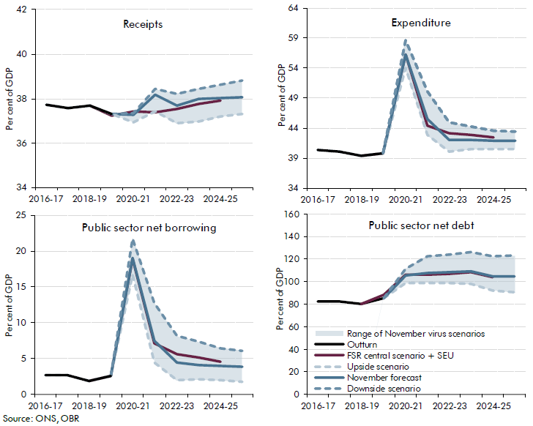

 |  | 2016-17 | 2017-18 | 2018-19 | 2019-20 | 2020-21 | 2021-22 | 2022-23 | 2023-24 | 2024-25 | 2025-26
 |  | Receipts per cent of GDP
 | FSR central scenario + SEU |  |  | 37.7 | 37.2 | 37.4 | 37.4 | 37.5 | 37.8 | 37.9
 | November forecast |  |  |  | 37.3 | 37.3 | 38.2 | 37.7 | 38.0 | 38.0 | 38.1
 | Upside scenario |  |  |  | 37.3 | 37.3 | 38.4 | 38.2 | 38.5 | 38.6 | 38.8
 | Downside scenario | 37.7 | 37.6 | 37.7 | 37.3 | 36.9 | 37.4 | 36.9 | 37.0 | 37.2 | 37.3
 | Outturn | 37.7 | 37.6 | 37.7 | 37.3
 | Range of November virus scenarios |  |  |  | 0.0 | 0.4 | 1.0 | 1.3 | 1.5 | 1.4 | 1.5
 |  | Expenditure
...

C3.C
Back to contents
 | Chart C: Sensitivity of successive debt interest spending forecasts

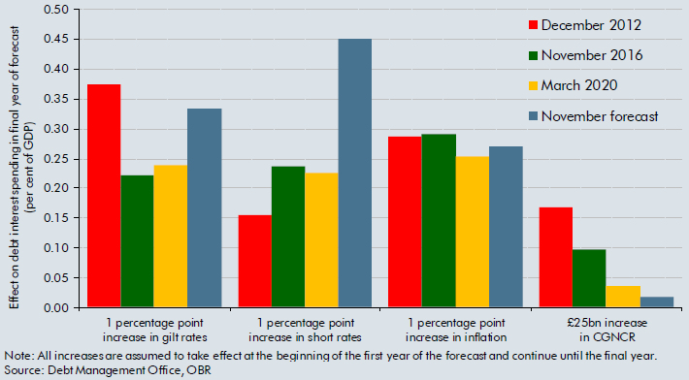

 |  | December 2012 | November 2016 | March 2020 | November forecast
 | 1 percentage point increase in gilt rates | 0.37 | 0.22 | 0.24 | 0.33
 | 1 percentage point increase in short rates | 0.16 | 0.24 | 0.23 | 0.45
 | 1 percentage point increase in inflation | 0.29 | 0.29 | 0.25 | 0.27
 | £25bn increase in CGNCR | 0.17 | 0.10 | 0.04 | 0.02

C3.D
Back to contents
 | Chart D: Gilt holdings by sector

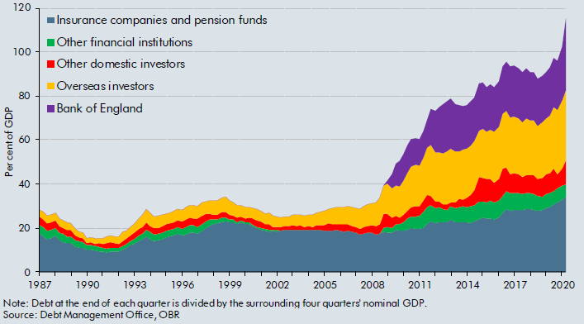

 | Date | Bank of England | Insurance companies and pension funds | Other financial institutions | Other domestic investors | Overseas investors | Nomial GDP
 | 1987 Q1 | 0.0 | 17.3 | 4.1 | 3.8 | 3.2 | 117295.0
 | 1987 Q2 | 0.0 | 16.0 | 4.2 | 3.7 | 3.3 | 118829.0
 | 1987 Q3 | 0.0 | 14.8 | 4.1 | 3.4 | 3.4 | 127018.0
 | 1987 Q4 | 0.0 | 15.2 | 3.9 | 3.5 | 3.4 | 132982.0
 | 1988 Q1 | 0.0 | 16.5 | 3.7 | 3.3 | 3.6 | 132124.0
 | 1988 Q2 | 0.0 | 14.4 | 3.5 | 3.1 | 3.4 | 134216.0
...

