C5.1
Back to contents
 | Chart 5.1: Fiscal target headrooms changes since November
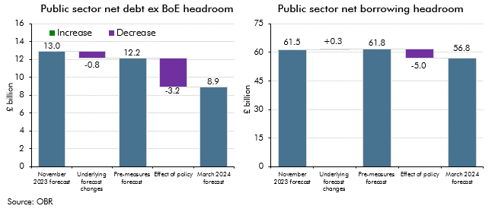

 | Public sector net debt ex BoE headroom |  | Public sector net borrowing headroom
 | November 2023 forecast | 13.0 | November 2023 forecast | 61.5
 | Underlying forecast changes | -0.8 | Underlying forecast changes | 0.3
 | Pre-measures forecast | 12.2 | Pre-measures forecast | 61.8
 | Effect of policy | -3.2 | Effect of policy | -5.0
 | March 2024 forecast | 8.9 | March 2024 forecast | 56.8

C5.2
Back to contents
 | Chart 5.2: Debt-stabilising primary balance since 2010
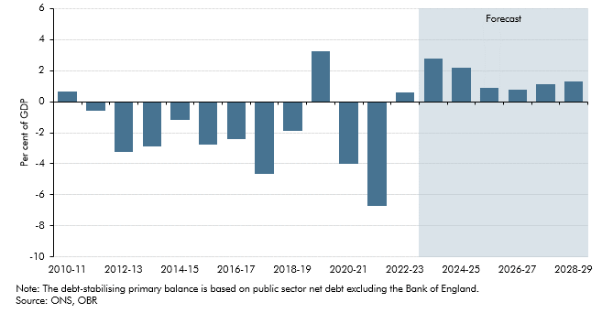

 |  | Debt-stabilising primary balance
 | 2010-11 | 0.6
 | 2011-12 | -0.6
 | 2012-13 | -3.3
 | 2013-14 | -2.9
 | 2014-15 | -1.2
 | 2015-16 | -2.8
 | 2016-17 | -2.4
 | 2017-18 | -4.6
 | 2018-19 | -1.9
 | 2019-20 | 3.2
 | 2020-21 | -4.0
 | 2021-22 | -6.7
 | 2022-23 | 0.6
 | 2023-24 | 2.8
 | 2024-25 | 2.2
 | 2025-26 | 0.9
 | 2026-27 | 0.8
 | 2027-28 | 1.1
 | 2028-29 | 1.3

C5.A
Back to contents
 | Chart A: Public sector net debt (ex Bank of England) since 2000

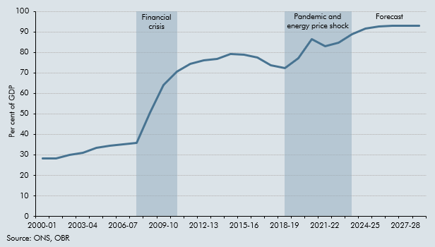

 | Years | Debt-to-GDP ratio (left axis)
 | 2000-01 | 28.4
 | 2001-02 | 28.2
 | 2002-03 | 29.9
 | 2003-04 | 31.0
 | 2004-05 | 33.6
 | 2005-06 | 34.5
 | 2006-07 | 35.3
 | 2007-08 | 35.8
 | 2008-09 | 50.6
 | 2009-10 | 63.9
 | 2010-11 | 70.6
 | 2011-12 | 74.6
 | 2012-13 | 76.2
 | 2013-14 | 77.0
 | 2014-15 | 79.2
 | 2015-16 | 78.9
 | 2016-17 | 77.4
 | 2017-18 | 73.7
 | 2018-19 | 72.3
 | 2019-20 | 77.1
 | 2020-21 | 86.5
 | 2021-22 | 83.2
 | 2022-23 | 84.9
 | 2023-24 | 88.8
 | 2024-25 | 91.7
 | 2025-26 | 92.8
 | 2026-27 | 93.2
 | 2027-28 | 93.2
 | 2028-29 | 92.9

C5.B
Back to contents
 | Chart B: Contributions to changes in the debt-to-GDP ratio (ex Bank of England)

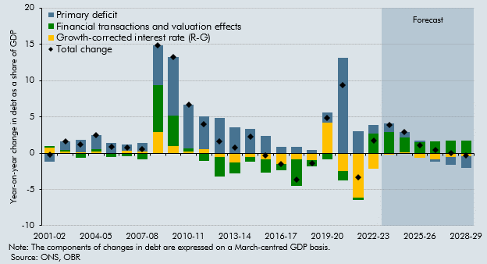

 |  | Total change | Primary deficit | Growth-corrected interest rate (R-G) | Financial transactions and valuation effects
 | 2001-02 | -0.2 | -1.2 | 0.8 | 0.2
 | 2002-03 | 1.7 | 1.2 | 0.2 | 0.2
 | 2003-04 | 1.2 | 1.6 | 0.2 | -0.7
 | 2004-05 | 2.5 | 2.0 | 0.2 | 0.3
 | 2005-06 | 0.9 | 1.4 | 0.0 | -0.5
 | 2006-07 | 0.8 | 0.9 | 0.3 | -0.4
 | 2007-08 | 0.5 | 1.1 | 0.3 | -0.9
 | 2008-09 | 14.9 | 5.6 | 2.9 | 6.5
 | 2009-10 | 13.3 | 8.1 | 1.0 | 4.2
 | 2010-11 | 6.7 | 6.0 | 0.2 | 0.4
 | 2011-12 | 4.0 | 4.5 | 0.5 | -1.1
 | 2012-13 | 1.6 | 4.8 | -0.5 | -2.7
 | 2013-14 | 0.8 | 3.6 | -1.3 | -1.6
 | 2014-15 | 2.2 | 3.4 | -0.5 | -0.6
 | 2015-16 | -0.3 | 2.4 | -0.8 | -1.9
 | 2016-17 | -1.5 | 0.9 | -1.5 | -0.8
 | 2017-18 | -3.7 | 0.9 | -0.9 | -3.7
 | 2018-19 | -1.4 | 0.4 | -1.0 | -0.9
 | 2019-20 | 4.8 | 1.4 | 4.3 | -0.8
 | 2020-21 | 9.4 | 13.2 | -2.5 | -1.3
 | 2021-22 | -3.4 | 3.1 | -6.2 | -0.2
 | 2022-23 | 1.7 | 1.1 | -2.2 | 2.7
 | 2023-24 | 3.9 | 1.2 | -0.2 | 2.9
 | 2024-25 | 2.9 | 0.8 | 0.1 | 2.1
 | 2025-26 | 1.1 | 0.2 | -0.7 | 1.5
 | 2026-27 | 0.4 | -0.4 | -0.8 | 1.6
 | 2027-28 | 0.0 | -1.1 | -0.6 | 1.7
 | 2028-29 | -0.3 | -1.6 | -0.5 | 1.8

C5.3
Back to contents
 | Chart 5.3: Successive forecasts for headroom against fiscal targets

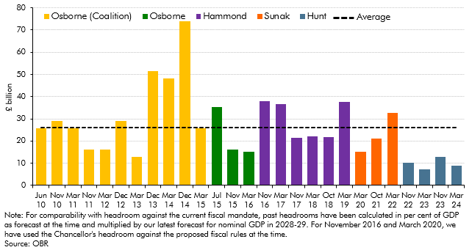

 | Headroom against contemporaneous rule
 | Jun 10 | 25.7
 | Nov 10 | 28.9
 | Mar 11 | 25.7
 | Nov 11 | 16.0
 | Mar 12 | 16.0
 | Dec 12 | 28.9
 | Mar 13 | 12.8
 | Dec 13 | 51.3
 | Mar 14 | 48.1
 | Dec 14 | 73.8
 | Mar 15 | 25.7
 | Jul-15 | 35.3
 | Nov 15 | 16.0
 | Mar 16 | 15.3
 | Nov 16 | 37.9
 | Mar 17 | 36.7
 | Nov 17 | 21.3
 | Mar 18 | 22.0
 | Oct 18 | 21.7
 | Mar 19 | 37.6
 | Mar 20 | 15.2
 | Oct 21 | 21.1
 | Mar 22 | 32.7
 | Nov 22 | 10.1
 | Mar 23 | 7.1
 | Nov 23 | 13.0
 | Mar 24 | 8.9

C5.4
Back to contents
 | Chart 5.4: Fan charts for PSND (excluding Bank of England) and PSNB
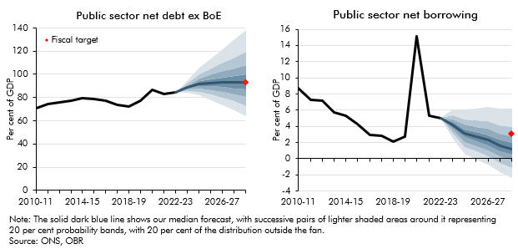

 | Public sector net debt ex BoE | Outturn | 10th Percentile | 20th Percentile | 30th Percentile | 40th Percentile | 50th Percentile | 60th Percentile | 70th Percentile | 80th Percentile | 90th Percentile
 | 2010-11 | 70.6
 | 2011-12 | 74.6
 | 2012-13 | 76.2
 | 2013-14 | 77.0
 | 2014-15 | 79.2
 | 2015-16 | 78.9
 | 2016-17 | 77.4
 | 2017-18 | 73.7
 | 2018-19 | 72.3
 | 2019-20 | 77.1
 | 2020-21 | 86.5
 | 2021-22 | 83.2
 | 2022-23 | 84.8
 | 2023-24 |  | 84.1 | 85.6 | 86.8 | 87.8 | 88.8 | 89.7 | 91.0 | 92.5 | 95.1
 | 2024-25 |  | 81.8 | 85.0 | 87.4 | 89.6 | 91.7 | 93.9 | 96.5 | 99.9 | 105.6
 | 2025-26 |  | 77.9 | 83.0 | 86.4 | 89.6 | 92.8 | 95.9 | 99.8 | 104.8 | 113.4
 | 2026-27 |  | 73.6 | 80.2 | 84.8 | 88.9 | 93.2 | 97.4 | 102.6 | 109.8 | 121.4
 | 2027-28 |  | 69.2 | 76.8 | 82.7 | 88.0 | 93.2 | 98.6 | 105.4 | 114.4 | 129.9
 | 2028-29 |  | 63.6 | 72.9 | 80.3 | 86.7 | 92.9 | 99.7 | 108.0 | 119.5 | 138.0

 | Public sector net borrowing | Outturn | 10th Percentile | 20th Percentile | 30th Percentile | 40th Percentile | 50th Percentile | 60th Percentile | 70th Percentile | 80th Percentile | 90th Percentile
 | 2010-11 | 8.7 | 8.7
 | 2011-12 | 7.2 | 7.2
 | 2012-13 | 7.2 | 7.2
 | 2013-14 | 5.8 | 5.8
 | 2014-15 | 5.3 | 5.3
 | 2015-16 | 4.3 | 4.3
 | 2016-17 | 2.9 | 2.9
 | 2017-18 | 2.9 | 2.9
 | 2018-19 | 2.1 | 2.1
 | 2019-20 | 2.7 | 2.7
 | 2020-21 | 15.1 | 15.1
 | 2021-22 | 5.3 | 5.3
 | 2022-23 | 5.0 | 5.0
 | 2023-24 |  | 2.5 | 3.1 | 3.5 | 3.8 | 4.2 | 4.5 | 4.9 | 5.4 | 6.1
 | 2024-25 |  | 0.7 | 1.5 | 2.1 | 2.6 | 3.1 | 3.6 | 4.2 | 4.9 | 6.1
 | 2025-26 |  | -0.1 | 0.9 | 1.6 | 2.2 | 2.7 | 3.3 | 3.9 | 4.7 | 6.2
 | 2026-27 |  | -0.8 | 0.3 | 1.0 | 1.7 | 2.3 | 2.9 | 3.7 | 4.6 | 6.4
 | 2027-28 |  | -1.7 | -0.6 | 0.3 | 1.0 | 1.6 | 2.3 | 3.1 | 4.1 | 6.2
 | 2028-29 |  | -2.4 | -1.1 | -0.3 | 0.5 | 1.2 | 2.0 | 2.8 | 3.9 | 6.2

C5.5
Back to contents
 | Chart 5.5: Sensitivities

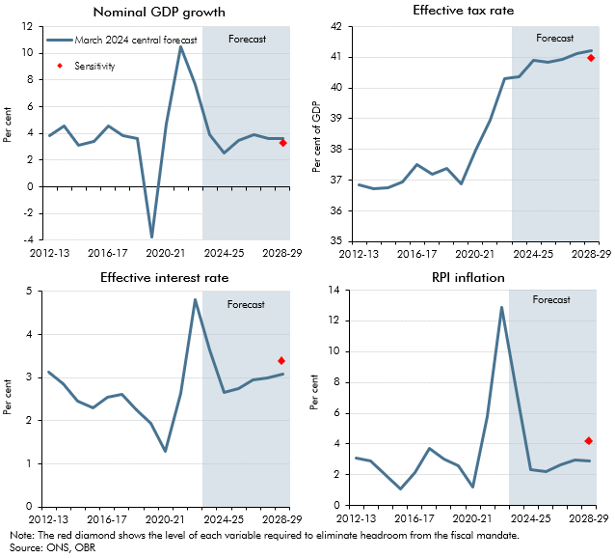

 |  | Nominal GDP growth | Sensitivity | Effective tax rate | Sensitivity | Effective interest rate | Sensitivity | RPI inflation | Sensitivity
 | 2012-13 | 3.8 |  | 36.8 |  | 3.1 |  | 3.1
 | 2013-14 | 4.6 |  | 36.7 |  | 2.9 |  | 2.9
 | 2014-15 | 3.1 |  | 36.8 |  | 2.5 |  | 2.0
 | 2015-16 | 3.4 |  | 37.0 |  | 2.3 |  | 1.1
 | 2016-17 | 4.6 |  | 37.5 |  | 2.6 |  | 2.1
 | 2017-18 | 3.8 |  | 37.2 |  | 2.6 |  | 3.7
 | 2018-19 | 3.6 |  | 37.4 |  | 2.3 |  | 3.1
 | 2019-20 | -3.7 |  | 36.9 |  | 1.9 |  | 2.6
 | 2020-21 | 4.7 |  | 38.0 |  | 1.3 |  | 1.2
 | 2021-22 | 10.5 |  | 39.0 |  | 2.6 |  | 5.8
 | 2022-23 | 7.6 |  | 40.3 |  | 4.8 |  | 12.9
 | 2023-24 | 3.9 |  | 40.4 |  | 3.7 |  | 7.5
 | 2024-25 | 2.6 |  | 40.9 |  | 2.7 |  | 2.4
 | 2025-26 | 3.5 |  | 40.8 |  | 2.7 |  | 2.2
 | 2026-27 | 3.9 |  | 40.9 |  | 2.9 |  | 2.6
 | 2027-28 | 3.6 |  | 41.1 |  | 3.0 |  | 3.0
 | 2028-29 | 3.6 | 3.3 | 41.2 | 40.9 | 3.1 | 3.4 | 2.9 | 4.2

C5.6
Back to contents
 | Chart 5.6: Borrowing and debt (ex BoE) in the energy price shock scenario

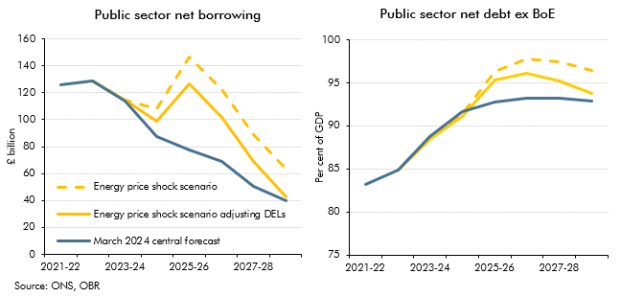

 | Public sector net borrowing | 2021-22 | 2022-23 | 2023-24 | 2024-25 | 2025-26 | 2026-27 | 2027-28 | 2028-29
 | March 2024 central forecast | 126.3 | 128.7 | 114.1 | 87.2 | 77.5 | 68.7 | 50.6 | 39.4
 | Energy price shock scenario adjusting DELs |  | 128.7 | 114.5 | 99.1 | 126.4 | 102.0 | 68.8 | 42.5
 | Energy price shock scenario |  | 128.7 | 114.5 | 108.4 | 146.7 | 122.4 | 89.0 | 63.0

 | Public sector net debt ex BoE | 2021-22 | 2022-23 | 2023-24 | 2024-25 | 2025-26 | 2026-27 | 2027-28 | 2028-29
 | March 2024 central forecast | 83.2 | 84.9 | 88.8 | 91.7 | 92.8 | 93.2 | 93.2 | 92.9
 | Energy price shock scenario adjusting DELs |  | 84.9 | 88.4 | 91.5 | 96.3 | 97.7 | 97.4 | 96.4
 | Energy price shock scenario |  | 84.9 | 88.4 | 91.2 | 95.3 | 96.1 | 95.2 | 93.7

