C4.1
Back to contents
 | Chart 4.1: National Accounts taxes as a share of GDP
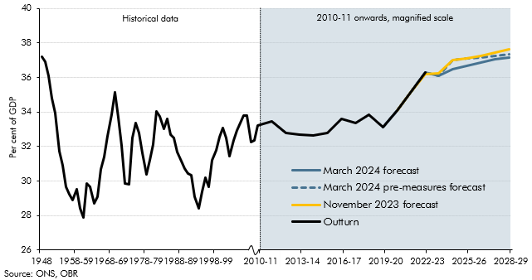

 |  | Outturn | November 2023 forecast | March 2024 forecast | March 2024 pre-measures forecast
 | 1948 | 37.2
 | 1949 | 36.9
 | 1950 | 36.1
 | 1951 | 34.8
 | 1952 | 34.0
 | 1953 | 31.7
 | 1954 | 30.9
 | 1955-56 | 29.6
 | 1956-57 | 29.3
 | 1957-58 | 28.9
 | 1958-59 | 29.5
 | 1959-60 | 28.4
 | 1960-61 | 27.9
 | 1961-62 | 29.8
 | 1962-63 | 29.6
 | 1963-64 | 28.7
 | 1964-65 | 29.1
 | 1965-66 | 30.7
 | 1966-67 | 31.4
 | 1967-68 | 32.6
 | 1968-69 | 33.8
 | 1969-70 | 35.1
 | 1970-71 | 33.7
 | 1971-72 | 32.1
 | 1972-73 | 29.8
 | 1973-74 | 29.8
 | 1974-75 | 32.5
 | 1975-76 | 33.4
 | 1976-77 | 32.8
 | 1977-78 | 31.6
 | 1978-79 | 30.4
 | 1979-80 | 31.2
 | 1980-81 | 32.1
 | 1981-82 | 34.0
 | 1982-83 | 33.7
 | 1983-84 | 33.0
 | 1984-85 | 33.6
 | 1985-86 | 32.7
 | 1986-87 | 32.5
 | 1987-88 | 31.7
 | 1988-89 | 31.2
 | 1989-90 | 30.7
 | 1990-91 | 30.4
 | 1991-92 | 30.3
 | 1992-93 | 29.1
 | 1993-94 | 28.4
 | 1994-95 | 29.4
 | 1995-96 | 30.2
 | 1996-97 | 29.7
 | 1997-98 | 31.2
 | 1998-99 | 31.8
 | 1999-00 | 32.5
 | 2000-01 | 33.1
 | 2001-02 | 32.5
 | 2002-03 | 31.4
 | 2003-04 | 32.4
 | 2004-05 | 32.9
 | 2005-06 | 33.4
 | 2006-07 | 33.8
 | 2007-08 | 33.8
 | 2008-09 | 32.2
 | 2009-10 | 32.4
 | 2010-11 | 33.2
 | 2011-12 | 33.4
 | 2012-13 | 32.8
 | 2013-14 | 32.7
 | 2014-15 | 32.6
 | 2015-16 | 32.8
 | 2016-17 | 33.6
 | 2017-18 | 33.4
 | 2018-19 | 33.8
 | 2019-20 | 33.1
 | 2020-21 | 34.1
 | 2021-22 | 35.2 | 35.2 | 35.2 | 35.2
 | 2022-23 | 36.3 | 36.2 | 36.3 | 36.3
 | 2023-24 |  | 36.3 | 36.1 | 36.1
 | 2024-25 |  | 37.0 | 36.5 | 37.0
 | 2025-26 |  | 37.1 | 36.7 | 37.1
 | 2026-27 |  | 37.3 | 36.9 | 37.1
 | 2027-28 |  | 37.4 | 37.0 | 37.2
 | 2028-29 |  | 37.7 | 37.1 | 37.3

C4.2
Back to contents
 | Chart 4.2: The rise in the tax-to-GDP ratio between 2019-20 and 2028-2029
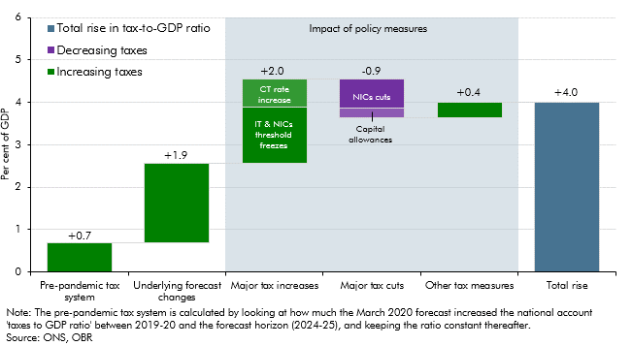

 |  | Change
 | Pre-pandemic tax system | 0.7
 | Underlying forecast changes | 1.9
 | Major tax increases | 2.0
 | of which:
 | IT and NICs threshold freezes | 1.3
 | CT rate increase | 0.6
 | Major tax cuts | -0.9
 | of which:
 | NICs cut | -0.7
 | Capital allowances | -0.2
 | Other tax measures | 0.4
 | Total rise | 4.0

C4.3
Back to contents
 | Chart 4.3: Current receipts as a share of GDP, successive OBR forecasts and outturn
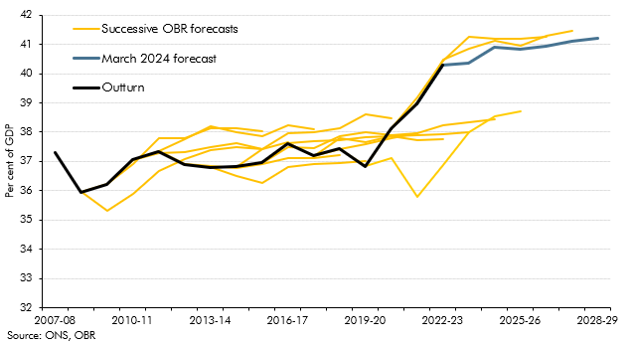

 |  | 2007-08 | 2008-09 | 2009-10 | 2010-11 | 2011-12 | 2012-13 | 2013-14 | 2014-15 | 2015-16 | 2016-17 | 2017-18 | 2018-19 | 2019-20 | 2020-21 | 2021-22 | 2022-23 | 2023-24 | 2024-25 | 2025-26 | 2026-27 | 2027-28 | 2028-29
 | June 2010 |  | 36.0 | 35.3 | 35.9 | 36.7 | 37.1 | 37.4 | 37.5 | 37.4
 | March 2011 |  | 36.0 | 36.2 | 36.9 | 37.8 | 37.8 | 38.1 | 38.1 | 38.0
 | March 2012 |  |  | 36.2 | 37.1 | 37.3 | 37.3 | 37.5 | 37.6 | 37.4 | 37.7
 | March 2013 |  |  |  | 37.1 | 37.3 | 37.8 | 38.2 | 38.0 | 37.9 | 38.2 | 38.1
 | March 2014 |  |  |  |  | 37.3 | 36.9 | 36.8 | 36.8 | 36.9 | 37.1 | 37.1 | 37.2
 | March 2015 |  |  |  |  |  |  | 36.8 | 36.5 | 36.3 | 36.8 | 36.9 | 37.0 | 37.0
 | March 2016 |  |  |  |  |  |  | 36.8 | 36.8 | 37.4 | 38.0 | 38.0 | 38.1 | 38.6 | 38.5
 | March 2017 |  |  |  |  |  |  |  | 36.8 | 37.0 | 37.5 | 37.5 | 37.9 | 38.0 | 37.9 | 38.0
 | March 2018 |  |  |  |  |  |  |  |  | 37.0 | 37.6 | 37.7 | 37.7 | 37.8 | 37.9 | 37.7 | 37.8
 | March 2019 |  |  |  |  |  |  |  |  |  | 37.6 | 37.2 | 37.8 | 37.7 | 37.9 | 37.9 | 37.9 | 38.0
 | March 2020 |  |  |  |  |  |  |  |  |  |  | 37.2 | 37.4 | 37.6 | 37.8 | 38.0 | 38.2 | 38.4 | 38.4
 | March 2021 |  |  |  |  |  |  |  |  |  |  |  | 37.4 | 36.8 | 37.1 | 35.8 | 36.9 | 38.0 | 38.5 | 38.7
 | March 2022 |  |  |  |  |  |  |  |  |  |  |  |  | 36.8 | 38.1 | 39.2 | 40.5 | 41.2 | 41.2 | 41.2 | 41.3
 | March 2023 |  |  |  |  |  |  |  |  |  |  |  |  |  | 38.1 | 39.0 | 40.5 | 40.9 | 41.1 | 41.0 | 41.3 | 41.5
 | March 2024 forecast |  |  |  |  |  |  |  |  |  |  |  |  |  |  | 39.0 | 40.3 | 40.4 | 40.9 | 40.8 | 40.9 | 41.1 | 41.2
 | Outturn | 37.3 | 36.0 | 36.2 | 37.1 | 37.3 | 36.9 | 36.8 | 36.8 | 37.0 | 37.6 | 37.2 | 37.4 | 36.8 | 38.1 | 39.0 | 40.3

C4.A
Back to contents
 | Chart A: Tax gap as a share of GDP
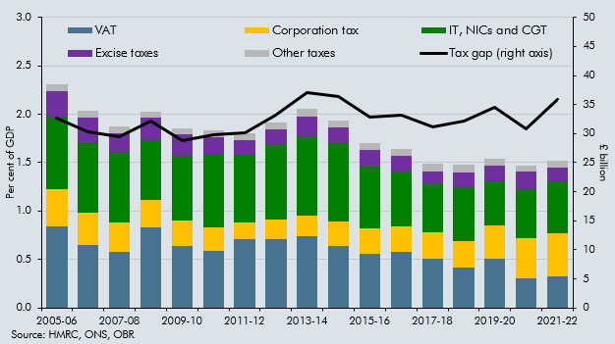

 |  | 2005-06 | 2006-07 | 2007-08 | 2008-09 | 2009-10 | 2010-11 | 2011-12 | 2012-13 | 2013-14 | 2014-15 | 2015-16 | 2016-17 | 2017-18 | 2018-19 | 2019-20 | 2020-21 | 2021-22
 | Tax gap (right axis) | 32.6 | 30.3 | 29.5 | 32.2 | 28.8 | 29.8 | 30.2 | 33.1 | 37.1 | 36.3 | 32.8 | 33.1 | 31.2 | 32.1 | 34.5 | 30.8 | 35.8
 | VAT | 0.8 | 0.7 | 0.6 | 0.8 | 0.6 | 0.6 | 0.7 | 0.7 | 0.7 | 0.6 | 0.6 | 0.6 | 0.5 | 0.4 | 0.5 | 0.3 | 0.3
 | Corporation tax | 0.4 | 0.3 | 0.3 | 0.3 | 0.3 | 0.2 | 0.2 | 0.2 | 0.2 | 0.3 | 0.3 | 0.3 | 0.3 | 0.3 | 0.3 | 0.4 | 0.4
 | IT, NICs and CGT | 0.7 | 0.7 | 0.7 | 0.6 | 0.7 | 0.8 | 0.7 | 0.8 | 0.8 | 0.8 | 0.6 | 0.6 | 0.5 | 0.6 | 0.5 | 0.5 | 0.5
 | Excise taxes | 0.3 | 0.3 | 0.2 | 0.2 | 0.2 | 0.2 | 0.1 | 0.2 | 0.2 | 0.2 | 0.2 | 0.2 | 0.1 | 0.2 | 0.2 | 0.2 | 0.1
 | Other taxes | 0.1 | 0.1 | 0.1 | 0.1 | 0.1 | 0.1 | 0.1 | 0.1 | 0.1 | 0.1 | 0.1 | 0.1 | 0.1 | 0.1 | 0.1 | 0.1 | 0.1

C4.4
Back to contents
 | Chart 4.4: Onshore corporation tax rates and receipts as a share of GDP
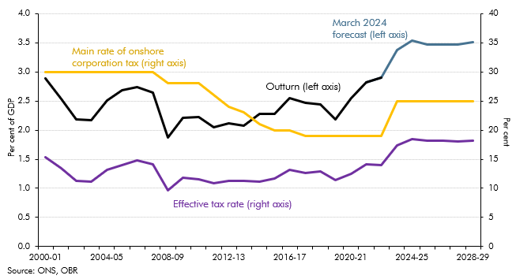

 |  | Outturn receipts (left axis) | March 2024 forecast (left axis) | Main rate of onshore corporation tax (right axis) | Effective tax rate (right axis)
 | 1996-97 | 2.9 |  | 33
 | 1997-98 | 3.0 |  | 31
 | 1998-99 | 2.9 |  | 31
 | 1999-00 | 3.1 |  | 30
 | 2000-01 | 2.9 |  | 30 | 15
 | 2001-02 | 2.5 |  | 30 | 13
 | 2002-03 | 2.2 |  | 30 | 11
 | 2003-04 | 2.2 |  | 30 | 11
 | 2004-05 | 2.5 |  | 30 | 13
 | 2005-06 | 2.7 |  | 30 | 14
 | 2006-07 | 2.7 |  | 30 | 15
 | 2007-08 | 2.6 |  | 30 | 14
 | 2008-09 | 1.9 |  | 28 | 10
 | 2009-10 | 2.2 |  | 28 | 12
 | 2010-11 | 2.2 |  | 28 | 12
 | 2011-12 | 2.0 |  | 26 | 11
 | 2012-13 | 2.1 |  | 24 | 11
 | 2013-14 | 2.1 |  | 23 | 11
 | 2014-15 | 2.3 |  | 21 | 11
 | 2015-16 | 2.3 |  | 20 | 12
 | 2016-17 | 2.6 |  | 20 | 13
 | 2017-18 | 2.5 |  | 19 | 13
 | 2018-19 | 2.4 |  | 19 | 13
 | 2019-20 | 2.2 |  | 19 | 11
 | 2020-21 | 2.5 |  | 19 | 12
 | 2021-22 | 2.8 | 2.8 | 19 | 14
 | 2022-23 | 2.9 | 2.9 | 19 | 14
 | 2023-24 |  | 3.4 | 25 | 17
 | 2024-25 |  | 3.5 | 25 | 18
 | 2025-26 |  | 3.5 | 25 | 18
 | 2026-27 |  | 3.5 | 25 | 18
 | 2027-28 |  | 3.5 | 25 | 18
 | 2028-29 |  | 3.5 | 25 | 18

C4.5
Back to contents
 | Chart 4.5: Fuel duty: forecasts versus outturns
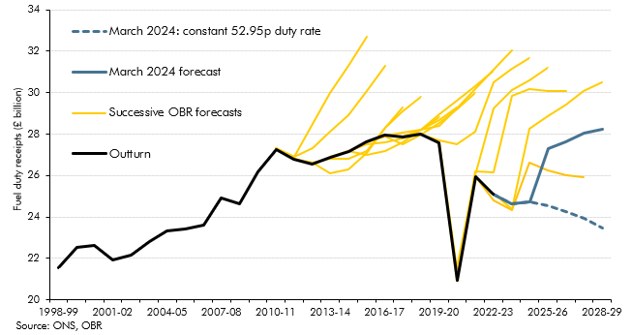

 |  | 1998-99 | 1999-00 | 2000-01 | 2001-02 | 2002-03 | 2003-04 | 2004-05 | 2005-06 | 2006-07 | 2007-08 | 2008-09 | 2009-10 | 2010-11 | 2011-12 | 2012-13 | 2013-14 | 2014-15 | 2015-16 | 2016-17 | 2017-18 | 2018-19 | 2019-20 | 2020-21 | 2021-22 | 2022-23 | 2023-24 | 2024-25 | 2025-26 | 2026-27 | 2027-28 | 2028-29
 | Outturn | 21553 | 22515 | 22630 | 21916 | 22147 | 22786 | 23313 | 23438 | 23585 | 24905 | 24615 | 26197 | 27256 | 26800 | 26571 | 26881 | 27156 | 27623 | 27936 | 27877 | 27993 | 27573 | 20932 | 25943 | 25100
 | March 2024 forecast |  |  |  |  |  |  |  |  |  |  |  |  |  |  |  |  |  |  |  |  |  |  |  |  | 25100 | 24631 | 24741 | 27286 | 27608 | 28028 | 28231
 | Constant Duty Policy Impact |  |  |  |  |  |  |  |  |  |  |  |  |  |  |  |  |  |  |  |  |  |  |  |  |  |  |  | -2763 | -3354 | -4089 | -4768
 | March 2024: constant 52.95p duty rate |  |  |  |  |  |  |  |  |  |  |  |  |  |  |  |  |  |  |  |  |  |  |  |  | 25100 | 24631 | 24741 | 24523 | 24254 | 23939 | 23463
 | AS23 |  |  |  |  |  |  |  |  |  |  |  |  |  |  |  |  |  |  |  |  |  |  |  |  | 25100 | 24367 | 28240 | 28845 | 29437 | 30071 | 30500
 | SB23 |  |  |  |  |  |  |  |  |  |  |  |  |  |  |  |  |  |  |  |  |  |  | 20932.0 | 25943.0 | 24799.0 | 24348.8 | 26621.4 | 26262.4 | 26034.4 | 25897.5
 | SB22 |  |  |  |  |  |  |  |  |  |  |  |  |  |  |  |  |  |  |  |  |  | 27572.0 | 20934.0 | 26177.4 | 26174.4 | 29857.8 | 30160.4 | 30073.4 | 30100.6
 | SB21 |  |  |  |  |  |  |  |  |  |  |  |  |  |  |  |  |  |  |  |  |  | 27572.0 | 21538.0 | 26031.8 | 29225.2 | 30145.4 | 30593.8 | 31187.5
 | SB20 |  |  |  |  |  |  |  |  |  |  |  |  |  |  |  |  |  |  |  |  | 27993.0 | 27680.2 | 27487.9 | 28132.0 | 30506.6 | 31165.4 | 31687.5
 | SB19 |  |  |  |  |  |  |  |  |  |  |  |  |  |  |  |  |  |  |  | 27878.0 | 28203.1 | 28401.1 | 29233.8 | 30170.4 | 31120.0 | 32059.2
 | SB18 |  |  |  |  |  |  |  |  |  |  |  |  |  |  |  |  |  |  | 27937.0 | 28067.7 | 28197.9 | 28948.7 | 29635.9 | 30312.2 | 31049.4
 | SB17 |  |  |  |  |  |  |  |  |  |  |  |  |  |  |  |  |  | 27622 | 27873.9 | 27486.1 | 27998.4 | 28524.2 | 29192.9 | 29993.8
 | SB16 |  |  |  |  |  |  |  |  |  |  |  |  |  |  |  |  | 27200 | 27500 | 27600 | 27800 | 28200 | 28700 | 29300
 | SB15 |  |  |  |  |  |  |  |  |  |  |  |  |  |  |  | 26900 | 27200 | 27000 | 27200 | 27600 | 28200 | 28800
 | SB14 |  |  |  |  |  |  |  |  |  |  |  |  |  |  | 26600 | 26800 | 26800 | 27200 | 28300 | 29100 | 29800
 | SB13 |  |  |  |  |  |  |  |  |  |  |  |  |  | 26800 | 26600 | 26100 | 26300 | 27100 | 28300 | 29300
 | SB12 |  |  |  |  |  |  |  |  |  |  |  |  | 27300 | 26900 | 27300 | 28100 | 28900 | 30100 | 31300
 | SB11 |  |  |  |  |  |  |  |  |  |  |  |  | 27300 | 26900 | 28500 | 30000 | 31300 | 32700

C4.6
Back to contents
 | Chart 4.6: Public expenditure as a share of GDP
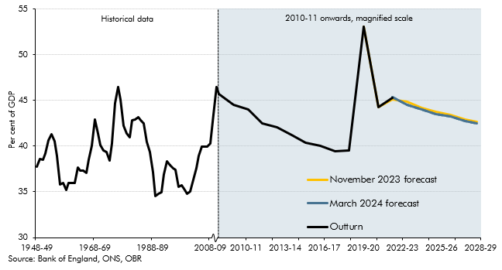

 | Year | Outturn | November 2023 forecast | March 2024 forecast
 | 1948-49 | 38.6
 | 1949-50 | 38.5
 | 1950-51 | 39.2
 | 1951-52 | 40.6
 | 1952-53 | 41.3
 | 1953-54 | 40.5
 | 1954-55 | 38.9
 | 1955-56 | 35.8
 | 1956-57 | 36.0
 | 1957-58 | 35.2
 | 1958-59 | 36.0
 | 1959-60 | 35.9
 | 1960-61 | 35.9
 | 1961-62 | 37.6
 | 1962-63 | 37.3
 | 1963-64 | 37.3
 | 1964-65 | 37.0
 | 1965-66 | 38.5
 | 1966-67 | 40.0
 | 1967-68 | 42.9
 | 1968-69 | 41.4
 | 1969-70 | 40.1
 | 1970-71 | 39.5
 | 1971-72 | 39.4
 | 1972-73 | 38.5
 | 1973-74 | 40.3
 | 1974-75 | 44.7
 | 1975-76 | 46.5
 | 1976-77 | 45.1
 | 1977-78 | 42.3
 | 1978-79 | 41.4
 | 1979-80 | 40.9
 | 1980-81 | 42.8
 | 1981-82 | 42.9
 | 1982-83 | 43.2
 | 1983-84 | 42.8
 | 1984-85 | 42.5
 | 1985-86 | 40.4
 | 1986-87 | 39.3
 | 1987-88 | 37.2
 | 1988-89 | 34.6
 | 1989-90 | 34.7
 | 1990-91 | 35.0
 | 1991-92 | 36.9
 | 1992-93 | 38.3
 | 1993-94 | 37.9
 | 1994-95 | 37.6
 | 1995-96 | 37.4
 | 1996-97 | 35.6
 | 1997-98 | 35.7
 | 1998-99 | 35.2
 | 1999-00 | 34.8
 | 2000-01 | 35.1
 | 2001-02 | 36.3
 | 2002-03 | 37.6
 | 2003-04 | 38.9
 | 2004-05 | 39.9
 | 2005-06 | 39.9
 | 2006-07 | 39.9
 | 2007-08 | 40.3
 | 2008-09 | 43.5
 | 2009-10 | 46.5
 | 2010-11 | 45.7
 | 2011-12 | 44.6
 | 2012-13 | 44.1
 | 2013-14 | 42.5
 | 2014-15 | 42.0
 | 2015-16 | 41.2
 | 2016-17 | 40.4
 | 2017-18 | 40.0
 | 2018-19 | 39.5
 | 2019-20 | 39.6
 | 2020-21 | 53.1
 | 2021-22 | 44.3
 | 2022-23 | 45.3 | 45.1 | 45.3
 | 2023-24 |  | 44.8 | 44.5
 | 2024-25 |  | 44.2 | 44.0
 | 2025-26 |  | 43.8 | 43.5
 | 2026-27 |  | 43.4 | 43.2
 | 2027-28 |  | 42.9 | 42.8
 | 2028-29 |  | 42.7 | 42.5

C4.7
Back to contents
 | Chart 4.7: Public spending as a share of GDP by category
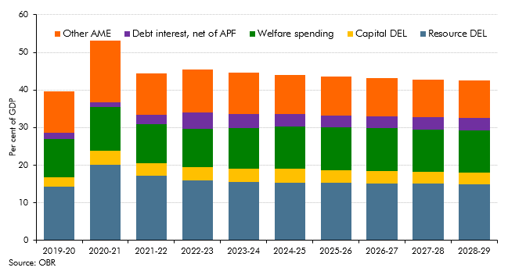

 | Year | 2019-20 | 2020-21 | 2021-22 | 2022-23 | 2023-24 | 2024-25 | 2025-26 | 2026-27 | 2027-28 | 2028-29
 | Resource DEL | 14.27 | 20.19 | 17.31 | 15.96 | 15.48 | 15.44 | 15.31 | 15.15 | 15.04 | 14.94
 | Welfare spending | 10.11 | 11.77 | 10.34 | 10.24 | 10.83 | 11.31 | 11.44 | 11.38 | 11.25 | 11.23
 | Debt interest, net of APF | 1.70 | 1.18 | 2.39 | 4.37 | 3.83 | 3.19 | 3.09 | 3.22 | 3.33 | 3.42
 | Capital DEL | 2.58 | 3.62 | 3.27 | 3.52 | 3.50 | 3.56 | 3.41 | 3.29 | 3.18 | 3.04
 | Other AME | 10.90 | 16.33 | 11.00 | 11.25 | 10.88 | 10.51 | 10.28 | 10.17 | 9.95 | 9.83

C4.8
Back to contents
 | Chart 4.8: The rise in the spending-to-GDP ratio between 2019-20 and 2028-29
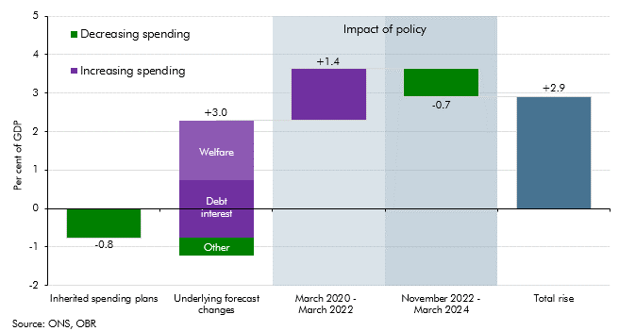

 |  | Change
 | Inherited spending plans | -0.8
 | Underlying forecast changes | 3.0
 | of which:
 | Welfare | 1.5
 | Debt interest | 2.0
 | Other | -0.5
 | March 2020-March 2022 | 1.4
 | November 2022-March 2024 | -0.7
 | Total rise | 2.9

C4.9
Back to contents
 | Chart 4.9: Breakdown of total departmental spending in the forecast
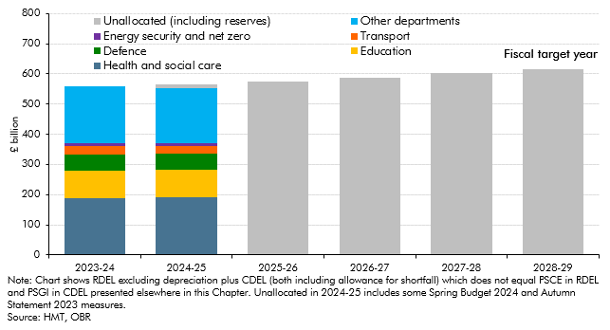

 |  | 2023-24 | 2024-25 | 2025-26 | 2026-27 | 2027-28 | 2028-29
 | Total DEL | 558.8 | 565.7 | 575.0 | 588.3 | 602.5 | 616.0
 | Health and social care | 189.5 | 192.3
 | Education | 88.2 | 91.0
 | Defence | 54.2 | 51.6
 | Transport | 30.4 | 26.2
 | Energy security and net zero | 7.6 | 9.7
 | Unallocated (including reserves) | 0.0 | 13.8 | 575.0 | 588.3 | 602.5 | 616.0
 | Other departments | 188.9 | 181.0

C4.10
Back to contents
 | Chart 4.10: Real departmental spending per person (2023-24 prices)
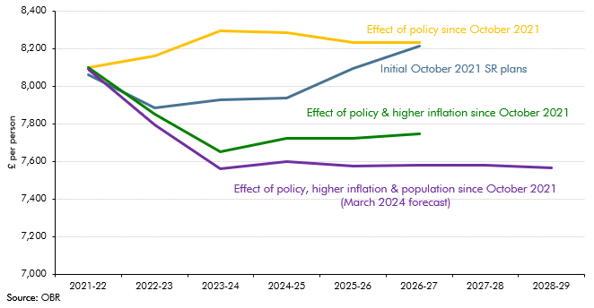

 |  | 2021-22 | 2022-23 | 2023-24 | 2024-25 | 2025-26 | 2026-27 | 2027-28 | 2028-29
 | Initial October 2021 SR plans | 8058 | 7886 | 7925 | 7937 | 8094 | 8213
 | Effect of policy since October 2021 | 8097 | 8162 | 8294 | 8283 | 8231 | 8231
 | Effect of policy and higher inflation since October 2021 | 8097 | 7848 | 7650 | 7722 | 7722 | 7746
 | Effect of policy, hihger inflation and population since October 2021 (March 2024 forecast) | 8088 | 7786 | 7548 | 7584 | 7564 | 7569 | 7569 | 7553

C4.B
Back to contents
 | Chart B: Months covered by departmental spending plans
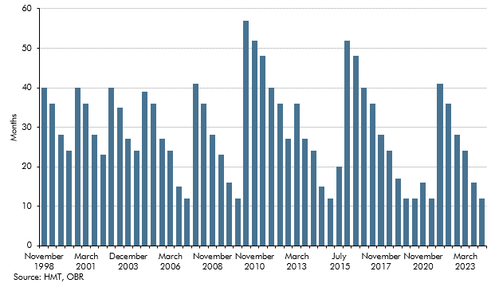

 | Forecast | How many months of forecast covered by a detailed departmental spending plans
 | November 1998 | 40
 | March 1999 | 36
 | November 1999 | 28
 | March 2000 | 24
 | November 2000 | 40
 | March 2001 | 36
 | November 2001 | 28
 | April 2002 | 23
 | November 2002 | 40
 | April 2003 | 35
 | December 2003 | 27
 | March 2004 | 24
 | December 2004 | 39
 | March 2005 | 36
 | December 2005 | 27
 | March 2006 | 24
 | December 2006 | 15
 | March 2007 | 12
 | October 2007 | 41
 | March 2008 | 36
 | November 2008 | 28
 | April 2009 | 23
 | November 2009 | 16
 | March 2010 | 12
 | June 2010 | 57
 | November 2010 | 52
 | March 2011 | 48
 | November 2011 | 40
 | March 2012 | 36
 | December 2012 | 27
 | March 2013 | 36
 | December 2013 | 27
 | March 2014 | 24
 | December 2014 | 15
 | March 2015 | 12
 | July 2015 | 20
 | November 2015 | 52
 | March 2016 | 48
 | November 2016 | 40
 | March 2017 | 36
 | November 2017 | 28
 | March 2018 | 24
 | October 2018 | 17
 | March 2019 | 12
 | March 2020 | 12
 | November 2020 | 16
 | March 2021 | 12
 | October 2021 | 41
 | March 2022 | 36
 | November 2022 | 28
 | March 2023 | 24
 | November 2023 | 16
 | March 2024 | 12

C4.C
Back to contents
 | Chart C: Implied post-SR21 breakdown of real RDEL spending and share of RDEL

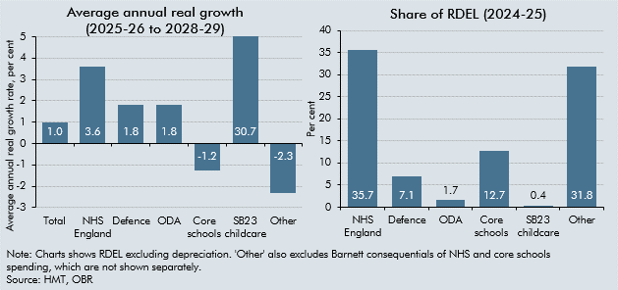

 |  | Average annual real growth | Share of RDEL
 | Total | 1.0
 | NHS England | 3.6 | 35.7
 | Defence | 1.8 | 7.1
 | ODA | 1.8 | 1.7
 | Core schools | -1.2 | 12.7
 | SB23 childcare | 30.7 | 0.4
 | Other | -2.3 | 31.8

C4.D
Back to contents
 | Chart D: Change in real RDEL envelope growth rate at Spending Reviews
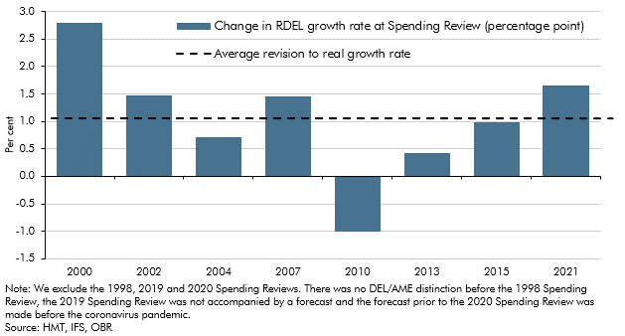

 | Spending Review | Change in RDEL growth rate at Spending Review (percentage point) | Average
 | 2000 | 2.8 | 1.1
 | 2002 | 1.5 | 1.1
 | 2004 | 0.7 | 1.1
 | 2007 | 1.5 | 1.1
 | 2010 | -1.0 | 1.1
 | 2013 | 0.4 | 1.1
 | 2015 | 1.0 | 1.1
 | 2021 | 1.7 | 1.1

C4.11
Back to contents
 | Chart 4.11: Welfare spending as a share of GDP
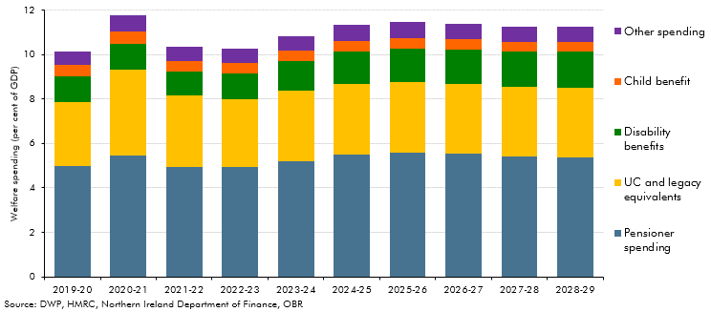

 |  | 2019-20 | 2020-21 | 2021-22 | 2022-23 | 2023-24 | 2024-25 | 2025-26 | 2026-27 | 2027-28 | 2028-29
 | Pensioner spending | 5.0 | 5.4 | 4.9 | 4.9 | 5.2 | 5.5 | 5.6 | 5.5 | 5.4 | 5.4
 | UC and legacy equivalents | 2.9 | 3.9 | 3.2 | 3.0 | 3.2 | 3.2 | 3.2 | 3.2 | 3.1 | 3.1
 | Disability benefits | 1.2 | 1.2 | 1.1 | 1.2 | 1.3 | 1.4 | 1.5 | 1.5 | 1.6 | 1.6
 | Child benefit | 0.5 | 0.6 | 0.5 | 0.5 | 0.5 | 0.5 | 0.5 | 0.5 | 0.4 | 0.4
 | Other spending | 0.6 | 0.7 | 0.6 | 0.6 | 0.7 | 0.7 | 0.7 | 0.7 | 0.7 | 0.7

C4.12
Back to contents
 | Chart 4.12: Debt interest spending relative to GDP and revenues
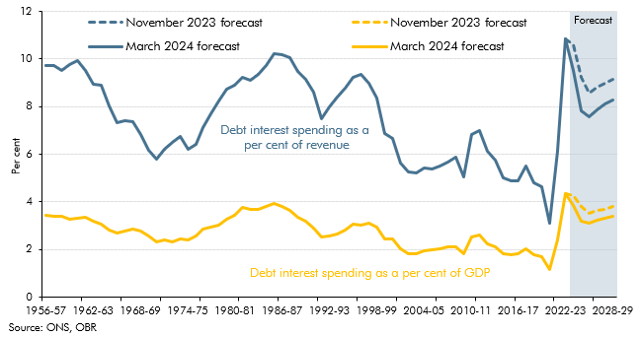

 | Date | March 2024 forecast (as a per cent of revenue) | March 2024 forecast (as a per cent of GDP) | November 2023 forecast (as a per cent of revenue) | November 2023 forecast (as a per cent of GDP)
 | 1956-57 | 9.7 | 3.5
 | 1957-58 | 9.7 | 3.4
 | 1958-59 | 9.5 | 3.4
 | 1959-60 | 9.8 | 3.3
 | 1960-61 | 10.0 | 3.3
 | 1961-62 | 9.5 | 3.4
 | 1962-63 | 8.9 | 3.2
 | 1963-64 | 8.9 | 3.1
 | 1964-65 | 8.0 | 2.8
 | 1965-66 | 7.3 | 2.7
 | 1966-67 | 7.4 | 2.8
 | 1967-68 | 7.4 | 2.9
 | 1968-69 | 6.8 | 2.8
 | 1969-70 | 6.2 | 2.6
 | 1970-71 | 5.8 | 2.3
 | 1971-72 | 6.2 | 2.4
 | 1972-73 | 6.5 | 2.3
 | 1973-74 | 6.7 | 2.4
 | 1974-75 | 6.2 | 2.4
 | 1975-76 | 6.4 | 2.6
 | 1976-77 | 7.1 | 2.9
 | 1977-78 | 7.7 | 3.0
 | 1978-79 | 8.2 | 3.0
 | 1979-80 | 8.8 | 3.3
 | 1980-81 | 8.9 | 3.4
 | 1981-82 | 9.2 | 3.8
 | 1982-83 | 9.1 | 3.7
 | 1983-84 | 9.4 | 3.7
 | 1984-85 | 9.7 | 3.8
 | 1985-86 | 10.2 | 3.9
 | 1986-87 | 10.2 | 3.8
 | 1987-88 | 10.1 | 3.6
 | 1988-89 | 9.5 | 3.4
 | 1989-90 | 9.2 | 3.2
 | 1990-91 | 8.6 | 2.9
 | 1991-92 | 7.5 | 2.5
 | 1992-93 | 8.0 | 2.6
 | 1993-94 | 8.4 | 2.6
 | 1994-95 | 8.8 | 2.8
 | 1995-96 | 9.2 | 3.1
 | 1996-97 | 9.3 | 3.0
 | 1997-98 | 9.0 | 3.1
 | 1998-99 | 8.3 | 2.9
 | 1999-00 | 6.9 | 2.5
 | 2000-01 | 6.7 | 2.4
 | 2001-02 | 5.6 | 2.0
 | 2002-03 | 5.3 | 1.8
 | 2003-04 | 5.2 | 1.8
 | 2004-05 | 5.4 | 1.9
 | 2005-06 | 5.4 | 2.0
 | 2006-07 | 5.5 | 2.0
 | 2007-08 | 5.7 | 2.1
 | 2008-09 | 5.9 | 2.1
 | 2009-10 | 5.0 | 1.8
 | 2010-11 | 6.8 | 2.5
 | 2011-12 | 7.0 | 2.6
 | 2012-13 | 6.1 | 2.3
 | 2013-14 | 5.7 | 2.1
 | 2014-15 | 5.0 | 1.8
 | 2015-16 | 4.9 | 1.8
 | 2016-17 | 4.9 | 1.8
 | 2017-18 | 5.5 | 2.0
 | 2018-19 | 4.8 | 1.8
 | 2019-20 | 4.6 | 1.7
 | 2020-21 | 3.1 | 1.2
 | 2021-22 | 6.1 | 2.4
 | 2022-23 | 10.8 | 4.4 | 10.8 | 4.4
 | 2023-24 | 9.5 | 3.8 | 10.6 | 4.3
 | 2024-25 | 7.8 | 3.2 | 9.2 | 3.8
 | 2025-26 | 7.6 | 3.1 | 8.6 | 3.5
 | 2026-27 | 7.9 | 3.2 | 8.8 | 3.6
 | 2027-28 | 8.1 | 3.3 | 9.0 | 3.7
 | 2028-29 | 8.3 | 3.4 | 9.2 | 3.8

C4.E
Back to contents
 | Chart E: Successive OBR debt interest spending forecasts
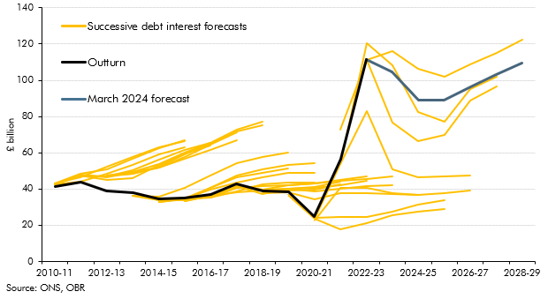

 | Forecast | 2010-11 | 2011-12 | 2012-13 | 2013-14 | 2014-15 | 2015-16 | 2016-17 | 2017-18 | 2018-19 | 2019-20 | 2020-21 | 2021-22 | 2022-23 | 2023-24 | 2024-25 | 2025-26 | 2026-27 | 2027-28 | 2028-29
 | June 2010 | 43.3 | 46.5 | 52.4 | 57.8 | 63.0 | 66.5
 | November 2010 | 42.7 | 44.0 | 48.6 | 53.5 | 58.9 | 63.1
 | March 2011 | 43.1 | 48.6 | 50.9 | 56.6 | 62.4 | 66.8
 | November 2011 | 42.8 | 47.6 | 47.1 | 50.5 | 56.1 | 61.7 | 65.5
 | March 2012 | 42.8 | 47.4 | 44.8 | 46.1 | 53.2 | 59.7 | 64.0
 | December 2012 |  | 47.1 | 47.1 | 48.6 | 51.8 | 56.6 | 61.6 | 67.1
 | March 2013 |  | 47.9 | 46.5 | 49.5 | 51.8 | 57.8 | 64.4 | 71.3
 | December 2013 |  |  | 47.6 | 49.5 | 53.9 | 60.0 | 65.3 | 72.5 | 76.9
 | March 2014 |  |  | 47.6 | 48.4 | 52.1 | 59.1 | 65.1 | 71.6 | 75.2
 | December 2014 |  |  |  | 36.1 | 35.9 | 40.4 | 47.3 | 54.0 | 57.5 | 60.1
 | March 2015 |  |  |  | 36.1 | 33.6 | 33.7 | 40.4 | 46.5 | 49.0 | 51.1
 | July 2015 |  |  |  |  | 33.0 | 34.6 | 40.8 | 47.7 | 50.7 | 53.2 | 54.3
 | November 2015 |  |  |  |  | 32.8 | 34.7 | 39.5 | 43.7 | 46.4 | 49.0 | 49.1
 | March 2016 |  |  |  |  | 32.8 | 34.1 | 35.4 | 38.6 | 42.4 | 43.4 | 43.4
 | November 2016 |  |  |  |  |  | 33.4 | 36.3 | 38.0 | 39.2 | 39.3 | 39.6 | 42.7
 | March 2017 |  |  |  |  |  | 33.4 | 36.0 | 41.5 | 39.1 | 40.1 | 40.9 | 44.0
 | November 2017 |  |  |  |  |  |  | 35.5 | 40.9 | 39.8 | 39.9 | 40.4 | 42.2 | 44.3
 | March 2018 |  |  |  |  |  |  | 35.5 | 40.7 | 41.6 | 42.2 | 43.0 | 44.9 | 46.7
 | October 2018 |  |  |  |  |  |  |  | 41.5 | 39.8 | 42.1 | 43.0 | 44.4 | 45.7 | 46.8
 | March 2019 |  |  |  |  |  |  |  | 41.5 | 37.0 | 40.2 | 38.9 | 40.3 | 41.5 | 42.3
 | March 2020 |  |  |  |  |  |  |  |  | 37.5 | 38.2 | 34.5 | 37.8 | 37.9 | 37.3 | 36.8
 | November 2020 |  |  |  |  |  |  |  |  |  | 36.9 | 23.5 | 17.6 | 21.2 | 25.5 | 27.3 | 29.0
 | March 2021 |  |  |  |  |  |  |  |  |  | 36.6 | 23.9 | 24.8 | 24.5 | 27.7 | 31.1 | 33.7
 | October 2021 |  |  |  |  |  |  |  |  |  |  | 22.4 | 40.4 | 40.7 | 37.9 | 36.5 | 37.7 | 39.0
 | March 2022 |  |  |  |  |  |  |  |  |  |  | 23.6 | 53.5 | 83.0 | 50.6 | 46.7 | 46.9 | 47.3
 | November 2022 |  |  |  |  |  |  |  |  |  |  |  | 53.9 | 120.4 | 108.5 | 82.4 | 77.0 | 95.4 | 101.9
 | March 2023 |  |  |  |  |  |  |  |  |  |  |  | 72.5 | 111.4 | 76.9 | 66.6 | 69.6 | 88.7 | 96.5
 | November 2023 |  |  |  |  |  |  |  |  |  |  |  |  | 111.2 | 116.2 | 106.2 | 101.9 | 108.8 | 115.2 | 122.5
 | March 2024 |  |  |  |  |  |  |  |  |  |  |  |  | 111.5 | 104.7 | 89.0 | 88.9 | 96.2 | 103.0 | 109.6
 | Outturn | 41.2 | 43.6 | 38.8 | 38.0 | 34.4 | 34.9 | 37.0 | 42.8 | 39.0 | 38.2 | 24.6 | 56.4 | 111.5

C4.F
Back to contents
 | Chart F: Changes in maturity of UK debt stock
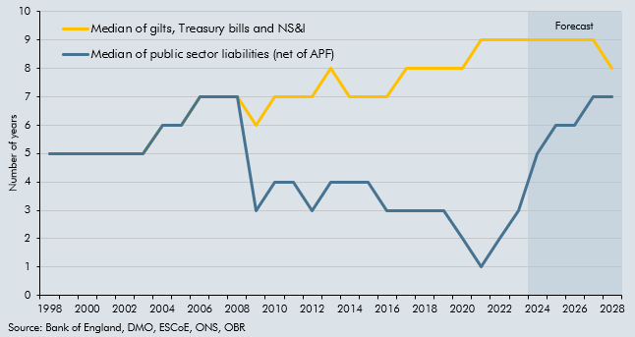

 | Year | Median of gilts, Treasury bills and NS&I | Median of public sector liabilities (net of APF)
 | 1998 | 5 | 5
 | 1999 | 5 | 5
 | 2000 | 5 | 5
 | 2001 | 5 | 5
 | 2002 | 5 | 5
 | 2003 | 5 | 5
 | 2004 | 6 | 6
 | 2005 | 6 | 6
 | 2006 | 7 | 7
 | 2007 | 7 | 7
 | 2008 | 7 | 7
 | 2009 | 6 | 3
 | 2010 | 7 | 4
 | 2011 | 7 | 4
 | 2012 | 7 | 3
 | 2013 | 8 | 4
 | 2014 | 7 | 4
 | 2015 | 7 | 4
 | 2016 | 7 | 3
 | 2017 | 8 | 3
 | 2018 | 8 | 3
 | 2019 | 8 | 3
 | 2020 | 8 | 2
 | 2021 | 9 | 1
 | 2022 | 9 | 2
 | 2023 | 9 | 3
 | 2024 | 9 | 5
 | 2025 | 9 | 6
 | 2026 | 9 | 6
 | 2027 | 9 | 7
 | 2028 | 8 | 7

C4.13
Back to contents
 | Chart 4.13: Public sector net borrowing
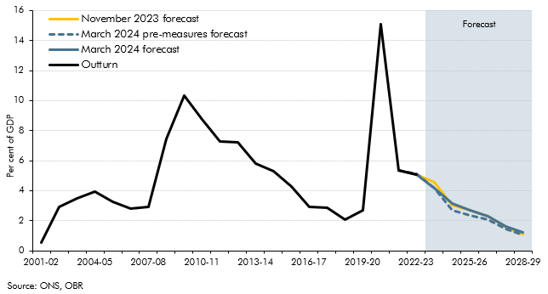

 |  | 2000-01 | 2001-02 | 2002-03 | 2003-04 | 2004-05 | 2005-06 | 2006-07 | 2007-08 | 2008-09 | 2009-10 | 2010-11 | 2011-12 | 2012-13 | 2013-14 | 2014-15 | 2015-16 | 2016-17 | 2017-18 | 2018-19 | 2019-20 | 2020-21 | 2021-22 | 2022-23 | 2023-24 | 2024-25 | 2025-26 | 2026-27 | 2027-28 | 2028-29
 | November 2023 forecast |  |  |  |  |  |  |  |  |  |  |  |  |  |  |  |  |  |  |  |  |  | 5.3 | 5.0 | 4.5 | 3.0 | 2.7 | 2.3 | 1.6 | 1.1
 | March 2024 pre-measures forecast |  |  |  |  |  |  |  |  |  |  |  |  |  |  |  |  |  |  |  |  |  | 5.3 | 5.1 | 4.2 | 2.7 | 2.3 | 2.1 | 1.5 | 1.1
 | March 2024 forecast |  |  |  |  |  |  |  |  |  |  |  |  |  |  |  |  |  |  |  |  |  | 5.3 | 5.0 | 4.2 | 3.1 | 2.7 | 2.3 | 1.6 | 1.2
 | Outturn | -1.4 | 0.5 | 2.9 | 3.5 | 3.9 | 3.3 | 2.8 | 2.9 | 7.4 | 10.3 | 8.7 | 7.2 | 7.2 | 5.8 | 5.3 | 4.3 | 2.9 | 2.9 | 2.1 | 2.7 | 15.1 | 5.3 | 5.0

C4.14
Back to contents
 | Chart 4.14: contributions to the fall in borrowing relative to 2023-24
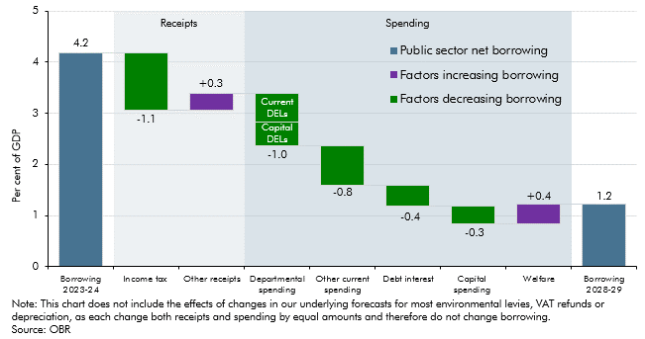

 |  | Level/change
 | Borrowing 2023-24 | 4.2
 | Income tax | -1.1
 | Other receipts | 0.3
 | Departmental spending | -1.0
 | Other current spending | -0.8
 | Debt interest | -0.4
 | Capital spending | -0.3
 | Welfare | 0.4
 | Borrowing 2028-29 | 1.2

C4.15
Back to contents
 | Chart 4.15: Public sector net borrowing: changes since November 2023
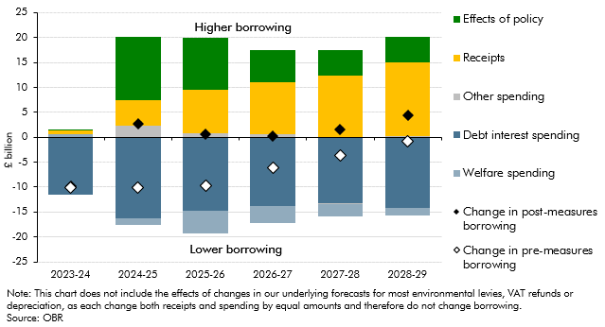

 | £ billion | 2023-24 | 2024-25 | 2025-26 | 2026-27 | 2027-28 | 2028-29
 | Effects of policy | 0.3 | 12.7 | 10.4 | 6.4 | 5.1 | 5.2
 | Receipts | 0.8 | 5.2 | 8.7 | 10.4 | 12.3 | 14.8
 | Other spending | 0.1 | 2.3 | 0.8 | 0.6 | 0.0 | 0.2
 | Debt interest spending | -11.5 | -16.2 | -14.7 | -13.8 | -13.3 | -14.2
 | Welfare spending | 0.5 | -1.4 | -4.6 | -3.3 | -2.6 | -1.5
 | Change in post-measures borrowing | -9.8 | 2.7 | 0.6 | 0.3 | 1.5 | 4.4
 | Change in pre-measures borrowing | -10.1 | -10.0 | -9.7 | -6.2 | -3.6 | -0.8

C4.G
Back to contents
 | Chart G: Forecast of quarterly and cumulative flows to and from the APF
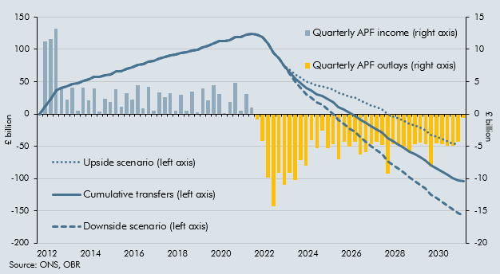

 |  | Quarterly APF income (right axis) | Quarterly APF outlays (right axis) | Cumulative transfers (left axis) | Downside scenario (left axis) | Upside scenario (left axis)
 | 2012 Q4 | 0.0 |  | 0.0 | 0.0 | 0.0
 | 2013 Q1 | 11.3 |  | 11.3 | 11.3 | 11.3
 | 2013 Q2 | 11.7 |  | 22.9 | 22.9 | 22.9
 | 2013 Q3 | 13.2 |  | 36.1 | 36.1 | 36.1
 | 2013 Q4 | 4.1 |  | 40.2 | 40.2 | 40.2
 | 2014 Q1 | 2.2 |  | 42.4 | 42.4 | 42.4
 | 2014 Q2 | 4.1 |  | 46.5 | 46.5 | 46.5
 | 2014 Q3 | 0.5 |  | 47.0 | 47.0 | 47.0
 | 2014 Q4 | 4.1 |  | 51.1 | 51.1 | 51.1
 | 2015 Q1 | 2.1 |  | 53.1 | 53.1 | 53.1
 | 2015 Q2 | 3.9 |  | 57.0 | 57.0 | 57.0
 | 2015 Q3 | 0.4 |  | 57.4 | 57.4 | 57.4
 | 2015 Q4 | 2.3 |  | 59.7 | 59.7 | 59.7
 | 2016 Q1 | 1.9 |  | 61.6 | 61.6 | 61.6
 | 2016 Q2 | 3.8 |  | 65.4 | 65.4 | 65.4
 | 2016 Q3 | 1.1 |  | 66.6 | 66.6 | 66.6
 | 2016 Q4 | 3.2 |  | 69.8 | 69.8 | 69.8
 | 2017 Q1 | 2.2 |  | 72.0 | 72.0 | 72.0
 | 2017 Q2 | 4.4 |  | 76.4 | 76.4 | 76.4
 | 2017 Q3 | 0.8 |  | 77.2 | 77.2 | 77.2
 | 2017 Q4 | 4.2 |  | 81.4 | 81.4 | 81.4
 | 2018 Q1 | 0.6 |  | 82.0 | 82.0 | 82.0
 | 2018 Q2 | 3.4 |  | 85.3 | 85.3 | 85.3
 | 2018 Q3 | 2.6 |  | 87.9 | 87.9 | 87.9
 | 2018 Q4 | 3.3 |  | 91.2 | 91.2 | 91.2
 | 2019 Q1 | 0.5 |  | 91.7 | 91.7 | 91.7
 | 2019 Q2 | 3.0 |  | 94.7 | 94.7 | 94.7
 | 2019 Q3 | 0.5 |  | 95.1 | 95.1 | 95.1
 | 2019 Q4 | 3.4 |  | 98.6 | 98.6 | 98.6
 | 2020 Q1 | 0.3 |  | 98.8 | 98.8 | 98.8
 | 2020 Q2 | 4.0 |  | 102.8 | 102.8 | 102.8
 | 2020 Q3 | 2.1 |  | 105.0 | 105.0 | 105.0
 | 2020 Q4 | 4.5 |  | 109.4 | 109.4 | 109.4
 | 2021 Q1 | 3.0 |  | 112.5 | 112.5 | 112.5
 | 2021 Q2 | 0.0 |  | 112.5 | 112.5 | 112.5
 | 2021 Q3 | 1.8 |  | 114.3 | 114.3 | 114.3
 | 2021 Q4 | 4.9 |  | 119.2 | 119.2 | 119.2
 | 2022 Q1 | 0.5 |  | 119.7 | 119.7 | 119.7
 | 2022 Q2 | 3.1 |  | 122.8 | 122.8 | 122.8
 | 2022 Q3 | 1.0 |  | 123.9 | 123.9 | 123.9
 | 2022 Q4 |  | -0.8 | 123.0 | 123.0 | 123.0
 | 2023 Q1 |  | -4.2 | 118.8 | 118.8 | 118.8
 | 2023 Q2 |  | -9.8 | 109.0 | 109.0 | 109.0
 | 2023 Q3 |  | -14.3 | 94.7 | 94.7 | 94.7
 | 2023 Q4 |  | -9.1 | 85.6 | 85.6 | 85.6
 | 2024 Q1 |  | -11.0 | 74.6 | 74.6 | 74.6
 | 2024 Q2 |  | -9.2 | 65.4 | 62.4 | 68.4
 | 2024 Q3 |  | -10.3 | 55.2 | 49.8 | 60.7
 | 2024 Q4 |  | -7.2 | 48.0 | 40.4 | 56.0
 | 2025 Q1 |  | -8.0 | 40.1 | 30.7 | 49.9
 | 2025 Q2 |  | -4.1 | 36.0 | 24.9 | 47.6
 | 2025 Q3 |  | -5.3 | 30.7 | 18.0 | 44.0
 | 2025 Q4 |  | -2.5 | 28.2 | 13.8 | 43.0
 | 2026 Q1 |  | -5.3 | 22.8 | 6.4 | 39.9
 | 2026 Q2 |  | -4.7 | 18.1 | -0.3 | 37.4
 | 2026 Q3 |  | -7.0 | 11.1 | -9.2 | 32.5
 | 2026 Q4 |  | -4.3 | 6.9 | -15.4 | 30.2
 | 2027 Q1 |  | -5.0 | 1.9 | -22.2 | 27.1
 | 2027 Q2 |  | -4.3 | -2.5 | -28.3 | 24.7
 | 2027 Q3 |  | -6.2 | -8.7 | -36.2 | 20.3
 | 2027 Q4 |  | -6.0 | -14.7 | -43.8 | 16.1
 | 2028 Q1 |  | -4.7 | -19.3 | -50.1 | 13.2
 | 2028 Q2 |  | -4.4 | -23.7 | -56.0 | 10.5
 | 2028 Q3 |  | -4.8 | -28.5 | -62.3 | 7.2
 | 2028 Q4 |  | -9.2 | -37.8 | -72.9 | -0.4
 | 2029 Q1 |  | -4.7 | -42.4 | -78.9 | -3.7
 | 2029 Q2 |  | -4.8 | -47.2 | -85.0 | -6.9
 | 2029 Q3 |  | -5.0 | -52.2 | -91.2 | -10.4
 | 2029 Q4 |  | -5.9 | -58.1 | -98.3 | -15.0
 | 2030 Q1 |  | -4.7 | -62.8 | -104.2 | -18.4
 | 2030 Q2 |  | -4.5 | -67.3 | -109.8 | -21.6
 | 2030 Q3 |  | -4.7 | -72.0 | -115.6 | -25.1
 | 2030 Q4 |  | -8.2 | -80.2 | -124.8 | -32.1
 | 2031 Q1 |  | -4.5 | -84.7 | -130.3 | -35.5
 | 2031 Q2 |  | -4.7 | -89.4 | -136.0 | -39.0
 | 2031 Q3 |  | -4.9 | -94.3 | -141.9 | -42.8
 | 2031 Q4 |  | -5.0 | -99.3 | -147.9 | -46.6
 | 2032 Q1 |  | -4.3 | -103.6 | -153.1 | -46.6
 | 2032 Q2 |  | -0.6 | -104.2 | -156.9 | -46.6

C4.16
Back to contents
 | Chart 4.16: UK gilt issuance and change in private sector holdings of gilts
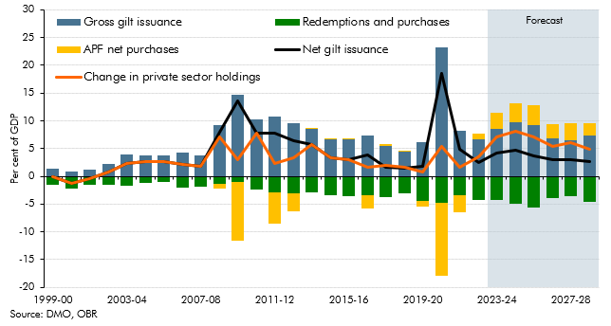

 |  | 1999-00 | 2000-01 | 2001-02 | 2002-03 | 2003-04 | 2004-05 | 2005-06 | 2006-07 | 2007-08 | 2008-09 | 2009-10 | 2010-11 | 2011-12 | 2012-13 | 2013-14 | 2014-15 | 2015-16 | 2016-17 | 2017-18 | 2018-19 | 2019-20 | 2020-21 | 2021-22 | 2022-23 | 2023-24 | 2024-25 | 2025-26 | 2026-27 | 2027-28 | 2028-29
 | Gross gilt issuance | 1.4 | 0.9 | 1.2 | 2.2 | 3.9 | 3.7 | 3.7 | 4.2 | 3.7 | 9.3 | 14.6 | 10.2 | 10.7 | 9.6 | 8.5 | 6.7 | 6.6 | 7.3 | 5.5 | 4.5 | 6.1 | 23.3 | 8.2 | 6.6 | 8.5 | 9.8 | 9.3 | 6.9 | 6.6 | 7.4
 | Redemptions and purchases | -1.5 | -2.2 | -1.6 | -1.4 | -1.7 | -1.1 | -1.0 | -2.0 | -1.9 | -1.3 | -1.1 | -2.4 | -2.9 | -3.1 | -2.9 | -3.4 | -3.6 | -3.5 | -3.8 | -3.1 | -4.4 | -4.7 | -3.4 | -4.2 | -4.3 | -5.0 | -5.7 | -3.9 | -3.5 | -4.7
 | APF net purchases | 0.0 | 0.0 | 0.0 | 0.0 | 0.0 | 0.0 | 0.0 | 0.0 | 0.0 | -0.8 | -10.6 | 0.0 | -5.6 | -3.2 | 0.0 | 0.0 | 0.0 | -2.3 | 0.3 | 0.1 | -1.0 | -13.2 | -3.2 | 1.1 | 3.0 | 3.4 | 3.5 | 2.4 | 3.0 | 2.1
 | Net gilt issuance | -0.1 | -1.3 | -0.4 | 0.7 | 2.2 | 2.6 | 2.7 | 2.2 | 1.9 | 7.9 | 13.5 | 7.8 | 7.8 | 6.5 | 5.7 | 3.3 | 3.0 | 3.9 | 1.7 | 1.5 | 1.7 | 18.6 | 4.9 | 2.4 | 4.2 | 4.8 | 3.6 | 3.0 | 3.0 | 2.7
 | Change in private sector holdings | -0.1 | -1.3 | -0.4 | 0.7 | 2.2 | 2.6 | 2.7 | 2.2 | 1.9 | 7.1 | 2.9 | 7.8 | 2.2 | 3.3 | 5.7 | 3.3 | 3.0 | 1.6 | 2.0 | 1.6 | 0.7 | 5.4 | 1.7 | 3.5 | 7.2 | 8.2 | 7.1 | 5.4 | 6.1 | 4.8

C4.17
Back to contents
 | Chart 4.17: Public sector net debt (excluding Bank of England)
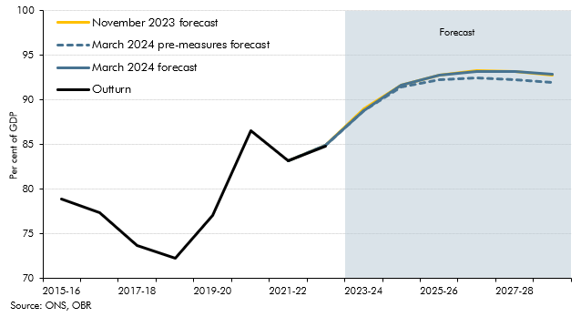

 |  | 2015-16 | 2016-17 | 2017-18 | 2018-19 | 2019-20 | 2020-21 | 2021-22 | 2022-23 | 2023-24 | 2024-25 | 2025-26 | 2026-27 | 2027-28 | 2028-29
 | November 2023 forecast |  |  |  |  |  |  |  |  | 89.0 | 91.6 | 92.7 | 93.2 | 93.2 | 92.8
 | March 2024 pre-measures forecast |  |  |  |  |  |  |  |  | 88.8 | 91.4 | 92.2 | 92.4 | 92.3 | 91.9
 | March 2024 forecast |  |  |  |  |  |  |  |  | 88.8 | 91.7 | 92.8 | 93.2 | 93.2 | 92.9
 | Outturn | 78.9 | 77.4 | 73.7 | 72.3 | 77.1 | 86.5 | 83.2 | 84.8

C4.18
Back to contents
 | Chart 4.18: Four measures of the public sector balance sheet
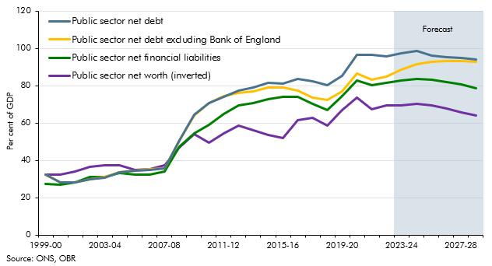

 |  | 1999-00 | 2000-01 | 2001-02 | 2002-03 | 2003-04 | 2004-05 | 2005-06 | 2006-07 | 2007-08 | 2008-09 | 2009-10 | 2010-11 | 2011-12 | 2012-13 | 2013-14 | 2014-15 | 2015-16 | 2016-17 | 2017-18 | 2018-19 | 2019-20 | 2020-21 | 2021-22 | 2022-23 | 2023-24 | 2024-25 | 2025-26 | 2026-27 | 2027-28 | 2028-29
 | Public sector net debt | 32.5 | 28.3 | 28.1 | 29.8 | 30.9 | 33.5 | 34.3 | 35.1 | 35.6 | 50.6 | 64.7 | 70.9 | 74.3 | 77.5 | 79.2 | 81.6 | 81.3 | 83.5 | 82.3 | 80.3 | 85.2 | 96.5 | 96.6 | 95.7 | 97.6 | 98.8 | 96.4 | 95.5 | 95.1 | 94.3
 | Public sector net debt excluding Bank of England | 32.6 | 28.4 | 28.2 | 29.9 | 31.0 | 33.6 | 34.5 | 35.3 | 35.8 | 50.6 | 63.9 | 70.6 | 74.6 | 76.2 | 77.0 | 79.2 | 78.9 | 77.4 | 73.7 | 72.3 | 77.1 | 86.5 | 83.2 | 84.9 | 88.8 | 91.7 | 92.8 | 93.2 | 93.2 | 92.9
 | Public sector net financial liabilities | 27.6 | 26.9 | 28.4 | 31.3 | 31.3 | 33.4 | 32.4 | 32.5 | 34.2 | 47.5 | 54.6 | 58.9 | 65.0 | 69.7 | 70.7 | 72.9 | 74.0 | 74.2 | 70.2 | 66.9 | 74.5 | 83.0 | 80.5 | 81.4 | 82.9 | 83.6 | 83.2 | 82.1 | 80.6 | 78.7
 | Public sector net worth (inverted) | 32.3 | 32.4 | 34.2 | 36.6 | 37.5 | 37.3 | 34.9 | 35.1 | 37.4 | 46.9 | 54.1 | 49.5 | 54.6 | 58.7 | 56.3 | 53.5 | 52.0 | 61.4 | 63.0 | 58.9 | 67.1 | 73.5 | 67.4 | 69.7 | 69.5 | 70.2 | 69.5 | 67.9 | 66.0 | 63.9

C4.H
Back to contents
 | Chart H: Borrowing and PSND ex BoE in the migration scenarios
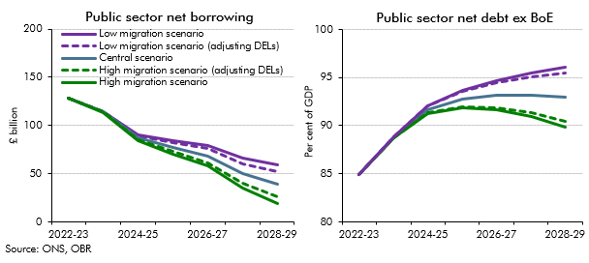

 | Public sector net debt ex BoE | 2022-23 | 2023-24 | 2024-25 | 2025-26 | 2026-27 | 2027-28 | 2028-29
 | Central forecast | 84.9 | 88.8 | 91.7 | 92.8 | 93.2 | 93.2 | 92.9
 | High migration scenario (adusting DELs) | 84.9 | 88.7 | 91.3 | 92.0 | 91.9 | 91.3 | 90.4
 | High migration scenario | 84.9 | 88.7 | 91.3 | 91.9 | 91.6 | 90.9 | 89.9
 | Low migration scenario (adjusting DELs) | 84.9 | 88.8 | 92.0 | 93.6 | 94.5 | 95.1 | 95.5
 | Low migration scenario | 84.9 | 88.8 | 92.1 | 93.7 | 94.7 | 95.5 | 96.1

 | Public sector net borrowing | 2022-23 | 2023-24 | 2024-25 | 2025-26 | 2026-27 | 2027-28 | 2028-29
 | Central scenario | 129 | 114 | 87 | 77 | 69 | 51 | 39
 | High migration scenario (adjusting DELs) | 129 | 114 | 85 | 73 | 62 | 41 | 26
 | High migration scenario | 129 | 114 | 84 | 70 | 58 | 35 | 20
 | Low migration scenario (adjusting DELs) | 129 | 114 | 90 | 82 | 76 | 61 | 53
 | Low migration scenario | 129 | 114 | 91 | 84 | 80 | 66 | 59

