C3.A
Back to contents
 | Chart 3.A: Scottish and UK marginal income tax and NICs rates in 2024-25

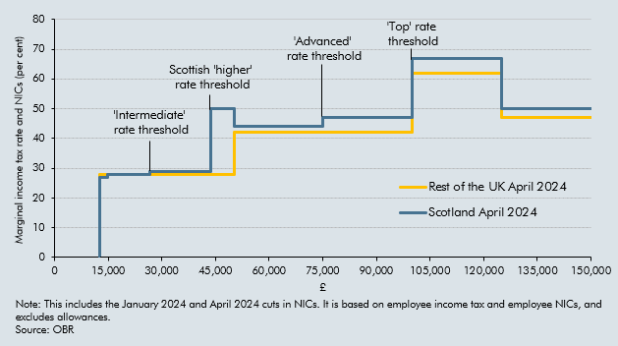

 | Income | Rest of the UK April 2024 | Scotland April 2024
 | 12,569 | 0% | 0%
 | 12,570 | 8% | 8%
 | 12,571 | 28% | 27%
 | 13,000 | 28% | 27%
 | 14,000 | 28% | 27%
 | 14,732 | 28% | 27%
 | 14,733 | 28% | 27%
 | 14,876 | 28% | 28%
 | 14,877 | 28% | 28%
 | 15,000 | 28% | 28%
 | 16,000 | 28% | 28%
 | 17,000 | 28% | 28%
 | 18,000 | 28% | 28%
 | 19,000 | 28% | 28%
 | 20,000 | 28% | 28%
 | 21,000 | 28% | 28%
 | 22,000 | 28% | 28%
 | 23,000 | 28% | 28%
 | 24,000 | 28% | 28%
 | 25,000 | 28% | 28%
 | 25,688 | 28% | 28%
 | 25,689 | 28% | 28%
 | 26,000 | 28% | 28%
 | 26,562 | 28% | 28%
 | 26,563 | 28% | 29%
 | 27,000 | 28% | 29%
 | 28,000 | 28% | 29%
 | 29,000 | 28% | 29%
 | 30,000 | 28% | 29%
 | 31,000 | 28% | 29%
 | 32,000 | 28% | 29%
 | 33,000 | 28% | 29%
 | 34,000 | 28% | 29%
 | 35,000 | 28% | 29%
 | 36,000 | 28% | 29%
 | 37,000 | 28% | 29%
 | 38,000 | 28% | 29%
 | 39,000 | 28% | 29%
 | 40,000 | 28% | 29%
 | 41,000 | 28% | 29%
 | 42,000 | 28% | 29%
 | 43,000 | 28% | 29%
 | 43,662 | 28% | 29%
 | 43,663 | 28% | 50%
 | 44,000 | 28% | 50%
 | 45,000 | 28% | 50%
 | 46,000 | 28% | 50%
 | 47,000 | 28% | 50%
 | 48,000 | 28% | 50%
 | 49,000 | 28% | 50%
 | 50,000 | 28% | 50%
 | 50,270 | 28% | 50%
 | 50,271 | 42% | 44%
 | 51,000 | 42% | 44%
 | 52,000 | 42% | 44%
 | 52,001 | 42% | 44%
 | 53,000 | 42% | 44%
 | 54,000 | 42% | 44%
 | 55,000 | 42% | 44%
 | 56,000 | 42% | 44%
 | 57,000 | 42% | 44%
 | 58,000 | 42% | 44%
 | 59,000 | 42% | 44%
 | 60,000 | 42% | 44%
 | 61,000 | 42% | 44%
 | 62,000 | 42% | 44%
 | 63,000 | 42% | 44%
 | 64,000 | 42% | 44%
 | 65,000 | 42% | 44%
 | 66,000 | 42% | 44%
 | 67,000 | 42% | 44%
 | 68,000 | 42% | 44%
 | 69,000 | 42% | 44%
 | 70,000 | 42% | 44%
 | 71,000 | 42% | 44%
 | 72,000 | 42% | 44%
 | 73,000 | 42% | 44%
 | 74,000 | 42% | 44%
 | 75,000 | 42% | 44%
 | 75,001 | 42% | 47%
 | 76,000 | 42% | 47%
 | 77,000 | 42% | 47%
 | 78,000 | 42% | 47%
 | 79,000 | 42% | 47%
 | 80,000 | 42% | 47%
 | 81,000 | 42% | 47%
 | 82,000 | 42% | 47%
 | 83,000 | 42% | 47%
 | 84,000 | 42% | 47%
 | 85,000 | 42% | 47%
 | 86,000 | 42% | 47%
 | 87,000 | 42% | 47%
 | 88,000 | 42% | 47%
 | 89,000 | 42% | 47%
 | 90,000 | 42% | 47%
 | 91,000 | 42% | 47%
 | 92,000 | 42% | 47%
 | 93,000 | 42% | 47%
 | 94,000 | 42% | 47%
 | 95,000 | 42% | 47%
 | 96,000 | 42% | 47%
 | 97,000 | 42% | 47%
 | 98,000 | 42% | 47%
 | 99,000 | 42% | 47%
 | 100,000 | 42% | 47%
 | 100,001 | 62% | 67%
 | 101,000 | 62% | 67%
 | 102,000 | 62% | 67%
 | 103,000 | 62% | 67%
 | 104,000 | 62% | 67%
 | 105,000 | 62% | 67%
 | 106,000 | 62% | 67%
 | 107,000 | 62% | 67%
 | 108,000 | 62% | 67%
 | 109,000 | 62% | 67%
 | 110,000 | 62% | 67%
 | 111,000 | 62% | 67%
 | 112,000 | 62% | 67%
 | 113,000 | 62% | 67%
 | 114,000 | 62% | 67%
 | 115,000 | 62% | 67%
 | 116,000 | 62% | 67%
 | 117,000 | 62% | 67%
 | 118,000 | 62% | 67%
 | 119,000 | 62% | 67%
 | 120,000 | 62% | 67%
 | 121,000 | 62% | 67%
 | 122,000 | 62% | 67%
 | 123,000 | 62% | 67%
 | 124,000 | 62% | 67%
 | 125,000 | 62% | 67%
 | 125,140 | 62% | 67%
 | 125,141 | 47% | 50%
 | 126,000 | 47% | 50%
 | 127,000 | 47% | 50%
 | 128,000 | 47% | 50%
 | 129,000 | 47% | 50%
 | 130,000 | 47% | 50%
 | 131,000 | 47% | 50%
 | 132,000 | 47% | 50%
 | 133,000 | 47% | 50%
 | 134,000 | 47% | 50%
 | 135,000 | 47% | 50%
 | 136,000 | 47% | 50%
 | 137,000 | 47% | 50%
 | 138,000 | 47% | 50%
 | 139,000 | 47% | 50%
 | 140,000 | 47% | 50%
 | 141,000 | 47% | 50%
 | 142,000 | 47% | 50%
 | 143,000 | 47% | 50%
 | 144,000 | 47% | 50%
 | 145,000 | 47% | 50%
 | 146,000 | 47% | 50%
 | 147,000 | 47% | 50%
 | 148,000 | 47% | 50%
 | 149,000 | 47% | 50%
 | 150,000 | 47% | 50%
 | 151,000 | 47% | 50%
 | 152,000 | 47% | 50%
 | 153,000 | 47% | 50%
 | 154,000 | 47% | 50%
 | 155,000 | 47% | 50%
 | 156,000 | 47% | 50%
 | 157,000 | 47% | 50%
 | 158,000 | 47% | 50%
 | 159,000 | 47% | 50%
 | 160,000 | 47% | 50%
 | 161,000 | 47% | 50%
 | 162,000 | 47% | 50%
 | 163,000 | 47% | 50%
 | 164,000 | 47% | 50%
 | 165,000 | 47% | 50%
 | 166,000 | 47% | 50%
 | 167,000 | 47% | 50%
 | 168,000 | 47% | 50%
 | 169,000 | 47% | 50%
 | 170,000 | 47% | 50%
 | 171,000 | 47% | 50%
 | 172,000 | 47% | 50%
 | 173,000 | 47% | 50%
 | 174,000 | 47% | 50%
 | 175,000 | 47% | 50%
 | 176,000 | 47% | 50%
 | 177,000 | 47% | 50%
 | 178,000 | 47% | 50%
 | 179,000 | 47% | 50%
 | 180,000 | 47% | 50%
 | 181,000 | 47% | 50%
 | 182,000 | 47% | 50%
 | 183,000 | 47% | 50%
 | 184,000 | 47% | 50%
 | 185,000 | 47% | 50%
 | 186,000 | 47% | 50%
 | 187,000 | 47% | 50%
 | 188,000 | 47% | 50%
 | 189,000 | 47% | 50%
 | 190,000 | 47% | 50%
 | 191,000 | 47% | 50%
 | 192,000 | 47% | 50%
 | 193,000 | 47% | 50%
 | 194,000 | 47% | 50%
 | 195,000 | 47% | 50%
 | 196,000 | 47% | 50%
 | 197,000 | 47% | 50%
 | 198,000 | 47% | 50%
 | 199,000 | 47% | 50%
 | 200,000 | 47% | 50%

C3.B
Back to contents
 | Chart 3.B: Taxable income elasticities applied to this costing

 |  |  | Current TIEs
 |  |  | 0.05
 |  |  | 0.09
 | 0.6 |  | 0.13
 | 0.6 |  | 0.17
 | 0.6 |  | 0.21
 | 0.6 |  | 0.25
 |  | 0.6 | 0.35
 |  | 0.6 | 0.5
'Advanced' rate
'Top' rate

 | Income | Taxable income elasticities
 | £50k to £60k | 0.05
 | £60k to £70k | 0.09
 | £70k to £80k | 0.13
 | £80k to £90k | 0.17
 | £90k to £100k | 0.21
 | £100k to £124.1k | 0.25
 | £124.1k to £150k | 0.35
 | Over £150k | 0.50

C4.1
Back to contents
 | Chart 4.1: Cumulative monthly LBTT receipts: 2021-22 to 2023-24

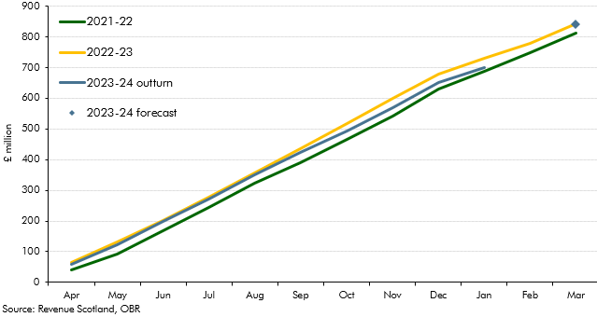

 |  | Cumulative Tax Liabilities
 | Apr 2021 | 41.9
 | May | 92.7
 | Jun | 169.8
 | Jul | 245.0
 | Aug | 323.5
 | Sep | 390.5
 | Oct | 466.7
 | Nov | 542.7
 | Dec | 630.4
 | Jan 2022 | 686.7
 | Feb | 747
 | Mar | 813.3
 | Apr | 64.4
 | May | 132.9
 | Jun | 201.1
 | Jul | 277.2
 | Aug | 356.8
 | Sep | 435.1
 | Oct | 517.3
 | Nov | 600.7
 | Dec | 679.1
 | Jan 2023 | 730.3
 | Feb | 778.1
 | Mar | 841.5
 | Apr | 60
 | May | 121.6
 | Jun | 197.7
 | Jul | 271.5
 | Aug | 351.9
 | Sep | 423.4
 | Oct | 494.1
 | Nov | 568.7
 | Dec | 650.4
 | Jan 2024 | 701.2

 | 2023-24 forecast | 840.0

C4.2
Back to contents
 | Chart 4.2: Cumulative monthly LTT receipts: 2021-22 to 2023-24

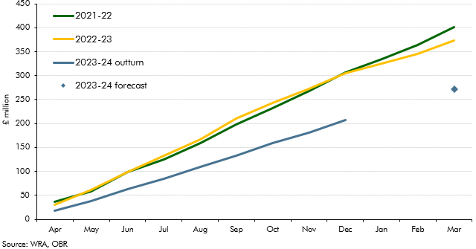

 |  | Cumulative Tax Liabilities
 | Apr 2021 | 36.8
 | May | 57.9
 | Jun | 98.8
 | Jul | 124.9
 | Aug | 159.3
 | Sept | 197.3
 | Oct | 231.9
 | Nov | 267.2
 | Dec | 306.7
 | Jan 2022 | 335.2
 | Feb | 364.5
 | Mar | 401.7
 | Apr | 30.1
 | May | 62.1
 | Jun | 99.2
 | Jul | 133.2
 | Aug | 166.6
 | Sep | 209.9
 | Oct | 243.1
 | Nov | 273.1
 | Dec | 305.1
 | Jan 2023 | 324.7
 | Feb | 345.0
 | Mar | 373.6
 | Apr | 17.2
 | May | 37.8
 | Jun | 63.0
 | Jul | 84.1
 | Aug | 108.8
 | Sep | 133.3
 | Oct | 158.7
 | Nov | 180.6
 | Dec | 207.4

 | 2023-24 forecast | 272.0

