C3.1
Back to contents
 | Chart 3.1: The cost of pandemic-related rescue measures

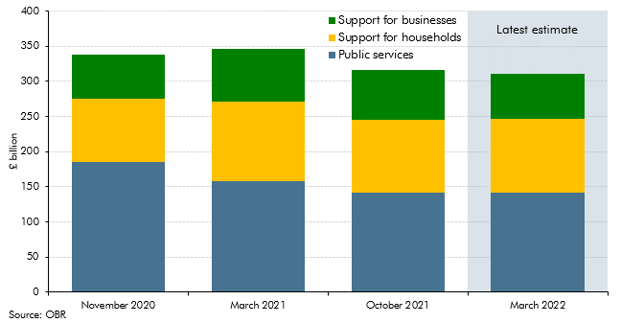

 |  | November 2020 | March 2021 | October 2021 | March 2022
 | Public services | 185.6 | 158.4 | 141.9 | 141.9
 | Support for households | 89.7 | 112.8 | 103.4 | 104.3
 | Support for businesses | 63.1 | 74.9 | 71.3 | 64.5

C3.2
Back to contents
 | Chart 3.2: National Accounts taxes as a share of GDP

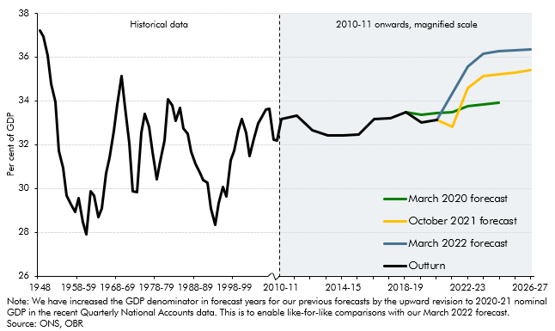

 |  | Outturn | March 2022 forecast | October 2021 forecast | March 2020 forecast
 | 1948 | 37.2
 | 1949 | 36.9
 | 1950 | 36.1
 | 1951 | 34.8
 | 1952 | 34.0
 | 1953 | 31.7
 | 1954 | 30.9
 | 1955-56 | 29.7
 | 1956-57 | 29.3
 | 1957-58 | 28.9
 | 1958-59 | 29.5
 | 1959-60 | 28.4
 | 1960-61 | 27.9
 | 1961-62 | 29.9
 | 1962-63 | 29.7
 | 1963-64 | 28.7
 | 1964-65 | 29.1
 | 1965-66 | 30.7
 | 1966-67 | 31.4
 | 1967-68 | 32.6
 | 1968-69 | 33.8
 | 1969-70 | 35.1
 | 1970-71 | 33.7
 | 1971-72 | 32.1
 | 1972-73 | 29.9
 | 1973-74 | 29.8
 | 1974-75 | 32.5
 | 1975-76 | 33.4
 | 1976-77 | 32.8
 | 1977-78 | 31.7
 | 1978-79 | 30.4
 | 1979-80 | 31.2
 | 1980-81 | 32.2
 | 1981-82 | 34.1
 | 1982-83 | 33.8
 | 1983-84 | 33.1
 | 1984-85 | 33.7
 | 1985-86 | 32.7
 | 1986-87 | 32.5
 | 1987-88 | 31.7
 | 1988-89 | 31.1
 | 1989-90 | 30.7
 | 1990-91 | 30.4
 | 1991-92 | 30.3
 | 1992-93 | 29.1
 | 1993-94 | 28.3
 | 1994-95 | 29.3
 | 1995-96 | 30.1
 | 1996-97 | 29.6
 | 1997-98 | 31.3
 | 1998-99 | 31.7
 | 1999-00 | 32.6
 | 2000-01 | 33.2
 | 2001-02 | 32.5
 | 2002-03 | 31.5
 | 2003-04 | 32.3
 | 2004-05 | 33.0
 | 2005-06 | 33.3
 | 2006-07 | 33.6
 | 2007-08 | 33.6
 | 2008-09 | 32.2
 | 2009-10 | 32.2
 | 2010-11 | 33.2
 | 2011-12 | 33.3
 | 2012-13 | 32.6
 | 2013-14 | 32.4
 | 2014-15 | 32.4
 | 2015-16 | 32.5
 | 2016-17 | 33.2
 | 2017-18 | 33.2
 | 2018-19 | 33.5 |  |  | 33.5
 | 2019-20 | 33.0 |  |  | 33.3
 | 2020-21 | 33.1 | 33.1 | 33.1 | 33.4
 | 2021-22 |  | 34.4 | 32.8 | 33.5
 | 2022-23 |  | 35.5 | 34.6 | 33.8
 | 2023-24 |  | 36.2 | 35.1 | 33.9
 | 2024-25 |  | 36.2 | 35.2 | 33.9
 | 2025-26 |  | 36.3 | 35.3
 | 2026-27 |  | 36.3 | 35.4

C3.A
Back to contents
 | Chart A: Real GDP and tax revenues: October forecast versus outturn

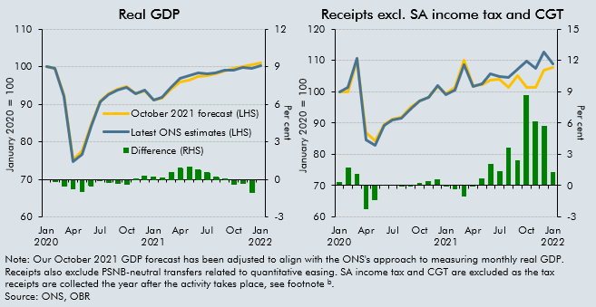

 |  | Real GDP |  |  | Receipts ex SA-IT and CGT (and APF)
 |  | October 2021 forecast (LHS) | Latest ONS estimates (LHS) | Difference (RHS) | October 2021 forecast | Latest outturn | Difference (RHS)
 | Jan 2020 | 100 | 100 |  | 100 | 100 | 0.3
 | Feb | 99.7 | 99.5 | -0.2 | 99.9 | 101.3 | 1.7
 | Mar | 92.5 | 92.0 | -0.5 | 109.9 | 110.8 | 1.1
 | Apr | 75.2 | 74.6 | -0.8 | 86.8 | 84.6 | -2.3
 | May | 77.5 | 76.8 | -1.0 | 84.3 | 82.9 | -1.4
 | Jun | 84.6 | 84.2 | -0.5 | 89.6 | 89.4 | 0.1
 | Jul | 90.8 | 90.7 | 0.0 | 91.2 | 91.0 | 0.0
 | Aug | 92.8 | 92.6 | -0.2 | 91.9 | 91.6 | 0.0
 | Sep | 94.0 | 93.7 | -0.3 | 94.9 | 94.5 | -0.1
 | Oct | 94.8 | 94.5 | -0.3 | 97.0 | 96.9 | 0.3
 | Nov | 92.7 | 92.8 | 0.1 | 98.2 | 98.3 | 0.4
 | Dec | 93.6 | 93.9 | 0.3 | 101.6 | 101.9 | 0.6
 | Jan 2021 | 91.0 | 91.2 | 0.2 | 99.4 | 99.0 | -0.1
 | Feb | 91.7 | 91.9 | 0.2 | 101.3 | 100.6 | -0.3
 | Mar | 93.9 | 94.5 | 0.6 | 110.0 | 108.5 | -1.0
 | Apr | 95.9 | 96.9 | 0.9 | 102.1 | 101.7 | -0.1
 | May | 96.5 | 97.5 | 1.1 | 102.2 | 102.6 | 0.7
 | Jun | 97.5 | 98.3 | 0.8 | 103.8 | 105.6 | 2.1
 | Jul | 97.6 | 98.2 | 0.6 | 103.9 | 104.9 | 1.3
 | Aug | 98.2 | 98.4 | 0.2 | 101.4 | 104.7 | 3.6
 | Sep | 98.9 | 99.0 | 0.1 | 105.1 | 107.3 | 2.4
 | Oct | 99.5 | 99.1 | -0.4 | 101.5 | 109.9 | 8.6
 | Nov | 100.1 | 99.8 | -0.3 | 101.4 | 107.3 | 6.2
 | Dec | 100.6 | 99.5 | -1.0 | 106.9 | 112.7 | 5.8
 | Jan 2022 | 100.9 | 100.4 |  | 107.9 | 108.9 | 1.3

C3.3
Back to contents
 | Chart 3.3: The rise in the tax-to-GDP ratio between 2019-20 and 2026-27

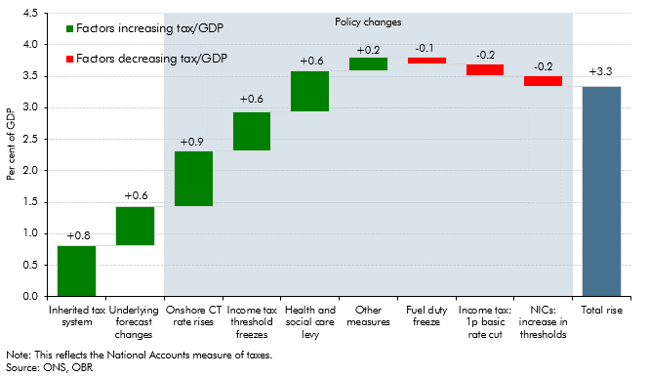

 |  | the tax-to-GDP ratio
 | Inherited tax system | 0.8
 | Underlying forecast changes | 0.6
 | Onshore CT rate rises | 0.9
 | Income tax threshold freezes | 0.6
 | Health and social care levy | 0.6
 | Other measures | 0.2
 | Fuel duty freeze | -0.1
 | Income tax: 1p basic rate cut | -0.2
 | NICs: increase in thresholds | -0.2
 | Total rise | 3.3

C3.4
Back to contents
 | Chart 3.4: Changes to receipts relative to our March 2020 forecast

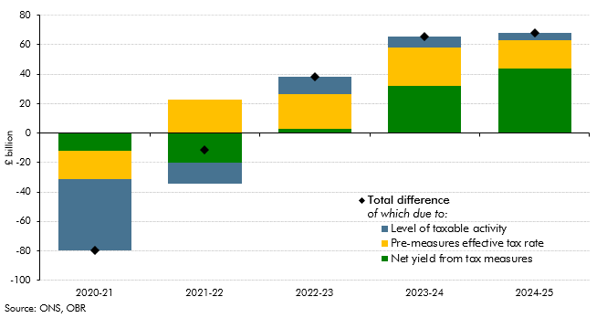

 |  | 2020-21 | 2021-22 | 2022-23 | 2023-24 | 2024-25
 | Total change in receipts | -79.9 | -11.3 | 38.3 | 65.4 | 68.2
 | Net yield from tax measures | -12.3 | -20.1 | 2.6 | 32.3 | 43.8
 | Tax base revisions | -48.6 | -14.0 | 11.9 | 7.1 | 5.3
 | Pre-measures effective tax rate revisions | -19.0 | 22.8 | 23.8 | 26.0 | 19.1

C3.5
Back to contents
 | Chart 3.5: Changes to receipts relative to our October 2021 forecast

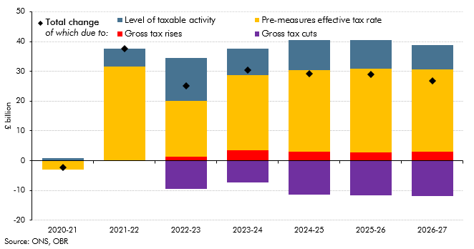

 |  | 2020-21 | 2021-22 | 2022-23 | 2023-24 | 2024-25 | 2025-26 | 2026-27
 | Total change | -2.2 | 37.5 | 25.1 | 30.3 | 29.1 | 28.9 | 26.8
 | Gross tax rises | 0.0 | 0.1 | 1.4 | 3.4 | 3.1 | 2.7 | 2.9
 | Gross tax cuts | 0.0 | 0.0 | -9.5 | -7.3 | -11.4 | -11.7 | -11.9
 | Tax base revisions | 0.8 | 5.8 | 14.6 | 8.9 | 10.2 | 9.8 | 8.1
 | Pre-measures effective tax rate revisions | -3.0 | 31.6 | 18.6 | 25.2 | 27.2 | 28.1 | 27.7

C3.B
Back to contents
 | Chart B: Growth in aggregate pay and tax paid, by employees’ marginal tax rates

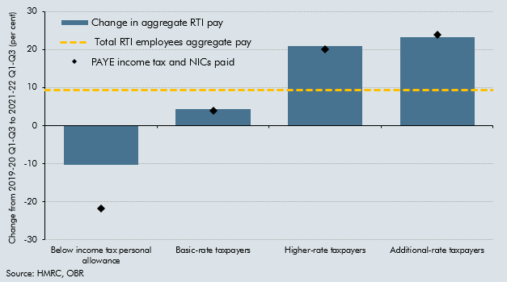

 |  | Change in aggregate RTI pay | PAYE income tax and NICs paid | Total RTI employees aggregate pay
 | Below income tax personal allowance | -10.3 | -21.9 | 9.4
 | Basic-rate taxpayers | 4.4 | 4 | 9.4
 | Higher-rate taxpayers | 21 | 20 | 9.4
 | Additional-rate taxpayers | 23.3 | 23.9 | 9.4

C3.C
Back to contents
 | Chart C: Aggregate two-year pay growth in the first three quarters of 2021-22 and average effective tax rates by sector

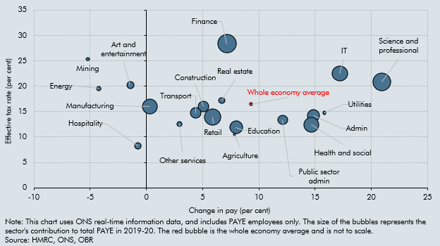

 |  | Pay Change per cent | Average ETR per cent | Per cent of receipts
 | Agriculture | 7.8 | 10.4 | 0.3
 | Mining | -5.2 | 25.4 | 0.6
 | Manufacturing | 0.3 | 16.0 | 9.5
 | Energy | -4.2 | 19.6 | 0.9
 | Utilities | 15.8 | 14.7 | 0.6
 | Construction | 5.1 | 16.0 | 4.8
 | Retail | 5.9 | 13.9 | 10.3
 | Transport | 4.4 | 14.7 | 4.6
 | Hospitality | -0.8 | 8.3 | 2.0
 | IT | 17.2 | 22.5 | 9.5
 | Finance | 7.2 | 28.4 | 13.4
 | Real estate | 6.7 | 17.2 | 1.7
 | Science and professional | 20.9 | 20.8 | 12.8
 | Admin | 14.8 | 14.2 | 6.2
 | Public sector admin | 12.1 | 13.4 | 3.9
 | Education | 8.0 | 11.9 | 6.7
 | Health and social | 14.7 | 12.4 | 8.8
 | Art and entertainment | -1.4 | 20.2 | 2.4
 | Other services | 2.9 | 12.6 | 1.1
 | Whole economy average | 9.3 | 16.5 | 0.5

C3.6
Back to contents
 | Chart 3.6: Year-to-date onshore corporation tax growth between 2019-20 and 2021-22 and pre-pandemic average effective tax rates by sector

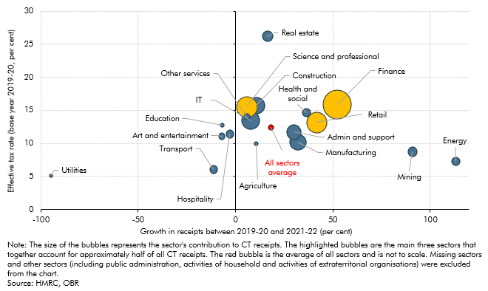

 |  | Per cent of receipts | ETR | Growth 2019-20 to 2021-22
 | Agriculture | 0.7 | 10.0 | 10.6
 | Mining | 2.7 | 8.7 | 90.8
 | Manufacturing | 7.8 | 10.2 | 32.0
 | Energy | 1.9 | 7.3 | 113.1
 | Utilities | 0.5 | 5.1 | -94.9
 | Construction | 8.1 | 15.7 | 10.6
 | Retail | 12.1 | 13.2 | 41.6
 | Transport | 2.1 | 6.1 | -11.3
 | Hospitality | 2.0 | 11.4 | -3.0
 | IT | 9.2 | 13.5 | 7.8
 | Finance | 23.4 | 15.9 | 52.2
 | Real estate | 3.3 | 26.2 | 16.4
 | Science and professional | 12.7 | 15.5 | 5.8
 | Public sector admin | 6.5 | 11.7 | 30.0
 | Education | 0.5 | 12.8 | -6.9
 | Health and social | 2.2 | 14.6 | 36.3
 | Art and entertainment | 1.3 | 11.1 | -7.0
 | Other services | 1.2 | 14.0 | 5.8
 | All sectors average | 1.0 | 12.4 | 18.3

C3.7
Back to contents
 | Chart 3.7: Oil and gas prices, sales and revenues

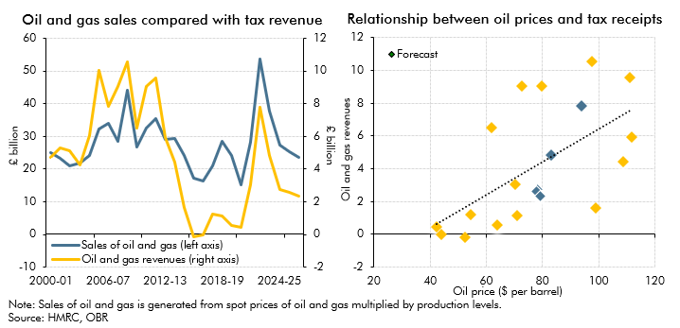

 |  | Sales (O+G) | Tax Revs(NABs) |  | Oil Price | Revenues
 | 2000-01 | 24879.3 | 4710.0 | 2000 | 28.3 | 4.7
 | 2001-02 | 23334.4 | 5314.0 | 2001 | 24.4 | 5.3
 | 2002-03 | 21015.4 | 5124.0 | 2002 | 25.0 | 5.1
 | 2003-04 | 21753.9 | 4274.0 | 2003 | 28.9 | 4.3
 | 2004-05 | 24270.8 | 6027.0 | 2004 | 38.3 | 6.0
 | 2005-06 | 32234.6 | 10038.0 | 2005 | 54.4 | 10.0
 | 2006-07 | 33961.8 | 7825.0 | 2006 | 65.4 | 7.8
 | 2007-08 | 28621.2 | 9058.0 | 2007 | 72.7 | 9.1
 | 2008-09 | 44038.6 | 10558.0 | 2008 | 97.6 | 10.6
 | 2009-10 | 26766.5 | 6523.0 | 2009 | 61.9 | 6.5
 | 2010-11 | 32472.1 | 9066.0 | 2010 | 79.6 | 9.1
 | 2011-12 | 35499.5 | 9552.0 | 2011 | 111.1 | 9.6
 | 2012-13 | 28940.5 | 5951.0 | 2012 | 112.0 | 6.0
 | 2013-14 | 29441.7 | 4428.0 | 2013 | 108.8 | 4.4
 | 2014-15 | 24097.0 | 1621.0 | 2014 | 98.9 | 1.6
 | 2015-16 | 17337.9 | -152.0 | 2015 | 52.4 | -0.2
 | 2016-17 | 16322.4 | -31.0 | 2016 | 44.0 | 0.0
 | 2017-18 | 20986.7 | 1225.0 | 2017 | 54.4 | 1.2
 | 2018-19 | 28439.1 | 1123.0 | 2018 | 71.1 | 1.1
 | 2019-20 | 24030.2 | 575.0 | 2019 | 64.0 | 0.6
 | 2020-21 | 15248.7 | 450.0 | 2020 | 42.3 | 0.5
 | 2021-22 | 28280.9 | 3064.5 | 2021 | 70.4 | 3.1
 | 2022-23 | 53518.6 | 7786.0 | 2022 | 94.0 | 7.8
 | 2023-24 | 37798.7 | 4820.6 | 2023 | 83.4 | 4.8
 | 2024-25 | 27205.9 | 2751.0 | 2024 | 78.2 | 2.8
 | 2025-26 | 25235.5 | 2595.2 | 2025 | 77.7 | 2.6
 | 2026-27 | 23689.7 | 2346.2 | 2026 | 79.3 | 2.3

C3.8
Back to contents
 | Chart 3.8: Increase in CGT liability from 2019-20 to 2020-21 by percentile

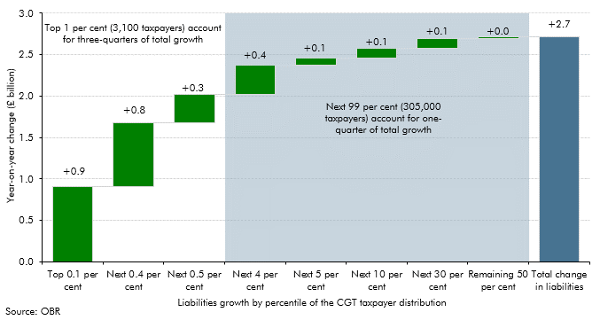

 |  | CGT liability
 | Top 0.1 per cent | 0.9
 | Next 0.4 per cent | 0.8
 | Next 0.5 per cent | 0.3
 | Next 4 per cent | 0.4
 | Next 5 per cent | 0.1
 | Next 10 per cent | 0.1
 | Next 30 per cent | 0.1
 | Remaining 50 per cent | 0.0
 | Total change in liabilities | 2.7

C3.9
Back to contents
 | Chart 3.9: Successive policy assumptions for the main rate of fuel duty

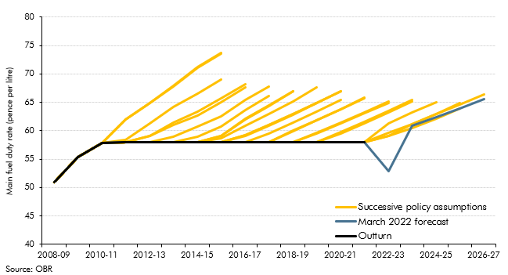

 | Post-measures | 2008-09 | 2009-10 | 2010-11 | 2011-12 | 2012-13 | 2013-14 | 2014-15 | 2015-16 | 2016-17 | 2017-18 | 2018-19 | 2019-20 | 2020-21 | 2021-22 | 2022-23 | 2023-24 | 2024-25 | 2025-26 | 2026-27
 | June 2010 | 51.0 | 55.4 | 57.9 | 62.0 | 64.8 | 67.9 | 71.2 | 73.7
 | November 2010 | 51.0 | 55.4 | 57.9 | 62.0 | 64.9 | 67.8 | 71.1 | 73.6
 | March 2011 | 51.0 | 55.4 | 57.9 | 58.5 | 61.3 | 64.2 | 66.5 | 69.0
 | November 2011 | 51.0 | 55.4 | 57.9 | 58.0 | 59.1 | 61.5 | 63.4 | 65.7 | 68.2
 | March 2012 | 51.0 | 55.4 | 57.9 | 58.0 | 59.1 | 61.1 | 62.6 | 65.0 | 67.6
 | December 2012 | 51.0 | 55.4 | 57.9 | 58.0 | 58.0 | 59.0 | 60.7 | 62.5 | 65.4 | 67.8
 | March 2013 | 51.0 | 55.4 | 57.9 | 58.0 | 58.0 | 58.0 | 58.9 | 60.7 | 63.7 | 66.2
 | December 2013 | 51.0 | 55.4 | 57.9 | 58.0 | 58.0 | 58.0 | 58.0 | 59.1 | 62.0 | 64.4 | 66.9
 | March 2014 | 51.0 | 55.4 | 57.9 | 58.0 | 58.0 | 58.0 | 58.0 | 59.1 | 62.1 | 64.4 | 66.9
 | December 2014 | 51.0 | 55.4 | 57.9 | 58.0 | 58.0 | 58.0 | 58.0 | 58.7 | 60.9 | 63.0 | 65.2 | 67.6
 | March 2015 | 51.0 | 55.4 | 57.9 | 58.0 | 58.0 | 58.0 | 58.0 | 58.0 | 59.2 | 61.0 | 63.0 | 64.9
 | July 2015 | 51.0 | 55.4 | 57.9 | 58.0 | 58.0 | 58.0 | 58.0 | 58.0 | 59.2 | 61.0 | 62.9 | 64.8 | 66.9
 | November 2015 | 51.0 | 55.4 | 57.9 | 58.0 | 58.0 | 58.0 | 58.0 | 58.0 | 59.1 | 60.9 | 62.8 | 64.8 | 66.9
 | March 2016 | 51.0 | 55.4 | 57.9 | 58.0 | 58.0 | 58.0 | 58.0 | 58.0 | 58.0 | 59.5 | 61.4 | 63.4 | 65.4
 | November 2016 | 51.0 | 55.4 | 57.9 | 58.0 | 58.0 | 58.0 | 58.0 | 58.0 | 58.0 | 58.0 | 60.0 | 61.9 | 63.8 | 65.9
 | March 2017 | 51.0 | 55.4 | 57.9 | 58.0 | 58.0 | 58.0 | 58.0 | 58.0 | 58.0 | 58.0 | 59.9 | 61.8 | 63.7 | 65.7
 | November 2017 | 51.0 | 55.4 | 57.9 | 58.0 | 58.0 | 58.0 | 58.0 | 58.0 | 58.0 | 58.0 | 58.0 | 59.5 | 61.2 | 63.0 | 64.9
 | March 2018 | 51.0 | 55.4 | 57.9 | 58.0 | 58.0 | 58.0 | 58.0 | 58.0 | 58.0 | 58.0 | 58.0 | 59.7 | 61.4 | 63.2 | 65.1
 | October 2018 | 51.0 | 55.4 | 57.9 | 58.0 | 58.0 | 58.0 | 58.0 | 58.0 | 58.0 | 58.0 | 58.0 | 58.0 | 59.7 | 61.6 | 63.5 | 65.5
 | March 2019 | 51.0 | 55.4 | 57.9 | 58.0 | 58.0 | 58.0 | 58.0 | 58.0 | 58.0 | 58.0 | 58.0 | 58.0 | 59.5 | 61.3 | 63.2 | 65.1
 | March 2020 | 51.0 | 55.4 | 57.9 | 58.0 | 58.0 | 58.0 | 58.0 | 58.0 | 58.0 | 58.0 | 58.0 | 58.0 | 58.0 | 58.0 | 61.3 | 63.2 | 65.0
 | November 2020 | 51.0 | 55.4 | 57.9 | 58.0 | 58.0 | 58.0 | 58.0 | 58.0 | 58.0 | 58.0 | 58.0 | 58.0 | 58.0 | 58.0 | 59.7 | 61.2 | 63.0 | 64.9
 | March 2021 | 51.0 | 55.4 | 57.9 | 58.0 | 58.0 | 58.0 | 58.0 | 58.0 | 58.0 | 58.0 | 58.0 | 58.0 | 58.0 | 58.0 | 59.1 | 60.5 | 62.1 | 64.0
 | October 2021 | 51.0 | 55.4 | 57.9 | 58.0 | 58.0 | 58.0 | 58.0 | 58.0 | 58.0 | 58.0 | 58.0 | 58.0 | 58.0 | 58.0 | 59.1 | 61.2 | 62.9 | 64.7 | 66.5
 | March 2022 forecast | 51.0 | 55.4 | 57.9 | 58.0 | 58.0 | 58.0 | 58.0 | 58.0 | 58.0 | 58.0 | 58.0 | 58.0 | 58.0 | 58.0 | 53.0 | 60.8 | 62.4 | 64.0 | 65.6
 | Outturn | 51.0 | 55.4 | 57.9 | 58.0 | 58.0 | 58.0 | 58.0 | 58.0 | 58.0 | 58.0 | 58.0 | 58.0 | 58.0 | 58.0

C3.D
Back to contents
 | Chart D: Electric vehicle new car market share

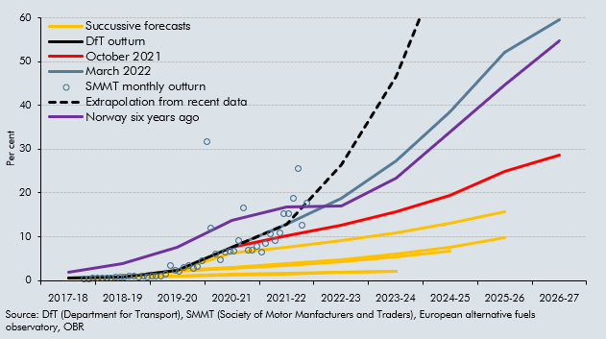

 |  | 2017-18 | 2018-19 | 2019-20 | 2020-21 | 2021-22 | 2022-23 | 2023-24 | 2024-25 | 2025-26 | 2026-27
 | Extrapolation from recent data |  |  |  | 7.6% | 12.8% | 26.5% | 46.7% | 76.8%
 | March 2022 |  |  |  | 7.6% | 12.8% | 18.7% | 27.4% | 38.5% | 52.1% | 59.6%
 | October 2021 |  |  |  | 7.6% | 10.2% | 12.7% | 15.7% | 19.5% | 24.9% | 28.6%
 | March 2021 |  |  | 2.4% | 6.2% | 7.5% | 9.0% | 10.9% | 13.1% | 15.7%
 | November 2020 | 0.5% | 0.7% | 2.4% | 3.0% | 3.8% | 4.8% | 6.1% | 7.7% | 9.7%
 | March 2020 | 0.5% | 0.7% | 2.2% | 2.7% | 3.4% | 4.3% | 5.3% | 6.7%
 | March 2019 | 0.6% | 0.8% | 1.0% | 1.3% | 1.5% | 1.8% | 2.1%
 | October 2018 | 0.6% | 0.8% | 1.1% | 1.4% | 1.6% | 1.9% | 2.2%
 | DfT outturn | 0.5% | 0.7% | 2.4% | 7.6%
 | Outturn | 0.5% | 0.7% | 2.4% | 7.6%
 | Norway six years ago | 1.9% | 3.8% | 7.5% | 13.7% | 16.8% | 17.0% | 23.4% | 34.0% | 44.6% | 54.8%
 |  | 2018-01-15 | 2018-02-15 | 2018-03-15 | 2018-04-15 | 2018-05-15 | 2018-06-15 | 2018-07-15 | 2018-08-15 | 2018-09-15 | 2018-10-15 | 2018-11-15 | 2018-12-15 | 2019-01-15 | 2019-02-15 | 2019-03-15 | 2019-04-15 | 2019-05-15 | 2019-06-15 | 2019-07-15 | 2019-08-15 | 2019-09-15 | 2019-10-15 | 2019-11-15 | 2019-12-15 | 2020-01-15 | 2020-02-15 | 2020-03-15 | 2020-04-15 | 2020-05-15 | 2020-06-15 | 2020-07-15 | 2020-08-15 | 2020-09-15 | 2020-10-15 | 2020-11-15 | 2020-12-15 | 2021-01-15 | 2021-02-15 | 2021-03-15 | 2021-04-15 | 2021-05-15 | 2021-06-15 | 2021-07-15 | 2021-08-15 | 2021-09-15 | 2021-10-15 | 2021-11-15 | 2021-12-15 | 2022-01-15 | 2022-02-15
 | SMMT monthly outturn | 0.4% | 0.4% | 0.6% | 0.6% | 0.6% | 0.6% | 0.5% | 0.7% | 0.7% | 0.8% | 0.9% | 1.1% | 0.8% | 0.9% | 0.9% | 0.9% | 1.1% | 1.1% | 1.4% | 3.4% | 2.2% | 2.2% | 3.0% | 3.3% | 2.7% | 3.2% | 4.6% | 31.8% | 12.0% | 6.1% | 4.7% | 6.4% | 6.7% | 6.6% | 9.1% | 16.5% | 6.9% | 6.9% | 7.7% | 6.5% | 8.4% | 10.7% | 9.0% | 10.9% | 15.2% | 15.2% | 18.8% | 25.5% | 12.5% | 17.7%

C3.10
Back to contents
 | Chart 3.10: Public spending as a share of GDP

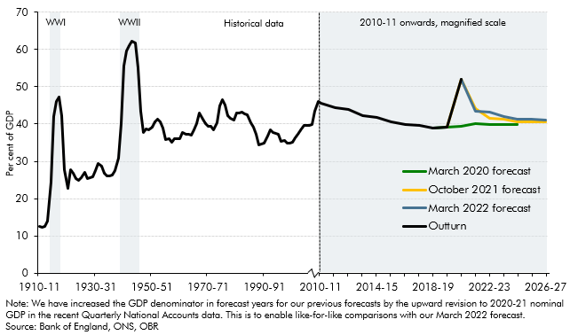

 | Year | Outturn | March 2020 forecast | October 2021 forecast | March 2022 forecast
 | 1910-11 | 12.5
 | 1911-12 | 12.4
 | 1912-13 | 12.5
 | 1913-14 | 14.0
 | 1914-15 | 24.5
 | 1915-16 | 42.0
 | 1916-17 | 46.0
 | 1917-18 | 47.2
 | 1918-19 | 42.3
 | 1919-20 | 27.8
 | 1920-21 | 22.7
 | 1921-22 | 27.8
 | 1922-23 | 26.8
 | 1923-24 | 25.3
 | 1924-25 | 24.8
 | 1925-26 | 25.7
 | 1926-27 | 27.0
 | 1927-28 | 25.5
 | 1928-29 | 25.5
 | 1929-30 | 25.9
 | 1930-31 | 27.4
 | 1931-32 | 29.4
 | 1932-33 | 28.7
 | 1933-34 | 26.8
 | 1934-35 | 26.0
 | 1935-36 | 26.2
 | 1936-37 | 26.3
 | 1937-38 | 27.4
 | 1938-39 | 30.8
 | 1939-40 | 40.1
 | 1940-41 | 55.6
 | 1941-42 | 59.7
 | 1942-43 | 61.0
 | 1943-44 | 62.3
 | 1944-45 | 61.8
 | 1945-46 | 55.2
 | 1946-47 | 43.5
 | 1947-48 | 37.7
 | 1948-49 | 38.6
 | 1949-50 | 38.5
 | 1950-51 | 39.2
 | 1951-52 | 40.6
 | 1952-53 | 41.3
 | 1953-54 | 40.5
 | 1954-55 | 38.9
 | 1955-56 | 35.8
 | 1956-57 | 36.0
 | 1957-58 | 35.2
 | 1958-59 | 36.0
 | 1959-60 | 36.0
 | 1960-61 | 36.0
 | 1961-62 | 37.6
 | 1962-63 | 37.3
 | 1963-64 | 37.3
 | 1964-65 | 37.0
 | 1965-66 | 38.5
 | 1966-67 | 40.0
 | 1967-68 | 42.9
 | 1968-69 | 41.4
 | 1969-70 | 40.1
 | 1970-71 | 39.5
 | 1971-72 | 39.4
 | 1972-73 | 38.5
 | 1973-74 | 40.3
 | 1974-75 | 44.8
 | 1975-76 | 46.5
 | 1976-77 | 45.2
 | 1977-78 | 42.3
 | 1978-79 | 41.5
 | 1979-80 | 41.0
 | 1980-81 | 42.9
 | 1981-82 | 43.0
 | 1982-83 | 43.3
 | 1983-84 | 42.8
 | 1984-85 | 42.5
 | 1985-86 | 40.5
 | 1986-87 | 39.2
 | 1987-88 | 37.1
 | 1988-89 | 34.5
 | 1989-90 | 34.7
 | 1990-91 | 34.8
 | 1991-92 | 36.7
 | 1992-93 | 38.4
 | 1993-94 | 37.8
 | 1994-95 | 37.5
 | 1995-96 | 37.3
 | 1996-97 | 35.4
 | 1997-98 | 35.6
 | 1998-99 | 35.0
 | 1999-00 | 34.9
 | 2000-01 | 35.2
 | 2001-02 | 36.2
 | 2002-03 | 37.4
 | 2003-04 | 38.7
 | 2004-05 | 39.8
 | 2005-06 | 39.7
 | 2006-07 | 39.6
 | 2007-08 | 40.0
 | 2008-09 | 43.3
 | 2009-10 | 46.1
 | 2010-11 | 45.6
 | 2011-12 | 44.5
 | 2012-13 | 43.9
 | 2013-14 | 42.3
 | 2014-15 | 41.7
 | 2015-16 | 40.7
 | 2016-17 | 39.9
 | 2017-18 | 39.6
 | 2018-19 | 39.0 | 39.0
 | 2019-20 | 39.1 | 39.2 | 39.1
 | 2020-21 | 52.1 | 39.4 | 52.1 | 52.1
 | 2021-22 |  | 40.0 | 44.2 | 43.4
 | 2022-23 |  | 40.0 | 41.6 | 43.2
 | 2023-24 |  | 40.0 | 41.2 | 42.0
 | 2024-25 |  | 39.9 | 40.6 | 41.3
 | 2025-26 |  |  | 40.6 | 41.2
 | 2026-27 |  |  | 40.7 | 41.1

C3.11
Back to contents
 | Chart 3.11: The rise in the spending-to-GDP ratio between 2019-20 and 2026-27

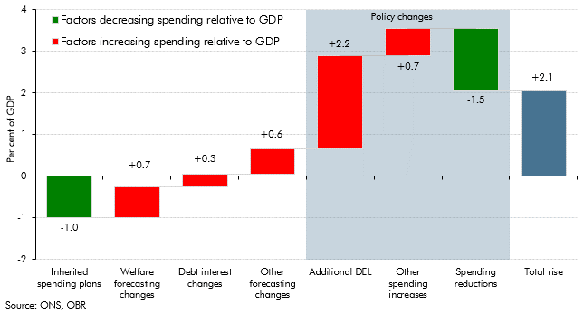

 |  | Spending-to-GDP ratio
 | Inherited spending plans | -1.0
 | Welfare forecasting changes | 0.7
 | Debt interest changes | 0.3
 | Other forecasting changes | 0.6
 | Additional DEL | 2.2
 | Other spending increases | 0.7
 | Spending reductions | -1.5
 | Total rise | 2.1

C3.12
Back to contents
 | Chart 3.12: Growth in real departmental resource spending (2021-22 to 2026-27)

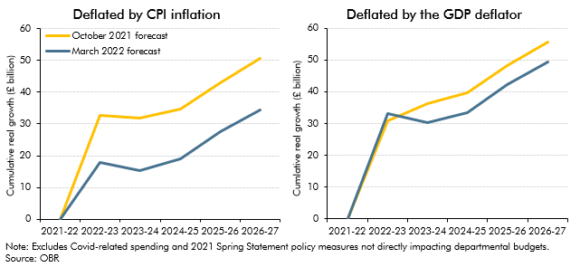

 |  | CPI deflated
 |  | 2022-23 | 2023-24 | 2024-25 | 2025-26 | 2026-27
 | March 2022 forecast | 17.8 | 15.2 | 19.1 | 27.5 | 34.4
 | October 2021 forecast | 32.8 | 31.8 | 34.6 | 42.9 | 50.5

 |  | GDP deflated
 |  | 2022-23 | 2023-24 | 2024-25 | 2025-26 | 2026-27
 | March 2022 forecast | 33.2 | 30.4 | 33.6 | 42.3 | 49.5
 | October 2021 forecast | 30.9 | 36.3 | 39.8 | 48.2 | 55.7

C3.E
Back to contents
 | Chart E: Indicators of pressures on the NHS

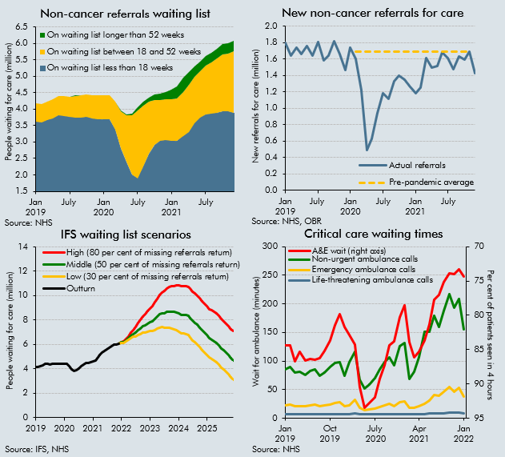

 |  | Waiting lists in outturn |  |  | Missing referrals |  | IFS scenarios |  |  |  | A&E and ambulance
 |  | On waiting list less than 18 weeks | On waiting list between 18 and 52 weeks | On waiting list longer than 52 weeks | Actual referrals | Pre-pandemic average | Outturn | Low (30 per cent of missing referrals return) | Middle (50 per cent of missing referrals return) | High (80 per cent of missing referrals return) | Life-threatening ambulance calls | Emergency ambulance calls | Non-urgent ambulance calls | A&E wait (RHS)
 | Jan 2019 | 3619513.0 | 550980.0 | 2169.0 | 1794128.0 |  | 4172662.0 |  |  |  | 7.1 | 23.0 | 85.7 | 84.4
 | Feb 2019 | 3604256.0 | 537892.0 | 1962.0 | 1638322.0 |  | 4144110.0 |  |  |  | 7.3 | 23.6 | 89.9 | 84.4
 | Mar 2019 | 3670437.0 | 561823.0 | 1154.0 | 1741493.0 |  | 4233414.0 |  |  |  | 7.0 | 21.3 | 80.5 | 86.7
 | Apr 2019 | 3718168.0 | 578356.0 | 1047.0 | 1656081.0 |  | 4297571.0 |  |  |  | 7.0 | 21.5 | 80.6 | 85.3
 | May 2019 | 3809456.0 | 575205.0 | 1032.0 | 1755805.0 |  | 4385693.0 |  |  |  | 6.9 | 21.0 | 76.1 | 86.6
 | Jun 2019 | 3794158.0 | 599999.0 | 1089.0 | 1641179.0 |  | 4395246.0 |  |  |  | 7.1 | 22.5 | 82.2 | 86.4
 | July | 3752114.0 | 619422.0 | 1032.0 | 1801797.0 |  | 4372568.0 |  |  |  | 7.2 | 23.3 | 85.9 | 86.5
 | Aug 2019 | 3745921.0 | 660807.0 | 1236.0 | 1577132.0 |  | 4407964.0 |  |  |  | 7.1 | 21.3 | 74.7 | 86.3
 | Sep 2019 | 3744771.0 | 670807.0 | 1305.0 | 1637851.0 |  | 4416883.0 |  |  |  | 7.3 | 22.4 | 79.6 | 85.2
 | Oct 2019 | 3763231.0 | 680304.0 | 1321.0 | 1812825.0 |  | 4444856.0 |  |  |  | 7.4 | 23.8 | 89.0 | 83.6
 | Nov 2019 | 3723382.0 | 688698.0 | 1398.0 | 1656910.0 |  | 4413478.0 |  |  |  | 7.5 | 25.9 | 96.7 | 81.4
 | Dec 2019 | 3693390.0 | 720054.0 | 1467.0 | 1459872.0 |  | 4414911.0 |  |  |  | 7.6 | 28.0 | 98.6 | 79.8
 | Jan 2020 | 3685428.0 | 728623.0 | 1643.0 | 1738294.0 |  | 4415694.0 |  |  |  | 7.1 | 20.9 | 74.9 | 81.7
 | Feb 2020 | 3678351.0 | 743384.0 | 1613.0 | 1600454.0 |  | 4423348.0 |  |  |  | 7.3 | 22.1 | 98.7 | 82.8
 | Mar 2020 | 3375661.0 | 857212.0 | 3097.0 | 1220636.0 | 1685514.5 | 4235970.0 |  |  |  | 8.1 | 32.1 | 115.8 | 84.3
 | Apr 2020 | 2812999.0 | 1122883.0 | 11179.0 | 491101.0 | 1685514.5 | 3947061.0 |  |  |  | 7.0 | 18.5 | 67.0 | 90.4
 | May 2020 | 2392303.0 | 1426983.0 | 26717.0 | 626540.0 | 1685514.5 | 3846003.0 |  |  |  | 6.5 | 13.5 | 51.1 | 93.5
 | Jun 2020 | 2005831.0 | 1803707.0 | 50539.0 | 939450.0 | 1685514.5 | 3860077.0 |  |  |  | 6.6 | 14.9 | 59.2 | 92.8
 | July | 1895264.0 | 2068240.0 | 83203.0 | 1178528.0 | 1685514.5 | 4046707.0 |  |  |  | 6.8 | 16.7 | 69.3 | 92.0
 | Aug 2020 | 2260431.0 | 1848658.0 | 111026.0 | 1114414.0 | 1685514.5 | 4220115.0 |  |  |  | 7.1 | 20.1 | 84.9 | 89.2
 | Sep 2020 | 2638278.0 | 1577061.0 | 139545.0 | 1332834.0 | 1685514.5 | 4354884.0 |  |  |  | 7.2 | 22.6 | 98.1 | 87.3
 | Oct 2020 | 2911270.0 | 1370520.0 | 167067.0 | 1393861.0 | 1685514.5 | 4448857.0 |  |  |  | 7.4 | 25.4 | 106.9 | 84.4
 | Nov 2020 | 3040809.0 | 1227734.0 | 192169.0 | 1348049.0 | 1685514.5 | 4460712.0 |  |  |  | 7.1 | 21.3 | 92.7 | 83.8
 | Dec 2020 | 3067658.0 | 1229470.0 | 224205.0 | 1260501.0 | 1685514.5 | 4521333.0 |  |  |  | 7.4 | 27.9 | 126.2 | 80.3
 | Jan 2021 | 3038370.0 | 1250261.0 | 304044.0 | 1185074.0 | 1685514.5 | 4592675.0 |  |  |  | 7.5 | 29.7 | 131.9 | 78.5
 | Feb 2021 | 3030448.0 | 1280015.0 | 387885.0 | 1253853.0 | 1685514.5 | 4698348.0 |  |  |  | 6.8 | 18.3 | 68.8 | 83.9
 | Mar 2021 | 3186952.0 | 1327218.0 | 436127.0 | 1614201.0 | 1685514.5 | 4950297.0 |  |  |  | 6.8 | 18.4 | 81.0 | 86.1
 | Apr 2021 | 3311746.0 | 1426592.0 | 385379.0 | 1497830.0 | 1685514.5 | 5123717.0 |  |  |  | 7.0 | 20.3 | 106.2 | 85.4
 | May 2021 | 3576159.0 | 1392487.0 | 336779.0 | 1516276.0 | 1685514.5 | 5305425.0 |  |  |  | 7.4 | 24.6 | 151.8 | 83.7
 | Jun 2021 | 3749231.0 | 1399432.0 | 304823.0 | 1674642.0 | 1685514.5 | 5453486.0 |  |  |  | 7.9 | 30.7 | 150.6 | 81.3
 | July | 3828136.0 | 1486336.0 | 293102.0 | 1605526.0 | 1685514.5 | 5607574.0 |  |  |  | 8.6 | 41.1 | 178.6 | 77.7
 | Aug 2021 | 3865241.0 | 1558319.0 | 292138.0 | 1469370.0 | 1685514.5 | 5715698.0 |  |  |  | 8.5 | 38.7 | 159.9 | 77.0
 | Sep 2021 | 3879621.0 | 1654100.0 | 301274.0 | 1626494.0 | 1685514.5 | 5834995.0 |  |  |  | 9.0 | 45.5 | 187.8 | 75.2
 | Oct 2021 | 3921948.0 | 1740603.0 | 312665.0 | 1588306.0 | 1685514.5 | 5975216.0 |  |  |  | 9.3 | 53.9 | 217.0 | 73.9
 | Nov 2021 | 3929317.0 | 1758843.0 | 306996.0 | 1683740.0 | 1685514.5 | 5995156.0 |  |  |  | 9.2 | 46.6 | 192.8 | 74.0
 | Dec 2021 | 3873658.0 | 1882855.0 | 310813.0 | 1427778.0 | 1685514.5 | 6067326.0 | 6067326.0 | 6067326.0 | 6067326.0 | 9.2 | 53.3 | 208.0 | 73.3
 | Jan 2022 |  |  |  |  |  |  | 6146283.0 | 6157111.0 | 6173354.0 | 8.5 | 38.1 | 154.8 | 74.3
 | Feb 2022 |  |  |  |  |  |  | 6149425.0 | 6181911.0 | 6230640.0
 | Mar 2022 |  |  |  |  |  |  | 6279277.0 | 6344249.0 | 6441706.0
 | Apr 2022 |  |  |  |  |  |  | 6394590.0 | 6502876.0 | 6665305.0
 | May 2022 |  |  |  |  |  |  | 6543255.0 | 6705685.0 | 6949329.0
 | Jun 2022 |  |  |  |  |  |  | 6623044.0 | 6850445.0 | 7191547.0
 | July |  |  |  |  |  |  | 6675757.0 | 6978959.0 | 7433761.0
 | Aug 2022 |  |  |  |  |  |  | 6787441.0 | 7166442.0 | 7734945.0
 | Sep 2022 |  |  |  |  |  |  | 6863362.0 | 7318165.0 | 8000368.0
 | Oct 2022 |  |  |  |  |  |  | 6947372.0 | 7477974.0 | 8273878.0
 | Nov 2022 |  |  |  |  |  |  | 6966174.0 | 7572577.0 | 8482182.0
 | Dec 2022 |  |  |  |  |  |  | 7021725.0 | 7703929.0 | 8727233.0
 | Jan 2023 |  |  |  |  |  |  | 7077936.0 | 7835940.0 | 8972945.0
 | Feb 2023 |  |  |  |  |  |  | 7079860.0 | 7913664.0 | 9164370.0
 | Mar 2023 |  |  |  |  |  |  | 7200969.0 | 8110573.0 | 9474980.0
 | Apr 2023 |  |  |  |  |  |  | 7292497.0 | 8277902.0 | 9756009.0
 | May 2023 |  |  |  |  |  |  | 7399105.0 | 8460310.0 | 10052118.0
 | Jun 2023 |  |  |  |  |  |  | 7416996.0 | 8554001.0 | 10259509.0
 | Jul |  |  |  |  |  |  | 7371318.0 | 8578293.0 | 10388755.0
 | Aug 2023 |  |  |  |  |  |  | 7393464.0 | 8664578.0 | 10571249.0
 | Sep 2023 |  |  |  |  |  |  | 7365093.0 | 8694515.0 | 10688647.0
 | Oct 2023 |  |  |  |  |  |  | 7329829.0 | 8711728.0 | 10784576.0
 | Nov 2023 |  |  |  |  |  |  | 7221241.0 | 8649786.0 | 10792604.0
 | Dec 2023 |  |  |  |  |  |  | 7153984.0 | 8623345.0 | 10827387.0
 | Jan 2024 |  |  |  |  |  |  | 7064784.0 | 8569129.0 | 10825648.0
 | Feb 2024 |  |  |  |  |  |  | 6914305.0 | 8447804.0 | 10748054.0
 | Mar 2024 |  |  |  |  |  |  | 6882983.0 | 8439806.0 | 10775040.0
 | Apr 2024 |  |  |  |  |  |  | 6814536.0 | 8388851.0 | 10750324.0
 | May 2024 |  |  |  |  |  |  | 6750393.0 | 8336370.0 | 10715335.0
 | Jun 2024 |  |  |  |  |  |  | 6585187.0 | 8176995.0 | 10564706.0
 | Jul |  |  |  |  |  |  | 6344911.0 | 7936718.0 | 10324430.0
 | Aug 2024 |  |  |  |  |  |  | 6198805.0 | 7790612.0 | 10178324.0
 | Sep 2024 |  |  |  |  |  |  | 6004917.0 | 7596724.0 | 9984436.0
 | Oct 2024 |  |  |  |  |  |  | 5806648.0 | 7398455.0 | 9786167.0
 | Nov 2024 |  |  |  |  |  |  | 5551403.0 | 7143210.0 | 9530922.0
 | Dec 2024 |  |  |  |  |  |  | 5364314.0 | 6956122.0 | 9343833.0
 | Jan 2025 |  |  |  |  |  |  | 5159495.0 | 6751303.0 | 9139014.0
 | Feb 2025 |  |  |  |  |  |  | 4910329.0 | 6502137.0 | 8889848.0
 | Mar 2025 |  |  |  |  |  |  | 4801023.0 | 6392831.0 | 8780542.0
 | Apr 2025 |  |  |  |  |  |  | 4670081.0 | 6261888.0 | 8649600.0
 | May 2025 |  |  |  |  |  |  | 4557386.0 | 6149193.0 | 8536905.0
 | Jun 2025 |  |  |  |  |  |  | 4357387.0 | 5949194.0 | 8336906.0
 | Jul |  |  |  |  |  |  | 4094699.0 | 5686506.0 | 8074218.0
 | Aug 2025 |  |  |  |  |  |  | 3936585.0 | 5528393.0 | 7916104.0
 | Sep 2025 |  |  |  |  |  |  | 3736193.0 | 5328001.0 | 7715712.0
 | Oct 2025 |  |  |  |  |  |  | 3537924.0 | 5129731.0 | 7517443.0
 | Nov 2025 |  |  |  |  |  |  | 3282679.0 | 4874486.0 | 7262198.0
 | Dec 2025 |  |  |  |  |  |  | 3095590.0 | 4687398.0 | 7075109.0

C3.F
Back to contents
 | Chart F: Excess separation rates by firm size and pay in furloughed employments

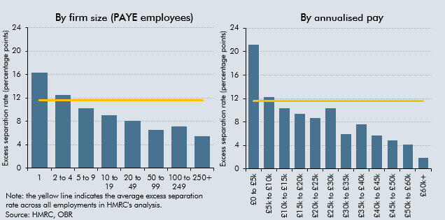

 | PAYE scheme size |  |  | Pay
 | 1 | 16.4 | 11.6 | £0 to £5k | 21.2 | 11.6
 | 2 to 4 | 12.5 | 11.6 | £5k to £10k | 12.2 | 11.6
 | 5 to 9 | 10.2 | 11.6 | £10k to £15k | 10.3 | 11.6
 | 10 to 19 | 9.1 | 11.6 | £15k to £20k | 9.3 | 11.6
 | 20 to 49 | 8.1 | 11.6 | £20k to £25k | 8.7 | 11.6
 | 50 to 99 | 6.6 | 11.6 | £25k to £30k | 10.4 | 11.6
 | 100 to 249 | 7.1 | 11.6 | £30k to £35k | 6.0 | 11.6
 | 250+ | 5.4 | 11.6 | £35k to £40k | 7.6 | 11.6
 |  |  |  | £40k to £45k | 5.7 | 11.6
 |  |  |  | £45k to £50k | 4.9 | 11.6
 |  |  |  | £50k to £60k | 4.1 | 11.6
 |  |  |  | £60k+ | 1.9 | 11.6

C3.13
Back to contents
 | Chart 3.13: Public sector net borrowing

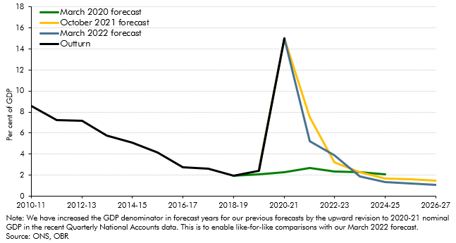

 |  | PSNB | 2009-10 | 2010-11 | 2011-12 | 2012-13 | 2013-14 | 2014-15 | 2015-16 | 2016-17 | 2017-18 | 2018-19 | 2019-20 | 2020-21 | 2021-22 | 2022-23 | 2023-24 | 2024-25 | 2025-26 | 2026-27
 |  | March 2020 forecast |  |  |  |  |  |  |  |  |  | 2.0 | 2.1 | 2.3 | 2.7 | 2.4 | 2.3 | 2.1
 |  | October 2021 forecast |  |  |  |  |  |  |  |  |  |  | 2.6 | 15.0 | 7.5 | 3.2 | 2.3 | 1.7 | 1.6 | 1.5
 |  | March 2022 forecast |  |  |  |  |  |  |  |  |  |  | 2.5 | 15.0 | 5.2 | 3.9 | 1.9 | 1.3 | 1.2 | 1.1
 |  | Outturn | 10.1 | 8.6 | 7.2 | 7.2 | 5.8 | 5.1 | 4.1 | 2.7 | 2.6 | 2.0 | 2.4 | 15.0

C3.14
Back to contents
 | Chart 3.14: Public sector net debt

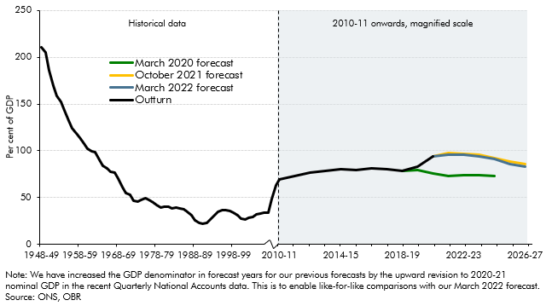

 |  | Outturn | March 2022 forecast | October 2021 forecast | March 2020 forecast
 | 1948-49 | 210.8
 | 1949-50 | 205.0
 | 1950-51 | 185.7
 | 1951-52 | 169.5
 | 1952-53 | 158.5
 | 1953-54 | 152.7
 | 1954-55 | 143.3
 | 1955-56 | 132.5
 | 1956-57 | 123.9
 | 1957-58 | 118.4
 | 1958-59 | 114.3
 | 1959-60 | 107.6
 | 1960-61 | 102.5
 | 1961-62 | 99.5
 | 1962-63 | 98.3
 | 1963-64 | 90.7
 | 1964-65 | 84.2
 | 1965-66 | 80.9
 | 1966-67 | 77.7
 | 1967-68 | 77.0
 | 1968-69 | 69.8
 | 1969-70 | 61.1
 | 1970-71 | 54.7
 | 1971-72 | 52.6
 | 1972-73 | 46.6
 | 1973-74 | 45.2
 | 1974-75 | 47.8
 | 1975-76 | 49.4
 | 1976-77 | 47.8
 | 1977-78 | 44.4
 | 1978-79 | 42.2
 | 1979-80 | 39.1
 | 1980-81 | 40.4
 | 1981-82 | 40.1
 | 1982-83 | 38.7
 | 1983-84 | 38.9
 | 1984-85 | 38.7
 | 1985-86 | 37.1
 | 1986-87 | 34.8
 | 1987-88 | 31.0
 | 1988-89 | 25.6
 | 1989-90 | 23.1
 | 1990-91 | 21.7
 | 1991-92 | 22.9
 | 1992-93 | 26.7
 | 1993-94 | 31.2
 | 1994-95 | 34.6
 | 1995-96 | 36.1
 | 1996-97 | 36.7
 | 1997-98 | 35.7
 | 1998-99 | 33.9
 | 1999-00 | 31.3
 | 2000-01 | 27.2
 | 2001-02 | 26.8
 | 2002-03 | 28.1
 | 2003-04 | 29.3
 | 2004-05 | 31.8
 | 2005-06 | 32.6
 | 2006-07 | 33.4
 | 2007-08 | 34.2
 | 2008-09 | 48.7
 | 2009-10 | 62.6
 | 2010-11 | 69.2
 | 2011-12 | 72.8
 | 2012-13 | 76.2
 | 2013-14 | 78.0
 | 2014-15 | 79.8
 | 2015-16 | 79.1
 | 2016-17 | 81.5
 | 2017-18 | 80.6
 | 2018-19 | 78.4 |  |  | 78.4
 | 2019-20 | 82.7 |  |  | 79.5
 | 2020-21 | 94.0 | 94.0 | 94.0 | 75.4
 | 2021-22 |  | 95.6 | 97.2 | 73.0
 | 2022-23 |  | 95.5 | 96.5 | 73.4
 | 2023-24 |  | 94.1 | 95.7 | 73.6
 | 2024-25 |  | 91.2 | 92.5 | 73.2
 | 2025-26 |  | 85.8 | 88.5
 | 2026-27 |  | 83.1 | 86.0

C3.15
Back to contents
 | Chart 3.15: Four measures of the public sector balance sheet

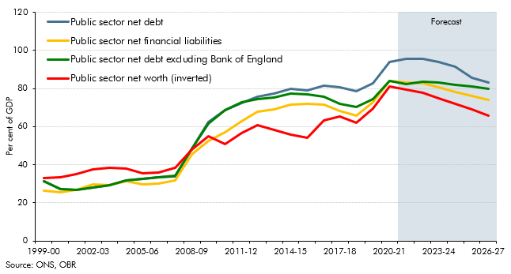

 | % GDP | 1999-00 | 2000-01 | 2001-02 | 2002-03 | 2003-04 | 2004-05 | 2005-06 | 2006-07 | 2007-08 | 2008-09 | 2009-10 | 2010-11 | 2011-12 | 2012-13 | 2013-14 | 2014-15 | 2015-16 | 2016-17 | 2017-18 | 2018-19 | 2019-20 | 2020-21 | 2021-22 | 2022-23 | 2023-24 | 2024-25 | 2025-26 | 2026-27
 | Public sector net debt excluding Bank of England | 31.3 | 27.2 | 26.8 | 28.1 | 29.2 | 31.7 | 32.6 | 33.4 | 34.1 | 48.4 | 61.6 | 68.6 | 72.7 | 74.4 | 75.2 | 77.3 | 76.8 | 75.8 | 72 | 70.4 | 74.6 | 83.9 | 82.5 | 83.5 | 82.9 | 81.9 | 80.9 | 79.8
 | Public sector net financial liabilities | 26.3 | 25.6 | 26.9 | 29.6 | 29.5 | 31.2 | 29.8 | 30.0 | 31.9 | 45.4 | 52.3 | 56.8 | 63.0 | 67.9 | 69.1 | 71.3 | 72.0 | 71.6 | 68.1 | 65.8 | 72.6 | 83.8 | 83.3 | 82.6 | 80.6 | 78.1 | 75.9 | 73.9
 | Public sector net debt | 31.2 | 27.1 | 26.7 | 28 | 29.1 | 31.6 | 32.5 | 33.3 | 34 | 48.4 | 62.4 | 68.8 | 72.3 | 75.7 | 77.5 | 79.8 | 79.1 | 81.5 | 80.6 | 78.4 | 82.7 | 94.0 | 95.6 | 95.5 | 94.1 | 91.2 | 85.8 | 83.1
 | Public sector net worth | 33.2 | 33.4 | 35.3 | 37.6 | 38.5 | 38.1 | 35.4 | 35.9 | 38.3 | 48.1 | 55.0 | 50.7 | 56.5 | 61.0 | 58.3 | 55.7 | 54.3 | 63.1 | 65.3 | 62.1 | 69.4 | 80.8 | 79.4 | 77.6 | 74.9 | 71.9 | 69.0 | 65.9

C3.16
Back to contents
 | Chart 3.16: Composition of public sector net worth

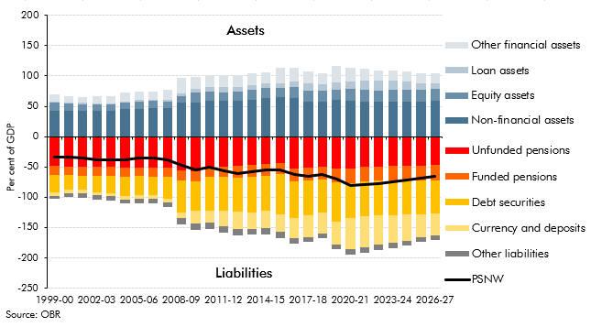

 |  | 1999-00 | 2000-01 | 2001-02 | 2002-03 | 2003-04 | 2004-05 | 2005-06 | 2006-07 | 2007-08 | 2008-09 | 2009-10 | 2010-11 | 2011-12 | 2012-13 | 2013-14 | 2014-15 | 2015-16 | 2016-17 | 2017-18 | 2018-19 | 2019-20 | 2020-21 | 2021-22 | 2022-23 | 2023-24 | 2024-25 | 2025-26 | 2026-27
 | Total assets | 69.1 | 66.5 | 65.2 | 66.8 | 66.8 | 72.4 | 74.2 | 73.8 | 77.2 | 97.1 | 98.9 | 101.4 | 101.9 | 101.8 | 103.9 | 105.8 | 113.2 | 114.2 | 107.8 | 104.9 | 116.6 | 113.6 | 112.2 | 109.0 | 109.1 | 108.2 | 105.1 | 104.5
 | Loan assets | 1.6 | 1.8 | 1.9 | 2.1 | 2.1 | 2.1 | 2.1 | 2.1 | 2.3 | 4.0 | 6.7 | 8.1 | 7.8 | 7.6 | 7.4 | 7.2 | 6.6 | 9.2 | 12.1 | 11.5 | 11.9 | 11.6 | 15.1 | 15.4 | 15.6 | 14.4 | 10.7 | 9.7
 | Equity assets | 14.0 | 12.3 | 10.9 | 9.4 | 10.0 | 10.6 | 11.9 | 12.1 | 11.2 | 11.1 | 15.5 | 15.4 | 14.4 | 15.6 | 16.4 | 17.3 | 15.9 | 17.9 | 17.5 | 17.7 | 17.4 | 19.7 | 19.2 | 19.0 | 19.1 | 19.2 | 19.4 | 19.5
 | Non-financial assets | 42.2 | 42.2 | 42.6 | 43.1 | 42.4 | 44.9 | 46.3 | 46.7 | 47.0 | 55.4 | 56.6 | 58.6 | 59.1 | 58.7 | 60.3 | 63.7 | 65.0 | 64.2 | 57.6 | 57.7 | 60.5 | 59.1 | 57.7 | 57.4 | 57.6 | 57.8 | 58.3 | 58.9
 | Other financial assets | 11.4 | 10.2 | 9.7 | 12.2 | 12.3 | 14.8 | 13.8 | 12.9 | 16.6 | 26.6 | 20.1 | 19.2 | 20.6 | 19.9 | 19.8 | 17.5 | 25.8 | 22.8 | 20.5 | 18.1 | 26.9 | 23.3 | 20.1 | 17.2 | 16.8 | 16.8 | 16.7 | 16.5

 | Total liabilities | -102.3 | -99.8 | -100.5 | -104.4 | -105.3 | -110.5 | -109.5 | -109.7 | -115.5 | -145.1 | -154.0 | -152.1 | -158.4 | -162.7 | -162.2 | -161.5 | -167.5 | -177.3 | -173.1 | -167.0 | -186.0 | -194.5 | -191.5 | -186.6 | -183.9 | -180.0 | -174.0 | -170.4
 | Currency and deposits | -6.3 | -6.2 | -5.9 | -5.7 | -5.6 | -5.4 | -5.5 | -5.6 | -5.9 | -9.1 | -20.2 | -19.3 | -25.6 | -28.3 | -27.1 | -28.5 | -28.7 | -33.5 | -36.2 | -35.2 | -38.1 | -51.3 | -50.4 | -47.7 | -45.8 | -43.0 | -37.9 | -35.5
 | Debt securities | -28.6 | -23.5 | -23.3 | -26.4 | -27.7 | -32.5 | -31.5 | -30.7 | -35.6 | -52.5 | -48.7 | -55.8 | -55.6 | -55.9 | -59.4 | -58.2 | -66.7 | -60.5 | -57.5 | -54.4 | -65.6 | -57.7 | -58.1 | -57.8 | -57.7 | -56.9 | -56.4 | -55.6
 | Funded pensions | -14.2 | -14.4 | -14.7 | -14.7 | -14.8 | -15.0 | -15.0 | -15.1 | -15.4 | -16.8 | -17.1 | -16.2 | -17.0 | -19.4 | -19.2 | -19.5 | -18.2 | -21.4 | -21.2 | -20.2 | -21.8 | -24.3 | -23.8 | -23.6 | -23.8 | -24.1 | -24.3 | -24.5
 | Unfunded pensions | -48.6 | -49.2 | -50.2 | -50.2 | -50.4 | -50.6 | -50.4 | -50.9 | -51.7 | -56.0 | -57.2 | -50.1 | -49.8 | -48.8 | -46.8 | -45.1 | -44.0 | -52.1 | -51.1 | -50.4 | -53.3 | -52.0 | -50.0 | -48.9 | -48.4 | -48.0 | -47.7 | -47.3
 | Other liabilities | -4.6 | -6.5 | -6.4 | -7.4 | -6.9 | -7.0 | -7.1 | -7.3 | -6.9 | -10.8 | -10.9 | -10.6 | -10.4 | -10.3 | -9.8 | -10.1 | -9.9 | -9.8 | -7.1 | -6.8 | -7.1 | -9.2 | -9.4 | -8.6 | -8.3 | -8.0 | -7.8 | -7.6

 | PSNW | -33.2 | -33.4 | -35.3 | -37.6 | -38.6 | -38.1 | -35.3 | -35.9 | -38.3 | -48.1 | -55.1 | -50.7 | -56.5 | -61.0 | -58.3 | -55.7 | -54.3 | -63.1 | -65.4 | -62.1 | -69.4 | -80.8 | -79.4 | -77.6 | -74.9 | -71.9 | -69.0 | -65.9

C3.G
Back to contents
 | Chart G: CGNCR ex revisions between March 2021 and March 2022 forecasts

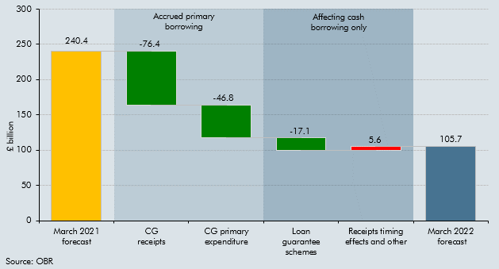

 |  | CGNCR ex revisions
 | March 2021 forecast | 240.4
 | CG receipts | -76.4
 | CG primary expenditure | -46.8
 | Loan guarantee schemes | -17.1
 | Receipts timing effects and other | 5.6
 | March 2022 forecast | 105.7

