CA.1
Back to contents
 | Chart A.1: The cost of pandemic-support measures

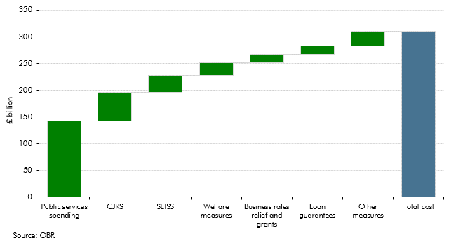

 | Public services spending | 141.9
 | Coronavirus Job Retention Scheme | 54.0
 | Business rates relief & grants | 31.3
 | Self-Employment Income Support Scheme | 24.0
 | Loan guarantees | 16.5
 | Welfare measures | 15.6
 | Other measures | 27.4

CA.2
Back to contents
 | Chart A.2: Estimated fraud in Covid-support schemes
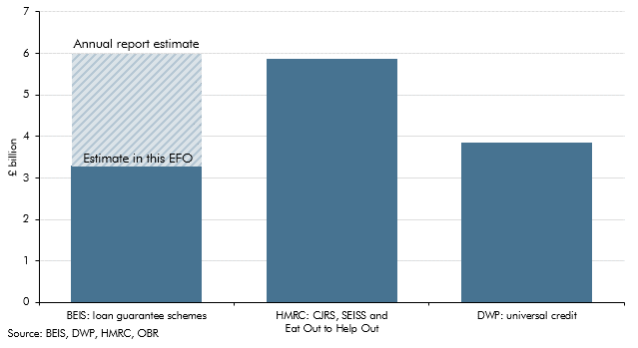

 |  | Estimate in EFO | Annual Report Estimate
 | BEIS: loan guarantee schemes | 3.3 | 6.0
 | HMRC: CJRS, SEISS and Eat Out to Help Out | 5.8
 | DWP: universal credit | 3.9

CA.3
Back to contents
 | Chart A.3: Successive forecasts of tax receipts from the use of pensions flexibility
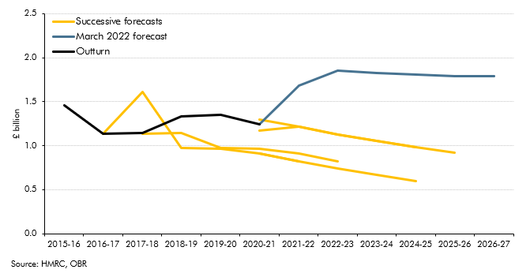

 |  | 2015-16 | 2016-17 | 2017-18 | 2018-19 | 2019-20 | 2020-21 | 2021-22 | 2022-23 | 2023-24 | 2024-25 | 2025-26 | 2026-27
 | March 2017 |  | 1139 | 1612 | 974 | 968 | 911 | 826
 | March 2018 |  |  | 1139 | 1145 | 974 | 968 | 911 | 826
 | March 2019 |  |  |  |  |  | 911 | 826 | 742 | 667 | 598
 | March 2020 |  |  |  |  |  | 1297 | 1212 | 1128 | 1053 | 984
 | March 2021 |  |  |  |  |  | 1169 | 1212 | 1128 | 1053 | 984 | 921
 | March 2022 |  |  |  |  |  | 1240 | 1682 | 1853 | 1828 | 1809 | 1791 | 1792
 | Outturn | 1460 | 1140 | 1145 | 1335 | 1355 | 1240

