C4.1
Back to contents
 | Chart 4.1: Sustainability of public finances in 2025-26

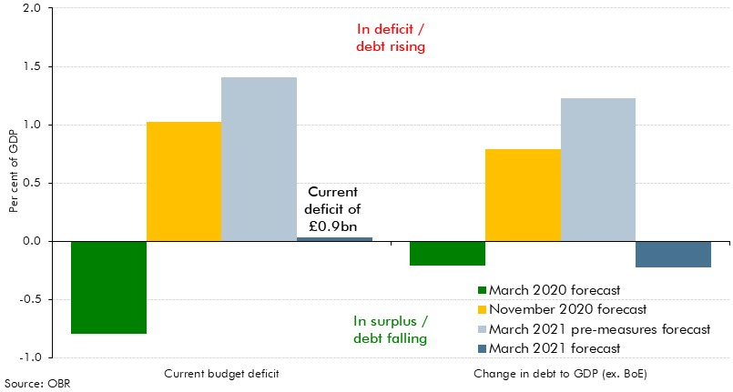

 |  | Current budget deficit | Change in debt to GDP (ex. BoE)
 | March 2020 forecast | -0.8 | -0.2
 | November 2020 forecast | 1.0 | 0.8
 | March 2021 pre-measures forecast | 1.4 | 1.2
 | March 2021 forecast | 0.0 | -0.2

C4.A
Back to contents
 | Chart A: Mean maturity and redemption distribution of gilts
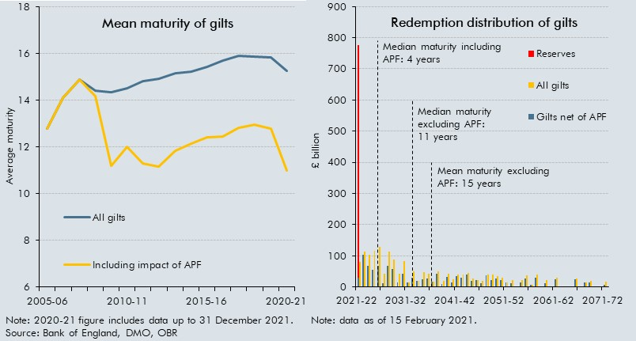

 | Mean maturity of gilts |  |  | Redemption distribution of gilts

 |  | All gilts | Including impact of APF |  | All gilts | Gilts net of APF | Reserves
 | 2005-06 | 12.8 | 12.8 | 2021-22 | 79.3 | 28.6 | 747.5
 | 2006-07 | 14.1 | 14.1 | 2022-23 | 113.0 | 104.0
 | 2007-08 | 14.9 | 14.9 | 2023-24 | 104.0 | 67.5
 | 2008-09 | 14.4 | 14.2 | 2024-25 | 114.5 | 55.8
 | 2009-10 | 14.4 | 11.2 | 2025-26 | 127.7 | 68.3
 | 2010-11 | 14.5 | 12.0 | 2026-27 | 41.1 | 12.3
 | 2011-12 | 14.8 | 11.3 | 2027-28 | 112.2 | 66.3
 | 2012-13 | 14.9 | 11.2 | 2028-29 | 87.4 | 57.3
 | 2013-14 | 15.2 | 11.8 | 2029-30 | 41.6 | 14.3
 | 2014-15 | 15.2 | 12.1 | 2030-31 | 82.7 | 42.1
 | 2015-16 | 15.4 | 12.4 | 2031-32 | 14.4 | 12.9
 | 2016-17 | 15.7 | 12.5 | 2032-33 | 50.0 | 28.9
 | 2017-18 | 15.9 | 12.8 | 2033-34 | 18.5 | 18.5
 | 2018-19 | 15.9 | 13.0 | 2034-35 | 47.2 | 25.3
 | 2019-20 | 15.9 | 12.8 | 2035-36 | 42.1 | 26.3
 | 2020-21 | 15.3 | 11.0 | 2036-37 | 15.7 | 15.7
 |  |  |  | 2037-38 | 49.1 | 42.0
 |  |  |  | 2038-39 | 18.5 | 7.7
 |  |  |  | 2039-40 | 40.8 | 31.1
 |  |  |  | 2040-41 | 23.5 | 13.6
 |  |  |  | 2041-42 | 39.9 | 33.7
 |  |  |  | 2042-43 | 38.5 | 30.0
 |  |  |  | 2043-44 | 45.8 | 39.6
 |  |  |  | 2044-45 | 27.3 | 20.3
 |  |  |  | 2045-46 | 21.9 | 21.3
 |  |  |  | 2046-47 | 18.4 | 11.4
 |  |  |  | 2047-48 | 40.7 | 35.7
 |  |  |  | 2048-49 | 39.2 | 22.1
 |  |  |  | 2049-50 | 34.2 | 26.8
 |  |  |  | 2050-51 | 30.4 | 21.2
 |  |  |  | 2051-52 | 15.0 | 15.0
 |  |  |  | 2052-53 | 22.8 | 11.8
 |  |  |  | 2053-54 | 0.0 | 0.0
 |  |  |  | 2054-55 | 21.9 | 13.6
 |  |  |  | 2055-56 | 35.8 | 26.1
 |  |  |  | 2056-57 | 7.2 | 7.2
 |  |  |  | 2057-58 | 40.5 | 30.4
 |  |  |  | 2058-59 | 0.0 | 0.0
 |  |  |  | 2059-60 | 22.5 | 10.8
 |  |  |  | 2060-61 | 0.0 | 0.0
 |  |  |  | 2061-62 | 29.1 | 24.9
 |  |  |  | 2062-63 | 0.0 | 0.0
 |  |  |  | 2063-64 | 0.0 | 0.0
 |  |  |  | 2064-65 | 0.0 | 0.0
 |  |  |  | 2065-66 | 27.8 | 23.0
 |  |  |  | 2066-67 | 0.0 | 0.0
 |  |  |  | 2067-68 | 14.9 | 14.9
 |  |  |  | 2068-69 | 19.1 | 14.5
 |  |  |  | 2069-70 | 0.0 | 0.0
 |  |  |  | 2070-71 | 0.0 | 0.0
 |  |  |  | 2071-72 | 16.1 | 7.2

C4.2
Back to contents
 | Chart 4.2: Fan chart around our PSNB central forecast
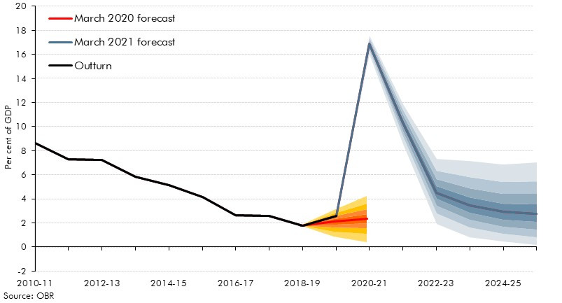

 |  | Outturn | March 2021 forecast | 0.1 | 0.2 | 0.3 | 0.4 | 0.5 | 0.6 | 0.7 | 0.8 | 0.9
 | 2010-11 | 8.6 | 8.6
 | 2011-12 | 7.3 | 7.3
 | 2012-13 | 7.2 | 7.2
 | 2013-14 | 5.8 | 5.8
 | 2014-15 | 5.1 | 5.1
 | 2015-16 | 4.1 | 4.1
 | 2016-17 | 2.6 | 2.6
 | 2017-18 | 2.6 | 2.6
 | 2018-19 | 1.8 | 1.8
 | 2019-20 | 2.6 | 2.6
 | 2020-21 |  | 16.9 | 16.0 | 0.3 | 0.2 | 0.2 | 0.2 | 0.2 | 0.1 | 0.2 | 0.2
 | 2021-22 |  | 10.3 | 8.5 | 0.6 | 0.4 | 0.4 | 0.3 | 0.3 | 0.3 | 0.4 | 0.5
 | 2022-23 |  | 4.5 | 1.9 | 0.9 | 0.6 | 0.5 | 0.5 | 0.5 | 0.6 | 0.7 | 1.0
 | 2023-24 |  | 3.5 | 0.8 | 0.8 | 0.6 | 0.6 | 0.6 | 0.7 | 0.8 | 0.9 | 1.3
 | 2024-25 |  | 2.9 | 0.5 | 0.6 | 0.6 | 0.6 | 0.6 | 0.7 | 0.8 | 1.0 | 1.4
 | 2025-26 |  | 2.8 | 0.2 | 0.6 | 0.6 | 0.6 | 0.7 | 0.7 | 0.9 | 1.1 | 1.6

 |  | March 2020 forecast | 0.1 | 0.2 | 0.3 | 0.4 | 0.5 | 0.6 | 0.7 | 0.8 | 0.9
 | 2010-11 |  | 8.7
 | 2011-12 |  | 7.3
 | 2012-13 |  | 7.3
 | 2013-14 |  | 5.8
 | 2014-15 |  | 5.2
 | 2015-16 |  | 4.2
 | 2016-17 |  | 2.8
 | 2017-18 |  | 2.7
 | 2018-19 | 1.8 | 1.8
 | 2019-20 | 2.1 | 0.9 | 0.5 | 0.3 | 0.3 | 0.2 | 0.2 | 0.2 | 0.2 | 0.3
 | 2020-21 | 2.4 | 0.4 | 0.7 | 0.5 | 0.4 | 0.4 | 0.4 | 0.4 | 0.5 | 0.6
 | 2021-22 | 2.8 | 1.0 | 0.6 | 0.4 | 0.4 | 0.4 | 0.4 | 0.5 | 0.6 | 0.8
 | 2022-23 | 2.5 | 0.8 | 0.4 | 0.4 | 0.4 | 0.4 | 0.5 | 0.5 | 0.7 | 1.0
 | 2023-24 | 2.4 | 0.7 | 0.4 | 0.4 | 0.4 | 0.5 | 0.5 | 0.6 | 0.7 | 1.1
 | 2024-25 | 2.2 | 0.5 | 0.4 | 0.4 | 0.4 | 0.5 | 0.5 | 0.6 | 0.8 | 1.2

C4.3
Back to contents
 | Chart 4.3: Illustrative virus and conventional uncertainty around PSNB

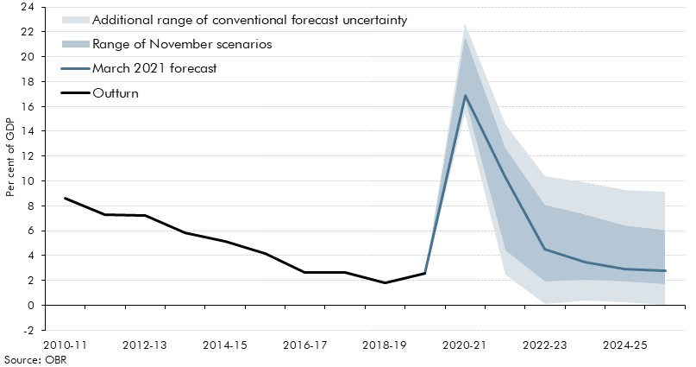

 |  | Outturn | March 2021 forecast | Additional range of conventional forecast uncertainty - upside | Range of November scenarios | Additional range of conventional forecast uncertainty - downside
 | 2010-11 | 8.6
 | 2011-12 | 7.3
 | 2012-13 | 7.2
 | 2013-14 | 5.8
 | 2014-15 | 5.1
 | 2015-16 | 4.1
 | 2016-17 | 2.6
 | 2017-18 | 2.6
 | 2018-19 | 1.8
 | 2019-20 | 2.6 | 2.6 | 0.0 | 0.0 | 0.0
 | 2020-21 |  | 16.9 | 1.3 | 5.1 | 0.9
 | 2021-22 |  | 10.3 | 2.0 | 8.3 | 1.8
 | 2022-23 |  | 4.5 | 1.8 | 6.2 | 2.3
 | 2023-24 |  | 3.5 | 1.7 | 5.2 | 2.6
 | 2024-25 |  | 2.9 | 1.7 | 4.5 | 2.9
 | 2025-26 |  | 2.8 | 1.7 | 4.4 | 3.1

C4.4
Back to contents
 | Chart 4.4: Receipts and spending as a percentage of GDP

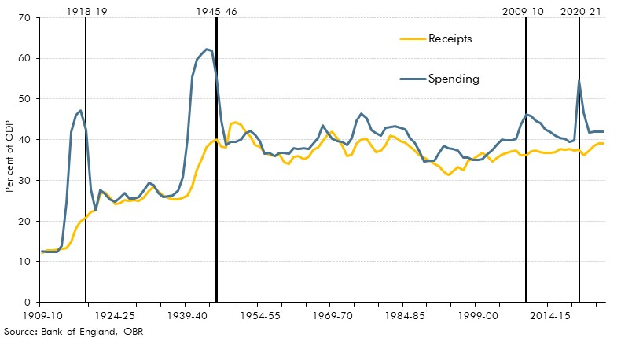

 | Year | Spending | Receipts | Date lines
 | 1909-10 | 12.5 | 12.3 | 0.0
 | 1910-11 | 12.5 | 12.7 | 0.0
 | 1911-12 | 12.4 | 12.8 | 0.0
 | 1912-13 | 12.5 | 13.1 | 0.0
 | 1913-14 | 14.0 | 13.1 | 0.0
 | 1914-15 | 24.5 | 13.5 | 0.0
 | 1915-16 | 42.0 | 14.9 | 0.0
 | 1916-17 | 46.0 | 18.2 | 0.0
 | 1917-18 | 47.2 | 20.0 | 0.0
 | 1918-19 | 42.3 | 20.9 | 70.0
 | 1919-20 | 27.8 | 22.2 | 0.0
 | 1920-21 | 22.7 | 22.7 | 0.0
 | 1921-22 | 27.8 | 26.6 | 0.0
 | 1922-23 | 26.8 | 27.1 | 0.0
 | 1923-24 | 25.3 | 26.0 | 0.0
 | 1924-25 | 24.8 | 24.3 | 0.0
 | 1925-26 | 25.7 | 24.3 | 0.0
 | 1926-27 | 27.0 | 25.1 | 0.0
 | 1927-28 | 25.5 | 25.0 | 0.0
 | 1928-29 | 25.5 | 25.2 | 0.0
 | 1929-30 | 25.9 | 25.0 | 0.0
 | 1930-31 | 27.4 | 25.8 | 0.0
 | 1931-32 | 29.4 | 27.5 | 0.0
 | 1932-33 | 28.7 | 28.4 | 0.0
 | 1933-34 | 26.8 | 27.3 | 0.0
 | 1934-35 | 26.0 | 26.3 | 0.0
 | 1935-36 | 26.2 | 25.8 | 0.0
 | 1936-37 | 26.3 | 25.3 | 0.0
 | 1937-38 | 27.4 | 25.3 | 0.0
 | 1938-39 | 30.8 | 25.7 | 0.0
 | 1939-40 | 40.1 | 26.3 | 0.0
 | 1940-41 | 55.6 | 28.7 | 0.0
 | 1941-42 | 59.7 | 32.7 | 0.0
 | 1942-43 | 61.0 | 35.3 | 0.0
 | 1943-44 | 62.3 | 38.0 | 0.0
 | 1944-45 | 61.8 | 39.4 | 0.0
 | 1945-46 | 55.2 | 40.0 | 70.0
 | 1946-47 | 44.7 | 38.4 | 0.0
 | 1947-48 | 38.7 | 38.0 | 0.0
 | 1948-49 | 39.5 | 43.9 | 0.0
 | 1949-50 | 39.4 | 44.2 | 0.0
 | 1950-51 | 40.1 | 43.7 | 0.0
 | 1951-52 | 41.5 | 42.0 | 0.0
 | 1952-53 | 42.1 | 40.8 | 0.0
 | 1953-54 | 41.2 | 38.7 | 0.0
 | 1954-55 | 39.7 | 38.2 | 0.0
 | 1955-56 | 36.5 | 36.7 | 0.0
 | 1956-57 | 36.7 | 36.3 | 0.0
 | 1957-58 | 35.9 | 35.9 | 0.0
 | 1958-59 | 36.7 | 36.4 | 0.0
 | 1959-60 | 36.6 | 34.4 | 0.0
 | 1960-61 | 36.5 | 34.0 | 0.0
 | 1961-62 | 38.0 | 35.8 | 0.0
 | 1962-63 | 37.7 | 35.9 | 0.0
 | 1963-64 | 37.9 | 35.2 | 0.0
 | 1964-65 | 37.6 | 35.7 | 0.0
 | 1965-66 | 39.0 | 37.5 | 0.0
 | 1966-67 | 40.5 | 38.1 | 0.0
 | 1967-68 | 43.4 | 39.6 | 0.0
 | 1968-69 | 41.7 | 41.1 | 0.0
 | 1969-70 | 40.3 | 42.0 | 0.0
 | 1970-71 | 39.6 | 40.2 | 0.0
 | 1971-72 | 39.5 | 38.5 | 0.0
 | 1972-73 | 38.6 | 36.0 | 0.0
 | 1973-74 | 40.4 | 36.3 | 0.0
 | 1974-75 | 44.7 | 39.0 | 0.0
 | 1975-76 | 46.4 | 40.1 | 0.0
 | 1976-77 | 45.2 | 40.2 | 0.0
 | 1977-78 | 42.3 | 38.4 | 0.0
 | 1978-79 | 41.5 | 37.0 | 0.0
 | 1979-80 | 41.0 | 37.4 | 0.0
 | 1980-81 | 42.9 | 38.6 | 0.0
 | 1981-82 | 43.0 | 41.0 | 0.0
 | 1982-83 | 43.3 | 40.7 | 0.0
 | 1983-84 | 42.9 | 39.6 | 0.0
 | 1984-85 | 42.5 | 39.3 | 0.0
 | 1985-86 | 40.4 | 38.3 | 0.0
 | 1986-87 | 39.2 | 37.3 | 0.0
 | 1987-88 | 37.2 | 36.3 | 0.0
 | 1988-89 | 34.5 | 35.6 | 0.0
 | 1989-90 | 34.7 | 34.8 | 0.0
 | 1990-91 | 34.9 | 34.0 | 0.0
 | 1991-92 | 36.8 | 33.5 | 0.0
 | 1992-93 | 38.6 | 32.2 | 0.0
 | 1993-94 | 38.0 | 31.4 | 0.0
 | 1994-95 | 37.7 | 32.3 | 0.0
 | 1995-96 | 37.4 | 33.3 | 0.0
 | 1996-97 | 35.6 | 32.6 | 0.0
 | 1997-98 | 35.7 | 34.7 | 0.0
 | 1998-99 | 35.1 | 35.2 | 0.0
 | 1999-00 | 34.9 | 36.0 | 0.0
 | 2000-01 | 35.3 | 36.7 | 0.0
 | 2001-02 | 36.4 | 35.9 | 0.0
 | 2002-03 | 37.4 | 34.6 | 0.0
 | 2003-04 | 38.8 | 35.6 | 0.0
 | 2004-05 | 40.0 | 36.3 | 0.0
 | 2005-06 | 39.9 | 36.8 | 0.0
 | 2006-07 | 39.8 | 37.1 | 0.0
 | 2007-08 | 40.1 | 37.3 | 0.0
 | 2008-09 | 43.6 | 36.2 | 0.0
 | 2009-10 | 46.3 | 36.2 | 70.0
 | 2010-11 | 45.8 | 37.2 | 0.0
 | 2011-12 | 44.7 | 37.4 | 0.0
 | 2012-13 | 44.2 | 36.9 | 0.0
 | 2013-14 | 42.5 | 36.7 | 0.0
 | 2014-15 | 42.0 | 36.8 | 0.0
 | 2015-16 | 41.0 | 36.9 | 0.0
 | 2016-17 | 40.4 | 37.7 | 0.0
 | 2017-18 | 40.2 | 37.6 | 0.0
 | 2018-19 | 39.5 | 37.7 | 0.0
 | 2019-20 | 39.8 | 37.2 | 0.0
 | 2020-21 | 54.4 | 37.5 | 70.0
 | 2021-22 | 46.5 | 36.2 | 0.0
 | 2022-23 | 41.8 | 37.3 | 0.0
 | 2023-24 | 41.9 | 38.4 | 0.0
 | 2024-25 | 41.9 | 39.0 | 0.0
 | 2025-26 | 41.9 | 39.1 | 0.0

C4.5
Back to contents
 | Chart 4.5: Sources of post-crisis falls in Public Sector Net Borrowing

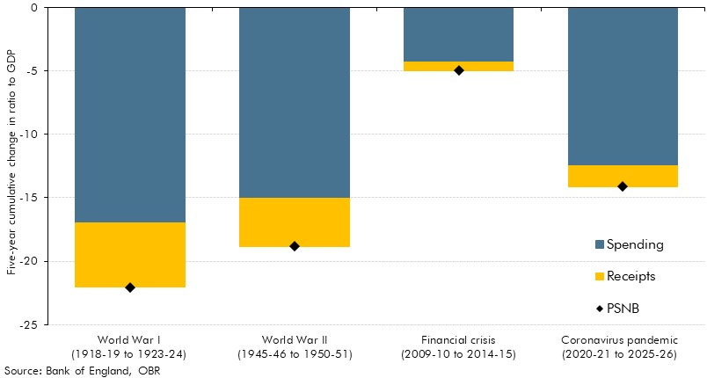

 |  | World War I (1918-19 to 1923-24) | World War II (1945-46 to 1950-51) | Financial crisis (2009-10 to 2014-15) | Coronavirus pandemic (2020-21 to 2025-26)
 | Spending | -17.0 | -15.1 | -4.3 | -12.5
 | Receipts | -5.1 | -3.8 | -0.7 | -1.6
 | PSNB | -22.1 | -18.9 | -5.0 | -14.1

