C2.1
Back to contents
 | Chart 2.1: Coronavirus cases, hospitalisations, deaths and vaccines
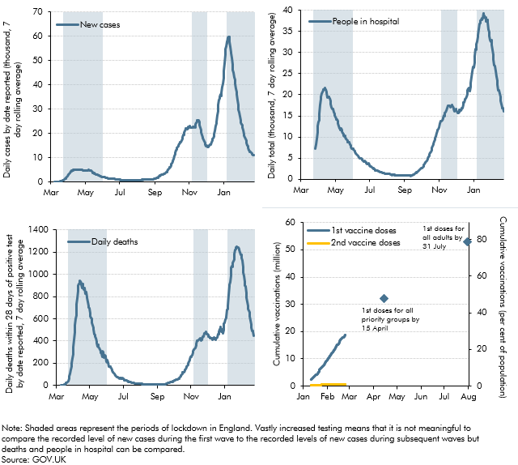

 | Date | New cases | Test positivity ratio (RHS) | People in hospital | Daily deaths | Total 1st dose vaccinations | Total 2nd dose vaccinations | Total 1st dose vaccinations (% of pop) | Total 2nd dose vaccinations (% of pop) | First doses to all priority groups (assuming 100% uptake) | First doses to all adults (assuming 100% uptake)
 | 2020-03-01
 | 2020-03-02
 | 2020-03-03
 | 2020-03-04
 | 2020-03-05
 | 2020-03-06
 | 2020-03-07 | 26.142857143
 | 2020-03-08 | 33.714285714
 | 2020-03-09 | 40.142857143 |  |  | 0.42857142857
 | 2020-03-10 | 46 |  |  | 1
 | 2020-03-11 | 53 |  |  | 1
 | 2020-03-12 | 68 |  |  | 1.2857142857
 | 2020-03-13 | 91 |  |  | 1.2857142857
 | 2020-03-14 | 122.14285714 |  |  | 3.7142857143
 | 2020-03-15 | 160 |  |  | 5.7142857143
 | 2020-03-16 | 174.57142857 |  |  | 8.7142857143
 | 2020-03-17 | 225.28571429 |  |  | 10.428571429
 | 2020-03-18 | 310 |  |  | 15.285714286
 | 2020-03-19 | 382.71428571 |  |  | 21.428571429
 | 2020-03-20 | 455.14285714 |  |  | 25.857142857
 | 2020-03-21 | 565.28571429 |  |  | 31.571428571
 | 2020-03-22 | 613.14285714 |  |  | 34.714285714
 | 2020-03-23 | 729.57142857 |  |  | 42.428571429
 | 2020-03-24 | 875.28571429 |  |  | 61.285714286
 | 2020-03-25 | 986.14285714 |  |  | 83.714285714
 | 2020-03-26 | 1198.4285714 |  |  | 103.14285714
 | 2020-03-27 | 1509.2857143 |  | 7267 | 139.71428571
 | 2020-03-28 | 1726.5714286 |  | 8278 | 173.14285714
 | 2020-03-29 | 1989 |  | 9525 | 198.28571429
 | 2020-03-30 | 2231.5714286 |  | 11093 | 240.85714286
 | 2020-03-31 | 2492 |  | 12597 | 277.28571429
 | 2020-04-01 | 2937 |  | 13637 | 346
 | 2020-04-02 | 3278.8571429 |  | 13875 | 414
 | 2020-04-03 | 3533.4285714 |  | 15546 | 478
 | 2020-04-04 | 3739.7142857 |  | 17502 | 544.28571429
 | 2020-04-05 | 4267.8571429 |  | 18855 | 599.57142857
 | 2020-04-06 | 4479 |  | 19493 | 627.14285714
 | 2020-04-07 | 4570.1428571 |  | 20234 | 727.42857143
 | 2020-04-08 | 4755.5714286 |  | 20740 | 778.57142857
 | 2020-04-09 | 4777.4285714 |  | 21005 | 844.14285714
 | 2020-04-10 | 4925.1428571 |  | 21280 | 899.28571429
 | 2020-04-11 | 5101.4285714 |  | 21254 | 911.71428571
 | 2020-04-12 | 4971.2857143 |  | 21687 | 920
 | 2020-04-13 | 4999.7142857 |  | 21307 | 942.42857143
 | 2020-04-14 | 5194.5714286 |  | 21280 | 938.28571429
 | 2020-04-15 | 5014.5714286 |  | 20581 | 916.85714286
 | 2020-04-16 | 5006.4285714 |  | 20388 | 905.42857143
 | 2020-04-17 | 4991.1428571 |  | 19329 | 875.57142857
 | 2020-04-18 | 5032.8571429 |  | 19455 | 913
 | 2020-04-19 | 5113.1428571 |  | 19573 | 880.85714286
 | 2020-04-20 | 5160.8571429 |  | 19330 | 858.85714286
 | 2020-04-21 | 5025 |  | 19139 | 880
 | 2020-04-22 | 5003 |  | 18533 | 875.28571429
 | 2020-04-23 | 4998 |  | 17867 | 824.71428571
 | 2020-04-24 | 4967.5714286 |  | 17063 | 838.57142857
 | 2020-04-25 | 4880 |  | 16604 | 797.14285714
 | 2020-04-26 | 4681.8571429 | 0.17259984674 | 16555 | 787.42857143
 | 2020-04-27 | 4629.5714286 | 0.16686920075 | 16662 | 751.71428571
 | 2020-04-28 | 4586 | 0.14813618451 | 15877 | 715.28571429
 | 2020-04-29 | 4532.4285714 | 0.12236766997 | 15521 | 704.14285714
 | 2020-04-30 | 4739.4285714 | 0.10552330667 | 15164 | 697.28571429
 | 2020-05-01 | 4855.8571429 | 0.094337685117 | 14723 | 652.71428571
 | 2020-05-02 | 4840.5714286 | 0.085822908567 | 14380 | 619.71428571
 | 2020-05-03 | 4822.8571429 | 0.078255749804 | 14188 | 603.85714286
 | 2020-05-04 | 4776.4285714 | 0.070749476811 | 14097 | 597
 | 2020-05-05 | 4835 | 0.068479015213 | 13723 | 562.28571429
 | 2020-05-06 | 5125.7142857 | 0.071324776216 | 13148 | 544.85714286
 | 2020-05-07 | 5066 | 0.071298459509 | 12626 | 519.71428571
 | 2020-05-08 | 4844.2857143 | 0.067793560511 | 12053 | 502.71428571
 | 2020-05-09 | 4714.2857143 | 0.064228825897 | 12021 | 458.57142857
 | 2020-05-10 | 4654.8571429 | 0.062410456395 | 11727 | 453.42857143
 | 2020-05-11 | 4639.4285714 | 0.06247859729 | 11967 | 441.28571429
 | 2020-05-12 | 4496.1428571 | 0.059668074651 | 11591 | 425.28571429
 | 2020-05-13 | 4086.2857143 | 0.053346263952 | 11342 | 396.71428571
 | 2020-05-14 | 3776.5714286 | 0.048647275966 | 10921 | 381.57142857
 | 2020-05-15 | 3621 | 0.045440936822 | 10691 | 348.85714286
 | 2020-05-16 | 3557.4285714 | 0.043534280055 | 10238 | 368.28571429
 | 2020-05-17 | 3505.8571429 | 0.042548285308 | 10199 | 346.85714286
 | 2020-05-18 | 3335.4285714 | 0.040498020891 | 10231 | 341
 | 2020-05-19 | 3193.8571429 | 0.038024048846 | 10013 | 324.71428571
 | 2020-05-20 | 3083.8571429 | 0.036500164011 | 9563 | 307.71428571
 | 2020-05-21 | 2965.1428571 | 0.033893766003 | 9293 | 296.42857143
 | 2020-05-22 | 2926.1428571 | 0.033455943604 | 9184 | 288
 | 2020-05-23 | 2855.8571429 | 0.032626701636 | 8814 | 260.71428571
 | 2020-05-24 | 2691.1428571 | 0.031879913015 | 8814 | 305.28571429
 | 2020-05-25 | 2539.8571429 | 0.029670436036 | 8836 | 299.28571429
 | 2020-05-26 | 2481.5714286 | 0.029396534218 | 8731 | 246.57142857
 | 2020-05-27 | 2416 | 0.028813062649 | 8219 | 260
 | 2020-05-28 | 2312 | 0.027757291777 | 7906 | 270
 | 2020-05-29 | 2141.7142857 | 0.025098900584 | 7585 | 267.57142857
 | 2020-05-30 | 2068.2857143 | 0.024031032199 | 7266 | 258.14285714
 | 2020-05-31 | 2000.7142857 | 0.022399040384 | 7236 | 212.57142857
 | 2020-06-01 | 1992.8571429 | 0.022590617525 | 7246 | 210
 | 2020-06-02 | 1937 | 0.021451839757 | 7084 | 226.85714286
 | 2020-06-03 | 1916.7142857 | 0.020600907134 | 6812 | 202.85714286
 | 2020-06-04 | 1905 | 0.020546583813 | 6573 | 172.42857143
 | 2020-06-05 | 1841.4285714 | 0.019968552241 | 6372 | 170.14285714
 | 2020-06-06 | 1714.5714286 | 0.018704201822 | 6142 | 168.57142857
 | 2020-06-07 | 1627.4285714 | 0.017624934827 | 5937 | 167.71428571
 | 2020-06-08 | 1575.2857143 | 0.017077378629 | 5925 | 162.14285714
 | 2020-06-09 | 1543 | 0.016684482396 | 5730 | 154.42857143
 | 2020-06-10 | 1419 | 0.015363888906 | 5470 | 141.57142857
 | 2020-06-11 | 1342 | 0.014478815061 | 5179 | 133.85714286
 | 2020-06-12 | 1326.4285714 | 0.014378674034 | 5089 | 115.71428571
 | 2020-06-13 | 1307.5714286 | 0.014047651204 | 4941 | 110.57142857
 | 2020-06-14 | 1334.4285714 | 0.014729465712 | 4908 | 106.71428571
 | 2020-06-15 | 1313.1428571 | 0.014462517347 | 4870 | 104.14285714
 | 2020-06-16 | 1297.7142857 | 0.014593310275 | 4863 | 93.428571429
 | 2020-06-17 | 1313.7142857 | 0.015127936014 | 4719 | 85.714285714
 | 2020-06-18 | 1306.8571429 | 0.015356284947 | 4560 | 84.428571429
 | 2020-06-19 | 1279 | 0.015242651503 | 4414 | 77.714285714
 | 2020-06-20 | 1260.4285714 | 0.015428655365 | 4252 | 72.571428571
 | 2020-06-21 | 1218.5714286 | 0.015156010966 | 4222 | 73.142857143
 | 2020-06-22 | 1204.5714286 | 0.015208220231 | 4281 | 71
 | 2020-06-23 | 1146.7142857 | 0.014668662204 | 4134 | 67.285714286
 | 2020-06-24 | 1080.7142857 | 0.013706746292 | 4030 | 64
 | 2020-06-25 | 1066.4285714 | 0.013086641808 | 3850 | 68.571428571
 | 2020-06-26 | 1017.8571429 | 0.012161753887 | 3620 | 67.857142857
 | 2020-06-27 | 960 | 0.011143964432 | 3544 | 63.428571429
 | 2020-06-28 | 914.28571429 | 0.010228707507 | 3557 | 63.428571429
 | 2020-06-29 | 893.85714286 | 0.009802201383 | 3748 | 64.428571429
 | 2020-06-30 | 867.42857143 | 0.0089710479815 | 3383 | 58.571428571
 | 2020-07-01 | 892.57142857 | 0.0088117034315 | 3198 | 60
 | 2020-07-02 | 815.14285714 | 0.0077409482051 | 3079 | 51.714285714
 | 2020-07-03 | 749.14285714 | 0.0068071540021 | 2942 | 47.571428571
 | 2020-07-04 | 711.14285714 | 0.0063494169072 | 2801 | 46.428571429
 | 2020-07-05 | 656.14285714 | 0.0057873607972 | 2741 | 44.714285714
 | 2020-07-06 | 588.71428571 | 0.0051808260407 | 2699 | 43.285714286
 | 2020-07-07 | 573.28571429 | 0.0050781655333 | 2598 | 43.428571429
 | 2020-07-08 | 544.85714286 | 0.0048017907885 | 2454 | 37.714285714
 | 2020-07-09 | 554.28571429 | 0.0048746045665 | 2344 | 36.285714286
 | 2020-07-10 | 549.71428571 | 0.0048661185117 | 2243 | 34
 | 2020-07-11 | 577.71428571 | 0.0050358072795 | 2118 | 31.857142857
 | 2020-07-12 | 596.85714286 | 0.0051902232989 | 2100 | 30.428571429
 | 2020-07-13 | 623.57142857 | 0.0053664557787 | 2112 | 30.285714286
 | 2020-07-14 | 597.42857143 | 0.0050715805941 | 1993 | 28.857142857
 | 2020-07-15 | 584.28571429 | 0.0048980041531 | 1974 | 24.428571429
 | 2020-07-16 | 584.28571429 | 0.0048222715847 | 1829 | 23.428571429
 | 2020-07-17 | 609.28571429 | 0.0048545457443 | 1804 | 22.285714286
 | 2020-07-18 | 610.28571429 | 0.004811959612 | 1776 | 21.142857143
 | 2020-07-19 | 621.14285714 | 0.0047921878961 | 1742 | 21.428571429
 | 2020-07-20 | 625 | 0.0047869244202 | 1734 | 21.428571429
 | 2020-07-21 | 631.71428571 | 0.0047630947406 | 1634 | 18.714285714
 | 2020-07-22 | 634.85714286 | 0.004789856369 | 1747 | 17.428571429
 | 2020-07-23 | 653 | 0.0049796499974 | 1538 | 15.285714286
 | 2020-07-24 | 664.57142857 | 0.0051643671985 | 1453 | 16.142857143
 | 2020-07-25 | 656 | 0.0050792470945 | 1400 | 17
 | 2020-07-26 | 658.71428571 | 0.0051139577441 | 1382 | 16.571428571
 | 2020-07-27 | 677 | 0.0052731899628 | 1369 | 15.571428571
 | 2020-07-28 | 696.42857143 | 0.005334345856 | 1368 | 15
 | 2020-07-29 | 725.42857143 | 0.0054362837145 | 1349 | 17.428571429
 | 2020-07-30 | 736.42857143 | 0.0053530411089 | 1313 | 16.142857143
 | 2020-07-31 | 752.42857143 | 0.0053719682598 | 1264 | 14.428571429
 | 2020-08-01 | 751.57142857 | 0.0053280859299 | 1288 | 14.142857143
 | 2020-08-02 | 751.42857143 | 0.0051509240327 | 1252 | 13.714285714
 | 2020-08-03 | 781.85714286 | 0.005083549289 | 1249 | 13.428571429
 | 2020-08-04 | 794.57142857 | 0.0051545006427 | 1214 | 13
 | 2020-08-05 | 813 | 0.0052561628995 | 1198 | 10.142857143
 | 2020-08-06 | 827.85714286 | 0.0053285641382 | 1153 | 12.714285714
 | 2020-08-07 | 826.57142857 | 0.0052791970803 | 1093 | 11.571428571
 | 2020-08-08 | 826.14285714 | 0.0052069077289 | 1026 | 10.142857143
 | 2020-08-09 | 871.57142857 | 0.0054083906736 | 982 | 10.142857143
 | 2020-08-10 | 849 | 0.0052335365515 | 1086 | 12.571428571
 | 2020-08-11 | 917.28571429 | 0.0056183904506 | 1038 | 11.857142857
 | 2020-08-12 | 934 | 0.0056448103661 | 1003 | 12.714285714
 | 2020-08-13 | 959.57142857 | 0.0058568153817 | 1007 | 12.714285714
 | 2020-08-14 | 1041 | 0.0063692151977 | 994 | 12.571428571
 | 2020-08-15 | 1086.5714286 | 0.0065363689723 | 973 | 12.571428571
 | 2020-08-16 | 1083.4285714 | 0.0064887230203 | 978 | 12.571428571
 | 2020-08-17 | 1079.5714286 | 0.0065002928874 | 981 | 10.428571429
 | 2020-08-18 | 1071.1428571 | 0.0064515629423 | 952 | 10.285714286
 | 2020-08-19 | 1043 | 0.0062558479883 | 924 | 9.7142857143
 | 2020-08-20 | 1050.5714286 | 0.0062435900048 | 909 | 8
 | 2020-08-21 | 992.28571429 | 0.0058404839883 | 888 | 6.7142857143
 | 2020-08-22 | 1022.4285714 | 0.0060327032023 | 942 | 8.8571428571
 | 2020-08-23 | 1039.5714286 | 0.0061477868136 | 869 | 9
 | 2020-08-24 | 1059.5714286 | 0.0062572024897 | 875 | 9.1428571429
 | 2020-08-25 | 1073.1428571 | 0.0062197684643 | 843 | 9.7142857143
 | 2020-08-26 | 1106.8571429 | 0.0062861700203 | 828 | 9.7142857143
 | 2020-08-27 | 1155.4285714 | 0.0064558407879 | 839 | 10.571428571
 | 2020-08-28 | 1190.1428571 | 0.0066123508332 | 817 | 11.571428571
 | 2020-08-29 | 1164.4285714 | 0.0064553734985 | 832 | 10.714285714
 | 2020-08-30 | 1243.7142857 | 0.0068108635856 | 830 | 10
 | 2020-08-31 | 1322.7142857 | 0.007064271981 | 853 | 9.7142857143
 | 2020-09-01 | 1338.5714286 | 0.0071943164133 | 861 | 7.8571428571
 | 2020-09-02 | 1404.2857143 | 0.0076024278272 | 803 | 7
 | 2020-09-03 | 1434.7142857 | 0.0077427223575 | 817 | 7.1428571429
 | 2020-09-04 | 1529.5714286 | 0.0081669982182 | 818 | 7.2857142857
 | 2020-09-05 | 1630.2857143 | 0.0086452646116 | 812 | 7.2857142857
 | 2020-09-06 | 1812.1428571 | 0.0095241098505 | 818 | 7.4285714286
 | 2020-09-07 | 2032.4285714 | 0.010511422407 | 902 | 7.5714285714
 | 2020-09-08 | 2198.8571429 | 0.011113758619 | 894 | 11.714285714
 | 2020-09-09 | 2363.2857143 | 0.011742267763 | 924 | 11.428571429
 | 2020-09-10 | 2532.4285714 | 0.012281725192 | 944 | 11.571428571
 | 2020-09-11 | 2760.8571429 | 0.013039421208 | 770 | 11
 | 2020-09-12 | 3001.4285714 | 0.013805883107 | 812 | 10.571428571
 | 2020-09-13 | 3050.2857143 | 0.013737347223 | 843 | 11
 | 2020-09-14 | 3003.5714286 | 0.013401416566 | 982 | 11.857142857
 | 2020-09-15 | 3095.7142857 | 0.013519398184 | 1066 | 11.142857143
 | 2020-09-16 | 3286 | 0.014159180907 | 1106 | 12.857142857
 | 2020-09-17 | 3354 | 0.014389503348 | 1162 | 13.857142857
 | 2020-09-18 | 3465.8571429 | 0.014648027126 | 1221 | 16.857142857
 | 2020-09-19 | 3598 | 0.015005332237 | 1300 | 19.428571429
 | 2020-09-20 | 3679.2857143 | 0.015258822331 | 1398 | 21.285714286
 | 2020-09-21 | 3928.8571429 | 0.016388460503 | 1558 | 21.571428571
 | 2020-09-22 | 4189 | 0.017494570794 | 1636 | 23
 | 2020-09-23 | 4501.4285714 | 0.018611183957 | 1730 | 25.428571429
 | 2020-09-24 | 4964.1428571 | 0.020262102946 | 1846 | 28.142857143
 | 2020-09-25 | 5465.4285714 | 0.022020665743 | 2020 | 29.285714286
 | 2020-09-26 | 5803.1428571 | 0.023320485309 | 2033 | 30.285714286
 | 2020-09-27 | 6167.5714286 | 0.024382681536 | 2188 | 30.142857143
 | 2020-09-28 | 6121.2857143 | 0.023925985735 | 2399 | 30.428571429
 | 2020-09-29 | 6640.1428571 | 0.025991796655 | 2420 | 35.285714286
 | 2020-09-30 | 7208.5714286 | 0.02826908177 | 2530 | 40.142857143
 | 2020-10-01 | 7839 | 0.030692017659 | 2590 | 42.857142857
 | 2020-10-02 | 8399.4285714 | 0.033237270333 | 2720 | 47.285714286
 | 2020-10-03 | 8791.5714286 | 0.034183899056 | 2866 | 49.428571429
 | 2020-10-04 | 9364.5714286 | 0.03668036846 | 3055 | 51.714285714
 | 2020-10-05 | 10586 | 0.040422741733 | 3369 | 52.571428571
 | 2020-10-06 | 11440.857143 | 0.04300381249 | 3641 | 53.285714286
 | 2020-10-07 | 12013 | 0.045186795661 | 3892 | 53.142857143
 | 2020-10-08 | 12940.571429 | 0.048157363105 | 4083 | 55.714285714
 | 2020-10-09 | 13242 | 0.048588407534 | 4169 | 58.714285714
 | 2020-10-10 | 14047 | 0.051737319282 | 4357 | 63.285714286
 | 2020-10-11 | 14391.428571 | 0.052766938166 | 4669 | 67.857142857
 | 2020-10-12 | 14588.285714 | 0.055046455116 | 4959 | 72.285714286
 | 2020-10-13 | 14972.857143 | 0.056394911813 | 5293 | 81.857142857
 | 2020-10-14 | 15767.428571 | 0.058102391436 | 5598 | 91.428571429
 | 2020-10-15 | 15973.142857 | 0.058268435447 | 5933 | 100.14285714
 | 2020-10-16 | 16228.285714 | 0.05872120943 | 6296 | 107.14285714
 | 2020-10-17 | 16371.857143 | 0.058371418923 | 6545 | 117
 | 2020-10-18 | 16959 | 0.059023636204 | 6829 | 117.28571429
 | 2020-10-19 | 17649.285714 | 0.060191187225 | 7333 | 121.57142857
 | 2020-10-20 | 18234.571429 | 0.061727630855 | 7852 | 135.57142857
 | 2020-10-21 | 19229.428571 | 0.064637758966 | 8132 | 143.28571429
 | 2020-10-22 | 19552.571429 | 0.064612524542 | 8310 | 150.57142857
 | 2020-10-23 | 20249.714286 | 0.065843766679 | 8886 | 163.14285714
 | 2020-10-24 | 21227 | 0.068718889798 | 9260 | 166.57142857
 | 2020-10-25 | 21628.142857 | 0.069560035543 | 9784 | 178.57142857
 | 2020-10-26 | 21926.142857 | 0.070469146935 | 10106 | 181.71428571
 | 2020-10-27 | 22148.142857 | 0.071149940019 | 10935 | 199.71428571
 | 2020-10-28 | 21864.285714 | 0.070287123243 | 11431 | 216.71428571
 | 2020-10-29 | 22124.714286 | 0.070880351049 | 11580 | 229.71428571
 | 2020-10-30 | 22678.285714 | 0.074059594582 | 11785 | 236.85714286
 | 2020-10-31 | 22521.571429 | 0.074427082694 | 12302 | 258.57142857
 | 2020-11-01 | 23016.428571 | 0.077925451004 | 12217 | 260.14285714
 | 2020-11-02 | 22739.285714 | 0.079052983254 | 13102 | 265
 | 2020-11-03 | 22329.714286 | 0.078245468953 | 13746 | 269.28571429
 | 2020-11-04 | 22397.714286 | 0.078780387309 | 13815 | 295.28571429
 | 2020-11-05 | 22551.428571 | 0.079459718211 | 13793 | 309.28571429
 | 2020-11-06 | 22391.714286 | 0.076966666208 | 13956 | 320.85714286
 | 2020-11-07 | 22826.285714 | 0.077065655613 | 14312 | 333.28571429
 | 2020-11-08 | 22443.142857 | 0.075302704871 | 14544 | 332.42857143
 | 2020-11-09 | 22786 | 0.075176970024 | 15138 | 340.71428571
 | 2020-11-10 | 22842.285714 | 0.073978182599 | 14960 | 360
 | 2020-11-11 | 22524.142857 | 0.070459853225 | 15661 | 374.71428571
 | 2020-11-12 | 23856.857143 | 0.073453822504 | 15874 | 401.14285714
 | 2020-11-13 | 24430.285714 | 0.074334039819 | 16230 | 404.14285714
 | 2020-11-14 | 24702.142857 | 0.074695175948 | 16294 | 411.14285714
 | 2020-11-15 | 25329.285714 | 0.076576037688 | 16859 | 412.85714286
 | 2020-11-16 | 25331.142857 | 0.076882353324 | 17309 | 415.57142857
 | 2020-11-17 | 25279.571429 | 0.077447294594 | 17434 | 425
 | 2020-11-18 | 24802.285714 | 0.076423834996 | 17483 | 415.57142857
 | 2020-11-19 | 23294.428571 | 0.071291818542 | 17457 | 406.71428571
 | 2020-11-20 | 22287.428571 | 0.067926105565 | 17183 | 426
 | 2020-11-21 | 21289.571429 | 0.064179176468 | 17062 | 408.71428571
 | 2020-11-22 | 20389.571429 | 0.061594038721 | 17263 | 441.57142857
 | 2020-11-23 | 19544.857143 | 0.059599270768 | 17679 | 440.57142857
 | 2020-11-24 | 18294.571429 | 0.055104842145 | 17422 | 442
 | 2020-11-25 | 18095.142857 | 0.054703378009 | 17131 | 465.85714286
 | 2020-11-26 | 17329.428571 | 0.05265952159 | 16761 | 465.42857143
 | 2020-11-27 | 16725.142857 | 0.052130137441 | 16570 | 466.85714286
 | 2020-11-28 | 16153.142857 | 0.051679969213 | 15984 | 486.57142857
 | 2020-11-29 | 15223.571429 | 0.050059071254 | 16310 | 460.42857143
 | 2020-11-30 | 14777.857143 | 0.04854095586 | 16562 | 460.28571429
 | 2020-12-01 | 15082.285714 | 0.049535336436 | 16309 | 459.57142857
 | 2020-12-02 | 14790.428571 | 0.048646073305 | 15973 | 452.71428571
 | 2020-12-03 | 14408.142857 | 0.047256501828 | 15655 | 440.71428571
 | 2020-12-04 | 14447.571429 | 0.046365443113 | 15724 | 438.28571429
 | 2020-12-05 | 14400.142857 | 0.045306100801 | 15685 | 426.57142857
 | 2020-12-06 | 15131.142857 | 0.046500621659 | 15957 | 428.85714286
 | 2020-12-07 | 15472.285714 | 0.047525101781 | 16410 | 426.57142857
 | 2020-12-08 | 15308.285714 | 0.047375529702 | 16472 | 428.42857143
 | 2020-12-09 | 15366.571429 | 0.047209522484 | 16327 | 412
 | 2020-12-10 | 16235.857143 | 0.04963682238 | 16719 | 426.57142857
 | 2020-12-11 | 17003.571429 | 0.051743340857 | 16880 | 415.14285714
 | 2020-12-12 | 17855.428571 | 0.054248546433 | 16904 | 432.57142857
 | 2020-12-13 | 18023.285714 | 0.053835886381 | 17533 | 420.14285714
 | 2020-12-14 | 18815.428571 | 0.054803777361 | 18242 | 426.28571429
 | 2020-12-15 | 19696.571429 | 0.057146907209 | 18212 | 410.57142857
 | 2020-12-16 | 20922.714286 | 0.060835461094 | 18666 | 422
 | 2020-12-17 | 22982.571429 | 0.067539042821 | 18964 | 424.28571429
 | 2020-12-18 | 23959 | 0.070449916177 | 19111 | 433.57142857
 | 2020-12-19 | 24751.857143 | 0.07035512358 | 19458 | 435.71428571
 | 2020-12-20 | 27249.142857 | 0.073820508544 | 19997 | 461.71428571
 | 2020-12-21 | 29120.714286 | 0.074619517152 | 21125 | 459.28571429
 | 2020-12-22 | 31742.714286 | 0.077116683759 | 21484 | 485.71428571
 | 2020-12-23 | 33753.571429 | 0.078069912842 | 21219 | 504.42857143
 | 2020-12-24 | 34395.571429 | 0.07730850837 | 21574 | 512
 | 2020-12-25 | 34998.142857 | 0.079975229215 | 20915 | 529.71428571
 | 2020-12-26 | 36232.285714 | 0.087681645923 | 21727 | 486.28571429
 | 2020-12-27 | 35457 | 0.088270188953 | 22760 | 485
 | 2020-12-28 | 36602.857143 | 0.093327937588 | 24045 | 505.28571429
 | 2020-12-29 | 38935.857143 | 0.10338606617 | 25544 | 465.71428571
 | 2020-12-30 | 40476.714286 | 0.111233379 | 26543 | 499.57142857
 | 2020-12-31 | 42764.571429 | 0.11663458766 | 26570 | 553.71428571
 | 2021-01-01 | 45701.714286 | 0.12070511176 | 26381 | 559.85714286
 | 2021-01-02 | 48849.428571 | 0.12247318864 | 27553 | 590.57142857
 | 2021-01-03 | 52347.857143 | 0.12776339531 | 29025 | 610.28571429
 | 2021-01-04 | 54833.428571 | 0.12900040599 | 30768 | 617.42857143
 | 2021-01-05 | 55945 | 0.125144721 | 30680 | 676.85714286
 | 2021-01-06 | 57702 | 0.12366306763 | 31940 | 685.42857143
 | 2021-01-07 | 57234.285714 | 0.11770671684 | 32577 | 713.71428571
 | 2021-01-08 | 59344 | 0.11346457715 | 33774 | 809.28571429
 | 2021-01-09 | 59660 | 0.10941328365 | 34027 | 893.57142857
 | 2021-01-10 | 59652.857143 | 0.10778759362 | 35385 | 909 | 2286572 | 391399 | 0.033961001864 | 0.0058132007952
 | 2021-01-11 | 57850.714286 | 0.1026152307 | 36747 | 926.42857143 | 2431648 | 412167 | 0.036115723564 | 0.0061216547108
 | 2021-01-12 | 55653.142857 | 0.096608538666 | 36977 | 985.42857143 | 2639309 | 428232 | 0.039199980525 | 0.006360257954
 | 2021-01-13 | 53539.285714 | 0.091328457121 | 37483 | 1060.1428571 | 2918252 | 437977 | 0.043342943766 | 0.0065049942505
 | 2021-01-14 | 52977 | 0.088742898084 | 37686 | 1072.4285714 | 3234946 | 443234 | 0.048046598636 | 0.0065830731332
 | 2021-01-15 | 51221 | 0.087550551679 | 38126 | 1066 | 3576263 | 447442 | 0.053115963289 | 0.0066455718849
 | 2021-01-16 | 48565.142857 | 0.084584074887 | 37708 | 1103.1428571 | 3872394 | 450062 | 0.057514208979 | 0.0066844850812
 | 2021-01-17 | 46230.571429 | 0.081915069189 | 38162 | 1118.5714286 | 4062501 | 452301 | 0.060337747525 | 0.0067177395263
 | 2021-01-18 | 44997.142857 | 0.079333136205 | 39248 | 1128.5714286 | 4266577 | 456866 | 0.063368758758 | 0.0067855405724
 | 2021-01-19 | 43257.428571 | 0.076372963948 | 38839 | 1181 | 4609740 | 460625 | 0.068465540877 | 0.0068413706123
 | 2021-01-20 | 42026 | 0.073969344343 | 38735 | 1217.5714286 | 4973248 | 464036 | 0.073864494361 | 0.0068920320292
 | 2021-01-21 | 40484.571429 | 0.071794575582 | 38053 | 1223.5714286 | 5383103 | 466796 | 0.079951810403 | 0.0069330245565
 | 2021-01-22 | 38270.285714 | 0.067310376434 | 38252 | 1240.8571429 | 5861351 | 468617 | 0.087054924244 | 0.0069600707131
 | 2021-01-23 | 37156.857143 | 0.065461471689 | 37390 | 1248.4285714 | 6353321 | 469660 | 0.094361842236 | 0.0069755617297
 | 2021-01-24 | 35929.142857 | 0.06338028524 | 37725 | 1239.7142857 | 6573570 | 470478 | 0.097633060767 | 0.0069877109643
 | 2021-01-25 | 33737.714286 | 0.059722161109 | 37751 | 1238.7142857 | 6853327 | 472446 | 0.10178811383 | 0.0070169404185
 | 2021-01-26 | 31842.571429 | 0.056116911533 | 37095 | 1241.7142857 | 7164387 | 474156 | 0.10640809048 | 0.0070423379626
 | 2021-01-27 | 29900.142857 | 0.051013153434 | 35510 | 1228.1428571 | 7476765 | 476485 | 0.11104764254 | 0.0070769291206
 | 2021-01-28 | 28584.142857 | 0.047747282956 | 34907 | 1220.8571429 | 7891184 | 478254 | 0.11720274478 | 0.0071032029543
 | 2021-01-29 | 26986.714286 | 0.044723963462 | 33845 | 1198.5714286 | 8378940 | 480432 | 0.1244470749 | 0.0071355514052
 | 2021-01-30 | 25518.571429 | 0.042751182042 | 33013 | 1177.4285714 | 8977329 | 491053 | 0.13333456672 | 0.0072932983735
 | 2021-01-31 | 24244.857143 | 0.039103058588 | 32586 | 1174.1428571 | 9296367 | 494209 | 0.13807303554 | 0.0073401724373
 | 2021-02-01 | 23732.285714 | 0.03741169598 | 32961 | 1147.5714286 | 9646715 | 496796 | 0.1432765319 | 0.0073785955055
 | 2021-02-02 | 23268.142857 |  | 31766 | 1121.5714286 | 10021471 | 498962 | 0.14884254478 | 0.007410765728
 | 2021-02-03 | 22395.857143 |  | 30602 | 1064 | 10490487 | 501957 | 0.15580854159 | 0.007455248561
 | 2021-02-04 | 21246.428571 |  | 29408 | 1017.7142857 | 10971047 | 505993 | 0.1629459941 | 0.007515192706
 | 2021-02-05 | 19822.857143 |  | 28377 | 984.71428571 | 11465210 | 510057 | 0.17028548333 | 0.0075755527173
 | 2021-02-06 | 19106.714286 |  | 26907 | 931.57142857 | 12015018 | 511719 | 0.1784514324 | 0.0076002373478
 | 2021-02-07 | 18357.714286 |  | 26793 | 901 | 12294006 | 512581 | 0.182595064 | 0.0076130400864
 | 2021-02-08 | 17714.428571 |  | 26735 | 890.57142857 | 12646486 | 516392 | 0.1878302256 | 0.0076696424493
 | 2021-02-09 | 17075 |  | 25677 | 833.85714286 | 13058298 | 519553 | 0.19394660773 | 0.007716590775
 | 2021-02-10 | 16190.857143 |  | 24405 | 788 | 13509108 | 524447 | 0.20064220238 | 0.0077892782491
 | 2021-02-11 | 15170.857143 |  | 23399 | 754.14285714 | 14012224 | 530094 | 0.20811466483 | 0.0078731495541
 | 2021-02-12 | 14603.714286 |  | 22310 | 717.57142857 | 14556827 | 534869 | 0.21620330735 | 0.0079440695968
 | 2021-02-13 | 13896 |  | 20956 | 688 | 15062189 | 537715 | 0.22370912821 | 0.0079863394275
 | 2021-02-14 | 13199.857143 |  | 21038 | 671.57142857 | 15300151 | 539630 | 0.22724342668 | 0.0080147817064
 | 2021-02-15 | 12580 |  | 20978 | 656.85714286 | 15576107 | 546165 | 0.23134202591 | 0.0081118419114
 | 2021-02-16 | 12331.571429 |  | 20198 | 620.71428571 | 15940972 | 558577 | 0.23676113405 | 0.0082961894654
 | 2021-02-17 | 12289.428571 |  | 19432 | 583.14285714 | 16423082 | 573724 | 0.24392160772 | 0.0085211582375
 | 2021-02-18 | 12084.142857 |  | 18502 | 551.14285714 | 16875536 | 589591 | 0.25064161966 | 0.0087568207124
 | 2021-02-19 | 11638.857143 |  | 17837 | 519 | 17247442 | 604885 | 0.25616530331 | 0.0089839727822
 | 2021-02-20 | 11224.285714 |  | 17015 | 493.85714286 | 17582121 | 615148 | 0.26113607796 | 0.0091364026039
 | 2021-02-21 | 11061.714286 |  | 16827 | 487.71428571 | 17723840 | 624325 | 0.26324094027 | 0.0092727027572
 | 2021-02-22 | 11186.857143 |  | 16820 | 480.28571429 | 17916181 | 642788 | 0.266097659 | 0.0095469219715
 | 2021-02-23 | 10881.714286 |  | 16059 | 444.42857143 | 18242873 | 669105 | 0.27094980782 | 0.0099377916603
 | 2021-02-24 | 10484.571429 |  |  |  | 18691835 | 700718 | 0.2776179553 | 0.010407319474
 | 2021-02-25 | 10188.571429
 | 2021-02-26
 | 2021-02-27
 | 2021-02-28
 | 2021-03-01
 | 2021-03-02
 | 2021-03-03
 | 2021-03-04
 | 2021-03-05
 | 2021-03-06
 | 2021-03-07
 | 2021-03-08
 | 2021-03-09
 | 2021-03-10
 | 2021-03-11
 | 2021-03-12
 | 2021-03-13
 | 2021-03-14
 | 2021-03-15
 | 2021-03-16
 | 2021-03-17
 | 2021-03-18
 | 2021-03-19
 | 2021-03-20
 | 2021-03-21
 | 2021-03-22
 | 2021-03-23
 | 2021-03-24
 | 2021-03-25
 | 2021-03-26
 | 2021-03-27
 | 2021-03-28
 | 2021-03-29
 | 2021-03-30
 | 2021-03-31
 | 2021-04-01
 | 2021-04-02
 | 2021-04-03
 | 2021-04-04
 | 2021-04-05
 | 2021-04-06
 | 2021-04-07
 | 2021-04-08
 | 2021-04-09
 | 2021-04-10
 | 2021-04-11
 | 2021-04-12
 | 2021-04-13
 | 2021-04-14
 | 2021-04-15 |  |  |  |  |  |  |  |  | 32000000
 | 2021-04-16
 | 2021-04-17
 | 2021-04-18
 | 2021-04-19
 | 2021-04-20
 | 2021-04-21
 | 2021-04-22
 | 2021-04-23
 | 2021-04-24
 | 2021-04-25
 | 2021-04-26
 | 2021-04-27
 | 2021-04-28
 | 2021-04-29
 | 2021-04-30
 | 2021-05-01
 | 2021-05-02
 | 2021-05-03
 | 2021-05-04
 | 2021-05-05
 | 2021-05-06
 | 2021-05-07
 | 2021-05-08
 | 2021-05-09
 | 2021-05-10
 | 2021-05-11
 | 2021-05-12
 | 2021-05-13
 | 2021-05-14
 | 2021-05-15
 | 2021-05-16
 | 2021-05-17
 | 2021-05-18
 | 2021-05-19
 | 2021-05-20
 | 2021-05-21
 | 2021-05-22
 | 2021-05-23
 | 2021-05-24
 | 2021-05-25
 | 2021-05-26
 | 2021-05-27
 | 2021-05-28
 | 2021-05-29
 | 2021-05-30
 | 2021-05-31
 | 2021-06-01
 | 2021-06-02
 | 2021-06-03
 | 2021-06-04
 | 2021-06-05
 | 2021-06-06
 | 2021-06-07
 | 2021-06-08
 | 2021-06-09
 | 2021-06-10
 | 2021-06-11
 | 2021-06-12
 | 2021-06-13
 | 2021-06-14
 | 2021-06-15
 | 2021-06-16
 | 2021-06-17
 | 2021-06-18
 | 2021-06-19
 | 2021-06-20
 | 2021-06-21
 | 2021-06-22
 | 2021-06-23
 | 2021-06-24
 | 2021-06-25
 | 2021-06-26
 | 2021-06-27
 | 2021-06-28
 | 2021-06-29
 | 2021-06-30
 | 2021-07-01
 | 2021-07-02
 | 2021-07-03
 | 2021-07-04
 | 2021-07-05
 | 2021-07-06
 | 2021-07-07
 | 2021-07-08
 | 2021-07-09
 | 2021-07-10
 | 2021-07-11
 | 2021-07-12
 | 2021-07-13
 | 2021-07-14
 | 2021-07-15
 | 2021-07-16
 | 2021-07-17
 | 2021-07-18
 | 2021-07-19
 | 2021-07-20
 | 2021-07-21
 | 2021-07-22
 | 2021-07-23
 | 2021-07-24
 | 2021-07-25
 | 2021-07-26
 | 2021-07-27
 | 2021-07-28
 | 2021-07-29
 | 2021-07-30
 | 2021-07-31 |  |  |  |  |  |  |  |  |  | 53000000
 | 2021-08-01

C2.A
Back to contents
 | Chart 2.A: Potential future epidemiological outcomes as restrictions are eased compared to past outcomes
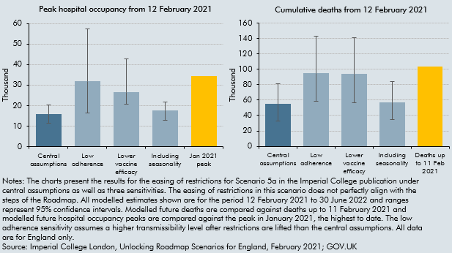

 | Scenario 5a: Modelled cumulative deaths between 12 Feb 2021 and 30 June 2022
 | Assumption | Central | Low | High
 | Central assumptions | 55000 | 33200 | 81200
 | Low adherence | 94700 | 58900 | 143400
 | Lower vaccine efficacy | 94000 | 56300 | 141500
 | Including seasonality | 57100 | 35000 | 84300
 | Deaths up to 11 Feb 2021 | 103645

 | Scenario 5a: Modelled peak hospital occupancy between 12 Feb 2021 and 30 June 2022
 |  | Central | Low | High
 | Central assumptions | 15800 | 11500 | 20500
 | Low adherence | 31800 | 16500 | 57200
 | Lower vaccine efficacy | 26400 | 20600 | 42900
 | Including seasonality | 17700 | 12900 | 21700
 | Jan 2021 peak | 34336

C2.B
Back to contents
 | Chart 2.B: Number of heavy goods vehicles on roads around Dover
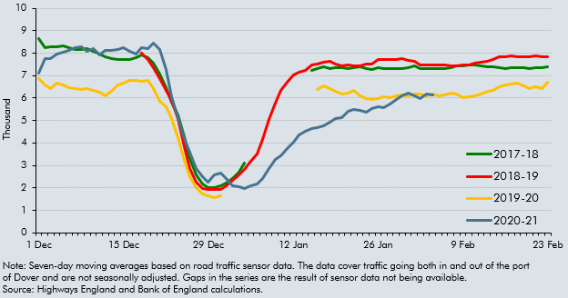

 | Date | 2017-18 | 2018-19 | 2019-20 | 2020-21
 | 1 Dec | 8.6 |  | 6.8 | 7.1
 | 2 Dec | 8.2 |  | 6.6 | 7.7
 | 3 Dec | 8.3 |  | 6.4 | 7.8
 | 4 Dec | 8.3 |  | 6.7 | 8.0
 | 5 Dec | 8.3 |  | 6.6 | 8.0
 | 6 Dec | 8.3 |  | 6.5 | 8.1
 | 7 Dec | 8.2 |  | 6.4 | 8.2
 | 8 Dec | 8.2 |  | 6.4 | 8.3
 | 9 Dec | 8.2 |  | 6.4 | 8.1
 | 10 Dec | 8.1 |  | 6.4 | 8.2
 | 11 Dec | 8.0 |  | 6.2 | 7.9
 | 12 Dec | 7.8 |  | 6.1 | 8.1
 | 13 Dec | 7.7 |  | 6.3 | 8.1
 | 14 Dec | 7.7 |  | 6.6 | 8.1
 | 15 Dec | 7.7 |  | 6.7 | 8.2
 | 16 Dec | 7.7 |  | 6.8 | 8.1
 | 17 Dec | 7.8 |  | 6.8 | 8.0
 | 18 Dec | 7.9 | 8.0 | 6.8 | 8.3
 | 19 Dec | 7.8 | 7.7 | 6.8 | 8.2
 | 20 Dec | 7.5 | 7.4 | 6.4 | 8.4
 | 21 Dec | 7.1 | 6.9 | 5.9 | 8.2
 | 22 Dec | 6.5 | 6.3 | 5.6 | 7.3
 | 23 Dec | 5.8 | 5.9 | 5.1 | 6.1
 | 24 Dec | 5.3 | 5.1 | 4.2 | 5.1
 | 25 Dec | 4.3 | 3.8 | 3.2 | 4.2
 | 26 Dec | 3.3 | 2.9 | 2.5 | 3.6
 | 27 Dec | 2.6 | 2.3 | 2.0 | 2.9
 | 28 Dec | 2.2 | 2.0 | 1.7 | 2.5
 | 29 Dec | 2.0 | 1.9 | 1.7 | 2.3
 | 30 Dec | 2.0 | 1.9 | 1.6 | 2.6
 | 31 Dec | 2.1 | 1.9 | 1.6 | 2.7
 | 1 Jan | 2.2 | 2.1 |  | 2.4
 | 2 Jan | 2.4 | 2.3 |  | 2.1
 | 3 Jan | 2.7 | 2.6 |  | 2.1
 | 4 Jan | 3.1 | 2.8 |  | 2.0
 | 5 Jan |  | 3.2 |  | 2.1
 | 6 Jan |  | 3.5 |  | 2.2
 | 7 Jan |  | 4.2 |  | 2.4
 | 8 Jan |  | 5.0 |  | 2.9
 | 9 Jan |  | 5.8 |  | 3.3
 | 10 Jan |  | 6.3 |  | 3.4
 | 11 Jan |  | 6.7 |  | 3.7
 | 12 Jan |  | 7.0 |  | 4.0
 | 13 Jan |  | 7.1 |  | 4.4
 | 14 Jan |  | 7.2 |  | 4.5
 | 15 Jan | 7.2 | 7.5 |  | 4.6
 | 16 Jan | 7.3 | 7.5 | 6.4 | 4.7
 | 17 Jan | 7.4 | 7.6 | 6.6 | 4.7
 | 18 Jan | 7.3 | 7.7 | 6.4 | 4.9
 | 19 Jan | 7.3 | 7.5 | 6.3 | 5.1
 | 20 Jan | 7.3 | 7.4 | 6.2 | 5.1
 | 21 Jan | 7.3 | 7.5 | 6.2 | 5.4
 | 22 Jan | 7.4 | 7.4 | 6.3 | 5.5
 | 23 Jan | 7.4 | 7.4 | 6.1 | 5.4
 | 24 Jan | 7.3 | 7.5 | 6.0 | 5.4
 | 25 Jan | 7.3 | 7.5 | 6.0 | 5.5
 | 26 Jan | 7.3 | 7.7 | 6.0 | 5.6
 | 27 Jan | 7.3 | 7.7 | 6.1 | 5.6
 | 28 Jan | 7.3 | 7.7 | 6.0 | 5.7
 | 29 Jan | 7.3 | 7.7 | 6.1 | 5.9
 | 30 Jan | 7.3 | 7.7 | 6.1 | 6.1
 | 31 Jan | 7.4 | 7.7 | 6.1 | 6.2
 | 1 Feb | 7.4 | 7.6 | 6.2 | 6.1
 | 2 Feb | 7.3 | 7.5 | 6.2 | 6.0
 | 3 Feb | 7.3 | 7.5 | 6.1 | 6.2
 | 4 Feb | 7.3 | 7.5 | 6.2 | 6.1
 | 5 Feb | 7.3 | 7.5 | 6.1
 | 6 Feb | 7.3 | 7.5 | 6.1
 | 7 Feb | 7.3 | 7.5 | 6.2
 | 8 Feb | 7.4 | 7.4 | 6.2
 | 9 Feb | 7.5 | 7.5 | 6.0
 | 10 Feb | 7.5 | 7.5 | 6.1
 | 11 Feb | 7.5 | 7.6 | 6.1
 | 12 Feb | 7.4 | 7.6 | 6.2
 | 13 Feb | 7.4 | 7.6 | 6.3
 | 14 Feb | 7.4 | 7.7 | 6.4
 | 15 Feb | 7.3 | 7.8 | 6.5
 | 16 Feb | 7.3 | 7.9 | 6.6
 | 17 Feb | 7.3 | 7.9 | 6.6
 | 18 Feb | 7.4 | 7.8 | 6.7
 | 19 Feb | 7.3 | 7.8 | 6.5
 | 20 Feb | 7.3 | 7.8 | 6.4
 | 21 Feb | 7.4 | 7.9 | 6.5
 | 22 Feb | 7.4 | 7.8 | 6.4
 | 23 Feb | 7.4 | 7.8 | 6.7

C2.2
Back to contents
 | Chart 2.2: Bank Rate
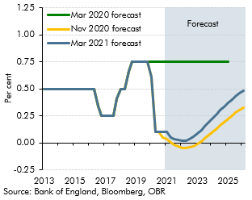

 | Quarters | March 2021 forecast | November 2020 forecast | March 2020 forecast
 | 2013 Q1 | 0.50 | 0.50 | 0.50
 | 2013 Q2 | 0.50 | 0.50 | 0.50
 | 2013 Q3 | 0.50 | 0.50 | 0.50
 | 2013 Q4 | 0.50 | 0.50 | 0.50
 | 2014 Q1 | 0.50 | 0.50 | 0.50
 | 2014 Q2 | 0.50 | 0.50 | 0.50
 | 2014 Q3 | 0.50 | 0.50 | 0.50
 | 2014 Q4 | 0.50 | 0.50 | 0.50
 | 2015 Q1 | 0.50 | 0.50 | 0.50
 | 2015 Q2 | 0.50 | 0.50 | 0.50
 | 2015 Q3 | 0.50 | 0.50 | 0.50
 | 2015 Q4 | 0.50 | 0.50 | 0.50
 | 2016 Q1 | 0.50 | 0.50 | 0.50
 | 2016 Q2 | 0.50 | 0.50 | 0.50
 | 2016 Q3 | 0.34 | 0.34 | 0.34
 | 2016 Q4 | 0.25 | 0.25 | 0.25
 | 2017 Q1 | 0.25 | 0.25 | 0.25
 | 2017 Q2 | 0.25 | 0.25 | 0.25
 | 2017 Q3 | 0.25 | 0.25 | 0.25
 | 2017 Q4 | 0.41 | 0.41 | 0.41
 | 2018 Q1 | 0.50 | 0.50 | 0.50
 | 2018 Q2 | 0.50 | 0.50 | 0.50
 | 2018 Q3 | 0.66 | 0.66 | 0.66
 | 2018 Q4 | 0.75 | 0.75 | 0.75
 | 2019 Q1 | 0.75 | 0.75 | 0.75
 | 2019 Q2 | 0.75 | 0.75 | 0.75
 | 2019 Q3 | 0.75 | 0.75 | 0.75
 | 2019 Q4 | 0.75 | 0.75 | 0.75
 | 2020 Q1 | 0.61 | 0.61 | 0.75
 | 2020 Q2 | 0.10 | 0.10 | 0.75
 | 2020 Q3 | 0.10 | 0.10 | 0.75
 | 2020 Q4 | 0.10 | 0.05 | 0.75
 | 2021 Q1 | 0.10 | 0.04 | 0.75
 | 2021 Q2 | 0.05 | 0.01 | 0.75
 | 2021 Q3 | 0.04 | -0.01 | 0.75
 | 2021 Q4 | 0.03 | -0.03 | 0.75
 | 2022 Q1 | 0.02 | -0.04 | 0.75
 | 2022 Q2 | 0.02 | -0.05 | 0.75
 | 2022 Q3 | 0.03 | -0.04 | 0.75
 | 2022 Q4 | 0.06 | -0.03 | 0.75
 | 2023 Q1 | 0.09 | -0.01 | 0.75
 | 2023 Q2 | 0.12 | 0.01 | 0.75
 | 2023 Q3 | 0.16 | 0.04 | 0.75
 | 2023 Q4 | 0.19 | 0.07 | 0.75
 | 2024 Q1 | 0.23 | 0.10 | 0.75
 | 2024 Q2 | 0.27 | 0.13 | 0.75
 | 2024 Q3 | 0.30 | 0.16 | 0.75
 | 2024 Q4 | 0.34 | 0.19 | 0.75
 | 2025 Q1 | 0.37 | 0.22 | 0.75
 | 2025 Q2 | 0.40 | 0.25
 | 2025 Q3 | 0.43 | 0.28
 | 2025 Q4 | 0.46 | 0.31
 | 2026 Q1 | 0.48 | 0.33

C2.3
Back to contents
 | Chart 2.3: Sterling effective exchange rate
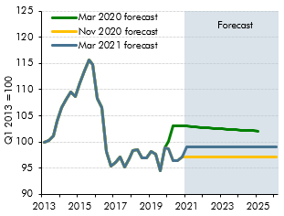

 |  | March 2021 forecast | November 2020 forecast | March 2020 forecast
 | 2013 Q1 | 100.00 | 100.00 | 100.00
 | 2013 Q2 | 100.24 | 100.24 | 100.24
 | 2013 Q3 | 101.13 | 101.13 | 101.13
 | 2013 Q4 | 104.02 | 104.02 | 104.02
 | 2014 Q1 | 106.52 | 106.52 | 106.52
 | 2014 Q2 | 108.18 | 108.18 | 108.18
 | 2014 Q3 | 109.56 | 109.56 | 109.56
 | 2014 Q4 | 108.66 | 108.66 | 108.66
 | 2015 Q1 | 111.35 | 111.35 | 111.35
 | 2015 Q2 | 113.59 | 113.59 | 113.59
 | 2015 Q3 | 115.66 | 115.66 | 115.66
 | 2015 Q4 | 114.80 | 114.80 | 114.80
 | 2016 Q1 | 108.34 | 108.34 | 108.34
 | 2016 Q2 | 106.50 | 106.50 | 106.50
 | 2016 Q3 | 98.16 | 98.16 | 98.16
 | 2016 Q4 | 95.37 | 95.37 | 95.37
 | 2017 Q1 | 96.00 | 96.00 | 96.00
 | 2017 Q2 | 97.09 | 97.09 | 97.09
 | 2017 Q3 | 95.25 | 95.25 | 95.25
 | 2017 Q4 | 96.71 | 96.71 | 96.71
 | 2018 Q1 | 98.30 | 98.30 | 98.30
 | 2018 Q2 | 98.52 | 98.52 | 98.52
 | 2018 Q3 | 96.96 | 96.96 | 96.96
 | 2018 Q4 | 96.97 | 96.97 | 96.97
 | 2019 Q1 | 98.19 | 98.19 | 98.19
 | 2019 Q2 | 97.72 | 97.72 | 97.72
 | 2019 Q3 | 94.45 | 94.45 | 94.45
 | 2019 Q4 | 98.95 | 98.95 | 98.95
 | 2020 Q1 | 98.76 | 98.76 | 100.14
 | 2020 Q2 | 96.48 | 96.48 | 103.10
 | 2020 Q3 | 96.44 | 96.44 | 103.08
 | 2020 Q4 | 97.04 | 97.13 | 103.04
 | 2021 Q1 | 98.96 | 97.13 | 102.99
 | 2021 Q2 | 98.96 | 97.13 | 102.93
 | 2021 Q3 | 98.96 | 97.13 | 102.86
 | 2021 Q4 | 98.96 | 97.13 | 102.80
 | 2022 Q1 | 98.96 | 97.13 | 102.73
 | 2022 Q2 | 98.96 | 97.13 | 102.68
 | 2022 Q3 | 98.96 | 97.13 | 102.62
 | 2022 Q4 | 98.96 | 97.13 | 102.55
 | 2023 Q1 | 98.96 | 97.13 | 102.48
 | 2023 Q2 | 98.96 | 97.13 | 102.43
 | 2023 Q3 | 98.96 | 97.13 | 102.38
 | 2023 Q4 | 98.96 | 97.13 | 102.32
 | 2024 Q1 | 98.96 | 97.13 | 102.27
 | 2024 Q2 | 98.96 | 97.13 | 102.22
 | 2024 Q3 | 98.96 | 97.13 | 102.18
 | 2024 Q4 | 98.96 | 97.13 | 102.14
 | 2025 Q1 | 98.96 | 97.13 | 102.10
 | 2025 Q2 | 98.96 | 97.13
 | 2025 Q3 | 98.96 | 97.13
 | 2025 Q4 | 98.96 | 97.13
 | 2026 Q1 | 98.96 | 97.13

C2.4
Back to contents
 | Chart 2.4: Oil Prices
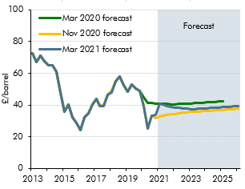

 | Quarters | March 2021 forecast | November 2020 forecast | March 2020 forecast
 | 2013 Q1 | 72.73 | 72.73 | 72.73
 | 2013 Q2 | 67.07 | 67.07 | 67.07
 | 2013 Q3 | 71.02 | 71.01 | 71.01
 | 2013 Q4 | 67.59 | 67.59 | 67.59
 | 2014 Q1 | 65.21 | 65.21 | 65.21
 | 2014 Q2 | 65.24 | 65.24 | 65.24
 | 2014 Q3 | 61.13 | 61.13 | 61.13
 | 2014 Q4 | 47.96 | 47.96 | 47.96
 | 2015 Q1 | 35.70 | 35.70 | 35.70
 | 2015 Q2 | 40.48 | 40.48 | 40.48
 | 2015 Q3 | 32.30 | 32.30 | 32.30
 | 2015 Q4 | 28.62 | 28.62 | 28.62
 | 2016 Q1 | 24.01 | 24.02 | 24.02
 | 2016 Q2 | 32.04 | 32.04 | 32.04
 | 2016 Q3 | 34.89 | 34.89 | 34.89
 | 2016 Q4 | 40.34 | 40.34 | 40.34
 | 2017 Q1 | 43.67 | 43.67 | 43.67
 | 2017 Q2 | 39.25 | 39.68 | 39.68
 | 2017 Q3 | 39.53 | 39.91 | 39.91
 | 2017 Q4 | 46.33 | 46.23 | 46.23
 | 2018 Q1 | 48.10 | 48.64 | 48.64
 | 2018 Q2 | 54.76 | 54.76 | 54.76
 | 2018 Q3 | 57.90 | 57.90 | 57.90
 | 2018 Q4 | 52.36 | 52.36 | 52.36
 | 2019 Q1 | 48.57 | 48.57 | 48.57
 | 2019 Q2 | 53.18 | 53.18 | 53.18
 | 2019 Q3 | 50.17 | 50.17 | 50.17
 | 2019 Q4 | 48.68 | 48.68 | 48.68
 | 2020 Q1 | 39.50 | 39.50 | 44.95
 | 2020 Q2 | 25.31 | 25.31 | 41.41
 | 2020 Q3 | 33.08 | 33.08 | 41.22
 | 2020 Q4 | 33.71 | 31.76 | 40.95
 | 2021 Q1 | 40.58 | 32.76 | 40.77
 | 2021 Q2 | 40.05 | 33.41 | 40.65
 | 2021 Q3 | 39.42 | 33.83 | 40.56
 | 2021 Q4 | 38.87 | 34.12 | 40.46
 | 2022 Q1 | 38.48 | 34.42 | 40.41
 | 2022 Q2 | 38.16 | 34.74 | 40.56
 | 2022 Q3 | 37.88 | 35.03 | 40.71
 | 2022 Q4 | 37.60 | 35.27 | 40.87
 | 2023 Q1 | 37.46 | 35.52 | 41.03
 | 2023 Q2 | 37.34 | 35.69 | 41.18
 | 2023 Q3 | 37.53 | 35.87 | 41.33
 | 2023 Q4 | 37.71 | 36.04 | 41.48
 | 2024 Q1 | 37.89 | 36.22 | 41.63
 | 2024 Q2 | 38.08 | 36.40 | 41.78
 | 2024 Q3 | 38.27 | 36.58 | 41.93
 | 2024 Q4 | 38.45 | 36.75 | 42.08
 | 2025 Q1 | 38.64 | 36.93 | 42.23
 | 2025 Q2 | 38.83 | 37.11
 | 2025 Q3 | 39.02 | 37.30
 | 2025 Q4 | 39.21 | 37.48
 | 2026 Q1 | 39.40 | 37.66

C2.5
Back to contents
 | Chart 2.5: Equity Prices
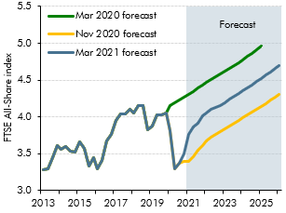

 | Quarters | March 2021 forecast | November 2020 forecast | March 2020 forecast
 | 2013 Q1 | 3280.6 | 3280.6 | 3280.6
 | 2013 Q2 | 3289.7 | 3289.7 | 3289.7
 | 2013 Q3 | 3443.9 | 3443.9 | 3443.9
 | 2013 Q4 | 3609.6 | 3609.6 | 3609.6
 | 2014 Q1 | 3555.6 | 3555.6 | 3555.6
 | 2014 Q2 | 3600.2 | 3600.2 | 3600.2
 | 2014 Q3 | 3533.9 | 3533.9 | 3533.9
 | 2014 Q4 | 3521.2 | 3521.2 | 3521.2
 | 2015 Q1 | 3663.6 | 3663.6 | 3663.6
 | 2015 Q2 | 3570.6 | 3570.6 | 3570.6
 | 2015 Q3 | 3335.9 | 3335.9 | 3335.9
 | 2015 Q4 | 3444.3 | 3444.3 | 3444.3
 | 2016 Q1 | 3295.9 | 3295.9 | 3295.9
 | 2016 Q2 | 3404.7 | 3404.7 | 3404.7
 | 2016 Q3 | 3678.2 | 3678.2 | 3678.2
 | 2016 Q4 | 3763.2 | 3763.2 | 3763.2
 | 2017 Q1 | 3952.0 | 3952.0 | 3952.0
 | 2017 Q2 | 4045.2 | 4045.2 | 4045.2
 | 2017 Q3 | 4044.1 | 4044.1 | 4044.1
 | 2017 Q4 | 4108.1 | 4108.1 | 4108.1
 | 2018 Q1 | 4048.9 | 4048.9 | 4048.9
 | 2018 Q2 | 4152.9 | 4152.9 | 4152.9
 | 2018 Q3 | 4157.7 | 4157.7 | 4157.7
 | 2018 Q4 | 3831.7 | 3831.7 | 3831.7
 | 2019 Q1 | 3871.4 | 3871.4 | 3871.4
 | 2019 Q2 | 4026.1 | 4026.1 | 4026.1
 | 2019 Q3 | 4027.8 | 4027.8 | 4027.8
 | 2019 Q4 | 4050.4 | 4050.4 | 4050.4
 | 2020 Q1 | 3812.1 | 3812.1 | 4155.9
 | 2020 Q2 | 3300.7 | 3300.7 | 4185.8
 | 2020 Q3 | 3372.7 | 3372.7 | 4223.7
 | 2020 Q4 | 3498.0 | 3401.7 | 4263.4
 | 2021 Q1 | 3765.3 | 3396.6 | 4305.5
 | 2021 Q2 | 3858.3 | 3462.6 | 4346.7
 | 2021 Q3 | 3908.6 | 3544.7 | 4387.9
 | 2021 Q4 | 4012.7 | 3614.4 | 4429.0
 | 2022 Q1 | 4050.9 | 3673.5 | 4470.0
 | 2022 Q2 | 4108.8 | 3726.8 | 4508.6
 | 2022 Q3 | 4132.3 | 3766.1 | 4546.0
 | 2022 Q4 | 4160.0 | 3804.6 | 4583.7
 | 2023 Q1 | 4197.5 | 3841.3 | 4621.3
 | 2023 Q2 | 4241.2 | 3877.5 | 4659.3
 | 2023 Q3 | 4276.2 | 3912.3 | 4697.8
 | 2023 Q4 | 4315.4 | 3948.7 | 4737.1
 | 2024 Q1 | 4356.8 | 3984.3 | 4778.5
 | 2024 Q2 | 4396.3 | 4023.3 | 4821.0
 | 2024 Q3 | 4437.1 | 4063.1 | 4865.2
 | 2024 Q4 | 4478.7 | 4102.6 | 4910.3
 | 2025 Q1 | 4524.6 | 4142.8 | 4957.5
 | 2025 Q2 | 4568.8 | 4183.7
 | 2025 Q3 | 4609.8 | 4226.9
 | 2025 Q4 | 4656.3 | 4266.3
 | 2026 Q1 | 4700.8 | 4307.2

C2.C
Back to contents
 | Chart 2.C: Shortfall in real GDP with and without government consumption
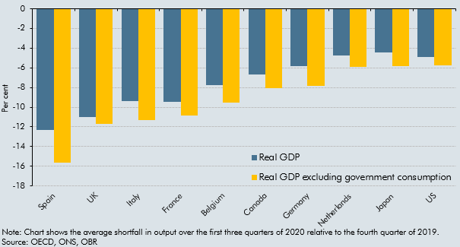

 |  | Spain | UK | Italy | France | Belgium | Canada | Germany | Netherlands | Japan | US
 | Real GDP excluding government consumption | -15.6 | -11.7 | -11.3 | -10.8 | -9.5 | -8.1 | -7.9 | -5.9 | -5.8 | -5.7
 | Real GDP | -12.3 | -11.0 | -9.4 | -9.5 | -7.7 | -6.7 | -5.8 | -4.8 | -4.5 | -4.9

C2.D
Back to contents
 | Chart 2.D: Share of social consumption and falls in household consumption
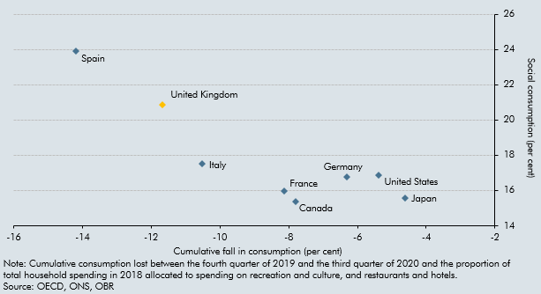

 |  | Spain | UK | France | Italy | Germany | Canada | US | Japan
 | Cumulative fall in consumption (per cent) | -14.2 | -11.7 | -8.1 | -10.5 | -6.3 | -7.8 | -5.4 | -4.6
 | social consumption (per cent) | 23.9 | 20.9 | 16.0 | 17.5 | 16.8 | 15.4 | 16.9 | 15.6

C2.E
Back to contents
 | Chart 2.E: The evolving effect of the virus on economic activity
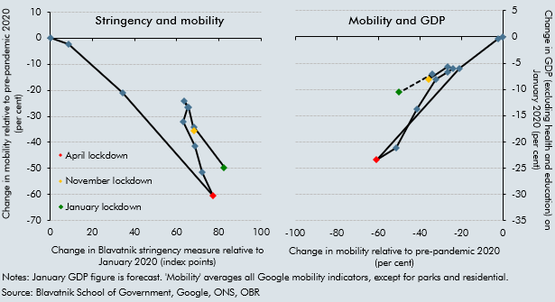

 |  | Stringency | Mobility |  | Mobility | Change in GDP (excluding health and education)
 | January | 0 | 0 | January | 0 | 0
 | February | 9 | -2 | February | -2 | 0
 | March | 34 | -21 | March | -21 | -6
 | April | 77 | -61 | April | -61 | -23
 | May | 72 | -51 | May | -51 | -21
 | June | 69 | -41 | June | -41 | -14
 | July | 63 | -32 | July | -32 | -8
 | August | 65 | -26 | August | -26 | -7
 | September | 63 | -24 | September | -24 | -6
 | October | 66 | -27 | October | -27 | -6
 | November | 68 | -36 | November | -36 | -8
 | December | 68 | -34 | December | -34 | -7
 | January | 83 | -50 | January | -50 | -11

C2.F
Back to contents
 | Chart 2.F: Firms closing or pausing trading at the start of each lockdown
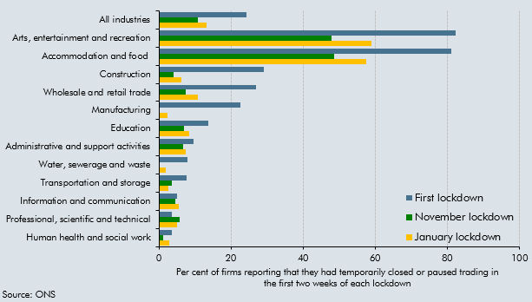

 |  | First lockdown | November lockdown | January lockdown
 | Human health and social work | 3.5 | 1.2 | 2.9
 | Professional, scientific and technical | 3.7 | 5.7 | 5
 | Information and communication | 5.1 | 4.6 | 5.4
 | Transportation and storage | 7.7 | 3.5 | 2.7
 | Water, sewerage and waste | 8 | 0 | 2
 | Administrative and support activities | 9.6 | 6.7 | 7.5
 | Education | 13.8 | 7 | 8.5
 | Manufacturing | 22.7 | 0 | 2.4
 | Wholesale and retail trade | 27 | 7.5 | 10.9
 | Construction | 29.1 | 4.1 | 6.3
 | Accommodation and food | 81.2 | 48.5 | 57.4
 | Arts, entertainment and recreation | 82.2 | 47.9 | 59
 | All industries | 24.3 | 10.9 | 13.3

C2.G
Back to contents
 | Chart 2.G: Consumer adaptation to a socially-distanced economy
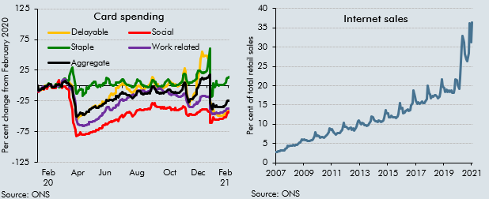

 | Internet sales as a percentage of total retail sales (ratio) (%) |  |  | Aggregate | Delayable | Social | Staple | Work related
 | 2006 NOV | 2.8 | 2020-01-13 | -6.09 | -2.92 | -11.35 | -4.21 | -8.76
 | 2006 DEC | 2.5 | 2020-01-14 | -7.27 | -5.45 | -10.74 | -5.72 | -9.1
 | 2007 JAN | 2.7 | 2020-01-15 | -7.41 | -6.09 | -9.39 | -6.88 | -8.28
 | 2007 FEB | 2.8 | 2020-01-16 | -7.06 | -6.81 | -7.89 | -6.46 | -7.61
 | 2007 MAR | 2.9 | 2020-01-17 | -6.96 | -7.87 | -6.76 | -6.18 | -6.65
 | 2007 APR | 2.9 | 2020-01-20 | -5.29 | -6.34 | -4.94 | -4.81 | -3.64
 | 2007 MAY | 3.1 | 2020-01-21 | -4.9 | -6.33 | -4.3 | -4.26 | -2.98
 | 2007 JUN | 3.1 | 2020-01-22 | -4.35 | -5.49 | -4.32 | -3.53 | -2.38
 | 2007 JUL | 3.3 | 2020-01-23 | -4.39 | -5.35 | -4.49 | -3.79 | -1.74
 | 2007 AUG | 3.3 | 2020-01-24 | -4.74 | -5.13 | -6.23 | -3.61 | -1.55
 | 2007 SEP | 3.6 | 2020-01-27 | -1.94 | -0.72 | -3.3 | -2.28 | -0.93
 | 2007 OCT | 3.8 | 2020-01-28 | -1.7 | -0.69 | -3.75 | -1.13 | -0.84
 | 2007 NOV | 4.4 | 2020-01-29 | -1.02 | 0.1 | -3.57 | 0.07 | -1.09
 | 2007 DEC | 4.2 | 2020-01-30 | -1.34 | 0.16 | -5.13 | 0.4 | -1
 | 2008 JAN | 4.4 | 2020-01-31 | 0.65 | 1.89 | -1.2 | 1.22 | -0.6
 | 2008 FEB | 4.4 | 2020-02-03 | 1.78 | 1.81 | -0.59 | 4.16 | 0.62
 | 2008 MAR | 4.5 | 2020-02-04 | 2.08 | 2.51 | 0.24 | 3.54 | 0.93
 | 2008 APR | 4.6 | 2020-02-05 | 1.79 | 2.04 | 0.37 | 3.02 | 0.82
 | 2008 MAY | 4.4 | 2020-02-06 | 1.99 | 1.02 | 2.36 | 3.03 | 0.61
 | 2008 JUN | 4.7 | 2020-02-07 | 1.44 | 1.27 | 0.69 | 2.48 | 0.75
 | 2008 JUL | 4.6 | 2020-02-10 | -3.01 | -3.53 | -3.3 | -2.74 | -0.41
 | 2008 AUG | 4.8 | 2020-02-11 | -3.26 | -3.19 | -3.59 | -3.23 | -2.43
 | 2008 SEP | 5.2 | 2020-02-12 | -3.4 | -3.46 | -3.69 | -3.38 | -1.98
 | 2008 OCT | 5.3 | 2020-02-13 | -2.25 | -0.78 | -3.65 | -2.77 | -1.53
 | 2008 NOV | 6 | 2020-02-14 | -1.45 | -0.29 | -3.79 | -0.57 | -1.53
 | 2008 DEC | 5.8 | 2020-02-17 | -1.52 | -2.55 | -4.2 | 2.12 | -1.62
 | 2009 JAN | 6 | 2020-02-18 | 0.64 | -1.16 | 1.02 | 2.54 | -0.48
 | 2009 FEB | 5.9 | 2020-02-19 | 1.63 | 0.91 | 2.61 | 2.02 | -0.63
 | 2009 MAR | 5.8 | 2020-02-20 | 1.74 | 0.92 | 4.29 | 0.84 | -0.66
 | 2009 APR | 5.7 | 2020-02-21 | 1.4 | 0.65 | 6.22 | -1.68 | -0.89
 | 2009 MAY | 5.7 | 2020-02-24 | 2.96 | 4.21 | 8.46 | -2.86 | 0.04
 | 2009 JUN | 5.6 | 2020-02-25 | 0.54 | 1.6 | 2.83 | -2.87 | 1.08
 | 2009 JUL | 5.9 | 2020-02-26 | -0.54 | -0.3 | 0.15 | -1.89 | 1.57
 | 2009 AUG | 5.9 | 2020-02-27 | -1.35 | -0.91 | -2.22 | -1.86 | 2.4
 | 2009 SEP | 6.1 | 2020-02-28 | -1.21 | -0.79 | -4.21 | 0.09 | 3.34
 | 2009 OCT | 6.8 | 2020-03-02 | 3.73 | 4.89 | -1.99 | 6.84 | 7.72
 | 2009 NOV | 7.9 | 2020-03-03 | 4.83 | 6.72 | -1.57 | 7.61 | 9.46
 | 2009 DEC | 6.9 | 2020-03-04 | 5.81 | 7.27 | -1.03 | 9.51 | 10.11
 | 2010 JAN | 7.1 | 2020-03-05 | 6.67 | 8.74 | -1.35 | 11.02 | 9.9
 | 2010 FEB | 6.8 | 2020-03-06 | 7.12 | 9.89 | -1.23 | 11.18 | 9.54
 | 2010 MAR | 6.5 | 2020-03-09 | 4.37 | 7.68 | -4.4 | 8.29 | 6.41
 | 2010 APR | 6.6 | 2020-03-10 | 3.98 | 7.3 | -5.51 | 8.85 | 4.66
 | 2010 MAY | 6.6 | 2020-03-11 | 3.52 | 7.17 | -5.57 | 7.79 | 3.59
 | 2010 JUN | 6.4 | 2020-03-12 | 3.07 | 6.2 | -6.06 | 8.04 | 2.74
 | 2010 JUL | 6.7 | 2020-03-13 | 2.57 | 6.02 | -8.99 | 9.61 | 1.32
 | 2010 AUG | 7.1 | 2020-03-16 | 0.47 | 3.52 | -19.24 | 15.72 | -2.15
 | 2010 SEP | 7.3 | 2020-03-17 | 0.18 | 3.21 | -23.5 | 19.41 | -3.82
 | 2010 OCT | 7.9 | 2020-03-18 | -0.11 | 2.3 | -27.62 | 23.52 | -4.98
 | 2010 NOV | 9 | 2020-03-19 | -1.38 | 0.52 | -33.86 | 27.38 | -6.3
 | 2010 DEC | 8.5 | 2020-03-20 | -2.86 | -0.95 | -38.93 | 29.11 | -7.4
 | 2011 JAN | 8.7 | 2020-03-23 | -18.75 | -19.07 | -60.67 | 18.92 | -13.27
 | 2011 FEB | 7.9 | 2020-03-24 | -23.12 | -23.94 | -63.59 | 13.7 | -17.25
 | 2011 MAR | 7.8 | 2020-03-25 | -29.49 | -30.66 | -69.06 | 6.52 | -21.88
 | 2011 APR | 7.2 | 2020-03-26 | -34.61 | -36.27 | -71.83 | 0.3 | -29.29
 | 2011 MAY | 7.5 | 2020-03-27 | -39.85 | -42.57 | -74.42 | -5.89 | -36.06
 | 2011 JUN | 7.7 | 2020-03-30 | -50.11 | -55.86 | -82.74 | -12.8 | -54.35
 | 2011 JUL | 7.7 | 2020-03-31 | -49.95 | -55.49 | -80.98 | -13.26 | -59.19
 | 2011 AUG | 7.8 | 2020-04-01 | -48.53 | -53.28 | -80.77 | -10.46 | -63.08
 | 2011 SEP | 8.3 | 2020-04-02 | -47.27 | -51.8 | -80.49 | -8.16 | -63.64
 | 2011 OCT | 8.6 | 2020-04-03 | -46.47 | -50.7 | -80.23 | -6.86 | -64.45
 | 2011 NOV | 10.3 | 2020-04-06 | -44.36 | -48.23 | -76.32 | -6.2 | -65.15
 | 2011 DEC | 9.4 | 2020-04-07 | -45.08 | -48.77 | -78.84 | -5.71 | -64.76
 | 2012 JAN | 9.4 | 2020-04-08 | -45.39 | -48.13 | -79.47 | -6.87 | -64.73
 | 2012 FEB | 9.1 | 2020-04-09 | -44.87 | -46.91 | -79.39 | -6.59 | -64.8
 | 2012 MAR | 8.8 | 2020-04-14 | -47.96 | -46.62 | -80.01 | -16.29 | -65.28
 | 2012 APR | 8.9 | 2020-04-15 | -46.68 | -46.69 | -79.42 | -12.46 | -65.94
 | 2012 MAY | 9.1 | 2020-04-16 | -47.27 | -47.29 | -79.42 | -13.75 | -65.7
 | 2012 JUN | 8.5 | 2020-04-17 | -46.09 | -45.99 | -79.7 | -11.21 | -65.2
 | 2012 JUL | 9 | 2020-04-20 | -45.81 | -45.59 | -78.12 | -12.3 | -64.73
 | 2012 AUG | 8.3 | 2020-04-21 | -42.44 | -43.6 | -79.14 | -2.57 | -64.96
 | 2012 SEP | 8.9 | 2020-04-22 | -43.19 | -43.21 | -79.08 | -5.77 | -63.77
 | 2012 OCT | 9.4 | 2020-04-23 | -42.74 | -42.96 | -78.58 | -5.06 | -63.72
 | 2012 NOV | 10.7 | 2020-04-24 | -42.45 | -42.83 | -78.36 | -4.64 | -62.87
 | 2012 DEC | 10.9 | 2020-04-27 | -40 | -40.13 | -77.2 | -1.37 | -60.06
 | 2013 JAN | 10.5 | 2020-04-28 | -39.39 | -39.32 | -76.91 | -0.65 | -59.54
 | 2013 FEB | 10 | 2020-04-29 | -38.52 | -38.12 | -76.38 | 0.3 | -59.35
 | 2013 MAR | 10.3 | 2020-04-30 | -38.06 | -37.67 | -76.3 | 1.16 | -59.06
 | 2013 APR | 10.1 | 2020-05-01 | -36.5 | -35.98 | -75.58 | 3.71 | -59.19
 | 2013 MAY | 9.8 | 2020-05-04 | -35.87 | -35.08 | -74.55 | 3.69 | -58.69
 | 2013 JUN | 9.7 | 2020-05-05 | -34.59 | -34.11 | -74.25 | 6.44 | -58.42
 | 2013 JUL | 9.5 | 2020-05-06 | -34.58 | -34.05 | -74.41 | 6.36 | -57.62
 | 2013 AUG | 9.7 | 2020-05-07 | -34.04 | -33.02 | -74.23 | 6.59 | -56.67
 | 2013 SEP | 10.1 | 2020-05-11 | -35.87 | -34.47 | -73.18 | 1.02 | -55.28
 | 2013 OCT | 10.7 | 2020-05-12 | -36.24 | -35.08 | -72.93 | 0.22 | -55.13
 | 2013 NOV | 12.1 | 2020-05-13 | -36.5 | -34.62 | -72.46 | -1.59 | -55.03
 | 2013 DEC | 11.8 | 2020-05-14 | -36.78 | -34.73 | -72.29 | -2.61 | -54.6
 | 2014 JAN | 11.1 | 2020-05-15 | -35.88 | -33.7 | -72.53 | -0.73 | -53.98
 | 2014 FEB | 10.7 | 2020-05-18 | -33.8 | -31.99 | -70.08 | 1.29 | -51.41
 | 2014 MAR | 10.8 | 2020-05-19 | -34.13 | -31.4 | -69.92 | -0.86 | -50.17
 | 2014 APR | 10.6 | 2020-05-20 | -33.38 | -30.65 | -69.98 | 0.61 | -49.32
 | 2014 MAY | 10.9 | 2020-05-21 | -32.73 | -29.5 | -69.66 | 0.99 | -48.58
 | 2014 JUN | 10.7 | 2020-05-22 | -31.82 | -28.05 | -69.03 | 1.55 | -47.62
 | 2014 JUL | 10.6 | 2020-05-26 | -30.71 | -26.44 | -66.37 | 0.44 | -45.38
 | 2014 AUG | 10.7 | 2020-05-27 | -29.63 | -26.96 | -65 | 3.18 | -44.94
 | 2014 SEP | 10.9 | 2020-05-28 | -29.65 | -27.33 | -64.57 | 2.98 | -44.2
 | 2014 OCT | 11.5 | 2020-05-29 | -29.07 | -27.43 | -64.23 | 4.39 | -43.03
 | 2014 NOV | 13.7 | 2020-06-01 | -27.96 | -26.87 | -61.48 | 4.17 | -39.9
 | 2014 DEC | 12.8 | 2020-06-02 | -23.96 | -22.91 | -62.86 | 13.29 | -36.47
 | 2015 JAN | 12.8 | 2020-06-03 | -24.54 | -23.06 | -62.83 | 11.26 | -35.21
 | 2015 FEB | 11.7 | 2020-06-04 | -24.1 | -23.25 | -61.83 | 11.91 | -34.83
 | 2015 MAR | 11.7 | 2020-06-05 | -24.37 | -22.71 | -61.21 | 10.04 | -35.59
 | 2015 APR | 12.2 | 2020-06-08 | -22.84 | -16.45 | -58.92 | 6.55 | -38.62
 | 2015 MAY | 11.7 | 2020-06-09 | -23.92 | -16.88 | -58.93 | 3.72 | -39.4
 | 2015 JUN | 11.9 | 2020-06-10 | -23.97 | -15.37 | -58.89 | 1.89 | -39.78
 | 2015 JUL | 11.8 | 2020-06-11 | -23.38 | -12.97 | -58.62 | 0.92 | -39.92
 | 2015 AUG | 11.5 | 2020-06-12 | -23.57 | -13.2 | -58.8 | 0.69 | -39.81
 | 2015 SEP | 12.1 | 2020-06-15 | -24.56 | -15.77 | -58.52 | -0.36 | -37.74
 | 2015 OCT | 12.7 | 2020-06-16 | -23.52 | -14.07 | -57.84 | 0.29 | -36.67
 | 2015 NOV | 15.5 | 2020-06-17 | -22.71 | -12.78 | -57.13 | 0.72 | -36.22
 | 2015 DEC | 14.1 | 2020-06-18 | -22.44 | -12.81 | -56.72 | 1.12 | -35.62
 | 2016 JAN | 14.2 | 2020-06-19 | -21.67 | -11.55 | -56.18 | 1.6 | -35.03
 | 2016 FEB | 12.9 | 2020-06-22 | -17.51 | -3.61 | -55.24 | 4.9 | -32.8
 | 2016 MAR | 13 | 2020-06-23 | -17.63 | -3.59 | -55.24 | 4.43 | -32.47
 | 2016 APR | 13.5 | 2020-06-24 | -17.4 | -2.9 | -55.5 | 4.41 | -31.33
 | 2016 MAY | 13.6 | 2020-06-25 | -18.9 | -4.66 | -58.49 | 4.34 | -31.81
 | 2016 JUN | 13.9 | 2020-06-26 | -16.31 | -1.33 | -54.52 | 4.71 | -28.68
 | 2016 JUL | 13.4 | 2020-06-29 | -14.21 | 0.23 | -51.57 | 6.15 | -24.44
 | 2016 AUG | 13.7 | 2020-06-30 | -13.4 | 0.92 | -50.27 | 6.74 | -23.98
 | 2016 SEP | 14.8 | 2020-07-01 | -12.47 | 0.76 | -49.19 | 8.91 | -23.85
 | 2016 OCT | 15.5 | 2020-07-02 | -10.5 | 3.34 | -47.64 | 10.65 | -22.1
 | 2016 NOV | 18.8 | 2020-07-03 | -11.83 | 2.92 | -51.6 | 10.73 | -23.56
 | 2016 DEC | 17.1 | 2020-07-06 | -12.62 | 2.2 | -50.27 | 8.07 | -24.99
 | 2017 JAN | 16.2 | 2020-07-07 | -12.57 | 1.6 | -49.79 | 8.28 | -24.09
 | 2017 FEB | 15.2 | 2020-07-08 | -12.99 | 2.5 | -49.26 | 5.3 | -23.66
 | 2017 MAR | 15.6 | 2020-07-09 | -13.04 | 1.65 | -46.65 | 3.69 | -23.61
 | 2017 APR | 15.2 | 2020-07-10 | -13.96 | -0.62 | -45.84 | 2.43 | -23.4
 | 2017 MAY | 15.4 | 2020-07-13 | -15.43 | -5.94 | -44.14 | 1.37 | -20.25
 | 2017 JUN | 15.8 | 2020-07-14 | -15.6 | -5.83 | -44.1 | 0.56 | -19.78
 | 2017 JUL | 15.5 | 2020-07-15 | -15.85 | -6.88 | -43.91 | 0.67 | -19.42
 | 2017 AUG | 15.4 | 2020-07-16 | -15.89 | -6.42 | -44.12 | 0.07 | -18.8
 | 2017 SEP | 16 | 2020-07-17 | -15.96 | -7.62 | -43.22 | 0.18 | -17.98
 | 2017 OCT | 16.5 | 2020-07-20 | -16.77 | -8.86 | -44.55 | 0 | -17.17
 | 2017 NOV | 19.9 | 2020-07-21 | -17.58 | -10.1 | -45.89 | -0.19 | -16.35
 | 2017 DEC | 17.9 | 2020-07-22 | -18.92 | -10.35 | -48.18 | -2.32 | -15.73
 | 2018 JAN | 17.7 | 2020-07-23 | -20.65 | -12.73 | -50.94 | -2.86 | -15.18
 | 2018 FEB | 16.8 | 2020-07-24 | -19.6 | -11.33 | -49.32 | -2.6 | -14.72
 | 2018 MAR | 17.3 | 2020-07-27 | -18.27 | -9.5 | -48.18 | -1.26 | -15.21
 | 2018 APR | 17.2 | 2020-07-28 | -16.94 | -7.67 | -47.04 | 0.08 | -15.69
 | 2018 MAY | 17.5 | 2020-07-29 | -15.08 | -7.57 | -44.39 | 3.59 | -15.75
 | 2018 JUN | 17.5 | 2020-07-30 | -12.94 | -5.02 | -40.82 | 4.34 | -15.34
 | 2018 JUL | 17.1 | 2020-07-31 | -12.55 | -4.48 | -41.12 | 5.06 | -14.4
 | 2018 AUG | 16.7 | 2020-08-03 | -9.59 | -1.82 | -40.43 | 10 | -9.36
 | 2018 SEP | 17.2 | 2020-08-04 | -9.37 | -0.21 | -40.01 | 8.22 | -7.93
 | 2018 OCT | 18.1 | 2020-08-05 | -9.79 | -0.8 | -39.53 | 7.01 | -7.59
 | 2018 NOV | 21.6 | 2020-08-06 | -9.66 | -1.02 | -39.39 | 7.53 | -7.51
 | 2018 DEC | 19.7 | 2020-08-07 | -9.81 | -0.64 | -39.4 | 6.68 | -7.76
 | 2019 JAN | 19.3 | 2020-08-10 | -12.63 | -4.02 | -40.47 | 2.51 | -8.92
 | 2019 FEB | 18.3 | 2020-08-11 | -13.24 | -5.28 | -40.16 | 1.6 | -8.64
 | 2019 MAR | 18.9 | 2020-08-12 | -13.4 | -5.72 | -39.98 | 1.26 | -7.94
 | 2019 APR | 18.4 | 2020-08-13 | -14.39 | -7.17 | -40.03 | -0.4 | -7.47
 | 2019 MAY | 18.8 | 2020-08-14 | -14.58 | -7.83 | -39.79 | -0.49 | -7.62
 | 2019 JUN | 18.3 | 2020-08-17 | -13.46 | -4.89 | -39.08 | -0.3 | -9.69
 | 2019 JUL | 18.7 | 2020-08-18 | -13.42 | -4.16 | -39 | -0.92 | -10.37
 | 2019 AUG | 18.1 | 2020-08-19 | -13.06 | -2.73 | -39.02 | -1.3 | -10.64
 | 2019 SEP | 18.1 | 2020-08-20 | -12.74 | -1.89 | -38.3 | -1.77 | -10.94
 | 2019 OCT | 19.1 | 2020-08-21 | -13.2 | -2.18 | -39.27 | -2.18 | -10.42
 | 2019 NOV | 21.6 | 2020-08-24 | -11.95 | -0.54 | -36.96 | -2.3 | -9.31
 | 2019 DEC | 21.4 | 2020-08-25 | -11.52 | 0.53 | -37.04 | -2.13 | -8.72
 | 2020 JAN | 20.2 | 2020-08-26 | -12.42 | -0.81 | -39.39 | -1.4 | -8.8
 | 2020 FEB | 19.1 | 2020-08-27 | -10.21 | 2.63 | -37.64 | 0.14 | -7.96
 | 2020 MAR | 22.1 | 2020-08-28 | -8.67 | 4.6 | -35.89 | 1.27 | -7.69
 | 2020 APR | 30.2 | 2020-09-01 | -4.55 | 8.94 | -31.58 | 5.06 | -3.91
 | 2020 MAY | 32.8 | 2020-09-02 | -0.85 | 13.85 | -28.82 | 8.8 | -2.61
 | 2020 JUN | 31.2 | 2020-09-03 | -1.97 | 12.13 | -30.25 | 8.45 | -2.9
 | 2020 JUL | 28.2 | 2020-09-04 | -2.93 | 10.2 | -30.56 | 7.84 | -3.21
 | 2020 AUG | 26.7 | 2020-09-07 | -5.85 | 2.79 | -29.08 | 5.27 | -3.36
 | 2020 SEP | 26.3 | 2020-09-08 | -6.26 | 5.37 | -33.67 | 5.81 | -5.79
 | 2020 OCT | 28.3 | 2020-09-09 | -9.4 | 0.41 | -33.66 | 1.35 | -6.73
 | 2020 NOV | 36.2 | 2020-09-10 | -10.6 | -2.29 | -34.06 | 0.77 | -6.52
 | 2020 DEC | 31.3 | 2020-09-11 | -11.28 | -3.17 | -34.57 | 0 | -6.4
 | 2021 JAN | 36.3 | 2020-09-14 | -9.97 | 1.77 | -34.89 | -1.14 | -5.61
 |  |  | 2020-09-15 | -12.4 | -4.94 | -35.35 | -1.26 | -4.95
 |  |  | 2020-09-16 | -12.66 | -5.67 | -35.42 | -1.33 | -4.48
 |  |  | 2020-09-17 | -12.21 | -4.69 | -34.8 | -1.44 | -4.85
 |  |  | 2020-09-18 | -13.38 | -5.97 | -37.16 | -1.62 | -5.05
 |  |  | 2020-09-21 | -11.51 | -2.74 | -35.03 | -0.77 | -6.59
 |  |  | 2020-09-22 | -12.27 | -4.11 | -35.51 | -1.07 | -7.54
 |  |  | 2020-09-23 | -11.89 | -3.01 | -36.14 | -0.28 | -8.59
 |  |  | 2020-09-24 | -12.44 | -3.75 | -37.38 | 0.12 | -9.5
 |  |  | 2020-09-25 | -11.21 | -2.11 | -35.49 | 0.7 | -10.25
 |  |  | 2020-09-28 | -10.52 | -1.94 | -37.49 | 4.72 | -10.72
 |  |  | 2020-09-29 | -9.88 | -1.66 | -37.46 | 6.49 | -10.89
 |  |  | 2020-09-30 | -9.6 | -1.38 | -37.29 | 6.92 | -10.87
 |  |  | 2020-10-01 | -7.99 | 0.82 | -36.75 | 9.04 | -10.19
 |  |  | 2020-10-02 | -7.12 | 1.67 | -36.43 | 10.54 | -9.71
 |  |  | 2020-10-05 | -6.44 | 5.51 | -35.73 | 8.58 | -13.24
 |  |  | 2020-10-06 | -7.03 | 6.66 | -35.53 | 5.31 | -13.83
 |  |  | 2020-10-07 | -6.62 | 6.91 | -35.8 | 6.71 | -14.22
 |  |  | 2020-10-08 | -7.81 | 6.25 | -36.48 | 4.27 | -14.66
 |  |  | 2020-10-09 | -9.92 | 5.32 | -40.26 | 2.11 | -15.4
 |  |  | 2020-10-12 | -10.57 | 3.47 | -38.67 | 0.35 | -14.31
 |  |  | 2020-10-13 | -10.41 | 3.08 | -39.18 | 1.81 | -14.47
 |  |  | 2020-10-14 | -11.7 | 1.68 | -39.28 | -0.7 | -14.59
 |  |  | 2020-10-15 | -11.68 | 1.72 | -39.54 | -0.39 | -14.82
 |  |  | 2020-10-16 | -10.55 | 1.77 | -36.16 | 0.07 | -14.6
 |  |  | 2020-10-19 | -12.04 | 0.39 | -39.83 | 0.38 | -15.63
 |  |  | 2020-10-20 | -11.97 | 0.48 | -39.81 | 0.53 | -15.88
 |  |  | 2020-10-21 | -12.06 | 0.02 | -39.84 | 0.94 | -16.65
 |  |  | 2020-10-22 | -12.3 | -0.9 | -39.56 | 1 | -17.03
 |  |  | 2020-10-23 | -11.95 | 0.18 | -39.52 | 1.05 | -17.63
 |  |  | 2020-10-26 | -11.42 | -0.19 | -38.9 | 2.74 | -18.36
 |  |  | 2020-10-27 | -10.39 | 1.78 | -38.35 | 3.39 | -18.28
 |  |  | 2020-10-28 | -9.1 | 4.14 | -37.71 | 4.25 | -17.85
 |  |  | 2020-10-29 | -7.91 | 5.99 | -37.3 | 5.63 | -17.52
 |  |  | 2020-10-30 | -7.2 | 6.22 | -36.46 | 6.88 | -17.38
 |  |  | 2020-11-02 | -1.52 | 14.13 | -33.99 | 13.86 | -15.76
 |  |  | 2020-11-03 | 1.15 | 18.7 | -33.68 | 16.99 | -14.87
 |  |  | 2020-11-04 | 3.31 | 23.63 | -34.71 | 19.17 | -13.66
 |  |  | 2020-11-05 | 5.16 | 28.64 | -35.03 | 19.63 | -12.45
 |  |  | 2020-11-06 | 1.91 | 22.85 | -37.19 | 17.75 | -13.5
 |  |  | 2020-11-09 | -12.93 | -4.23 | -46.15 | 10.19 | -23.7
 |  |  | 2020-11-10 | -18.2 | -14.82 | -47.56 | 6.79 | -26.65
 |  |  | 2020-11-11 | -22.62 | -23.93 | -48.7 | 4.33 | -29.71
 |  |  | 2020-11-12 | -26.8 | -33.48 | -49.11 | 2.57 | -33.31
 |  |  | 2020-11-13 | -25.83 | -31.72 | -48.44 | 3.38 | -34.49
 |  |  | 2020-11-16 | -23.22 | -26.92 | -46.01 | 4.38 | -35.04
 |  |  | 2020-11-17 | -22.62 | -25.12 | -46.51 | 4.78 | -34.94
 |  |  | 2020-11-18 | -22.1 | -23.83 | -46.44 | 4.92 | -34.84
 |  |  | 2020-11-19 | -22.05 | -22.92 | -47.77 | 5.25 | -34.67
 |  |  | 2020-11-20 | -21.57 | -21.47 | -48.4 | 5.75 | -34.47
 |  |  | 2020-11-23 | -18.9 | -16.04 | -48 | 7.73 | -33.18
 |  |  | 2020-11-24 | -17.67 | -13.38 | -47.81 | 7.99 | -30.47
 |  |  | 2020-11-25 | -16.92 | -12.13 | -47.62 | 8.86 | -30.51
 |  |  | 2020-11-26 | -15.46 | -10.03 | -46.8 | 10.47 | -30.39
 |  |  | 2020-11-27 | -13.83 | -7.27 | -46.15 | 12 | -29.94
 |  |  | 2020-11-30 | -6.93 | 6.27 | -44.85 | 17.63 | -27.73
 |  |  | 2020-12-01 | -4.29 | 11.2 | -44.55 | 20.78 | -29.35
 |  |  | 2020-12-02 | -2.91 | 11.56 | -43.62 | 23.65 | -27.75
 |  |  | 2020-12-03 | 1.16 | 21.96 | -43.19 | 24.49 | -25.89
 |  |  | 2020-12-04 | 3.3 | 26.83 | -42.38 | 24.92 | -24.4
 |  |  | 2020-12-07 | 9.5 | 43.66 | -40.1 | 23 | -18.85
 |  |  | 2020-12-08 | 10.59 | 47.42 | -39.59 | 21.62 | -17.65
 |  |  | 2020-12-09 | 13.12 | 55.01 | -39.18 | 20.79 | -16.85
 |  |  | 2020-12-10 | 11.8 | 50.7 | -38.78 | 20.88 | -16.52
 |  |  | 2020-12-11 | 11.97 | 51.04 | -38.87 | 21.08 | -16.3
 |  |  | 2020-12-14 | 10.72 | 48.07 | -38.44 | 20.11 | -17.06
 |  |  | 2020-12-15 | 11.15 | 48.4 | -38.35 | 21.13 | -17.43
 |  |  | 2020-12-16 | 11.54 | 48.8 | -38.18 | 21.81 | -17.49
 |  |  | 2020-12-17 | 11.68 | 49.12 | -38.9 | 22.67 | -17.87
 |  |  | 2020-12-18 | 12.05 | 49.38 | -39.25 | 23.9 | -17.81
 |  |  | 2020-12-21 | 12.21 | 45.15 | -41.46 | 31.2 | -17.97
 |  |  | 2020-12-22 | 14.28 | 43.55 | -42.37 | 40.63 | -18.39
 |  |  | 2020-12-23 | 15.96 | 40.47 | -43.19 | 50.41 | -18.99
 |  |  | 2020-12-24 | 18.02 | 37.48 | -43.62 | 60.82 | -18.77
 |  |  | 2020-12-29 | -27.5 | -24.63 | -60.42 | 2.01 | -38.99
 |  |  | 2020-12-30 | -32.7 | -30.44 | -60.5 | -7.6 | -42.39
 |  |  | 2020-12-31 | -37.82 | -35.4 | -60.67 | -17.86 | -45.68
 |  |  | 2021-01-04 | -38.45 | -41.42 | -56.21 | -17.05 | -46.65
 |  |  | 2021-01-05 | -30.19 | -39.09 | -52.29 | 3.46 | -46.03
 |  |  | 2021-01-06 | -32.66 | -42.8 | -53.72 | 0.8 | -45.66
 |  |  | 2021-01-07 | -35.3 | -46.69 | -54.96 | -2.21 | -45.99
 |  |  | 2021-01-08 | -35.17 | -47.04 | -55.93 | -0.64 | -45.33
 |  |  | 2021-01-11 | -32.33 | -46.26 | -55.44 | 6.91 | -43.65
 |  |  | 2021-01-12 | -33.99 | -46.96 | -55.74 | 2.72 | -44.46
 |  |  | 2021-01-13 | -34.66 | -48.3 | -55.77 | 2.13 | -44.71
 |  |  | 2021-01-14 | -35.13 | -49.14 | -55.7 | 1.51 | -44.9
 |  |  | 2021-01-15 | -35.31 | -49.01 | -55.09 | 0.32 | -45.33
 |  |  | 2021-01-18 | -34.79 | -48.7 | -54.61 | 1.12 | -44.85
 |  |  | 2021-01-19 | -34.97 | -48.98 | -54.89 | 1.07 | -44.6
 |  |  | 2021-01-20 | -35.04 | -49.01 | -54.9 | 0.86 | -44.53
 |  |  | 2021-01-21 | -35.32 | -49.58 | -54.91 | 0.59 | -44.53
 |  |  | 2021-01-22 | -34.83 | -49.17 | -54.59 | 1.34 | -44.06
 |  |  | 2021-01-25 | -34.52 | -48.76 | -53.56 | 0.7 | -42.93
 |  |  | 2021-01-26 | -34.07 | -48.46 | -52.82 | 1.06 | -42.52
 |  |  | 2021-01-27 | -33.26 | -47.4 | -52.19 | 1.8 | -41.93
 |  |  | 2021-01-28 | -32.01 | -45.88 | -51.42 | 3.25 | -41.03
 |  |  | 2021-01-29 | -31.16 | -45.27 | -51.2 | 5.01 | -40.43
 |  |  | 2021-02-01 | -26.99 | -42.12 | -47.42 | 11.09 | -38.17
 |  |  | 2021-02-02 | -25.06 | -40.99 | -43.79 | 12.69 | -37.74
 |  |  | 2021-02-03 | -24.84 | -40.88 | -43.57 | 13.08 | -37.8
 |  |  | 2021-02-04 | -24.46 | -40.45 | -43.15 | 13.47 | -37.86

C2.6
Back to contents
 | Chart 2.6: Monthly real GDP and November scenarios up to March 2021
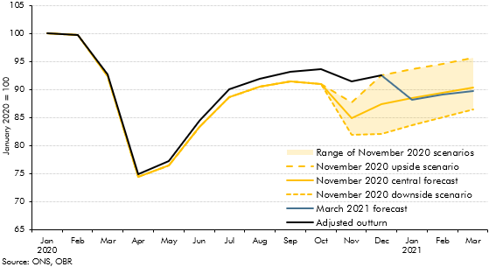

 |  | March 2021 forecast | Adjusted outturn | November 2020 central forecast | November 2020 upside scenario | November 2020 downside scenario | Range of November 2020 scenarios
 | 2020 Jan |  | 100 | 100 | 100 | 100 | 0
 | Feb |  | 100 | 100 | 100 | 100 | 0
 | Mar |  | 93 | 92 | 92 | 92 | 0
 | Apr |  | 75 | 74 | 74 | 74 | 0
 | May |  | 77 | 76 | 76 | 76 | 0
 | Jun |  | 84 | 83 | 83 | 83 | 0
 | Jul |  | 90 | 89 | 89 | 89 | 0
 | Aug |  | 92 | 91 | 91 | 91 | 0
 | Sep |  | 93 | 91 | 91 | 91 | 0
 | Oct |  | 94 | 91 | 91 | 91 | 0
 | Nov |  | 91 | 85 | 88 | 82 | 6
 | Dec | 93 | 93 | 87 | 93 | 82 | 11
 | 2021 Jan | 88 |  | 89 | 94 | 84 | 10
 | Feb | 89 |  | 89 | 95 | 85 | 9
 | Mar | 90 |  | 90 | 96 | 86 | 9

C2.7
Back to contents
 | Chart 2.7: Real GDP paths
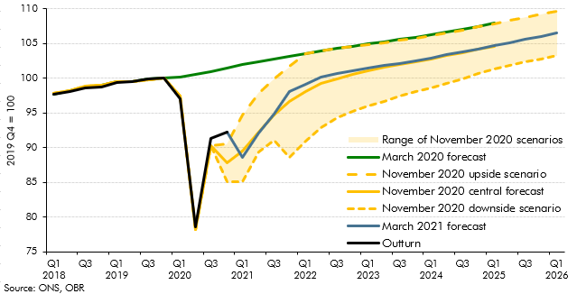

 |  | Outturn | March 2021 forecast | March 2020 forecast | Range of November 2020 scenarios | November 2020 central forecast | November 2020 upside scenario | November 2020 downside scenario
 | 2018 Q1 | 97.7 |  | 97.7 | 0.0 | 97.9 | 97.9 | 97.9
 | 2018 Q2 | 98.1 |  | 98.2 | 0.0 | 98.2 | 98.2 | 98.2
 | 2018 Q3 | 98.6 |  | 98.7 | 0.0 | 98.8 | 98.8 | 98.8
 | 2018 Q4 | 98.8 |  | 99.0 | 0.0 | 99.0 | 99.0 | 99.0
 | 2019 Q1 | 99.4 |  | 99.6 | 0.0 | 99.5 | 99.5 | 99.5
 | 2019 Q2 | 99.5 |  | 99.5 | 0.0 | 99.5 | 99.5 | 99.5
 | 2019 Q3 | 100.0 |  | 100.0 | 0.0 | 99.9 | 99.9 | 99.9
 | 2019 Q4 | 100.0 |  | 100.0 | 0.0 | 100.0 | 100.0 | 100.0
 | 2020 Q1 | 97.1 |  | 100.2 | 0.0 | 97.5 | 97.5 | 97.5
 | 2020 Q2 | 78.6 |  | 100.6 | 0.0 | 78.2 | 78.2 | 78.2
 | 2020 Q3 | 91.3 |  | 101.0 | 0.0 | 90.3 | 90.3 | 90.3
 | 2020 Q4 | 92.2 | 92.2 | 101.5 | 5.4 | 87.9 | 90.6 | 85.1
 | 2021 Q1 |  | 88.7 | 102.0 | 9.5 | 89.5 | 94.7 | 85.2
 | 2021 Q2 |  | 92.1 | 102.4 | 8.5 | 92.3 | 97.9 | 89.4
 | 2021 Q3 |  | 94.9 | 102.8 | 8.9 | 94.7 | 99.9 | 91.0
 | 2021 Q4 |  | 98.1 | 103.2 | 13.1 | 96.7 | 101.7 | 88.7
 | 2022 Q1 |  | 99.1 | 103.6 | 12.6 | 98.1 | 103.6 | 90.9
 | 2022 Q2 |  | 100.2 | 103.9 | 11.0 | 99.2 | 103.9 | 92.9
 | 2022 Q3 |  | 100.6 | 104.3 | 9.9 | 99.9 | 104.3 | 94.4
 | 2022 Q4 |  | 101.0 | 104.6 | 9.3 | 100.6 | 104.6 | 95.3
 | 2023 Q1 |  | 101.5 | 104.9 | 8.8 | 101.1 | 104.8 | 96.0
 | 2023 Q2 |  | 101.8 | 105.2 | 8.4 | 101.6 | 105.1 | 96.7
 | 2023 Q3 |  | 102.1 | 105.6 | 8.1 | 102.0 | 105.5 | 97.4
 | 2023 Q4 |  | 102.5 | 105.9 | 7.7 | 102.4 | 105.8 | 98.1
 | 2024 Q1 |  | 102.9 | 106.3 | 7.5 | 102.8 | 106.2 | 98.7
 | 2024 Q2 |  | 103.4 | 106.7 | 7.3 | 103.2 | 106.5 | 99.3
 | 2024 Q3 |  | 103.8 | 107.1 | 7.0 | 103.7 | 107.0 | 99.9
 | 2024 Q4 |  | 104.2 | 107.5 | 6.7 | 104.1 | 107.4 | 100.7
 | 2025 Q1 |  | 104.7 | 108.0 | 6.5 | 104.6 | 107.9 | 101.3
 | 2025 Q2 |  | 105.2 |  | 6.4 | 105.1 | 108.3 | 101.9
 | 2025 Q3 |  | 105.6 |  | 6.4 | 105.5 | 108.8 | 102.4
 | 2025 Q4 |  | 106.1 |  | 6.4 | 106.0 | 109.2 | 102.8
 | 2026 Q1 |  | 106.5 |  | 6.4 | 106.5 | 109.7 | 103.3

C2.8
Back to contents
 | Chart 2.8: Output Gap
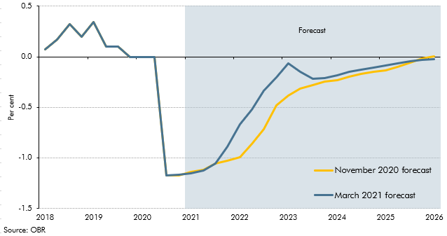

 |  | March 2021 forecast | November 2020 forecast
 | 2018 Q1 | 0.1 | 0.1
 | 2018 Q2 | 0.2 | 0.2
 | 2018 Q3 | 0.3 | 0.3
 | 2018 Q4 | 0.2 | 0.2
 | 2019 Q1 | 0.3 | 0.3
 | 2019 Q2 | 0.1 | 0.1
 | 2019 Q3 | 0.1 | 0.1
 | 2019 Q4 | 0.0 | 0.0
 | 2020 Q1 | 0.0 | 0.0
 | 2020 Q2 | 0.0 | 0.0
 | 2020 Q3 | -1.2 | -1.2
 | 2020 Q4 | -1.2 | -1.2
 | 2021 Q1 | -1.2 | -1.1
 | 2021 Q2 | -1.1 | -1.1
 | 2021 Q3 | -1.1 | -1.1
 | 2021 Q4 | -0.9 | -1.0
 | 2022 Q1 | -0.7 | -1.0
 | 2022 Q2 | -0.5 | -0.9
 | 2022 Q3 | -0.3 | -0.7
 | 2022 Q4 | -0.2 | -0.5
 | 2023 Q1 | -0.1 | -0.4
 | 2023 Q2 | -0.1 | -0.3
 | 2023 Q3 | -0.2 | -0.3
 | 2023 Q4 | -0.2 | -0.2
 | 2024 Q1 | -0.2 | -0.2
 | 2024 Q2 | -0.2 | -0.2
 | 2024 Q3 | -0.1 | -0.2
 | 2024 Q4 | -0.1 | -0.1
 | 2025 Q1 | -0.1 | -0.1
 | 2025 Q2 | -0.1 | -0.1
 | 2025 Q3 | 0.0 | -0.1
 | 2025 Q4 | 0.0 | 0.0
 | 2026 Q1 | 0.0 | 0.0

C2.H
Back to contents
 | Chart 2.H: Difference in net acquisition of assets between the first three quarters of 2020 and the final three quarters of 2019
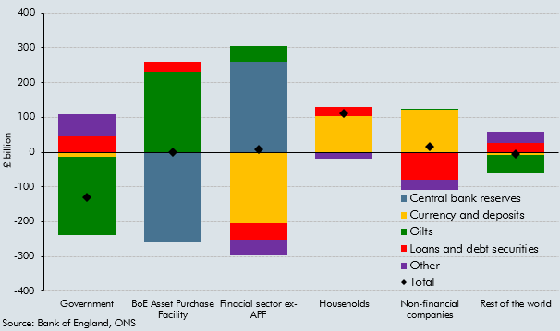

 | £ billion | Central bank reserves | Currency and deposits | Gilts | Loans and debt securities | Other | Total
 | Government | 0 | -13 | -227 | 44 | 65 | -130
 | BoE Asset Purchase Facility | -259 | 0 | 231 | 28 | 0 | 0
 | Finacial sector ex-APF | 259 | -204 | 47 | -47 | -47 | 8
 | Households | 0 | 102 | 1 | 26 | -18 | 111
 | Non-financial companies | 0 | 123 | 1 | -79 | -30 | 16
 | Rest of the world | 0 | -9 | -53 | 27 | 30 | -5

C2.I
Back to contents
 | Chart 2.I: NMG survey responses on what households plan to do with additional savings built up during the pandemic
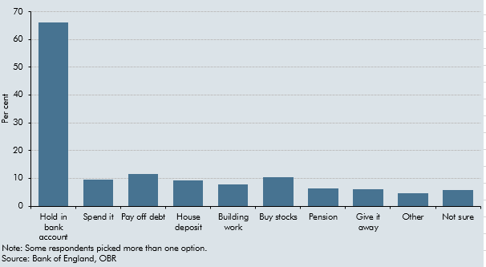

 |  | Per cent
 | Hold in bank account | 66.2
 | Spend it | 9.5
 | Pay off debt | 11.5
 | House deposit | 9.4
 | Building work | 7.8
 | Buy stocks | 10.3
 | Pension | 6.4
 | Give it away | 6.1
 | Other | 4.5
 | Not sure | 5.7

C2.9
Back to contents
 | Chart 2.9: Real private consumption
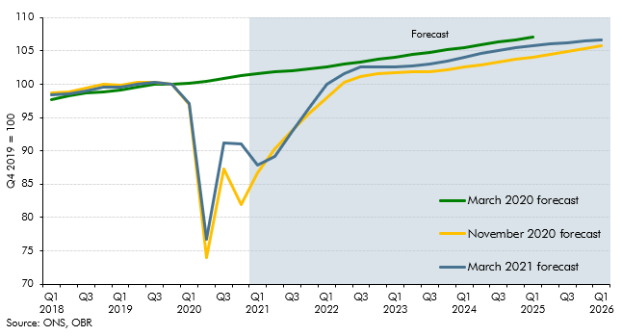

 |  | March 2021 forecast | November 2020 forecast | March 2020 forecast
 | 2018 Q1 | 98.3 | 98.7 | 97.8
 | 2018 Q2 | 98.6 | 98.9 | 98.3
 | 2018 Q3 | 99.0 | 99.4 | 98.7
 | 2018 Q4 | 99.6 | 100.0 | 98.8
 | 2019 Q1 | 99.6 | 99.8 | 99.1
 | 2019 Q2 | 100.1 | 100.2 | 99.6
 | 2019 Q3 | 100.3 | 100.3 | 99.9
 | 2019 Q4 | 100.0 | 100.0 | 100.0
 | 2020 Q1 | 97.2 | 97.0 | 100.2
 | 2020 Q2 | 76.7 | 74.0 | 100.5
 | 2020 Q3 | 91.1 | 87.2 | 100.9
 | 2020 Q4 | 91.0 | 81.9 | 101.3
 | 2021 Q1 | 87.8 | 86.7 | 101.6
 | 2021 Q2 | 89.1 | 90.3 | 101.8
 | 2021 Q3 | 92.9 | 93.1 | 102.1
 | 2021 Q4 | 96.5 | 95.6 | 102.3
 | 2022 Q1 | 100.1 | 98.0 | 102.7
 | 2022 Q2 | 101.6 | 100.2 | 103.0
 | 2022 Q3 | 102.6 | 101.2 | 103.4
 | 2022 Q4 | 102.6 | 101.5 | 103.7
 | 2023 Q1 | 102.7 | 101.7 | 104.1
 | 2023 Q2 | 102.8 | 101.8 | 104.4
 | 2023 Q3 | 103.0 | 101.9 | 104.8
 | 2023 Q4 | 103.5 | 102.2 | 105.2
 | 2024 Q1 | 104.0 | 102.6 | 105.5
 | 2024 Q2 | 104.6 | 102.9 | 105.9
 | 2024 Q3 | 105.1 | 103.3 | 106.3
 | 2024 Q4 | 105.5 | 103.7 | 106.7
 | 2025 Q1 | 105.8 | 104.1 | 107.2
 | 2025 Q2 | 106.0 | 104.5
 | 2025 Q3 | 106.3 | 104.9
 | 2025 Q4 | 106.5 | 105.3
 | 2026 Q1 | 106.7 | 105.7

C2.10
Back to contents
 | Chart 2.10: Household saving ratio
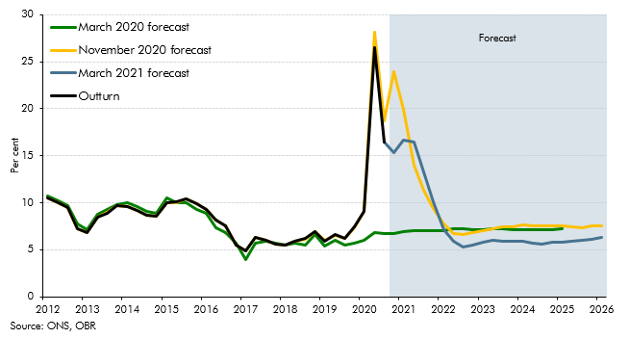

 | Quarters | Outturn | March 2021 forecast | November 2020 forecast | March 2020 forecast
 | 2012 Q1 | 10.5 |  | 10.5 | 10.8
 | 2012 Q2 | 10 |  | 10.0 | 10.2
 | 2012 Q3 | 9.5 |  | 9.5 | 9.7
 | 2012 Q4 | 7.2 |  | 7.2 | 7.7
 | 2013 Q1 | 6.8 |  | 6.8 | 7.1
 | 2013 Q2 | 8.5 |  | 8.5 | 8.8
 | 2013 Q3 | 8.9 |  | 8.9 | 9.3
 | 2013 Q4 | 9.7 |  | 9.7 | 9.8
 | 2014 Q1 | 9.6 |  | 9.6 | 10.0
 | 2014 Q2 | 9.2 |  | 9.2 | 9.6
 | 2014 Q3 | 8.7 |  | 8.7 | 9.1
 | 2014 Q4 | 8.6 |  | 8.6 | 8.9
 | 2015 Q1 | 10 |  | 10.0 | 10.5
 | 2015 Q2 | 10.1 |  | 10.1 | 10.0
 | 2015 Q3 | 10.4 |  | 10.4 | 10.0
 | 2015 Q4 | 9.9 |  | 9.9 | 9.3
 | 2016 Q1 | 9.3 |  | 9.3 | 8.8
 | 2016 Q2 | 8.2 |  | 8.2 | 7.3
 | 2016 Q3 | 7.5 |  | 7.5 | 6.8
 | 2016 Q4 | 5.5 |  | 5.5 | 5.7
 | 2017 Q1 | 4.9 |  | 4.9 | 4.0
 | 2017 Q2 | 6.3 |  | 6.3 | 5.7
 | 2017 Q3 | 6 |  | 6.0 | 5.9
 | 2017 Q4 | 5.6 |  | 5.6 | 5.7
 | 2018 Q1 | 5.5 |  | 5.5 | 5.4
 | 2018 Q2 | 5.9 |  | 5.9 | 5.7
 | 2018 Q3 | 6.2 |  | 6.2 | 5.5
 | 2018 Q4 | 6.9 |  | 6.9 | 6.6
 | 2019 Q1 | 5.9 |  | 6.0 | 5.4
 | 2019 Q2 | 6.6 |  | 6.5 | 6.1
 | 2019 Q3 | 6.2 |  | 6.2 | 5.5
 | 2019 Q4 | 7.4 |  | 7.4 | 5.7
 | 2020 Q1 | 9.1 |  | 9.1 | 6.0
 | 2020 Q2 | 26.5 |  | 28.1 | 6.8
 | 2020 Q3 | 16.5 | 16.5 | 18.7 | 6.7
 | 2020 Q4 |  | 15.3 | 24.0 | 6.8
 | 2021 Q1 |  | 16.7 | 19.9 | 6.9
 | 2021 Q2 |  | 16.4 | 14.0 | 7.0
 | 2021 Q3 |  | 13.3 | 11.3 | 7.1
 | 2021 Q4 |  | 10.1 | 9.4 | 7.0
 | 2022 Q1 |  | 7.1 | 7.8 | 7.1
 | 2022 Q2 |  | 5.9 | 6.7 | 7.2
 | 2022 Q3 |  | 5.3 | 6.6 | 7.2
 | 2022 Q4 |  | 5.5 | 6.8 | 7.2
 | 2023 Q1 |  | 5.8 | 7.0 | 7.2
 | 2023 Q2 |  | 6.0 | 7.2 | 7.3
 | 2023 Q3 |  | 5.9 | 7.5 | 7.2
 | 2023 Q4 |  | 5.9 | 7.4 | 7.1
 | 2024 Q1 |  | 5.9 | 7.6 | 7.1
 | 2024 Q2 |  | 5.7 | 7.6 | 7.1
 | 2024 Q3 |  | 5.6 | 7.6 | 7.2
 | 2024 Q4 |  | 5.8 | 7.6 | 7.2
 | 2025 Q1 |  | 5.8 | 7.5 | 7.2
 | 2025 Q2 |  | 5.9 | 7.5
 | 2025 Q3 |  | 6.0 | 7.3
 | 2025 Q4 |  | 6.1 | 7.5
 | 2026 Q1 |  | 6.3 | 7.5

C2.11
Back to contents
 | Chart 2.11: Real business investment
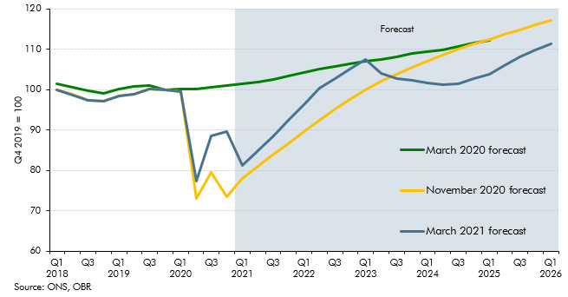

 |  | March 2021 forecast | November 2020 forecast | March 2020 forecast
 | 2018 Q1 | 99.9 | 100.0 | 101.4
 | 2018 Q2 | 98.7 | 98.7 | 100.6
 | 2018 Q3 | 97.4 | 97.4 | 99.7
 | 2018 Q4 | 97.1 | 97.1 | 99.1
 | 2019 Q1 | 98.4 | 98.4 | 100.2
 | 2019 Q2 | 98.9 | 98.9 | 100.7
 | 2019 Q3 | 100.2 | 100.2 | 101.0
 | 2019 Q4 | 100.0 | 100.0 | 100.0
 | 2020 Q1 | 99.4 | 99.5 | 100.2
 | 2020 Q2 | 77.4 | 73.1 | 100.1
 | 2020 Q3 | 88.6 | 79.5 | 100.5
 | 2020 Q4 | 89.7 | 73.6 | 100.9
 | 2021 Q1 | 81.2 | 78.0 | 101.4
 | 2021 Q2 | 84.9 | 81.1 | 101.9
 | 2021 Q3 | 88.6 | 83.9 | 102.5
 | 2021 Q4 | 92.4 | 86.7 | 103.4
 | 2022 Q1 | 96.3 | 89.5 | 104.2
 | 2022 Q2 | 100.4 | 92.4 | 105.1
 | 2022 Q3 | 102.8 | 95.2 | 105.7
 | 2022 Q4 | 105.1 | 97.6 | 106.4
 | 2023 Q1 | 107.4 | 99.9 | 106.9
 | 2023 Q2 | 104.0 | 102.0 | 107.5
 | 2023 Q3 | 102.8 | 103.9 | 108.2
 | 2023 Q4 | 102.3 | 105.6 | 108.9
 | 2024 Q1 | 101.7 | 107.1 | 109.3
 | 2024 Q2 | 101.3 | 108.5 | 109.8
 | 2024 Q3 | 101.3 | 109.9 | 110.7
 | 2024 Q4 | 102.6 | 111.2 | 111.4
 | 2025 Q1 | 103.8 | 112.5 | 112.2
 | 2025 Q2 | 105.9 | 113.7
 | 2025 Q3 | 108.1 | 114.8
 | 2025 Q4 | 109.8 | 115.9
 | 2026 Q1 | 111.3 | 117.0

C2.12
Back to contents
 | Chart 2.12: Current account deficit
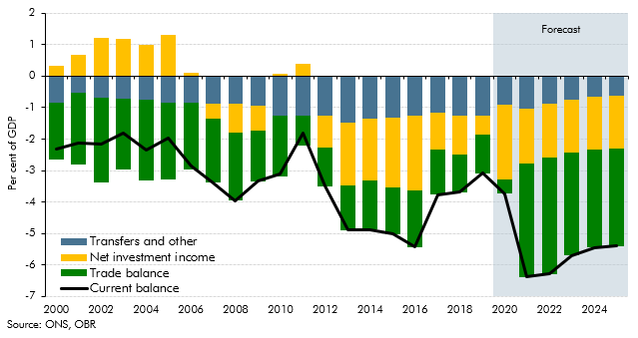

 | Year | Current balance | Transfers and other | Trade balance | Net investment income
 | 2000 | -2.3 | -0.9 | -1.8 | 0.3
 | 2001 | -2.1 | -0.5 | -2.3 | 0.7
 | 2002 | -2.2 | -0.7 | -2.7 | 1.2
 | 2003 | -1.8 | -0.7 | -2.2 | 1.2
 | 2004 | -2.3 | -0.8 | -2.6 | 1.0
 | 2005 | -2.0 | -0.9 | -2.4 | 1.3
 | 2006 | -2.9 | -0.8 | -2.1 | 0.1
 | 2007 | -3.4 | -0.9 | -2.0 | -0.5
 | 2008 | -4.0 | -0.9 | -2.2 | -0.9
 | 2009 | -3.3 | -0.9 | -1.6 | -0.8
 | 2010 | -3.1 | -1.3 | -1.9 | 0.1
 | 2011 | -1.8 | -1.3 | -1.0 | 0.4
 | 2012 | -3.5 | -1.2 | -1.2 | -1.0
 | 2013 | -4.9 | -1.5 | -1.4 | -2.0
 | 2014 | -4.9 | -1.3 | -1.6 | -2.0
 | 2015 | -5.0 | -1.3 | -1.5 | -2.2
 | 2016 | -5.4 | -1.3 | -1.8 | -2.4
 | 2017 | -3.8 | -1.2 | -1.4 | -1.2
 | 2018 | -3.7 | -1.3 | -1.2 | -1.2
 | 2019 | -3.1 | -1.3 | -1.2 | -0.6
 | 2020 | -3.7 | -0.9 | -0.5 | -2.4
 | 2021 | -6.4 | -1.0 | -3.6 | -1.7
 | 2022 | -6.3 | -0.9 | -3.7 | -1.7
 | 2023 | -5.7 | -0.7 | -3.3 | -1.7
 | 2024 | -5.4 | -0.6 | -3.1 | -1.7
 | 2025 | -5.4 | -0.6 | -3.1 | -1.7

C2.13
Back to contents
 | Chart 2.13: Contributions of employment and average hours to total hours growth from 2019Q4
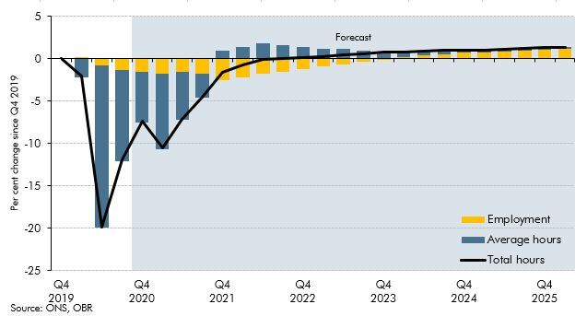

 |  | Employment | Average hours | Total hours
 | 2019 Q4 | 0.0 | 0.0 | 0.0
 | 2020 Q1 | 0.2 | -2.2 | -2.0
 | 2020 Q2 | -0.8 | -19.2 | -19.8
 | 2020 Q3 | -1.3 | -10.8 | -11.9
 | 2020 Q4 | -1.6 | -5.9 | -7.4
 | 2021 Q1 | -1.7 | -9.0 | -10.6
 | 2021 Q2 | -1.5 | -5.7 | -7.1
 | 2021 Q3 | -1.8 | -2.8 | -4.5
 | 2021 Q4 | -2.5 | 1.0 | -1.6
 | 2022 Q1 | -2.2 | 1.4 | -0.8
 | 2022 Q2 | -1.8 | 1.8 | -0.1
 | 2022 Q3 | -1.5 | 1.6 | 0.0
 | 2022 Q4 | -1.2 | 1.3 | 0.1
 | 2023 Q1 | -0.9 | 1.2 | 0.3
 | 2023 Q2 | -0.6 | 1.1 | 0.5
 | 2023 Q3 | -0.4 | 0.9 | 0.6
 | 2023 Q4 | -0.1 | 0.8 | 0.8
 | 2024 Q1 | 0.2 | 0.6 | 0.8
 | 2024 Q2 | 0.4 | 0.5 | 0.9
 | 2024 Q3 | 0.5 | 0.4 | 1.0
 | 2024 Q4 | 0.7 | 0.3 | 1.0
 | 2025 Q1 | 0.8 | 0.2 | 1.0
 | 2025 Q2 | 0.9 | 0.2 | 1.1
 | 2025 Q3 | 1.0 | 0.2 | 1.2
 | 2025 Q4 | 1.1 | 0.2 | 1.3
 | 2026 Q1 | 1.2 | 0.2 | 1.4

C2.14
Back to contents
 | Chart 2.14: Unemployment rate
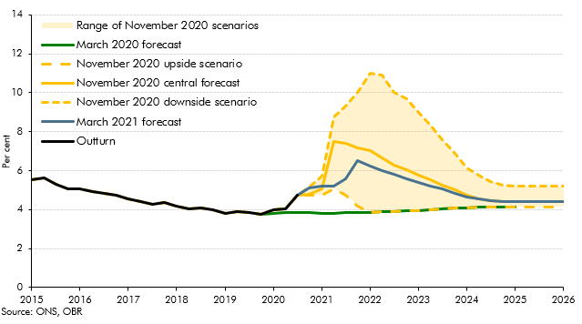

 |  | Outturn | March 2020 forecast | November 2020 downside scenario | November 2020 upside scenario | November 2020 central forecast | Range of November 2020 scenarios | March 2021 forecast
 | 2015 Q1 | 5.5 |  | 5.5 | 5.5
 | 2015 Q2 | 5.6 |  | 5.6 | 5.6
 | 2015 Q3 | 5.3 |  | 5.3 | 5.3
 | 2015 Q4 | 5.1 |  | 5.1 | 5.1
 | 2016 Q1 | 5.1 |  | 5.1 | 5.1
 | 2016 Q2 | 4.9 |  | 4.9 | 4.9
 | 2016 Q3 | 4.8 |  | 4.8 | 4.8
 | 2016 Q4 | 4.7 |  | 4.7 | 4.7
 | 2017 Q1 | 4.6 |  | 4.6 | 4.6
 | 2017 Q2 | 4.4 |  | 4.4 | 4.4
 | 2017 Q3 | 4.3 |  | 4.3 | 4.3
 | 2017 Q4 | 4.4 |  | 4.4 | 4.4
...

C2.15
Back to contents
 | Chart 2.15: Output per hour
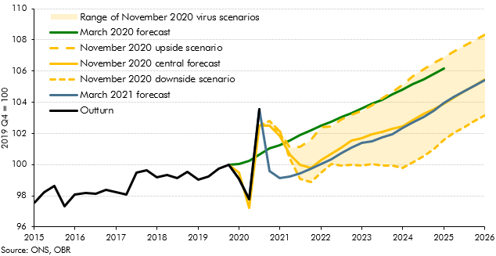

 |  | Outturn | November 2020 downside scenario | November 2020 upside scenario | Range of November 2020 virus scenarios | November 2020 central forecast | March 2020 forecast | March 2021 forecast
 | 2015 Q1 | 97.5
 | 2015 Q2 | 98.3
 | 2015 Q3 | 98.6
 | 2015 Q4 | 97.3
 | 2016 Q1 | 98.1
 | 2016 Q2 | 98.2
...

C2.16
Back to contents
 | Chart 2.16: Average earnings growth
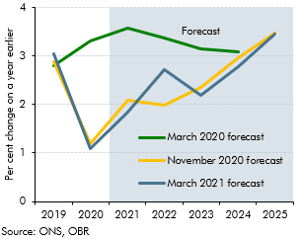

 |  | March 2020 forecast | November 2020 forecast | March 2021 forecast
 | 2019 | 2.8 | 2.9 | 3.0
...

C2.17
Back to contents
 | Chart 2.17: Average earnings level
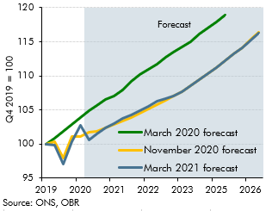

 | Quarter | March 2020 forecast | November 2020 forecast | March 2021 forecast
 | 2019 Q4 | 100.0 | 100.0 | 100.0
 | 2020 Q1 | 100.8 | 100.3 | 99.8
...

C2.19
Back to contents
 | Chart 2.19: Contributions to GDP deflator inflation
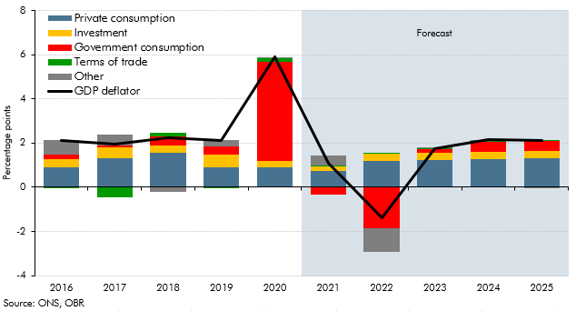

 |  | GDP deflator | Private consumption | Investment | Government consumption | Terms of trade | Other
 | 2016 | 2.1% | 0.9% | 0.4% | 0.2% | 0.0% | 0.7%
 | 2017 | 2.0% | 1.3% | 0.5% | 0.1% | -0.4% | 0.5%
 | 2018 | 2.2% | 1.5% | 0.4% | 0.4% | 0.2% | -0.2%
 | 2019 | 2.1% | 0.9% | 0.6% | 0.4% | 0.0% | 0.3%
 | 2020 | 5.9% | 0.9% | 0.3% | 4.5% | 0.2% | 0.1%
 | 2021 | 1.1% | 0.8% | 0.2% | -0.4% | 0.0% | 0.4%
 | 2022 | -1.4% | 1.2% | 0.3% | -1.9% | 0.0% | -1.1%
...

C2.20
Back to contents
 | Chart 2.20: Nominal GDP
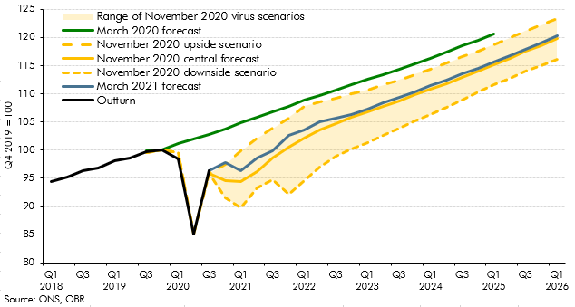

 | Quarters | Outturn | March 2021 forecast | November 2020 central forecast | March 2020 forecast | November 2020 downside scenario | November 2020 upside scenario | Range of November 2020 virus scenarios
 | 201801 | 94.4 |  | 94.5 | 94.8 | 94.5 | 94.5 | 0.0
 | 201802 | 95.3 |  | 95.4 | 95.8 | 95.4 | 95.4 | 0.0
 | 201803 | 96.4 |  | 96.6 | 96.8 | 96.6 | 96.6 | 0.0
 | 201804 | 96.8 |  | 97.0 | 97.2 | 97.0 | 97.0 | 0.0
 | 201901 | 98.1 |  | 98.2 | 98.5 | 98.2 | 98.2 | 0.0
 | 201902 | 98.7 |  | 98.7 | 98.9 | 98.7 | 98.7 | 0.0
 | 201903 | 99.8 |  | 99.6 | 99.9 | 99.6 | 99.6 | 0.0
...

C2.21
Back to contents
 | Chart 2.21: Contributions to real household income growth
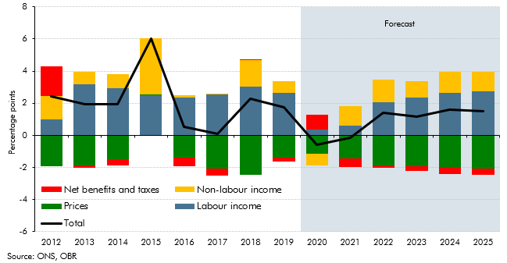

 |  | Total | Labour income | Net benefits and taxes | Non-labour income | Prices
 | 2012 | 2.4 | 1.0 | 1.9 | 1.5 | -1.9
 | 2013 | 1.9 | 3.2 | -0.2 | 0.8 | -1.9
 | 2014 | 2.0 | 2.9 | -0.4 | 0.9 | -1.5
 | 2015 | 6.0 | 2.5 | -0.1 | 3.5 | 0.1
 | 2016 | 0.6 | 2.4 | -0.6 | 0.1 | -1.4
 | 2017 | 0.1 | 2.5 | -0.4 | 0.0 | -2.1
 | 2018 | 2.3 | 3.0 | 0.0 | 1.6 | -2.4
...

C2.22
Back to contents
 | Chart 2.22: House price forecast
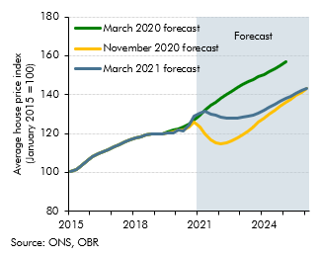

 | Quarters | March 2020 forecast | November 2020 forecast | March 2021 forecast
 | 2015 Q1 | 100 | 100 | 100
 | 2015 Q2 | 101 | 101 | 101
 | 2015 Q3 | 104 | 104 | 104
...

C2.23
Back to contents
 | Chart 2.23: : House price to earnings ratio
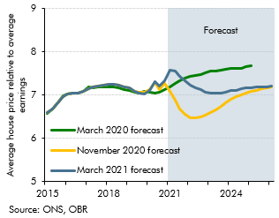

 | Quarters | March 20 forecast | November 20 forecast | March 21 forecast
 | 2012 Q1 | 6.1 | 6.1 | 6.1
 | 2012 Q2 | 6.2 | 6.2 | 6.2
...

C2.24
Back to contents
 | Chart 2.24: Residential property transactions
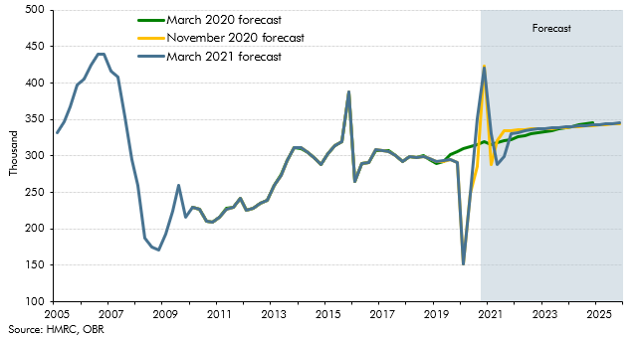

 |  | March 2021 forecast | November 2020 forecast | March 2020 forecast
 | 2005 Q2 | 332.4 | 332.4 | 332.4
 | 2005 Q3 | 346.7 | 346.7 | 346.7
 | 2005 Q4 | 366.9 | 366.9 | 366.9
 | 2006 Q1 | 398.1 | 398.1 | 398.1
 | 2006 Q2 | 405.7 | 405.7 | 405.7
 | 2006 Q3 | 425.1 | 425.1 | 425.1
 | 2006 Q4 | 439.6 | 439.6 | 439.6
...

C2.25
Back to contents
 | Chart 2.25: Sectoral net lending
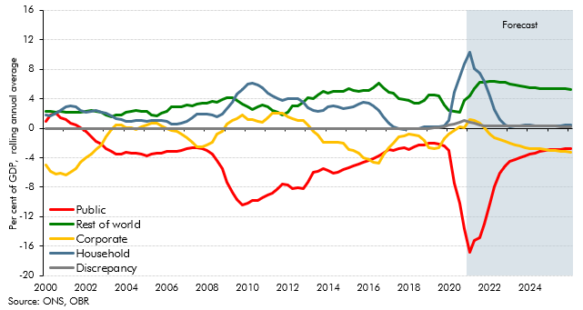

 | Quarters | Household | Corporate | Public | Rest of world | Discrepancy
 | 2000 Q1 | 1.8 | -5.0 | 0.9 | 2.3 | 0.0
 | 2000 Q2 | 1.7 | -5.8 | 1.9 | 2.3 | 0.0
 | 2000 Q3 | 2.1 | -6.3 | 2.0 | 2.2 | 0.0
 | 2000 Q4 | 2.4 | -6.1 | 1.4 | 2.3 | 0.0
 | 2001 Q1 | 3.0 | -6.4 | 1.2 | 2.2 | 0.0
 | 2001 Q2 | 3.1 | -6.0 | 0.7 | 2.2 | 0.0
 | 2001 Q3 | 2.9 | -5.5 | 0.5 | 2.2 | 0.0
...

C2.26
Back to contents
 | Chart 2.26: Real GDP forecast comparison
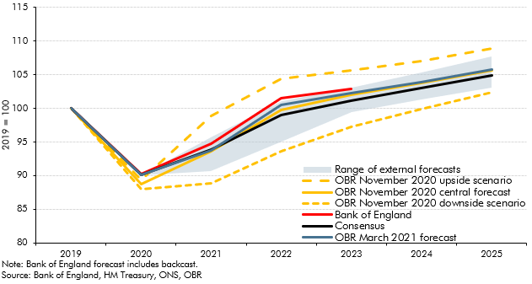

 |  | OBR March 2021 forecast | OBR November 2020 central forecast | Bank of England | Consensus | OBR November 2020 downside scenario | OBR November 2020 upside scenario | Range of external forecasts
 | 2019 | 100 | 100 | 100 | 100 | 100 | 100 | 0
 | 2020 | 90.1 | 88.7 | 90.2 | 90.1 | 88.0 | 89.4 | 0.0
 | 2021 | 93.7 | 93.6 | 94.8 | 93.9 | 88.8 | 98.8 | 5.0
 | 2022 | 100.5 | 99.7 | 101.6 | 99.0 | 93.6 | 104.4 | 6.1
 | 2023 | 102.3 | 102.0 | 102.9 | 101.2 | 97.3 | 105.6 | 3.6
 | 2024 | 103.9 | 103.7 |  | 103.0 | 99.9 | 107.1 | 4.0
 | 2025 | 105.7 | 105.6 |  | 104.8 | 102.4 | 108.8 | 4.7

