C4.1
Back to contents
 | Chart 4.1: Public sector net borrowing

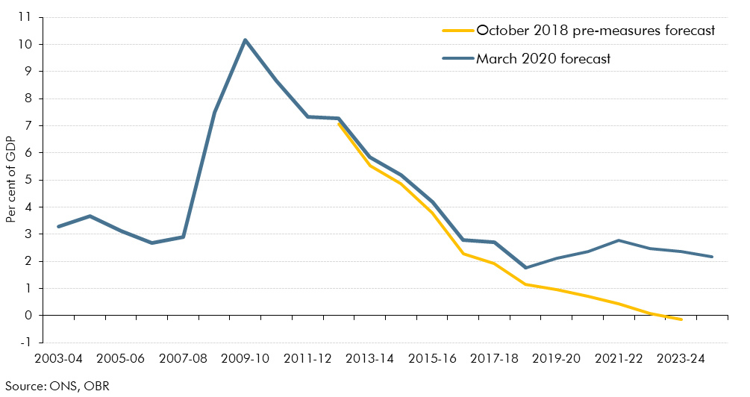

 |  | October 2018 pre-measures forecast | March 2020 forecast | Outturn
 | 2003-04 |  |  | 3.3
 | 2004-05 |  |  | 3.7
 | 2005-06 |  |  | 3.1
 | 2006-07 |  |  | 2.7
 | 2007-08 |  |  | 2.9
 | 2008-09 |  |  | 7.5
 | 2009-10 |  |  | 10.2
 | 2010-11 |  |  | 8.7
 | 2011-12 |  |  | 7.3
 | 2012-13 | 7.1 |  | 7.3
 | 2013-14 | 5.5 |  | 5.8
 | 2014-15 | 4.9 |  | 5.2
 | 2015-16 | 3.8 |  | 4.2
 | 2016-17 | 2.3 |  | 2.8
 | 2017-18 | 1.9 |  | 2.7
 | 2018-19 | 1.1 | 1.77 | 1.77
 | 2019-20 | 0.9 | 2.13
 | 2020-21 | 0.7 | 2.38
 | 2021-22 | 0.4 | 2.78
 | 2022-23 | 0.1 | 2.48
 | 2023-24 | -0.1 | 2.35
 | 2024-25 |  | 2.18

C4.2
Back to contents
 | Chart 4.2: Change in net borrowing in 2023-24

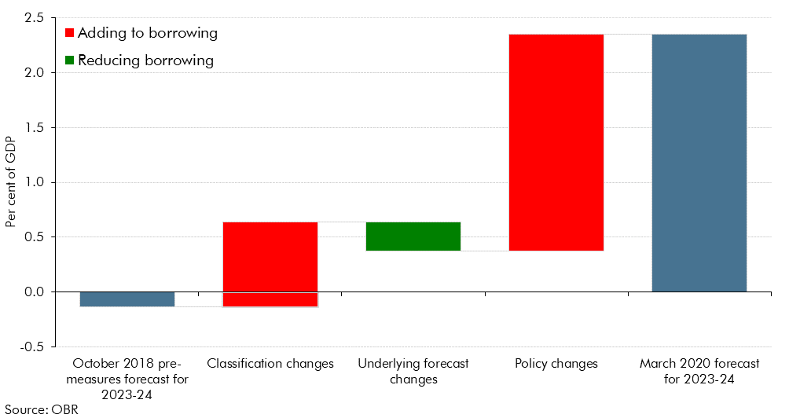

 |  | % GDP
 |  | Sum
 | October 2018 pre-measures forecast for 2023-24 | -0.1
 | Policy change | 2.0
 | Classification change | 0.8
 | Underlying forecast change | -0.3
 | Post-measures | 2.4

C4.3
Back to contents
 | Chart 4.3: Public sector net borrowing and the implied 3 per cent ceiling

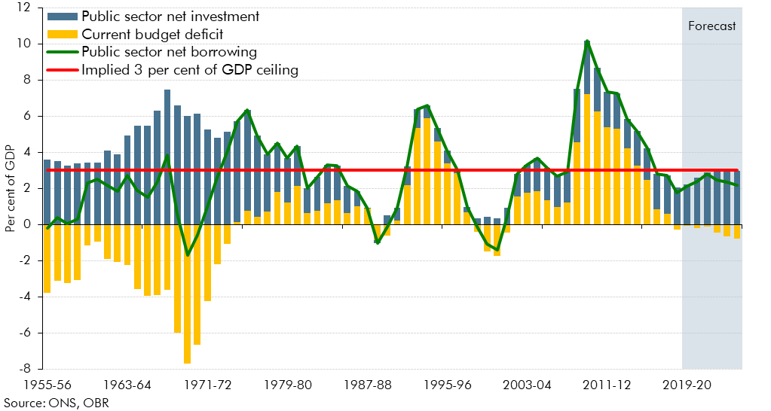

 |  | Current budget deficit | Public sector net investment | Public sector net borrowing
 | 1955-56 | -3.8 | 3.6 | -0.2
 | 1956-57 | -3.1 | 3.5 | 0.4
 | 1957-58 | -3.2 | 3.3 | 0.0
 | 1958-59 | -3.1 | 3.4 | 0.3
 | 1959-60 | -1.2 | 3.4 | 2.3
 | 1960-61 | -0.9 | 3.4 | 2.5
 | 1961-62 | -1.9 | 4.1 | 2.2
 | 1962-63 | -2.1 | 3.9 | 1.8
 | 1963-64 | -2.2 | 4.9 | 2.7
 | 1964-65 | -3.6 | 5.4 | 1.9
 | 1965-66 | -4.0 | 5.5 | 1.5
 | 1966-67 | -3.9 | 6.3 | 2.4
 | 1967-68 | -3.6 | 7.5 | 3.9
 | 1968-69 | -6.0 | 6.6 | 0.6
 | 1969-70 | -7.7 | 6.0 | -1.7
 | 1970-71 | -6.7 | 6.1 | -0.6
 | 1971-72 | -4.3 | 5.2 | 1.0
 | 1972-73 | -2.2 | 4.8 | 2.6
 | 1973-74 | -1.1 | 5.1 | 4.1
 | 1974-75 | 0.1 | 5.6 | 5.7
 | 1975-76 | 0.7 | 5.6 | 6.3
 | 1976-77 | 0.4 | 4.5 | 4.9
 | 1977-78 | 0.7 | 3.2 | 3.9
 | 1978-79 | 1.8 | 2.7 | 4.5
 | 1979-80 | 1.2 | 2.5 | 3.7
 | 1980-81 | 2.1 | 2.2 | 4.3
 | 1981-82 | 0.6 | 1.4 | 2.0
 | 1982-83 | 0.7 | 1.9 | 2.6
 | 1983-84 | 1.2 | 2.1 | 3.3
 | 1984-85 | 1.4 | 1.9 | 3.3
 | 1985-86 | 0.6 | 1.5 | 2.1
 | 1986-87 | 1.0 | 0.8 | 1.8
 | 1987-88 | 0.9 | 0.0 | 0.9
 | 1988-89 | -0.9 | -0.2 | -1.1
 | 1989-90 | -0.6 | 0.5 | -0.1
 | 1990-91 | 0.2 | 0.7 | 0.9
 | 1991-92 | 2.2 | 1.1 | 3.2
 | 1992-93 | 5.3 | 1.1 | 6.4
 | 1993-94 | 5.9 | 0.7 | 6.6
 | 1994-95 | 4.6 | 0.7 | 5.3
 | 1995-96 | 3.4 | 0.7 | 4.1
 | 1996-97 | 2.8 | 0.2 | 3.0
 | 1997-98 | 0.7 | 0.3 | 1.0
 | 1998-99 | -0.4 | 0.3 | -0.1
 | 1999-00 | -1.5 | 0.4 | -1.1
 | 2000-01 | -1.8 | 0.3 | -1.4
 | 2001-02 | -0.5 | 0.9 | 0.5
 | 2002-03 | 1.5 | 1.3 | 2.8
 | 2003-04 | 1.8 | 1.5 | 3.3
 | 2004-05 | 1.8 | 1.8 | 3.7
 | 2005-06 | 1.3 | 1.8 | 3.1
 | 2006-07 | 1.0 | 1.7 | 2.7
 | 2007-08 | 1.2 | 1.7 | 2.9
 | 2008-09 | 4.5 | 3.0 | 7.5
 | 2009-10 | 7.2 | 2.9 | 10.2
 | 2010-11 | 6.2 | 2.4 | 8.7
 | 2011-12 | 5.4 | 1.9 | 7.3
 | 2012-13 | 5.3 | 2.0 | 7.3
 | 2013-14 | 4.2 | 1.6 | 5.8
 | 2014-15 | 3.2 | 1.9 | 5.2
 | 2015-16 | 2.5 | 1.7 | 4.2
 | 2016-17 | 0.9 | 1.9 | 2.8
 | 2017-18 | 0.6 | 2.1 | 2.7
 | 2018-19 | -0.3 | 2.0 | 1.8
 | 2019-20 | -0.1 | 2.2 | 2.1
 | 2020-21 | -0.2 | 2.6 | 2.4
 | 2021-22 | -0.1 | 2.9 | 2.8
 | 2022-23 | -0.5 | 3.0 | 2.5
 | 2023-24 | -0.7 | 3.0 | 2.4
 | 2024-25 | -0.8 | 3.0 | 2.2

C4.4
Back to contents
 | Chart 4.4: The debt interest to revenue ratio

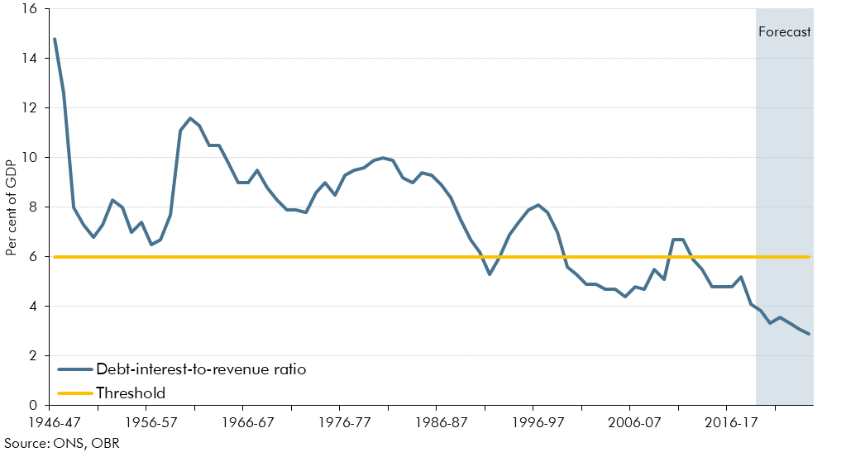

 |  | Debt-interest-to-revenue ratio
 | 1946-47 | 14.8
 | 1947-48 | 12.6
 | 1948-49 | 8
 | 1949-50 | 7.3
 | 1950-51 | 6.8
 | 1951-52 | 7.3
 | 1952-53 | 8.3
 | 1953-54 | 8
 | 1954-55 | 7
 | 1955-56 | 7.4
 | 1956-57 | 6.5
 | 1957-58 | 6.7
 | 1958-59 | 7.7
 | 1959-60 | 11.1
 | 1960-61 | 11.6
 | 1961-62 | 11.3
 | 1962-63 | 10.5
 | 1963-64 | 10.5
 | 1964-65 | 9.8
 | 1965-66 | 9
 | 1966-67 | 9
 | 1967-68 | 9.5
 | 1968-69 | 8.8
 | 1969-70 | 8.3
 | 1970-71 | 7.9
 | 1971-72 | 7.9
 | 1972-73 | 7.8
 | 1973-74 | 8.6
 | 1974-75 | 9
 | 1975-76 | 8.5
 | 1976-77 | 9.3
 | 1977-78 | 9.5
 | 1978-79 | 9.6
 | 1979-80 | 9.9
 | 1980-81 | 10
 | 1981-82 | 9.9
 | 1982-83 | 9.2
 | 1983-84 | 9
 | 1984-85 | 9.4
 | 1985-86 | 9.3
 | 1986-87 | 8.9
 | 1987-88 | 8.4
 | 1988-89 | 7.5
 | 1989-90 | 6.7
 | 1990-91 | 6.2
 | 1991-92 | 5.3
 | 1992-93 | 6
 | 1993-94 | 6.9
 | 1994-95 | 7.4
 | 1995-96 | 7.9
 | 1996-97 | 8.1
 | 1997-98 | 7.8
 | 1998-99 | 7
 | 1999-00 | 5.6
 | 2000-01 | 5.3
 | 2001-02 | 4.9
 | 2002-03 | 4.9
 | 2003-04 | 4.7
 | 2004-05 | 4.7
 | 2005-06 | 4.4
 | 2006-07 | 4.8
 | 2007-08 | 4.7
 | 2008-09 | 5.5
 | 2009-10 | 5.1
 | 2010-11 | 6.7
 | 2011-12 | 6.7
 | 2012-13 | 5.9
 | 2013-14 | 5.5
 | 2014-15 | 4.8
 | 2015-16 | 4.8
 | 2016-17 | 4.8
 | 2017-18 | 5.2
 | 2018-19 | 4.1
 | 2019-20 | 3.8
 | 2020-21 | 3.3
 | 2021-22 | 3.5
 | 2022-23 | 3.3
 | 2023-24 | 3.1
 | 2024-25 | 2.9

C4.A
Back to contents
 | Chart 4.A: Historic trends in PSNI (per cent GDP)

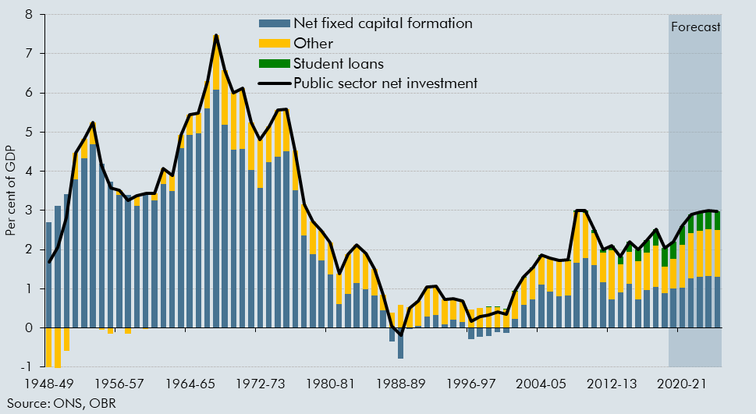

 |  | Net fixed capital formation | Other | Student loans | Public sector net investment
 | 1948-49 | 2.7 | -1.0 | 0.0 | 1.7
 | 1949-50 | 3.1 | -1.0 | 0.0 | 2.1
 | 1950-51 | 3.4 | -0.6 | 0.0 | 2.8
 | 1951-52 | 3.8 | 0.7 | 0.0 | 4.5
 | 1952-53 | 4.3 | 0.5 | 0.0 | 4.8
 | 1953-54 | 4.7 | 0.6 | 0.0 | 5.3
 | 1954-55 | 4.2 | 0.0 | 0.0 | 4.2
 | 1955-56 | 3.7 | -0.1 | 0.0 | 3.6
 | 1956-57 | 3.4 | 0.1 | 0.0 | 3.5
 | 1957-58 | 3.4 | -0.1 | 0.0 | 3.3
 | 1958-59 | 3.1 | 0.3 | 0.0 | 3.4
 | 1959-60 | 3.5 | 0.0 | 0.0 | 3.4
 | 1960-61 | 3.3 | 0.2 | 0.0 | 3.4
 | 1961-62 | 3.7 | 0.4 | 0.0 | 4.1
 | 1962-63 | 3.5 | 0.4 | 0.0 | 3.9
 | 1963-64 | 4.6 | 0.3 | 0.0 | 4.9
 | 1964-65 | 4.9 | 0.5 | 0.0 | 5.4
 | 1965-66 | 5.0 | 0.5 | 0.0 | 5.5
 | 1966-67 | 5.6 | 0.7 | 0.0 | 6.3
 | 1967-68 | 6.1 | 1.4 | 0.0 | 7.5
 | 1968-69 | 5.2 | 1.4 | 0.0 | 6.6
 | 1969-70 | 4.6 | 1.5 | 0.0 | 6.0
 | 1970-71 | 4.6 | 1.6 | 0.0 | 6.1
 | 1971-72 | 4.0 | 1.2 | 0.0 | 5.2
 | 1972-73 | 3.6 | 1.2 | 0.0 | 4.8
 | 1973-74 | 4.2 | 0.9 | 0.0 | 5.1
 | 1974-75 | 4.4 | 1.2 | 0.0 | 5.6
 | 1975-76 | 4.5 | 1.1 | 0.0 | 5.6
 | 1976-77 | 3.5 | 1.0 | 0.0 | 4.5
 | 1977-78 | 2.4 | 0.8 | 0.0 | 3.2
 | 1978-79 | 1.9 | 0.8 | 0.0 | 2.7
 | 1979-80 | 1.7 | 0.8 | 0.0 | 2.5
 | 1980-81 | 1.4 | 0.8 | 0.0 | 2.2
 | 1981-82 | 0.6 | 0.8 | 0.0 | 1.4
 | 1982-83 | 0.9 | 1.0 | 0.0 | 1.9
 | 1983-84 | 1.1 | 1.0 | 0.0 | 2.1
 | 1984-85 | 1.0 | 0.9 | 0.0 | 1.9
 | 1985-86 | 0.8 | 0.7 | 0.0 | 1.5
 | 1986-87 | 0.4 | 0.4 | 0.0 | 0.8
 | 1987-88 | -0.3 | 0.4 | 0.0 | 0.0
 | 1988-89 | -0.8 | 0.6 | 0.0 | -0.2
 | 1989-90 | 0.0 | 0.5 | 0.0 | 0.5
 | 1990-91 | 0.1 | 0.6 | 0.0 | 0.7
 | 1991-92 | 0.3 | 0.8 | 0.0 | 1.1
 | 1992-93 | 0.3 | 0.7 | 0.0 | 1.1
 | 1993-94 | 0.1 | 0.6 | 0.0 | 0.7
 | 1994-95 | 0.2 | 0.5 | 0.0 | 0.7
 | 1995-96 | 0.2 | 0.5 | 0.0 | 0.7
 | 1996-97 | -0.3 | 0.5 | 0.0 | 0.2
 | 1997-98 | -0.2 | 0.5 | 0.0 | 0.3
 | 1998-99 | -0.2 | 0.5 | 0.0 | 0.3
 | 1999-00 | -0.1 | 0.5 | 0.0 | 0.4
 | 2000-01 | -0.1 | 0.5 | 0.0 | 0.4
 | 2001-02 | 0.2 | 0.7 | 0.0 | 1.0
 | 2002-03 | 0.6 | 0.7 | 0.0 | 1.3
 | 2003-04 | 0.7 | 0.8 | 0.0 | 1.5
 | 2004-05 | 1.1 | 0.7 | 0.0 | 1.9
 | 2005-06 | 0.9 | 0.8 | 0.0 | 1.8
 | 2006-07 | 0.8 | 0.9 | 0.0 | 1.7
 | 2007-08 | 0.8 | 0.9 | 0.0 | 1.7
 | 2008-09 | 1.7 | 1.3 | 0.1 | 3.0
 | 2009-10 | 1.8 | 1.2 | 0.1 | 3.0
 | 2010-11 | 1.6 | 0.8 | 0.1 | 2.5
 | 2011-12 | 1.2 | 0.8 | 0.1 | 2.0
 | 2012-13 | 0.7 | 1.2 | 0.1 | 2.1
 | 2013-14 | 0.9 | 0.7 | 0.2 | 1.8
 | 2014-15 | 1.1 | 0.8 | 0.3 | 2.2
 | 2015-16 | 0.7 | 1.0 | 0.3 | 2.0
 | 2016-17 | 1.0 | 1.0 | 0.3 | 2.2
 | 2017-18 | 1.0 | 1.1 | 0.4 | 2.5
 | 2018-19 | 0.9 | 0.7 | 0.5 | 2.0
 | 2019-20 | 1.0 | 0.8 | 0.4 | 2.2
 | 2020-21 | 1.0 | 1.1 | 0.5 | 2.6
 | 2021-22 | 1.3 | 1.2 | 0.5 | 2.9
 | 2022-23 | 1.3 | 1.2 | 0.5 | 3.0
 | 2023-24 | 1.3 | 1.2 | 0.5 | 3.0
 | 2024-25 | 1.3 | 1.2 | 0.5 | 3.0

C4.5
Back to contents
 | Chart 4.5: Budget 2020 fiscal rule metrics: fan charts

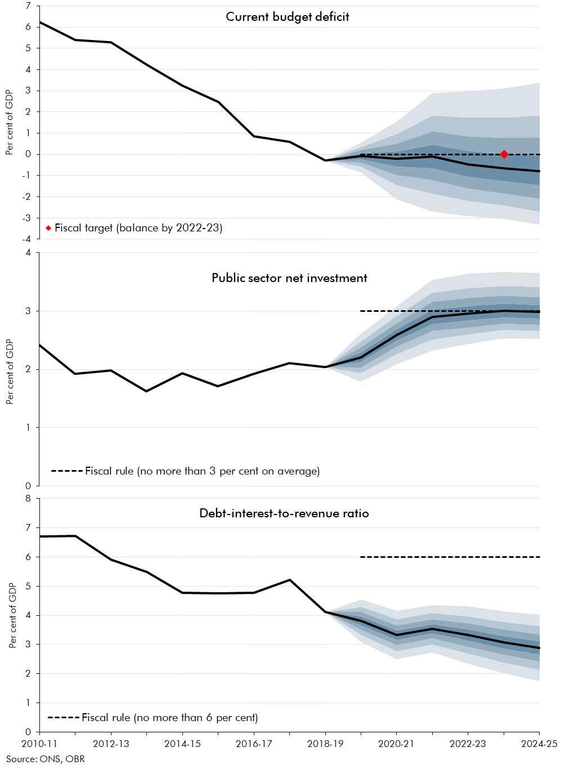

 | Current budget deficit
 |  | 0.1 | 0.2 | 0.3 | 0.4 | 0.5 | 0.6 | 0.7 | 0.8 | 0.9 | Outturn / forecast
 | 2010-11 |  |  |  |  |  |  |  |  |  | 6.2
 | 2011-12 |  |  |  |  |  |  |  |  |  | 5.4
 | 2012-13 |  |  |  |  |  |  |  |  |  | 5.3
 | 2013-14 |  |  |  |  |  |  |  |  |  | 4.2
 | 2014-15 |  |  |  |  |  |  |  |  |  | 3.2
 | 2015-16 |  |  |  |  |  |  |  |  |  | 2.5
 | 2016-17 |  |  |  |  |  |  |  |  |  | 0.9
 | 2017-18 |  |  |  |  |  |  |  |  |  | 0.6
 | 2018-19 |  |  |  |  |  |  |  |  |  | -0.3
 | 2019-20 | -0.9 | -0.6 | -0.4 | -0.2 | -0.1 | 0.1 | 0.2 | 0.4 | 0.6 | -0.1
 | 2020-21 | -2.1 | -1.4 | -1.0 | -0.6 | -0.2 | 0.1 | 0.5 | 1.0 | 1.5 | -0.2
 | 2021-22 | -2.7 | -1.8 | -1.2 | -0.7 | -0.1 | 0.5 | 1.1 | 1.8 | 2.9 | -0.1
 | 2022-23 | -2.9 | -2.2 | -1.6 | -1.1 | -0.5 | 0.2 | 0.9 | 1.7 | 3.0 | -0.5
 | 2023-24 | -3.0 | -2.4 | -1.8 | -1.3 | -0.7 | 0.0 | 0.8 | 1.7 | 3.1 | -0.7
 | 2024-25 | -3.3 | -2.7 | -2.1 | -1.5 | -0.8 | -0.1 | 0.8 | 1.8 | 3.4 | -0.8
 | Public sector net investment
 |  | 0.1 | 0.2 | 0.3 | 0.4 | 0.5 | 0.6 | 0.7 | 0.8 | 0.9 | Outturn / forecast
 | 2010-11 |  |  |  |  | 2.4 |  |  |  |  | 2.4
 | 2011-12 |  |  |  |  | 1.9 |  |  |  |  | 1.9
 | 2012-13 |  |  |  |  | 2.0 |  |  |  |  | 2.0
 | 2013-14 |  |  |  |  | 1.6 |  |  |  |  | 1.6
 | 2014-15 |  |  |  |  | 1.9 |  |  |  |  | 1.9
 | 2015-16 |  |  |  |  | 1.7 |  |  |  |  | 1.7
 | 2016-17 |  |  |  |  | 1.9 |  |  |  |  | 1.9
 | 2017-18 |  |  |  |  | 2.1 |  |  |  |  | 2.1
 | 2018-19 |  |  |  |  | 2.0 |  |  |  |  | 2.0
 | 2019-20 | 1.8 | 1.9 | 2.0 | 2.1 | 2.2 | 2.3 | 2.4 | 2.5 | 2.6 | 2.2
 | 2020-21 | 2.1 | 2.3 | 2.4 | 2.5 | 2.6 | 2.7 | 2.8 | 2.9 | 3.1 | 2.6
 | 2021-22 | 2.3 | 2.5 | 2.7 | 2.8 | 2.9 | 3.0 | 3.2 | 3.3 | 3.5 | 2.9
 | 2022-23 | 2.4 | 2.6 | 2.7 | 2.8 | 3.0 | 3.1 | 3.2 | 3.4 | 3.6 | 3.0
 | 2023-24 | 2.5 | 2.7 | 2.8 | 2.9 | 3.0 | 3.1 | 3.3 | 3.4 | 3.7 | 3.0
 | 2024-25 | 2.5 | 2.7 | 2.8 | 2.9 | 3.0 | 3.1 | 3.2 | 3.4 | 3.7 | 3.0
 | Debt-interest-to-receipts ratio
 |  | 0.1 | 0.2 | 0.3 | 0.4 | 0.5 | 0.6 | 0.7 | 0.8 | 0.9 | Outturn / forecast
 | 2010-11 |  |  |  |  | 6.7 |  |  |  |  | 6.7
 | 2011-12 |  |  |  |  | 6.7 |  |  |  |  | 6.7
 | 2012-13 |  |  |  |  | 5.9 |  |  |  |  | 5.9
 | 2013-14 |  |  |  |  | 5.5 |  |  |  |  | 5.5
 | 2014-15 |  |  |  |  | 4.8 |  |  |  |  | 4.8
 | 2015-16 |  |  |  |  | 4.8 |  |  |  |  | 4.8
 | 2016-17 |  |  |  |  | 4.8 |  |  |  |  | 4.8
 | 2017-18 |  |  |  |  | 5.2 |  |  |  |  | 5.2
 | 2018-19 |  |  |  |  | 4.1 |  |  |  |  | 4.1
 | 2019-20 | 3.1 | 3.3 | 3.5 | 3.7 | 3.8 | 4.0 | 4.1 | 4.3 | 4.5 | 3.8
 | 2020-21 | 2.5 | 2.8 | 3.0 | 3.2 | 3.3 | 3.5 | 3.7 | 3.9 | 4.1 | 3.3
 | 2021-22 | 2.7 | 3.0 | 3.2 | 3.4 | 3.5 | 3.7 | 3.9 | 4.1 | 4.3 | 3.5
 | 2022-23 | 2.3 | 2.7 | 2.9 | 3.1 | 3.3 | 3.5 | 3.7 | 4.0 | 4.3 | 3.3
 | 2023-24 | 2.0 | 2.4 | 2.6 | 2.9 | 3.1 | 3.3 | 3.5 | 3.8 | 4.1 | 3.1
 | 2024-25 | 1.7 | 2.1 | 2.4 | 2.7 | 2.9 | 3.1 | 3.3 | 3.6 | 4.0 | 2.9

C4.6
Back to contents
 | Chart 4.6: Likelihood of meeting the legislated and Budget 2020 fiscal rules

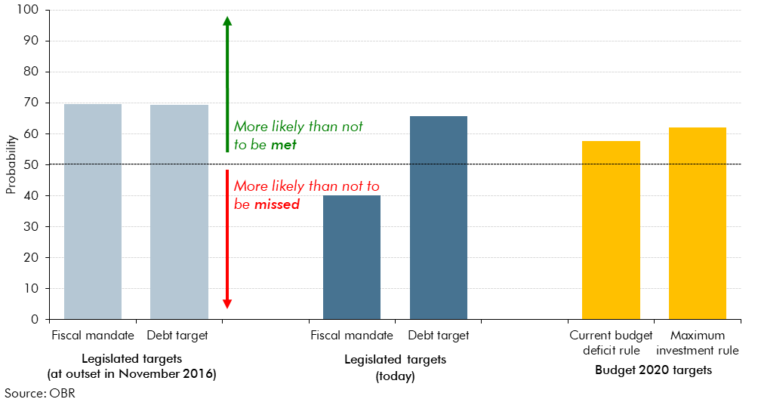

 | Legislated targets (at outset in November 2016)
 | Fiscal mandate | 69.5
 | Debt target | 69.4
 | Legislated targets (today)
 | Fiscal mandate | 40.0
 | Debt target | 65.7
 | Budget 2020 targets
 | Current budget deficit rule | 57.6
 | Maximum investment rule | 62.1

