C2.1
Back to contents
 | Chart 2.1: Range of output gap estimates

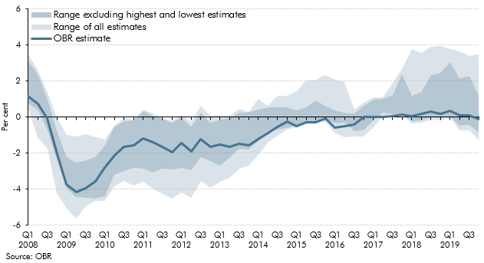

 |  | OBR estimate | Low | High | Low (excluding lowest) | High (excluding highest)
 | 2008 Q1 | 1.2 | 0.4 | 3.5 | 0.8 | 3.1
 | Q2 | 0.7 | -1.1 | 2.6 | 0.4 | 2.4
 | Q3 | -0.1 | -1.8 | 1.4 | -0.8 | 1.0
 | Q4 | -2.0 | -4.2 | 0.0 | -2.4 | -0.7
 | 2009 Q1 | -3.7 | -5.1 | -1.0 | -4.0 | -2.2
 | Q2 | -4.1 | -5.6 | -1.1 | -4.4 | -2.5
 | Q3 | -3.9 | -5.0 | -1.0 | -4.5 | -2.4
 | Q4 | -3.6 | -4.6 | -1.1 | -4.5 | -2.2
 | 2010 Q1 | -2.8 | -4.7 | -1.2 | -4.4 | -1.6
 | Q1 | -2.1 | -3.8 | -0.5 | -3.2 | -0.5
 | Q2 | -1.7 | -3.5 | 0.0 | -3.0 | -0.2
 | Q3 | -1.6 | -3.8 | -0.1 | -2.8 | -0.2
 | 2011 Q1 | -1.2 | -3.6 | 0.4 | -2.9 | 0.3
 | Q1 | -1.4 | -4.0 | 0.2 | -3.1 | 0.1
 | Q2 | -1.6 | -4.3 | -0.1 | -2.9 | -0.1
 | Q3 | -1.9 | -4.5 | -0.2 | -2.9 | -0.3
 | 2012 Q1 | -1.4 | -4.2 | 0.1 | -2.8 | 0.0
 | Q4 | -1.9 | -4.5 | -0.3 | -3.0 | -0.5
 | Q1 | -1.2 | -3.6 | 0.6 | -2.2 | 0.2
 | Q2 | -1.7 | -4.0 | 0.1 | -2.4 | -0.3
 | 2013 Q1 | -1.5 | -3.6 | 0.1 | -2.7 | -0.1
 | Q4 | -1.6 | -3.4 | 0.1 | -2.3 | 0.0
 | Q1 | -1.5 | -2.8 | 0.5 | -1.8 | 0.3
 | Q2 | -1.6 | -2.7 | 0.3 | -1.8 | 0.3
 | 2014 Q1 | -1.2 | -2.1 | 1.0 | -1.4 | 0.4
 | Q3 | -0.9 | -1.4 | 0.6 | -0.8 | 0.5
 | Q4 | -0.6 | -1.0 | 1.2 | -0.7 | 0.6
 | Q1 | -0.3 | -0.7 | 1.2 | -0.6 | 0.6
 | 2015 Q1 | -0.5 | -0.6 | 1.4 | -0.5 | 0.4
 | Q3 | -0.3 | -0.3 | 2.0 | -0.3 | 0.5
 | Q4 | -0.3 | -0.3 | 2.1 | -0.3 | 0.9
 | Q1 | -0.1 | -0.3 | 2.3 | -0.1 | 0.6
 | 2016 Q1 | -0.6 | -0.9 | 2.1 | -0.3 | 0.4
 | Q2 | -0.5 | -1.1 | 2.0 | -0.3 | 0.2
 | Q3 | -0.4 | -1.1 | 0.4 | -0.8 | 0.2
 | Q4 | 0.0 | -1.1 | 0.8 | -0.7 | 0.6
 | 2017 Q1 | 0.0 | -0.5 | 1.1 | -0.2 | 1.0
 | Q2 | 0.0 | 0.0 | 1.1 | 0.2 | 1.0
 | Q3 | 0.1 | 0.1 | 1.9 | 0.1 | 1.2
 | Q4 | 0.2 | 0.1 | 2.7 | 0.1 | 2.4
 | 2018 Q1 | 0.1 | -0.3 | 3.8 | -0.2 | 1.2
 | Q2 | 0.2 | -0.3 | 3.6 | -0.2 | 1.4
 | Q3 | 0.3 | -0.1 | 3.9 | 0.0 | 2.3
 | Q4 | 0.2 | -0.2 | 4.0 | -0.1 | 2.5
 | 2019 Q1 | 0.3 | 0.0 | 3.8 | 0.0 | 3.1
 | Q2 | 0.1 | -0.7 | 3.6 | -0.5 | 2.2
 | Q3 | 0.1 | -0.7 | 3.4 | -0.4 | 2.3
 | Q4 | -0.1 | -1.3 | 3.5 | -0.9 | 1.2

C2.2
Back to contents
 | Chart 2.2: Output gap estimates: 2019

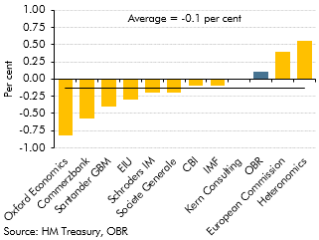

 |  | Estimate
 | Oxford Economics | -0.8
 | Commerzbank | -0.6
 | Santander GBM | -0.4
 | EIU | -0.3
 | Schroders IM | -0.2
 | Societe Generale | -0.2
 | CBI | -0.1
 | IMF | -0.1
 | Kern Consulting | 0.0
 | OBR | 0.1
 | European Commission | 0.4
 | Heteronomics | 0.6

C2.3
Back to contents
 | Chart 2.3: Output gap estimates: 2020

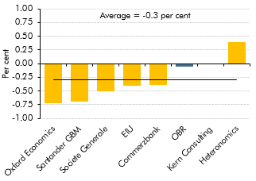

 |  | Estimate
 | Oxford Economics | -0.7
 | Santander GBM | -0.7
 | Societe Generale | -0.5
 | EIU | -0.4
 | Commerzbank | -0.4
 | OBR | -0.1
 | Kern Consulting | 0.0
 | Heteronomics | 0.4

C2.A
Back to contents
 | Chart 2.A: Successive OBR business investment forecasts

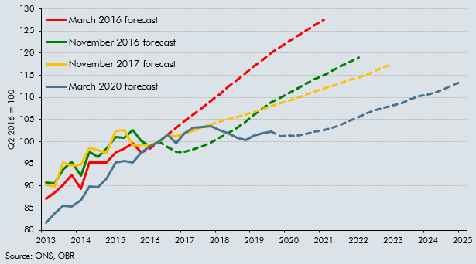

 |  | March 2020 forecast | November 2017 forecast | November 2016 forecast | March 2016 forecast
 | 2013Q1 | 81.6 | 90.2 | 90.7 | 87.0
 | 2013Q2 | 83.8 | 89.9 | 90.6 | 88.5
 | 2013Q3 | 85.6 | 95.3 | 93.8 | 90.2
 | 2013Q4 | 85.4 | 94.7 | 95.5 | 92.5
 | 2014Q1 | 86.8 | 94.8 | 92.3 | 89.4
 | 2014Q2 | 90.0 | 98.7 | 97.8 | 95.3
 | 2014Q3 | 89.7 | 98.1 | 96.6 | 95.3
 | 2014Q4 | 91.6 | 97.3 | 98.4 | 95.2
 | 2015Q1 | 95.3 | 102.4 | 101.0 | 97.5
 | 2015Q2 | 95.7 | 102.6 | 100.8 | 98.4
 | 2015Q3 | 95.3 | 99.2 | 102.5 | 99.6
 | 2015Q4 | 97.6 | 99.3 | 100.1 | 97.5
 | 2016Q1 | 99.0 | 99.1 | 99.0 | 98.5
 | 2016Q2 | 100.0 | 100.0 | 100.0 | 100.0
 | 2016Q3 | 101.6 | 101.4 | 98.8 | 101.5
 | 2016Q4 | 99.7 | 101.3 | 97.8 | 103.1
 | 2017Q1 | 102.0 | 102.0 | 97.7 | 104.6
 | 2017Q2 | 103.1 | 102.5 | 98.2 | 106.1
 | 2017Q3 | 103.4 | 103.3 | 98.9 | 107.6
 | 2017Q4 | 103.6 | 103.9 | 99.8 | 109.2
 | 2018Q1 | 102.7 | 104.5 | 100.8 | 110.7
 | 2018Q2 | 101.8 | 105.1 | 102.0 | 112.3
 | 2018Q3 | 100.9 | 105.6 | 103.2 | 113.9
 | 2018Q4 | 100.4 | 106.1 | 104.6 | 115.5
 | 2019Q1 | 101.5 | 106.7 | 106.1 | 117.1
 | 2019Q2 | 102.0 | 107.4 | 107.6 | 118.6
 | 2019Q3 | 102.3 | 108.0 | 108.8 | 120.1
 | 2019Q4 | 101.3 | 108.7 | 110.0 | 121.4
 | 2020Q1 | 101.5 | 109.3 | 111.0 | 122.7
 | 2020Q2 | 101.4 | 110.0 | 112.0 | 124.0
 | 2020Q3 | 101.8 | 110.6 | 113.1 | 125.2
 | 2020Q4 | 102.2 | 111.3 | 114.1 | 126.4
 | 2021Q1 | 102.6 | 112.0 | 115.1 | 127.6
 | 2021Q2 | 103.1 | 112.6 | 116.1
 | 2021Q3 | 103.8 | 113.3 | 117.0
 | 2021Q4 | 104.7 | 113.9 | 118.0
 | 2022Q1 | 105.5 | 114.6 | 119.0
 | 2022Q2 | 106.4 | 115.3
 | 2022Q3 | 107.1 | 116.1
 | 2022Q4 | 107.7 | 116.9
 | 2023Q1 | 108.3 | 117.5
 | 2023Q2 | 108.8
 | 2023Q3 | 109.5
 | 2023Q4 | 110.2
 | 2024Q1 | 110.7
 | 2024Q2 | 111.2
 | 2024Q3 | 112.1
 | 2024Q4 | 112.9
 | 2025Q1 | 113.6

C2.4
Back to contents
 | Chart 2.4: Bank Rate

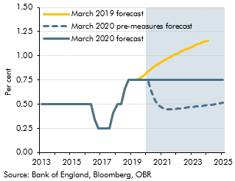

 |  | March 2020 forecast | March 2020 pre-measures forecast | March 2019 forecast
 | 2013 Q1 | 0.50 | 0.50 | 0.50
 | Q2 | 0.50 | 0.50 | 0.50
 | Q3 | 0.50 | 0.50 | 0.50
 | Q4 | 0.50 | 0.50 | 0.50
 | 2014 Q1 | 0.50 | 0.50 | 0.50
 | Q2 | 0.50 | 0.50 | 0.50
 | Q3 | 0.50 | 0.50 | 0.50
 | Q4 | 0.50 | 0.50 | 0.50
 | 2015 Q1 | 0.50 | 0.50 | 0.50
 | Q2 | 0.50 | 0.50 | 0.50
 | Q3 | 0.50 | 0.50 | 0.50
 | Q4 | 0.50 | 0.50 | 0.50
 | 2016 Q1 | 0.50 | 0.50 | 0.50
 | Q2 | 0.50 | 0.50 | 0.50
 | Q3 | 0.34 | 0.34 | 0.34
 | Q4 | 0.25 | 0.25 | 0.25
 | 2017 Q1 | 0.25 | 0.25 | 0.25
 | Q2 | 0.25 | 0.25 | 0.25
 | Q3 | 0.25 | 0.25 | 0.25
 | Q4 | 0.41 | 0.41 | 0.41
 | 2018 Q1 | 0.50 | 0.50 | 0.50
 | Q2 | 0.50 | 0.50 | 0.50
 | Q3 | 0.66 | 0.66 | 0.66
 | Q4 | 0.75 | 0.75 | 0.75
 | 2019 Q1 | 0.75 | 0.75 | 0.75
 | Q2 | 0.75 | 0.75 | 0.75
 | Q3 | 0.75 | 0.75 | 0.76
 | Q4 | 0.75 | 0.75 | 0.80
 | 2020 Q1 | 0.75 | 0.75 | 0.83
 | Q2 | 0.75 | 0.63 | 0.87
 | Q3 | 0.75 | 0.54 | 0.90
 | Q4 | 0.75 | 0.48 | 0.92
 | 2021 Q1 | 0.75 | 0.46 | 0.94
 | Q2 | 0.75 | 0.45 | 0.97
 | Q3 | 0.75 | 0.45 | 0.99
 | Q4 | 0.75 | 0.45 | 1.01
 | 2022 Q1 | 0.75 | 0.45 | 1.03
 | Q2 | 0.75 | 0.46 | 1.05
 | Q3 | 0.75 | 0.46 | 1.06
 | Q4 | 0.75 | 0.47 | 1.08
 | 2023 Q1 | 0.75 | 0.47 | 1.10
 | Q2 | 0.75 | 0.48 | 1.11
 | Q3 | 0.75 | 0.48 | 1.13
 | Q4 | 0.75 | 0.49 | 1.14
 | 2024 Q1 | 0.75 | 0.49 | 1.16
 | Q2 | 0.75 | 0.50
 | Q3 | 0.75 | 0.50
 | Q4 | 0.75 | 0.51
 | 2025 Q1 | 0.75 | 0.51

C2.5
Back to contents
 | Chart 2.5: Sterling effective exchange rate

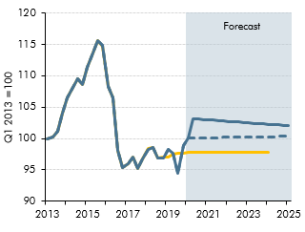

 |  | March 2020 forecast | March 2020 pre-measures forecast | March 2019 forecast
 | 2013 Q1 | 100.0 | 100.0 | 100.0
 | Q2 | 100.2 | 100.2 | 100.2
 | Q3 | 101.1 | 101.1 | 101.1
 | Q4 | 104.0 | 104.0 | 104.0
 | 2014 Q1 | 106.5 | 106.5 | 106.5
 | Q2 | 108.2 | 108.2 | 108.2
 | Q3 | 109.6 | 109.6 | 109.5
 | Q4 | 108.7 | 108.7 | 108.6
 | 2015 Q1 | 111.3 | 111.3 | 111.3
 | Q2 | 113.6 | 113.6 | 113.6
 | Q3 | 115.7 | 115.7 | 115.6
 | Q4 | 114.8 | 114.8 | 114.8
 | 2016 Q1 | 108.3 | 108.3 | 108.3
 | Q2 | 106.5 | 106.5 | 106.5
 | Q3 | 98.2 | 98.2 | 98.1
 | Q4 | 95.4 | 95.4 | 95.4
 | 2017 Q1 | 96.0 | 96.0 | 96.0
 | Q2 | 97.1 | 97.1 | 97.1
 | Q3 | 95.2 | 95.2 | 95.3
 | Q4 | 96.7 | 96.7 | 96.7
 | 2018 Q1 | 98.3 | 98.3 | 98.4
 | Q2 | 98.5 | 98.5 | 98.6
 | Q3 | 97.0 | 97.0 | 97.0
 | Q4 | 97.0 | 97.0 | 97.0
 | 2019 Q1 | 98.2 | 98.2 | 97.1
 | Q2 | 97.7 | 97.7 | 97.5
 | Q3 | 94.5 | 94.5 | 97.6
 | Q4 | 98.9 | 98.9 | 97.7
 | 2020 Q1 | 100.1 | 100.1 | 97.8
 | Q2 | 103.1 | 100.1 | 97.8
 | Q3 | 103.1 | 100.1 | 97.8
 | Q4 | 103.0 | 100.1 | 97.9
 | 2021 Q1 | 103.0 | 100.1 | 97.9
 | Q2 | 102.9 | 100.1 | 97.9
 | Q3 | 102.9 | 100.2 | 97.9
 | Q4 | 102.8 | 100.2 | 97.9
 | 2022 Q1 | 102.7 | 100.2 | 97.9
 | Q2 | 102.7 | 100.2 | 97.9
 | Q3 | 102.6 | 100.2 | 97.9
 | Q4 | 102.6 | 100.2 | 97.9
 | 2023 Q1 | 102.5 | 100.2 | 97.8
 | Q2 | 102.4 | 100.2 | 97.9
 | Q3 | 102.4 | 100.3 | 97.9
 | Q4 | 102.3 | 100.3 | 97.9
 | 2024 Q1 | 102.3 | 100.3 | 97.9
 | Q2 | 102.2 | 100.3
 | Q3 | 102.2 | 100.3
 | Q4 | 102.1 | 100.4
 | 2025 Q1 | 102.1 | 100.4

C2.B
Back to contents
 | Chart 2.B: Net inward migration in ONS population projections

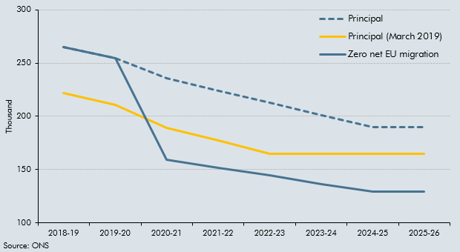

 |  | 2018-19 | 2019-20 | 2020-21 | 2021-22 | 2022-23 | 2023-24 | 2024-25 | 2025-26
 | Principal | 264.7 | 254.6 | 235.5 | 224.0 | 213.0 | 201.0 | 190.0 | 190.0
 | Principal (March 2019) | 222.1 | 210.6 | 189.5 | 177.0 | 165.0 | 165.0 | 165.0 | 165.0
 | Zero net EU migration | 264.7 | 254.6 | 159.1 | 151.4 | 144.3 | 136.3 | 129.2 | 129.2

C2.6
Back to contents
 | Chart 2.6: Output gap

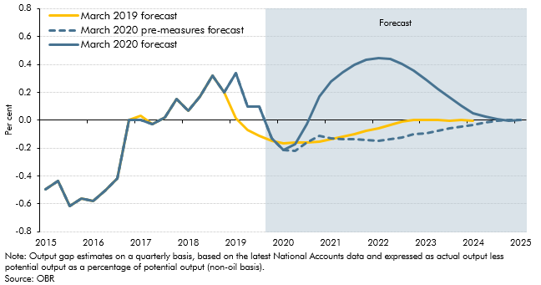

 |  | March 2020 forecast | March 2020 pre-measures forecast | March 2019 forecast
 | 2015 Q1 | -0.5 | -0.5 | -0.5
 | Q2 | -0.4 | -0.4 | -0.4
 | Q3 | -0.6 | -0.6 | -0.6
 | Q4 | -0.6 | -0.6 | -0.6
 | 2016 Q1 | -0.6 | -0.6 | -0.6
 | Q2 | -0.5 | -0.5 | -0.5
 | Q3 | -0.4 | -0.4 | -0.4
 | Q4 | 0.0 | 0.0 | 0.0
 | 2017 Q1 | 0.0 | 0.0 | 0.0
 | Q2 | 0.0 | 0.0 | 0.0
 | Q3 | 0.0 | 0.0 | 0.0
 | Q4 | 0.1 | 0.2 | 0.2
 | 2018 Q1 | 0.1 | 0.1 | 0.1
 | Q2 | 0.2 | 0.2 | 0.2
 | Q3 | 0.3 | 0.3 | 0.3
 | Q4 | 0.2 | 0.2 | 0.2
 | 2019 Q1 | 0.3 | 0.3 | 0.0
 | Q2 | 0.1 | 0.1 | -0.1
 | Q3 | 0.1 | 0.1 | -0.1
 | Q4 | -0.1 | -0.1 | -0.1
 | 2020 Q1 | -0.2 | -0.2 | -0.2
 | Q2 | -0.2 | -0.2 | -0.2
 | Q3 | 0.0 | -0.2 | -0.2
 | Q4 | 0.2 | -0.1 | -0.2
 | 2021 Q1 | 0.3 | -0.1 | -0.1
 | Q2 | 0.3 | -0.1 | -0.1
 | Q3 | 0.4 | -0.1 | -0.1
 | Q4 | 0.4 | -0.1 | -0.1
 | 2022 Q1 | 0.4 | -0.1 | -0.1
 | Q2 | 0.4 | -0.1 | 0.0
 | Q3 | 0.4 | -0.1 | 0.0
 | Q4 | 0.4 | -0.1 | 0.0
 | 2023 Q1 | 0.3 | -0.1 | 0.0
 | Q2 | 0.2 | -0.1 | 0.0
 | Q3 | 0.2 | -0.1 | 0.0
 | Q4 | 0.1 | 0.0 | 0.0
 | 2024 Q1 | 0.1 | 0.0 | 0.0
 | Q2 | 0.0 | 0.0
 | Q3 | 0.0 | 0.0
 | Q4 | 0.0 | 0.0
 | 2025 Q1 | 0.0 | 0.0

C2.7
Back to contents
 | Chart 2.7: Real GDP growth fan chart

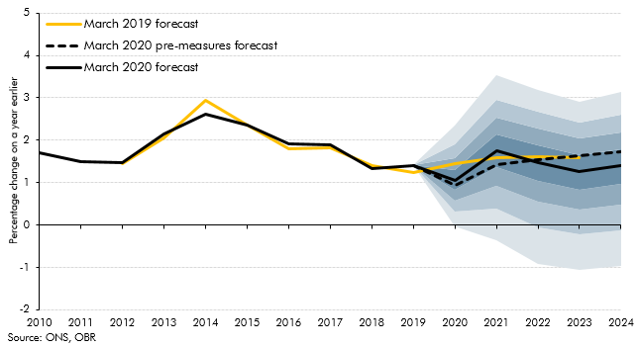

 |  | Percentile |  |  |  |  |  |  |  |  | March 2020 forecast | March 2020 pre-measures forecast | March 2019 forecast
 |  | 10 | 20 | 30 | 40 | 50 | 60 | 70 | 80 | 90
 | 2010 |  |  |  |  |  |  |  |  |  | 1.7 | 1.7 | 1.7
 | 2011 |  |  |  |  |  |  |  |  |  | 1.5 | 1.5 | 1.5
 | 2012 |  |  |  |  |  |  |  |  |  | 1.5 | 1.5 | 1.4
 | 2013 |  |  |  |  |  |  |  |  |  | 2.1 | 2.1 | 2.0
 | 2014 |  |  |  |  |  |  |  |  |  | 2.6 | 2.6 | 2.9
 | 2015 |  |  |  |  |  |  |  |  |  | 2.4 | 2.4 | 2.3
 | 2016 |  |  |  |  |  |  |  |  |  | 1.9 | 1.9 | 1.8
 | 2017 |  |  |  |  |  |  |  |  |  | 1.9 | 1.9 | 1.8
 | 2018 |  |  |  |  |  |  |  |  |  | 1.3 | 1.3 | 1.4
 | 2019 |  |  |  |  |  |  |  |  |  | 1.4 | 1.4 | 1.2
 | 2020 | 0.0 | 0.3 | 0.6 | 0.8 | 1.1 | 1.3 | 1.6 | 1.9 | 2.4 | 1.1 | 0.9 | 1.4
 | 2021 | -0.4 | 0.4 | 0.9 | 1.4 | 1.8 | 2.1 | 2.5 | 3.0 | 3.5 | 1.8 | 1.4 | 1.6
 | 2022 | -0.9 | -0.1 | 0.5 | 1.0 | 1.5 | 1.9 | 2.3 | 2.7 | 3.2 | 1.5 | 1.5 | 1.6
 | 2023 | -1.1 | -0.2 | 0.4 | 0.8 | 1.3 | 1.7 | 2.0 | 2.4 | 2.9 | 1.3 | 1.6 | 1.6
 | 2024 | -1.0 | -0.1 | 0.5 | 1.0 | 1.4 | 1.8 | 2.2 | 2.6 | 3.1 | 1.4 | 1.7

C2.8
Back to contents
 | Chart 2.8: The household saving ratio

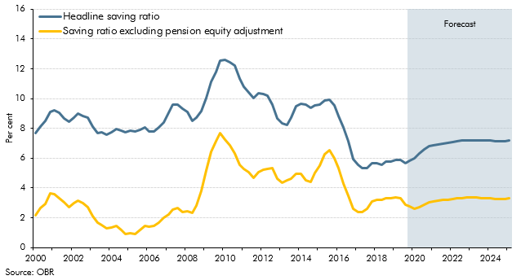

 |  | Headline saving ratio | Saving ratio excluding pension equity adjustment
 | 2000 Q1 | 7.7 | 2.1
 | Q2 | 8.2 | 2.6
 | Q3 | 8.5 | 3.0
 | Q4 | 9.1 | 3.6
 | 2001 Q1 | 9.2 | 3.6
 | Q2 | 9.1 | 3.3
 | Q3 | 8.7 | 3.0
 | Q4 | 8.4 | 2.7
 | 2002 Q1 | 8.8 | 3.0
 | Q2 | 9.0 | 3.2
 | Q3 | 8.9 | 3.0
 | Q4 | 8.7 | 2.7
 | 2003 Q1 | 8.1 | 2.1
 | Q2 | 7.7 | 1.7
 | Q3 | 7.7 | 1.5
 | Q4 | 7.6 | 1.3
 | 2004 Q1 | 7.7 | 1.4
 | Q2 | 8.0 | 1.5
 | Q3 | 7.9 | 1.2
 | Q4 | 7.7 | 0.9
 | 2005 Q1 | 7.9 | 0.9
 | Q2 | 7.8 | 0.9
 | Q3 | 7.9 | 1.2
 | Q4 | 8.1 | 1.5
 | 2006 Q1 | 7.8 | 1.4
 | Q2 | 7.8 | 1.5
 | Q3 | 8.1 | 1.7
 | Q4 | 8.4 | 2.0
 | 2007 Q1 | 9.0 | 2.2
 | Q2 | 9.6 | 2.5
 | Q3 | 9.6 | 2.6
 | Q4 | 9.3 | 2.4
 | 2008 Q1 | 9.1 | 2.4
 | Q2 | 8.5 | 2.3
 | Q3 | 8.8 | 2.8
 | Q4 | 9.2 | 3.8
 | 2009 Q1 | 10.1 | 5.2
 | Q2 | 11.2 | 6.4
 | Q3 | 11.8 | 7.1
 | Q4 | 12.5 | 7.7
 | 2010 Q1 | 12.6 | 7.2
 | Q2 | 12.5 | 6.8
 | Q3 | 12.2 | 6.3
 | Q4 | 11.4 | 5.5
 | 2011 Q1 | 10.8 | 5.3
 | Q2 | 10.4 | 5.1
 | Q3 | 10.0 | 4.7
 | Q4 | 10.4 | 5.1
 | 2012 Q1 | 10.3 | 5.2
 | Q2 | 10.2 | 5.3
 | Q3 | 9.6 | 5.4
 | Q4 | 8.7 | 4.6
 | 2013 Q1 | 8.3 | 4.4
 | Q2 | 8.2 | 4.5
 | Q3 | 8.8 | 4.6
 | Q4 | 9.5 | 5.0
 | 2014 Q1 | 9.7 | 4.9
 | Q2 | 9.6 | 4.5
 | Q3 | 9.4 | 4.4
 | Q4 | 9.5 | 5.0
 | 2015 Q1 | 9.6 | 5.5
 | Q2 | 9.9 | 6.3
 | Q3 | 10.0 | 6.6
 | Q4 | 9.5 | 6.0
 | 2016 Q1 | 8.9 | 5.3
 | Q2 | 8.1 | 4.3
 | Q3 | 7.2 | 3.5
 | Q4 | 6.0 | 2.6
 | 2017 Q1 | 5.6 | 2.4
 | Q2 | 5.3 | 2.4
 | Q3 | 5.3 | 2.6
 | Q4 | 5.7 | 3.1
 | 2018 Q1 | 5.7 | 3.2
 | Q2 | 5.6 | 3.2
 | Q3 | 5.8 | 3.3
 | Q4 | 5.8 | 3.3
 | 2019 Q1 | 5.9 | 3.4
 | Q2 | 5.9 | 3.3
 | Q3 | 5.7 | 2.9
 | Q4 | 5.8 | 2.8
 | 2020 Q1 | 6.0 | 2.6
 | Q2 | 6.3 | 2.7
 | Q3 | 6.6 | 2.9
 | Q4 | 6.8 | 3.1
 | 2021 Q1 | 6.8 | 3.1
 | Q2 | 6.9 | 3.2
 | Q3 | 7.0 | 3.2
 | Q4 | 7.0 | 3.2
 | 2022 Q1 | 7.1 | 3.3
 | Q2 | 7.1 | 3.3
 | Q3 | 7.2 | 3.3
 | Q4 | 7.2 | 3.3
 | 2023 Q1 | 7.2 | 3.3
 | Q2 | 7.2 | 3.3
 | Q3 | 7.2 | 3.3
 | Q4 | 7.2 | 3.3
 | 2024 Q1 | 7.2 | 3.3
 | Q2 | 7.1 | 3.3
 | Q3 | 7.1 | 3.3
 | Q4 | 7.2 | 3.3
 | 2025 Q1 | 7.2 | 3.3

C2.9
Back to contents
 | Chart 2.9: Trade growth

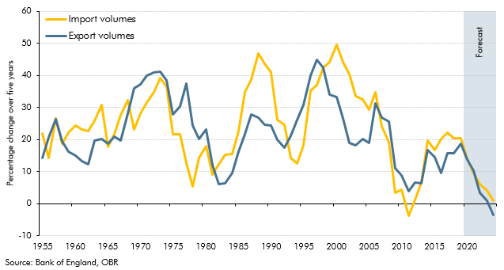

 |  | Export volumes | Import volumes
 | 1900 | 5.5 | 16.9
 | 1901 | 3.8 | 15.6
 | 1902 | 7.7 | 13.7
 | 1903 | 11.7 | 9.5
 | 1904 | 8.4 | 8.5
 | 1905 | 23.0 | 8.5
 | 1906 | 27.8 | 7.4
 | 1907 | 30.4 | 8.5
 | 1908 | 16.2 | 4.0
 | 1909 | 20.8 | 7.1
 | 1910 | 19.3 | 7.5
 | 1911 | 14.9 | 7.1
 | 1912 | 14.0 | 13.0
 | 1913 | 27.0 | 22.4
 | 1914 | -0.3 | 10.7
 | 1915 | -23.0 | 13.5
 | 1916 | -13.4 | 2.2
 | 1917 | -41.4 | -18.6
 | 1918 | -55.7 | -19.8
 | 1919 | -21.6 | -4.3
 | 1920 | 1.3 | -9.9
 | 1921 | -30.3 | -14.2
 | 1922 | 23.1 | 15.5
 | 1923 | 73.0 | 21.4
 | 1924 | 21.8 | 18.6
 | 1925 | 12.8 | 22.6
 | 1926 | 30.6 | 44.2
 | 1927 | 16.6 | 27.5
 | 1928 | 7.0 | 15.4
 | 1929 | 7.0 | 10.3
 | 1930 | -7.4 | 6.0
 | 1931 | -18.8 | 5.9
 | 1932 | -29.5 | -7.0
 | 1933 | -28.8 | -4.1
 | 1934 | -28.5 | -4.6
 | 1935 | -6.1 | 1.4
 | 1936 | 13.2 | 0.0
 | 1937 | 21.6 | 16.3
 | 1938 | 11.5 | 14.1
 | 1939 | -0.3 | 18.3
 | 1940 | -40.1 | 18.2
 | 1941 | -47.0 | -1.2
 | 1942 | -54.4 | -19.7
 | 1943 | -46.0 | -18.7
 | 1944 | -26.5 | -16.6
 | 1945 | -11.3 | -25.7
 | 1946 | 73.3 | -11.4
 | 1947 | 91.9 | 5.4
 | 1948 | 112.0 | 3.8
 | 1949 | 86.0 | 0.7
 | 1950 | 159.8 | 8.9
 | 1951 | 53.1 | 14.3
 | 1952 | 49.8 | 5.4
 | 1953 | 28.1 | 16.3
 | 1954 | 21.9 | 11.8
 | 1955 | 14.1 | 21.8
 | 1956 | 20.6 | 14.2
 | 1957 | 26.3 | 26.5
 | 1958 | 19.4 | 18.6
 | 1959 | 16.2 | 22.0
 | 1960 | 14.9 | 24.4
 | 1961 | 13.3 | 23.1
 | 1962 | 12.3 | 22.6
 | 1963 | 19.6 | 25.8
 | 1964 | 20.2 | 30.7
 | 1965 | 18.7 | 17.7
 | 1966 | 21.0 | 21.6
 | 1967 | 19.6 | 27.6
 | 1968 | 28.0 | 32.3
 | 1969 | 36.0 | 23.2
 | 1970 | 37.3 | 28.1
 | 1971 | 39.9 | 31.5
 | 1972 | 40.9 | 34.8
 | 1973 | 41.2 | 39.2
 | 1974 | 38.4 | 36.4
 | 1975 | 27.9 | 21.7
 | 1976 | 30.3 | 21.6
 | 1977 | 37.5 | 12.9
 | 1978 | 24.5 | 5.5
 | 1979 | 20.0 | 14.3
 | 1980 | 23.0 | 17.9
 | 1981 | 12.1 | 9.1
 | 1982 | 6.1 | 12.3
 | 1983 | 6.3 | 15.3
 | 1984 | 9.4 | 15.5
 | 1985 | 16.1 | 22.6
 | 1986 | 21.6 | 34.8
 | 1987 | 27.9 | 38.7
 | 1988 | 26.9 | 46.8
 | 1989 | 24.7 | 43.7
 | 1990 | 24.5 | 40.9
 | 1991 | 19.8 | 26.0
 | 1992 | 17.3 | 24.6
 | 1993 | 21.2 | 14.2
 | 1994 | 26.1 | 12.5
 | 1995 | 30.7 | 18.1
 | 1996 | 40.0 | 35.2
 | 1997 | 44.8 | 37.0
 | 1998 | 42.4 | 42.4
 | 1999 | 34.0 | 44.2
 | 2000 | 33.4 | 49.5
 | 2001 | 26.5 | 44.2
 | 2002 | 18.8 | 40.3
 | 2003 | 18.3 | 33.5
 | 2004 | 20.1 | 32.4
 | 2005 | 19.0 | 29.3
 | 2006 | 31.2 | 34.7
 | 2007 | 26.8 | 24.1
 | 2008 | 25.6 | 19.1
 | 2009 | 11.0 | 3.3
 | 2010 | 8.7 | 4.4
 | 2011 | 3.8 | -3.7
 | 2012 | 6.6 | 1.1
 | 2013 | 6.4 | 6.6
 | 2014 | 16.6 | 19.8
 | 2015 | 14.4 | 16.8
 | 2016 | 9.6 | 20.1
 | 2017 | 15.6 | 22.1
 | 2018 | 15.7 | 20.4
 | 2019 | 18.8 | 20.3
 | 2020 | 13.8 | 13.9
 | 2021 | 10.2 | 9.6
 | 2022 | 3.3 | 6.1
 | 2023 | 0.9 | 4.2
 | 2024 | -3.6 | 0.8

C2.10
Back to contents
 | Chart 2.10: Expenditure contributions to the cumulative change in real GDP growth

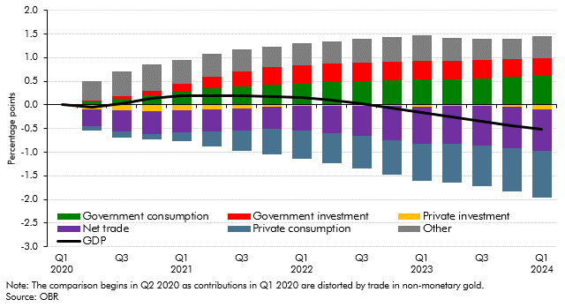

 |  | Revisions to real GDP forecast relative to March 2019
 |  | Private consumption | Government consumption | Private investment | Government investment | Net trade | Other | GDP
 | 2020Q1 | 0.0 | 0.0 | 0.0 | 0.0 | 0.0 | 0.0 | 0.0
 | 2020Q2 | -0.1 | 0.1 | -0.1 | 0.0 | -0.3 | 0.4 | 0.0
 | 2020Q3 | -0.1 | 0.1 | -0.1 | 0.0 | -0.4 | 0.5 | 0.0
 | 2020Q4 | -0.1 | 0.2 | -0.1 | 0.1 | -0.5 | 0.6 | 0.1
 | 2021Q1 | -0.2 | 0.3 | -0.1 | 0.2 | -0.5 | 0.5 | 0.2
 | 2021Q2 | -0.3 | 0.3 | -0.1 | 0.3 | -0.5 | 0.5 | 0.2
 | 2021Q3 | -0.4 | 0.4 | -0.1 | 0.3 | -0.5 | 0.5 | 0.2
 | 2021Q4 | -0.5 | 0.4 | 0.0 | 0.4 | -0.5 | 0.4 | 0.2
 | 2022Q1 | -0.6 | 0.5 | 0.0 | 0.4 | -0.5 | 0.5 | 0.2
 | 2022Q2 | -0.6 | 0.5 | 0.0 | 0.4 | -0.6 | 0.5 | 0.1
 | 2022Q3 | -0.7 | 0.5 | 0.0 | 0.4 | -0.6 | 0.5 | 0.0
 | 2022Q4 | -0.7 | 0.5 | 0.0 | 0.4 | -0.7 | 0.5 | -0.1
 | 2023Q1 | -0.8 | 0.5 | 0.0 | 0.4 | -0.8 | 0.5 | -0.2
 | 2023Q2 | -0.8 | 0.5 | 0.0 | 0.4 | -0.8 | 0.5 | -0.3
 | 2023Q3 | -0.9 | 0.6 | 0.0 | 0.4 | -0.8 | 0.4 | -0.3
 | 2023Q4 | -0.9 | 0.6 | 0.0 | 0.4 | -0.9 | 0.4 | -0.4
 | 2024Q1 | -1.0 | 0.6 | -0.1 | 0.4 | -0.9 | 0.5 | -0.5

C2.C
Back to contents
 | Chart 2.C: Adult minimum wage relative to full-time medium earnings in 2018

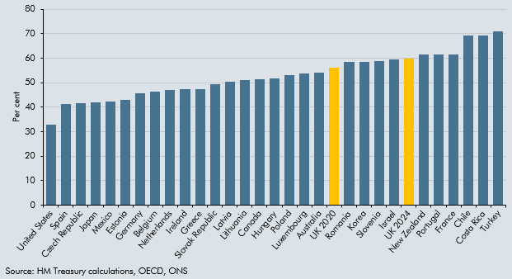

 | Country | Per cent
 | United States | 32.7
 | Spain | 41.2
 | Czech Republic | 41.8
 | Japan | 42.0
 | Mexico | 42.2
 | Estonia | 43.1
 | Germany | 45.6
 | Belgium | 46.3
 | Netherlands | 47.0
 | Ireland | 47.5
 | Greece | 47.5
 | Slovak Republic | 49.3
 | Latvia | 50.4
 | Lithuania | 51.2
 | Canada | 51.4
 | Hungary | 51.8
 | Poland | 53.1
 | Luxembourg | 53.8
 | Australia | 54.1
 | UK 2020 | 56.2
 | Romania | 58.4
 | Korea | 58.6
 | Slovenia | 58.7
 | Israel | 59.4
 | UK 2024 | 59.9
 | New Zealand | 61.4
 | Portugal | 61.4
 | France | 61.6
 | Chile | 69.3
 | Costa Rica | 69.4
 | Turkey | 70.9

C2.D
Back to contents
 | Chart 2.D: Illustrative earnings distributions in 2024

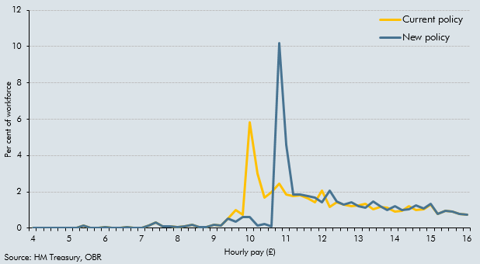

 | £ | Current policy | New policy
 | 4.00 | 0.0 | 0.0
 | 4.20 | 0.0 | 0.0
 | 4.40 | 0.0 | 0.0
 | 4.60 | 0.0 | 0.0
 | 4.80 | 0.0 | 0.0
 | 5.00 | 0.0 | 0.0
 | 5.20 | 0.0 | 0.0
 | 5.40 | 0.1 | 0.1
 | 5.60 | 0.0 | 0.0
 | 5.80 | 0.0 | 0.0
 | 6.00 | 0.1 | 0.1
 | 6.20 | 0.0 | 0.0
 | 6.40 | 0.0 | 0.0
 | 6.60 | 0.0 | 0.0
 | 6.80 | 0.0 | 0.0
 | 7.00 | 0.0 | 0.0
 | 7.20 | 0.2 | 0.2
 | 7.40 | 0.3 | 0.3
 | 7.60 | 0.1 | 0.1
 | 7.80 | 0.1 | 0.1
 | 8.00 | 0.1 | 0.1
 | 8.20 | 0.1 | 0.1
 | 8.40 | 0.2 | 0.2
 | 8.60 | 0.1 | 0.1
 | 8.80 | 0.1 | 0.1
 | 9.00 | 0.2 | 0.2
 | 9.20 | 0.1 | 0.1
 | 9.40 | 0.5 | 0.5
 | 9.60 | 1.0 | 0.4
 | 9.80 | 0.7 | 0.6
 | 10.00 | 5.8 | 0.6
 | 10.20 | 3.0 | 0.2
 | 10.40 | 1.7 | 0.3
 | 10.60 | 2.0 | 0.1
 | 10.80 | 2.5 | 10.2
 | 11.00 | 1.9 | 4.6
 | 11.20 | 1.8 | 1.9
 | 11.40 | 1.8 | 1.9
 | 11.60 | 1.6 | 1.8
 | 11.80 | 1.4 | 1.7
 | 12.00 | 2.1 | 1.5
 | 12.20 | 1.2 | 2.1
 | 12.40 | 1.4 | 1.5
 | 12.60 | 1.3 | 1.3
 | 12.80 | 1.2 | 1.4
 | 13.00 | 1.3 | 1.2
 | 13.20 | 1.3 | 1.1
 | 13.40 | 1.0 | 1.5
 | 13.60 | 1.2 | 1.2
 | 13.80 | 1.1 | 1.0
 | 14.00 | 0.9 | 1.2
 | 14.20 | 1.0 | 1.0
 | 14.40 | 1.2 | 1.1
 | 14.60 | 1.0 | 1.2
 | 14.80 | 1.0 | 1.1
 | 15.00 | 1.3 | 1.3
 | 15.20 | 0.8 | 0.8
 | 15.40 | 1.0 | 1.0
 | 15.60 | 0.9 | 0.9
 | 15.80 | 0.8 | 0.8
 | 16.00 | 0.7 | 0.7

C2.11
Back to contents
 | Chart 2.11: CPI inflation fan chart

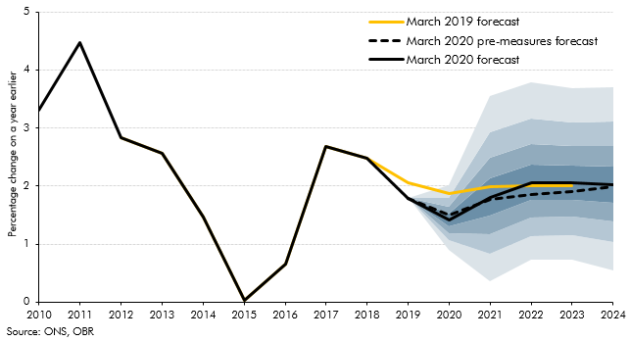

 |  | Percentile |  |  |  |  |  |  |  |  | March 2020 forecast | March 2020 pre-measures forecast | March 2019 forecast
 |  | 10 | 20 | 30 | 40 | 50 | 60 | 70 | 80 | 90
 | 2010 |  |  |  |  |  |  |  |  |  | 3.3 | 3.3 | 3.3
 | 2011 |  |  |  |  |  |  |  |  |  | 4.5 | 4.5 | 4.5
 | 2012 |  |  |  |  |  |  |  |  |  | 2.8 | 2.8 | 2.8
 | 2013 |  |  |  |  |  |  |  |  |  | 2.6 | 2.6 | 2.6
 | 2014 |  |  |  |  |  |  |  |  |  | 1.5 | 1.5 | 1.5
 | 2015 |  |  |  |  |  |  |  |  |  | 0.0 | 0.0 | 0.0
 | 2016 |  |  |  |  |  |  |  |  |  | 0.7 | 0.7 | 0.7
 | 2017 |  |  |  |  |  |  |  |  |  | 2.7 | 2.7 | 2.7
 | 2018 |  |  |  |  |  |  |  |  |  | 2.5 | 2.5 | 2.5
 | 2019 |  |  |  |  |  |  |  |  |  | 1.8 | 1.8 | 2.1
 | 2020 | 0.9 | 1.1 | 1.2 | 1.3 | 1.4 | 1.5 | 1.6 | 1.8 | 2.0 | 1.4 | 1.5 | 1.9
 | 2021 | 0.4 | 0.8 | 1.2 | 1.5 | 1.8 | 2.1 | 2.5 | 2.9 | 3.6 | 1.8 | 1.8 | 2.0
 | 2022 | 0.7 | 1.1 | 1.5 | 1.8 | 2.1 | 2.4 | 2.7 | 3.2 | 3.8 | 2.1 | 1.9 | 2.0
 | 2023 | 0.7 | 1.2 | 1.5 | 1.8 | 2.1 | 2.4 | 2.7 | 3.1 | 3.7 | 2.1 | 1.9 | 2.0
 | 2024 | 0.6 | 1.0 | 1.4 | 1.7 | 2.0 | 2.3 | 2.7 | 3.1 | 3.7 | 2.0 | 2.0

C2.12
Back to contents
 | Chart 2.12: Nominal GDP growth

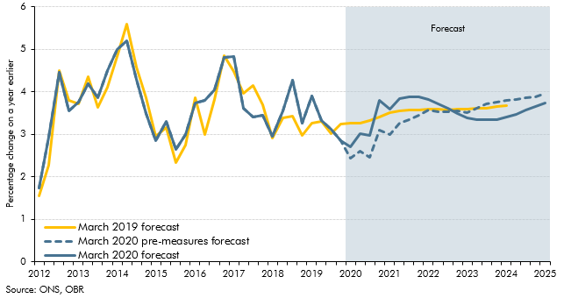

 |  | March 2020 forecast | March 2020 pre-measures forecast | March 2019 forecast
 | 2012 Q1 | 1.7 | 1.7 | 1.5
 | Q2 | 2.9 | 2.9 | 2.3
 | Q3 | 4.5 | 4.5 | 4.5
 | Q4 | 3.5 | 3.5 | 3.8
 | 2013 Q1 | 3.8 | 3.8 | 3.7
 | Q2 | 4.2 | 4.2 | 4.4
 | Q3 | 3.9 | 3.9 | 3.6
 | Q4 | 4.5 | 4.5 | 4.1
 | 2014 Q1 | 5.0 | 5.0 | 4.8
 | Q2 | 5.2 | 5.2 | 5.6
 | Q3 | 4.3 | 4.3 | 4.6
 | Q4 | 3.5 | 3.5 | 3.9
 | 2015 Q1 | 2.8 | 2.8 | 3.0
 | Q2 | 3.3 | 3.3 | 3.2
 | Q3 | 2.6 | 2.6 | 2.3
 | Q4 | 3.0 | 3.0 | 2.8
 | 2016 Q1 | 3.7 | 3.7 | 3.9
 | Q2 | 3.8 | 3.8 | 3.0
 | Q3 | 4.1 | 4.1 | 3.8
 | Q4 | 4.8 | 4.8 | 4.9
 | 2017 Q1 | 4.8 | 4.8 | 4.5
 | Q2 | 3.6 | 3.6 | 4.0
 | Q3 | 3.4 | 3.4 | 4.2
 | Q4 | 3.5 | 3.5 | 3.7
 | 2018 Q1 | 2.9 | 2.9 | 2.9
 | Q2 | 3.6 | 3.6 | 3.4
 | Q3 | 4.3 | 4.3 | 3.4
 | Q4 | 3.3 | 3.3 | 3.0
 | 2019 Q1 | 3.9 | 3.9 | 3.3
 | Q2 | 3.3 | 3.3 | 3.3
 | Q3 | 3.1 | 3.1 | 3.0
 | Q4 | 2.9 | 2.9 | 3.2
 | 2020 Q1 | 2.7 | 2.4 | 3.3
 | Q2 | 3.0 | 2.6 | 3.3
 | Q3 | 3.0 | 2.5 | 3.3
 | Q4 | 3.8 | 3.1 | 3.4
 | 2021 Q1 | 3.6 | 3.0 | 3.5
 | Q2 | 3.8 | 3.3 | 3.5
 | Q3 | 3.9 | 3.3 | 3.6
 | Q4 | 3.9 | 3.5 | 3.6
 | 2022 Q1 | 3.8 | 3.6 | 3.6
 | Q2 | 3.7 | 3.5 | 3.6
 | Q3 | 3.6 | 3.5 | 3.6
 | Q4 | 3.5 | 3.6 | 3.6
 | 2023 Q1 | 3.4 | 3.5 | 3.6
 | Q2 | 3.3 | 3.6 | 3.6
 | Q3 | 3.3 | 3.7 | 3.6
 | Q4 | 3.3 | 3.8 | 3.6
 | 2024 Q1 | 3.4 | 3.8 | 3.7
 | Q2 | 3.5 | 3.8
 | Q3 | 3.6 | 3.9
 | Q4 | 3.7 | 3.9
 | 2025 Q1 | 3.7 | 4.0

C2.13
Back to contents
 | Chart 2.13: Sources of revision to nominal GDP growth from 2017-18 to 2021-22

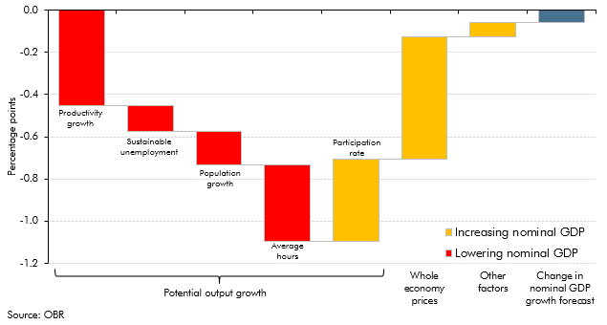

 |  | Change
 | Productivity growth | -0.5
 | Sustainable unemployment | -0.1
 | Population growth | -0.2
 | Average hours | -0.4
 | Participation rate | 0.4
 | Whole economy prices | 0.6
 | Other factors | 0.1
 | Change in nominal GDP growth forecast | -0.1

C2.14
Back to contents
 | Chart 2.14: Contributions to real household income growth

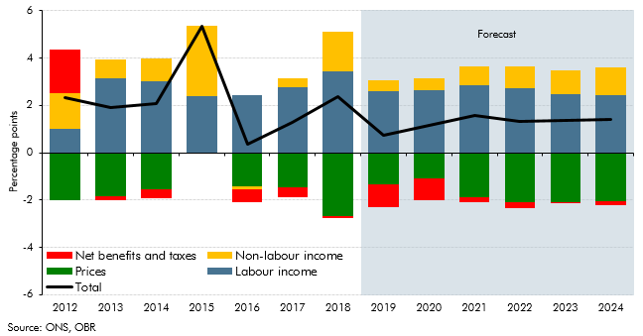

 |  | Total | Labour income | Net benefits and taxes | Non-labour income | Prices
 | 2012 | 2.3 | 1.0 | 1.8 | 1.5 | -2.0
 | 2013 | 1.9 | 3.2 | -0.2 | 0.8 | -1.9
 | 2014 | 2.1 | 3.0 | -0.4 | 1.0 | -1.5
 | 2015 | 5.3 | 2.4 | 0.0 | 3.0 | 0.0
 | 2016 | 0.4 | 2.4 | -0.5 | -0.1 | -1.4
 | 2017 | 1.3 | 2.8 | -0.4 | 0.4 | -1.5
 | 2018 | 2.4 | 3.5 | -0.1 | 1.7 | -2.7
 | 2019 | 0.8 | 2.6 | -1.0 | 0.4 | -1.3
 | 2020 | 1.1 | 2.6 | -0.9 | 0.5 | -1.1
 | 2021 | 1.6 | 2.8 | -0.2 | 0.8 | -1.9
 | 2022 | 1.3 | 2.7 | -0.2 | 0.9 | -2.1
 | 2023 | 1.4 | 2.5 | 0.0 | 1.0 | -2.1
 | 2024 | 1.4 | 2.4 | -0.2 | 1.2 | -2.1

C2.15
Back to contents
 | Chart 2.15: House price inflation forecast

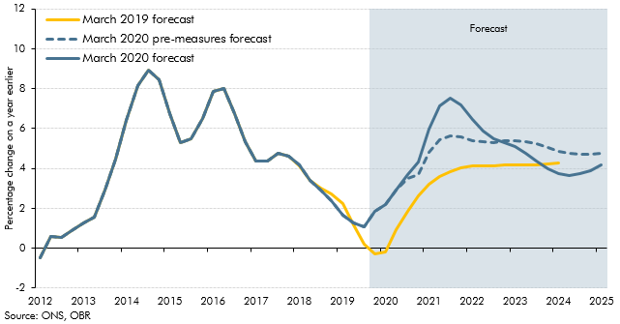

 |  | March 2020 forecast | March 2020 pre-measures forecast | March 2019 forecast
 | 2012 Q1 | -0.5 | -0.5 | -0.5
 | Q2 | 0.6 | 0.6 | 0.6
 | Q3 | 0.5 | 0.5 | 0.5
 | Q4 | 1.0 | 1.0 | 1.0
 | 2013 Q1 | 1.3 | 1.3 | 1.3
 | Q2 | 1.6 | 1.6 | 1.6
 | Q3 | 2.9 | 2.9 | 2.9
 | Q4 | 4.5 | 4.5 | 4.5
 | 2014 Q1 | 6.4 | 6.4 | 6.4
 | Q2 | 8.2 | 8.2 | 8.2
 | Q3 | 8.9 | 8.9 | 8.9
 | Q4 | 8.5 | 8.5 | 8.5
 | 2015 Q1 | 6.7 | 6.7 | 6.7
 | Q2 | 5.3 | 5.3 | 5.3
 | Q3 | 5.5 | 5.5 | 5.5
 | Q4 | 6.5 | 6.5 | 6.5
 | 2016 Q1 | 7.9 | 7.9 | 7.9
 | Q2 | 8.0 | 8.0 | 8.0
 | Q3 | 6.7 | 6.7 | 6.7
 | Q4 | 5.3 | 5.3 | 5.3
 | 2017 Q1 | 4.4 | 4.4 | 4.4
 | Q2 | 4.4 | 4.4 | 4.4
 | Q3 | 4.8 | 4.8 | 4.8
 | Q4 | 4.6 | 4.6 | 4.6
 | 2018 Q1 | 4.2 | 4.2 | 4.1
 | Q2 | 3.4 | 3.4 | 3.4
 | Q3 | 2.9 | 2.9 | 3.0
 | Q4 | 2.4 | 2.4 | 2.7
 | 2019 Q1 | 1.6 | 1.6 | 2.2
 | Q2 | 1.3 | 1.3 | 1.2
 | Q3 | 1.1 | 1.1 | 0.2
 | Q4 | 1.8 | 1.8 | -0.3
 | 2020 Q1 | 2.2 | 2.2 | -0.2
 | Q2 | 2.9 | 2.9 | 0.9
 | Q3 | 3.7 | 3.5 | 1.9
 | Q4 | 4.3 | 3.7 | 2.6
 | 2021 Q1 | 6.0 | 4.8 | 3.2
 | Q2 | 7.1 | 5.4 | 3.6
 | Q3 | 7.5 | 5.6 | 3.9
 | Q4 | 7.2 | 5.6 | 4.0
 | 2022 Q1 | 6.4 | 5.4 | 4.1
 | Q2 | 5.9 | 5.3 | 4.1
 | Q3 | 5.5 | 5.3 | 4.1
 | Q4 | 5.3 | 5.4 | 4.2
 | 2023 Q1 | 5.1 | 5.4 | 4.2
 | Q2 | 4.8 | 5.4 | 4.2
 | Q3 | 4.4 | 5.2 | 4.2
 | Q4 | 4.0 | 5.0 | 4.2
 | 2024 Q1 | 3.7 | 4.9 | 4.3
 | Q2 | 3.6 | 4.8
 | Q3 | 3.7 | 4.7
 | Q4 | 3.9 | 4.7
 | 2025 Q1 | 4.2 | 4.8

C2.16
Back to contents
 | Chart 2.16: Current account balance

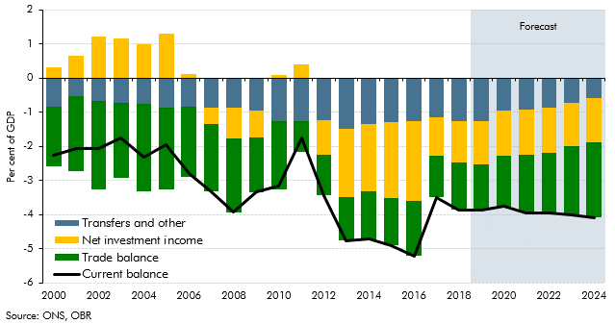

 |  | Current balance | Transfers and other | Trade balance | Net investment income
 | 2000 | -2.3 | -0.9 | -1.7 | 0.3
 | 2001 | -2.1 | -0.5 | -2.2 | 0.7
 | 2002 | -2.1 | -0.7 | -2.6 | 1.2
 | 2003 | -1.8 | -0.7 | -2.2 | 1.2
 | 2004 | -2.3 | -0.8 | -2.5 | 1.0
 | 2005 | -1.9 | -0.9 | -2.4 | 1.3
 | 2006 | -2.8 | -0.8 | -2.1 | 0.1
 | 2007 | -3.3 | -0.9 | -2.0 | -0.5
 | 2008 | -3.9 | -0.9 | -2.2 | -0.9
 | 2009 | -3.3 | -0.9 | -1.6 | -0.8
 | 2010 | -3.2 | -1.3 | -2.0 | 0.1
 | 2011 | -1.8 | -1.3 | -0.9 | 0.4
 | 2012 | -3.4 | -1.2 | -1.2 | -1.0
 | 2013 | -4.8 | -1.5 | -1.3 | -2.0
 | 2014 | -4.7 | -1.3 | -1.4 | -2.0
 | 2015 | -4.9 | -1.3 | -1.4 | -2.2
 | 2016 | -5.2 | -1.3 | -1.6 | -2.3
 | 2017 | -3.5 | -1.2 | -1.2 | -1.1
 | 2018 | -3.9 | -1.3 | -1.4 | -1.2
 | 2019 | -3.9 | -1.3 | -1.3 | -1.3
 | 2020 | -3.8 | -0.9 | -1.5 | -1.3
 | 2021 | -3.9 | -0.9 | -1.7 | -1.3
 | 2022 | -4.0 | -0.9 | -1.8 | -1.3
 | 2023 | -4.0 | -0.7 | -2.0 | -1.3
 | 2024 | -4.1 | -0.6 | -2.2 | -1.3

C2.17
Back to contents
 | Chart 2.17: Sectoral net lending

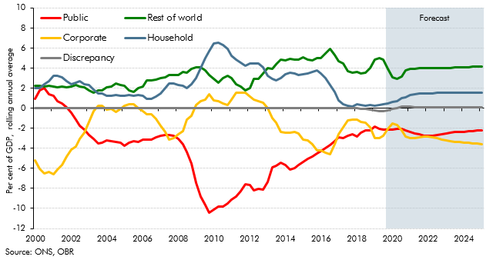

 |  | Household | Corporate | Public | Rest of world | Discrepancy
 | 2000 Q1 | 2.0 | -5.2 | 0.9 | 2.3 | 0.0
 | Q2 | 2.0 | -6.1 | 1.8 | 2.3 | 0.0
 | Q3 | 2.4 | -6.5 | 2.0 | 2.2 | 0.0
 | Q4 | 2.7 | -6.3 | 1.4 | 2.2 | 0.0
 | 2001 Q1 | 3.2 | -6.6 | 1.2 | 2.1 | 0.0
 | Q2 | 3.3 | -6.1 | 0.7 | 2.1 | 0.0
 | Q3 | 3.1 | -5.7 | 0.5 | 2.1 | 0.0
 | Q4 | 2.7 | -4.8 | 0.1 | 2.1 | 0.0
 | 2002 Q1 | 2.4 | -4.1 | -0.5 | 2.1 | 0.0
 | Q2 | 2.6 | -3.8 | -1.1 | 2.3 | 0.0
 | Q3 | 2.7 | -3.1 | -1.8 | 2.2 | 0.0
 | Q4 | 2.4 | -2.4 | -2.1 | 2.1 | 0.0
 | 2003 Q1 | 2.3 | -1.4 | -2.7 | 1.8 | 0.0
 | Q2 | 1.8 | -0.3 | -3.1 | 1.6 | 0.0
 | Q3 | 1.5 | 0.2 | -3.5 | 1.8 | 0.0
 | Q4 | 1.5 | 0.2 | -3.5 | 1.8 | 0.0
 | 2004 Q1 | 1.2 | -0.1 | -3.2 | 2.1 | 0.0
 | Q2 | 1.2 | -0.1 | -3.3 | 2.2 | 0.0
 | Q3 | 1.3 | -0.4 | -3.4 | 2.4 | 0.0
 | Q4 | 1.2 | -0.1 | -3.4 | 2.3 | 0.0
 | 2005 Q1 | 1.2 | 0.2 | -3.7 | 2.3 | 0.0
 | Q2 | 1.3 | 0.4 | -3.5 | 1.8 | 0.0
 | Q3 | 1.2 | 0.4 | -3.3 | 1.6 | 0.0
 | Q4 | 1.3 | 0.0 | -3.3 | 2.0 | 0.0
 | 2006 Q1 | 1.2 | -0.3 | -3.1 | 2.2 | 0.0
 | Q2 | 0.9 | -0.6 | -3.1 | 2.7 | 0.0
 | Q3 | 0.9 | -0.6 | -3.1 | 2.8 | 0.0
 | Q4 | 1.1 | -1.1 | -2.9 | 2.9 | 0.0
 | 2007 Q1 | 1.5 | -1.7 | -2.7 | 3.0 | 0.0
 | Q2 | 2.0 | -2.4 | -2.6 | 3.1 | 0.0
 | Q3 | 2.4 | -3.1 | -2.6 | 3.3 | 0.0
 | Q4 | 2.5 | -3.0 | -2.8 | 3.3 | 0.0
 | 2008 Q1 | 2.3 | -2.6 | -3.1 | 3.3 | 0.0
 | Q2 | 2.3 | -2.3 | -3.6 | 3.6 | 0.0
 | Q3 | 2.0 | -1.2 | -4.4 | 3.5 | 0.0
 | Q4 | 2.4 | -0.8 | -5.5 | 3.9 | 0.0
 | 2009 Q1 | 3.0 | 0.3 | -7.4 | 4.1 | 0.0
 | Q2 | 4.0 | 0.7 | -8.8 | 4.1 | 0.0
 | Q3 | 5.0 | 0.9 | -9.7 | 3.8 | 0.0
 | Q4 | 5.7 | 1.4 | -10.5 | 3.3 | 0.0
 | 2010 Q1 | 6.5 | 0.8 | -10.1 | 2.9 | 0.0
 | Q2 | 6.5 | 0.7 | -9.8 | 2.6 | 0.0
 | Q3 | 6.3 | 0.4 | -9.8 | 3.0 | 0.0
 | Q4 | 6.0 | 0.3 | -9.5 | 3.2 | 0.0
 | 2011 Q1 | 5.2 | 0.9 | -9.1 | 3.0 | 0.0
 | Q2 | 4.8 | 1.5 | -8.8 | 2.4 | 0.0
 | Q3 | 4.5 | 1.6 | -8.2 | 2.2 | 0.0
 | Q4 | 4.2 | 1.6 | -7.6 | 1.8 | 0.0
 | 2012 Q1 | 4.5 | 1.1 | -7.6 | 2.0 | 0.0
 | Q2 | 4.5 | 0.9 | -8.2 | 2.9 | 0.0
 | Q3 | 4.4 | 0.7 | -8.1 | 2.9 | 0.0
 | Q4 | 4.0 | 0.6 | -8.1 | 3.5 | 0.0
 | 2013 Q1 | 3.3 | 0.0 | -7.3 | 4.0 | 0.0
 | Q2 | 2.9 | -0.9 | -5.9 | 3.9 | 0.0
 | Q3 | 2.8 | -1.4 | -5.8 | 4.4 | 0.0
 | Q4 | 3.0 | -2.3 | -5.5 | 4.8 | 0.0
 | 2014 Q1 | 3.4 | -2.5 | -5.7 | 4.8 | 0.0
 | Q2 | 3.6 | -2.4 | -6.1 | 4.9 | 0.0
 | Q3 | 3.4 | -2.3 | -6.0 | 4.9 | 0.0
 | Q4 | 3.3 | -2.5 | -5.7 | 4.8 | 0.0
 | 2015 Q1 | 3.4 | -3.1 | -5.3 | 5.1 | 0.0
 | Q2 | 3.5 | -3.2 | -5.1 | 4.8 | 0.0
 | Q3 | 3.6 | -3.6 | -4.8 | 4.8 | 0.0
 | Q4 | 3.8 | -4.2 | -4.5 | 5.0 | 0.0
 | 2016 Q1 | 3.5 | -4.2 | -4.3 | 5.0 | 0.0
 | Q2 | 3.0 | -4.5 | -4.0 | 5.4 | 0.0
 | Q3 | 2.3 | -4.6 | -3.7 | 5.9 | 0.0
 | Q4 | 1.6 | -3.6 | -3.3 | 5.3 | 0.0
 | 2017 Q1 | 0.8 | -2.6 | -2.9 | 4.7 | 0.0
 | Q2 | 0.4 | -1.9 | -3.0 | 4.4 | 0.0
 | Q3 | 0.2 | -1.2 | -2.8 | 3.7 | 0.0
 | Q4 | 0.2 | -1.2 | -2.6 | 3.6 | 0.0
 | 2018 Q1 | 0.4 | -1.1 | -2.8 | 3.6 | 0.0
 | Q2 | 0.3 | -1.4 | -2.4 | 3.5 | 0.0
 | Q3 | 0.2 | -1.5 | -2.2 | 3.5 | -0.1
 | Q4 | 0.3 | -1.9 | -2.2 | 4.0 | -0.2
 | 2019 Q1 | 0.2 | -3.0 | -1.9 | 4.8 | -0.3
 | Q2 | 0.3 | -3.0 | -2.0 | 5.0 | -0.3
 | Q3 | 0.4 | -2.8 | -2.1 | 4.8 | -0.3
 | Q4 | 0.5 | -2.1 | -2.1 | 3.9 | -0.2
 | 2020 Q1 | 0.6 | -1.5 | -2.1 | 3.1 | -0.1
 | Q2 | 0.7 | -1.6 | -2.1 | 2.9 | 0.0
 | Q3 | 1.0 | -2.2 | -2.1 | 3.2 | 0.1
 | Q4 | 1.1 | -2.8 | -2.2 | 3.8 | 0.1
 | 2021 Q1 | 1.3 | -3.0 | -2.4 | 3.9 | 0.1
 | Q2 | 1.4 | -3.0 | -2.5 | 4.0 | 0.1
 | Q3 | 1.4 | -2.9 | -2.6 | 4.0 | 0.1
 | Q4 | 1.5 | -2.9 | -2.7 | 4.0 | 0.1
 | 2022 Q1 | 1.5 | -2.8 | -2.8 | 4.0 | 0.1
 | Q2 | 1.5 | -2.9 | -2.8 | 4.0 | 0.1
 | Q3 | 1.5 | -3.0 | -2.7 | 4.0 | 0.1
 | Q4 | 1.5 | -3.1 | -2.6 | 4.0 | 0.1
 | 2023 Q1 | 1.6 | -3.2 | -2.5 | 4.0 | 0.1
 | Q2 | 1.6 | -3.3 | -2.4 | 4.0 | 0.1
 | Q3 | 1.6 | -3.3 | -2.4 | 4.0 | 0.1
 | Q4 | 1.6 | -3.4 | -2.4 | 4.1 | 0.1
 | 2024 Q1 | 1.6 | -3.4 | -2.4 | 4.1 | 0.1
 | Q2 | 1.6 | -3.5 | -2.3 | 4.1 | 0.1
 | Q3 | 1.5 | -3.5 | -2.3 | 4.1 | 0.1
 | Q4 | 1.5 | -3.6 | -2.2 | 4.1 | 0.1
 | 2025 Q1 | 1.5 | -3.6 | -2.2 | 4.1 | 0.1

