C4.1
Back to contents
 | Chart 4.1: Year-on-year changes in the receipts-to-GDP ratio

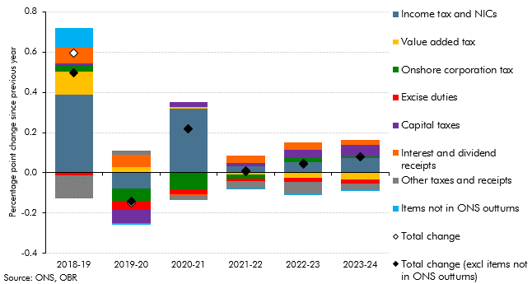

 |  | 2018-19 | 2019-20 | 2020-21 | 2021-22 | 2022-23 | 2023-24
 | Income tax and NICs | 0.39 | -0.08 | 0.32 | 0.03 | 0.05 | 0.07
 | Value added tax | 0.11 | 0.03 | 0.01 | -0.01 | -0.03 | -0.03
 | Onshore corporation tax | 0.03 | -0.06 | -0.08 | -0.02 | 0.02 | 0.01
 | Excise duties | -0.01 | -0.05 | -0.02 | -0.01 | -0.02 | -0.02
 | Capital taxes | 0.01 | -0.07 | 0.02 | 0.01 | 0.04 | 0.06
 | Interest and dividend receipts | 0.08 | 0.06 | -0.01 | 0.04 | 0.03 | 0.02
 | Other taxes and receipts | -0.11 | 0.02 | -0.02 | -0.04 | -0.06 | -0.03
 | Items not in ONS outturns | 0.10 | -0.01 | 0.00 | 0.00 | 0.00 | 0.00
 | Total change | 0.59 | -0.15 | 0.22 | 0.01 | 0.04 | 0.08
 | Total change (excl items not in ONS outturns) | 0.50 | -0.14 | 0.22 | 0.01 | 0.04 | 0.08

C4.2
Back to contents
 | Chart 4.2: Sources of changes in the tax-to-GDP ratio (2018-19 to 2023-24)

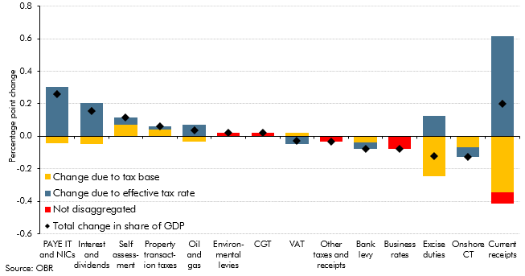

 |  | Total change in share of GDP | Change due to tax base | Change due to effective tax rate | Not disaggregated
 | PAYE IT and NICs | 0.26 | -0.04 | 0.30 | 0.00
 | Interest and dividends | 0.15 | -0.05 | 0.20 | 0.00
 | Self assessment | 0.11 | 0.07 | 0.04 | 0.00
 | Property transaction taxes | 0.06 | 0.04 | 0.02 | 0.00
 | Oil and gas | 0.04 | -0.03 | 0.07 | 0.00
 | Environmental levies | 0.02 | 0.00 | 0.00 | 0.02
 | CGT | 0.02 | 0.00 | 0.00 | 0.02
 | VAT | -0.03 | 0.02 | -0.05 | 0.00
 | Other taxes and receipts | -0.03 | 0.00 | 0.00 | -0.03
 | Bank levy | -0.08 | -0.04 | -0.04 | 0.00
 | Business rates | -0.08 | 0.00 | 0.00 | -0.08
 | Excise duties | -0.12 | -0.25 | 0.12 | 0.00
 | Onshore CT | -0.13 | -0.07 | -0.06 | 0.00
 | Current receipts | 0.20 | -0.34 | 0.62 | -0.07

C4.3
Back to contents
 | Chart 4.3: Successive revisions to the universal credit rollout assumption

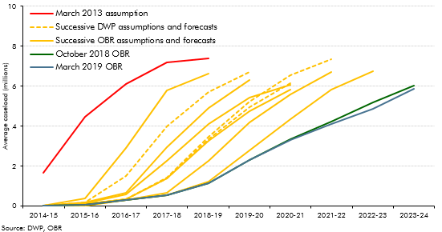

 | Average caseloads (millions) | 2014-15 | 2015-16 | 2016-17 | 2017-18 | 2018-19 | 2019-20 | 2020-21 | 2021-22 | 2022-23 | 2023-24
 | March 2013 assumption | 1.66 | 4.46 | 6.09 | 7.17 | 7.39
 | December 2013 assumption | 0.03 | 0.36 | 2.89 | 5.77 | 6.62
 | December 2014 DWP | 0.02 | 0.17 | 1.49 | 3.99 | 5.69 | 6.71
 | December 2014 OBR | 0.02 | 0.17 | 0.67 | 2.94 | 4.92 | 6.29
 | July 2015 assumption | 0.02 | 0.15 | 0.58 | 2.24 | 4.10 | 5.42 | 6.07
 | November 2015 DWP | 0.02 | 0.11 | 0.33 | 1.38 | 3.33 | 4.95 | 6.16
 | November 2015 OBR | 0.00 | 0.11 | 0.33 | 1.38 | 3.26 | 4.75 | 5.84
 | November 2016 DWP | 0.00 | 0.00 | 0.32 | 1.42 | 3.45 | 5.23 | 6.56 | 7.34
 | November 2016 OBR | 0.00 | 0.00 | 0.30 | 0.67 | 2.28 | 4.19 | 5.59 | 6.70
 | November 2017 OBR | 0.00 | 0.00 | 0.30 | 0.53 | 1.23 | 2.76 | 4.34 | 5.83 | 6.74
 | October 2018 OBR | 0.00 | 0.07 | 0.31 | 0.53 | 1.12 | 2.32 | 3.34 | 4.22 | 5.19 | 6.03
 | March 2019 OBR | 0.00 | 0.07 | 0.31 | 0.53 | 1.15 | 2.32 | 3.30 | 4.09 | 4.85 | 5.87

C4.4
Back to contents
 | Chart 4.4: Sources of revisions to our pre-measures PSNB forecast

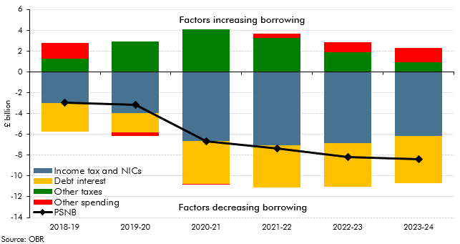

 |  | 2018-19 | 2019-20 | 2020-21 | 2021-22 | 2022-23 | 2023-24
 | Income tax and NICs | -3.0 | -4.0 | -6.6 | -7.1 | -6.9 | -6.1
 | Other taxes | 1.3 | 3.0 | 4.1 | 3.3 | 1.9 | 0.9
 | Debt interest | -2.7 | -1.9 | -4.1 | -4.0 | -4.1 | -4.6
 | Other spending | 1.5 | -0.3 | 0.0 | 0.4 | 1.0 | 1.4
 | PSNB | -2.9 | -3.2 | -6.7 | -7.4 | -8.2 | -8.4

C4.5
Back to contents
 | Chart 4.5: Pre- and post-measures public sector net borrowing versus October

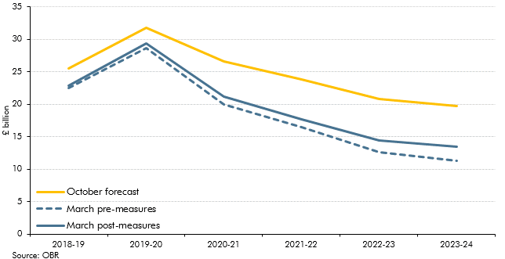

 |  | 2018-19 | 2019-20 | 2020-21 | 2021-22 | 2022-23 | 2023-24
 | October forecast | 25.5 | 31.8 | 26.7 | 23.8 | 20.8 | 19.8
 | March pre-measures | 22.5 | 28.6 | 20.0 | 16.4 | 12.6 | 11.4
 | March post-measures | 22.8 | 29.3 | 21.2 | 17.6 | 14.4 | 13.5

C4.A
Back to contents
 | Chart 4.A: Policy responses to underlying fiscal forecast revisions

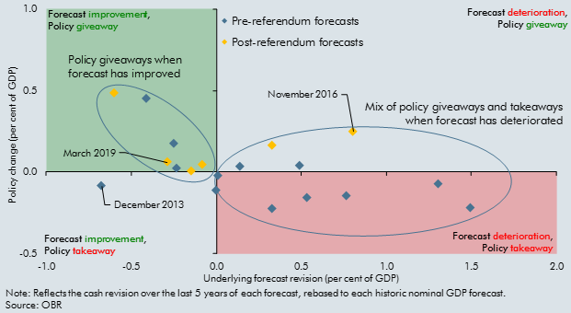

 |  | Pre-referendum forecasts |  | Post-referendum forecasts
 |  | Underlying | Policy | Underlying | Policy
 | November 2010 | 0.0 | 0.0
 | March 2011 | 0.5 | 0.0
 | November 2011 | 1.5 | -0.2
 | March 2012 | 0.0 | -0.1
 | December 2012 | 1.3 | -0.1
 | March 2013 | 0.8 | -0.1
 | December 2013 | -0.7 | -0.1
 | March 2014 | -0.2 | 0.0
 | December 2014 | 0.3 | -0.2
 | March 2015 | -0.4 | 0.5
 | July 2015 | 0.1 | 0.0
 | November 2015 | -0.2 | 0.2
 | March 2016 | 0.5 | -0.2
 | November 2016 |  |  | 0.8 | 0.2
 | March 2017 |  |  | -0.1 | 0.0
 | November 2017 |  |  | 0.3 | 0.2
 | March 2018 |  |  | -0.1 | 0.0
 | October 2018 |  |  | -0.6 | 0.5
 | March 2019 |  |  | -0.3 | 0.1

C4.6
Back to contents
 | Chart 4.6: Sources of underlying revisions to borrowing since June 2010

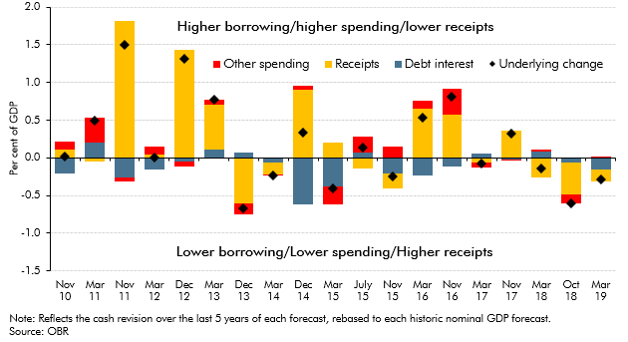

 | % of GDP | Nov 10 | Mar 11 | Nov 11 | Mar 12 | Dec 12 | Mar 13 | Dec 13 | Mar 14 | Dec 14 | Mar 15 | Jul-15 | Nov 15 | Mar 16 | Nov 16 | Mar 17 | Nov 17 | Mar 18 | Oct 18 | Mar 19
 | Underlying change | 0.0 | 0.5 | 1.5 | 0.0 | 1.3 | 0.8 | -0.7 | -0.2 | 0.3 | -0.4 | 0.1 | -0.2 | 0.5 | 0.8 | -0.1 | 0.3 | -0.1 | -0.6 | -0.3
 | Debt interest | -0.2 | 0.2 | -0.3 | -0.1 | -0.1 | 0.1 | 0.1 | -0.1 | -0.6 | -0.4 | 0.1 | -0.2 | -0.2 | -0.1 | 0.1 | 0.0 | 0.1 | -0.1 | -0.2
 | Receipts | 0.1 | 0.0 | 1.8 | 0.1 | 1.4 | 0.6 | -0.6 | -0.2 | 0.9 | 0.2 | -0.1 | -0.2 | 0.7 | 0.6 | -0.1 | 0.4 | -0.3 | -0.4 | -0.1
 | Other spending | 0.1 | 0.3 | -0.1 | 0.1 | -0.1 | 0.1 | -0.1 | 0.0 | 0.0 | -0.2 | 0.2 | 0.1 | 0.1 | 0.4 | -0.1 | 0.0 | 0.0 | -0.1 | 0.0

C4.7
Back to contents
 | Chart 4.7: Proceeds from financial asset sales

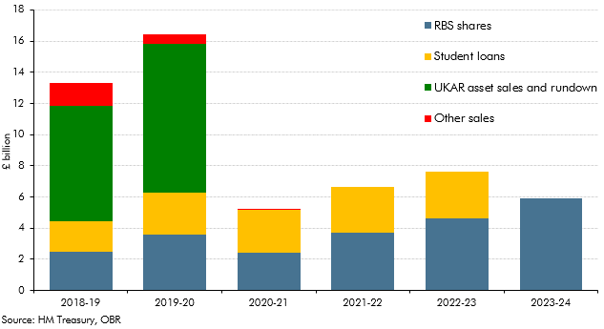

 |  | 2018-19 | 2019-20 | 2020-21 | 2021-22 | 2022-23 | 2023-24
 | Student loans | 1.9 | 2.7 | 2.8 | 2.9 | 3.0 | 0.0
 | RBS shares | 2.5 | 3.6 | 2.4 | 3.7 | 4.6 | 5.9
 | UKAR asset sales and rundown | 7.4 | 9.6
 | Other sales | 1.5 | 0.6 | 0.1 | 0.0 | 0.0 | 0.0

C4.8
Back to contents
 | Chart 4.8: The public sector balance sheet: various measures

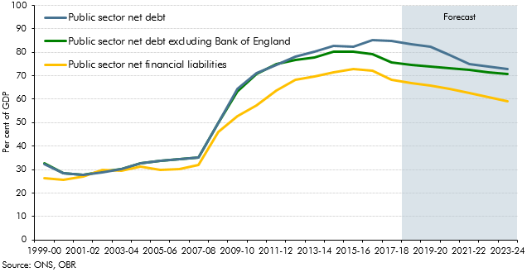

 |  | 1999-00 | 2000-01 | 2001-02 | 2002-03 | 2003-04 | 2004-05 | 2005-06 | 2006-07 | 2007-08 | 2008-09 | 2009-10 | 2010-11 | 2011-12 | 2012-13 | 2013-14 | 2014-15 | 2015-16 | 2016-17 | 2017-18 | 2018-19 | 2019-20 | 2020-21 | 2021-22 | 2022-23 | 2023-24
 | Public sector net debt excluding Bank of England | 32.5 | 28.4 | 27.8 | 29.0 | 30.2 | 32.8 | 33.8 | 34.5 | 35.3 | 49.9 | 63.5 | 70.7 | 75.0 | 76.9 | 77.9 | 80.4 | 80.1 | 79.2 | 75.7 | 74.8 | 73.9 | 73.2 | 72.4 | 71.6 | 70.7
 | Public sector net financial liabilities | 26.2 | 25.7 | 26.9 | 29.7 | 29.6 | 31.4 | 29.9 | 30.1 | 32.1 | 45.9 | 52.8 | 57.4 | 63.7 | 68.4 | 69.6 | 71.4 | 72.8 | 72.2 | 68.4 | 66.8 | 65.9 | 64.3 | 62.5 | 60.8 | 59.0
 | Public sector net debt | 32.4 | 28.3 | 27.7 | 28.9 | 30.1 | 32.7 | 33.6 | 34.4 | 35.2 | 49.9 | 64.3 | 71.0 | 74.7 | 78.2 | 80.2 | 82.6 | 82.3 | 85.1 | 84.8 | 83.3 | 82.2 | 79.0 | 74.9 | 74.0 | 73.0

C5.1
Back to contents
 | Chart 5.1: Change in CAPSNB and PSNB relative to our October forecast

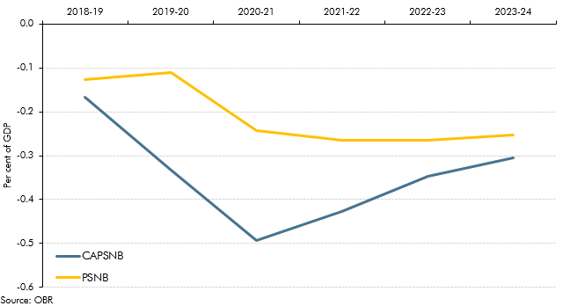

 |  | 2018-19 | 2019-20 | 2020-21 | 2021-22 | 2022-23 | 2023-24
 | CAPSNB | -0.2 | -0.3 | -0.5 | -0.4 | -0.3 | -0.3
 | PSNB | -0.1 | -0.1 | -0.2 | -0.3 | -0.3 | -0.3

C5.2
Back to contents
 | Chart 5.2: Cumulative changes in the structural deficit from 2017-18 to 2020-21

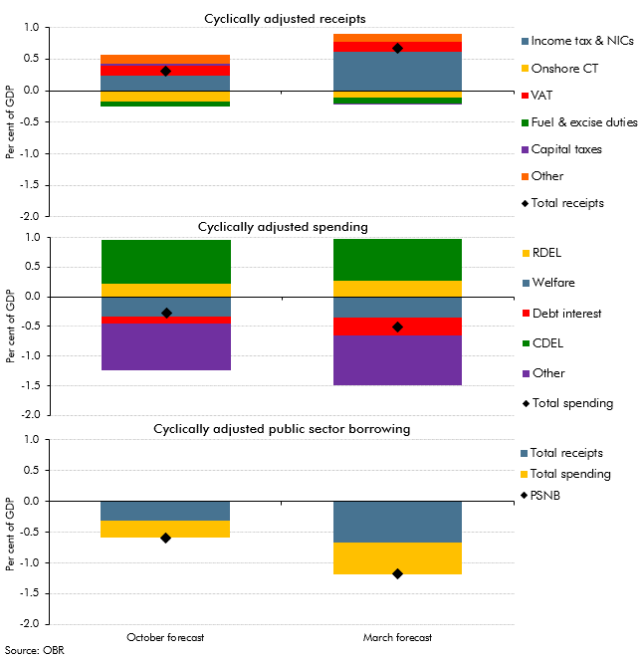

 |  | October forecast | March forecast
 | Income tax & NICs | 0.2 | 0.6
 | Onshore CT | -0.2 | -0.1
 | VAT | 0.2 | 0.2
 | Fuel & excise duties | -0.1 | -0.1
 | Capital taxes | 0.0 | 0.0
 | Other | 0.1 | 0.1
 | Total receipts | 0.3 | 0.7
 | RDEL | 0.2 | 0.3
 | Welfare | -0.3 | -0.3
 | Debt interest | -0.1 | -0.3
 | CDEL | 0.7 | 0.7
 | Other | -0.8 | -0.8
 | Total spending | -0.3 | -0.5
 | Total receipts | -0.3 | -0.7
 | Total spending | -0.3 | -0.5
 | PSNB | -0.6 | -1.2

C5.3
Back to contents
 | Chart 5.3: Year-on-year changes to the debt-to-GDP ratio

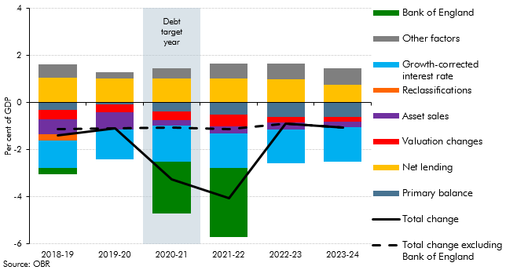

 |  | 2018-19 | 2019-20 | 2020-21 | 2021-22 | 2022-23 | 2023-24
 | Bank of England | -0.3 | 0.0 | -2.2 | -2.9 | 0.0 | 0.0
 | Other factors | 0.6 | 0.3 | 0.4 | 0.6 | 0.7 | 0.7
 | Growth-corrected interest rate | -1.2 | -1.3 | -1.5 | -1.5 | -1.4 | -1.5
 | Reclassifications | -0.3 | 0.0 | 0.0 | 0.0 | 0.0 | 0.0
 | Asset sales | -0.6 | -0.7 | -0.2 | -0.3 | -0.3 | -0.2
 | Valuation changes | -0.4 | -0.3 | -0.4 | -0.5 | -0.2 | -0.2
 | Net lending | 1.1 | 1.0 | 1.0 | 1.0 | 1.0 | 0.8
 | Primary balance | -0.3 | -0.1 | -0.4 | -0.5 | -0.6 | -0.6
 | Total change | -1.4 | -1.1 | -3.2 | -4.1 | -0.9 | -1.0
 | Total change excluding Bank of England | -1.1 | -1.1 | -1.0 | -1.1 | -0.9 | -1.0

C5.4
Back to contents
 | Chart 5.4: Cyclically adjusted public sector net borrowing fan chart

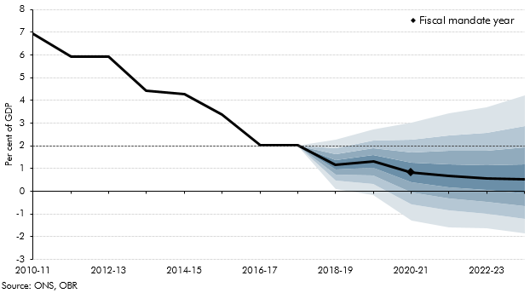

 | Percentile | 10 | 20 | 30 | 40 | 50 | 60 | 70 | 80 | 90 | Central
 | 2010-11 |  |  |  |  |  |  |  |  |  | 7.0
 | 2011-12 |  |  |  |  |  |  |  |  |  | 5.9
 | 2012-13 |  |  |  |  |  |  |  |  |  | 5.9
 | 2013-14 |  |  |  |  |  |  |  |  |  | 4.4
 | 2014-15 |  |  |  |  |  |  |  |  |  | 4.3
 | 2015-16 |  |  |  |  |  |  |  |  |  | 3.4
 | 2016-17 |  |  |  |  |  |  |  |  |  | 2.0
 | 2017-18 |  |  |  |  |  |  |  |  |  | 2.0
 | 2018-19 | 0.1 | 0.5 | 0.7 | 1.0 | 1.2 | 1.4 | 1.6 | 1.9 | 2.3 | 1.2
 | 2019-20 | -0.2 | 0.3 | 0.7 | 1.0 | 1.3 | 1.6 | 1.9 | 2.2 | 2.7 | 1.3
 | 2020-21 | -1.3 | -0.6 | 0.0 | 0.4 | 0.8 | 1.3 | 1.7 | 2.3 | 3.0 | 0.8
 | 2021-22 | -1.6 | -0.9 | -0.3 | 0.2 | 0.7 | 1.2 | 1.8 | 2.5 | 3.4 | 0.7
 | 2022-23 | -1.6 | -1.0 | -0.5 | 0.0 | 0.6 | 1.1 | 1.8 | 2.6 | 3.7 | 0.6
 | 2023-24 | -1.9 | -1.2 | -0.7 | -0.1 | 0.5 | 1.2 | 1.9 | 2.9 | 4.2 | 0.5

C5.5
Back to contents
 | Chart 5.5: Receipts fan chart

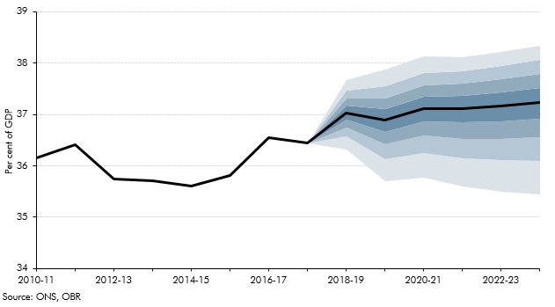

 | Percentile | 10 | 20 | 30 | 40 | 50 | 60 | 70 | 80 | 90 | Central
 | 2010-11 |  |  |  |  |  |  |  |  |  | 36.2
 | 2011-12 |  |  |  |  |  |  |  |  |  | 36.4
 | 2012-13 |  |  |  |  |  |  |  |  |  | 35.7
 | 2013-14 |  |  |  |  |  |  |  |  |  | 35.7
 | 2014-15 |  |  |  |  |  |  |  |  |  | 35.6
 | 2015-16 |  |  |  |  |  |  |  |  |  | 35.8
 | 2016-17 |  |  |  |  |  |  |  |  |  | 36.5
 | 2017-18 |  |  |  |  |  |  |  |  |  | 36.4
 | 2018-19 | 36.3 | 36.6 | 36.7 | 36.9 | 37.0 | 37.2 | 37.3 | 37.5 | 37.7 | 37.0
 | 2019-20 | 35.7 | 36.1 | 36.4 | 36.7 | 36.9 | 37.1 | 37.3 | 37.5 | 37.9 | 36.9
 | 2020-21 | 35.8 | 36.3 | 36.6 | 36.9 | 37.1 | 37.3 | 37.6 | 37.8 | 38.1 | 37.1
 | 2021-22 | 35.6 | 36.1 | 36.5 | 36.8 | 37.1 | 37.4 | 37.6 | 37.8 | 38.1 | 37.1
 | 2022-23 | 35.5 | 36.1 | 36.5 | 36.9 | 37.2 | 37.4 | 37.7 | 37.9 | 38.2 | 37.2
 | 2023-24 | 35.4 | 36.1 | 36.6 | 36.9 | 37.2 | 37.5 | 37.8 | 38.1 | 38.3 | 37.2

CA.1
Back to contents
 | Chart A.1: Support for mortgage interest: forecast loan outlays in 2018-19

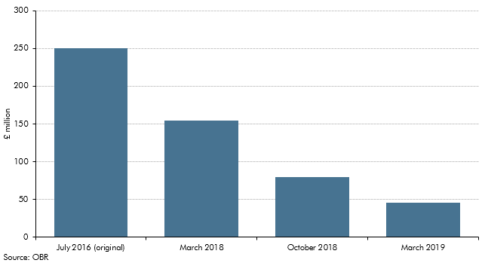

 |  | £ million
 |  | July 2016 (original) | March 2018 | October 2018 | March 2019
 | 2018-19 forecast | 250 | 155 | 80 | 46

CB.1
Back to contents
 | Chart B.1: Current National Accounts treatment: the 2018 cohort

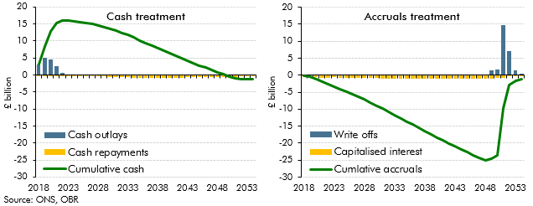

 |  | Cash treatment |  |  | Accruals treatment
 |  | Cash outlays | Cash repayments | Cumulative cash | Capitalised interest | Write offs | Cumlative accruals
 | 2018 | 3.2 | 0.0 | 3.2 | -0.1 | 0.0 | -0.1
 | 2019 | 5.2 | 0.0 | 8.3 | -0.4 | 0.0 | -0.5
 | 2020 | 4.5 | 0.0 | 12.8 | -0.6 | 0.0 | -1.1
 | 2021 | 2.6 | 0.0 | 15.4 | -0.9 | 0.0 | -2.0
 | 2022 | 0.7 | -0.1 | 16.0 | -0.7 | 0.0 | -2.7
 | 2023 | 0.1 | -0.1 | 15.9 | -0.7 | 0.0 | -3.4
 | 2024 | 0.0 | -0.2 | 15.8 | -0.7 | 0.0 | -4.1
 | 2025 | 0.0 | -0.2 | 15.5 | -0.7 | 0.0 | -4.8
 | 2026 | 0.0 | -0.3 | 15.3 | -0.8 | 0.0 | -5.5
 | 2027 | 0.0 | -0.3 | 14.9 | -0.8 | 0.0 | -6.3
 | 2028 | 0.0 | -0.4 | 14.6 | -0.8 | 0.0 | -7.2
 | 2029 | 0.0 | -0.5 | 14.1 | -0.9 | 0.0 | -8.0
 | 2030 | 0.0 | -0.5 | 13.6 | -0.9 | 0.0 | -8.9
 | 2031 | 0.0 | -0.6 | 13.0 | -0.9 | 0.0 | -9.8
 | 2032 | 0.0 | -0.6 | 12.4 | -0.9 | 0.0 | -10.8
 | 2033 | 0.0 | -0.7 | 11.7 | -1.0 | 0.0 | -11.7
 | 2034 | 0.0 | -0.7 | 11.0 | -1.0 | 0.0 | -12.6
 | 2035 | 0.0 | -0.8 | 10.2 | -1.0 | 0.0 | -13.6
 | 2036 | 0.0 | -0.8 | 9.5 | -1.0 | 0.0 | -14.5
 | 2037 | 0.0 | -0.7 | 8.7 | -1.0 | 0.0 | -15.5
 | 2038 | 0.0 | -0.8 | 7.9 | -1.0 | 0.0 | -16.4
 | 2039 | 0.0 | -0.8 | 7.2 | -1.0 | 0.1 | -17.4
 | 2040 | 0.0 | -0.8 | 6.4 | -1.0 | 0.1 | -18.3
 | 2041 | 0.0 | -0.8 | 5.6 | -0.9 | 0.0 | -19.2
 | 2042 | 0.0 | -0.7 | 4.9 | -0.9 | 0.1 | -20.1
 | 2043 | 0.0 | -0.7 | 4.2 | -0.9 | 0.1 | -20.9
 | 2044 | 0.0 | -0.7 | 3.5 | -0.9 | 0.1 | -21.8
 | 2045 | 0.0 | -0.7 | 2.8 | -0.9 | 0.1 | -22.7
 | 2046 | 0.0 | -0.7 | 2.1 | -0.9 | 0.1 | -23.5
 | 2047 | 0.0 | -0.6 | 1.5 | -0.9 | 0.1 | -24.4
 | 2048 | 0.0 | -0.7 | 0.8 | -0.9 | 0.2 | -25.1
 | 2049 | 0.0 | -0.6 | 0.2 | -0.9 | 1.5 | -24.5
 | 2050 | 0.0 | -0.6 | -0.4 | -0.9 | 1.8 | -23.6
 | 2051 | 0.0 | -0.5 | -0.9 | -0.8 | 14.7 | -9.8
 | 2052 | 0.0 | -0.2 | -1.1 | -0.3 | 7.2 | -2.9
 | 2053 | 0.0 | 0.0 | -1.2 | -0.1 | 1.3 | -1.6
 | 2054 | 0.0 | 0.0 | -1.2 | 0.0 | 0.5 | -1.2

CB.2
Back to contents
 | Chart B.2: Annual and cumulative net borrowing impacts: the 2018 cohort

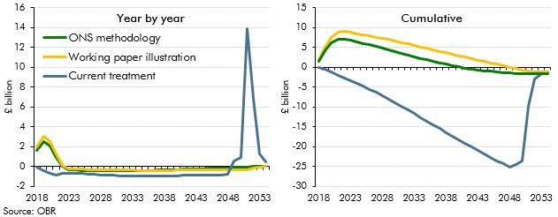

 |  | Year by year |  |  | Cumulative
 |  | Current treatment | Working paper illustration | ONS methodology | Current treatment | Working paper illustration | ONS methodology
 | 2018 | -0.1 | 1.9 | 1.6 | -0.1 | 1.9 | 1.6
 | 2019 | -0.4 | 3.0 | 2.5 | -0.5 | 5.0 | 4.1
 | 2020 | -0.6 | 2.5 | 2.0 | -1.1 | 7.5 | 6.1
 | 2021 | -0.9 | 1.3 | 0.9 | -2.0 | 8.8 | 7.0
 | 2022 | -0.7 | 0.1 | 0.0 | -2.7 | 8.9 | 7.0
 | 2023 | -0.7 | -0.2 | -0.3 | -3.4 | 8.7 | 6.7
 | 2024 | -0.7 | -0.3 | -0.3 | -4.1 | 8.5 | 6.4
 | 2025 | -0.7 | -0.3 | -0.4 | -4.8 | 8.2 | 6.0
 | 2026 | -0.8 | -0.3 | -0.4 | -5.5 | 7.9 | 5.6
 | 2027 | -0.8 | -0.3 | -0.4 | -6.3 | 7.6 | 5.2
 | 2028 | -0.8 | -0.3 | -0.4 | -7.2 | 7.3 | 4.8
 | 2029 | -0.9 | -0.3 | -0.4 | -8.0 | 6.9 | 4.4
 | 2030 | -0.9 | -0.3 | -0.4 | -8.9 | 6.6 | 3.9
 | 2031 | -0.9 | -0.4 | -0.4 | -9.8 | 6.2 | 3.5
 | 2032 | -0.9 | -0.4 | -0.4 | -10.8 | 5.9 | 3.1
 | 2033 | -0.9 | -0.4 | -0.4 | -11.7 | 5.5 | 2.6
 | 2034 | -0.9 | -0.4 | -0.4 | -12.6 | 5.1 | 2.2
 | 2035 | -1.0 | -0.4 | -0.4 | -13.6 | 4.8 | 1.8
 | 2036 | -0.9 | -0.4 | -0.4 | -14.5 | 4.4 | 1.4
 | 2037 | -0.9 | -0.4 | -0.4 | -15.5 | 4.0 | 1.1
 | 2038 | -0.9 | -0.4 | -0.4 | -16.4 | 3.6 | 0.7
 | 2039 | -0.9 | -0.4 | -0.3 | -17.4 | 3.3 | 0.4
 | 2040 | -0.9 | -0.4 | -0.3 | -18.3 | 2.9 | 0.1
 | 2041 | -0.9 | -0.4 | -0.3 | -19.2 | 2.5 | -0.2
 | 2042 | -0.9 | -0.4 | -0.2 | -20.1 | 2.2 | -0.4
 | 2043 | -0.9 | -0.4 | -0.2 | -20.9 | 1.8 | -0.7
 | 2044 | -0.9 | -0.4 | -0.2 | -21.8 | 1.5 | -0.9
 | 2045 | -0.9 | -0.4 | -0.2 | -22.7 | 1.1 | -1.0
 | 2046 | -0.9 | -0.4 | -0.2 | -23.5 | 0.7 | -1.2
 | 2047 | -0.8 | -0.4 | -0.1 | -24.4 | 0.4 | -1.3
 | 2048 | -0.8 | -0.4 | -0.1 | -25.1 | 0.0 | -1.4
 | 2049 | 0.6 | -0.4 | -0.1 | -24.5 | -0.4 | -1.5
 | 2050 | 0.9 | -0.3 | -0.1 | -23.6 | -0.7 | -1.6
 | 2051 | 13.9 | -0.3 | 0.0 | -9.8 | -1.0 | -1.6
 | 2052 | 6.9 | -0.1 | 0.0 | -2.9 | -1.1 | -1.6
 | 2053 | 1.3 | 0.0 | 0.0 | -1.6 | -1.2 | -1.6
 | 2054 | 0.4 | 0.0 | 0.0 | -1.2 | -1.2 | -1.6

CB.3
Back to contents
 | Chart B.3: Effects on balance sheet aggregates: the 2018 cohort

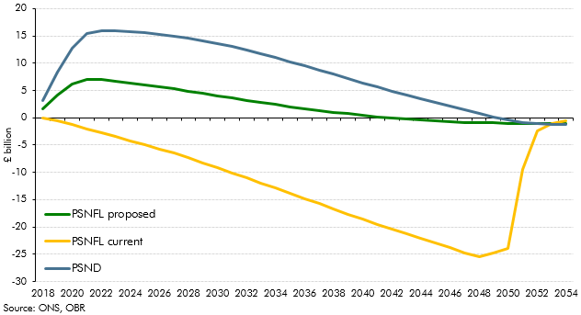

 |  | PSND | PSNFL current | PSNFL proposed
 | 2018 | 3.2 | -0.1 | 1.6
 | 2019 | 8.3 | -0.5 | 4.1
 | 2020 | 12.8 | -1.2 | 6.1
 | 2021 | 15.4 | -2.1 | 7.0
 | 2022 | 16.0 | -2.8 | 7.0
 | 2023 | 15.9 | -3.5 | 6.8
 | 2024 | 15.8 | -4.2 | 6.4
 | 2025 | 15.5 | -4.9 | 6.1
 | 2026 | 15.3 | -5.7 | 5.7
 | 2027 | 14.9 | -6.5 | 5.3
 | 2028 | 14.6 | -7.4 | 4.9
 | 2029 | 14.1 | -8.2 | 4.5
 | 2030 | 13.6 | -9.1 | 4.0
 | 2031 | 13.0 | -10.1 | 3.6
 | 2032 | 12.4 | -11.0 | 3.2
 | 2033 | 11.7 | -12.0 | 2.8
 | 2034 | 11.0 | -12.9 | 2.4
 | 2035 | 10.2 | -13.9 | 2.0
 | 2036 | 9.5 | -14.8 | 1.7
 | 2037 | 8.7 | -15.8 | 1.3
 | 2038 | 7.9 | -16.7 | 1.0
 | 2039 | 7.2 | -17.7 | 0.7
 | 2040 | 6.4 | -18.6 | 0.4
 | 2041 | 5.6 | -19.5 | 0.2
 | 2042 | 4.9 | -20.4 | 0.0
 | 2043 | 4.2 | -21.2 | -0.2
 | 2044 | 3.5 | -22.1 | -0.4
 | 2045 | 2.8 | -23.0 | -0.6
 | 2046 | 2.1 | -23.9 | -0.7
 | 2047 | 1.5 | -24.7 | -0.8
 | 2048 | 0.8 | -25.5 | -0.9
 | 2049 | 0.2 | -24.8 | -0.9
 | 2050 | -0.4 | -23.9 | -1.0
 | 2051 | -0.9 | -9.5 | -1.0
 | 2052 | -1.1 | -2.4 | -1.0
 | 2053 | -1.2 | -1.1 | -1.0
 | 2054 | -1.2 | -0.6 | -1.0

CB.4
Back to contents
 | Chart B.4: Effects on public sector net borrowing: all cohorts

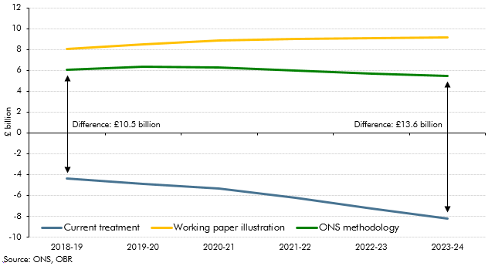

 |  | 2018-19 | 2019-20 | 2020-21 | 2021-22 | 2022-23 | 2023-24
 | Current treatment | -4.4 | -4.9 | -5.4 | -6.2 | -7.2 | -8.2
 | ONS methodology | 6.1 | 6.4 | 6.3 | 6.0 | 5.7 | 5.4
 | Working paper illustration | 8.0 | 8.5 | 8.8 | 9.0 | 9.0 | 9.2

