Intro
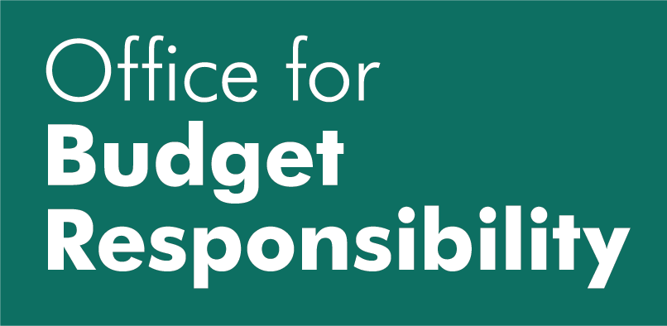
7 July 2022
OBR low-migration baseline
For the Fiscal risks and sustainability (FRS) report, we used our own population projection in the long term modelling, the 'OBR low-migration baseline', deviating from our usual apprach of using ONS projections. This table gives the detailed age and sex breakdown of that population projection. It is highly uncertain and should not be used as official statistics, and this will be revised in a future FRS once the ONS develop new, and census consisent, population projections. For more detail, see Chapter 4 of FRS 2022.

