C1
Back to contents
 | Chart 1: Incidence of major risk events
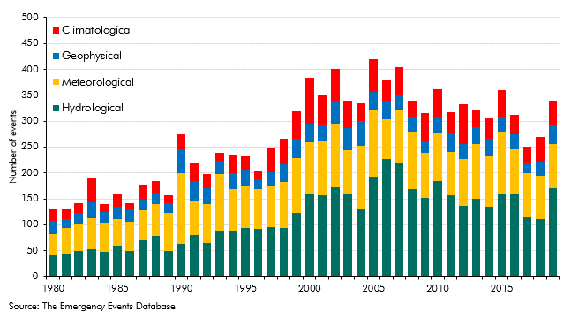

 | Year | Geophysical | Meteorological | Hydrological | Climatological
 | 1980 | 26 | 42 | 40 | 21
 | 1981 | 18 | 50 | 43 | 19
 | 1982 | 21 | 52 | 50 | 19
 | 1983 | 32 | 59 | 53 | 46
 | 1984 | 20 | 57 | 47 | 16
 | 1985 | 24 | 51 | 60 | 24
 | 1986 | 23 | 56 | 50 | 12
 | 1987 | 21 | 58 | 70 | 29
 | 1988 | 23 | 60 | 79 | 23
 | 1989 | 20 | 73 | 49 | 15
 | 1990 | 45 | 137 | 63 | 29
 | 1991 | 39 | 66 | 80 | 34
 | 1992 | 30 | 76 | 64 | 27
 | 1993 | 26 | 108 | 89 | 15
 | 1994 | 31 | 81 | 88 | 35
 | 1995 | 31 | 81 | 94 | 26
 | 1996 | 18 | 77 | 92 | 16
 | 1997 | 27 | 79 | 95 | 47
 | 1998 | 34 | 88 | 94 | 50
 | 1999 | 38 | 106 | 122 | 53
 | 2000 | 35 | 102 | 158 | 88
 | 2001 | 31 | 105 | 157 | 59
 | 2002 | 44 | 122 | 173 | 62
 | 2003 | 42 | 86 | 158 | 53
 | 2004 | 47 | 124 | 129 | 35
 | 2005 | 33 | 130 | 193 | 63
 | 2006 | 36 | 76 | 227 | 42
 | 2007 | 27 | 105 | 218 | 54
 | 2008 | 30 | 111 | 168 | 31
 | 2009 | 24 | 87 | 152 | 52
 | 2010 | 30 | 94 | 184 | 53
 | 2011 | 36 | 84 | 156 | 41
 | 2012 | 28 | 90 | 137 | 78
 | 2013 | 33 | 105 | 150 | 33
 | 2014 | 32 | 99 | 135 | 39
 | 2015 | 29 | 118 | 161 | 52
 | 2016 | 30 | 84 | 161 | 37
 | 2017 | 21 | 85 | 114 | 31
 | 2018 | 27 | 84 | 110 | 48
 | 2019 | 36 | 85 | 170 | 48

C2
Back to contents
 | Chart 2: Fall in real GDP in 2020 in advanced economies
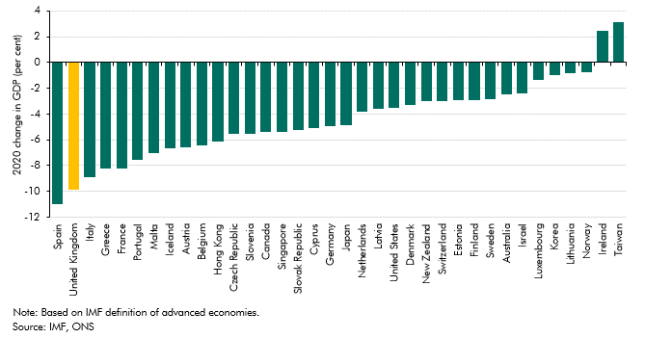

 | Country | GDP change in 2020
 | Spain | -11.0
 | United Kingdom | -9.8
 | Italy | -8.9
 | Greece | -8.2
 | France | -8.2
 | Portugal | -7.6
 | Malta | -7.0
 | Iceland | -6.6
 | Austria | -6.6
 | Belgium | -6.4
 | Hong Kong | -6.1
 | Czech Republic | -5.6
 | Slovenia | -5.5
 | Canada | -5.4
 | Singapore | -5.4
 | Slovak Republic | -5.2
 | Cyprus | -5.1
 | Germany | -4.9
 | Japan | -4.8
 | Netherlands | -3.8
 | Latvia | -3.6
 | United States | -3.5
 | Denmark | -3.3
 | New Zealand | -3.0
 | Switzerland | -3.0
 | Estonia | -2.9
 | Finland | -2.9
 | Sweden | -2.8
 | Australia | -2.4
 | Israel | -2.4
 | Luxembourg | -1.3
 | Korea | -1.0
 | Lithuania | -0.8
 | Norway | -0.8
 | Ireland | 2.5
 | Taiwan | 3.1

C3
Back to contents
 | Chart 3: Fiscal rescue packages across major economies
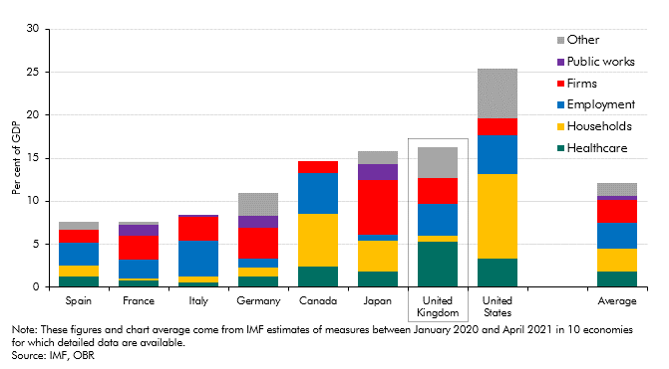

 | Country | Healthcare | Households | Employment | Firms | Public works | Other
 | Spain | 1.2 | 1.3 | 2.6 | 1.5 | 0.0 | 0.9
 | France | 0.8 | 0.2 | 0.0 | 0.0 | 0.0 | 0.0
 | Italy | 0.6 | 0.6 | 4.2 | 2.7 | 0.3 | 0.0
 | Germany | 1.2 | 1.1 | 1.1 | 3.5 | 1.4 | 2.7
 | Canada | 2.4 | 0.1 | 0.0 | 0.0 | 0.0 | 0.0
 | Japan | 1.8 | 3.6 | 0.8 | 6.4 | 1.8 | 1.6
 | United Kingdom | 5.3 | 0.6 | 3.7 | 3.0 | 0.1 | 3.5
 | United States | 3.3 | 9.8 | 4.6 | 1.9 | 0.0 | 5.8

 | Average | 1.8 | 2.7 | 3.0 | 2.6 | 0.5 | 1.5

C4
Back to contents
 | Chart 4: Illustrative estimates for selected pandemic-related pressures on departmental resource spending

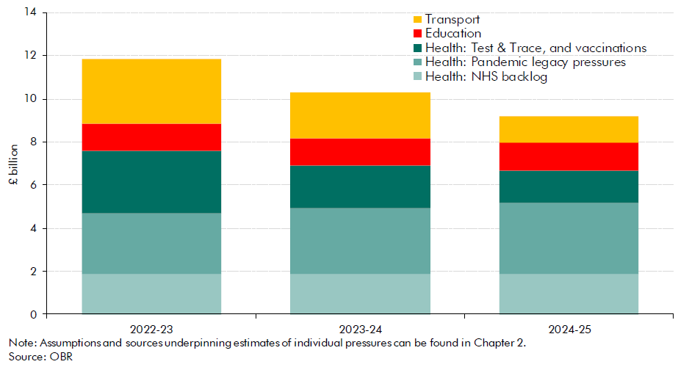

 |  | £ billion
 |  | 2022-23 | 2023-24 | 2024-25
 | Health: Test & Trace, and vaccinations | 2.9 | 2.0 | 1.5
 | Health: NHS backlog | 1.9 | 1.9 | 1.9
 | Health: Pandemic legacy pressures | 2.8 | 3.0 | 3.3
 | Education | 1.3 | 1.3 | 1.3
 | Transport | 3.0 | 2.1 | 1.2

C5
Back to contents
 | Chart 5: Early action scenario: impact on public sector net debt
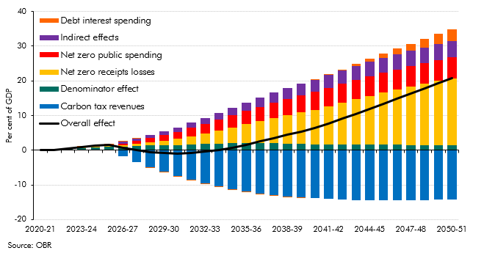

 |  | 2020-21 | 2021-22 | 2022-23 | 2023-24 | 2024-25 | 2025-26 | 2026-27 | 2027-28 | 2028-29 | 2029-30 | 2030-31 | 2031-32 | 2032-33 | 2033-34 | 2034-35 | 2035-36 | 2036-37 | 2037-38 | 2038-39 | 2039-40 | 2040-41 | 2041-42 | 2042-43 | 2043-44 | 2044-45 | 2045-46 | 2046-47 | 2047-48 | 2048-49 | 2049-50 | 2050-51
 | Overall effect | 0.0 | 0.1 | 0.5 | 0.9 | 1.2 | 1.6 | 0.7 | 0.1 | -0.5 | -0.8 | -0.9 | -0.8 | -0.5 | 0.1 | 0.8 | 1.7 | 2.6 | 3.5 | 4.4 | 5.4 | 6.5 | 7.8 | 9.1 | 10.5 | 12.0 | 13.4 | 14.9 | 16.3 | 17.8 | 19.3 | 20.7
 | Denominator effect | 0.0 | 0.1 | 0.4 | 0.7 | 0.8 | 0.9 | 1.1 | 1.3 | 1.3 | 1.4 | 1.5 | 1.7 | 1.8 | 1.9 | 2.1 | 2.1 | 2.1 | 2.1 | 2.0 | 1.8 | 1.7 | 1.7 | 1.7 | 1.7 | 1.7 | 1.7 | 1.6 | 1.5 | 1.5 | 1.4 | 1.4
 | Net zero receipts losses | 0.0 | 0.0 | 0.0 | 0.1 | 0.2 | 0.3 | 0.4 | 0.6 | 0.9 | 1.3 | 1.7 | 2.3 | 3.0 | 3.7 | 4.5 | 5.4 | 6.3 | 7.2 | 8.1 | 9.1 | 10.0 | 11.0 | 12.0 | 13.0 | 14.0 | 14.9 | 15.8 | 16.7 | 17.6 | 18.5 | 19.4
 | Carbon tax revenues | 0.0 | 0.0 | 0.0 | 0.0 | 0.0 | 0.0 | -1.8 | -3.4 | -4.9 | -6.2 | -7.4 | -8.6 | -9.6 | -10.4 | -11.2 | -11.9 | -12.4 | -12.9 | -13.3 | -13.6 | -13.8 | -14.0 | -14.2 | -14.3 | -14.4 | -14.4 | -14.4 | -14.4 | -14.3 | -14.3 | -14.2
 | Net zero public spending | 0.0 | 0.0 | 0.0 | 0.0 | 0.0 | 0.0 | 0.4 | 0.8 | 1.2 | 1.7 | 2.1 | 2.4 | 2.8 | 3.1 | 3.5 | 3.9 | 4.2 | 4.4 | 4.7 | 4.9 | 5.1 | 5.3 | 5.5 | 5.6 | 5.7 | 5.8 | 5.8 | 5.9 | 6.0 | 6.0 | 6.0
 | Indirect effects | 0.0 | 0.0 | 0.1 | 0.1 | 0.3 | 0.4 | 0.5 | 0.7 | 0.9 | 1.1 | 1.3 | 1.5 | 1.7 | 2.0 | 2.2 | 2.5 | 2.7 | 3.0 | 3.2 | 3.4 | 3.5 | 3.7 | 3.8 | 4.0 | 4.1 | 4.2 | 4.4 | 4.5 | 4.6 | 4.6 | 4.7
 | Debt interest spending | 0.0 | 0.0 | 0.0 | 0.0 | 0.0 | 0.0 | 0.0 | 0.0 | 0.0 | 0.0 | -0.1 | -0.1 | -0.2 | -0.2 | -0.2 | -0.3 | -0.3 | -0.2 | -0.2 | -0.1 | 0.0 | 0.2 | 0.4 | 0.6 | 0.9 | 1.2 | 1.6 | 2.0 | 2.5 | 3.0 | 3.5

C6
Back to contents
 | Chart 6: Climate scenarios: impact on public sector net debt in 2050-51
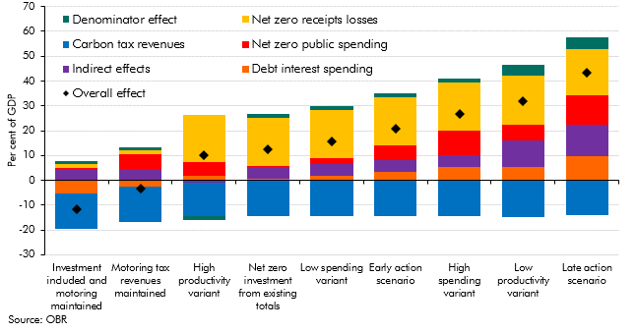

 |  | Investment included and motoring maintained | High productivity variant | Early action scenario | Low productivity variant | Late action scenario
 | Overall effect | -11.6 | 10.2 | 20.7 | 31.9 | 43.3
 | Denominator effect | 1.4 | -1.5 | 1.4 | 4.4 | 4.6
 | Net zero receipts losses | 1.3 | 18.8 | 19.4 | 20.0 | 18.6
 | Carbon tax revenues | -14.2 | -13.8 | -14.2 | -14.7 | -14.2
 | Net zero public spending | 0.4 | 5.8 | 6.0 | 6.2 | 11.8
 | Indirect effects | 4.7 | -0.8 | 4.7 | 10.6 | 12.7
 | Debt interest spending | -5.2 | 1.6 | 3.5 | 5.5 | 9.7

C7
Back to contents
 | Chart 7: Cost of public debt scenarios: public sector net debt
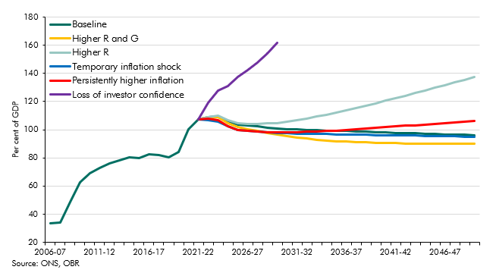

 | PSND (per cent of GDP) | 2006-07 | 2007-08 | 2008-09 | 2009-10 | 2010-11 | 2011-12 | 2012-13 | 2013-14 | 2014-15 | 2015-16 | 2016-17 | 2017-18 | 2018-19 | 2019-20 | 2020-21 | 2021-22 | 2022-23 | 2023-24 | 2024-25 | 2025-26 | 2026-27 | 2027-28 | 2028-29 | 2029-30 | 2030-31 | 2031-32 | 2032-33 | 2033-34 | 2034-35 | 2035-36 | 2036-37 | 2037-38 | 2038-39 | 2039-40 | 2040-41 | 2041-42 | 2042-43 | 2043-44 | 2044-45 | 2045-46 | 2046-47 | 2047-48 | 2048-49 | 2049-50
 | Baseline | 33.4 | 34.2 | 48.7 | 62.6 | 69.2 | 72.8 | 76.2 | 78.0 | 80.2 | 79.8 | 82.5 | 82.1 | 80.4 | 84.4 | 100.2 | 107.4 | 109.0 | 109.7 | 106.2 | 103.8 | 103.0 | 102.2 | 101.6 | 101.0 | 100.5 | 100.3 | 100.0 | 99.7 | 99.5 | 99.2 | 99.0 | 98.8 | 98.5 | 98.3 | 98.1 | 97.8 | 97.6 | 97.4 | 97.2 | 97.0 | 96.8 | 96.6 | 96.4 | 96.2
 | Higher R and G |  |  |  |  |  |  |  |  |  |  |  |  |  |  |  | 107.5 | 108.8 | 108.7 | 104.7 | 101.8 | 100.4 | 99.0 | 97.7 | 96.5 | 95.3 | 94.4 | 93.6 | 92.9 | 92.4 | 91.9 | 91.5 | 91.2 | 90.9 | 90.7 | 90.5 | 90.4 | 90.3 | 90.2 | 90.1 | 90.1 | 90.0 | 90.0 | 90.0 | 90.0
 | Higher R |  |  |  |  |  |  |  |  |  |  |  |  |  |  |  | 107.5 | 109.2 | 109.9 | 106.6 | 104.5 | 104.2 | 104.2 | 104.4 | 104.8 | 105.5 | 106.6 | 107.9 | 109.3 | 110.7 | 112.2 | 113.8 | 115.5 | 117.1 | 118.9 | 120.6 | 122.4 | 124.2 | 126.0 | 127.9 | 129.8 | 131.6 | 133.5 | 135.4 | 137.3
 | Temporary inflation shock |  |  |  |  |  |  |  |  |  |  |  |  |  |  |  | 107.5 | 107.0 | 105.8 | 102.3 | 99.9 | 99.3 | 98.7 | 98.2 | 97.7 | 97.4 | 97.3 | 97.2 | 97.0 | 96.9 | 96.8 | 96.7 | 96.5 | 96.4 | 96.3 | 96.1 | 96.0 | 95.9 | 95.7 | 95.6 | 95.5 | 95.4 | 95.2 | 95.1 | 95.0
 | Persistently higher inflation |  |  |  |  |  |  |  |  |  |  |  |  |  |  |  | 107.5 | 107.7 | 106.6 | 102.5 | 100.0 | 99.3 | 98.7 | 98.3 | 98.1 | 98.0 | 98.2 | 98.5 | 98.8 | 99.1 | 99.5 | 99.9 | 100.3 | 100.8 | 101.3 | 101.8 | 102.2 | 102.8 | 103.3 | 103.8 | 104.3 | 104.8 | 105.4 | 105.9 | 106.4

C8
Back to contents
 | Chart 8: Sensitivity of interest payments to a rise in interest rates
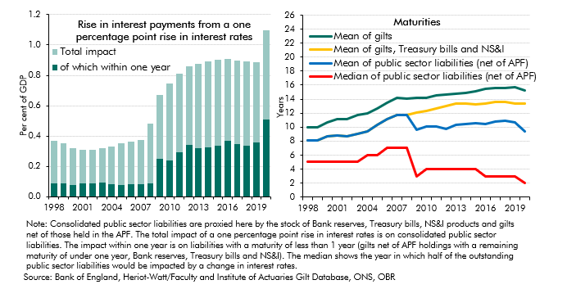

 |  | Total impact | of which within one year | Mean of gilts | Mean of gilts, Treasury bills and NS&I | Mean of public sector liabilities (net of APF) | Median of public sector liabilities (net of APF)
 | 1998 | 0.4 | 0.1 | 9.9 | 8.1 | 8.1 | 5.0
 | 1999 | 0.3 | 0.1 | 10.0 | 8.1 | 8.1 | 5.0
 | 2000 | 0.3 | 0.1 | 10.6 | 8.6 | 8.6 | 5.0
 | 2001 | 0.3 | 0.1 | 11.2 | 8.8 | 8.8 | 5.0
 | 2002 | 0.3 | 0.1 | 11.2 | 8.7 | 8.7 | 5.0
 | 2003 | 0.3 | 0.1 | 11.7 | 9.1 | 9.1 | 5.0
 | 2004 | 0.3 | 0.1 | 11.9 | 9.4 | 9.4 | 6.0
 | 2005 | 0.4 | 0.1 | 12.7 | 10.3 | 10.3 | 6.0
 | 2006 | 0.4 | 0.1 | 13.5 | 11.1 | 11.1 | 7.0
 | 2007 | 0.4 | 0.1 | 14.2 | 11.7 | 11.7 | 7.0
 | 2008 | 0.5 | 0.1 | 14.1 | 11.8 | 11.8 | 7.0
 | 2009 | 0.7 | 0.3 | 14.2 | 12.1 | 9.6 | 3.0
 | 2010 | 0.7 | 0.2 | 14.1 | 12.3 | 10.1 | 4.0
 | 2011 | 0.8 | 0.3 | 14.5 | 12.6 | 10.1 | 4.0
 | 2012 | 0.9 | 0.3 | 14.6 | 13.1 | 9.7 | 4.0
 | 2013 | 0.9 | 0.3 | 14.8 | 13.4 | 10.3 | 4.0
 | 2014 | 0.9 | 0.3 | 14.9 | 13.3 | 10.5 | 4.0
 | 2015 | 0.9 | 0.3 | 15.2 | 13.2 | 10.5 | 4.0
 | 2016 | 0.9 | 0.4 | 15.5 | 13.4 | 10.5 | 3.0
 | 2017 | 0.9 | 0.3 | 15.6 | 13.6 | 10.8 | 3.0
 | 2018 | 0.9 | 0.3 | 15.6 | 13.7 | 11.0 | 3.0
 | 2019 | 0.9 | 0.4 | 15.7 | 13.4 | 10.7 | 3.0
 | 2020 | 1.1 | 0.5 | 15.2 | 13.4 | 9.3 | 2.0

C9
Back to contents
 | Chart 9: OBR fiscal risk register: changes since our 2019 report
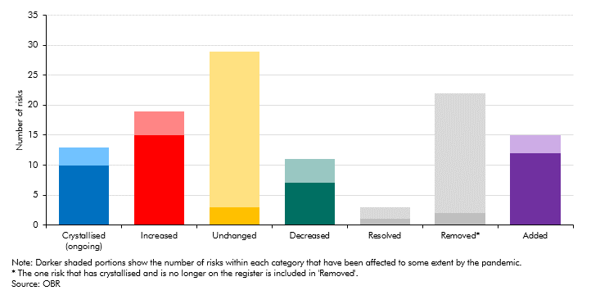

 |  | Covid impact | No Covid impact
 | Crystallised (ongoing) | 10 | 3
 | Increased | 15 | 4
 | Unchanged | 3 | 26
 | Decreased | 7 | 4
 | Resolved | 1 | 2
 | Removed* | 2 | 20
 | Added | 12 | 3

F1
Back to contents
 | Figure 1: Sources of fiscal risk over the medium term
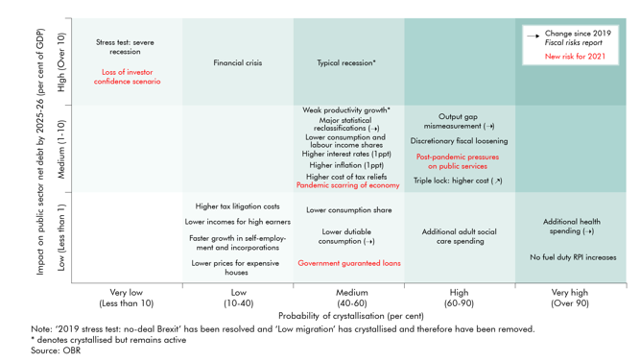

 | Name | Full description | Type of risk | Probability methodology | Impact methodology
 | Weak productivity growth | Potential labour productivity growth is on average 0.8 percentage points lower per year than forecast | Economy | A judgement informed by pre- and post-crisis historical data | Our November 2017 EFO 'weak productivity' scenario.
 | Typical recession | November 2015 EFO 'negative shock' scenario | Economy | The cumulative probability of a recession in any 5-year period, based on UK historical experience | Our November 2015 EFO 'negative shock' scenario (with effects as of the end of that forecast period in 2020-21) - this is explained more fully in para 3.98 of the 2019 FRR document
 | Lower consumption share | 1 percentage point lower consumption share of GDP | Economy | An illustrative scenario that is reasonably likely given recent movements consumption as a share of GDP | Top-down estimates of effective tax rates on the largest components of GDP by expenditure (as shown in Chart 2.11 of the 2019 FRR document)
 | Lower consumption and labour income shares | 1 percentage point lower consumption share and compensation of employees share of GDP | Economy | An illustrative scenario that is reasonably likely given recent movements in both labour income and consumption as shares of GDP (in a scenario that implies the saving ratio remaining stable) | Top-down estimates of effective tax rates on the largest components of GDP by expenditure and income (as shown in Chart 2.11 of the 2019 FRR document)
 | Output gap mismeasurement | Output gap later estimate significantly higher than the real time estimate | Economy | A judgement based on past instances of output gap revisions following recessions | Based on analysis of past instances of output gap mismeasurement in our 2019 FRR ‘Output gap mismeasurement and the public finances’.
 | Financial crisis | The impact of an average financial crisis hitting the economy, capturing both direct and indirect effects. | Financial sector | The probability of a crisis occurring in any given year is estimated at nearly 5 per cent, based on a survey of literature of past financial crises compiled by the Basel committee on banking supervision (see Chapter 3 of the 2019 FRR document) | The average fiscal cost of a financial crisis in advanced economies, as estimated by the UK’s Independent Commission on Banking (ICB)
 | Lower dutiable consumption | 1% fall in fuel, tobacco and alcohol clearances | Receipts | A judgement that while this is not our central forecast, it is a plausible alternative outcome | Estimates using fuel, tobacco and alcohol duty forecast models
 | Faster growth in self-employment and incorporations | Self-employment share reaches 16 per cent and incorporations grow at 6% a year | Receipts | A judgement that while this is not our central forecast, it is a plausible alternative outcome | Estimates using income tax, NICS and incorporations forecast models
 | No fuel duty RPI increases | Cancelling or delaying fuel duty rate rise from inflation indexation | Receipts | The fact that it has occurred every year since 2011 | Estimates using fuel duty forecast and policy costing model
 | Lower incomes for high earners | 1% lower income in top 10 per cent of taxpayer distribution | Receipts | A judgement that while this is not our central forecast, it is a plausible alternative outcome | Estimates using HMRC's income tax liabilities statistics
 | Lower prices for expensive houses | 1% lower house prices (concentrated in top decile) | Receipts | A judgement that while this is not our central forecast, it is a plausible alternative outcome | Estimates using HMRC's annual stamp tax statistics
 | Higher cost of tax reliefs | 1% higher growth rate in each year of the forecast for the cost of tax expenditures | Receipts | A judgement that while this is not our central forecast, it is a plausible alternative outcome | Estimate using forecasted growth rates from data set out in Chart 4.14 of the Fiscal risks report 2019
 | Triple lock: higher cost | Pension spending continue to be uprated in line with the triple lock but with an higher premium than in our central projection | Expenditure | The high likelihood of base effects and compositional factors increasing this year's average earnings in the relevant reference period, drawing on the Bank of England's June MPC Minutes. | Estimates based on DWP forecasting models and population projections. Net effect of small reductions in cost due to coronavirus excess deaths among pensioners, outweighed by costs that could be several billion a year due to average earnings growth this year being higher than we forecast in March 2021.
 | Additional health spending | Health spending continue to grow broadly in line with historical trends | Expenditure | A judgement based on experience and estimates of pandemic-related legacy pressures on health services | Based on estimates of health spending pressures presented in Chart 2.18 of FRR21
 | Additional adult social care spending | Spending on adult social care continue to grow broadly in line with historical trends | Expenditure | Reforms to adult social care funding have been pending for several years. Government statements have suggested that reforms will be forthcoming this year. | The impact of current trends and upward pressures on social care from demographic pressures highlighted in our 2018 and 2020 FSRs
 | Higher tax litigation costs | Tax litigation: higher than forecast | Expenditure | A judgement based on the nature of the contingent liability | An illustration that equals half of the total contingent liability in HMRC's 2019-20 accounts
 | Major statistical reclassifications | Reclassifications of a body to the public sector | Balance sheet | A judgement based on historical precedents and that the policy response to the coronavirus pandemic may make this more likely | The average of historical examples in addition to the policy response to the coronavirus pandemic increasing the potential impact
 | Higher inflation (1ppt a year) | Inflation is 1 percentage point higher over the period | Debt interest | Based on a general increase in inflation concerns | Based on the debt interest ready reckoner
 | Higher interest rates (1ppt) | Interest rates are 1 percentage point higher over the period | Debt interest | Based on increases in gilt rates and Bank Rate expectations since our March 2021 EFO | Based on the debt interest ready reckoner
 | Discretionary fiscal loosening | Discretionary fiscal loosening (but keep debt-to-GDP ratio falling) | Fiscal policy | A judgment that updates the scenario set out at the end of Chapter 8 of the 2019 FRR | This scenario is based on the assumptions that underpin our March 2019 forecast. It assumes that primary borrowing is maximised, subject to the constraint that the debt-to-GDP ratio must fall in every year (excluding the impact of Bank of England schemes).
...

F2
Back to contents
 | Figure 2: Sources of risk to fiscal sustainability

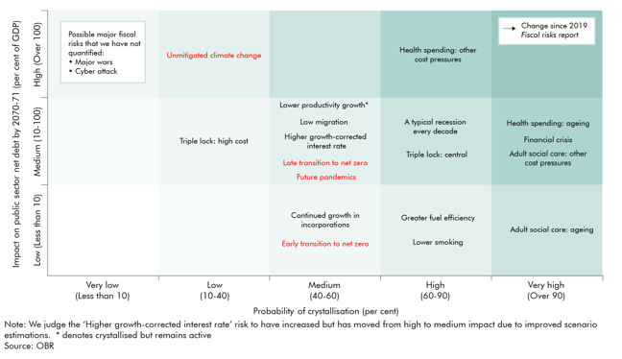

 | Name | Full description | Type of risk | Probability methodology | Impact methodology
 | Low migration | Net migration falls and is 80,000 lower per year than forecast after 5 years, and remains lower by that amount thereafter | Economy | A judgement based on historical data | The difference between our central and low migration projections from FSR 2018
 | Lower productivity growth | Productivity growth is 0.1 percentage points lower every year, with all else equal | Economy | A judgement based on historical data | A simple calculation of the cumulative effect on PSND of the rise in spending as a share of GDP that would result if GDP grew 0.1 percentage points more slowly than projected by public spending growth was unchanged
 | A typical recession every decade | One recession in 10 years over 50 years - November 2015 EFO 'negative shock' scenario | Economy | The cumulative probability of a recession in any 10-year period, based on UK historical experience | Five times the effect of our November 2015 EFO 'negative shock' scenario to get a gross effect of recessions, with an illustrative assumption that half the costs are offset by preceding booms
 | Financial crisis | The impact of two average financial crises hitting the economy over the 50 year period, capturing both direct and indirect effects | Financial sector | Extrapolating a nearly 5 per cent probability in any given year over a 50-year period, suggesting a crisis every 20 years or so | The estimated average cost of a financial crisis occuring twice within the 50-year period.
 | Greater fuel efficiency | Continuation of current trend of rises in vehicle fuel efficiency | Receipts | A judgement of likelihood considering long-term and recent history of improvements to vehicle efficiencies | The cost of continuation of trend relative to receipts staying flat as a proportion of GDP
 | Lower smoking | Continuation of current trend of 4% a year decline in cigarette consumption | Receipts | A judgement of likelihood considering long-term history of declines in cigarette consumption | The cost of continuation of trend relative to receipts staying flat as a proportion of GDP
 | Continued growth in incorporations | Incorporations continue to rise but at a slower pace until 2031-32, then stabilise | Receipts | A judgement of likelihood that pace of incorporations slow due to decreasing supply of individuals that would be willing and able to incorporate | Growth in Exchequer cost from rising incorporations slowly tapers off until 2031-32, then kept flat as proportion of GDP
 | Triple lock: central | Pension spending continue to be uprated in line with the triple lock (premium as in our FSR central projection) | Expenditure | A continuation of existing medium-term policy into the longer term | Estimates based on DWP forecasting models and population projections.
 | Triple lock: high cost | Pension spending continue to be uprated in line with the triple lock but with an higher premium than in our central FSR projection | Expenditure | A judgment based on risks around long-term productivity and earnings growth, layered on top of the central risk associated with the triple lock being applied in the long term | Estimates based on DWP forecasting models and population projections.
...

