C3.1
Back to contents
 | Chart 3.1: Carbon dioxide emissions and atmospheric concentration

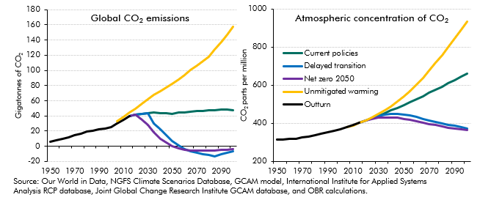

 | Emissions | 1950 | 1955 | 1960 | 1965 | 1970 | 1975 | 1980 | 1985 | 1990 | 1995 | 2000 | 2005 | 2010 | 2015 | 2020 | 2025 | 2030 | 2035 | 2040 | 2045 | 2050 | 2055 | 2060 | 2065 | 2070 | 2075 | 2080 | 2085 | 2090 | 2095 | 2100
 | Outturn | 6.0 | 7.4 | 9.3 | 11.3 | 14.8 | 16.9 | 19.4 | 20.1 | 22.7 | 23.3 | 25.1 | 30.3 | 34.7 | 40.1
 | Current Policies |  |  |  |  |  |  |  |  |  |  |  |  |  | 40.1 | 41.7 | 42.9 | 43.3 | 44.1 | 43.7 | 43.4 | 43.0 | 44.1 | 44.8 | 45.7 | 46.2 | 46.7 | 47.6 | 47.7 | 47.9 | 48.5 | 47.2
 | Delayed transition |  |  |  |  |  |  |  |  |  |  |  |  |  | 40.1 | 41.7 | 42.9 | 43.3 | 30.5 | 22.6 | 14.2 | 6.4 | 1.3 | -4.0 | -6.9 | -8.7 | -10.3 | -11.7 | -13.1 | -11.0 | -9.0 | -6.8
 | Net zero 2050 |  |  |  |  |  |  |  |  |  |  |  |  |  | 40.1 | 41.7 | 34.4 | 27.6 | 18.8 | 10.0 | 4.7 | -0.3 | -3.2 | -4.8 | -5.3 | -5.7 | -5.8 | -5.7 | -5.4 | -5.1 | -4.8 | -4.2
 | Unmitigated warming |  |  |  |  |  |  |  |  |  |  |  | 32.8 | 38.5 | 44.1 | 49.7 | 55.7 | 61.8 | 67.9 | 72.7 | 77.6 | 82.4 | 88.3 | 94.2 | 100.1 | 105.9 | 111.8 | 117.7 | 127.6 | 137.4 | 147.3 | 157.9

 |  | 1950 | 1955 | 1960 | 1965 | 1970 | 1975 | 1980 | 1985 | 1990 | 1995 | 2000 | 2005 | 2010 | 2015 | 2020 | 2025 | 2030 | 2035 | 2040 | 2045 | 2050 | 2055 | 2060 | 2065 | 2070 | 2075 | 2080 | 2085 | 2090 | 2095 | 2100
 | Outturn | 312.8 | 314.7 | 316.9 | 320.0 | 325.7 | 331.1 | 338.8 | 346.1 | 354.4 | 360.8 | 369.6 | 379.7 | 391.0 | 403.3
 | Current policies |  |  |  |  |  |  |  |  |  |  |  |  |  | 403.3 | 414.2 | 426.1 | 439.0 | 453.4 | 467.5 | 481.9 | 496.6 | 511.7 | 527.1 | 543.0 | 559.1 | 575.5 | 592.4 | 609.5 | 626.7 | 644.3 | 661.7
 | Delayed transition |  |  |  |  |  |  |  |  |  |  |  |  |  | 403.3 | 414.2 | 426.1 | 439.0 | 447.2 | 450.4 | 450.1 | 446.4 | 440.3 | 432.7 | 424.2 | 415.9 | 407.8 | 400.2 | 393.0 | 386.2 | 379.7 | 373.6
 | Net zero 2050 |  |  |  |  |  |  |  |  |  |  |  |  |  | 403.3 | 414.2 | 423.2 | 428.4 | 431.1 | 431.0 | 428.4 | 423.4 | 416.8 | 409.7 | 402.7 | 396.2 | 389.9 | 383.8 | 378.0 | 372.8 | 367.9 | 363.5
 | Unmitigated warming |  |  |  |  |  |  |  |  |  |  |  | 378.8 | 389.3 | 401.6 | 415.8 | 431.5 | 448.8 | 467.9 | 489.4 | 513.5 | 540.5 | 570.5 | 603.5 | 639.3 | 677.1 | 717.0 | 758.2 | 801.0 | 844.8 | 890.0 | 935.9

C3.2
Back to contents
 | Chart 3.2: Median temperatures versus the risk of exceeding 6°C temperature rises at different atmospheric concentrations of greenhouse gases

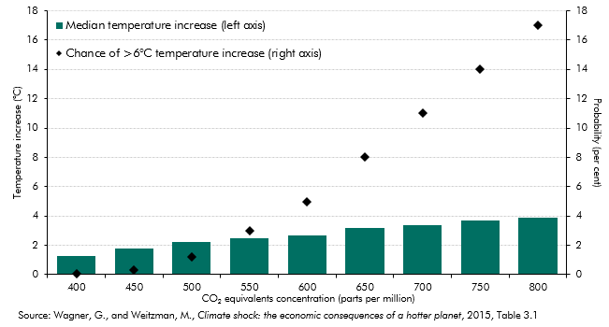

 | CO2 concentration (ppm) | 400 | 450 | 500 | 550 | 600 | 650 | 700 | 750 | 800
 | Median temperature increase (left axis) | 1.3 | 1.8 | 2.2 | 2.5 | 2.7 | 3.2 | 3.4 | 3.7 | 3.9
 | Chance of >6°C temperature increase (right axis) | 0.04 | 0.3 | 1.2 | 3 | 5 | 8 | 11 | 14 | 17

C3.3
Back to contents
 | Chart 3.3: Estimated impact on emissions of the existence of different interventions

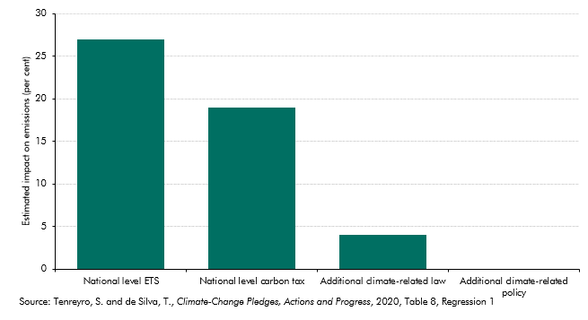

 |  | Impact
 | National level ETS | 27
 | National level carbon tax | 19
 | Additional climate-related law | 4
 | Additional climate-related policy | 0

C3.4
Back to contents
 | Chart 3.4: Global greenhouse gas emissions in 2016: top 20 emitters

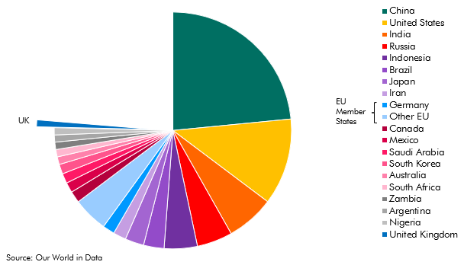

 |  | Percentage
 | China | 23.5
 | United States | 11.8
 | India | 6.6
 | Russia | 4.8
 | Indonesia | 4.5
 | Brazil | 2.8
 | Japan | 2.6
 | Iran | 1.8
 | Germany | 1.6
 | Other EU | 4.8
 | Canada | 1.6
 | Mexico | 1.4
 | Saudi Arabia | 1.3
 | South Korea | 1.3
 | Australia | 1.1
 | South Africa | 1.0
 | Zambia | 1.0
 | Argentina | 1.0
 | Nigeria | 1.0
 | United Kingdom | 0.9

C3.5
Back to contents
 | Chart 3.5: The effect of global emissions paths on UK temperatures

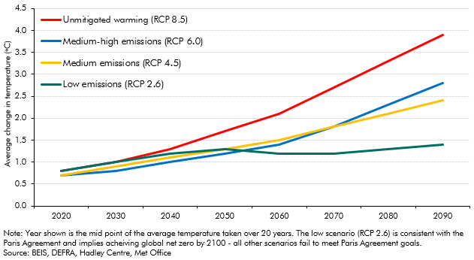

 |  | 2020 | 2030 | 2040 | 2050 | 2060 | 2070 | 2080 | 2090
 | Low emissions (RCP 2.6) | 0.8 | 1 | 1.2 | 1.3 | 1.2 | 1.2 | 1.3 | 1.4
 | Medium emissions (RCP 4.5) | 0.7 | 0.9 | 1.1 | 1.3 | 1.5 | 1.8 | 2.1 | 2.4
 | Medium-high emissions (RCP 6.0) | 0.7 | 0.8 | 1 | 1.2 | 1.4 | 1.8 | 2.3 | 2.8
 | Unmitigated warming (RCP 8.5) | 0.8 | 1 | 1.3 | 1.7 | 2.1 | 2.7 | 3.3 | 3.9

C3.6
Back to contents
 | Chart 3.6: Public sector net debt: an illustrative unmitigated global warming scenario

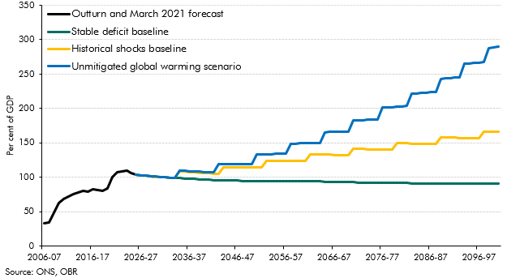

 |  | 2006-07 | 2007-08 | 2008-09 | 2009-10 | 2010-11 | 2011-12 | 2012-13 | 2013-14 | 2014-15 | 2015-16 | 2016-17 | 2017-18 | 2018-19 | 2019-20 | 2020-21 | 2021-22 | 2022-23 | 2023-24 | 2024-25 | 2025-26 | 2026-27 | 2027-28 | 2028-29 | 2029-30 | 2030-31 | 2031-32 | 2032-33 | 2033-34 | 2034-35 | 2035-36 | 2036-37 | 2037-38 | 2038-39 | 2039-40 | 2040-41 | 2041-42 | 2042-43 | 2043-44 | 2044-45 | 2045-46 | 2046-47 | 2047-48 | 2048-49 | 2049-50 | 2050-51 | 2051-52 | 2052-53 | 2053-54 | 2054-55 | 2055-56 | 2056-57 | 2057-58 | 2058-59 | 2059-60 | 2060-61 | 2061-62 | 2062-63 | 2063-64 | 2064-65 | 2065-66 | 2066-67 | 2067-68 | 2068-69 | 2069-70 | 2070-71 | 2071-72 | 2072-73 | 2073-74 | 2074-75 | 2075-76 | 2076-77 | 2077-78 | 2078-79 | 2079-80 | 2080-81 | 2081-82 | 2082-83 | 2083-84 | 2084-85 | 2085-86 | 2086-87 | 2087-88 | 2088-89 | 2089-90 | 2090-91 | 2091-92 | 2092-93 | 2093-94 | 2094-95 | 2095-96 | 2096-97 | 2097-98 | 2098-99 | 2099-00 | 2100-01
 | Outturn and March 2021 forecast | 33.4 | 34.2 | 48.7 | 62.6 | 69.2 | 72.8 | 76.2 | 78.0 | 80.2 | 79.8 | 82.5 | 82.1 | 80.4 | 84.4 | 100.2 | 107.4 | 109.0 | 109.7 | 106.2 | 103.8
 | Stable deficit baseline |  |  |  |  |  |  |  |  |  |  |  |  |  |  |  |  |  |  |  | 103.8 | 103.0 | 102.3 | 101.6 | 101.0 | 100.5 | 100.0 | 99.5 | 99.1 | 98.7 | 98.4 | 98.0 | 97.5 | 97.1 | 96.8 | 96.5 | 96.2 | 96.0 | 95.7 | 95.6 | 95.4 | 95.3 | 95.2 | 95.1 | 95.0 | 95.0 | 94.9 | 94.8 | 94.8 | 94.7 | 94.7 | 94.6 | 94.6 | 94.5 | 94.4 | 94.4 | 94.3 | 94.2 | 94.0 | 93.9 | 93.8 | 93.6 | 93.4 | 93.2 | 93.0 | 92.9 | 92.7 | 92.6 | 92.5 | 92.4 | 92.3 | 92.2 | 92.1 | 92.0 | 91.9 | 91.8 | 91.7 | 91.6 | 91.5 | 91.4 | 91.3 | 91.3 | 91.2 | 91.1 | 91.1 | 91.0 | 90.9 | 90.9 | 90.8 | 90.8 | 90.7 | 90.7 | 90.6 | 90.6 | 90.5 | 90.5
 | Historical shocks baseline |  |  |  |  |  |  |  |  |  |  |  |  |  |  |  |  |  |  |  | 103.8 | 103.0 | 102.3 | 101.6 | 101.0 | 100.5 | 100.0 | 99.5 | 99.1 | 108.7 | 108.3 | 107.7 | 107.2 | 106.7 | 106.3 | 106.0 | 105.7 | 105.4 | 115.2 | 114.9 | 114.8 | 114.6 | 114.5 | 114.4 | 114.3 | 114.3 | 114.2 | 124.1 | 124.1 | 124.0 | 124.0 | 123.9 | 123.8 | 123.8 | 123.7 | 123.6 | 133.5 | 133.3 | 133.2 | 133.0 | 132.8 | 132.6 | 132.2 | 132.0 | 131.7 | 141.5 | 141.3 | 141.1 | 140.9 | 140.7 | 140.5 | 140.3 | 140.2 | 140.0 | 149.8 | 149.6 | 149.4 | 149.2 | 149.1 | 148.9 | 148.7 | 148.5 | 148.4 | 158.2 | 158.0 | 157.8 | 157.7 | 157.5 | 157.3 | 157.2 | 157.0 | 156.8 | 166.7 | 166.5 | 166.3 | 166.2
 | Unmitigated global warming scenario |  |  |  |  |  |  |  |  |  |  |  |  |  |  |  |  |  |  |  | 103.8 | 103.0 | 102.3 | 101.7 | 101.1 | 100.5 | 100.1 | 99.7 | 99.3 | 110.0 | 109.7 | 109.2 | 108.7 | 108.3 | 108.0 | 107.8 | 107.6 | 119.6 | 119.5 | 119.4 | 119.4 | 119.4 | 119.5 | 119.6 | 119.8 | 133.2 | 133.4 | 133.6 | 133.8 | 134.0 | 134.3 | 134.5 | 148.9 | 149.2 | 149.4 | 149.7 | 149.9 | 150.1 | 150.4 | 165.8 | 166.0 | 166.1 | 166.2 | 166.3 | 166.6 | 182.8 | 183.0 | 183.3 | 183.6 | 184.0 | 184.3 | 201.5 | 201.8 | 202.2 | 202.7 | 203.1 | 203.5 | 221.6 | 222.1 | 222.5 | 223.1 | 223.6 | 224.1 | 243.1 | 243.6 | 244.2 | 244.8 | 245.4 | 265.1 | 265.7 | 266.3 | 267.0 | 267.7 | 288.1 | 288.8 | 289.5

C3.7
Back to contents
 | Chart 3.7: UK greenhouse gas emissions: territorial versus consumption basis

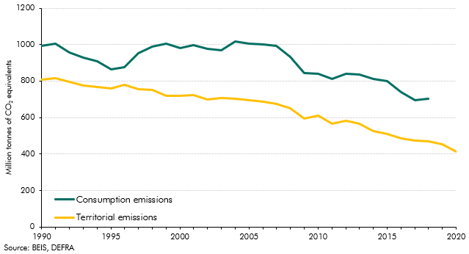

 |  | 1990 | 1991 | 1992 | 1993 | 1994 | 1995 | 1996 | 1997 | 1998 | 1999 | 2000 | 2001 | 2002 | 2003 | 2004 | 2005 | 2006 | 2007 | 2008 | 2009 | 2010 | 2011 | 2012 | 2013 | 2014 | 2015 | 2016 | 2017 | 2018 | 2019 | 2020
 | Consumption emissions | 994.8 | 1003.2 | 957.0 | 929.1 | 909.1 | 865.5 | 877.2 | 953.4 | 987.1 | 1005.2 | 980.5 | 996.6 | 977.7 | 970.7 | 1018.4 | 1003.7 | 1000.8 | 994.5 | 934.0 | 842.5 | 839.0 | 811.4 | 840.9 | 836.5 | 810.9 | 800.0 | 739.7 | 695.9 | 703.1
 | Territorial emissions | 809.1 | 817.7 | 795.9 | 775.8 | 766.0 | 759.3 | 780.0 | 753.5 | 750.5 | 721.1 | 719.8 | 721.8 | 700.9 | 707.1 | 702.4 | 694.2 | 686.3 | 673.8 | 652.4 | 596.3 | 610.5 | 564.9 | 581.8 | 567.9 | 527.6 | 510.5 | 485.4 | 474.2 | 468.1 | 454.8 | 414.1

C3.8
Back to contents
 | Chart 3.8: Cross-country territorial CO2 emissions since 1990

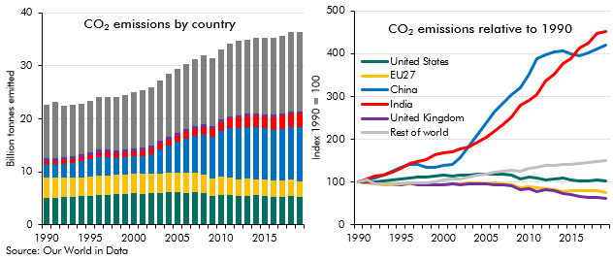

 | Emissions by country | 1990 | 1991 | 1992 | 1993 | 1994 | 1995 | 1996 | 1997 | 1998 | 1999 | 2000 | 2001 | 2002 | 2003 | 2004 | 2005 | 2006 | 2007 | 2008 | 2009 | 2010 | 2011 | 2012 | 2013 | 2014 | 2015 | 2016 | 2017 | 2018 | 2019
 | China | 2.4 | 2.5 | 2.7 | 2.8 | 3.0 | 3.3 | 3.4 | 3.4 | 3.3 | 3.3 | 3.3 | 3.4 | 3.8 | 4.5 | 5.1 | 5.8 | 6.4 | 6.9 | 7.4 | 7.8 | 8.5 | 9.4 | 9.6 | 9.8 | 9.8 | 9.7 | 9.6 | 9.8 | 10.0 | 10.2
 | EU27 | 3.9 | 3.8 | 3.7 | 3.6 | 3.6 | 3.6 | 3.7 | 3.7 | 3.7 | 3.6 | 3.6 | 3.7 | 3.7 | 3.8 | 3.8 | 3.7 | 3.8 | 3.7 | 3.6 | 3.3 | 3.4 | 3.3 | 3.3 | 3.2 | 3.0 | 3.1 | 3.1 | 3.1 | 3.1 | 2.9
 | India | 0.6 | 0.6 | 0.7 | 0.7 | 0.7 | 0.8 | 0.8 | 0.9 | 0.9 | 1.0 | 1.0 | 1.0 | 1.0 | 1.1 | 1.1 | 1.2 | 1.3 | 1.4 | 1.5 | 1.6 | 1.7 | 1.8 | 1.9 | 2.0 | 2.2 | 2.3 | 2.4 | 2.5 | 2.6 | 2.6
 | United Kingdom | 0.6 | 0.6 | 0.6 | 0.6 | 0.6 | 0.6 | 0.6 | 0.6 | 0.6 | 0.6 | 0.6 | 0.6 | 0.6 | 0.6 | 0.6 | 0.6 | 0.6 | 0.6 | 0.5 | 0.5 | 0.5 | 0.5 | 0.5 | 0.5 | 0.4 | 0.4 | 0.4 | 0.4 | 0.4 | 0.4
 | United States | 5.1 | 5.1 | 5.2 | 5.3 | 5.4 | 5.4 | 5.6 | 5.7 | 5.8 | 5.8 | 6.0 | 5.9 | 5.9 | 6.0 | 6.1 | 6.1 | 6.1 | 6.1 | 5.9 | 5.5 | 5.7 | 5.6 | 5.4 | 5.5 | 5.6 | 5.4 | 5.3 | 5.3 | 5.4 | 5.3
 | Rest of world | 10.1 | 10.5 | 9.7 | 9.7 | 9.6 | 9.7 | 9.9 | 10.0 | 10.0 | 10.2 | 10.6 | 10.8 | 10.9 | 11.3 | 11.8 | 12.0 | 12.4 | 12.7 | 13.0 | 12.8 | 13.3 | 13.7 | 14.1 | 14.0 | 14.2 | 14.3 | 14.5 | 14.7 | 15.0 | 15.1
 | Emissions relative to 1990 | 1990 | 1991 | 1992 | 1993 | 1994 | 1995 | 1996 | 1997 | 1998 | 1999 | 2000 | 2001 | 2002 | 2003 | 2004 | 2005 | 2006 | 2007 | 2008 | 2009 | 2010 | 2011 | 2012 | 2013 | 2014 | 2015 | 2016 | 2017 | 2018 | 2019
 | China | 100.0 | 104.8 | 109.6 | 117.1 | 124.3 | 134.9 | 140.8 | 141.1 | 134.9 | 134.6 | 138.4 | 141.5 | 156.2 | 183.9 | 211.7 | 238.4 | 263.5 | 283.5 | 304.7 | 320.5 | 351.1 | 387.8 | 398.0 | 404.7 | 405.7 | 400.0 | 394.6 | 402.8 | 411.3 | 420.3
 | EU27 | 100.0 | 98.4 | 95.2 | 93.4 | 93.0 | 94.3 | 96.5 | 94.8 | 94.6 | 93.1 | 93.4 | 94.9 | 94.9 | 97.1 | 97.4 | 96.9 | 97.1 | 96.1 | 93.9 | 86.4 | 89.0 | 86.3 | 84.3 | 82.2 | 78.7 | 80.1 | 80.2 | 80.9 | 79.0 | 75.4
 | India | 100.0 | 106.5 | 113.4 | 117.2 | 123.9 | 131.7 | 142.8 | 148.6 | 151.7 | 164.5 | 169.1 | 171.5 | 176.8 | 183.1 | 194.5 | 204.9 | 217.7 | 234.7 | 252.7 | 278.7 | 290.0 | 305.2 | 335.5 | 351.4 | 377.5 | 389.4 | 413.4 | 424.6 | 447.8 | 452.1
 | United Kingdom | 100.0 | 101.3 | 98.8 | 96.4 | 95.8 | 94.4 | 98.0 | 93.7 | 94.6 | 93.4 | 94.5 | 96.0 | 93.3 | 95.2 | 95.5 | 94.9 | 94.5 | 93.1 | 90.7 | 82.3 | 85.3 | 78.2 | 81.2 | 79.6 | 73.1 | 70.4 | 66.5 | 64.6 | 63.3 | 61.6
 | United States | 100.0 | 99.0 | 101.1 | 103.0 | 104.9 | 106.1 | 109.7 | 111.2 | 112.1 | 113.7 | 117.0 | 115.1 | 115.9 | 116.8 | 119.1 | 119.6 | 118.0 | 119.5 | 115.6 | 107.1 | 111.1 | 108.5 | 104.7 | 107.5 | 108.5 | 105.5 | 103.2 | 102.4 | 105.8 | 103.0
 | Rest of world | 100.0 | 104.2 | 95.8 | 96.0 | 94.7 | 95.5 | 97.7 | 98.8 | 98.9 | 101.3 | 105.1 | 106.6 | 108.2 | 112.3 | 116.5 | 118.9 | 122.4 | 125.4 | 128.7 | 126.4 | 131.7 | 135.5 | 139.3 | 138.5 | 140.5 | 142.0 | 143.4 | 145.7 | 148.6 | 149.3

C3.9
Back to contents
 | Chart 3.9: Reduction in territorial CO2 emissions between 1990 and 2019

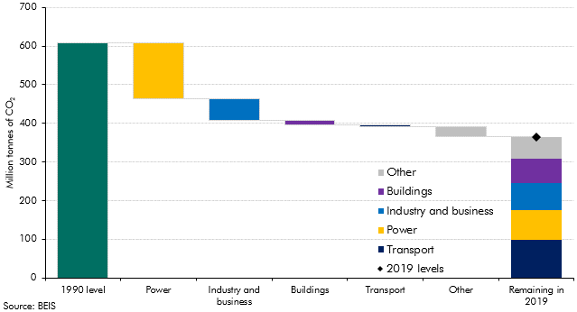

 |  |  |  | Power | Industry and business | Buildings | Transport | Other | 2019 levels
 | 1990 level | 608.3
 | Power | 145.2 | 463.1
 | Industry and business | 56.2 | 406.9
 | Buildings | 11.8 | 395.1
 | Transport | 4.5 | 390.6
 | Other | 25.5 | 365.1
 | Remaining in 2019 |  |  | 76.9 | 70.9 | 61.9 | 98.1 | 57.2 | 365.1

C3.10
Back to contents
 | Chart 3.10: OECD environmental policy stringency index for the UK

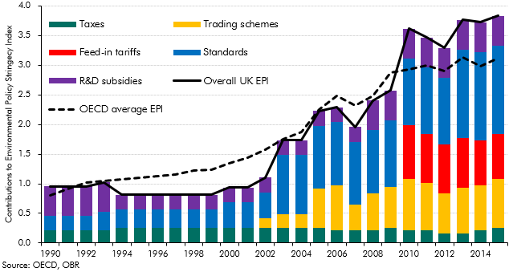

 |  | 1990 | 1991 | 1992 | 1993 | 1994 | 1995 | 1996 | 1997 | 1998 | 1999 | 2000 | 2001 | 2002 | 2003 | 2004 | 2005 | 2006 | 2007 | 2008 | 2009 | 2010 | 2011 | 2012 | 2013 | 2014 | 2015
 | Overall UK EPI | 1.0 | 1.0 | 1.0 | 1.0 | 0.8 | 0.8 | 0.8 | 0.8 | 0.8 | 0.8 | 0.9 | 0.9 | 1.1 | 1.7 | 1.7 | 2.2 | 2.3 | 2.0 | 2.4 | 2.6 | 3.6 | 3.5 | 3.3 | 3.8 | 3.7 | 3.8
 | Taxes | 0.2 | 0.2 | 0.2 | 0.2 | 0.3 | 0.3 | 0.3 | 0.3 | 0.3 | 0.3 | 0.3 | 0.3 | 0.3 | 0.3 | 0.3 | 0.3 | 0.2 | 0.2 | 0.2 | 0.3 | 0.2 | 0.2 | 0.2 | 0.2 | 0.2 | 0.3
 | Trading schemes | 0.0 | 0.0 | 0.0 | 0.0 | 0.0 | 0.0 | 0.0 | 0.0 | 0.0 | 0.0 | 0.0 | 0.0 | 0.2 | 0.2 | 0.2 | 0.7 | 0.8 | 0.4 | 0.6 | 0.7 | 0.9 | 0.8 | 0.7 | 0.8 | 0.8 | 0.8
 | Feed-in tariffs | 0.0 | 0.0 | 0.0 | 0.0 | 0.0 | 0.0 | 0.0 | 0.0 | 0.0 | 0.0 | 0.0 | 0.0 | 0.0 | 0.0 | 0.0 | 0.0 | 0.0 | 0.0 | 0.0 | 0.0 | 0.9 | 0.8 | 0.8 | 0.8 | 0.8 | 0.8
 | Standards | 0.3 | 0.3 | 0.3 | 0.3 | 0.3 | 0.3 | 0.3 | 0.3 | 0.3 | 0.3 | 0.4 | 0.4 | 0.4 | 1.0 | 1.0 | 1.1 | 1.1 | 1.1 | 1.1 | 1.1 | 1.1 | 1.1 | 1.1 | 1.5 | 1.5 | 1.5
 | R&D subsidies | 0.5 | 0.5 | 0.5 | 0.5 | 0.3 | 0.3 | 0.3 | 0.3 | 0.3 | 0.3 | 0.3 | 0.3 | 0.3 | 0.3 | 0.3 | 0.3 | 0.3 | 0.3 | 0.5 | 0.5 | 0.5 | 0.5 | 0.5 | 0.5 | 0.5 | 0.5
 | OECD average EPI | 0.8 | 0.9 | 1.0 | 1.0 | 1.1 | 1.1 | 1.1 | 1.2 | 1.2 | 1.2 | 1.3 | 1.4 | 1.6 | 1.7 | 1.9 | 2.2 | 2.5 | 2.3 | 2.5 | 2.9 | 2.9 | 3.0 | 2.9 | 3.1 | 3.0 | 3.1

C3.11
Back to contents
 | Chart 3.11: CCC balanced pathway for reduction in emissions by sector

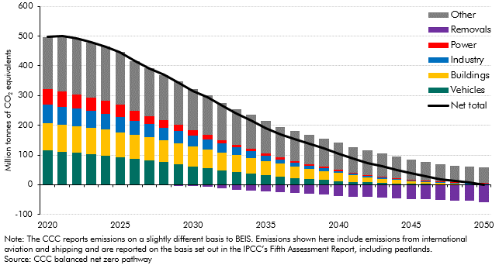

 |  | 2020 | 2021 | 2022 | 2023 | 2024 | 2025 | 2026 | 2027 | 2028 | 2029 | 2030 | 2031 | 2032 | 2033 | 2034 | 2035 | 2036 | 2037 | 2038 | 2039 | 2040 | 2041 | 2042 | 2043 | 2044 | 2045 | 2046 | 2047 | 2048 | 2049 | 2050
 | Vehicles | 115.7 | 111.0 | 107.7 | 103.4 | 98.4 | 91.9 | 86.7 | 81.2 | 75.5 | 69.1 | 61.8 | 55.4 | 49.1 | 43.3 | 37.7 | 32.2 | 27.3 | 22.9 | 19.0 | 15.5 | 12.3 | 9.8 | 7.7 | 5.9 | 4.4 | 3.4 | 2.7 | 2.0 | 1.5 | 1.0 | 0.9
 | Buildings | 92.5 | 91.3 | 90.0 | 88.3 | 86.6 | 84.4 | 81.7 | 78.4 | 74.3 | 70.4 | 66.4 | 63.2 | 59.8 | 55.9 | 51.5 | 47.2 | 43.1 | 39.1 | 35.0 | 30.9 | 26.6 | 22.1 | 18.1 | 14.4 | 11.2 | 8.5 | 6.0 | 3.7 | 1.8 | 1.4 | 1.1
 | Industry | 62.3 | 60.3 | 57.8 | 56.0 | 54.2 | 51.8 | 47.4 | 44.5 | 42.4 | 40.3 | 36.9 | 34.0 | 29.4 | 26.2 | 23.1 | 19.1 | 14.6 | 11.7 | 10.3 | 8.7 | 6.0 | 5.4 | 4.1 | 3.8 | 3.5 | 3.5 | 3.2 | 3.1 | 2.9 | 2.9 | 2.8
 | Power | 51.3 | 49.7 | 48.5 | 44.0 | 44.4 | 41.7 | 32.4 | 26.7 | 23.8 | 22.4 | 18.6 | 15.8 | 12.1 | 9.9 | 8.0 | 6.2 | 6.0 | 5.7 | 5.5 | 5.4 | 5.1 | 3.8 | 3.5 | 3.3 | 3.1 | 2.3 | 2.0 | 1.6 | 1.5 | 1.3 | 1.2
 | Removals | 0.0 | 0.0 | -0.1 | -0.1 | -0.1 | -0.1 | -0.1 | -1.2 | -1.2 | -3.8 | -4.8 | -6.6 | -11.3 | -16.5 | -19.8 | -22.5 | -24.8 | -27.3 | -29.8 | -32.4 | -36.8 | -39.7 | -41.8 | -43.5 | -45.5 | -47.2 | -49.2 | -50.8 | -52.6 | -54.6 | -58.3
 | Other | 175.5 | 186.3 | 188.1 | 186.9 | 180.9 | 175.6 | 168.5 | 161.3 | 153.5 | 144.9 | 137.4 | 131.7 | 125.5 | 119.8 | 114.9 | 108.8 | 104.1 | 100.3 | 97.3 | 94.9 | 91.3 | 86.1 | 82.1 | 77.2 | 71.9 | 67.3 | 63.2 | 59.3 | 57.0 | 54.4 | 51.3
 | Net total | 497.1 | 498.6 | 492.0 | 478.5 | 464.3 | 445.3 | 416.4 | 391.0 | 368.4 | 343.3 | 316.3 | 293.4 | 264.6 | 238.5 | 215.5 | 190.9 | 170.3 | 152.4 | 137.3 | 122.9 | 104.5 | 87.5 | 73.6 | 61.2 | 48.6 | 37.8 | 27.9 | 19.0 | 12.1 | 6.3 | -1.0

C3.12
Back to contents
 | Chart 3.12: Net cost by sector of reaching net zero in the CCC’s balanced pathway

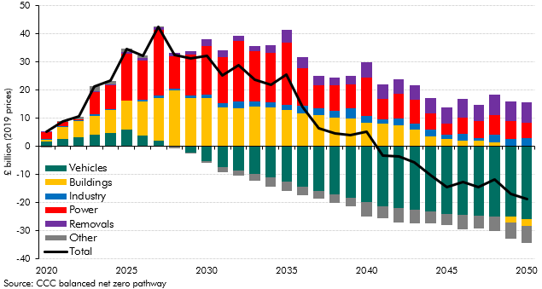

 |  | 2020 | 2021 | 2022 | 2023 | 2024 | 2025 | 2026 | 2027 | 2028 | 2029 | 2030 | 2031 | 2032 | 2033 | 2034 | 2035 | 2036 | 2037 | 2038 | 2039 | 2040 | 2041 | 2042 | 2043 | 2044 | 2045 | 2046 | 2047 | 2048 | 2049 | 2050
 | Vehicles | 1.6 | 2.5 | 3.3 | 4.1 | 4.8 | 6.0 | 3.7 | 2.1 | 0.2 | -2.2 | -5.2 | -7.3 | -8.6 | -9.9 | -11.1 | -12.6 | -14.5 | -15.9 | -17.2 | -18.4 | -19.8 | -21.2 | -22.0 | -22.6 | -23.1 | -24.0 | -24.4 | -24.6 | -24.8 | -25.1 | -25.9
 | Buildings | 0.7 | 4.4 | 5.7 | 6.8 | 8.0 | 10.1 | 12.1 | 15.1 | 19.6 | 17.3 | 17.1 | 13.7 | 13.6 | 14.0 | 13.9 | 12.8 | 11.8 | 11.2 | 10.3 | 10.0 | 8.4 | 8.2 | 7.4 | 6.0 | 3.4 | 2.6 | 2.1 | 1.9 | 1.4 | -2.0 | -2.3
 | Industry | 0.2 | 0.3 | 0.4 | 0.5 | 0.5 | 0.3 | 0.7 | 0.9 | 0.9 | 0.9 | 1.2 | 1.5 | 2.2 | 1.9 | 1.7 | 1.8 | 2.7 | 2.4 | 2.4 | 3.4 | 2.3 | 1.3 | 2.5 | 2.1 | 2.4 | 1.7 | 2.2 | 0.9 | 2.7 | 2.6 | 2.8
 | Power | 2.6 | 1.4 | 0.2 | 8.1 | 8.4 | 16.6 | 14.0 | 23.2 | 11.3 | 14.3 | 17.2 | 16.6 | 21.7 | 18.0 | 17.6 | 22.3 | 13.3 | 7.9 | 9.1 | 8.6 | 13.9 | 7.3 | 8.8 | 8.4 | 5.9 | 3.9 | 5.9 | 6.0 | 6.9 | 6.3 | 5.4
 | Removals | 0.1 | 0.1 | 0.1 | 0.2 | 0.3 | 0.4 | 1.0 | 0.8 | 1.1 | 1.2 | 2.5 | 2.4 | 1.9 | 1.9 | 2.8 | 4.5 | 3.8 | 3.6 | 2.8 | 3.1 | 5.4 | 5.3 | 5.0 | 5.1 | 5.5 | 5.6 | 6.5 | 5.9 | 7.3 | 7.1 | 7.5
 | Other | 0.0 | 0.1 | 0.9 | 1.7 | 1.3 | 1.2 | 0.7 | 0.3 | -0.7 | -0.3 | -0.8 | -1.7 | -1.8 | -2.2 | -3.2 | -3.4 | -3.0 | -2.7 | -2.9 | -2.9 | -5.0 | -4.3 | -5.2 | -4.7 | -4.2 | -4.1 | -5.0 | -4.6 | -5.3 | -5.7 | -6.3
 | Total | 5.2 | 8.9 | 10.6 | 21.2 | 23.3 | 34.6 | 32.2 | 42.5 | 32.4 | 31.2 | 32.0 | 25.1 | 28.9 | 23.6 | 21.8 | 25.5 | 14.1 | 6.5 | 4.5 | 3.8 | 5.2 | -3.4 | -3.5 | -5.7 | -10.2 | -14.4 | -12.7 | -14.4 | -11.9 | -16.9 | -18.7

C3.13
Back to contents
 | Chart 3.13: Whole of economy transition costs by sector over 30 years

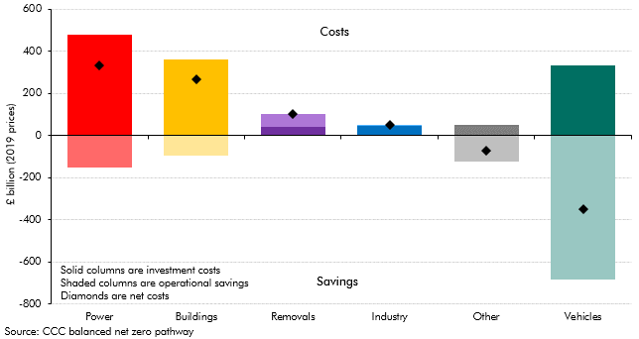

 |  | Power | Buildings | Removals | Industry | Other | Vehicles
 | Captial expenditure | 481.2 | 361.6 | 39.3 | 46.2 | 51.9 | 331.8
 | Operational expenditure | -150.1 | -96.3 | 61.5 | 3.9 | -125.7 | -683.8
 | Total | 331.1 | 265.3 | 100.8 | 50.1 | -73.7 | -352.0

C3.14
Back to contents
 | Chart 3.14: Surface transport: emissions reductions and whole economy net costs

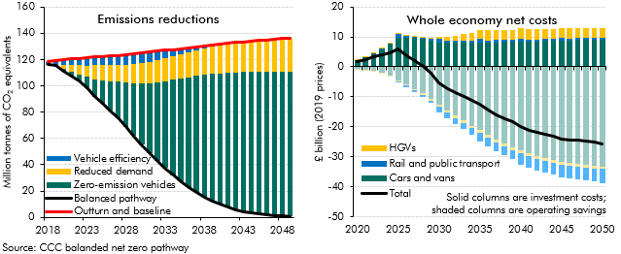

 | Emissions reductions | 2018 | 2019 | 2020 | 2021 | 2022 | 2023 | 2024 | 2025 | 2026 | 2027 | 2028 | 2029 | 2030 | 2031 | 2032 | 2033 | 2034 | 2035 | 2036 | 2037 | 2038 | 2039 | 2040 | 2041 | 2042 | 2043 | 2044 | 2045 | 2046 | 2047 | 2048 | 2049 | 2050
 | Outturn and baseline | 117.4 | 118.3 | 119.2 | 120.0 | 120.5 | 121.0 | 121.4 | 121.9 | 122.3 | 122.8 | 123.2 | 123.7 | 124.2 | 124.9 | 125.6 | 126.3 | 127.0 | 127.7 | 128.4 | 129.1 | 129.8 | 130.5 | 131.2 | 131.7 | 132.3 | 132.9 | 133.5 | 134.1 | 134.5 | 135.0 | 135.5 | 136.0 | 136.5
 | Balanced pathway | 115.6 | 116.0 | 115.7 | 111.0 | 107.7 | 103.4 | 98.4 | 91.9 | 86.7 | 81.2 | 75.5 | 69.1 | 61.8 | 55.4 | 49.1 | 43.3 | 37.7 | 32.2 | 27.3 | 22.9 | 19.0 | 15.5 | 12.3 | 9.8 | 7.7 | 5.9 | 4.4 | 3.4 | 2.7 | 2.0 | 1.5 | 1.0 | 0.9
 | Residual emissions | 115.6 | 116.0 | 115.7 | 111.0 | 107.7 | 103.4 | 98.4 | 91.9 | 86.7 | 81.2 | 75.5 | 69.1 | 61.8 | 55.4 | 49.1 | 43.3 | 37.7 | 32.2 | 27.3 | 22.9 | 19.0 | 15.5 | 12.3 | 9.8 | 7.7 | 5.9 | 4.4 | 3.4 | 2.7 | 2.0 | 1.5 | 1.0 | 0.9
 | Vehicle efficiency | 1.4 | 1.8 | 2.4 | 4.2 | 4.7 | 5.4 | 5.9 | 6.3 | 6.5 | 6.8 | 7.1 | 7.6 | 7.8 | 7.7 | 7.5 | 6.9 | 6.2 | 5.3 | 4.4 | 3.5 | 2.7 | 2.0 | 1.5 | 1.2 | 1.0 | 0.7 | 0.6 | 0.5 | 0.4 | 0.4 | 0.4 | 0.4 | 0.4
 | Reduced demand | 0.0 | 0.0 | 0.0 | 2.6 | 4.7 | 6.7 | 8.7 | 10.7 | 11.5 | 12.2 | 13.0 | 13.7 | 14.5 | 15.2 | 15.8 | 16.5 | 17.2 | 17.8 | 18.3 | 18.9 | 19.4 | 20.0 | 20.5 | 21.0 | 21.5 | 21.9 | 22.4 | 22.9 | 23.3 | 23.8 | 24.2 | 24.6 | 25.1
 | Zero-emission vehicles | 0.4 | 0.6 | 1.1 | 2.0 | 3.5 | 5.5 | 8.5 | 13.0 | 17.7 | 22.5 | 27.6 | 33.2 | 40.1 | 46.6 | 53.2 | 59.6 | 66.0 | 72.5 | 78.4 | 83.8 | 88.7 | 93.0 | 96.9 | 99.7 | 102.2 | 104.3 | 106.0 | 107.2 | 108.1 | 108.8 | 109.4 | 110.0 | 110.2
 | Whole economy net costs |  |  | 2020 | 2021 | 2022 | 2023 | 2024 | 2025 | 2026 | 2027 | 2028 | 2029 | 2030 | 2031 | 2032 | 2033 | 2034 | 2035 | 2036 | 2037 | 2038 | 2039 | 2040 | 2041 | 2042 | 2043 | 2044 | 2045 | 2046 | 2047 | 2048 | 2049 | 2050

 | Additional capital investment by subsector
 | Cars and vans |  |  | 2.2 | 3.3 | 4.5 | 5.9 | 7.7 | 9.9 | 9.8 | 9.6 | 9.2 | 8.7 | 7.9 | 8.0 | 8.1 | 8.2 | 8.2 | 8.2 | 8.2 | 8.2 | 8.3 | 8.3 | 8.3 | 8.4 | 8.5 | 8.6 | 8.7 | 8.8 | 8.9 | 8.9 | 9.0 | 9.0 | 9.1
 | HGVs |  |  | 0.1 | 0.2 | 0.2 | 0.2 | 0.2 | 0.2 | 0.3 | 0.3 | 0.4 | 0.5 | 0.9 | 1.2 | 1.6 | 2.1 | 2.6 | 3.2 | 3.3 | 3.3 | 3.4 | 3.4 | 3.4 | 3.4 | 3.4 | 3.4 | 3.4 | 3.3 | 3.3 | 3.3 | 3.3 | 3.3 | 3.3
 | Rail and public transport |  |  | 0.0 | 0.1 | 0.1 | 0.1 | 0.2 | 1.0 | 0.4 | 0.5 | 0.5 | 0.6 | 1.3 | 0.6 | 0.6 | 0.6 | 0.7 | 1.1 | 0.7 | 0.7 | 0.7 | 0.7 | 1.3 | 0.7 | 0.7 | 0.7 | 0.7 | 0.8 | 0.7 | 0.7 | 0.7 | 0.7 | 0.5
 | Additional operational cost by subsector
 | Cars and Vans |  |  | -0.6 | -0.9 | -1.4 | -2.1 | -3.1 | -4.5 | -5.9 | -7.3 | -8.9 | -10.8 | -12.7 | -14.5 | -16.2 | -17.9 | -19.6 | -21.1 | -22.7 | -24.2 | -25.5 | -26.8 | -27.9 | -28.8 | -29.7 | -30.5 | -31.2 | -31.6 | -32.0 | -32.3 | -32.7 | -33.1 | -33.2
 | HGVs |  |  | 0.0 | -0.1 | -0.1 | -0.1 | -0.2 | -0.2 | -0.3 | -0.4 | -0.5 | -0.6 | -0.7 | -0.8 | -0.8 | -0.9 | -0.9 | -0.9 | -0.9 | -0.9 | -0.9 | -1.0 | -1.0 | -1.0 | -1.0 | -1.0 | -1.0 | -1.0 | -0.9 | -0.9 | -0.9 | -0.9 | -0.9
 | Rail and public transport |  |  | 0.0 | 0.0 | 0.0 | 0.0 | 0.0 | -0.4 | -0.5 | -0.6 | -0.6 | -0.6 | -1.9 | -1.9 | -2.0 | -2.0 | -2.0 | -3.0 | -3.0 | -3.0 | -3.0 | -2.9 | -3.9 | -3.9 | -3.9 | -3.8 | -3.8 | -4.4 | -4.3 | -4.2 | -4.2 | -4.1 | -4.7
 | Total |  |  | 1.6 | 2.5 | 3.3 | 4.1 | 4.8 | 6.0 | 3.7 | 2.1 | 0.2 | -2.2 | -5.2 | -7.3 | -8.6 | -9.9 | -11.1 | -12.6 | -14.5 | -15.9 | -17.2 | -18.4 | -19.8 | -21.2 | -22.0 | -22.6 | -23.1 | -24.0 | -24.4 | -24.6 | -24.8 | -25.1 | -25.9

C3.A
Back to contents
 | Chart 3.A: New car registrations and total car stock by power type

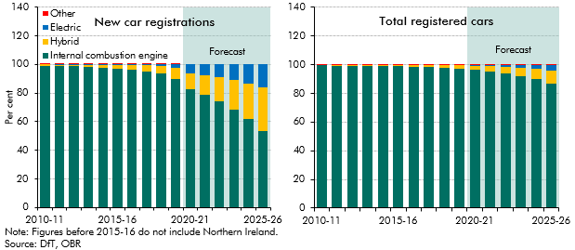

 |  | New car registrations |  |  |  |  | Total registered cars
 |  | Internal combustion engine | Hybrid | Electric | Other |  | Internal combustion engine | Hybrid | Electric | Other
 | 2010-11 | 98.8 | 1.2 | 0.0 | 0.0 | 2010-11 | 99.5 | 0.3 | 0.0 | 0.2
 | 2011-12 | 98.7 | 1.2 | 0.1 | 0.0 | 2011-12 | 99.4 | 0.4 | 0.0 | 0.2
 | 2012-13 | 98.7 | 1.2 | 0.1 | 0.0 | 2012-13 | 99.4 | 0.5 | 0.0 | 0.2
 | 2013-14 | 98.4 | 1.4 | 0.2 | 0.0 | 2013-14 | 99.3 | 0.6 | 0.0 | 0.2
 | 2014-15 | 97.6 | 2.0 | 0.4 | 0.0 | 2014-15 | 99.1 | 0.7 | 0.1 | 0.1
 | 2015-16 | 97.1 | 2.5 | 0.5 | 0.0 | 2015-16 | 98.9 | 0.9 | 0.1 | 0.1
 | 2016-17 | 96.4 | 3.0 | 0.5 | 0.0 | 2016-17 | 98.7 | 1.1 | 0.1 | 0.1
 | 2017-18 | 94.9 | 4.4 | 0.6 | 0.0 | 2017-18 | 98.4 | 1.4 | 0.2 | 0.1
 | 2018-19 | 93.5 | 5.7 | 0.8 | 0.0 | 2018-19 | 97.9 | 1.7 | 0.2 | 0.1
 | 2019-20 | 90.1 | 7.5 | 2.4 | 0.0 | 2019-20 | 97.4 | 2.2 | 0.4 | 0.1
 | 2020-21 | 82.5 | 11.3 | 6.2 | 0.0 | 2020-21 | 96.6 | 2.7 | 0.6 | 0.0
 | 2021-22 | 78.7 | 13.8 | 7.5 | 0.0 | 2021-22 | 95.4 | 3.5 | 1.1 | 0.0
 | 2022-23 | 74.1 | 16.9 | 9.0 | 0.0 | 2022-23 | 93.9 | 4.5 | 1.6 | 0.0
 | 2023-24 | 68.5 | 20.7 | 10.9 | 0.0 | 2023-24 | 92.0 | 5.7 | 2.3 | 0.0
 | 2024-25 | 61.6 | 25.3 | 13.1 | 0.0 | 2024-25 | 89.8 | 7.2 | 3.1 | 0.0
 | 2025-26 | 53.3 | 31.0 | 15.7 | 0.0 | 2025-26 | 87.0 | 9.0 | 4.0 | 0.0

C3.B
Back to contents
 | Chart 3.B: Successive assumptions for electric vehicles as a share of new car sales

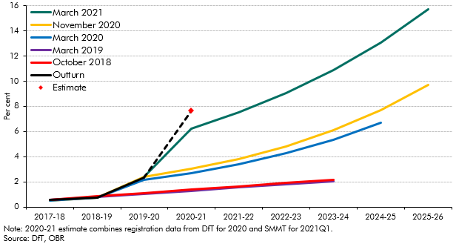

 |  | 2017-18 | 2018-19 | 2019-20 | 2020-21 | 2021-22 | 2022-23 | 2023-24 | 2024-25 | 2025-26
 | March 2021 |  |  | 2.4% | 6.2% | 7.5% | 9.0% | 10.9% | 13.1% | 15.7%
 | November 2020 | 0.5% | 0.7% | 2.4% | 3.0% | 3.8% | 4.8% | 6.1% | 7.7% | 9.7%
 | March 2020 | 0.5% | 0.7% | 2.2% | 2.7% | 3.4% | 4.3% | 5.3% | 6.7%
 | March 2019 | 0.6% | 0.8% | 1.0% | 1.3% | 1.5% | 1.8% | 2.1%
 | October 2018 | 0.6% | 0.8% | 1.1% | 1.4% | 1.6% | 1.9% | 2.2%
 | Outturn | 0.5% | 0.7% | 2.4%
 | Estimate |  |  |  | 7.6%

C3.15
Back to contents
 | Chart 3.15: Buildings sector: emissions reductions and whole economy net costs

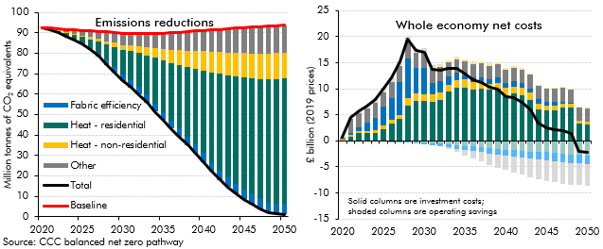

 | Emissions reductions | 2020 | 2021 | 2022 | 2023 | 2024 | 2025 | 2026 | 2027 | 2028 | 2029 | 2030 | 2031 | 2032 | 2033 | 2034 | 2035 | 2036 | 2037 | 2038 | 2039 | 2040 | 2041 | 2042 | 2043 | 2044 | 2045 | 2046 | 2047 | 2048 | 2049 | 2050
 | Blank for plotting | 92.5 | 91.3 | 90.0 | 88.3 | 86.6 | 84.4 | 81.7 | 78.4 | 74.3 | 70.4 | 66.4 | 63.2 | 59.8 | 55.9 | 51.5 | 47.2 | 43.1 | 39.1 | 35.0 | 30.9 | 26.6 | 22.1 | 18.1 | 14.4 | 11.2 | 8.5 | 6.0 | 3.7 | 1.8 | 1.4 | 1.1
 | Heat - residential | 0.1 | 0.4 | 0.9 | 1.4 | 2.0 | 2.8 | 3.9 | 5.4 | 7.5 | 9.8 | 12.1 | 14.3 | 16.7 | 19.3 | 22.2 | 25.1 | 28.2 | 31.1 | 34.2 | 37.3 | 40.6 | 44.1 | 47.3 | 50.1 | 52.5 | 54.7 | 56.6 | 58.6 | 60.5 | 61.1 | 61.5
 | Heat - non-residential | 0.2 | 0.2 | 0.3 | 0.3 | 0.5 | 0.7 | 0.9 | 1.3 | 1.6 | 2.0 | 2.4 | 2.8 | 3.3 | 4.0 | 4.8 | 5.6 | 6.4 | 7.1 | 7.9 | 8.6 | 9.3 | 10.0 | 10.6 | 11.1 | 11.7 | 12.0 | 12.2 | 12.4 | 12.5 | 12.6 | 12.7
 | Fabric efficiency | 0.0 | 0.0 | 0.1 | 0.3 | 0.5 | 0.9 | 1.2 | 1.8 | 2.5 | 2.8 | 3.2 | 3.4 | 3.6 | 3.8 | 3.9 | 4.0 | 4.1 | 4.1 | 4.2 | 4.3 | 4.4 | 4.5 | 4.6 | 4.7 | 4.8 | 4.9 | 4.9 | 5.0 | 5.0 | 5.0 | 5.0
 | Other | 0.0 | 0.2 | 0.6 | 1.2 | 1.8 | 2.4 | 3.1 | 3.8 | 4.5 | 5.1 | 5.7 | 6.0 | 6.3 | 6.9 | 7.3 | 7.8 | 8.3 | 8.8 | 9.2 | 9.7 | 10.2 | 10.7 | 11.2 | 11.6 | 12.1 | 12.5 | 12.9 | 13.3 | 13.4 | 13.4 | 13.4
 | Total | 92.5 | 91.3 | 90.0 | 88.3 | 86.6 | 84.4 | 81.7 | 78.4 | 74.3 | 70.4 | 66.4 | 63.2 | 59.8 | 55.9 | 51.5 | 47.2 | 43.1 | 39.1 | 35.0 | 30.9 | 26.6 | 22.1 | 18.1 | 14.4 | 11.2 | 8.5 | 6.0 | 3.7 | 1.8 | 1.4 | 1.1
 | Baseline | 92.5 | 92.2 | 91.9 | 91.6 | 91.3 | 91.1 | 90.9 | 90.7 | 90.4 | 90.1 | 89.8 | 89.8 | 89.9 | 89.8 | 89.8 | 89.7 | 89.9 | 90.2 | 90.5 | 90.8 | 91.1 | 91.4 | 91.7 | 92.0 | 92.3 | 92.5 | 92.7 | 93.0 | 93.2 | 93.4 | 93.7
 | Total (for plotting) | 0.0 | 0.9 | 1.9 | 3.3 | 4.8 | 6.7 | 9.2 | 12.2 | 16.1 | 19.7 | 23.4 | 26.6 | 30.1 | 34.0 | 38.3 | 42.5 | 46.9 | 51.2 | 55.5 | 59.9 | 64.5 | 69.3 | 73.7 | 77.6 | 81.0 | 84.0 | 86.7 | 89.3 | 91.4 | 92.1 | 92.6
 | Whole economy net costs | 2020 | 2021 | 2022 | 2023 | 2024 | 2025 | 2026 | 2027 | 2028 | 2029 | 2030 | 2031 | 2032 | 2033 | 2034 | 2035 | 2036 | 2037 | 2038 | 2039 | 2040 | 2041 | 2042 | 2043 | 2044 | 2045 | 2046 | 2047 | 2048 | 2049 | 2050
 | Heat - residential | 0.1 | 0.8 | 1.4 | 1.5 | 1.6 | 2.3 | 3.3 | 4.2 | 6.7 | 7.6 | 7.7 | 7.5 | 7.9 | 9.5 | 10.2 | 10.2 | 9.9 | 10.0 | 9.8 | 10.0 | 8.8 | 9.1 | 8.8 | 7.9 | 6.1 | 5.9 | 5.9 | 6.3 | 6.4 | 3.2 | 3.1
 | Heat - non-residential | 0.0 | 0.4 | 0.4 | 0.4 | 0.5 | 0.6 | 0.7 | 0.8 | 1.5 | 1.4 | 1.3 | 1.4 | 1.3 | 1.3 | 1.5 | 1.6 | 1.4 | 1.4 | 1.2 | 1.2 | 1.3 | 1.3 | 1.3 | 1.4 | 1.1 | 0.9 | 0.8 | 0.9 | 0.7 | 0.7 | 0.7
 | Fabric efficiency | 0.0 | 0.5 | 0.9 | 1.6 | 2.4 | 3.6 | 4.2 | 6.3 | 7.5 | 5.0 | 5.1 | 2.2 | 2.2 | 1.6 | 1.4 | 0.8 | 0.8 | 0.9 | 0.9 | 0.9 | 0.9 | 0.9 | 0.9 | 0.8 | 0.8 | 0.7 | 0.7 | 0.3 | 0.2 | 0.0 | 0.0
 | Other | 0.5 | 2.6 | 2.6 | 2.6 | 2.8 | 2.8 | 3.0 | 3.1 | 3.2 | 2.8 | 2.8 | 2.7 | 2.7 | 2.7 | 2.6 | 2.6 | 2.6 | 2.6 | 2.6 | 2.6 | 2.6 | 2.6 | 2.6 | 2.6 | 2.6 | 2.6 | 2.6 | 2.6 | 2.5 | 2.5 | 2.5
 | Heat - res | 0.0 | 0.0 | 0.0 | 0.0 | 0.0 | 0.0 | 0.0 | -0.1 | -0.2 | -0.2 | -0.3 | -0.4 | -0.5 | -0.7 | -0.8 | -1.0 | -1.1 | -1.3 | -1.4 | -1.6 | -1.7 | -1.8 | -1.9 | -2.0 | -2.1 | -2.2 | -2.3 | -2.5 | -2.6 | -2.7 | -2.8
 | Heat - non-res | 0.0 | 0.0 | 0.0 | 0.0 | 0.0 | 0.1 | 0.1 | 0.2 | 0.2 | 0.2 | 0.3 | 0.3 | 0.4 | 0.4 | 0.4 | 0.4 | 0.4 | 0.4 | 0.4 | 0.4 | 0.3 | 0.3 | 0.2 | 0.2 | 0.2 | 0.1 | 0.1 | 0.1 | 0.1 | 0.1 | 0.1
 | Fabric efficiency | 0.0 | 0.0 | 0.0 | 0.0 | 0.0 | 0.0 | -0.1 | -0.1 | -0.2 | -0.3 | -0.3 | -0.4 | -0.5 | -0.6 | -0.7 | -0.8 | -0.8 | -0.9 | -1.0 | -1.1 | -1.2 | -1.3 | -1.4 | -1.4 | -1.5 | -1.6 | -1.6 | -1.6 | -1.7 | -1.7 | -1.7
 | Other | 0.1 | 0.2 | 0.4 | 0.6 | 0.7 | 0.8 | 0.8 | 0.8 | 0.7 | 0.7 | 0.6 | 0.4 | 0.1 | -0.3 | -0.7 | -1.1 | -1.5 | -1.8 | -2.1 | -2.4 | -2.7 | -3.0 | -3.3 | -3.5 | -3.7 | -3.9 | -4.0 | -4.2 | -4.2 | -4.2 | -4.2
 | Total | 0.7 | 4.4 | 5.7 | 6.8 | 8.0 | 10.1 | 12.1 | 15.1 | 19.6 | 17.3 | 17.1 | 13.7 | 13.6 | 14.0 | 13.9 | 12.8 | 11.8 | 11.2 | 10.3 | 10.0 | 8.4 | 8.2 | 7.4 | 6.0 | 3.4 | 2.6 | 2.1 | 1.9 | 1.4 | -2.0 | -2.3

C3.16
Back to contents
 | Chart 3.16: Electricity supply: emissions reductions and whole economy net costs

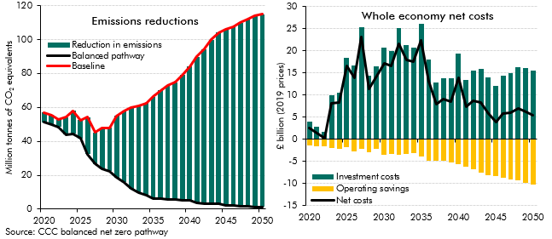

 | Emissions reductions | 2020 | 2021 | 2022 | 2023 | 2024 | 2025 | 2026 | 2027 | 2028 | 2029 | 2030 | 2031 | 2032 | 2033 | 2034 | 2035 | 2036 | 2037 | 2038 | 2039 | 2040 | 2041 | 2042 | 2043 | 2044 | 2045 | 2046 | 2047 | 2048 | 2049 | 2050
 | Reduction in emissions | 5.7 | 5.8 | 4.2 | 10.1 | 13.5 | 10.7 | 21.8 | 18.5 | 24.1 | 25.7 | 36.4 | 42.3 | 47.8 | 51.0 | 54.6 | 60.1 | 64.1 | 67.2 | 69.3 | 73.6 | 79.0 | 86.0 | 90.9 | 96.6 | 101.0 | 103.9 | 105.5 | 108.3 | 110.7 | 112.5 | 113.8
 | Balanced pathway | 51.3 | 49.7 | 48.5 | 44.0 | 44.4 | 41.7 | 32.4 | 26.7 | 23.8 | 22.4 | 18.6 | 15.8 | 12.1 | 9.9 | 8.0 | 6.2 | 6.0 | 5.7 | 5.5 | 5.4 | 5.1 | 3.8 | 3.5 | 3.3 | 3.1 | 2.3 | 2.0 | 1.6 | 1.5 | 1.3 | 1.2
 | Baseline | 57.0 | 55.5 | 52.7 | 54.1 | 57.9 | 52.4 | 54.2 | 45.2 | 47.8 | 48.1 | 55.0 | 58.0 | 59.9 | 60.9 | 62.6 | 66.3 | 70.1 | 72.8 | 74.8 | 79.0 | 84.1 | 89.8 | 94.4 | 100.0 | 104.1 | 106.1 | 107.5 | 109.9 | 112.1 | 113.9 | 115.0
 | Residual emissions | 51.3 | 49.7 | 48.5 | 44.0 | 44.4 | 41.7 | 32.4 | 26.7 | 23.8 | 22.4 | 18.6 | 15.8 | 12.1 | 9.9 | 8.0 | 6.2 | 6.0 | 5.7 | 5.5 | 5.4 | 5.1 | 3.8 | 3.5 | 3.3 | 3.1 | 2.3 | 2.0 | 1.6 | 1.5 | 1.3 | 1.2
 | Whole economy net costs | 2020 | 2021 | 2022 | 2023 | 2024 | 2025 | 2026 | 2027 | 2028 | 2029 | 2030 | 2031 | 2032 | 2033 | 2034 | 2035 | 2036 | 2037 | 2038 | 2039 | 2040 | 2041 | 2042 | 2043 | 2044 | 2045 | 2046 | 2047 | 2048 | 2049 | 2050
 | Investment costs | 4.1 | 2.9 | 1.7 | 10.0 | 10.6 | 18.4 | 16.6 | 25.3 | 14.3 | 16.5 | 20.7 | 19.9 | 25.2 | 21.3 | 20.8 | 26.2 | 18.1 | 12.8 | 13.9 | 13.8 | 19.5 | 13.5 | 15.5 | 15.9 | 14.0 | 12.2 | 14.5 | 15.0 | 16.3 | 16.2 | 15.6
 | Operating savings | -1.5 | -1.5 | -1.5 | -1.9 | -2.2 | -1.8 | -2.6 | -2.1 | -3.0 | -2.1 | -3.5 | -3.4 | -3.5 | -3.3 | -3.1 | -3.9 | -4.8 | -4.9 | -4.8 | -5.2 | -5.7 | -6.2 | -6.7 | -7.5 | -8.1 | -8.3 | -8.6 | -9.0 | -9.3 | -9.9 | -10.2
 | Net costs | 2.6 | 1.4 | 0.2 | 8.1 | 8.4 | 16.6 | 14.0 | 23.2 | 11.3 | 14.3 | 17.2 | 16.6 | 21.7 | 18.0 | 17.6 | 22.3 | 13.3 | 7.9 | 9.1 | 8.6 | 13.9 | 7.3 | 8.8 | 8.4 | 5.9 | 3.9 | 5.9 | 6.0 | 6.9 | 6.3 | 5.4

C3.17
Back to contents
 | Chart 3.17: Industry sector: reduction in emissions and whole economy net costs

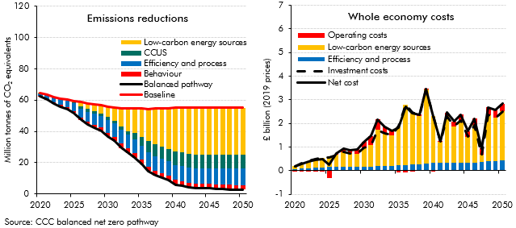

 | Emissions reductions | 2020 | 2021 | 2022 | 2023 | 2024 | 2025 | 2026 | 2027 | 2028 | 2029 | 2030 | 2031 | 2032 | 2033 | 2034 | 2035 | 2036 | 2037 | 2038 | 2039 | 2040 | 2041 | 2042 | 2043 | 2044 | 2045 | 2046 | 2047 | 2048 | 2049 | 2050
 | Behaviour | 0.4 | 0.5 | 0.7 | 0.9 | 1.1 | 1.3 | 1.5 | 1.7 | 1.9 | 2.2 | 2.4 | 2.6 | 2.9 | 2.8 | 2.8 | 2.8 | 2.8 | 2.8 | 2.8 | 2.9 | 2.9 | 2.9 | 2.9 | 2.9 | 2.9 | 2.9 | 2.9 | 2.9 | 2.9 | 2.9 | 2.9
 | Efficiency and process | 1.7 | 2.4 | 3.2 | 3.9 | 4.6 | 5.2 | 5.8 | 6.4 | 7.0 | 7.5 | 8.1 | 8.4 | 8.8 | 8.8 | 8.8 | 8.9 | 9.3 | 9.4 | 9.5 | 9.6 | 9.7 | 9.8 | 9.8 | 9.9 | 9.9 | 10.0 | 10.1 | 10.2 | 10.3 | 10.5 | 10.6
 | Low-carbon energy sources | 0.2 | 0.2 | 0.3 | 0.4 | 0.5 | 1.0 | 2.6 | 3.6 | 4.3 | 5.1 | 6.8 | 8.5 | 12.1 | 14.8 | 15.8 | 18.0 | 20.7 | 22.8 | 24.4 | 26.1 | 27.9 | 28.3 | 29.5 | 29.7 | 30.0 | 30.0 | 30.1 | 30.0 | 30.0 | 30.0 | 30.0
 | CCUS | 0.0 | 0.0 | 0.0 | 0.0 | 0.0 | 0.2 | 1.5 | 1.7 | 1.7 | 1.7 | 1.9 | 1.8 | 1.8 | 2.1 | 4.0 | 5.7 | 7.0 | 7.8 | 7.8 | 7.8 | 8.6 | 8.7 | 8.8 | 8.8 | 8.8 | 8.8 | 8.9 | 8.9 | 9.0 | 8.9 | 8.9
 | Baseline | 64.5 | 63.6 | 62.1 | 61.2 | 60.3 | 59.6 | 58.8 | 57.9 | 57.3 | 56.7 | 56.0 | 55.5 | 55.0 | 54.7 | 54.6 | 54.5 | 54.5 | 54.6 | 54.8 | 55.0 | 55.0 | 55.0 | 55.0 | 55.1 | 55.1 | 55.1 | 55.1 | 55.1 | 55.1 | 55.1 | 55.2
 | Residual emissions | 62.3 | 60.3 | 57.8 | 56.0 | 54.2 | 51.8 | 47.4 | 44.5 | 42.4 | 40.3 | 36.9 | 34.0 | 29.4 | 26.2 | 23.1 | 19.1 | 14.6 | 11.7 | 10.3 | 8.7 | 6.0 | 5.4 | 4.1 | 3.8 | 3.5 | 3.5 | 3.2 | 3.1 | 2.9 | 2.9 | 2.8
 | Balanced pathway | 62.3 | 60.3 | 57.8 | 56.0 | 54.2 | 51.8 | 47.4 | 44.5 | 42.4 | 40.3 | 36.9 | 34.0 | 29.4 | 26.2 | 23.1 | 19.1 | 14.6 | 11.7 | 10.3 | 8.7 | 6.0 | 5.4 | 4.1 | 3.8 | 3.5 | 3.5 | 3.2 | 3.1 | 2.9 | 2.9 | 2.8
 | Whole economy net costs | 2020 | 2021 | 2022 | 2023 | 2024 | 2025 | 2026 | 2027 | 2028 | 2029 | 2030 | 2031 | 2032 | 2033 | 2034 | 2035 | 2036 | 2037 | 2038 | 2039 | 2040 | 2041 | 2042 | 2043 | 2044 | 2045 | 2046 | 2047 | 2048 | 2049 | 2050
 | Operating costs | 0.0 | 0.0 | 0.0 | 0.0 | 0.0 | -0.3 | 0.1 | 0.1 | 0.1 | 0.2 | 0.3 | 0.4 | 0.4 | 0.3 | 0.2 | -0.1 | -0.1 | 0.0 | 0.1 | 0.0 | 0.0 | 0.0 | 0.2 | 0.2 | 0.3 | 0.2 | 0.3 | 0.3 | 0.3 | 0.3 | 0.3
 | CCS | 0.0 | 0.0 | 0.0 | 0.0 | 0.0 | 0.0 | 0.5 | 0.2 | 0.0 | 0.0 | 0.2 | 0.0 | 0.0 | 0.2 | 0.9 | 1.0 | 0.8 | 0.5 | 0.0 | 0.0 | 0.3 | 0.1 | 0.1 | 0.0 | 0.0 | 0.0 | 0.2 | 0.0 | 0.1 | 0.0 | 0.1
 | Efficiency and process | 0.1 | 0.1 | 0.1 | 0.1 | 0.1 | 0.2 | 0.2 | 0.2 | 0.2 | 0.2 | 0.2 | 0.2 | 0.2 | 0.2 | 0.2 | 0.2 | 0.2 | 0.3 | 0.3 | 0.3 | 0.3 | 0.3 | 0.3 | 0.3 | 0.3 | 0.3 | 0.4 | 0.4 | 0.4 | 0.4 | 0.4
 | Low-carbon energy sources | 0.1 | 0.2 | 0.3 | 0.4 | 0.4 | 0.4 | 0.5 | 0.6 | 0.6 | 0.6 | 0.8 | 0.9 | 1.5 | 1.4 | 1.3 | 1.7 | 2.6 | 2.2 | 2.0 | 3.1 | 2.0 | 0.9 | 2.0 | 1.6 | 1.8 | 1.1 | 1.6 | 0.3 | 2.0 | 1.8 | 2.1
 | Investment costs | 0.2 | 0.3 | 0.4 | 0.5 | 0.5 | 0.6 | 0.7 | 0.8 | 0.7 | 0.7 | 1.0 | 1.1 | 1.7 | 1.6 | 1.5 | 1.9 | 2.8 | 2.5 | 2.3 | 3.4 | 2.3 | 1.2 | 2.3 | 1.9 | 2.1 | 1.4 | 1.9 | 0.7 | 2.4 | 2.2 | 2.5
 | Total | 0.2 | 0.3 | 0.4 | 0.5 | 0.5 | 0.3 | 0.7 | 0.9 | 0.9 | 0.9 | 1.2 | 1.5 | 2.2 | 1.9 | 1.7 | 1.8 | 2.7 | 2.4 | 2.4 | 3.4 | 2.3 | 1.3 | 2.5 | 2.1 | 2.4 | 1.7 | 2.2 | 0.9 | 2.7 | 2.6 | 2.8

C3.18
Back to contents
 | Chart 3.18: Negative emissions and whole economy costs from the removals sector

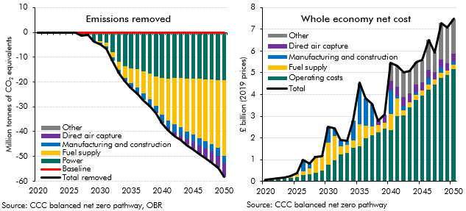

 | Emissions removed | 2020 | 2021 | 2022 | 2023 | 2024 | 2025 | 2026 | 2027 | 2028 | 2029 | 2030 | 2031 | 2032 | 2033 | 2034 | 2035 | 2036 | 2037 | 2038 | 2039 | 2040 | 2041 | 2042 | 2043 | 2044 | 2045 | 2046 | 2047 | 2048 | 2049 | 2050
 | Outturn and baseline | 0.0 | 0.0 | 0.0 | 0.0 | 0.0 | 0.0 | 0.0 | 0.0 | 0.0 | 0.0 | 0.0 | 0.0 | 0.0 | 0.0 | 0.0 | 0.0 | 0.0 | 0.0 | 0.0 | 0.0 | 0.0 | 0.0 | 0.0 | 0.0 | 0.0 | 0.0 | 0.0 | 0.0 | 0.0 | 0.0 | 0.0
 | Balanced pathway | 497.1 | 498.6 | 492.0 | 478.5 | 464.3 | 445.3 | 416.4 | 391.0 | 368.4 | 343.3 | 316.3 | 293.4 | 264.6 | 238.5 | 215.5 | 190.9 | 170.3 | 152.4 | 137.3 | 122.9 | 104.5 | 87.5 | 73.6 | 61.2 | 48.6 | 37.8 | 27.9 | 19.0 | 12.1 | 6.3 | -1.0
 | Biofuels | 0.0 | 0.0 | 0.0 | 0.0 | 0.0 | 0.0 | 0.0 | 0.0 | 0.0 | 0.0 | -0.2 | -0.3 | -0.4 | -1.1 | -1.8 | -2.5 | -3.2 | -4.0 | -4.7 | -5.5 | -6.3 | -6.5 | -6.7 | -6.9 | -7.1 | -7.3 | -7.5 | -7.7 | -7.9 | -8.1 | -8.3
 | Biomethane | 0.0 | 0.0 | 0.0 | 0.0 | 0.0 | 0.0 | 0.0 | 0.0 | 0.0 | 0.0 | 0.0 | -0.1 | -0.1 | -0.2 | -0.2 | -0.3 | -0.4 | -0.4 | -0.5 | -0.5 | -0.6 | -0.6 | -0.6 | -0.6 | -0.6 | -0.6 | -0.6 | -0.6 | -0.6 | -0.6 | -0.6
 | Energy-from-waste | 0.0 | 0.0 | 0.0 | 0.0 | 0.0 | 0.0 | 0.0 | 0.0 | 0.0 | 0.0 | 0.0 | 0.0 | 0.0 | 0.0 | 0.0 | 0.0 | 0.0 | 0.0 | 0.0 | 0.0 | -1.4 | -2.7 | -3.7 | -4.1 | -4.2 | -4.5 | -4.9 | -4.9 | -5.0 | -5.1 | -7.5
 | Hydrogen | 0.0 | 0.0 | 0.0 | 0.0 | 0.0 | 0.0 | 0.0 | 0.0 | 0.0 | 0.0 | -0.5 | -1.0 | -1.5 | -2.1 | -2.7 | -3.2 | -3.8 | -4.4 | -5.1 | -5.8 | -6.4 | -7.2 | -7.8 | -8.5 | -9.3 | -10.1 | -10.9 | -11.7 | -12.6 | -13.6 | -14.3
 | Manufacturing and construction | 0.0 | 0.0 | 0.0 | 0.0 | 0.0 | 0.0 | 0.0 | 0.0 | 0.0 | 0.0 | -0.5 | -0.9 | -1.1 | -1.1 | -1.1 | -1.8 | -2.2 | -2.5 | -2.5 | -2.5 | -3.1 | -3.1 | -3.1 | -3.1 | -3.1 | -3.1 | -3.1 | -3.1 | -3.1 | -3.1 | -3.1
 | Power | 0.0 | 0.0 | 0.0 | 0.0 | 0.0 | 0.0 | 0.0 | -1.0 | -1.0 | -3.6 | -3.4 | -4.2 | -7.9 | -11.8 | -13.7 | -14.4 | -14.9 | -15.7 | -16.7 | -17.7 | -18.4 | -18.5 | -18.4 | -18.4 | -18.7 | -18.7 | -18.8 | -18.9 | -19.0 | -19.3 | -19.1
 | Direct air capture | 0.0 | 0.0 | 0.0 | 0.0 | 0.0 | 0.0 | 0.0 | 0.0 | 0.0 | 0.0 | 0.0 | 0.0 | 0.0 | 0.0 | 0.0 | 0.0 | 0.0 | 0.0 | 0.0 | 0.0 | -0.3 | -0.8 | -1.2 | -1.7 | -2.2 | -2.7 | -3.1 | -3.6 | -4.1 | -4.5 | -5.0
 | Wood in construction | 0.0 | 0.0 | -0.1 | -0.1 | -0.1 | -0.1 | -0.1 | -0.1 | -0.1 | -0.2 | -0.2 | -0.2 | -0.2 | -0.2 | -0.2 | -0.2 | -0.3 | -0.3 | -0.3 | -0.3 | -0.3 | -0.3 | -0.3 | -0.4 | -0.4 | -0.4 | -0.4 | -0.4 | -0.4 | -0.4 | -0.4
 | Baseline | 0.0 | 0.0 | 0.0 | 0.0 | 0.0 | 0.0 | 0.0 | 0.0 | 0.0 | 0.0 | 0.0 | 0.0 | 0.0 | 0.0 | 0.0 | 0.0 | 0.0 | 0.0 | 0.0 | 0.0 | 0.0 | 0.0 | 0.0 | 0.0 | 0.0 | 0.0 | 0.0 | 0.0 | 0.0 | 0.0 | 0.0
 | Total removed | 0.0 | 0.0 | -0.1 | -0.1 | -0.1 | -0.1 | -0.1 | -1.2 | -1.2 | -3.8 | -4.8 | -6.6 | -11.3 | -16.5 | -19.8 | -22.5 | -24.8 | -27.3 | -29.8 | -32.4 | -36.8 | -39.7 | -41.8 | -43.5 | -45.5 | -47.2 | -49.2 | -50.8 | -52.6 | -54.6 | -58.3
 | Whole economy net cost | 2020 | 2021 | 2022 | 2023 | 2024 | 2025 | 2026 | 2027 | 2028 | 2029 | 2030 | 2031 | 2032 | 2033 | 2034 | 2035 | 2036 | 2037 | 2038 | 2039 | 2040 | 2041 | 2042 | 2043 | 2044 | 2045 | 2046 | 2047 | 2048 | 2049 | 2050
 | Additional capital investment by subsector
 | Direct air capture | 0.0 | 0.0 | 0.0 | 0.0 | 0.0 | 0.0 | 0.0 | 0.0 | 0.0 | 0.0 | 0.0 | 0.0 | 0.0 | 0.0 | 0.0 | 0.0 | 0.0 | 0.1 | 0.2 | 0.4 | 0.4 | 0.4 | 0.4 | 0.4 | 0.4 | 0.4 | 0.4 | 0.4 | 0.4 | 0.4 | 0.4
 | Fuel supply | 0.0 | 0.0 | 0.0 | 0.0 | 0.1 | 0.2 | 0.2 | 0.3 | 0.8 | 0.7 | 1.0 | 1.1 | 0.4 | 0.4 | 0.4 | 1.0 | 0.6 | 0.4 | 0.3 | 0.3 | 0.7 | 0.8 | 0.2 | 0.2 | 0.2 | 0.2 | 0.2 | 0.2 | 0.2 | 0.2 | 0.2
 | Manufacturing and construction | 0.0 | 0.0 | 0.0 | 0.0 | 0.0 | 0.0 | 0.5 | 0.2 | 0.0 | 0.0 | 0.7 | 0.4 | 0.3 | 0.2 | 0.9 | 1.9 | 1.3 | 1.0 | 0.0 | 0.0 | 1.1 | 0.1 | 0.2 | 0.0 | 0.1 | 0.0 | 0.3 | 0.0 | 0.3 | 0.0 | 0.1
 | Other | 0.0 | 0.0 | 0.0 | 0.0 | 0.0 | 0.0 | 0.0 | 0.0 | 0.0 | 0.0 | 0.0 | 0.0 | 0.0 | 0.0 | 0.0 | 0.0 | 0.0 | 0.0 | 0.0 | 0.0 | 0.8 | 1.0 | 1.1 | 1.0 | 1.0 | 1.0 | 1.4 | 0.9 | 1.7 | 1.6 | 1.6
 | Operating costs | 0.0 | 0.1 | 0.1 | 0.1 | 0.2 | 0.2 | 0.3 | 0.3 | 0.4 | 0.5 | 0.8 | 1.0 | 1.3 | 1.3 | 1.5 | 1.6 | 2.0 | 2.1 | 2.3 | 2.4 | 2.4 | 3.0 | 3.0 | 3.4 | 3.7 | 4.0 | 4.2 | 4.4 | 4.8 | 4.9 | 5.2
 | Total | 0.1 | 0.1 | 0.1 | 0.2 | 0.3 | 0.4 | 1.0 | 0.8 | 1.1 | 1.2 | 2.5 | 2.4 | 1.9 | 1.9 | 2.8 | 4.5 | 3.8 | 3.6 | 2.8 | 3.1 | 5.4 | 5.3 | 5.0 | 5.1 | 5.5 | 5.6 | 6.5 | 5.9 | 7.3 | 7.1 | 7.5

C3.19
Back to contents
 | Chart 3.19: Costs to public sector of the transition to net zero

 | Buildings | Vehicles | Power | Industry | Removals | Other | Central share | Low share | High share
2020 | 0.3 | 0.6 | 0.4 | 0.1 | 0.1 | 0.1 | 1.5 | 1 | 2
2021 | 2.0 | 0.9 | 0.3 | 0.2 | 0.1 | 0.3 | 3.7 | 2 | 5
2022 | 2.5 | 1.2 | 0.2 | 0.2 | 0.1 | 0.9 | 5.1 | 3 | 7
2023 | 2.9 | 1.5 | 0.9 | 0.3 | 0.2 | 1.6 | 7.3 | 5 | 10
2024 | 3.5 | 1.9 | 0.9 | 0.3 | 0.2 | 1.5 | 8.2 | 5 | 11
2025 | 4.5 | 3.0 | 1.4 | 0.3 | 0.3 | 1.4 | 10.9 | 7 | 15
2026 | 5.4 | 0.7 | 1.2 | 0.4 | 0.9 | 1.2 | 9.8 | 5 | 16
2027 | 6.8 | 0.8 | 1.6 | 0.4 | 0.7 | 1.3 | 11.7 | 5 | 20
2028 | 9.1 | 0.8 | 0.9 | 0.4 | 1.0 | 1.0 | 13.1 | 5 | 22
2029 | 8.2 | 0.8 | 0.9 | 0.4 | 1.0 | 1.7 | 12.9 | 6 | 22
2030 | 8.2 | 1.5 | 1.0 | 0.5 | 2.1 | 1.5 | 14.7 | 7 | 24
2031 | 6.8 | 1.2 | 1.0 | 0.5 | 2.0 | 1.1 | 12.5 | 6 | 21
2032 | 6.9 | 1.4 | 1.3 | 0.8 | 1.5 | 1.2 | 13.0 | 6 | 22
2033 | 7.2 | 1.6 | 1.1 | 0.7 | 1.5 | 1.1 | 13.2 | 5 | 22
2034 | 7.4 | 1.8 | 1.0 | 0.7 | 2.1 | 0.6 | 13.6 | 6 | 23
2035 | 7.1 | 2.3 | 1.3 | 0.8 | 3.4 | 0.6 | 15.5 | 7 | 26
2036 | 6.9 | 2.0 | 0.9 | 1.2 | 2.8 | 0.8 | 14.5 | 6 | 23
2037 | 6.8 | 1.9 | 0.6 | 1.0 | 2.5 | 1.1 | 14.0 | 6 | 22
2038 | 6.5 | 1.8 | 0.7 | 0.9 | 2.0 | 1.1 | 13.0 | 5 | 21
2039 | 6.6 | 1.7 | 0.7 | 1.3 | 2.1 | 1.2 | 13.7 | 5 | 23
2040 | 6.1 | 1.9 | 1.0 | 0.9 | 3.6 | 0.4 | 13.8 | 5 | 23
2041 | 6.2 | 1.5 | 0.7 | 0.4 | 3.5 | 0.7 | 13.0 | 5 | 21
2042 | 6.0 | 1.4 | 0.8 | 0.8 | 3.2 | 0.4 | 12.5 | 5 | 21
2043 | 5.5 | 1.3 | 0.8 | 0.6 | 3.1 | 0.6 | 12.0 | 5 | 20
2044 | 4.4 | 1.2 | 0.7 | 0.7 | 3.3 | 0.9 | 11.2 | 5 | 18
2045 | 4.2 | 1.2 | 0.6 | 0.4 | 3.3 | 0.9 | 10.6 | 4 | 17
2046 | 4.1 | 1.0 | 0.7 | 0.6 | 3.7 | 0.6 | 10.7 | 4 | 18
2047 | 4.1 | 1.0 | 0.7 | 0.2 | 3.3 | 0.9 | 10.1 | 4 | 17
2048 | 3.9 | 0.9 | 0.8 | 0.6 | 3.9 | 0.6 | 10.7 | 4 | 18
2049 | 2.4 | 0.8 | 0.8 | 0.6 | 3.7 | 0.5 | 8.8 | 4 | 15
2050 | 2.3 | 0.7 | 0.8 | 0.6 | 3.7 | 0.4 | 8.6 | 4 | 15
 | High share | Central share | Low share
2020
2021
2022
2023
2024
2025
2026
2027
2028
2029
2030
2031
2032
2033
2034
2035
2036
2037
2038
2039
2040
2041
2042
2043
2044
2045
2046
2047
2048
2049
2050

 |  | 2020 | 2021 | 2022 | 2023 | 2024 | 2025 | 2026 | 2027 | 2028 | 2029 | 2030 | 2031 | 2032 | 2033 | 2034 | 2035 | 2036 | 2037 | 2038 | 2039 | 2040 | 2041 | 2042 | 2043 | 2044 | 2045 | 2046 | 2047 | 2048 | 2049 | 2050
 | Vehicles | 0.6 | 0.9 | 1.2 | 1.5 | 1.9 | 3.0 | 0.7 | 0.8 | 0.8 | 0.8 | 1.5 | 1.2 | 1.4 | 1.6 | 1.8 | 2.3 | 2.0 | 1.9 | 1.8 | 1.7 | 1.9 | 1.5 | 1.4 | 1.3 | 1.2 | 1.2 | 1.0 | 1.0 | 0.9 | 0.8 | 0.7
 | Buildings | 0.3 | 2.0 | 2.5 | 2.9 | 3.5 | 4.5 | 5.4 | 6.8 | 9.1 | 8.2 | 8.2 | 6.8 | 6.9 | 7.2 | 7.4 | 7.1 | 6.9 | 6.8 | 6.5 | 6.6 | 6.1 | 6.2 | 6.0 | 5.5 | 4.4 | 4.2 | 4.1 | 4.1 | 3.9 | 2.4 | 2.3
 | Power | 0.4 | 0.3 | 0.2 | 0.9 | 0.9 | 1.4 | 1.2 | 1.6 | 0.9 | 0.9 | 1.0 | 1.0 | 1.3 | 1.1 | 1.0 | 1.3 | 0.9 | 0.6 | 0.7 | 0.7 | 1.0 | 0.7 | 0.8 | 0.8 | 0.7 | 0.6 | 0.7 | 0.7 | 0.8 | 0.8 | 0.8
 | Industry | 0.1 | 0.2 | 0.2 | 0.3 | 0.3 | 0.3 | 0.4 | 0.4 | 0.4 | 0.4 | 0.5 | 0.5 | 0.8 | 0.7 | 0.7 | 0.8 | 1.2 | 1.0 | 0.9 | 1.3 | 0.9 | 0.4 | 0.8 | 0.6 | 0.7 | 0.4 | 0.6 | 0.2 | 0.6 | 0.6 | 0.6
 | Removals | 0.1 | 0.1 | 0.1 | 0.2 | 0.2 | 0.3 | 0.9 | 0.7 | 1.0 | 1.0 | 2.1 | 2.0 | 1.5 | 1.5 | 2.1 | 3.4 | 2.8 | 2.5 | 2.0 | 2.1 | 3.6 | 3.5 | 3.2 | 3.1 | 3.3 | 3.3 | 3.7 | 3.3 | 3.9 | 3.7 | 3.7
 | Other | 0.1 | 0.3 | 0.9 | 1.6 | 1.5 | 1.4 | 1.2 | 1.3 | 1.0 | 1.7 | 1.5 | 1.1 | 1.2 | 1.1 | 0.6 | 0.6 | 0.8 | 1.1 | 1.1 | 1.2 | 0.4 | 0.7 | 0.4 | 0.6 | 0.9 | 0.9 | 0.6 | 0.9 | 0.6 | 0.5 | 0.4
 | Central share | 1.5 | 3.7 | 5.1 | 7.3 | 8.2 | 10.9 | 9.8 | 11.7 | 13.1 | 12.9 | 14.7 | 12.5 | 13.0 | 13.2 | 13.6 | 15.5 | 14.5 | 14.0 | 13.0 | 13.7 | 13.8 | 13.0 | 12.5 | 12.0 | 11.2 | 10.6 | 10.7 | 10.1 | 10.7 | 8.8 | 8.6
 | Low share | 1.3 | 2.5 | 3.4 | 5.0 | 5.3 | 6.9 | 5.1 | 5.3 | 5.4 | 5.6 | 6.7 | 5.8 | 5.6 | 5.5 | 5.6 | 6.6 | 6.1 | 5.7 | 4.9 | 5.1 | 5.0 | 4.9 | 4.6 | 4.5 | 4.6 | 4.4 | 4.4 | 4.1 | 4.5 | 4.0 | 4.0
 | High share | 1.7 | 4.8 | 6.8 | 9.6 | 10.9 | 14.7 | 16.1 | 19.6 | 22.3 | 21.6 | 24.0 | 20.6 | 21.8 | 22.2 | 22.9 | 25.6 | 23.0 | 22.3 | 21.2 | 22.5 | 22.6 | 21.1 | 20.8 | 19.9 | 18.5 | 17.5 | 17.9 | 16.9 | 18.3 | 15.0 | 14.8

C3.20
Back to contents
 | Chart 3.20: Loss of motoring, aviation and waste revenues in the balanced pathway

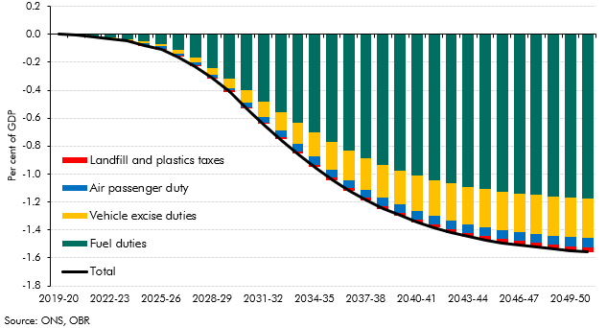

 |  | Total | Fuel duties | Vehicle excise duties | Air passenger duty | Landfill and plastics taxes
 | 2019-20 | 0.00 | 0.00 | 0.00 | 0.00 | 0.00
 | 2020-21 | 0.00 | 0.00 | 0.00 | 0.00 | 0.00
 | 2021-22 | -0.02 | -0.01 | 0.00 | 0.00 | 0.00
 | 2022-23 | -0.03 | -0.02 | 0.00 | 0.00 | 0.00
 | 2023-24 | -0.04 | -0.03 | -0.01 | 0.00 | 0.00
 | 2024-25 | -0.08 | -0.05 | -0.01 | -0.01 | 0.00
 | 2025-26 | -0.11 | -0.07 | -0.02 | -0.02 | -0.01
 | 2026-27 | -0.16 | -0.11 | -0.03 | -0.02 | -0.01
 | 2027-28 | -0.23 | -0.16 | -0.04 | -0.02 | -0.01
 | 2028-29 | -0.32 | -0.24 | -0.05 | -0.02 | -0.01
 | 2029-30 | -0.41 | -0.31 | -0.07 | -0.02 | -0.01
 | 2030-31 | -0.53 | -0.40 | -0.09 | -0.03 | -0.01
 | 2031-32 | -0.64 | -0.48 | -0.11 | -0.04 | -0.01
 | 2032-33 | -0.75 | -0.56 | -0.14 | -0.05 | -0.01
 | 2033-34 | -0.86 | -0.63 | -0.16 | -0.06 | -0.01
 | 2034-35 | -0.95 | -0.70 | -0.17 | -0.06 | -0.01
 | 2035-36 | -1.04 | -0.77 | -0.19 | -0.06 | -0.02
 | 2036-37 | -1.12 | -0.83 | -0.21 | -0.06 | -0.02
 | 2037-38 | -1.19 | -0.89 | -0.22 | -0.06 | -0.02
 | 2038-39 | -1.25 | -0.93 | -0.23 | -0.06 | -0.02
 | 2039-40 | -1.30 | -0.97 | -0.24 | -0.06 | -0.02
 | 2040-41 | -1.34 | -1.01 | -0.25 | -0.06 | -0.02
 | 2041-42 | -1.38 | -1.04 | -0.26 | -0.06 | -0.02
 | 2042-43 | -1.42 | -1.07 | -0.27 | -0.06 | -0.02
 | 2043-44 | -1.45 | -1.09 | -0.27 | -0.06 | -0.02
 | 2044-45 | -1.47 | -1.11 | -0.27 | -0.06 | -0.03
 | 2045-46 | -1.49 | -1.13 | -0.28 | -0.06 | -0.03
 | 2046-47 | -1.51 | -1.14 | -0.28 | -0.06 | -0.03
 | 2047-48 | -1.52 | -1.15 | -0.28 | -0.06 | -0.03
 | 2048-49 | -1.54 | -1.16 | -0.28 | -0.06 | -0.03
 | 2049-50 | -1.55 | -1.17 | -0.28 | -0.07 | -0.03
 | 2050-51 | -1.56 | -1.18 | -0.28 | -0.07 | -0.03

C3.21
Back to contents
 | Chart 3.21: Motoring, aviation and waste tax revenues under alternative scenarios

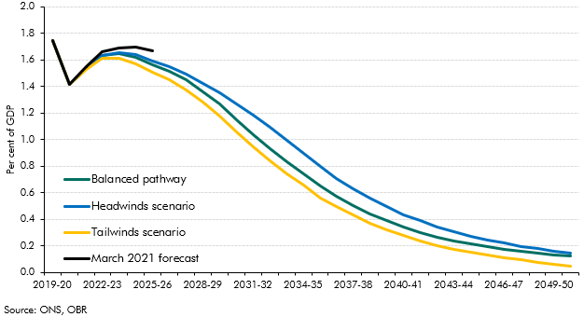

 |  | Baseline | Balanced pathway | Headwinds scenario | Tailwinds scenario | March 2021 forecast
 | 2019-20 | 1.7 | 1.7 | 1.7 | 1.7 | 1.7
 | 2020-21 | 1.4 | 1.4 | 1.4 | 1.4 | 1.4
 | 2021-22 | 1.6 | 1.5 | 1.5 | 1.5 | 1.6
 | 2022-23 | 1.7 | 1.6 | 1.6 | 1.6 | 1.7
 | 2023-24 | 1.7 | 1.6 | 1.7 | 1.6 | 1.7
 | 2024-25 | 1.7 | 1.6 | 1.6 | 1.6 | 1.7
 | 2025-26 | 1.7 | 1.6 | 1.6 | 1.5 | 1.7
 | 2026-27 | 1.7 | 1.5 | 1.5 | 1.4
 | 2027-28 | 1.7 | 1.4 | 1.5 | 1.4
 | 2028-29 | 1.7 | 1.4 | 1.4 | 1.3
 | 2029-30 | 1.7 | 1.3 | 1.4 | 1.2
 | 2030-31 | 1.7 | 1.1 | 1.3 | 1.1
 | 2031-32 | 1.7 | 1.0 | 1.2 | 0.9
 | 2032-33 | 1.7 | 0.9 | 1.1 | 0.8
 | 2033-34 | 1.7 | 0.8 | 1.0 | 0.7
 | 2034-35 | 1.7 | 0.7 | 0.9 | 0.7
 | 2035-36 | 1.7 | 0.6 | 0.8 | 0.6
 | 2036-37 | 1.7 | 0.6 | 0.7 | 0.5
 | 2037-38 | 1.7 | 0.5 | 0.6 | 0.4
 | 2038-39 | 1.7 | 0.4 | 0.6 | 0.4
 | 2039-40 | 1.7 | 0.4 | 0.5 | 0.3
 | 2040-41 | 1.7 | 0.3 | 0.4 | 0.3
 | 2041-42 | 1.7 | 0.3 | 0.4 | 0.2
 | 2042-43 | 1.7 | 0.3 | 0.3 | 0.2
 | 2043-44 | 1.7 | 0.2 | 0.3 | 0.2
 | 2044-45 | 1.7 | 0.2 | 0.3 | 0.2
 | 2045-46 | 1.7 | 0.2 | 0.2 | 0.1
 | 2046-47 | 1.7 | 0.2 | 0.2 | 0.1
 | 2047-48 | 1.7 | 0.2 | 0.2 | 0.1
 | 2048-49 | 1.7 | 0.1 | 0.2 | 0.1
 | 2049-50 | 1.7 | 0.1 | 0.2 | 0.1
 | 2050-51 | 1.7 | 0.1 | 0.1 | 0.0

C3.22
Back to contents
 | Chart 3.22: Real-terms carbon tax rates: outturn and scenario assumption

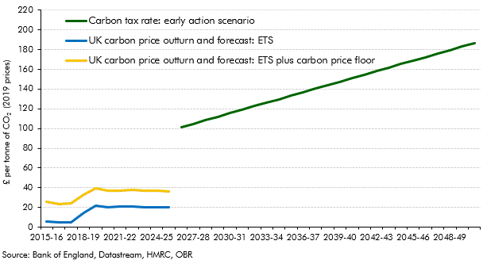

 |  | UK carbon price outturn and forecast: ETS | UK carbon price outturn and forecast: ETS plus carbon price floor | Carbon tax rate: early action scenario
 | 2012-13 | 5.7 | 5.7
 | 2013-14 | 4.1 | 9.6
 | 2014-15 | 5.2 | 15.6
 | 2015-16 | 6.0 | 25.6
 | 2016-17 | 4.5 | 23.7
 | 2017-18 | 5.2 | 24.0
 | 2018-19 | 14.2 | 32.6
 | 2019-20 | 21.7 | 39.7
 | 2020-21 | 20.3 | 37.3
 | 2021-22 | 20.6 | 37.4
 | 2022-23 | 20.8 | 37.9
 | 2023-24 | 20.5 | 37.3
 | 2024-25 | 20.2 | 36.6
 | 2025-26 | 20.3 | 36.4
 | 2026-27 |  |  | 101.3
 | 2027-28 |  |  | 104.9
 | 2028-29 |  |  | 108.4
 | 2029-30 |  |  | 112.0
 | 2030-31 |  |  | 115.5
 | 2031-32 |  |  | 119.1
 | 2032-33 |  |  | 122.6
 | 2033-34 |  |  | 126.2
 | 2034-35 |  |  | 129.8
 | 2035-36 |  |  | 133.3
 | 2036-37 |  |  | 136.9
 | 2037-38 |  |  | 140.4
 | 2038-39 |  |  | 144.0
 | 2039-40 |  |  | 147.6
 | 2040-41 |  |  | 151.1
 | 2041-42 |  |  | 154.7
 | 2042-43 |  |  | 158.2
 | 2043-44 |  |  | 161.8
 | 2044-45 |  |  | 165.3
 | 2045-46 |  |  | 168.9
 | 2046-47 |  |  | 172.5
 | 2047-48 |  |  | 176.0
 | 2048-49 |  |  | 179.6
 | 2049-50 |  |  | 183.1
 | 2050-51 |  |  | 186.7

C3.23
Back to contents
 | Chart 3.23: Additional carbon tax revenues

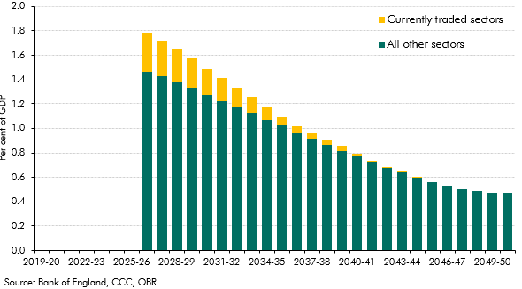

 |  | All other sectors | Currently traded sectors
 | 2019-20 | 0.00 | 0.00
 | 2020-21 | 0.00 | 0.00
 | 2021-22 | 0.00 | 0.00
 | 2022-23 | 0.00 | 0.00
 | 2023-24 | 0.00 | 0.00
 | 2024-25 | 0.00 | 0.00
 | 2025-26 | 0.00 | 0.00
 | 2026-27 | 1.46 | 0.32
 | 2027-28 | 1.43 | 0.29
 | 2028-29 | 1.38 | 0.27
 | 2029-30 | 1.33 | 0.25
 | 2030-31 | 1.27 | 0.22
 | 2031-32 | 1.23 | 0.19
 | 2032-33 | 1.17 | 0.16
 | 2033-34 | 1.12 | 0.13
 | 2034-35 | 1.07 | 0.11
 | 2035-36 | 1.02 | 0.07
 | 2036-37 | 0.97 | 0.05
 | 2037-38 | 0.91 | 0.05
 | 2038-39 | 0.86 | 0.04
 | 2039-40 | 0.82 | 0.04
 | 2040-41 | 0.77 | 0.02
 | 2041-42 | 0.73 | 0.01
 | 2042-43 | 0.68 | 0.01
 | 2043-44 | 0.64 | 0.00
 | 2044-45 | 0.60 | 0.00
 | 2045-46 | 0.56 | 0.00
 | 2046-47 | 0.53 | 0.00
 | 2047-48 | 0.50 | 0.00
 | 2048-49 | 0.49 | 0.00
 | 2049-50 | 0.48 | 0.00
 | 2050-51 | 0.47 | 0.00

C3.24
Back to contents
 | Chart 3.24: Total direct impact of the transition to net zero on receipts

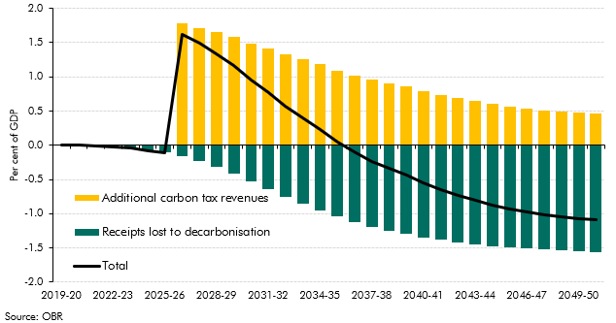

 |  | Total | Receipts lost to decarbonisation | Additional carbon tax revenues
 | 2019-20 | 0.0 | 0.0 | 0.0
 | 2020-21 | 0.0 | 0.0 | 0.0
 | 2021-22 | 0.0 | 0.0 | 0.0
 | 2022-23 | 0.0 | 0.0 | 0.0
 | 2023-24 | 0.0 | 0.0 | 0.0
 | 2024-25 | -0.1 | -0.1 | 0.0
 | 2025-26 | -0.1 | -0.1 | 0.0
 | 2026-27 | 1.6 | -0.2 | 1.8
 | 2027-28 | 1.5 | -0.2 | 1.7
 | 2028-29 | 1.3 | -0.3 | 1.6
 | 2029-30 | 1.2 | -0.4 | 1.6
 | 2030-31 | 1.0 | -0.5 | 1.5
 | 2031-32 | 0.8 | -0.6 | 1.4
 | 2032-33 | 0.6 | -0.8 | 1.3
 | 2033-34 | 0.4 | -0.9 | 1.3
 | 2034-35 | 0.2 | -0.9 | 1.2
 | 2035-36 | 0.1 | -1.0 | 1.1
 | 2036-37 | -0.1 | -1.1 | 1.0
 | 2037-38 | -0.2 | -1.2 | 1.0
 | 2038-39 | -0.3 | -1.2 | 0.9
 | 2039-40 | -0.4 | -1.3 | 0.9
 | 2040-41 | -0.5 | -1.3 | 0.8
 | 2041-42 | -0.6 | -1.4 | 0.7
 | 2042-43 | -0.7 | -1.4 | 0.7
 | 2043-44 | -0.8 | -1.4 | 0.6
 | 2044-45 | -0.9 | -1.5 | 0.6
 | 2045-46 | -0.9 | -1.5 | 0.6
 | 2046-47 | -1.0 | -1.5 | 0.5
 | 2047-48 | -1.0 | -1.5 | 0.5
 | 2048-49 | -1.0 | -1.5 | 0.5
 | 2049-50 | -1.1 | -1.5 | 0.5
 | 2050-51 | -1.1 | -1.6 | 0.5

C3.25
Back to contents
 | Chart 3.25: Scenario assumptions: global carbon price, emissions and temperature

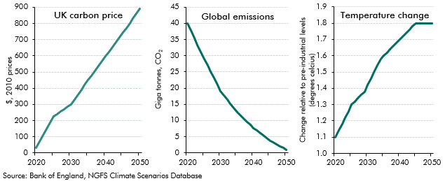

 |  | Carbon Price |  | Global emissions |  | Temperature change
 | 2020 | 30.4 | 2020 | 39860.9 | 2020 | 1.1
 | 2021 | 69.6 | 2021 | 37697.1 | 2021 | 1.1
 | 2022 | 108.7 | 2022 | 35533.3 | 2022 | 1.2
 | 2023 | 147.9 | 2023 | 33369.5 | 2023 | 1.2
 | 2024 | 187.0 | 2024 | 31205.8 | 2024 | 1.3
 | 2025 | 226.2 | 2025 | 29042.0 | 2025 | 1.3
 | 2026 | 241.3 | 2026 | 27044.1 | 2026 | 1.3
 | 2027 | 256.4 | 2027 | 25046.2 | 2027 | 1.3
 | 2028 | 271.4 | 2028 | 23048.3 | 2028 | 1.4
 | 2029 | 286.5 | 2029 | 21050.5 | 2029 | 1.4
 | 2030 | 301.6 | 2030 | 19052.6 | 2030 | 1.4
 | 2031 | 331.0 | 2031 | 17758.5 | 2031 | 1.5
 | 2032 | 360.4 | 2032 | 16464.5 | 2032 | 1.5
 | 2033 | 389.7 | 2033 | 15170.4 | 2033 | 1.5
 | 2034 | 419.1 | 2034 | 13876.3 | 2034 | 1.6
 | 2035 | 448.5 | 2035 | 12582.3 | 2035 | 1.6
 | 2036 | 477.9 | 2036 | 11598.5 | 2036 | 1.6
 | 2037 | 507.3 | 2037 | 10614.6 | 2037 | 1.6
 | 2038 | 536.6 | 2038 | 9630.8 | 2038 | 1.7
 | 2039 | 566.0 | 2039 | 8647.0 | 2039 | 1.7
 | 2040 | 595.4 | 2040 | 7663.2 | 2040 | 1.7
 | 2041 | 624.8 | 2041 | 6891.9 | 2041 | 1.7
 | 2042 | 654.2 | 2042 | 6120.7 | 2042 | 1.7
 | 2043 | 683.6 | 2043 | 5349.4 | 2043 | 1.8
 | 2044 | 713.0 | 2044 | 4578.1 | 2044 | 1.8
 | 2045 | 742.4 | 2045 | 3806.9 | 2045 | 1.8
 | 2046 | 771.8 | 2046 | 3233.7 | 2046 | 1.8
 | 2047 | 801.2 | 2047 | 2660.5 | 2047 | 1.8
 | 2048 | 830.5 | 2048 | 2087.3 | 2048 | 1.8
 | 2049 | 859.9 | 2049 | 1514.1 | 2049 | 1.8
 | 2050 | 889.3 | 2050 | 941.0 | 2050 | 1.8

C3.26
Back to contents
 | Chart 3.26: Early action scenario: real GDP

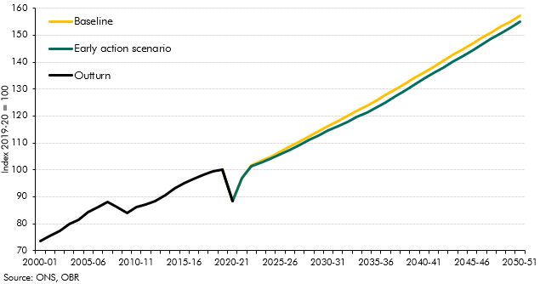

 |  | Baseline | Early global policy action | Outturn
 | 2000-01 |  |  | 73.5
 | 2001-02 |  |  | 75.5
 | 2002-03 |  |  | 77.2
 | 2003-04 |  |  | 79.9
 | 2004-05 |  |  | 81.4
 | 2005-06 |  |  | 84.3
 | 2006-07 |  |  | 86.1
 | 2007-08 |  |  | 88.2
 | 2008-09 |  |  | 86.2
 | 2009-10 |  |  | 84.1
 | 2010-11 |  |  | 86.1
 | 2011-12 |  |  | 87.0
 | 2012-13 |  |  | 88.2
 | 2013-14 |  |  | 90.6
 | 2014-15 |  |  | 93.0
 | 2015-16 |  |  | 95.1
 | 2016-17 |  |  | 96.7
 | 2017-18 |  |  | 98.2
 | 2018-19 |  |  | 99.6
 | 2019-20 | 100.0 | 100.0 | 100.0
 | 2020-21 | 88.5 | 88.5 | 88.5
 | 2021-22 | 96.9 | 96.8
 | 2022-23 | 101.7 | 101.4
 | 2023-24 | 103.2 | 102.6
 | 2024-25 | 104.9 | 104.1
 | 2025-26 | 106.8 | 105.8
 | 2026-27 | 108.6 | 107.5
 | 2027-28 | 110.5 | 109.2
 | 2028-29 | 112.4 | 111.0
 | 2029-30 | 114.3 | 112.8
 | 2030-31 | 116.2 | 114.5
 | 2031-32 | 118.1 | 116.2
 | 2032-33 | 120.0 | 117.9
 | 2033-34 | 121.9 | 119.6
 | 2034-35 | 123.8 | 121.3
 | 2035-36 | 125.7 | 123.0
 | 2036-37 | 127.7 | 125.0
 | 2037-38 | 129.8 | 127.2
 | 2038-39 | 132.0 | 129.4
 | 2039-40 | 134.1 | 131.6
 | 2040-41 | 136.2 | 133.9
 | 2041-42 | 138.3 | 136.0
 | 2042-43 | 140.4 | 138.0
 | 2043-44 | 142.5 | 140.1
 | 2044-45 | 144.6 | 142.1
 | 2045-46 | 146.7 | 144.2
 | 2046-47 | 148.9 | 146.4
 | 2047-48 | 150.9 | 148.5
 | 2048-49 | 153.0 | 150.7
 | 2049-50 | 155.1 | 152.8
 | 2050-51 | 157.3 | 155.0

C3.27
Back to contents
 | Chart 3.27: Early action scenario: key fiscal aggregates

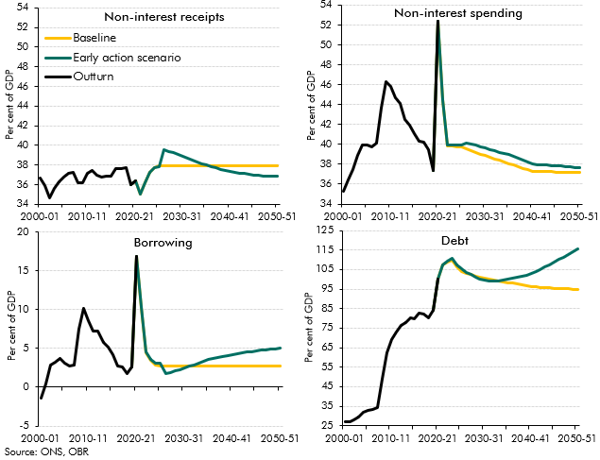

 |  | 2000-01 | 2001-02 | 2002-03 | 2003-04 | 2004-05 | 2005-06 | 2006-07 | 2007-08 | 2008-09 | 2009-10 | 2010-11 | 2011-12 | 2012-13 | 2013-14 | 2014-15 | 2015-16 | 2016-17 | 2017-18 | 2018-19 | 2019-20 | 2020-21 | 2021-22 | 2022-23 | 2023-24 | 2024-25 | 2025-26 | 2026-27 | 2027-28 | 2028-29 | 2029-30 | 2030-31 | 2031-32 | 2032-33 | 2033-34 | 2034-35 | 2035-36 | 2036-37 | 2037-38 | 2038-39 | 2039-40 | 2040-41 | 2041-42 | 2042-43 | 2043-44 | 2044-45 | 2045-46 | 2046-47 | 2047-48 | 2048-49 | 2049-50 | 2050-51
 | Total primary receipts
 | Early policy action |  |  |  |  |  |  |  |  |  |  |  |  |  |  |  |  |  |  |  | 36.0 | 36.4 | 35.1 | 36.1 | 37.2 | 37.7 | 37.8 | 39.5 | 39.4 | 39.2 | 39.1 | 38.9 | 38.7 | 38.5 | 38.3 | 38.1 | 38.0 | 37.8 | 37.7 | 37.6 | 37.5 | 37.4 | 37.3 | 37.2 | 37.1 | 37.0 | 37.0 | 36.9 | 36.9 | 36.9 | 36.8 | 36.8
 | Baseline |  |  |  |  |  |  |  |  |  |  |  |  |  |  |  |  |  |  |  | 36.0 | 36.4 | 35.1 | 36.2 | 37.3 | 37.8 | 37.9 | 37.9 | 37.9 | 37.9 | 37.9 | 37.9 | 37.9 | 37.9 | 37.9 | 37.9 | 37.9 | 37.9 | 37.9 | 37.9 | 37.9 | 37.9 | 37.9 | 37.9 | 37.9 | 37.9 | 37.9 | 37.9 | 37.9 | 37.9 | 37.9 | 37.9
 | Outturn | 36.7 | 35.9 | 34.6 | 35.6 | 36.3 | 36.8 | 37.1 | 37.3 | 36.2 | 36.2 | 37.2 | 37.4 | 36.9 | 36.7 | 36.8 | 36.9 | 37.7 | 37.6 | 37.7 | 36.0 | 36.4
 | Total primary spending
 | Early policy action |  |  |  |  |  |  |  |  |  |  |  |  |  |  |  |  |  |  |  | 37.3 | 52.4 | 44.5 | 39.9 | 40.0 | 39.9 | 39.9 | 40.1 | 40.1 | 39.9 | 39.8 | 39.7 | 39.5 | 39.3 | 39.2 | 39.1 | 39.0 | 38.8 | 38.6 | 38.4 | 38.2 | 38.0 | 38.0 | 37.9 | 37.9 | 37.9 | 37.8 | 37.8 | 37.8 | 37.8 | 37.7 | 37.7
 | Baseline |  |  |  |  |  |  |  |  |  |  |  |  |  |  |  |  |  |  |  | 37.3 | 52.4 | 44.5 | 39.9 | 39.9 | 39.7 | 39.7 | 39.5 | 39.4 | 39.2 | 39.0 | 38.9 | 38.7 | 38.6 | 38.4 | 38.2 | 38.1 | 37.9 | 37.8 | 37.6 | 37.5 | 37.3 | 37.3 | 37.3 | 37.2 | 37.2 | 37.2 | 37.2 | 37.2 | 37.2 | 37.2 | 37.2
 | Outturn | 35.3 | 36.4 | 37.4 | 38.8 | 40.0 | 39.9 | 39.8 | 40.1 | 43.6 | 46.3 | 45.8 | 44.7 | 44.2 | 42.5 | 42.0 | 41.0 | 40.4 | 40.2 | 39.5 | 37.3 | 52.4
 | Public sector net borrowing
 | Early action scenario |  |  |  |  |  |  |  |  |  |  |  |  |  |  |  |  |  |  |  | 2.6 | 16.9 | 10.4 | 4.6 | 3.6 | 3.1 | 3.1 | 1.7 | 1.9 | 2.1 | 2.3 | 2.5 | 2.7 | 2.9 | 3.1 | 3.3 | 3.6 | 3.7 | 3.8 | 3.9 | 4.1 | 4.2 | 4.3 | 4.4 | 4.5 | 4.6 | 4.7 | 4.8 | 4.8 | 4.9 | 4.9 | 5.0
 | Baseline |  |  |  |  |  |  |  |  |  |  |  |  |  |  |  |  |  |  |  | 2.6 | 16.9 | 10.3 | 4.5 | 3.5 | 2.9 | 2.8 | 2.7 | 2.7 | 2.7 | 2.7 | 2.7 | 2.7 | 2.7 | 2.7 | 2.7 | 2.7 | 2.7 | 2.7 | 2.7 | 2.7 | 2.7 | 2.7 | 2.7 | 2.7 | 2.7 | 2.7 | 2.7 | 2.7 | 2.7 | 2.7 | 2.7
 | Outturn | -1.4 | 0.5 | 2.8 | 3.3 | 3.7 | 3.1 | 2.7 | 2.9 | 7.5 | 10.1 | 8.6 | 7.3 | 7.2 | 5.8 | 5.1 | 4.2 | 2.7 | 2.6 | 1.8 | 2.6 | 16.9
 | Public sector net debt
 | Early action scenario |  |  |  |  |  |  |  |  |  |  |  |  |  |  |  |  |  |  |  | 84.4 | 100.2 | 107.5 | 109.5 | 110.6 | 107.4 | 105.3 | 103.7 | 102.4 | 101.2 | 100.2 | 99.6 | 99.2 | 99.1 | 99.2 | 99.5 | 100.1 | 100.5 | 101.0 | 101.6 | 102.2 | 103.0 | 104.0 | 105.1 | 106.3 | 107.5 | 108.8 | 110.1 | 111.5 | 112.9 | 114.3 | 115.7
 | Baseline |  |  |  |  |  |  |  |  |  |  |  |  |  |  |  |  |  |  |  | 84.4 | 100.2 | 107.4 | 109.0 | 109.7 | 106.2 | 103.8 | 103.0 | 102.3 | 101.6 | 101.0 | 100.5 | 100.0 | 99.5 | 99.1 | 98.7 | 98.4 | 98.0 | 97.5 | 97.1 | 96.8 | 96.5 | 96.2 | 96.0 | 95.7 | 95.6 | 95.4 | 95.3 | 95.2 | 95.1 | 95.0 | 95.0
 | Outturn | 27.2 | 26.8 | 28.1 | 29.3 | 31.8 | 32.6 | 33.4 | 34.2 | 48.7 | 62.6 | 69.2 | 72.8 | 76.2 | 78.0 | 80.2 | 79.8 | 82.5 | 82.1 | 80.4 | 84.4 | 100.2

C3.28
Back to contents
 | Chart 3.28: Early action scenario: differences from the baseline debt-to-GDP ratio

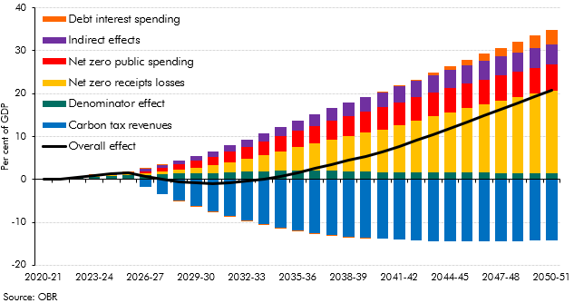

 |  | 2020-21 | 2021-22 | 2022-23 | 2023-24 | 2024-25 | 2025-26 | 2026-27 | 2027-28 | 2028-29 | 2029-30 | 2030-31 | 2031-32 | 2032-33 | 2033-34 | 2034-35 | 2035-36 | 2036-37 | 2037-38 | 2038-39 | 2039-40 | 2040-41 | 2041-42 | 2042-43 | 2043-44 | 2044-45 | 2045-46 | 2046-47 | 2047-48 | 2048-49 | 2049-50 | 2050-51
 | Overall effect | 0.0 | 0.1 | 0.5 | 0.9 | 1.2 | 1.6 | 0.7 | 0.1 | -0.5 | -0.8 | -0.9 | -0.8 | -0.5 | 0.1 | 0.8 | 1.7 | 2.6 | 3.5 | 4.4 | 5.4 | 6.5 | 7.8 | 9.1 | 10.5 | 12.0 | 13.4 | 14.9 | 16.3 | 17.8 | 19.3 | 20.7
 | Denominator effect | 0.0 | 0.1 | 0.4 | 0.7 | 0.8 | 0.9 | 1.1 | 1.3 | 1.3 | 1.4 | 1.5 | 1.7 | 1.8 | 1.9 | 2.1 | 2.1 | 2.1 | 2.1 | 2.0 | 1.8 | 1.7 | 1.7 | 1.7 | 1.7 | 1.7 | 1.7 | 1.6 | 1.5 | 1.5 | 1.4 | 1.4
 | Net zero receipts losses | 0.0 | 0.0 | 0.0 | 0.1 | 0.2 | 0.3 | 0.4 | 0.6 | 0.9 | 1.3 | 1.7 | 2.3 | 3.0 | 3.7 | 4.5 | 5.4 | 6.3 | 7.2 | 8.1 | 9.1 | 10.0 | 11.0 | 12.0 | 13.0 | 14.0 | 14.9 | 15.8 | 16.7 | 17.6 | 18.5 | 19.4
 | Carbon tax revenues | 0.0 | 0.0 | 0.0 | 0.0 | 0.0 | 0.0 | -1.8 | -3.4 | -4.9 | -6.2 | -7.4 | -8.6 | -9.6 | -10.4 | -11.2 | -11.9 | -12.4 | -12.9 | -13.3 | -13.6 | -13.8 | -14.0 | -14.2 | -14.3 | -14.4 | -14.4 | -14.4 | -14.4 | -14.3 | -14.3 | -14.2
 | Net zero public spending | 0.0 | 0.0 | 0.0 | 0.0 | 0.0 | 0.0 | 0.4 | 0.8 | 1.2 | 1.7 | 2.1 | 2.4 | 2.8 | 3.1 | 3.5 | 3.9 | 4.2 | 4.4 | 4.7 | 4.9 | 5.1 | 5.3 | 5.5 | 5.6 | 5.7 | 5.8 | 5.8 | 5.9 | 6.0 | 6.0 | 6.0
 | Indirect effects | 0.0 | 0.0 | 0.1 | 0.1 | 0.3 | 0.4 | 0.5 | 0.7 | 0.9 | 1.1 | 1.3 | 1.5 | 1.7 | 2.0 | 2.2 | 2.5 | 2.7 | 3.0 | 3.2 | 3.4 | 3.5 | 3.7 | 3.8 | 4.0 | 4.1 | 4.2 | 4.4 | 4.5 | 4.6 | 4.6 | 4.7
 | Debt interest spending | 0.0 | 0.0 | 0.0 | 0.0 | 0.0 | 0.0 | 0.0 | 0.0 | 0.0 | 0.0 | -0.1 | -0.1 | -0.2 | -0.2 | -0.2 | -0.3 | -0.3 | -0.2 | -0.2 | -0.1 | 0.0 | 0.2 | 0.4 | 0.6 | 0.9 | 1.2 | 1.6 | 2.0 | 2.5 | 3.0 | 3.5

C3.29
Back to contents
 | Chart 3.29: Early action versus late action scenarios: fiscal aggregates

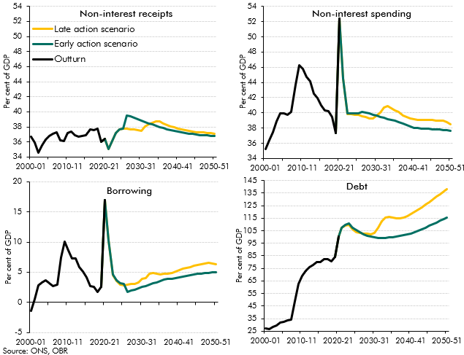

 |  | 2000-01 | 2001-02 | 2002-03 | 2003-04 | 2004-05 | 2005-06 | 2006-07 | 2007-08 | 2008-09 | 2009-10 | 2010-11 | 2011-12 | 2012-13 | 2013-14 | 2014-15 | 2015-16 | 2016-17 | 2017-18 | 2018-19 | 2019-20 | 2020-21 | 2021-22 | 2022-23 | 2023-24 | 2024-25 | 2025-26 | 2026-27 | 2027-28 | 2028-29 | 2029-30 | 2030-31 | 2031-32 | 2032-33 | 2033-34 | 2034-35 | 2035-36 | 2036-37 | 2037-38 | 2038-39 | 2039-40 | 2040-41 | 2041-42 | 2042-43 | 2043-44 | 2044-45 | 2045-46 | 2046-47 | 2047-48 | 2048-49 | 2049-50 | 2050-51
 | Total primary receipts
 | Early policy action |  |  |  |  |  |  |  |  |  |  |  |  |  |  |  |  |  |  |  | 36.0 | 36.4 | 35.1 | 36.1 | 37.2 | 37.7 | 37.8 | 39.5 | 39.4 | 39.2 | 39.1 | 38.9 | 38.7 | 38.5 | 38.3 | 38.1 | 38.0 | 37.8 | 37.7 | 37.6 | 37.5 | 37.4 | 37.3 | 37.2 | 37.1 | 37.0 | 37.0 | 36.9 | 36.9 | 36.9 | 36.8 | 36.8
 | Late action scenario |  |  |  |  |  |  |  |  |  |  |  |  |  |  |  |  |  |  |  | 36.0 | 36.4 | 35.1 | 36.1 | 37.2 | 37.7 | 37.8 | 37.8 | 37.7 | 37.6 | 37.6 | 37.5 | 38.0 | 38.4 | 38.6 | 38.7 | 38.7 | 38.5 | 38.3 | 38.1 | 37.9 | 37.8 | 37.7 | 37.6 | 37.5 | 37.4 | 37.3 | 37.3 | 37.2 | 37.2 | 37.2 | 37.1
 | Outturn | 36.7 | 35.9 | 34.6 | 35.6 | 36.3 | 36.8 | 37.1 | 37.3 | 36.2 | 36.2 | 37.2 | 37.4 | 36.9 | 36.7 | 36.8 | 36.9 | 37.7 | 37.6 | 37.7 | 36.0 | 36.4
 | Total primary spending
 | Early policy action |  |  |  |  |  |  |  |  |  |  |  |  |  |  |  |  |  |  |  | 37.3 | 52.4 | 44.5 | 39.9 | 40.0 | 39.9 | 39.9 | 40.1 | 40.1 | 39.9 | 39.8 | 39.7 | 39.5 | 39.3 | 39.2 | 39.1 | 39.0 | 38.8 | 38.6 | 38.4 | 38.2 | 38.0 | 38.0 | 37.9 | 37.9 | 37.9 | 37.8 | 37.8 | 37.8 | 37.8 | 37.7 | 37.7
 | Late action scenario |  |  |  |  |  |  |  |  |  |  |  |  |  |  |  |  |  |  |  | 37.3 | 52.4 | 44.5 | 39.9 | 39.9 | 39.7 | 39.7 | 39.6 | 39.4 | 39.3 | 39.3 | 39.6 | 40.0 | 40.7 | 40.8 | 40.6 | 40.4 | 40.1 | 39.7 | 39.4 | 39.2 | 39.1 | 39.1 | 39.1 | 39.1 | 39.1 | 39.0 | 39.0 | 39.0 | 38.9 | 38.8 | 38.5
 | Outturn | 35.3 | 36.4 | 37.4 | 38.8 | 40.0 | 39.9 | 39.8 | 40.1 | 43.6 | 46.3 | 45.8 | 44.7 | 44.2 | 42.5 | 42.0 | 41.0 | 40.4 | 40.2 | 39.5 | 37.3 | 52.4
 | Public sector net borrowing
 | Early action scenario |  |  |  |  |  |  |  |  |  |  |  |  |  |  |  |  |  |  |  | 2.6 | 16.9 | 10.4 | 4.6 | 3.6 | 3.1 | 3.1 | 1.7 | 1.9 | 2.1 | 2.3 | 2.5 | 2.7 | 2.9 | 3.1 | 3.3 | 3.6 | 3.7 | 3.8 | 3.9 | 4.1 | 4.2 | 4.3 | 4.4 | 4.5 | 4.6 | 4.7 | 4.8 | 4.8 | 4.9 | 4.9 | 5.0
 | Late action scenario |  |  |  |  |  |  |  |  |  |  |  |  |  |  |  |  |  |  |  | 2.6 | 16.9 | 10.3 | 4.5 | 3.5 | 3.0 | 2.9 | 2.9 | 3.0 | 3.1 | 3.3 | 3.9 | 4.0 | 4.7 | 4.8 | 4.7 | 4.6 | 4.8 | 4.7 | 4.9 | 5.1 | 5.4 | 5.5 | 5.7 | 5.9 | 6.1 | 6.2 | 6.3 | 6.4 | 6.5 | 6.5 | 6.3
 | Outturn | -1.4 | 0.5 | 2.8 | 3.3 | 3.7 | 3.1 | 2.7 | 2.9 | 7.5 | 10.1 | 8.6 | 7.3 | 7.2 | 5.8 | 5.1 | 4.2 | 2.7 | 2.6 | 1.8 | 2.6 | 16.9
 | Public sector net debt
 | Early action scenario |  |  |  |  |  |  |  |  |  |  |  |  |  |  |  |  |  |  |  | 84.4 | 100.2 | 107.5 | 109.5 | 110.6 | 107.4 | 105.3 | 103.7 | 102.4 | 101.2 | 100.2 | 99.6 | 99.2 | 99.1 | 99.2 | 99.5 | 100.1 | 100.5 | 101.0 | 101.6 | 102.2 | 103.0 | 104.0 | 105.1 | 106.3 | 107.5 | 108.8 | 110.1 | 111.5 | 112.9 | 114.3 | 115.7
 | Late action scenario |  |  |  |  |  |  |  |  |  |  |  |  |  |  |  |  |  |  |  | 84.4 | 100.2 | 107.4 | 109.0 | 109.8 | 106.3 | 104.0 | 103.4 | 102.9 | 102.6 | 102.4 | 103.3 | 107.1 | 112.7 | 115.2 | 115.8 | 115.3 | 114.9 | 115.1 | 115.7 | 116.7 | 118.2 | 119.9 | 121.7 | 123.7 | 125.7 | 127.8 | 129.9 | 132.1 | 134.3 | 136.4 | 138.3
 | Outturn | 27.2 | 26.8 | 28.1 | 29.3 | 31.8 | 32.6 | 33.4 | 34.2 | 48.7 | 62.6 | 69.2 | 72.8 | 76.2 | 78.0 | 80.2 | 79.8 | 82.5 | 82.1 | 80.4 | 84.4 | 100.2

C3.30
Back to contents
 | Chart 3.30: Alternative productivity variants: real GDP and the debt-to-GDP ratio

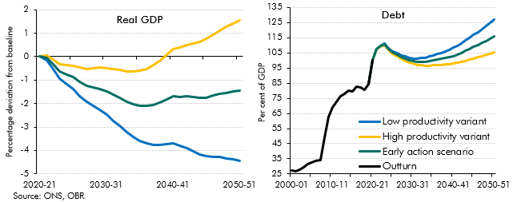

 |  | 2000-01 | 2001-02 | 2002-03 | 2003-04 | 2004-05 | 2005-06 | 2006-07 | 2007-08 | 2008-09 | 2009-10 | 2010-11 | 2011-12 | 2012-13 | 2013-14 | 2014-15 | 2015-16 | 2016-17 | 2017-18 | 2018-19 | 2019-20 | 2020-21 | 2021-22 | 2022-23 | 2023-24 | 2024-25 | 2025-26 | 2026-27 | 2027-28 | 2028-29 | 2029-30 | 2030-31 | 2031-32 | 2032-33 | 2033-34 | 2034-35 | 2035-36 | 2036-37 | 2037-38 | 2038-39 | 2039-40 | 2040-41 | 2041-42 | 2042-43 | 2043-44 | 2044-45 | 2045-46 | 2046-47 | 2047-48 | 2048-49 | 2049-50 | 2050-51
 | Real GDP
 | Early action scenario |  |  |  |  |  |  |  |  |  |  |  |  |  |  |  |  |  |  |  | 0.0 | 0.0 | -0.1 | -0.3 | -0.6 | -0.8 | -0.9 | -1.1 | -1.2 | -1.3 | -1.4 | -1.5 | -1.6 | -1.8 | -1.9 | -2.0 | -2.1 | -2.1 | -2.1 | -2.0 | -1.8 | -1.7 | -1.7 | -1.7 | -1.7 | -1.8 | -1.7 | -1.7 | -1.6 | -1.5 | -1.5 | -1.4
 | High productivity variant |  |  |  |  |  |  |  |  |  |  |  |  |  |  |  |  |  |  |  | 0.0 | 0.0 | 0.0 | -0.1 | -0.3 | -0.4 | -0.4 | -0.5 | -0.5 | -0.5 | -0.5 | -0.5 | -0.5 | -0.6 | -0.6 | -0.6 | -0.6 | -0.5 | -0.4 | -0.2 | 0.1 | 0.3 | 0.4 | 0.5 | 0.6 | 0.6 | 0.8 | 0.9 | 1.1 | 1.3 | 1.4 | 1.6
 | low productivity variant |  |  |  |  |  |  |  |  |  |  |  |  |  |  |  |  |  |  |  | 0.0 | 0.0 | -0.2 | -0.5 | -0.9 | -1.2 | -1.4 | -1.7 | -1.9 | -2.1 | -2.3 | -2.5 | -2.7 | -3.0 | -3.2 | -3.4 | -3.6 | -3.7 | -3.8 | -3.8 | -3.7 | -3.7 | -3.8 | -3.9 | -4.0 | -4.2 | -4.2 | -4.3 | -4.3 | -4.3 | -4.4 | -4.4
 | Public sector net debt
 | Early action scenario |  |  |  |  |  |  |  |  |  |  |  |  |  |  |  |  |  |  |  | 84.4 | 100.2 | 107.5 | 109.5 | 110.6 | 107.4 | 105.3 | 103.7 | 102.4 | 101.2 | 100.2 | 99.6 | 99.2 | 99.1 | 99.2 | 99.5 | 100.1 | 100.5 | 101.0 | 101.6 | 102.2 | 103.0 | 104.0 | 105.1 | 106.3 | 107.5 | 108.8 | 110.1 | 111.5 | 112.9 | 114.3 | 115.7
 | High productivity variant |  |  |  |  |  |  |  |  |  |  |  |  |  |  |  |  |  |  |  | 84.4 | 100.2 | 107.3 | 109.2 | 110.2 | 106.8 | 104.6 | 102.8 | 101.2 | 99.8 | 98.6 | 97.8 | 97.1 | 96.8 | 96.6 | 96.6 | 96.8 | 96.9 | 97.1 | 97.3 | 97.5 | 97.8 | 98.4 | 99.0 | 99.7 | 100.5 | 101.2 | 102.0 | 102.8 | 103.6 | 104.4 | 105.1
 | Low productivtiy variant |  |  |  |  |  |  |  |  |  |  |  |  |  |  |  |  |  |  |  | 84.4 | 100.2 | 107.6 | 109.7 | 111.0 | 108.0 | 106.1 | 104.7 | 103.5 | 102.5 | 101.8 | 101.4 | 101.3 | 101.4 | 101.9 | 102.5 | 103.4 | 104.2 | 105.1 | 106.1 | 107.1 | 108.3 | 109.8 | 111.4 | 113.1 | 115.0 | 116.9 | 118.7 | 120.7 | 122.7 | 124.8 | 126.9
 | Outturn | 27.2 | 26.8 | 28.1 | 29.3 | 31.8 | 32.6 | 33.4 | 34.2 | 48.7 | 62.6 | 69.2 | 72.8 | 76.2 | 78.0 | 80.2 | 79.8 | 82.5 | 82.1 | 80.4 | 84.4 | 100.2

C3.31
Back to contents
 | Chart 3.31: Net zero public spending variants: spending and debt-to-GDP ratios

 | Low public spending share | High public spending share | Early action scenario
2000-01 |  |  |  | 35.279302417
2001-02 |  |  |  | 36.390280048
2002-03 |  |  |  | 37.433155523
2003-04 |  |  |  | 38.846103909
2004-05 |  |  |  | 39.973685551
2005-06 |  |  |  | 39.906490765
2006-07 |  |  |  | 39.786012877
2007-08 |  |  |  | 40.141653367
2008-09 |  |  |  | 43.642128607
2009-10 |  |  |  | 46.281519044
2010-11 |  |  |  | 45.778511505
2011-12 |  |  |  | 44.680059947
2012-13 |  |  |  | 44.160774875
2013-14 |  |  |  | 42.542231339
2014-15 |  |  |  | 41.972683798
2015-16 |  |  |  | 41.033872971
2016-17 |  |  |  | 40.356308211
2017-18 |  |  |  | 40.187699011
2018-19 |  |  |  | 39.494627383
2019-20 | 37.338635308 | 37.338635308 | 37.338635308 | 37.338635308
2020-21 | 52.360695107 | 52.360695107 | 52.360695107 | 52.360695107
2021-22 | 44.53693993 | 44.53693993 | 44.53693993
2022-23 | 39.921247564 | 39.921247564 | 39.921247564
2023-24 | 39.976589408 | 39.976589408 | 39.976589408
2024-25 | 39.893826433 | 39.893826433 | 39.893826433
2025-26 | 39.890140006 | 39.890140006 | 39.890140006
2026-27 | 39.934376421 | 40.37723541 | 40.125920746
2027-28 | 39.803686653 | 40.353497623 | 40.050329085
2028-29 | 39.652604867 | 40.2562426 | 39.929744039
2029-30 | 39.513839636 | 40.096181824 | 39.781958577
2030-31 | 39.389262161 | 39.974168078 | 39.660749284
2031-32 | 39.228415986 | 39.7526608 | 39.468041485
2032-33 | 39.085907389 | 39.642403543 | 39.340969188
2033-34 | 38.950530056 | 39.518190513 | 39.211906087
2034-35 | 38.823183256 | 39.410830054 | 39.095769213
2035-36 | 38.69412812 | 39.296095693 | 38.979958702
2036-37 | 38.517023677 | 39.055440933 | 38.785839234
2037-38 | 38.334616684 | 38.853698199 | 38.59396888
2038-39 | 38.141446882 | 38.654416268 | 38.396439439
2039-40 | 37.958059763 | 38.489917748 | 38.221138741
2040-41 | 37.773576141 | 38.289920327 | 38.032097863
2041-42 | 37.748387141 | 38.225580531 | 37.985186442
2042-43 | 37.718191046 | 38.18284072 | 37.944329802
2043-44 | 37.706292594 | 38.135207896 | 37.913229091
2044-45 | 37.695040018 | 38.081811234 | 37.878487649
2045-46 | 37.67307899 | 38.041343149 | 37.846646043
2046-47 | 37.645707188 | 38.01150096 | 37.816063215
2047-48 | 37.616039585 | 37.970335301 | 37.781033254
2048-49 | 37.599043311 | 37.949772401 | 37.755905381
2049-50 | 37.569903534 | 37.858680026 | 37.694349764
...
 | Low public spending share | High public spending share | Early action scenario | Outturn
2000-01 |  |  |  | 27.202156325
2001-02 |  |  |  | 26.790780217
2002-03 |  |  |  | 28.098460883
2003-04 |  |  |  | 29.274584547
2004-05 |  |  |  | 31.752626918
2005-06 |  |  |  | 32.62214221
2006-07 |  |  |  | 33.426779607
2007-08 |  |  |  | 34.165500576
2008-09 |  |  |  | 48.708571767
2009-10 |  |  |  | 62.6
2010-11 |  |  |  | 69.2
2011-12 |  |  |  | 72.8
2012-13 |  |  |  | 76.2
2013-14 |  |  |  | 78
2014-15 |  |  |  | 80.2
2015-16 |  |  |  | 79.8
2016-17 |  |  |  | 82.5
2017-18 |  |  |  | 82.1
2018-19 |  |  |  | 80.4
2019-20 | 84.385651154 | 84.385651154 | 84.385651154 | 84.385651154
2020-21 | 100.1853619 | 100.1853619 | 100.1853619 | 100.1853619
2021-22 | 107.45254796 | 107.45254796 | 107.45254796
2022-23 | 109.45869737 | 109.45869737 | 109.45869737
2023-24 | 110.60785639 | 110.60785639 | 110.60785639
2024-25 | 107.4237391 | 107.4237391 | 107.4237391
2025-26 | 105.34745861 | 105.34745861 | 105.34745861
2026-27 | 103.53973145 | 103.9742879 | 103.72768478
2027-28 | 101.93154102 | 102.89447112 | 102.35669905
2028-29 | 100.46670784 | 101.99822636 | 101.15333082
2029-30 | 99.253908242 | 101.32199581 | 100.18799682
2030-31 | 98.386847649 | 100.98673195 | 99.568298707
2031-32 | 97.794024015 | 100.86163615 | 99.189391703
2032-33 | 97.448846193 | 101.01327921 | 99.072094987
2033-34 | 97.343221883 | 101.41451747 | 99.200105584
2034-35 | 97.426550368 | 102.02348526 | 99.527653344
2035-36 | 97.692623279 | 102.82910803 | 100.05082738
2036-37 | 97.920357535 | 103.52750663 | 100.51586586
2037-38 | 98.211416885 | 104.27157152 | 101.03533374
2038-39 | 98.5461462 | 105.05651886 | 101.59551549
2039-40 | 98.925890837 | 105.90943576 | 102.21058972
2040-41 | 99.443427812 | 106.89648616 | 102.96432806
2041-42 | 100.23379385 | 108.13068632 | 103.97552102
2042-43 | 101.09928752 | 109.42827644 | 105.05161693
2043-44 | 102.11914068 | 110.85205282 | 106.26648334
2044-45 | 103.22934876 | 112.32722894 | 107.54978889
2045-46 | 104.36359239 | 113.80696414 | 108.8468099
2046-47 | 105.49818201 | 115.28227067 | 110.13991231
2047-48 | 106.68426316 | 116.80074819 | 111.48065565
2048-49 | 107.93923964 | 118.38945085 | 112.88460952
2049-50 | 109.21691101 | 119.94267666 | 114.28069898
...

 |  | 2000-01 | 2001-02 | 2002-03 | 2003-04 | 2004-05 | 2005-06 | 2006-07 | 2007-08 | 2008-09 | 2009-10 | 2010-11 | 2011-12 | 2012-13 | 2013-14 | 2014-15 | 2015-16 | 2016-17 | 2017-18 | 2018-19 | 2019-20 | 2020-21 | 2021-22 | 2022-23 | 2023-24 | 2024-25 | 2025-26 | 2026-27 | 2027-28 | 2028-29 | 2029-30 | 2030-31 | 2031-32 | 2032-33 | 2033-34 | 2034-35 | 2035-36 | 2036-37 | 2037-38 | 2038-39 | 2039-40 | 2040-41 | 2041-42 | 2042-43 | 2043-44 | 2044-45 | 2045-46 | 2046-47 | 2047-48 | 2048-49 | 2049-50 | 2050-51
 | Non-interest spending
 | Early action scenario |  |  |  |  |  |  |  |  |  |  |  |  |  |  |  |  |  |  |  | 37.3 | 52.4 | 44.5 | 39.9 | 40.0 | 39.9 | 39.9 | 39.9 | 39.8 | 39.7 | 39.5 | 39.4 | 39.2 | 39.1 | 39.0 | 38.8 | 38.7 | 38.5 | 38.3 | 38.1 | 38.0 | 37.8 | 37.7 | 37.7 | 37.7 | 37.7 | 37.7 | 37.6 | 37.6 | 37.6 | 37.6 | 37.6
 | High public spending share |  |  |  |  |  |  |  |  |  |  |  |  |  |  |  |  |  |  |  | 37.3 | 52.4 | 44.5 | 39.9 | 40.0 | 39.9 | 39.9 | 40.1 | 40.1 | 39.9 | 39.8 | 39.7 | 39.5 | 39.3 | 39.2 | 39.1 | 39.0 | 38.8 | 38.6 | 38.4 | 38.2 | 38.0 | 38.0 | 37.9 | 37.9 | 37.9 | 37.8 | 37.8 | 37.8 | 37.8 | 37.7 | 37.7
 | low public spending share |  |  |  |  |  |  |  |  |  |  |  |  |  |  |  |  |  |  |  | 37.3 | 52.4 | 44.5 | 39.9 | 40.0 | 39.9 | 39.9 | 40.3 | 40.2 | 40.2 | 40.1 | 40.0 | 39.8 | 39.6 | 39.5 | 39.4 | 39.3 | 39.1 | 38.9 | 38.7 | 38.5 | 38.3 | 38.2 | 38.2 | 38.2 | 38.1 | 38.0 | 38.0 | 38.0 | 38.0 | 37.9 | 37.8
 | Outturn | 35.3 | 36.4 | 37.4 | 38.8 | 40.0 | 39.9 | 39.8 | 40.1 | 43.6 | 46.3 | 45.8 | 44.7 | 44.2 | 42.5 | 42.0 | 41.0 | 40.4 | 40.2 | 39.5 | 37.3 | 52.4
 | Public sector net debt
 | Early action scenario |  |  |  |  |  |  |  |  |  |  |  |  |  |  |  |  |  |  |  | 84.4 | 100.2 | 107.5 | 109.5 | 110.6 | 107.4 | 105.3 | 103.5 | 101.9 | 100.5 | 99.3 | 98.4 | 97.8 | 97.4 | 97.3 | 97.4 | 97.7 | 97.9 | 98.2 | 98.5 | 98.9 | 99.4 | 100.2 | 101.1 | 102.1 | 103.2 | 104.4 | 105.5 | 106.7 | 107.9 | 109.2 | 110.5
 | High public spending share |  |  |  |  |  |  |  |  |  |  |  |  |  |  |  |  |  |  |  | 84.4 | 100.2 | 107.5 | 109.5 | 110.6 | 107.4 | 105.3 | 103.7 | 102.4 | 101.2 | 100.2 | 99.6 | 99.2 | 99.1 | 99.2 | 99.5 | 100.1 | 100.5 | 101.0 | 101.6 | 102.2 | 103.0 | 104.0 | 105.1 | 106.3 | 107.5 | 108.8 | 110.1 | 111.5 | 112.9 | 114.3 | 115.7
 | low public spending share |  |  |  |  |  |  |  |  |  |  |  |  |  |  |  |  |  |  |  | 84.4 | 100.2 | 107.5 | 109.5 | 110.6 | 107.4 | 105.3 | 103.9 | 102.7 | 101.7 | 101.1 | 100.8 | 100.8 | 100.9 | 101.3 | 101.9 | 102.7 | 103.4 | 104.2 | 104.9 | 105.8 | 106.8 | 108.0 | 109.3 | 110.8 | 112.3 | 113.8 | 115.3 | 116.8 | 118.4 | 120.0 | 121.6
 | Outturn | 27.2 | 26.8 | 28.1 | 29.3 | 31.8 | 32.6 | 33.4 | 34.2 | 48.7 | 62.6 | 69.2 | 72.8 | 76.2 | 78.0 | 80.2 | 79.8 | 82.5 | 82.1 | 80.4 | 84.4 | 100.2

C3.32
Back to contents
 | Chart 3.32: Public investment additionality sensitivities

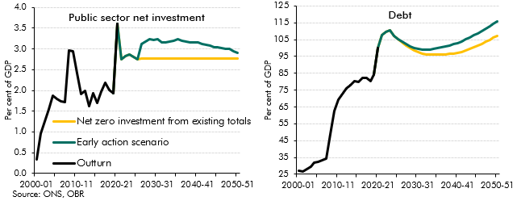

 |  | 2000-01 | 2001-02 | 2002-03 | 2003-04 | 2004-05 | 2005-06 | 2006-07 | 2007-08 | 2008-09 | 2009-10 | 2010-11 | 2011-12 | 2012-13 | 2013-14 | 2014-15 | 2015-16 | 2016-17 | 2017-18 | 2018-19 | 2019-20 | 2020-21 | 2021-22 | 2022-23 | 2023-24 | 2024-25 | 2025-26 | 2026-27 | 2027-28 | 2028-29 | 2029-30 | 2030-31 | 2031-32 | 2032-33 | 2033-34 | 2034-35 | 2035-36 | 2036-37 | 2037-38 | 2038-39 | 2039-40 | 2040-41 | 2041-42 | 2042-43 | 2043-44 | 2044-45 | 2045-46 | 2046-47 | 2047-48 | 2048-49 | 2049-50 | 2050-51
 | Public sector net investment
 | Early action scenario |  |  |  |  |  |  |  |  |  |  |  |  |  |  |  |  |  |  |  | 1.9 | 3.6 | 2.7 | 2.8 | 2.9 | 2.8 | 2.8 | 2.8 | 2.8 | 2.8 | 2.8 | 2.8 | 2.8 | 2.8 | 2.8 | 2.8 | 2.8 | 2.8 | 2.8 | 2.8 | 2.8 | 2.8 | 2.8 | 2.8 | 2.8 | 2.8 | 2.8 | 2.8 | 2.8 | 2.8 | 2.8 | 2.8
 | Net zero investment from existing totals |  |  |  |  |  |  |  |  |  |  |  |  |  |  |  |  |  |  |  | 1.9 | 3.6 | 2.7 | 2.8 | 2.9 | 2.8 | 2.8 | 3.1 | 3.2 | 3.2 | 3.2 | 3.2 | 3.2 | 3.2 | 3.2 | 3.2 | 3.2 | 3.2 | 3.2 | 3.2 | 3.2 | 3.2 | 3.1 | 3.1 | 3.1 | 3.0 | 3.0 | 3.0 | 3.0 | 3.0 | 3.0 | 2.9
 | Outturn | 0.3 | 1.0 | 1.3 | 1.5 | 1.9 | 1.8 | 1.7 | 1.7 | 3.0 | 2.9 | 2.4 | 1.9 | 2.0 | 1.6 | 1.9 | 1.7 | 2.0 | 2.2 | 2.0 | 1.9 | 3.6
 | Public sector net debt
 | Early action scenario |  |  |  |  |  |  |  |  |  |  |  |  |  |  |  |  |  |  |  | 84.4 | 100.2 | 107.5 | 109.5 | 110.6 | 107.4 | 105.3 | 103.4 | 101.6 | 99.9 | 98.6 | 97.5 | 96.8 | 96.3 | 96.0 | 96.0 | 96.0 | 96.1 | 96.3 | 96.5 | 96.8 | 97.2 | 97.8 | 98.6 | 99.5 | 100.5 | 101.6 | 102.6 | 103.7 | 104.9 | 106.1 | 107.3
 | Net zero investment from existing totals |  |  |  |  |  |  |  |  |  |  |  |  |  |  |  |  |  |  |  | 84.4 | 100.2 | 107.5 | 109.5 | 110.6 | 107.4 | 105.3 | 103.7 | 102.4 | 101.2 | 100.2 | 99.6 | 99.2 | 99.1 | 99.2 | 99.5 | 100.1 | 100.5 | 101.0 | 101.6 | 102.2 | 103.0 | 104.0 | 105.1 | 106.3 | 107.5 | 108.8 | 110.1 | 111.5 | 112.9 | 114.3 | 115.7
 | Outturn | 27.2 | 26.8 | 28.1 | 29.3 | 31.8 | 32.6 | 33.4 | 34.2 | 48.7 | 62.6 | 69.2 | 72.8 | 76.2 | 78.0 | 80.2 | 79.8 | 82.5 | 82.1 | 80.4 | 84.4 | 100.2

C3.33
Back to contents
 | Chart 3.33: Motoring tax sensitivities

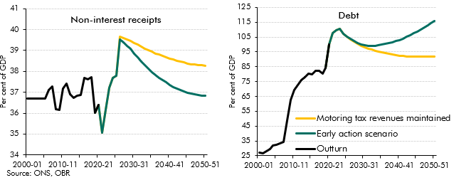

 |  | 2000-01 | 2001-02 | 2002-03 | 2003-04 | 2004-05 | 2005-06 | 2006-07 | 2007-08 | 2008-09 | 2009-10 | 2010-11 | 2011-12 | 2012-13 | 2013-14 | 2014-15 | 2015-16 | 2016-17 | 2017-18 | 2018-19 | 2019-20 | 2020-21 | 2021-22 | 2022-23 | 2023-24 | 2024-25 | 2025-26 | 2026-27 | 2027-28 | 2028-29 | 2029-30 | 2030-31 | 2031-32 | 2032-33 | 2033-34 | 2034-35 | 2035-36 | 2036-37 | 2037-38 | 2038-39 | 2039-40 | 2040-41 | 2041-42 | 2042-43 | 2043-44 | 2044-45 | 2045-46 | 2046-47 | 2047-48 | 2048-49 | 2049-50 | 2050-51
 | Non-interest receipts
 | Early action scenario |  |  |  |  |  |  |  |  |  |  |  |  |  |  |  |  |  |  |  | 36.0 | 36.4 | 35.1 | 36.1 | 37.2 | 37.7 | 37.8 | 39.5 | 39.4 | 39.2 | 39.1 | 38.9 | 38.7 | 38.5 | 38.3 | 38.1 | 38.0 | 37.8 | 37.7 | 37.6 | 37.5 | 37.4 | 37.3 | 37.2 | 37.1 | 37.0 | 37.0 | 36.9 | 36.9 | 36.9 | 36.8 | 36.8
 | Motoring tax revenues maintained |  |  |  |  |  |  |  |  |  |  |  |  |  |  |  |  |  |  |  | 36.0 | 36.4 | 35.1 | 36.1 | 37.2 | 37.7 | 37.8 | 39.7 | 39.6 | 39.5 | 39.5 | 39.4 | 39.3 | 39.2 | 39.1 | 39.0 | 38.9 | 38.9 | 38.8 | 38.7 | 38.7 | 38.6 | 38.6 | 38.5 | 38.5 | 38.4 | 38.4 | 38.4 | 38.3 | 38.3 | 38.3 | 38.3
 | Outturn | 36.7 | 36.7 | 36.7 | 36.7 | 36.7 | 36.7 | 37.1 | 37.3 | 36.2 | 36.2 | 37.2 | 37.4 | 36.9 | 36.7 | 36.8 | 36.9 | 37.7 | 37.6 | 37.7 | 36.0 | 36.4
 | Public sector net debt
 | Early action scenario |  |  |  |  |  |  |  |  |  |  |  |  |  |  |  |  |  |  |  | 84.4 | 100.2 | 107.5 | 109.5 | 110.6 | 107.4 | 105.3 | 103.7 | 102.4 | 101.2 | 100.2 | 99.6 | 99.2 | 99.1 | 99.2 | 99.5 | 100.1 | 100.5 | 101.0 | 101.6 | 102.2 | 103.0 | 104.0 | 105.1 | 106.3 | 107.5 | 108.8 | 110.1 | 111.5 | 112.9 | 114.3 | 115.7
 | Motoring tax revenues maintained |  |  |  |  |  |  |  |  |  |  |  |  |  |  |  |  |  |  |  | 84.4 | 100.2 | 107.5 | 109.5 | 110.6 | 107.4 | 105.3 | 103.6 | 102.0 | 100.5 | 99.2 | 98.1 | 97.2 | 96.4 | 95.8 | 95.3 | 95.0 | 94.5 | 94.0 | 93.4 | 92.9 | 92.5 | 92.2 | 92.0 | 92.0 | 91.9 | 91.9 | 91.8 | 91.8 | 91.8 | 91.8 | 91.7
 | Outturn | 27.2 | 26.8 | 28.1 | 29.3 | 31.8 | 32.6 | 33.4 | 34.2 | 48.7 | 62.6 | 69.2 | 72.8 | 76.2 | 78.0 | 80.2 | 79.8 | 82.5 | 82.1 | 80.4 | 84.4 | 100.2

C3.34
Back to contents
 | Chart 3.34: Long-term policy assumption sensitivities: debt-to-GDP ratio

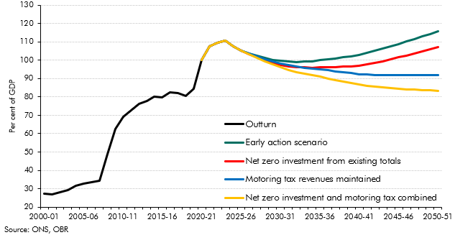

 |  | 2000-01 | 2001-02 | 2002-03 | 2003-04 | 2004-05 | 2005-06 | 2006-07 | 2007-08 | 2008-09 | 2009-10 | 2010-11 | 2011-12 | 2012-13 | 2013-14 | 2014-15 | 2015-16 | 2016-17 | 2017-18 | 2018-19 | 2019-20 | 2020-21 | 2021-22 | 2022-23 | 2023-24 | 2024-25 | 2025-26 | 2026-27 | 2027-28 | 2028-29 | 2029-30 | 2030-31 | 2031-32 | 2032-33 | 2033-34 | 2034-35 | 2035-36 | 2036-37 | 2037-38 | 2038-39 | 2039-40 | 2040-41 | 2041-42 | 2042-43 | 2043-44 | 2044-45 | 2045-46 | 2046-47 | 2047-48 | 2048-49 | 2049-50 | 2050-51
 | Early action scenario |  |  |  |  |  |  |  |  |  |  |  |  |  |  |  |  |  |  |  |  | 100.2 | 107.5 | 109.5 | 110.6 | 107.4 | 105.3 | 103.7 | 102.4 | 101.2 | 100.2 | 99.6 | 99.2 | 99.1 | 99.2 | 99.5 | 100.1 | 100.5 | 101.0 | 101.6 | 102.2 | 103.0 | 104.0 | 105.1 | 106.3 | 107.5 | 108.8 | 110.1 | 111.5 | 112.9 | 114.3 | 115.7
 | Net zero investment from existing totals |  |  |  |  |  |  |  |  |  |  |  |  |  |  |  |  |  |  |  |  | 100.2 | 107.5 | 109.5 | 110.6 | 107.4 | 105.3 | 103.4 | 101.6 | 99.9 | 98.6 | 97.5 | 96.8 | 96.3 | 96.0 | 96.0 | 96.0 | 96.1 | 96.3 | 96.5 | 96.8 | 97.2 | 97.8 | 98.6 | 99.5 | 100.5 | 101.6 | 102.6 | 103.7 | 104.9 | 106.1 | 107.3
 | Motoring tax revenues maintained |  |  |  |  |  |  |  |  |  |  |  |  |  |  |  |  |  |  |  |  | 100.2 | 107.5 | 109.5 | 110.6 | 107.4 | 105.3 | 103.6 | 102.0 | 100.5 | 99.2 | 98.1 | 97.2 | 96.4 | 95.8 | 95.3 | 95.0 | 94.5 | 94.0 | 93.4 | 92.9 | 92.5 | 92.2 | 92.0 | 92.0 | 91.9 | 91.9 | 91.8 | 91.8 | 91.8 | 91.8 | 91.7
 | Net zero investment and motoring revenues maintained |  |  |  |  |  |  |  |  |  |  |  |  |  |  |  |  |  |  |  |  | 100.2 | 107.5 | 109.5 | 110.6 | 107.4 | 105.3 | 103.2 | 101.3 | 99.3 | 97.6 | 96.1 | 94.8 | 93.6 | 92.7 | 91.8 | 91.0 | 90.1 | 89.2 | 88.3 | 87.5 | 86.7 | 86.1 | 85.6 | 85.2 | 84.9 | 84.6 | 84.3 | 84.0 | 83.8 | 83.6 | 83.3
 | Outturn | 27.2 | 26.8 | 28.1 | 29.3 | 31.8 | 32.6 | 33.4 | 34.2 | 48.7 | 62.6 | 69.2 | 72.8 | 76.2 | 78.0 | 80.2 | 79.8 | 82.5 | 82.1 | 80.4 | 84.4 | 100.2

C3.35
Back to contents
 | Chart 3.35: Contributions to PSND scenario differences from baseline

 | Debt interest spending | Indirect effects | Net zero public spending | Carbon tax revenues | Net zero receipts losses | Denominator effect | Overall effect
Investment included and motoring maintained | -5.2 | 4.7 | 0.4 | -14.2 | 1.3 | 1.4 | -11.6
Motoring tax revenues maintained | -2.4 | 4.7 | 6.0 | -14.2 | 1.3 | 1.4 | -3.2
High productivity variant | 1.6 | -0.8 | 5.8 | -13.8 | 18.8 | -1.5 | 10.2
Net zero investment from existing totals | 0.7 | 4.7 | 0.4 | -14.2 | 19.4 | 1.4 | 12.3
Low spending variant | 1.8 | 4.7 | 2.5 | -14.2 | 19.4 | 1.4 | 15.6
Early action scenario | 3.5 | 4.7 | 6.0 | -14.2 | 19.4 | 1.4 | 20.7
High spending variant | 5.4 | 4.7 | 9.9 | -14.2 | 19.4 | 1.4 | 26.5
Low productivity variant | 5.5 | 10.6 | 6.2 | -14.7 | 20.0 | 4.4 | 31.9
Late action scenario | 9.7 | 12.7 | 11.8 | -14.2 | 18.6 | 4.6 | 43.3

 |  | Investment included and motoring maintained | Motoring tax revenues maintained | High productivity variant | Net zero investment from existing totals | Low spending variant | Early action scenario | High spending variant | Low productivity variant | Late action scenario
 | Overall effect | -11.6 | -3.2 | 10.2 | 12.3 | 15.6 | 20.7 | 26.6 | 31.9 | 43.3
 | Denominator effect | 1.4 | 1.4 | -1.5 | 1.4 | 1.4 | 1.4 | 1.4 | 4.4 | 4.6
 | Net zero receipts losses | 1.3 | 1.3 | 18.8 | 19.4 | 19.4 | 19.4 | 19.4 | 20.0 | 18.6
 | Carbon tax revenues | -14.2 | -14.2 | -13.8 | -14.2 | -14.2 | -14.2 | -14.2 | -14.7 | -14.2
 | Net zero public spending | 0.4 | 6.0 | 5.8 | 0.4 | 2.5 | 6.0 | 10.0 | 6.2 | 11.8
 | Indirect effects | 4.7 | 4.7 | -0.8 | 4.7 | 4.7 | 4.7 | 4.7 | 10.6 | 12.7
 | Debt interest spending | -5.2 | -2.4 | 1.6 | 0.7 | 1.8 | 3.5 | 5.4 | 5.5 | 9.7

