Introduction
Fiscal risk register

This spreadsheet was published alongside Fiscal risks report 2019

This spreadsheet contains a fiscal risk register, compiled by the OBR. It contains issues and risks from the economy, financial sector, to tax revenues, public spending and the balance sheet that we have identified in Fiscal risks report 2017 and Fiscal risks report 2019.
All issues raised in the 'Risk register' sheet (those with an assigned number) are discussed in the Fiscal risks report and listed at the end of each chapter. If we highlighted an issue in the 2017 report, we have judged whether the impact and/or probability of the issue has increased, unchanged or decreased since 2017. This can change for a number of reasons, within the Government's control or not. This is discussed in the report.
For some of these issues, we have estimated the probability that a specific risk will crystallise and the impact it would have on public sector net debt by 2023-24 (medium term) or 2068-69 (long term). These are visualised in the figures below. Press 1 in the top corner to hide these
Overtime, risks could either crystallise or subside due to Government action or outside factors. See the 'Crystallised or subsided risks' sheet for a list of these old risks.

Figure 1: Sources of fiscal risk over the medium term
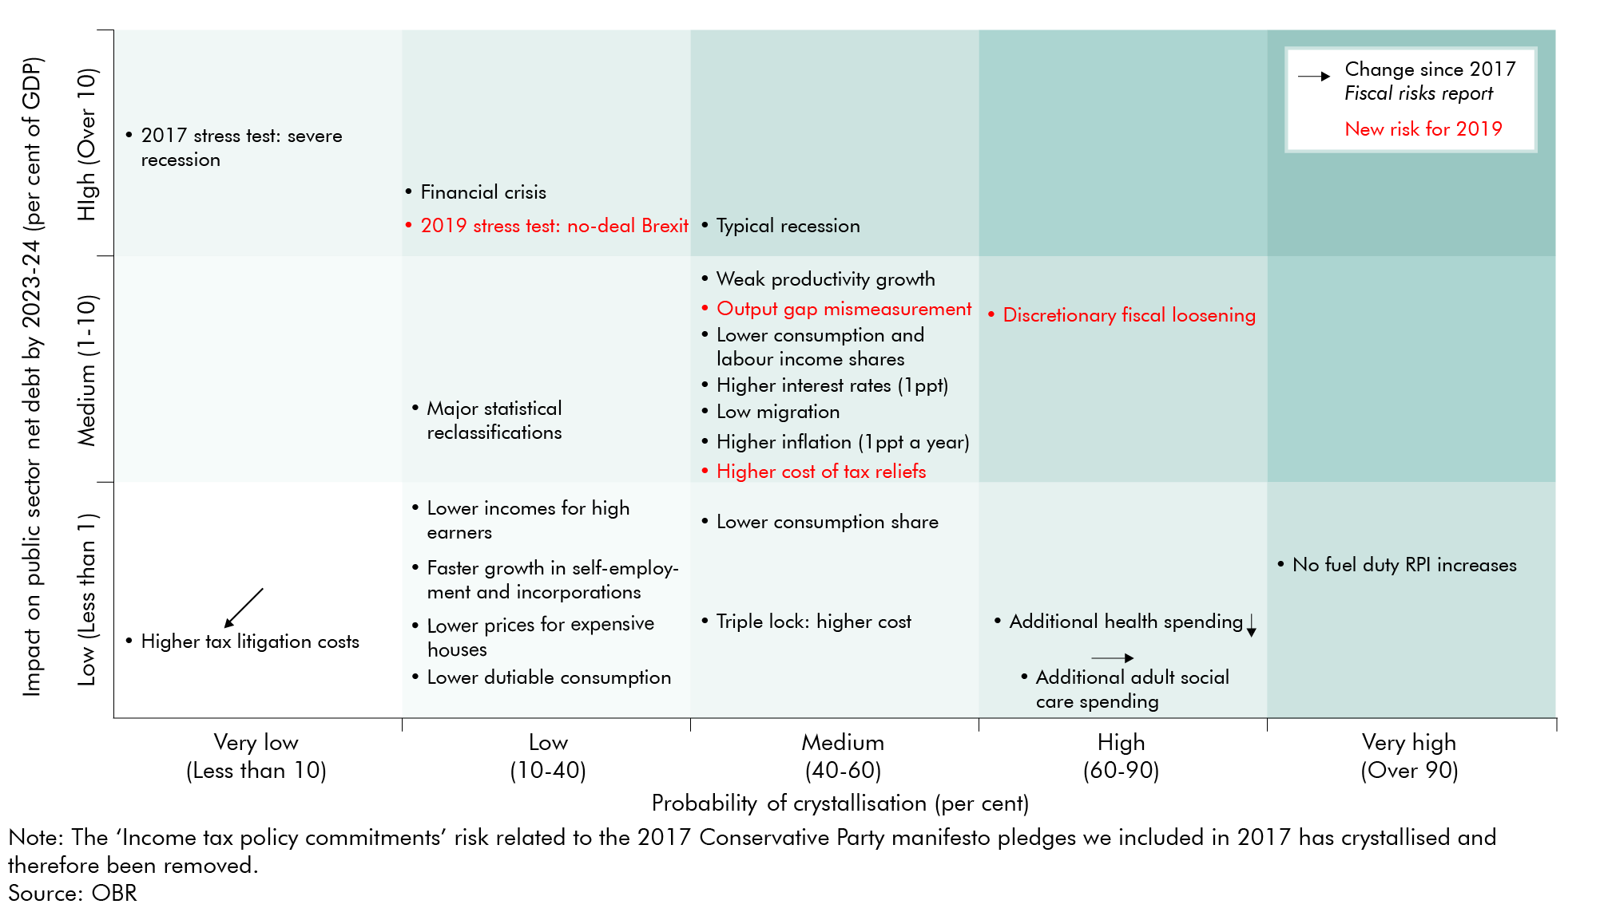

Figure 2: Sources of risk to fiscal sustainability
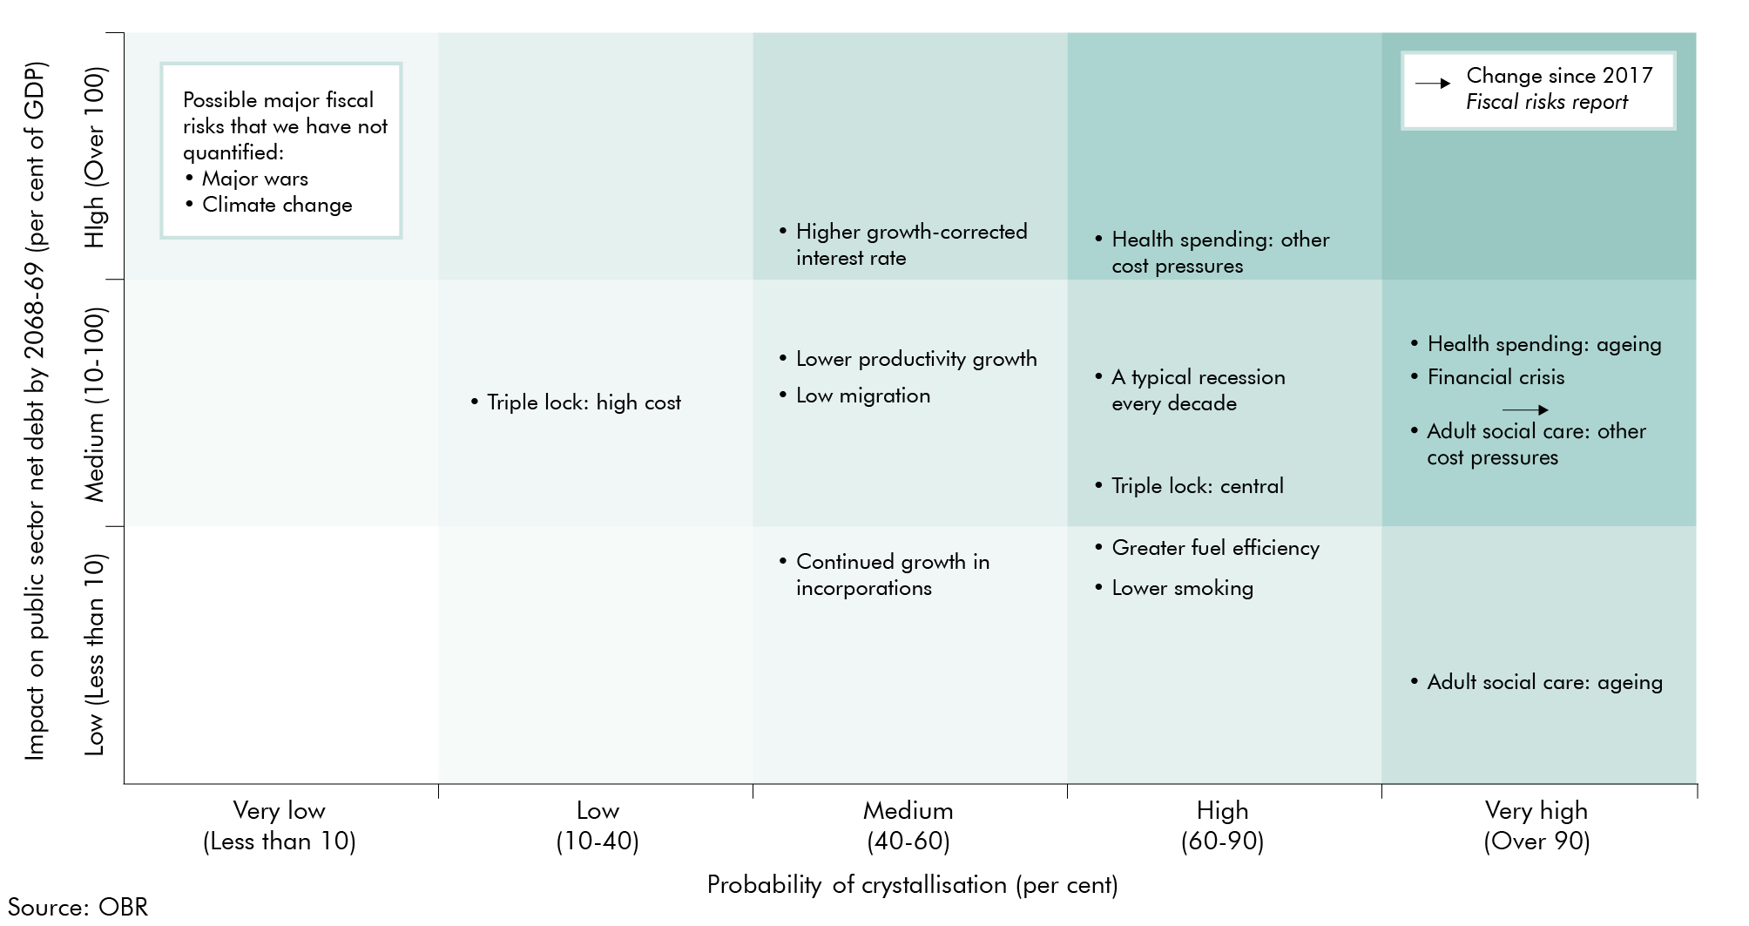

Notes

1 | To see our methodology behind the estimate of the impact on PSND and probability of crystallisation, see July 2019 Fiscal risks report - charts and tables: ES - Ch3, sheet "F1" and "F2"
2 | The OBR intends to update this database after each Fiscal risks report. We would welcome any feedback on the detail or format of this database to feedback@obr.uk

