C8.1
Back to contents
 | Chart 8.1: Explaining annual changes in net borrowing since 2007-08

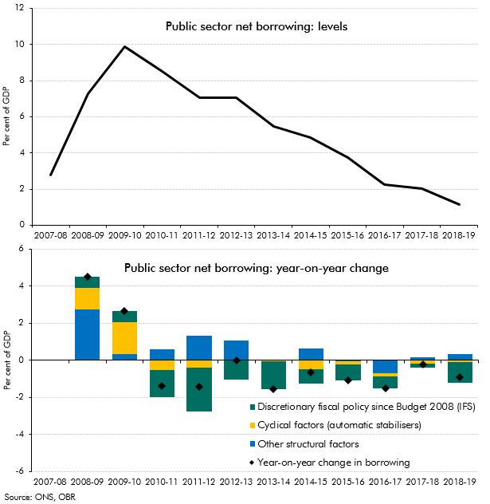

 |  | Per cent of GDP
 |  | Public sector net borrowing: levels
 | 2007-08 | 2.8
 | 2008-09 | 7.3
 | 2009-10 | 9.9
 | 2010-11 | 8.5
 | 2011-12 | 7.0
 | 2012-13 | 7.0
 | 2013-14 | 5.5
 | 2014-15 | 4.8
 | 2015-16 | 3.8
 | 2016-17 | 2.3
 | 2017-18 | 2.0
 | 2018-19 | 1.1
 |  | Per cent of GDP
 |  | Public sector net borrowing: year-on-year change
 |  | Year-on-year change in borrowing | Discretionary fiscal policy since Budget 2008 (IFS) | Cyclical factors (automatic stabilisers) | Other structural factors
 | 2007-08
 | 2008-09 | 4.5 | 0.6 | 1.2 | 2.7
 | 2009-10 | 2.6 | 0.6 | 1.7 | 0.3
 | 2010-11 | -1.4 | -1.5 | -0.5 | 0.6
 | 2011-12 | -1.4 | -2.3 | -0.4 | 1.3
 | 2012-13 | 0.0 | -1.0 | 0.0 | 1.0
 | 2013-14 | -1.5 | -1.5 | -0.1 | 0.0
 | 2014-15 | -0.6 | -0.8 | -0.5 | 0.6
 | 2015-16 | -1.1 | -0.8 | -0.2 | -0.1
 | 2016-17 | -1.5 | -0.6 | -0.2 | -0.7
 | 2017-18 | -0.2 | -0.2 | -0.2 | 0.2
 | 2018-19 | -0.9 | -1.1 | -0.1 | 0.3

C8.2
Back to contents
 | Chart 8.2: Headroom against successive fiscal mandates since June 2010

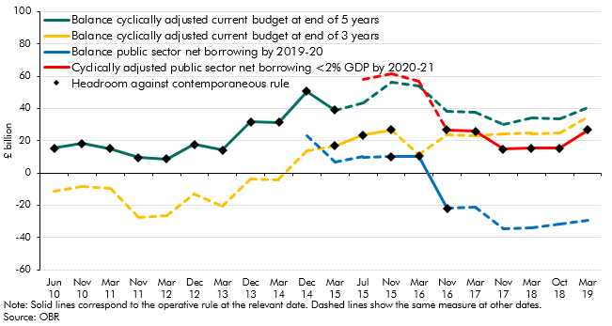

 |  | £ billion
 |  | Balance cyclically adjusted current budget at end of 5 years | Balance cyclically adjusted current budget at end of 3 years | Balance public sector net borrowing by 2019-20 | Cyclically adjusted public sector net borrowing <2% GDP by 2020-21 | Headroom against contemporaneous rule
 | Jun 10 | 15.5 | -11.1 |  |  | 15.5
 | Nov 10 | 18.2 | -8.7 |  |  | 18.2
 | Mar 11 | 15.1 | -9.9 |  |  | 15.1
 | Nov 11 | 9.5 | -27.6 |  |  | 9.5
 | Mar 12 | 8.7 | -26.7 |  |  | 8.7
 | Dec 12 | 17.7 | -13.3 |  |  | 17.7
 | Mar 13 | 14.2 | -20.5 |  |  | 14.2
 | Dec 13 | 31.6 | -3.8 |  |  | 31.6
 | Mar 14 | 31.3 | -4.1 |  |  | 31.3
 | Dec 14 | 50.6 | 13.7 | 23.1 |  | 50.6
 | Mar 15 | 38.8 | 16.8 | 7.0 |  | 16.8
 | Jul 15 | 43.7 | 23.4 | 10.0 | 58.1 | 23.4
 | Nov 15 | 56.0 | 26.4 | 10.1 | 61.8 | 10.1
 | Mar 16 | 53.7 | 11.4 | 10.4 | 57.0 | 10.4
 | Nov 16 | 38.0 | 23.9 | -21.9 | 26.6 | -21.9
 | Mar 17 | 37.5 | 22.9 | -21.4 | 25.8 | 25.8
 | Nov 17 | 29.9 | 24.0 | -34.7 | 14.8 | 14.8
 | Mar 18 | 34.2 | 24.7 | -33.9 | 15.2 | 15.2
 | Oct 18 | 33.5 | 24.9 | -31.8 | 15.4 | 15.4
 | Mar 19 | 40.4 | 34.5 | -29.3 | 26.6 | 26.6

C8.3
Back to contents
 | Chart 8.3: Sources of revision to PSNB forecasts since June 2010

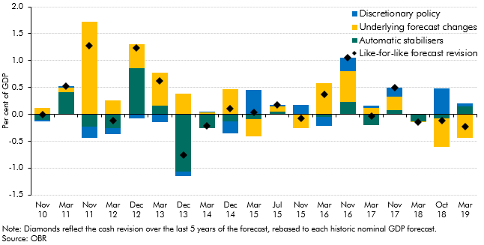

 |  | Per cent of GDP
 |  | Like-for-like forecast revision | Automatic stabilisers | Underlying forecast changes | Discretionary policy
 | Nov 10 | 0.0 | -0.1 | 0.1 | 0.0
 | Mar 11 | 0.5 | 0.4 | 0.1 | 0.0
 | Nov 11 | 1.3 | -0.2 | 1.7 | -0.2
 | Mar 12 | -0.1 | -0.3 | 0.3 | -0.1
 | Dec 12 | 1.2 | 0.9 | 0.4 | -0.1
 | Mar 13 | 0.6 | 0.2 | 0.6 | -0.1
 | Dec 13 | -0.8 | -1.1 | 0.4 | -0.1
 | Mar 14 | -0.2 | -0.3 | 0.0 | 0.0
 | Dec 14 | 0.1 | -0.1 | 0.5 | -0.2
 | Mar 15 | 0.0 | -0.1 | -0.3 | 0.5
 | Jul 15 | 0.2 | 0.1 | 0.1 | 0.0
 | Nov 15 | -0.1 | 0.0 | -0.3 | 0.2
 | Mar 16 | 0.4 | -0.1 | 0.6 | -0.2
 | Nov 16 | 1.1 | 0.2 | 0.6 | 0.2
 | Mar 17 | 0.0 | -0.2 | 0.1 | 0.0
 | Nov 17 | 0.5 | 0.1 | 0.3 | 0.2
 | Mar 18 | -0.1 | -0.1 | 0.0 | 0.0
 | Oct 18 | -0.1 | -0.1 | -0.5 | 0.5
 | Mar 19 | -0.2 | 0.2 | -0.4 | 0.1

C8.4
Back to contents
 | Chart 8.4: Discretionary policy responses to our underlying forecast revisions

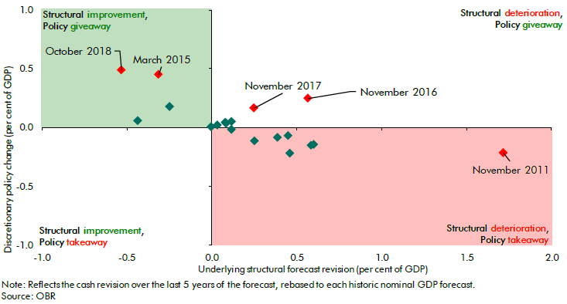

 |  | Per cent of GDP
 |  | Underlying structural forecast revision | Discretionary policy change
 | Nov 10 | 0.1 | 0.0
 | Mar 11 | 0.1 | 0.0
 | Nov 11 | 1.7 | -0.2
 | Mar 12 | 0.3 | -0.1
 | Dec 12 | 0.4 | -0.1
 | Mar 13 | 0.6 | -0.1
 | Dec 13 | 0.4 | -0.1
 | Mar 14 | 0.0 | 0.0
 | Dec 14 | 0.5 | -0.2
 | Mar 15 | -0.3 | 0.5
 | Jul 15 | 0.1 | 0.0
 | Nov 15 | -0.3 | 0.2
 | Mar 16 | 0.6 | -0.2
 | Nov 16 | 0.6 | 0.2
 | March 17 | 0.1 | 0.0
 | Nov 17 | 0.3 | 0.2
 | Mar 18 | 0.0 | 0.0
 | Oct 18 | -0.5 | 0.5
 | Mar 19 | -0.4 | 0.1

C8.5
Back to contents
 | Chart 8.5: Cumulative effect of discretionary policy since June 2010

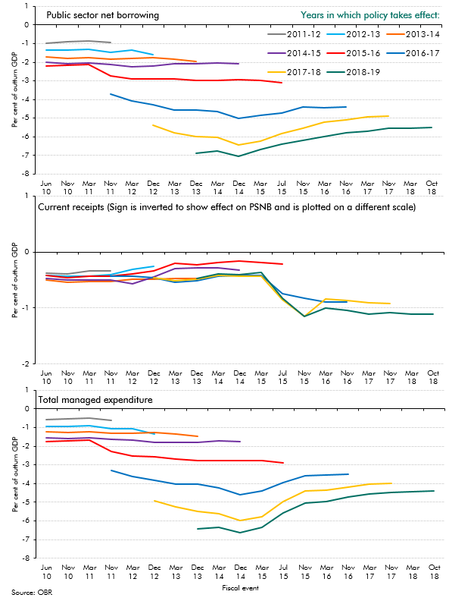

 | Per cent of outturn GDP
 |  | PSNB
 |  | 2011-12 | 2012-13 | 2013-14 | 2014-15 | 2015-16 | 2016-17 | 2017-18 | 2018-19
 | Jun 10 | -1.0 | -1.4 | -1.7 | -2.0 | -2.2
 | Nov 10 | -0.9 | -1.4 | -1.8 | -2.1 | -2.1
 | Mar 11 | -0.9 | -1.3 | -1.8 | -2.1 | -2.1
 | Nov 11 | -1.0 | -1.5 | -1.8 | -2.1 | -2.7 | -3.7
 | Mar 12 |  | -1.4 | -1.8 | -2.3 | -2.9 | -4.1
 | Dec 12 |  | -1.6 | -1.8 | -2.2 | -2.9 | -4.3 | -5.4
 | Mar 13 |  |  | -1.8 | -2.1 | -2.9 | -4.6 | -5.8
 | Dec 13 |  |  | -1.9 | -2.1 | -3.0 | -4.6 | -6.0 | -6.9
 | Mar 14 |  |  |  | -2.0 | -3.0 | -4.7 | -6.0 | -6.8
 | Dec 14 |  |  |  | -2.1 | -2.9 | -5.0 | -6.4 | -7.0
 | Mar 15 |  |  |  |  | -3.0 | -4.8 | -6.2 | -6.7
 | Jul 15 |  |  |  |  | -3.1 | -4.7 | -5.8 | -6.4
 | Nov 15 |  |  |  |  |  | -4.4 | -5.5 | -6.2
 | Mar 16 |  |  |  |  |  | -4.5 | -5.2 | -6.0
 | Nov 16 |  |  |  |  |  | -4.4 | -5.1 | -5.8
 | Mar 17 |  |  |  |  |  |  | -4.9 | -5.7
 | Nov 17 |  |  |  |  |  |  | -4.9 | -5.6
 | Mar 18 |  |  |  |  |  |  |  | -5.6
 | Oct 18 |  |  |  |  |  |  |  | -5.5
 |  | PSCR
 |  | 2011-12 | 2012-13 | 2013-14 | 2014-15 | 2015-16 | 2016-17 | 2017-18 | 2018-19
 | Jun 10 | -0.4 | -0.4 | -0.5 | -0.5 | -0.4
 | Nov 10 | -0.4 | -0.4 | -0.5 | -0.5 | -0.5
 | Mar 11 | -0.3 | -0.4 | -0.5 | -0.5 | -0.4
 | Nov 11 | -0.3 | -0.4 | -0.5 | -0.5 | -0.4 | -0.4
 | Mar 12 |  | -0.3 | -0.5 | -0.6 | -0.4 | -0.4
 | Dec 12 |  | -0.3 | -0.5 | -0.4 | -0.3 | -0.5 | -0.5
 | Mar 13 |  |  | -0.5 | -0.3 | -0.2 | -0.5 | -0.5
 | Dec 13 |  |  | -0.5 | -0.3 | -0.2 | -0.5 | -0.5 | -0.5
 | Mar 14 |  |  |  | -0.3 | -0.2 | -0.4 | -0.4 | -0.4
 | Dec 14 |  |  |  | -0.3 | -0.2 | -0.4 | -0.4 | -0.4
 | Mar 15 |  |  |  |  | -0.2 | -0.4 | -0.4 | -0.4
 | Jul 15 |  |  |  |  | -0.2 | -0.7 | -0.9 | -0.8
 | Nov 15 |  |  |  |  |  | -0.8 | -1.1 | -1.1
 | Mar 16 |  |  |  |  |  | -0.9 | -0.8 | -1.0
 | Nov 16 |  |  |  |  |  | -0.9 | -0.9 | -1.0
 | Mar 17 |  |  |  |  |  |  | -0.9 | -1.1
 | Nov 17 |  |  |  |  |  |  | -0.9 | -1.1
 | Mar 18 |  |  |  |  |  |  |  | -1.1
 | Oct 18 |  |  |  |  |  |  |  | -1.1
 |  | TME
 |  | 2011-12 | 2012-13 | 2013-14 | 2014-15 | 2015-16 | 2016-17 | 2017-18 | 2018-19
 | Jun 10 | -0.6 | -0.9 | -1.2 | -1.5 | -1.8
 | Nov 10 | -0.5 | -0.9 | -1.3 | -1.6 | -1.7
 | Mar 11 | -0.5 | -0.9 | -1.2 | -1.6 | -1.7
 | Nov 11 | -0.6 | -1.0 | -1.3 | -1.6 | -2.3 | -3.3
 | Mar 12 |  | -1.0 | -1.3 | -1.7 | -2.5 | -3.6
 | Dec 12 |  | -1.3 | -1.3 | -1.8 | -2.6 | -3.8 | -4.9
 | Mar 13 |  |  | -1.3 | -1.8 | -2.7 | -4.0 | -5.3
 | Dec 13 |  |  | -1.5 | -1.8 | -2.8 | -4.0 | -5.5 | -6.4
 | Mar 14 |  |  |  | -1.7 | -2.8 | -4.2 | -5.6 | -6.4
 | Dec 14 |  |  |  | -1.7 | -2.8 | -4.6 | -6.0 | -6.6
 | Mar 15 |  |  |  |  | -2.8 | -4.4 | -5.8 | -6.3
 | Jul 15 |  |  |  |  | -2.9 | -4.0 | -5.0 | -5.6
 | Nov 15 |  |  |  |  |  | -3.6 | -4.4 | -5.0
 | Mar 16 |  |  |  |  |  | -3.6 | -4.4 | -5.0
 | Nov 16 |  |  |  |  |  | -3.5 | -4.2 | -4.7
 | Mar 17 |  |  |  |  |  |  | -4.0 | -4.6
 | Nov 17 |  |  |  |  |  |  | -4.0 | -4.5
 | Mar 18 |  |  |  |  |  |  |  | -4.4
 | Oct 18 |  |  |  |  |  |  |  | -4.4

C8.6
Back to contents
 | Chart 8.6: Cumulative effect of DEL policy decisions since June 2010

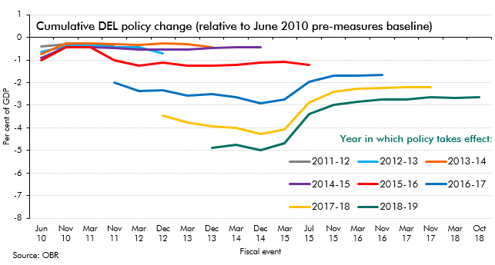

 |  | Per cent of GDP
 |  | 2010-11 | 2011-12 | 2012-13 | 2013-14 | 2014-15 | 2015-16 | 2016-17 | 2017-18 | 2018-19
 | Jun 10 | -0.3 | -0.4 | -0.6 | -0.7 | -0.9 | -1.0
 | Nov 10 |  | -0.3 | -0.4 | -0.3 | -0.4 | -0.4
 | Mar 11 |  | -0.3 | -0.3 | -0.3 | -0.4 | -0.4
 | Nov 11 |  | -0.4 | -0.4 | -0.3 | -0.5 | -1.0 | -2.0
 | Mar 12 |  |  | -0.4 | -0.3 | -0.5 | -1.3 | -2.4
 | Dec 12 |  |  | -0.7 | -0.3 | -0.5 | -1.1 | -2.3 | -3.5
 | Mar 13 |  |  |  | -0.3 | -0.5 | -1.3 | -2.6 | -3.8
 | Dec 13 |  |  |  | -0.4 | -0.5 | -1.2 | -2.5 | -3.9 | -4.9
 | Mar 14 |  |  |  |  | -0.4 | -1.2 | -2.6 | -4.0 | -4.8
 | Dec 14 |  |  |  |  | -0.4 | -1.1 | -2.9 | -4.3 | -5.0
 | Mar 15 |  |  |  |  |  | -1.1 | -2.7 | -4.1 | -4.7
 | Jul 15 |  |  |  |  |  | -1.2 | -2.0 | -2.9 | -3.4
 | Nov 15 |  |  |  |  |  |  | -1.7 | -2.4 | -3.0
 | Mar 16 |  |  |  |  |  |  | -1.7 | -2.3 | -2.8
 | Nov 16 |  |  |  |  |  |  | -1.7 | -2.2 | -2.8
 | Mar 17 |  |  |  |  |  |  |  | -2.2 | -2.7
 | Nov 17 |  |  |  |  |  |  |  | -2.2 | -2.7
 | Mar 18 |  |  |  |  |  |  |  |  | -2.7
 | Oct 18 |  |  |  |  |  |  |  |  | -2.6

C8.7
Back to contents
 | Chart 8.7: Cumulative changes in RDEL since 2014-15

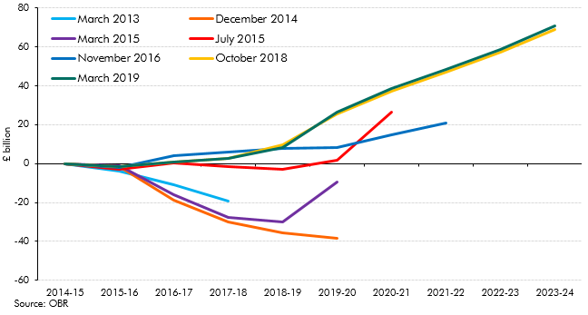

 |  | £ billion
 |  | 2014-15 | 2015-16 | 2016-17 | 2017-18 | 2018-19 | 2019-20 | 2020-21 | 2021-22 | 2022-23 | 2023-24
 | March 2013 | 0.0 | -3.8 | -10.7 | -19.0
 | December 2014 | 0.0 | -1.3 | -18.7 | -29.9 | -35.5 | -38.3
 | March 2015 | 0.0 | -0.9 | -15.8 | -27.7 | -30.1 | -9.4
 | July 2015 | 0.0 | -3.0 | 0.5 | -1.6 | -2.7 | 1.9 | 26.6
 | November 2016 | 0.0 | -1.8 | 4.3 | 5.8 | 7.9 | 8.5 | 14.6 | 21.0
 | October 2018 | 0.0 | -1.4 | 0.8 | 2.8 | 9.8 | 25.7 | 37.3 | 47.0 | 57.2 | 68.8
 | March 2019 | 0.0 | -1.4 | 0.8 | 2.8 | 8.3 | 26.3 | 38.7 | 48.4 | 58.8 | 71.0

C8.8
Back to contents
 | Chart 8.8: Maximum levels of borrowing consistent with the debt-to-GDP ratio falling

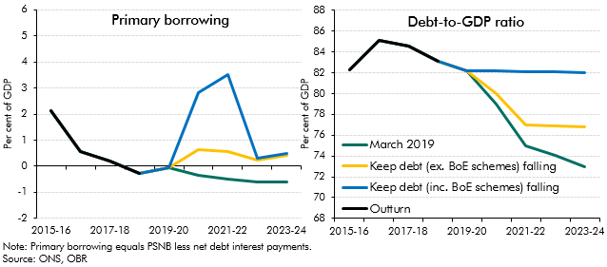

 |  | Primary borrowing (per cent of GDP)
 |  | 2015-16 | 2016-17 | 2017-18 | 2018-19 | 2019-20 | 2020-21 | 2021-22 | 2022-23 | 2023-24
 | March 2019 | 2.1 | 0.6 | 0.2 | -0.3 | -0.1 | -0.4 | -0.5 | -0.6 | -0.6
 | Keep debt-to-GDP falling (ex.BoE schemes) | 2.1 | 0.6 | 0.2 | -0.3 | -0.1 | 0.6 | 0.6 | 0.2 | 0.4
 | Keep debt-to-GDP falling (inc. BoE schemes) | 2.1 | 0.6 | 0.2 | -0.3 | -0.1 | 2.8 | 3.5 | 0.3 | 0.5
 | Outturn | 2.1 | 0.6 | 0.2 | -0.3
 |  | Debt-to-GDP ratio (per cent of GDP)
 |  | 2015-16 | 2016-17 | 2017-18 | 2018-19 | 2019-20 | 2020-21 | 2021-22 | 2022-23 | 2023-24
 | March 2019 | 82.3 | 85.1 | 84.6 | 83.1 | 82.2 | 79.0 | 74.9 | 74.0 | 73.0
 | Keep debt (ex. BoE schemes) falling | 82.3 | 85.1 | 84.6 | 83.1 | 82.2 | 80.0 | 77.0 | 76.9 | 76.8
 | Keep debt (inc. BoE schemes) falling | 82.3 | 85.1 | 84.6 | 83.1 | 82.2 | 82.2 | 82.1 | 82.1 | 82.0
 | Outturn | 82.3 | 85.1 | 84.6 | 83.1

C9.1
Back to contents
 | Chart 9.1: Global average temperature

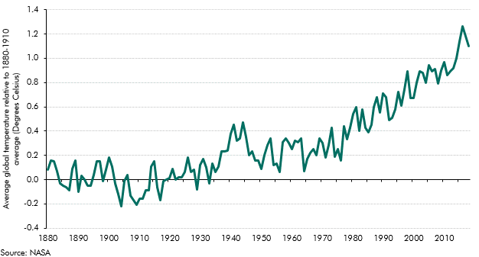

 | Year | Average global tempature relative to 1880-1910 average (degrees celcius)
 | 1880 | 0.1
 | 1881 | 0.2
 | 1882 | 0.2
 | 1883 | 0.1
 | 1884 | 0.0
 | 1885 | 0.0
 | 1886 | -0.1
 | 1887 | -0.1
 | 1888 | 0.1
 | 1889 | 0.2
 | 1890 | -0.1
 | 1891 | 0.0
 | 1892 | 0.0
 | 1893 | 0.0
 | 1894 | 0.0
 | 1895 | 0.0
 | 1896 | 0.2
 | 1897 | 0.2
 | 1898 | 0.0
 | 1899 | 0.1
 | 1900 | 0.2
 | 1901 | 0.1
 | 1902 | 0.0
 | 1903 | -0.1
 | 1904 | -0.2
 | 1905 | 0.0
 | 1906 | 0.0
 | 1907 | -0.1
 | 1908 | -0.2
 | 1909 | -0.2
 | 1910 | -0.2
 | 1911 | -0.2
 | 1912 | -0.1
 | 1913 | -0.1
 | 1914 | 0.1
 | 1915 | 0.2
 | 1916 | -0.1
 | 1917 | -0.2
 | 1918 | 0.0
 | 1919 | 0.0
 | 1920 | 0.0
 | 1921 | 0.1
 | 1922 | 0.0
 | 1923 | 0.0
 | 1924 | 0.0
 | 1925 | 0.1
 | 1926 | 0.2
 | 1927 | 0.1
 | 1928 | 0.1
 | 1929 | -0.1
 | 1930 | 0.1
 | 1931 | 0.2
 | 1932 | 0.1
 | 1933 | 0.0
 | 1934 | 0.1
 | 1935 | 0.1
 | 1936 | 0.1
 | 1937 | 0.2
 | 1938 | 0.2
 | 1939 | 0.2
 | 1940 | 0.4
 | 1941 | 0.5
 | 1942 | 0.3
 | 1943 | 0.3
 | 1944 | 0.5
 | 1945 | 0.4
 | 1946 | 0.2
 | 1947 | 0.2
 | 1948 | 0.2
 | 1949 | 0.2
 | 1950 | 0.1
 | 1951 | 0.2
 | 1952 | 0.3
 | 1953 | 0.3
 | 1954 | 0.1
 | 1955 | 0.1
 | 1956 | 0.1
 | 1957 | 0.3
 | 1958 | 0.3
 | 1959 | 0.3
 | 1960 | 0.3
 | 1961 | 0.3
 | 1962 | 0.3
 | 1963 | 0.3
 | 1964 | 0.1
 | 1965 | 0.2
 | 1966 | 0.2
 | 1967 | 0.3
 | 1968 | 0.2
 | 1969 | 0.3
 | 1970 | 0.3
 | 1971 | 0.2
 | 1972 | 0.3
 | 1973 | 0.4
 | 1974 | 0.2
 | 1975 | 0.3
 | 1976 | 0.2
 | 1977 | 0.4
 | 1978 | 0.3
 | 1979 | 0.4
 | 1980 | 0.5
 | 1981 | 0.6
 | 1982 | 0.4
 | 1983 | 0.6
 | 1984 | 0.4
 | 1985 | 0.4
 | 1986 | 0.5
 | 1987 | 0.6
 | 1988 | 0.7
 | 1989 | 0.6
 | 1990 | 0.7
 | 1991 | 0.7
 | 1992 | 0.5
 | 1993 | 0.5
 | 1994 | 0.6
 | 1995 | 0.7
 | 1996 | 0.6
 | 1997 | 0.7
 | 1998 | 0.9
 | 1999 | 0.7
 | 2000 | 0.7
 | 2001 | 0.8
 | 2002 | 0.9
 | 2003 | 0.9
 | 2004 | 0.8
 | 2005 | 0.9
 | 2006 | 0.9
 | 2007 | 0.9
 | 2008 | 0.8
 | 2009 | 0.9
 | 2010 | 1.0
 | 2011 | 0.9
 | 2012 | 0.9
 | 2013 | 0.9
 | 2014 | 1.0
 | 2015 | 1.1
 | 2016 | 1.3
 | 2017 | 1.2
 | 2018 | 1.1

C10.1
Back to contents
 | Chart 10.1: Real GDP: stress test vs March forecast

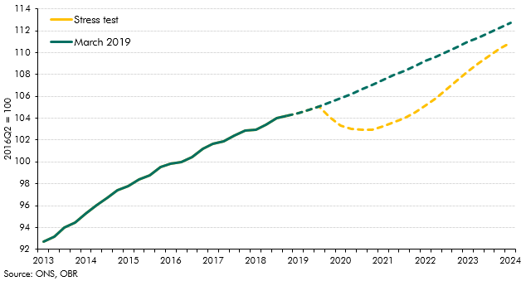

 |  | Stress test | March 2019
 | 2013Q1 | 92.7 | 92.7
 | 2013Q2 | 93.2 | 93.2
 | 2013Q3 | 94.0 | 94.0
 | 2013Q4 | 94.5 | 94.5
 | 2014Q1 | 95.3 | 95.3
 | 2014Q2 | 96.1 | 96.1
 | 2014Q3 | 96.7 | 96.7
 | 2014Q4 | 97.4 | 97.4
 | 2015 Q1 | 97.8 | 97.8
 | 2015Q2 | 98.4 | 98.4
 | 2015Q3 | 98.8 | 98.8
 | 2015Q4 | 99.5 | 99.5
 | 2016Q1 | 99.8 | 99.8
 | 2016Q2 | 100.0 | 100.0
 | 2016Q3 | 100.5 | 100.5
 | 2016Q4 | 101.2 | 101.2
 | 2017Q1 | 101.6 | 101.6
 | 2017Q2 | 101.9 | 101.9
 | 2017Q3 | 102.4 | 102.4
 | 2017Q4 | 102.9 | 102.9
 | 2018Q1 | 103.0 | 103.0
 | 2018Q2 | 103.4 | 103.4
 | 2018Q3 | 104.0 | 104.0
 | 2018Q4 | 104.2 | 104.2
 | 2019Q1 | 104.4 | 104.4
 | 2019Q2 | 104.7 | 104.7
 | 2019Q3 | 105.1 | 105.1
 | 2019Q4 | 104.0 | 105.5
 | 2020Q1 | 103.3 | 105.8
 | 2020Q2 | 103.0 | 106.2
 | 2020Q3 | 102.9 | 106.6
 | 2020Q4 | 103.0 | 107.1
 | 2021Q1 | 103.3 | 107.5
 | 2021Q2 | 103.6 | 107.9
 | 2021Q3 | 104.0 | 108.4
 | 2021Q4 | 104.5 | 108.8
 | 2022Q1 | 105.1 | 109.2
 | 2022Q2 | 105.8 | 109.7
 | 2022Q3 | 106.6 | 110.1
 | 2022Q4 | 107.5 | 110.5
 | 2023Q1 | 108.3 | 111.0
 | 2023Q2 | 109.0 | 111.4
 | 2023Q3 | 109.7 | 111.8
 | 2023Q4 | 110.3 | 112.3
 | 2024Q1 | 110.9 | 112.8

C10.2
Back to contents
 | Chart 10.2: Contributions to difference in nominal GDP from March forecast

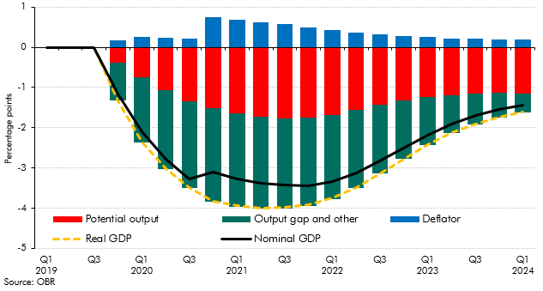

 |  |  | Nominal GDP | Deflator | Potential output | Output gap and other | Real GDP
 | 2019 | Q1 | 0.0 | 0.0 | 0.0 | 0.0 | 0.0
 |  | Q2 | 0.0 | 0.0 | 0.0 | 0.0 | 0.0
 |  | Q3 | 0.0 | 0.0 | 0.0 | 0.0 | 0.0
 |  | Q4 | -1.2 | 0.2 | -0.4 | -0.9 | -1.3
 | 2020 | Q1 | -2.1 | 0.2 | -0.7 | -1.6 | -2.4
 |  | Q2 | -2.8 | 0.2 | -1.1 | -2.0 | -3.0
 |  | Q3 | -3.3 | 0.2 | -1.3 | -2.2 | -3.5
 |  | Q4 | -3.1 | 0.7 | -1.5 | -2.3 | -3.8
 | 2021 | Q1 | -3.3 | 0.7 | -1.7 | -2.3 | -3.9
 |  | Q2 | -3.4 | 0.6 | -1.7 | -2.3 | -4.0
 |  | Q3 | -3.4 | 0.6 | -1.8 | -2.2 | -4.0
 |  | Q4 | -3.4 | 0.5 | -1.8 | -2.2 | -3.9
 | 2022 | Q1 | -3.3 | 0.4 | -1.7 | -2.1 | -3.8
 |  | Q2 | -3.1 | 0.4 | -1.6 | -2.0 | -3.5
 |  | Q3 | -2.8 | 0.3 | -1.4 | -1.7 | -3.1
 |  | Q4 | -2.5 | 0.3 | -1.3 | -1.5 | -2.8
 | 2023 | Q1 | -2.2 | 0.3 | -1.2 | -1.2 | -2.4
 |  | Q2 | -1.9 | 0.2 | -1.2 | -0.9 | -2.1
 |  | Q3 | -1.7 | 0.2 | -1.2 | -0.8 | -1.9
 |  | Q4 | -1.5 | 0.2 | -1.1 | -0.6 | -1.7
 | 2024 | Q1 | -1.4 | 0.2 | -1.1 | -0.5 | -1.6

C10.3
Back to contents
 | Chart 10.3: Stress test vs March forecast: sources of differences in PSNB

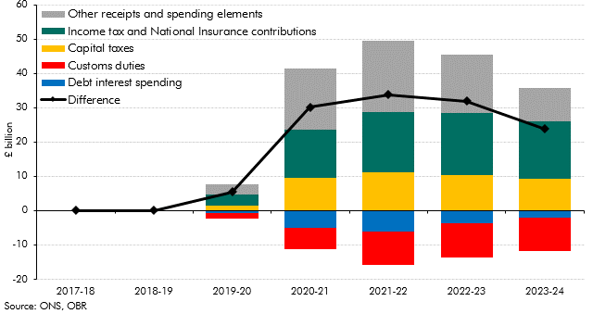

 |  | 2017-18 | 2018-19 | 2019-20 | 2020-21 | 2021-22 | 2022-23 | 2023-24
 | Income tax and National Insurance contributions | 0.0 | 0.0 | 3.2 | 14.0 | 17.6 | 18.2 | 16.7
 | Customs duties | 0.0 | 0.0 | -1.5 | -6.3 | -9.8 | -9.9 | -9.9
 | Debt interest spending | 0.0 | 0.0 | -0.8 | -4.9 | -6.0 | -3.8 | -2.0
 | Capital taxes | 0.0 | 0.0 | 1.4 | 9.5 | 11.2 | 10.3 | 9.3
 | Other receipts and spending elements | 0.0 | 0.0 | 3.1 | 17.9 | 20.8 | 17.1 | 9.7
 | Difference | 0.0 | 0.0 | 5.5 | 30.1 | 33.8 | 32.0 | 23.8

C10.4
Back to contents
 | Chart 10.4: Fiscal aggregates: stress test versus March forecast

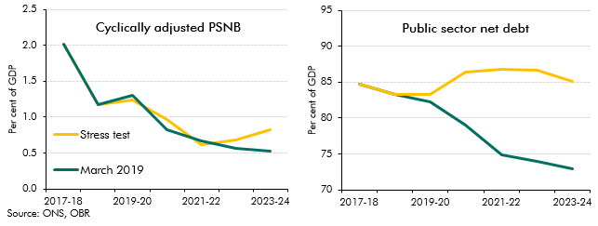

 |  | 2017-18 | 2018-19 | 2019-20 | 2020-21 | 2021-22 | 2022-23 | 2023-24
 |  | Cyclically adjusted PSNB
 | March 2019 | 2.0 | 1.2 | 1.3 | 0.8 | 0.7 | 0.6 | 0.5
 | Stress test | 2.0 | 1.2 | 1.2 | 1.0 | 0.6 | 0.7 | 0.8
 |  | Public sector net debt
 | March 2019 | 84.7 | 83.3 | 82.2 | 79.0 | 74.9 | 74.0 | 73.0
 | Stress test | 84.7 | 83.3 | 83.2 | 86.3 | 86.8 | 86.6 | 85.1

