C8.1
Back to contents
 | Chart 8.1: Total debt interest spending by government sector

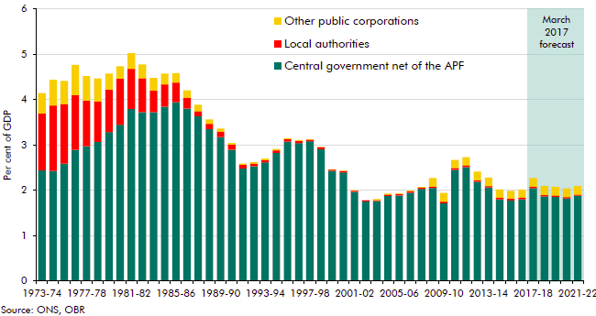

 |  | Central government net of the APF | Local authorities | Other public corporations
 | 1973-74 | 2.4 | 1.2 | 0.4
 | 1974-75 | 2.4 | 1.4 | 0.6
 | 1975-76 | 2.6 | 1.3 | 0.5
 | 1976-77 | 2.9 | 1.2 | 0.7
 | 1977-78 | 3.0 | 1.0 | 0.5
 | 1978-79 | 3.1 | 0.9 | 0.5
 | 1979-80 | 3.3 | 0.9 | 0.4
 | 1980-81 | 3.4 | 1.0 | 0.3
 | 1981-82 | 3.8 | 0.9 | 0.3
 | 1982-83 | 3.7 | 0.8 | 0.3
 | 1983-84 | 3.7 | 0.5 | 0.3
 | 1984-85 | 3.8 | 0.5 | 0.2
 | 1985-86 | 3.9 | 0.4 | 0.2
 | 1986-87 | 3.8 | 0.2 | 0.2
 | 1987-88 | 3.6 | 0.1 | 0.1
 | 1988-89 | 3.4 | 0.1 | 0.1
 | 1989-90 | 3.2 | 0.1 | 0.1
 | 1990-91 | 2.9 | 0.1 | 0.0
 | 1991-92 | 2.5 | 0.1 | 0.0
 | 1992-93 | 2.5 | 0.1 | 0.0
 | 1993-94 | 2.6 | 0.1 | 0.0
 | 1994-95 | 2.8 | 0.1 | 0.0
 | 1995-96 | 3.1 | 0.1 | 0.0
 | 1996-97 | 3.0 | 0.0 | 0.0
 | 1997-98 | 3.1 | 0.0 | 0.0
 | 1998-99 | 2.9 | 0.0 | 0.0
 | 1999-00 | 2.4 | 0.0 | 0.0
 | 2000-01 | 2.4 | 0.0 | 0.0
 | 2001-02 | 2.0 | 0.0 | 0.0
 | 2002-03 | 1.8 | 0.0 | 0.0
 | 2003-04 | 1.8 | 0.0 | 0.0
 | 2004-05 | 1.9 | 0.0 | 0.0
 | 2005-06 | 1.9 | 0.0 | 0.0
 | 2006-07 | 1.9 | 0.0 | 0.0
 | 2007-08 | 2.0 | 0.0 | 0.0
 | 2008-09 | 2.0 | 0.0 | 0.2
 | 2009-10 | 1.7 | 0.0 | 0.2
 | 2010-11 | 2.5 | 0.0 | 0.2
 | 2011-12 | 2.5 | 0.0 | 0.2
 | 2012-13 | 2.2 | 0.0 | 0.2
 | 2013-14 | 2.1 | 0.0 | 0.2
 | 2014-15 | 1.8 | 0.0 | 0.2
 | 2015-16 | 1.8 | 0.0 | 0.2
 | 2016-17 | 1.8 | 0.0 | 0.2
 | 2017-18 | 2.0 | 0.0 | 0.2
 | 2018-19 | 1.9 | 0.0 | 0.2
 | 2019-20 | 1.9 | 0.0 | 0.2
 | 2020-21 | 1.8 | 0.0 | 0.2
 | 2021-22 | 1.9 | 0.0 | 0.2

C8.2
Back to contents
 | Chart 8.2: Composition of the debt stock and associated interest payments

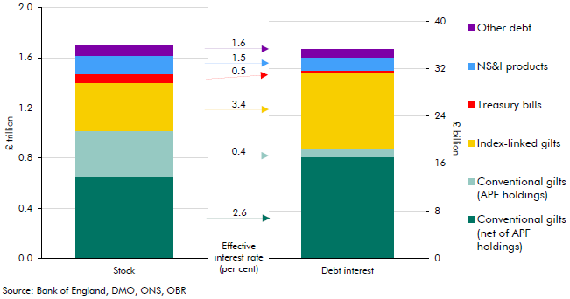

 |  | Stock | Debt interest | Effective interest rate
 | Conventional gilts (net of APF holdings) | 648.3 | 17.2 | 2.6
 | Index-linked gilts | 386.0 | 13.0 | 3.4
 | Treasury bills | 67.0 | 0.3 | 0.5
 | NS&I products | 146.2 | 2.2 | 1.5
 | Conventional gilts (APF holdings) | 370.7 | 1.3 | 0.4
 | Other debt | 81.5 | 1.3 | 1.6

C8.3
Back to contents
 | Chart 8.3: Gilt redemption profile in March 2017

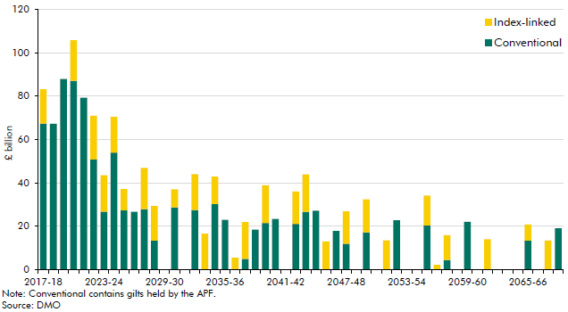

 |  | Conventional | Index-linked
 | 2017-18 | 67.4 | 15.8
 | 2018-19 | 67.3 | 0.0
 | 2019-20 | 87.9 | 0.0
 | 2020-21 | 87.1 | 18.7
 | 2021-22 | 79.3 | 0.0
 | 2022-23 | 50.8 | 20.1
 | 2023-24 | 26.8 | 16.7
 | 2024-25 | 54.1 | 16.4
 | 2025-26 | 27.4 | 9.7
 | 2026-27 | 26.7 | 0.0
 | 2027-28 | 27.9 | 19.1
 | 2028-29 | 13.4 | 15.9
 | 2029-30 | 0.0 | 0.0
 | 2030-31 | 28.7 | 8.4
 | 2031-32 | 0.0 | 0.0
 | 2032-33 | 27.6 | 16.5
 | 2033-34 | 0.0 | 16.7
 | 2034-35 | 30.4 | 12.5
 | 2035-36 | 23.0 | 0.0
 | 2036-37 | 0.0 | 5.5
 | 2037-38 | 5.0 | 16.9
 | 2038-39 | 18.5 | 0.0
 | 2039-40 | 21.6 | 17.3
 | 2040-41 | 23.5 | 0.0
 | 2041-42 | 0.0 | 0.0
 | 2042-43 | 21.1 | 14.9
 | 2043-44 | 26.7 | 17.2
 | 2044-45 | 27.3 | 0.0
 | 2045-46 | 0.0 | 13.0
 | 2046-47 | 17.9 | 0.0
 | 2047-48 | 12.0 | 14.9
 | 2048-49 | 0.0 | 0.0
 | 2049-50 | 17.3 | 15.2
 | 2050-51 | 0.0 | 0.0
 | 2051-52 | 0.0 | 13.6
 | 2052-53 | 22.8 | 0.0
 | 2053-54 | 0.0 | 0.0
 | 2054-55 | 0.0 | 0.0
 | 2055-56 | 20.5 | 13.7
 | 2056-57 | 0.0 | 2.3
 | 2057-58 | 4.5 | 11.4
 | 2058-59 | 0.0 | 0.0
 | 2059-60 | 22.1 | 0.0
 | 2060-61 | 0.0 | 0.0
 | 2061-62 | 0.0 | 14.1
 | 2062-63 | 0.0 | 0.0
 | 2063-64 | 0.0 | 0.0
 | 2064-65 | 0.0 | 0.0
 | 2065-66 | 13.5 | 7.4
 | 2066-67 | 0.0 | 0.0
 | 2067-68 | 0.0 | 13.4
 | 2068-69 | 19.1 | 0.0

C8.4
Back to contents
 | Chart 8.4: Average maturity of the debt stock in G7 countries in 2016

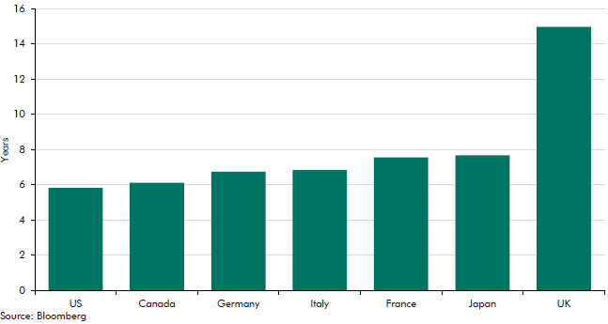

 | US | 5.8
 | Canada | 6.1
 | Germany | 6.8
 | Italy | 6.9
 | France | 7.6
 | Japan | 7.7
 | UK | 15.0

C8.5
Back to contents
 | Chart 8.5: Maturity structure of outstanding debt

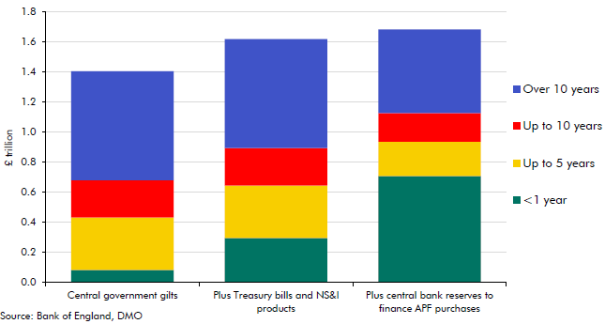

 |  | Central government gilts | Plus Treasury bills and NS&I products | Plus central bank reserves to finance APF purchases
 | <1 year | 83.2 | 296.5 | 707.5
 | Up to 5 years | 348.9 | 348.9 | 228.4
 | Up to 10 years | 248.9 | 248.9 | 189.9
 | Over 10 years | 724.1 | 724.1 | 556.8

C8.6
Back to contents
 | Chart 8.6: Succesive forecasts for debt interest, interest rates and the stock of debt

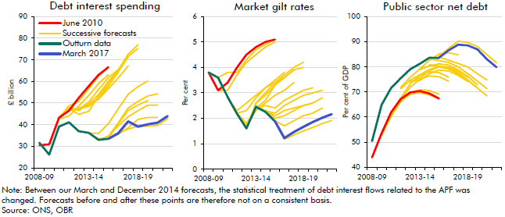

 | Debt interest spending
 |  | 2008-09 | 2009-10 | 2010-11 | 2011-12 | 2012-13 | 2013-14 | 2014-15 | 2015-16 | 2016-17 | 2017-18 | 2018-19 | 2019-20 | 2020-21 | 2021-22
 | June 2010 | 30.5 | 30.9 | 43.3 | 46.5 | 52.4 | 57.8 | 63.0 | 66.5 | - | - | - | - | - | -
 | November 2010 | - | 30.9 | 42.7 | 44.0 | 48.6 | 53.5 | 58.9 | 63.1 | - | - | - | - | - | -
 | March 2011 | - | 30.9 | 43.1 | 48.6 | 50.9 | 56.6 | 62.4 | 66.8 | - | - | - | - | - | -
 | November 2011 | - | - | 42.8 | 47.6 | 47.1 | 50.5 | 56.1 | 61.7 | 65.5 | - | - | - | - | -
 | March 2012 | - | - | 42.8 | 47.4 | 44.8 | 46.1 | 53.2 | 59.7 | 64.0 | - | - | - | - | -
 | December 2012 | - | - | - | 47.1 | 47.1 | 48.6 | 51.8 | 56.6 | 61.6 | 67.1 | - | - | - | -
 | March 2013 | - | - | - | 47.9 | 46.5 | 49.5 | 51.8 | 57.8 | 64.4 | 71.3 | - | - | - | -
 | December 2013 | - | - | - | - | 47.6 | 49.5 | 53.9 | 60.0 | 65.3 | 72.5 | 76.9 | - | - | -
 | March 2014 | - | - | - | - | 47.6 | 48.4 | 52.1 | 59.1 | 65.1 | 71.6 | 75.2 | - | - | -
 | December 2014 | - | - | - | - | - | 36.1 | 35.9 | 40.4 | 47.3 | 54.0 | 57.5 | 60.1 | - | -
 | March 2015 | - | - | - | - | - | 36.1 | 33.6 | 33.7 | 40.4 | 46.5 | 49.0 | 51.1 | - | -
 | July 2015 | - | - | - | - | - | - | 33.0 | 34.6 | 40.8 | 47.7 | 50.7 | 53.2 | 54.3 | -
 | November 2015 | - | - | - | - | - | - | 32.8 | 34.7 | 39.5 | 43.7 | 46.4 | 49.0 | 49.1 | -
 | Successive forecasts | - | - | - | - | - | - | 32.8 | 34.1 | 35.4 | 38.6 | 42.4 | 43.4 | 43.4 | -
 | November 2016 | - | - | - | - | - | - | - | 33.4 | 36.3 | 38.0 | 39.2 | 39.3 | 39.6 | 42.7
 | March 2017 | - | - | - | - | - | - | - | 33.4 | 36.0 | 41.5 | 39.1 | 40.1 | 40.9 | 44.0
 | Outturn data | 31.7 | 26.1 | 39.1 | 41.1 | 36.9 | 36.2 | 33.0 | 33.4 | - | - | - | - | - | -

 | Market gilt rates
 |  | 2008-09 | 2009-10 | 2010-11 | 2011-12 | 2012-13 | 2013-14 | 2014-15 | 2015-16 | 2016-17 | 2017-18 | 2018-19 | 2019-20 | 2020-21 | 2021-22
 | June 2010 | 3.8 | 3.1 | 3.4 | 4 | 4.5 | 4.8 | 5 | 5.1 | - | - | - | - | - | -
 | November 2010 | - | 3.1 | 3.1 | 3.7 | 4.2 | 4.5 | 4.8 | 5 | - | - | - | - | - | -
 | March 2011 | - | 3.6 | 3.8 | 3.8 | 4.3 | 4.7 | 4.9 | 5.1 | - | - | - | - | - | -
 | November 2011 | - | - | 2.8 | 2.3 | 2.6 | 2.9 | 3.2 | 3.4 | 3.6 | - | - | - | - | -
 | March 2012 | - | - | 2.8 | 2.2 | 2.3 | 2.8 | 3.2 | 3.5 | 3.8 | - | - | - | - | -
 | December 2012 | - | - | - | 2.2 | 1.7 | 2.3 | 2.6 | 2.9 | 3.1 | 3.4 | - | - | - | -
 | March 2013 | - | - | - | 2.2 | 1.8 | 2.4 | 2.7 | 3.3 | 3.6 | 3.9 | - | - | - | -
 | December 2013 | - | - | - | - | 1.6 | 2.6 | 3 | 3.4 | 3.7 | 4 | 4.2 | - | - | -
 | March 2014 | - | - | - | - | 1.6 | 2.6 | 2.9 | 3.3 | 3.6 | 3.9 | 4 | - | - | -
 | December 2014 | - | - | - | - | - | 2.4 | 2.5 | 2.4 | 2.7 | 2.9 | 3.1 | 3.2 | - | -
 | March 2015 | - | - | - | - | - | 2.5 | 2.3 | 2.1 | 2.3 | 2.4 | 2.5 | 2.6 | - | -
 | July 2015 | - | - | - | - | - | - | 2.3 | 2.2 | 2.5 | 2.7 | 2.9 | 3 | 3.1 | -
 | November 2015 | - | - | - | - | - | - | 2.3 | 2 | 2.1 | 2.3 | 2.5 | 2.6 | 2.8 | -
 | Successive forecasts | - | - | - | - | - | - | 2.3 | 1.9 | 1.7 | 1.9 | 2.1 | 2.2 | 2.4 | -
 | November 2016 | - | - | - | - | - | - | - | 1.88 | 1.17 | 1.34 | 1.5 | 1.64 | 1.79 | 1.91
 | March 2017 | - | - | - | - | - | - | - | 1.88 | 1.22 | 1.46 | 1.66 | 1.85 | 2.02 | 2.16
 | Outturn data | 3.8 | 3.6 | 2.8 | 2.2 | 1.6 | 2.45 | 2.25 | 1.88 | - | - | - | - | - | -

 | Public sector net debt
 |  | 2008-09 | 2009-10 | 2010-11 | 2011-12 | 2012-13 | 2013-14 | 2014-15 | 2015-16 | 2016-17 | 2017-18 | 2018-19 | 2019-20 | 2020-21 | 2021-22
 | June 2010 | 44.0 | 53.5 | 61.9 | 67.2 | 69.8 | 70.3 | 69.4 | 67.4 | - | - | - | - | - | -
 | November 2010 | - | 53.5 | 60.8 | 66.3 | 69.1 | 69.7 | 68.8 | 67.2 | - | - | - | - | - | -
 | March 2011 | - | 52.7 | 60.3 | 66.1 | 69.7 | 70.9 | 70.5 | 69.1 | - | - | - | - | - | -
 | November 2011 | - | - | 60.5 | 67.5 | 73.3 | 76.6 | 78.0 | 77.7 | 75.8 | - | - | - | - | -
 | March 2012 | - | - | 60.5 | 67.3 | 71.9 | 75.0 | 76.3 | 76.0 | 74.3 | - | - | - | - | -
 | December 2012 | - | - | - | 71.3 | 74.7 | 76.8 | 79.0 | 79.9 | 79.2 | 77.3 | - | - | - | -
 | March 2013 | - | - | - | 71.8 | 75.9 | 79.2 | 82.6 | 85.1 | 85.6 | 84.8 | - | - | - | -
 | December 2013 | - | - | - | - | 73.9 | 75.5 | 78.3 | 80.0 | 79.9 | 78.4 | 75.9 | - | - | -
 | March 2014 | - | - | - | - | 74.2 | 74.5 | 77.3 | 78.7 | 78.3 | 76.5 | 74.2 | - | - | -
 | December 2014 | - | - | - | - | - | 78.8 | 80.4 | 81.1 | 80.7 | 78.8 | 76.2 | 72.8 | - | -
 | March 2015 | - | - | - | - | - | 79.1 | 80.4 | 80.2 | 79.8 | 77.8 | 74.8 | 71.6 | - | -
 | July 2015 | - | - | - | - | - | - | 80.8 | 80.3 | 79.1 | 77.2 | 74.7 | 71.5 | 68.5 | -
 | November 2015 | - | - | - | - | - | - | 83.1 | 82.5 | 81.7 | 79.9 | 77.3 | 74.3 | 71.3 | -
 | Successive forecasts | - | - | - | - | - | - | 83.3 | 83.7 | 82.6 | 81.3 | 79.9 | 77.2 | 74.7 | -
 | November 2016 | - | - | - | - | - | - | - | 84.2 | 87.3 | 90.2 | 89.7 | 88.0 | 84.8 | 81.6
 | March 2017 | - | - | - | - | - | - | - | 83.6 | 86.6 | 88.8 | 88.5 | 86.9 | 83.0 | 79.8
 | Outturn data | 50.4 | 64.8 | 71.6 | 75.4 | 79.1 | 81.2 | 83.6 | 83.5 | - | - | - | - | - | -

C8.7
Back to contents
 | Chart 8.7: Sources of change in borrowing forecasts

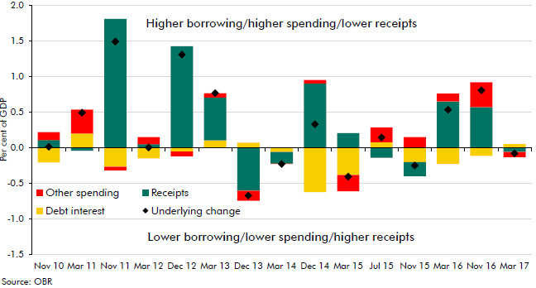

 |  | Nov 10 | Mar 11 | Nov 11 | Mar 12 | Dec 12 | Mar 13 | Dec 13 | Mar 14 | Dec 14 | Mar 15 | Jul 15 | Nov 15 | Mar 16 | Nov 16 | Mar 17
 | Underlying change | 0.0 | 0.5 | 1.5 | 0.0 | 1.3 | 0.8 | -0.7 | -0.2 | 0.3 | -0.4 | 0.1 | -0.2 | 0.5 | 0.8 | -0.1
 | Debt interest | -0.2 | 0.2 | -0.3 | -0.1 | -0.1 | 0.1 | 0.1 | -0.1 | -0.6 | -0.4 | 0.1 | -0.2 | -0.2 | -0.1 | 0.1
 | Receipts | 0.1 | 0.0 | 1.8 | 0.1 | 1.4 | 0.6 | -0.6 | -0.2 | 0.9 | 0.2 | -0.1 | -0.2 | 0.7 | 0.6 | -0.1
 | Other spending | 0.1 | 0.3 | -0.1 | 0.1 | -0.1 | 0.1 | -0.1 | 0.0 | 0.0 | -0.2 | 0.2 | 0.1 | 0.1 | 0.4 | -0.1
 | PSCR/DI offset | 1.0 | 1.0 | 1.0 | 1.0 | 1.0 | 0.0 | 1.0 | 0.0 | 1.0 | 1.0 | 1.0 | 0.0 | 1.0 | 1.0 | 1.0
 | PSCR/DI contribute | 0.0 | 0.0 | 0.0 | 0.0 | 0.0 | 1.0 | 0.0 | 1.0 | 0.0 | 0.0 | 0.0 | 1.0 | 0.0 | 0.0 | 0.0

C8.8
Back to contents
 | Chart 8.8: Effective interest rate and nominal GDP growth: forecasts and outturns

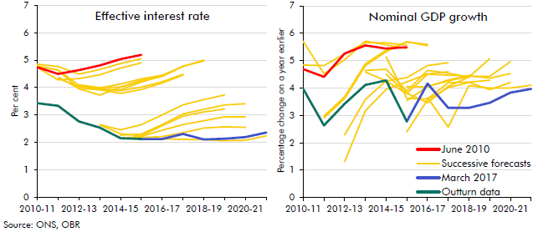

 | Effective interest rate
 |  | 2010-11 | 2011-12 | 2012-13 | 2013-14 | 2014-15 | 2015-16 | 2016-17 | 2017-18 | 2018-19 | 2019-20 | 2020-21 | 2021-22
 | June 2010 | 4.7 | 4.5 | 4.6 | 4.8 | 5.0 | 5.2 | - | - | - | - | - | -
 | November 2010 | 4.7 | 4.3 | 4.3 | 4.5 | 4.7 | 4.9 | - | - | - | - | - | -
 | March 2011 | 4.8 | 4.8 | 4.5 | 4.7 | 4.9 | 5.1 | - | - | - | - | - | -
 | November 2011 | 4.8 | 4.6 | 4.1 | 4.0 | 4.1 | 4.3 | 4.4 | - | - | - | - | -
 | March 2012 | 4.8 | 4.6 | 4.0 | 3.7 | 4.0 | 4.3 | 4.4 | - | - | - | - | -
 | December 2012 | - | 4.3 | 4.0 | 3.9 | 3.9 | 4.0 | 4.2 | 4.5 | - | - | - | -
 | March 2013 | - | 4.4 | 4.0 | 3.9 | 3.8 | 3.9 | 4.2 | 4.5 | - | - | - | -
 | December 2013 | - | - | 4.1 | 4.0 | 4.0 | 4.2 | 4.4 | 4.8 | 5.0 | - | - | -
 | March 2014 | - | - | 4.1 | 4.0 | 3.9 | 4.2 | 4.4 | 4.8 | 5.0 | - | - | -
 | December 2014 | - | - | - | 2.6 | 2.5 | 2.6 | 3.0 | 3.4 | 3.6 | 3.7 | - | -
 | March 2015 | - | - | - | 2.6 | 2.3 | 2.2 | 2.6 | 3.0 | 3.1 | 3.2 | - | -
 | July 2015 | - | - | - | - | 2.3 | 2.3 | 2.6 | 3.0 | 3.2 | 3.4 | 3.4 | -
 | November 2015 | - | - | - | - | 2.2 | 2.2 | 2.4 | 2.6 | 2.8 | 2.9 | 2.9 | -
 | Successive forecasts | - | - | - | - | 2.1 | 2.2 | 2.2 | 2.3 | 2.5 | 2.6 | 2.5 | -
 | November 2016 | - | - | - | - | - | 2.1 | 2.1 | 2.1 | 2.1 | 2.1 | 2.1 | 2.2
 | March 2017 | - | - | - | - | - | 2.1 | 2.1 | 2.3 | 2.1 | 2.1 | 2.2 | 2.4
 | Outturn data | 3.4 | 3.3 | 2.8 | 2.5 | 2.1 | 2.1 | - | - | - | - | - | -

 | Nominal GDP growth
 |  | 2010-11 | 2011-12 | 2012-13 | 2013-14 | 2014-15 | 2015-16 | 2016-17 | 2017-18 | 2018-19 | 2019-20 | 2020-21 | 2021-22
 | June 2010 | 4.7 | 4.4 | 5.3 | 5.6 | 5.4 | 5.5 | - | - | - | - | - | -
 | November 2010 | 5.7 | 4.5 | 5.0 | 5.7 | 5.6 | 5.4 | - | - | - | - | - | -
 | March 2011 | 4.8 | 4.8 | 5.2 | 5.7 | 5.6 | 5.6 | - | - | - | - | - | -
 | November 2011 | - | 3.0 | 3.7 | 4.9 | 5.4 | 5.7 | 5.6 | - | - | - | - | -
 | March 2012 | - | 2.9 | 3.6 | 4.8 | 5.3 | 5.7 | 5.5 | - | - | - | - | -
 | December 2012 | - | - | 2.3 | 3.6 | 4.3 | 4.4 | 4.8 | 4.9 | - | - | - | -
 | March 2013 | - | - | 1.3 | 3.2 | 3.9 | 4.2 | 4.5 | 4.6 | - | - | - | -
 | December 2013 | - | - | - | 4.6 | 4.3 | 3.8 | 4.5 | 4.5 | 4.4 | - | - | -
 | March 2014 | - | - | - | 4.6 | 4.7 | 3.9 | 4.6 | 4.5 | 4.4 | - | - | -
 | December 2014 | - | - | - | - | 5.1 | 3.6 | 3.6 | 4.2 | 4.2 | 4.3 | - | -
 | March 2015 | - | - | - | - | 4.5 | 3.8 | 3.5 | 4.1 | 4.4 | 5.1 | - | -
 | July 2015 | - | - | - | - | - | 3.5 | 4.1 | 4.3 | 4.4 | 4.4 | 5.0 | -
 | November 2015 | - | - | - | - | - | 4.0 | 4.0 | 4.3 | 4.5 | 4.4 | 4.5 | -
 | Successive forecasts | - | - | - | - | - | 2.4 | 3.6 | 4.0 | 4.2 | 3.9 | 4.2 | -
 | November 2016 | - | - | - | - | - | - | 3.7 | 2.6 | 4.1 | 4.0 | 4.0 | 4.1
 | March 2017 | - | - | - | - | - | 2.8 | 4.2 | 3.3 | 3.3 | 3.5 | 3.8 | 4.0
 | Outturn data | 4.0 | 2.6 | 3.4 | 4.1 | 4.3 | 2.8 | - | - | - | - | - | -

C8.9
Back to contents
 | Chart 8.9: DMO debt interest spending fan chart

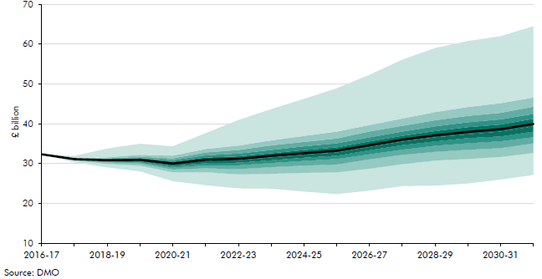

 | Percentile | 2016-17 | 2017-18 | 2018-19 | 2019-20 | 2020-21 | 2021-22 | 2022-23 | 2023-24 | 2024-25 | 2025-26 | 2026-27 | 2027-28 | 2028-29 | 2029-30 | 2030-31 | 2031-32
 | 0 | 32.3 | 30.4 | 29.1 | 28.1 | 25.6 | 24.6 | 23.8 | 23.7 | 23.0 | 22.4 | 23.3 | 24.4 | 24.5 | 25.0 | 26.0 | 27.2
 | 5 | 32.3 | 30.8 | 29.9 | 29.5 | 27.9 | 27.9 | 27.3 | 27.5 | 27.7 | 27.9 | 28.8 | 29.9 | 30.8 | 31.2 | 31.7 | 32.7
 | 10 | 32.3 | 31.0 | 30.3 | 30.0 | 28.6 | 28.9 | 28.7 | 29.2 | 29.5 | 29.8 | 31.1 | 32.2 | 33.0 | 33.5 | 33.9 | 35.1
 | 20 | 32.3 | 31.0 | 30.5 | 30.3 | 29.0 | 29.6 | 29.6 | 30.2 | 30.7 | 31.2 | 32.4 | 33.5 | 34.5 | 35.1 | 35.6 | 36.7
 | 30 | 32.3 | 31.1 | 30.7 | 30.6 | 29.5 | 30.1 | 30.3 | 30.9 | 31.5 | 32.0 | 33.4 | 34.7 | 35.6 | 36.4 | 36.9 | 38.1
 | 40 | 32.3 | 31.1 | 30.8 | 30.8 | 29.9 | 30.8 | 30.9 | 31.6 | 32.3 | 32.8 | 34.2 | 35.5 | 36.6 | 37.4 | 38.1 | 39.4
 | 50 | 32.3 | 31.2 | 30.9 | 31.0 | 30.0 | 31.0 | 31.2 | 32.0 | 32.6 | 33.3 | 34.7 | 36.0 | 37.1 | 38.0 | 38.7 | 40.0
 | 60 | 32.3 | 31.2 | 31.1 | 31.3 | 30.6 | 31.8 | 32.1 | 33.0 | 33.8 | 34.6 | 36.0 | 37.5 | 38.7 | 39.8 | 40.4 | 41.9
 | 70 | 32.3 | 31.3 | 31.2 | 31.6 | 31.0 | 32.4 | 32.8 | 33.8 | 34.7 | 35.6 | 37.0 | 38.6 | 39.9 | 41.0 | 41.7 | 43.1
 | 80 | 32.3 | 31.3 | 31.4 | 31.9 | 31.5 | 33.1 | 33.7 | 35.0 | 35.8 | 36.8 | 38.5 | 40.0 | 41.4 | 42.6 | 43.4 | 44.9
 | 90 | 32.3 | 31.4 | 31.7 | 32.4 | 32.2 | 34.0 | 34.9 | 36.2 | 37.3 | 38.5 | 40.1 | 41.8 | 43.5 | 44.9 | 45.8 | 47.2
 | 100 | 32.3 | 31.9 | 33.9 | 35.1 | 34.5 | 37.9 | 41.2 | 44.1 | 46.6 | 49.4 | 52.7 | 56.6 | 59.5 | 61.4 | 62.6 | 65.1

C8.10
Back to contents
 | Chart 8.10: Effective interest rates and nominal GDP growth by decade

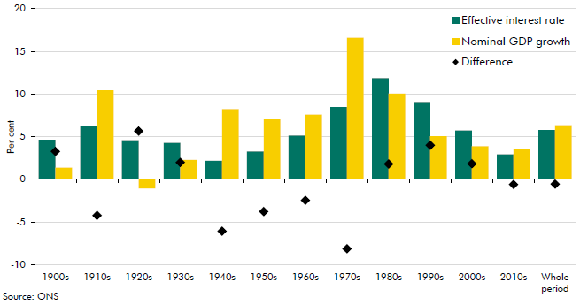

 |  | Effective interest rate | Nominal GDP growth | Difference
 | 1900s | 4.7 | 1.4 | 3.3
 | 1910s | 6.2 | 10.5 | -4.2
 | 1920s | 4.6 | -1.1 | 5.7
 | 1930s | 4.3 | 2.3 | 2.0
 | 1940s | 2.2 | 8.2 | -6.1
 | 1950s | 3.3 | 7.0 | -3.8
 | 1960s | 5.1 | 7.6 | -2.5
 | 1970s | 8.5 | 16.6 | -8.1
 | 1980s | 11.9 | 10.1 | 1.8
 | 1990s | 9.1 | 5.1 | 4.0
 | 2000s | 5.7 | 3.9 | 1.8
 | 2010s | 2.9 | 3.5 | -0.6
 | Whole period | 5.8 | 6.4 | -0.6

C8.11
Back to contents
 | Chart 8.11: Distribution of differences between effective interest rate and nominal GDP growth

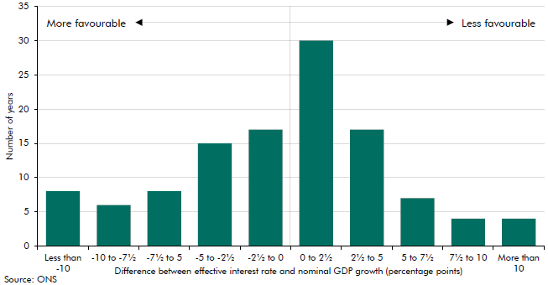

 | Less than -10 | 8.0
 | -10 to -7½ | 6.0
 | -7½ to 5 | 8.0
 | -5 to -2½ | 15.0
 | -2½ to 0 | 17.0
 | 0 to 2½ | 30.0
 | 2½ to 5 | 17.0
 | 5 to 7½ | 7.0
 | 7½ to 10 | 4.0
 | More than 10 | 4.0

C8.12
Back to contents
 | Chart 8.12: Fiscal adjustment required under different growth-corrected interest rates

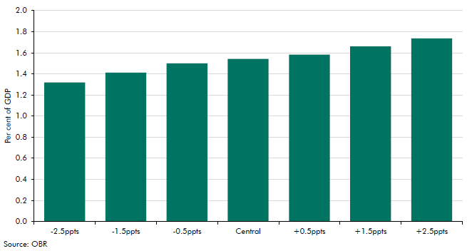

 | -2.5ppts | 1.3
 | -1.5ppts | 1.4
 | -0.5ppts | 1.5
 | Central | 1.5
 | +0.5ppts | 1.6
 | +1.5ppts | 1.7
 | +2.5ppts | 1.7

C9.1
Back to contents
 | Chart 9.1: The public finances: stress test versus March forecast

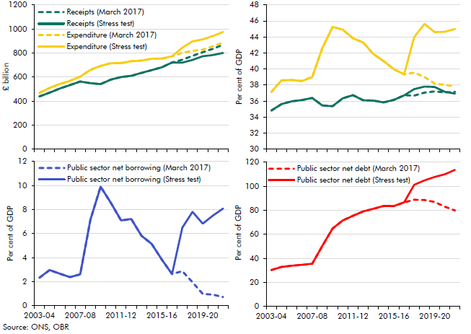

 | Receipts versus expenditure (£ billion)
 |  | 2003-04 | 2004-05 | 2005-06 | 2006-07 | 2007-08 | 2008-09 | 2009-10 | 2010-11 | 2011-12 | 2012-13 | 2013-14 | 2014-15 | 2015-16 | 2016-17 | 2017-18 | 2018-19 | 2019-20 | 2020-21 | 2021-22
 | Receipts (March 2017) | 438.4 | 470.3 | 504.5 | 533.6 | 563.0 | 548.5 | 541.5 | 578.8 | 600.3 | 610.1 | 634.5 | 657.6 | 681.7 | 721.1 | 744.2 | 776.4 | 806.5 | 834.8 | 869.5
 | Receipts (Stress test) | 438.4 | 470.3 | 504.5 | 533.6 | 563.0 | 548.5 | 541.5 | 578.8 | 600.3 | 610.1 | 634.5 | 657.6 | 681.7 | 721.1 | 719.6 | 742.8 | 773.1 | 783.1 | 800.6
 | Expenditure (March 2017) | 467.6 | 509.5 | 541.8 | 568.7 | 603.4 | 659.2 | 693.1 | 715.1 | 716.2 | 732.0 | 736.9 | 752.0 | 753.9 | 772.8 | 802.4 | 817.2 | 827.9 | 855.4 | 886.4
 | Expenditure (Stress test) | 467.6 | 509.5 | 541.8 | 568.7 | 603.4 | 659.2 | 693.1 | 715.1 | 716.2 | 732.0 | 736.9 | 752.0 | 753.9 | 772.8 | 844.0 | 896.2 | 913.0 | 941.3 | 975.9

 | Receipts versus expenditure (per cent of GDP)
 |  | 2003-04 | 2004-05 | 2005-06 | 2006-07 | 2007-08 | 2008-09 | 2009-10 | 2010-11 | 2011-12 | 2012-13 | 2013-14 | 2014-15 | 2015-16 | 2016-17 | 2017-18 | 2018-19 | 2019-20 | 2020-21 | 2021-22
 | Receipts (March 2017) | 34.8 | 35.6 | 36.0 | 36.1 | 36.4 | 35.5 | 35.4 | 36.4 | 36.7 | 36.1 | 36.1 | 35.8 | 36.2 | 36.7 | 36.7 | 37.1 | 37.2 | 37.1 | 37.2
 | Receipts (Stress test) | 34.8 | 35.6 | 36.0 | 36.1 | 36.4 | 35.5 | 35.4 | 36.4 | 36.7 | 36.1 | 36.1 | 35.8 | 36.2 | 36.7 | 37.5 | 37.8 | 37.8 | 37.2 | 36.9
 | Expenditure (March 2017) | 37.1 | 38.6 | 38.6 | 38.5 | 39.0 | 42.6 | 45.3 | 44.9 | 43.8 | 43.3 | 41.9 | 41.0 | 40.0 | 39.3 | 39.6 | 39.0 | 38.2 | 38.0 | 37.9
 | Expenditure (Stress test) | 37.1 | 38.6 | 38.6 | 38.5 | 39.0 | 42.6 | 45.3 | 44.9 | 43.8 | 43.3 | 41.9 | 41.0 | 40.0 | 39.3 | 44.0 | 45.6 | 44.6 | 44.7 | 45.0

 | Public Sector net borrowing
 |  | 2003-04 | 2004-05 | 2005-06 | 2006-07 | 2007-08 | 2008-09 | 2009-10 | 2010-11 | 2011-12 | 2012-13 | 2013-14 | 2014-15 | 2015-16 | 2016-17 | 2017-18 | 2018-19 | 2019-20 | 2020-21 | 2021-22
 | Public sector net borrowing (March 2017) | 2.3 | 3.0 | 2.7 | 2.4 | 2.6 | 7.2 | 9.9 | 8.6 | 7.1 | 7.2 | 5.8 | 5.1 | 3.8 | 2.6 | 2.9 | 1.9 | 1.0 | 0.9 | 0.7
 | Public sector net borrowing (Stress test) | 2.3 | 3.0 | 2.7 | 2.4 | 2.6 | 7.2 | 9.9 | 8.6 | 7.1 | 7.2 | 5.8 | 5.1 | 3.8 | 2.6 | 6.5 | 7.8 | 6.8 | 7.5 | 8.1

 | Public sector net debt
 |  | 2003-04 | 2004-05 | 2005-06 | 2006-07 | 2007-08 | 2008-09 | 2009-10 | 2010-11 | 2011-12 | 2012-13 | 2013-14 | 2014-15 | 2015-16 | 2016-17 | 2017-18 | 2018-19 | 2019-20 | 2020-21 | 2021-22
 | Public sector net debt (March 2017) | 30.3 | 32.9 | 33.9 | 34.6 | 35.5 | 50.4 | 64.8 | 71.6 | 75.4 | 79.1 | 81.2 | 83.6 | 83.5 | 86.6 | 88.8 | 88.5 | 86.9 | 83.0 | 79.8
 | Public sector net debt (Stress test) | 30.3 | 32.9 | 33.9 | 34.6 | 35.5 | 50.4 | 64.8 | 71.6 | 75.4 | 79.1 | 81.2 | 83.6 | 83.5 | 86.6 | 101.2 | 104.9 | 107.7 | 110.0 | 113.7

C9.2
Back to contents
 | Chart 9.2: Real GDP

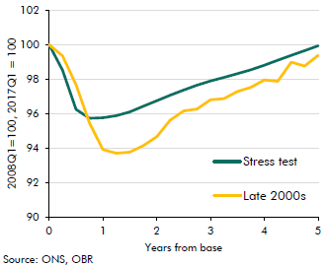

 | Years |  | Late 2000s |  | Stress test
 | 0 | 2008Q1 | 100.0 | 2017Q1 | 100.0
 |  | 2008Q2 | 99.3 | 2017Q2 | 98.5
 |  | 2008Q3 | 97.7 | 2017Q3 | 96.2
 |  | 2008Q4 | 95.5 | 2017Q4 | 95.7
 | 1 | 2009Q1 | 93.9 | 2018Q1 | 95.8
 |  | 2009Q2 | 93.7 | 2018Q2 | 95.9
 |  | 2009Q3 | 93.8 | 2018Q3 | 96.1
 |  | 2009Q4 | 94.1 | 2018Q4 | 96.4
 | 2 | 2010Q1 | 94.7 | 2019Q1 | 96.7
 |  | 2010Q2 | 95.6 | 2019Q2 | 97.1
 |  | 2010Q3 | 96.2 | 2019Q3 | 97.4
 |  | 2010Q4 | 96.3 | 2019Q4 | 97.7
 | 3 | 2011Q1 | 96.8 | 2020Q1 | 97.9
 |  | 2011Q2 | 96.9 | 2020Q2 | 98.1
 |  | 2011Q3 | 97.3 | 2020Q3 | 98.3
 |  | 2011Q4 | 97.5 | 2020Q4 | 98.5
 | 4 | 2012Q1 | 98.0 | 2021Q1 | 98.8
 |  | 2012Q2 | 97.9 | 2021Q2 | 99.1
 |  | 2012Q3 | 99.0 | 2021Q3 | 99.4
 |  | 2012Q4 | 98.8 | 2021Q4 | 99.7
 | 5 | 2013Q1 | 99.4 | 2022Q1 | 99.9

C9.3
Back to contents
 | Chart 9.3: Potential GDP

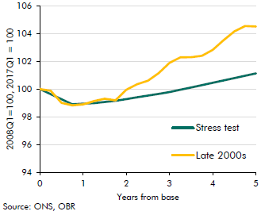

 | Years |  | Late 2000s |  | Stress test
 | 0 | 2008Q1 | 100.0 | 2017Q1 | 100.0
 |  | 2008Q2 | 99.9 | 2017Q2 | 99.6
 |  | 2008Q3 | 99.0 | 2017Q3 | 99.3
 |  | 2008Q4 | 98.8 | 2017Q4 | 98.9
 | 1 | 2009Q1 | 98.9 | 2018Q1 | 98.9
 |  | 2009Q2 | 99.1 | 2018Q2 | 99.0
 |  | 2009Q3 | 99.3 | 2018Q3 | 99.1
 |  | 2009Q4 | 99.2 | 2018Q4 | 99.2
 | 2 | 2010Q1 | 100.0 | 2019Q1 | 99.3
 |  | 2010Q2 | 100.3 | 2019Q2 | 99.4
 |  | 2010Q3 | 100.6 | 2019Q3 | 99.5
 |  | 2010Q4 | 101.1 | 2019Q4 | 99.7
 | 3 | 2011Q1 | 101.9 | 2020Q1 | 99.8
 |  | 2011Q2 | 102.3 | 2020Q2 | 100.0
 |  | 2011Q3 | 102.3 | 2020Q3 | 100.1
 |  | 2011Q4 | 102.4 | 2020Q4 | 100.3
 | 4 | 2012Q1 | 102.8 | 2021Q1 | 100.5
 |  | 2012Q2 | 103.5 | 2021Q2 | 100.6
 |  | 2012Q3 | 104.2 | 2021Q3 | 100.8
 |  | 2012Q4 | 104.5 | 2021Q4 | 101.0
 | 5 | 2013Q1 | 104.5 | 2022Q1 | 101.1

C9.4
Back to contents
 | Chart 9.4: Nominal GDP

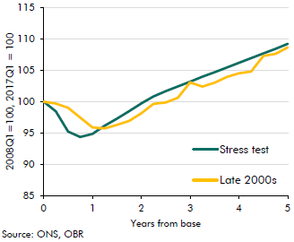

 | Years |  | Late 2000s |  | Stress test
 | 0 | 2008Q1 | 100.0 | 2017Q1 | 100.0
 |  | 2008Q2 | 99.7 | 2017Q2 | 98.4
 |  | 2008Q3 | 99.0 | 2017Q3 | 95.2
 |  | 2008Q4 | 97.5 | 2017Q4 | 94.4
 | 1 | 2009Q1 | 95.9 | 2018Q1 | 94.8
 |  | 2009Q2 | 95.7 | 2018Q2 | 96.2
 |  | 2009Q3 | 96.3 | 2018Q3 | 97.3
 |  | 2009Q4 | 96.9 | 2018Q4 | 98.5
 | 2 | 2010Q1 | 98.1 | 2019Q1 | 99.7
 |  | 2010Q2 | 99.6 | 2019Q2 | 100.8
 |  | 2010Q3 | 99.9 | 2019Q3 | 101.7
 |  | 2010Q4 | 100.6 | 2019Q4 | 102.4
 | 3 | 2011Q1 | 103.1 | 2020Q1 | 103.2
 |  | 2011Q2 | 102.4 | 2020Q2 | 104.0
 |  | 2011Q3 | 103.0 | 2020Q3 | 104.7
 |  | 2011Q4 | 103.9 | 2020Q4 | 105.4
 | 4 | 2012Q1 | 104.5 | 2021Q1 | 106.2
 |  | 2012Q2 | 104.8 | 2021Q2 | 106.9
 |  | 2012Q3 | 107.3 | 2021Q3 | 107.7
 |  | 2012Q4 | 107.6 | 2021Q4 | 108.4
 | 5 | 2013Q1 | 108.7 | 2022Q1 | 109.2

C9.5
Back to contents
 | Chart 9.5: CPI inflation

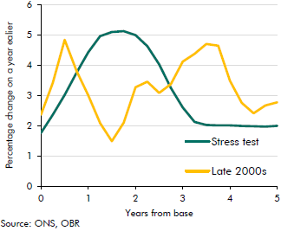

 | Years |  | Late 2000s |  | Stress test
 | 0 | 2008Q1 | 2.4 | 2017Q1 | 1.8
 |  | 2008Q2 | 3.4 | 2017Q2 | 2.4
 |  | 2008Q3 | 4.8 | 2017Q3 | 3.0
 |  | 2008Q4 | 3.8 | 2017Q4 | 3.7
 | 1 | 2009Q1 | 3.0 | 2018Q1 | 4.4
 |  | 2009Q2 | 2.1 | 2018Q2 | 5.0
 |  | 2009Q3 | 1.5 | 2018Q3 | 5.1
 |  | 2009Q4 | 2.1 | 2018Q4 | 5.1
 | 2 | 2010Q1 | 3.3 | 2019Q1 | 5.0
 |  | 2010Q2 | 3.5 | 2019Q2 | 4.6
 |  | 2010Q3 | 3.1 | 2019Q3 | 4.0
 |  | 2010Q4 | 3.4 | 2019Q4 | 3.3
 | 3 | 2011Q1 | 4.1 | 2020Q1 | 2.6
 |  | 2011Q2 | 4.4 | 2020Q2 | 2.1
 |  | 2011Q3 | 4.7 | 2020Q3 | 2.0
 |  | 2011Q4 | 4.6 | 2020Q4 | 2.0
 | 4 | 2012Q1 | 3.5 | 2021Q1 | 2.0
 |  | 2012Q2 | 2.8 | 2021Q2 | 2.0
 |  | 2012Q3 | 2.4 | 2021Q3 | 2.0
 |  | 2012Q4 | 2.7 | 2021Q4 | 2.0
 | 5 | 2013Q1 | 2.8 | 2022Q1 | 2.0

C9.6
Back to contents
 | Chart 9.6: House price inflation

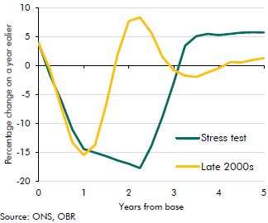

 | Years |  | Late 2000s |  | Stress test
 | 0 | 2008Q1 | 3.8 | 2017Q1 | 3.8
 |  | 2008Q2 | -0.6 | 2017Q2 | -1.6
 |  | 2008Q3 | -7.2 | 2017Q3 | -6.1
 |  | 2008Q4 | -13.3 | 2017Q4 | -11.1
 | 1 | 2009Q1 | -15.5 | 2018Q1 | -14.5
 |  | 2009Q2 | -13.8 | 2018Q2 | -15.1
 |  | 2009Q3 | -6.8 | 2018Q3 | -15.7
 |  | 2009Q4 | 1.8 | 2018Q4 | -16.4
 | 2 | 2010Q1 | 7.7 | 2019Q1 | -17.0
 |  | 2010Q2 | 8.3 | 2019Q2 | -17.8
 |  | 2010Q3 | 5.7 | 2019Q3 | -14.0
 |  | 2010Q4 | 1.5 | 2019Q4 | -8.9
 | 3 | 2011Q1 | -0.8 | 2020Q1 | -3.0
 |  | 2011Q2 | -1.8 | 2020Q2 | 3.4
 |  | 2011Q3 | -2.0 | 2020Q3 | 5.1
 |  | 2011Q4 | -1.2 | 2020Q4 | 5.5
 | 4 | 2012Q1 | -0.5 | 2021Q1 | 5.2
 |  | 2012Q2 | 0.6 | 2021Q2 | 5.5
 |  | 2012Q3 | 0.5 | 2021Q3 | 5.7
 |  | 2012Q4 | 1.0 | 2021Q4 | 5.7
 | 5 | 2013Q1 | 1.3 | 2022Q1 | 5.7

C9.7
Back to contents
 | Chart 9.7: Bank Rate

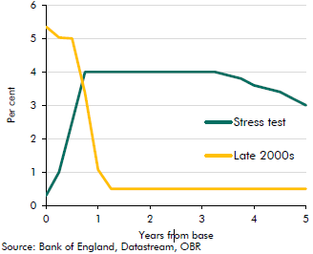

 | Years |  | Late 2000s |  | Stress test
 | 0 | 2008Q1 | 5.4 | 2017Q1 | 0.3
 |  | 2008Q2 | 5.0 | 2017Q2 | 1.0
 |  | 2008Q3 | 5.0 | 2017Q3 | 2.5
 |  | 2008Q4 | 3.4 | 2017Q4 | 4.0
 | 1 | 2009Q1 | 1.1 | 2018Q1 | 4.0
 |  | 2009Q2 | 0.5 | 2018Q2 | 4.0
 |  | 2009Q3 | 0.5 | 2018Q3 | 4.0
 |  | 2009Q4 | 0.5 | 2018Q4 | 4.0
 | 2 | 2010Q1 | 0.5 | 2019Q1 | 4.0
 |  | 2010Q2 | 0.5 | 2019Q2 | 4.0
 |  | 2010Q3 | 0.5 | 2019Q3 | 4.0
 |  | 2010Q4 | 0.5 | 2019Q4 | 4.0
 | 3 | 2011Q1 | 0.5 | 2020Q1 | 4.0
 |  | 2011Q2 | 0.5 | 2020Q2 | 4.0
 |  | 2011Q3 | 0.5 | 2020Q3 | 3.9
 |  | 2011Q4 | 0.5 | 2020Q4 | 3.8
 | 4 | 2012Q1 | 0.5 | 2021Q1 | 3.6
 |  | 2012Q2 | 0.5 | 2021Q2 | 3.5
 |  | 2012Q3 | 0.5 | 2021Q3 | 3.4
 |  | 2012Q4 | 0.5 | 2021Q4 | 3.2
 | 5 | 2013Q1 | 0.5 | 2022Q1 | 3.0

C9.8
Back to contents
 | Chart 9.8: Unemployment rate

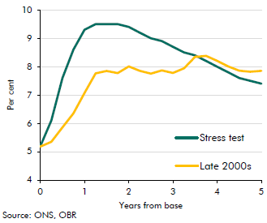

 | Years |  | Late 2000s |  | Stress test
 | 0 | 2008Q1 | 5.2 | 2017Q1 | 5.2
 |  | 2008Q2 | 5.3 | 2017Q2 | 6.1
 |  | 2008Q3 | 5.9 | 2017Q3 | 7.6
 |  | 2008Q4 | 6.4 | 2017Q4 | 8.6
 | 1 | 2009Q1 | 7.1 | 2018Q1 | 9.3
 |  | 2009Q2 | 7.8 | 2018Q2 | 9.5
 |  | 2009Q3 | 7.8 | 2018Q3 | 9.5
 |  | 2009Q4 | 7.8 | 2018Q4 | 9.5
 | 2 | 2010Q1 | 8.0 | 2019Q1 | 9.4
 |  | 2010Q2 | 7.9 | 2019Q2 | 9.2
 |  | 2010Q3 | 7.8 | 2019Q3 | 9.0
 |  | 2010Q4 | 7.9 | 2019Q4 | 8.9
 | 3 | 2011Q1 | 7.8 | 2020Q1 | 8.7
 |  | 2011Q2 | 7.9 | 2020Q2 | 8.5
 |  | 2011Q3 | 8.3 | 2020Q3 | 8.4
 |  | 2011Q4 | 8.4 | 2020Q4 | 8.2
 | 4 | 2012Q1 | 8.2 | 2021Q1 | 8.0
 |  | 2012Q2 | 8.0 | 2021Q2 | 7.8
 |  | 2012Q3 | 7.9 | 2021Q3 | 7.6
 |  | 2012Q4 | 7.8 | 2021Q4 | 7.5
 | 5 | 2013Q1 | 7.9 | 2022Q1 | 7.4

C9.9
Back to contents
 | Chart 9.9: Average earnings growth

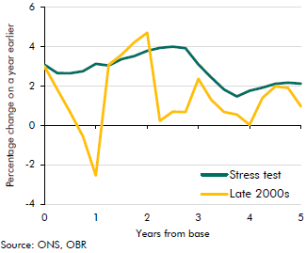

 | Years |  | Late 2000s |  | Stress test
 | 0 | 2008Q1 | 3.0 | 2017Q1 | 3.1
 |  | 2008Q2 | 1.8 | 2017Q2 | 2.6
 |  | 2008Q3 | 0.7 | 2017Q3 | 2.6
 |  | 2008Q4 | -0.6 | 2017Q4 | 2.7
 | 1 | 2009Q1 | -2.5 | 2018Q1 | 3.1
 |  | 2009Q2 | 3.1 | 2018Q2 | 3.0
 |  | 2009Q3 | 3.6 | 2018Q3 | 3.3
 |  | 2009Q4 | 4.2 | 2018Q4 | 3.5
 | 2 | 2010Q1 | 4.7 | 2019Q1 | 3.8
 |  | 2010Q2 | 0.2 | 2019Q2 | 3.9
 |  | 2010Q3 | 0.7 | 2019Q3 | 4.0
 |  | 2010Q4 | 0.7 | 2019Q4 | 3.9
 | 3 | 2011Q1 | 2.3 | 2020Q1 | 3.1
 |  | 2011Q2 | 1.3 | 2020Q2 | 2.4
 |  | 2011Q3 | 0.7 | 2020Q3 | 1.8
 |  | 2011Q4 | 0.5 | 2020Q4 | 1.5
 | 4 | 2012Q1 | 0.0 | 2021Q1 | 1.7
 |  | 2012Q2 | 1.4 | 2021Q2 | 1.9
 |  | 2012Q3 | 2.0 | 2021Q3 | 2.1
 |  | 2012Q4 | 1.9 | 2021Q4 | 2.2
 | 5 | 2013Q1 | 1.0 | 2022Q1 | 2.1

C9.10
Back to contents
 | Chart 9.10: Receipts and spending: stress test versus last recession

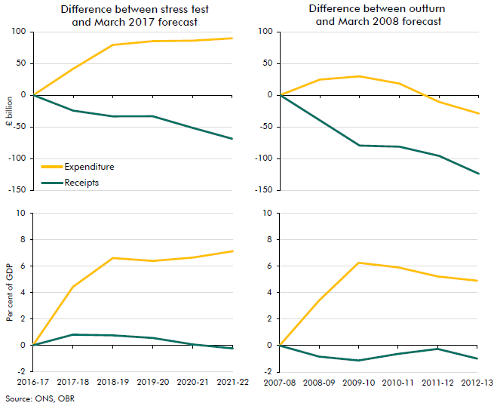

 | Difference between stress test and March 2017 forecast (£ billion)
 |  | 2016-17 | 2017-18 | 2018-19 | 2019-20 | 2020-21 | 2021-22
 | Expenditure | 0.0 | 41.6 | 79.1 | 85.1 | 85.9 | 89.5
 | Receipts | 0.0 | -24.6 | -33.6 | -33.4 | -51.6 | -68.9

 | Difference between stress test and March 2017 forecast (per cent of GDP)
 |  | 2016-17 | 2017-18 | 2018-19 | 2019-20 | 2020-21 | 2021-22
 | Expenditure | 0.0 | 4.4 | 6.6 | 6.4 | 6.7 | 7.1
 | Receipts | 0.0 | 0.8 | 0.8 | 0.6 | 0.1 | -0.2

 | Difference between outturn and March 2008 forecast (£ billion)
 |  | 2007-08 | 2008-09 | 2009-10 | 2010-11 | 2011-12 | 2012-13
 | Expenditure | 0.0 | 24.4 | 29.6 | 18.3 | -10.8 | -29.0
 | Receipts | 0.0 | -39.9 | -79.6 | -81.4 | -95.8 | -124.0

 | Difference between outturn and March 2008 forecast (per cent of GDP)
 |  | 2007-08 | 2008-09 | 2009-10 | 2010-11 | 2011-12 | 2012-13
 | Expenditure | 0.0 | 3.4 | 6.3 | 5.9 | 5.2 | 4.9
 | Receipts | 0.0 | -0.8 | -1.1 | -0.6 | -0.3 | -1.0

C9.11
Back to contents
 | Chart 9.11: Sources of two-year rise in net borrowing: crisis versus stress test

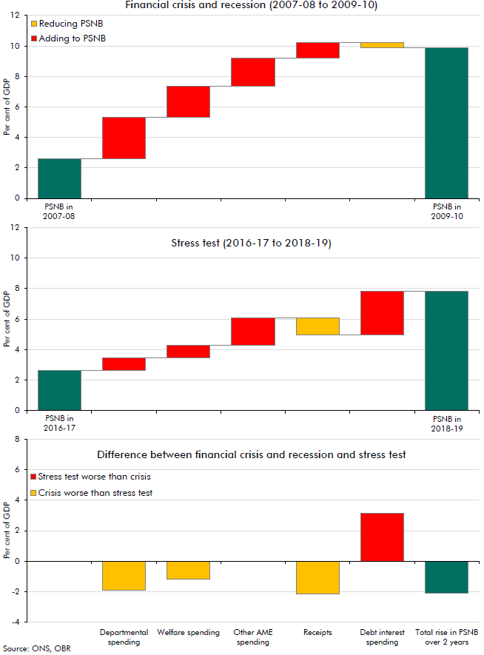

 | Financial crisis and recession (2007-08 to 2009-10)
 |  | Reducing PSNB | Adding to PSNB
 | 2007-08 | 2.6 | 0.0
 | Departmental spending | 2.6 | 2.7
 | Welfare | 5.3 | 2.1
 | Other AME spending | 7.4 | 1.8
 | Receipts | 9.2 | 1.0
 | Debt interest | 9.9 | 0.3
 | Total rise in PSNB over 2 years | 9.9 | -

 | Stress test (2016-17 to 2018-19)
 |  | Reducing PSNB | Adding to PSNB
 | 2016-17 | 2.6 | 0.0
 | Departmental spending | 2.6 | 0.8
 | Welfare | 3.4 | 0.9
 | Other AME spending | 4.3 | 1.8
 | Receipts | 5.0 | 1.1
 | Debt interest | 5.0 | 2.8
 | Total rise in PSNB over 2 years | 7.8 | -

 | Difference between financial crisis and recession and stress test
 | Departmental spending | -1.9
 | Welfare spending | -1.2
 | Other AME spending | 0.0
 | Receipts | -2.1
 | Debt interest spending | 3.2
 | Total rise in PSNB over 2 years | -2.1

C10.A
Back to contents
 | Chart 10.A: The average effect of Government decisions on borrowing
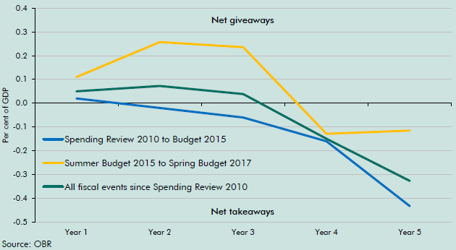

 |  | Year 1 | Year 2 | Year 3 | Year 4 | Year 5
 | Spending Review 2010 to Budget 2015 | 0.0 | 0.0 | -0.1 | -0.2 | -0.4
 | Summer Budget 2015 to Spring Budget 2017 | 0.1 | 0.3 | 0.2 | -0.1 | -0.1
 | All fiscal events since Spending Review 2010 | 0.1 | 0.1 | 0.0 | -0.1 | -0.3

C10.B
Back to contents
 | Chart 10.B: The effect of Government decisions on borrowing in 2017-18
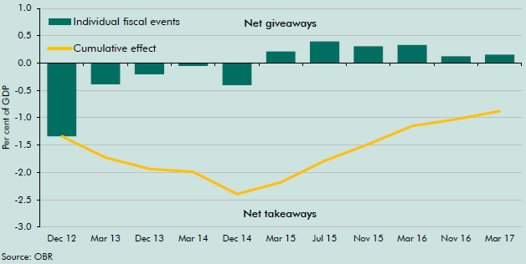

 |  | Individual fiscal events | Cumulative effect
 | Dec 12 | -1.3 | -1.3
 | 2013-03-01 | -0.4 | -1.7
 | 2013-12-01 | -0.2 | -1.9
 | 2014-03-01 | -0.1 | -2.0
 | 2014-12-01 | -0.4 | -2.4
 | 2015-03-01 | 0.2 | -2.2
 | 2015-07-01 | 0.4 | -1.8
 | 2015-11-01 | 0.3 | -1.5
 | 2016-03-01 | 0.3 | -1.2
 | 2016-11-01 | 0.1 | -1.0
 | 2017-03-01 | 0.2 | -0.9

F10.2
Back to contents
 | Figure 10.2: Sources of risk to fiscal sustainability
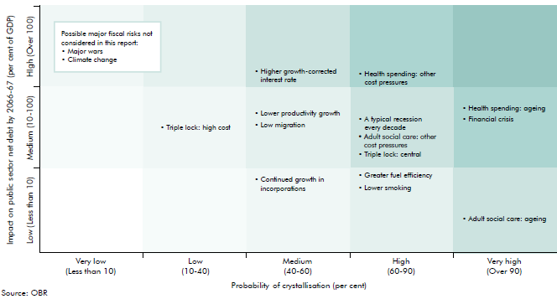

 | Name | Full description | Type of risk | Probability methodology | Impact methodology
 | Low migration | Net migration falls to 105,000 by 2021 and remains at that level thereafter | Economy | A judgement on the likelihood of post-Brexit net migration falling to a level consistent with the ONS low migration variant population projections that were published in 2014 | The difference between our central and low migration projections from FSR 2017
 | Lower productivity growth | Productiviy growth is 0.1 percentage points lower every year, with all else equal | Economy | An illustrative scenario of a small change cumulated over a long period | A simple calculation of the cumulative effect on PSND of the rise in spending as a share of GDP that would result if GDP grew 0.1 percentage points more slowly than projected by public spending growth was unchanged
 | A typical recession every decade | One recession in 10 years over 50 years: November 2015 EFO 'negative shock' scenario | Economy | The cumulative probability of a recession in any 10-year period, based on UK historical experience | Five times the effect of our November 2015 EFO 'negative shock' scenario to get a gross effect of recessions, with an illustrative assumption that half the costs are offset by preceding booms
 | Financial crisis | The impact of two average financial crisis hitting the economy over the 50 year period, capturing both direct and indirect effects | Financial sector | Extrapolating a 4.5 per cent probability in any given year over a 50-year period, suggesting a crisis every 20 years or so | The estimated average cost of a financial crisis occuring twice within the 50-year period.
 | Greater fuel efficiency | Continuation of current trend of rises in vehicle fuel efficiency | Receipts | A judgement of likelihood considering long-term history of improvements to vehicle efficiencies | The cost of continuation of trend relative to receipts staying flat as a proportion of GDP
 | Lower smoking | Continuation of current trend of 4% a year decline in cigarette consumption | Receipts | A judgement of likelihood considering long-term history of declines in cigarette consumption | The cost of continuation of trend relative to receipts staying flat as a proportion of GDP
 | Continued growth in incorporations | Incorporations continue to rise but at a slower pace until 2031-32, then stabilise | Receipts | A judgement of likelihood that pace of incorporations slow due to decreasing supply of individuals that would be willing and able to incorporate | Growth in Exchequer cost from rising incorporations slowly tapers off until 2031-32, then kept flat as proportion of GDP
 | Triple lock: central | Pension spending continue to be uprated in line with the triple lock (premium as in our FSR central projection) | Expenditure | A judgement based on FSR projections | The difference between spending under triple lock (FSR17 central premium) and a scenario when pension spending is flat as a share of GDP
 | Triple lock: high cost | Pension spending continue to be uprated in line with the triple lock but with an higher premium than in our central FSR projection | Expenditure | A judgement based on FSR projections | The difference between spending under triple lock (high triple lock premium) and a scenario when pension spending is flat as a share of GDP
 | Health spending: ageing | Health spending continue to grow broadly in line with demographic pressures | Expenditure | A judgement based on FSR and ONS population projections | The FSR17 health spending projection excluding the effect of other cost pressures
 | Health spending: other cost pressures | Health spending continue to grow broadly in line with other cost pressures | Expenditure | A judgement that history suggests is more likely than not but not inevitable | The FSR17 other cost pressure health spending scenario excluding the estimated impact of demographics
 | Adult social care: ageing | Spending on ASC continue to grow broadly in line with demographic pressures | Expenditure | A judgement based on OECD estimates of demographic vs other pressures | OECD estimates (the demographic component) and is assumed to be equal to 10% of the increase in spending
 | Adult social care: other cost pressures | Spending on ASC continue to grow broadly in line with other cost pressures | Expenditure | A judgement based on OECD estimates of demographic vs other pressures | The difference between spending in our FSR17 central projection and a scenario where spending is flat as a share of GDP (excluding our estimate of the demographic component)
 | Higher growth-corrected interest rate | Growth adjusted interest rate return to historical average of 2.5% in steady state (2036-37) | Debt interest | A judgement that a 'growth-corrected interest rate' of 2.5% (consistent with the average of the 1980s to 2000s) is a plausible risk over the long term | A scenario consistent with our FSR17 model

