C1.1
Back to contents
 | Chart 1.1: Historical distribution of public sector net borrowing as share of GDP since 1800

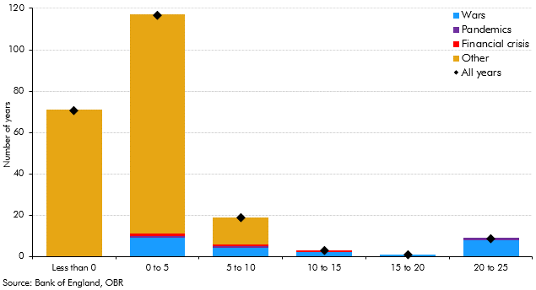

 |  | All years | Wars | Pandemics | Financial crisis | Other
 | Less than 0 | 71 | 0 | 0 | 0 | 71
 | 0 to 5 | 117 | 9 | 1 | 1 | 106
 | 5 to 10 | 19 | 4 | 1 | 1 | 13
 | 10 to 15 | 3 | 2 | 0 | 1 | 0
 | 15 to 20 | 1 | 1 | 0 | 0 | 0
 | 20 to 25 | 9 | 8 | 1 | 0 | 0

C1.2
Back to contents
 | Chart 1.2: Historical distribution of real GDP growth since 1800

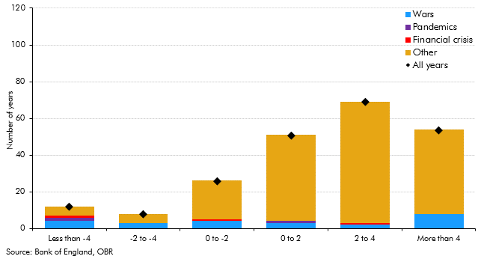

 |  | All years | Wars | Pandemics | Financial crisis | Other
 | Less than -4 | 12 | 4 | 2 | 1 | 5
 | -2 to -4 | 8 | 3 | 0 | 0 | 5
 | 0 to -2 | 26 | 4 | 0 | 1 | 21
 | 0 to 2 | 51 | 3 | 1 | 0 | 47
 | 2 to 4 | 69 | 2 | 0 | 1 | 66
 | More than 4 | 54 | 8 | 0 | 0 | 46

C1.3
Back to contents
 | Chart 1.3: Possible 2020-21 forecast differences for public sector net borrowing

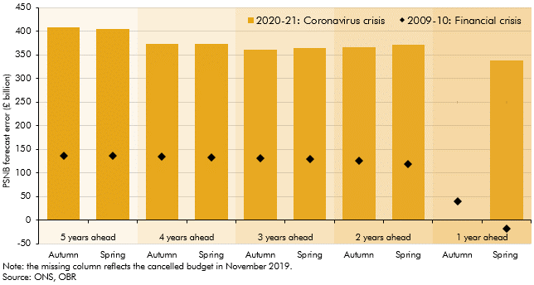

 | Forecast year |  | 2020-21: Coronavirus crisis | 2009-10: Financial crisis
 | 5 years ahead | Autumn | 408.2 | 135.7
 |  | Spring | 404.6 | 135.7
 | 4 years ahead | Autumn | 372.8 | 134.7
 |  | Spring | 373.0 | 133.7
 | 3 years ahead | Autumn | 360.8 | 131.7
 |  | Spring | 364.8 | 129.7
 | 2 years ahead | Autumn | 366.9 | 126.7
 |  | Spring | 372.4 | 119.7
 | 1 year ahead | Autumn |  | 39.7
 |  | Spring | 338.8 | -17.3

C2.1
Back to contents
 | Chart 2.1: Real GDP outturns and forecasts

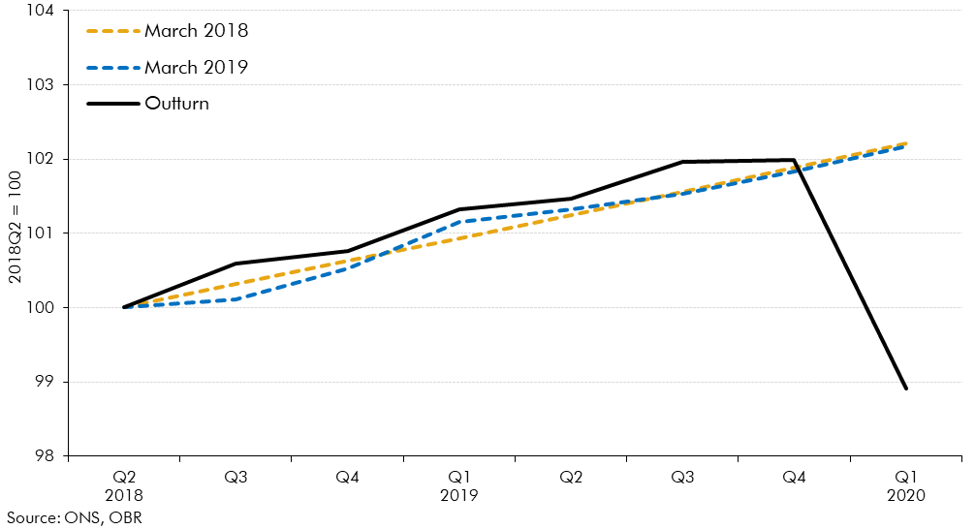

 |  | Outturn | March 2018 | March 2019
 | 2018Q2 | 100.0 | 100.0 | 100.0
 | 2018Q3 | 100.6 | 100.3 | 100.1
 | 2018Q4 | 100.8 | 100.6 | 100.5
 | 2019Q1 | 101.3 | 100.9 | 101.2
 | 2019Q2 | 101.5 | 101.2 | 101.3
 | 2019Q3 | 102.0 | 101.6 | 101.5
 | 2019Q4 | 102.0 | 101.9 | 101.8
 | 2020Q1 | 98.9 | 102.2 | 102.2

C2.2
Back to contents
 | Chart 2.2: Forecasts and outturns for CPI inflation

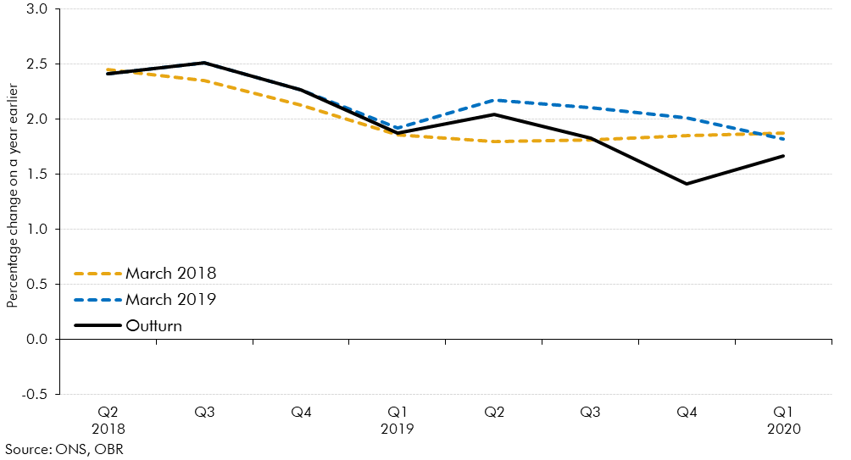

 |  | Outturn | March 2018 | March 2019
 | 2018Q2 | 2.4 | 2.5 | 2.4
 | 2018Q3 | 2.5 | 2.4 | 2.5
 | 2018Q4 | 2.3 | 2.1 | 2.3
 | 2019Q1 | 1.9 | 1.9 | 1.9
 | 2019Q2 | 2.0 | 1.8 | 2.2
 | 2019Q3 | 1.8 | 1.8 | 2.1
 | 2019Q4 | 1.4 | 1.8 | 2.0
 | 2020Q1 | 1.7 | 1.9 | 1.8

