C2.1
Back to contents
 | Chart 2.1: Degree of adaptation over successive lockdowns

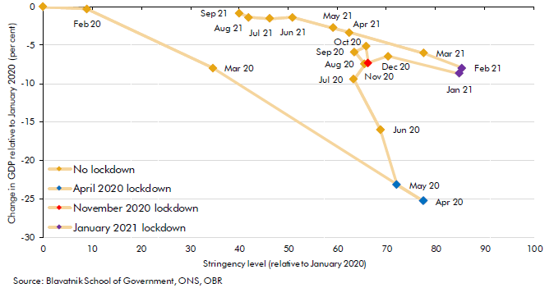

 |  | Stringency level | Change in GDP against January 2020
 | 2020 Jan | 0.0 | 0.0
 | 2020 Feb | 9.0 | -0.3
 | 2020 Mar | 34.6 | -7.9
 | 2020 Apr | 77.6 | -25.3
 | 2020 May | 72.2 | -23.2
 | 2020 Jun | 68.8 | -16.0
 | 2020 Jul | 63.3 | -9.4
 | 2020 Aug | 65.6 | -7.5
 | 2020 Sep | 63.5 | -5.9
 | 2020 Oct | 65.8 | -5.2
 | 2020 Nov | 66.3 | -7.3
 | 2020 Dec | 70.3 | -6.4
 | 2021 Jan | 84.8 | -8.7
 | 2021 Feb | 85.4 | -8.0
 | 2021 Mar | 77.7 | -6.0
 | 2021 Apr | 62.4 | -3.4
 | 2021 May | 59.1 | -2.7
 | 2021 Jun | 50.8 | -1.4
 | 2021 Jul | 46.2 | -1.5
 | 2021 Aug | 41.9 | -1.4
 | 2021 Sep | 40.0 | -0.8

C2.2
Back to contents
 | Chart 2.2: Cost of pandemic response measures

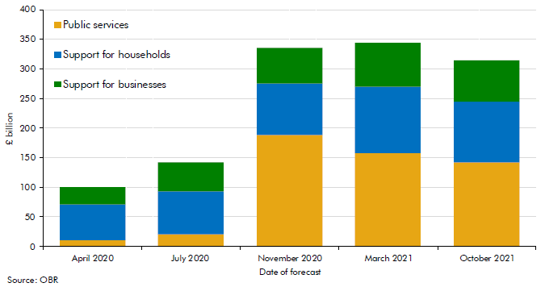

 |  | Public services | Support for households | Support for businesses
 | April 2020 | 10.0 | 60.5 | 29.2
 | July 2020 | 20.5 | 72.3 | 49.8
 | November 2020 | 188.4 | 86.8 | 61.3
 | March 2021 | 158.4 | 111.2 | 74.8
 | October 2021 | 141.9 | 102.2 | 71.3

C2.3
Back to contents
 | Chart 2.3: Pandemic-related economic scarring assumptions for GDP in 2025

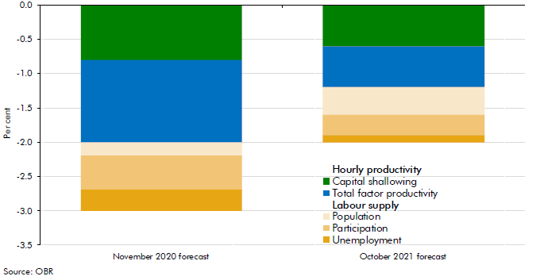

 |  | November 2020 forecast | October 2021 forecast
 | Hourly productivity
 | Capital shallowing | -0.8 | -0.6
 | Total factor productivity | -1.2 | -0.6
 | Labour supply
 | Population | -0.2 | -0.4
 | Participation | -0.5 | -0.3
 | Unemployment | -0.3 | -0.1

C2.4
Back to contents
 | Chart 2.4: Contributions to output shortfalls following the closure of the CJRS

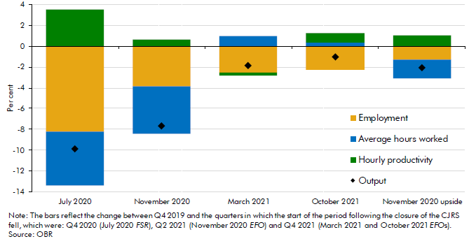

 |  | July 2020 | November 2020 | March 2021 | October 2021 | November 2020 upsidse
 | Average hours worked | -5.2 | -4.6 | 1.0 | 0.4 | -1.8
 | Employment | -8.2 | -3.8 | -2.5 | -2.2 | -1.3
 | Hourly productivity | 3.5 | 0.6 | -0.3 | 0.9 | 1.1
 | Output | -9.9 | -7.7 | -1.8 | -1.0 | -2.0

C2.A
Back to contents
 | Chart 2.A: Change in level of output relative to January 2020 by sector

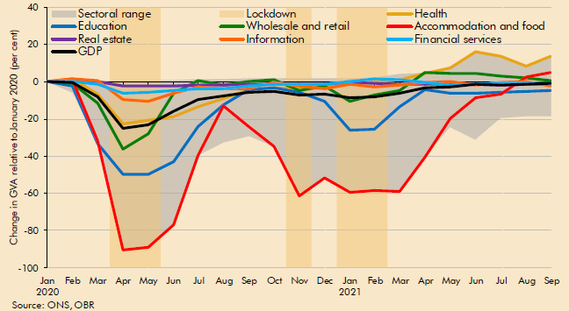

 |  | Maximum | Minimum | Sectoral range | Health | Education | Wholesale and retail | Accommodation and food | Real estate | Financial services | Information | GDP
 | 2020 Jan | 0 | 0 | 0 | 0 | 0 | 0 | 0 | 0 | 0 | 0 | 0
 | 2020 Feb | 2 | -6 | -8 | 2 | -3 | -1 | 1 | 0 | 0 | 2 | 0
 | 2020 Mar | 0 | -33 | -34 | -7 | -33 | -12 | -32 | 0 | -1 | 0 | -8
 | 2020 Apr | 1 | -91 | -91 | -23 | -50 | -36 | -91 | -2 | -6 | -9 | -25
 | 2020 May | 1 | -89 | -90 | -21 | -50 | -28 | -89 | -2 | -6 | -10 | -23
 | 2020 Jun | 1 | -77 | -78 | -19 | -43 | -6 | -77 | -2 | -5 | -6 | -16
 | 2020 Jul | 1 | -39 | -41 | -13 | -24 | 1 | -39 | -2 | -4 | -3 | -9
 | 2020 Aug | 1 | -32 | -34 | -9 | -12 | -2 | -13 | -2 | -4 | -4 | -7
 | 2020 Sep | 2 | -29 | -31 | -4 | -4 | 0 | -24 | -1 | -2 | -4 | -6
 | 2020 Oct | 2 | -35 | -37 | -3 | -3 | 1 | -35 | -1 | -1 | 0 | -5
 | 2020 Nov | 2 | -62 | -63 | -4 | -6 | -5 | -62 | -1 | -1 | -2 | -7
 | 2020 Dec | 2 | -52 | -54 | -3 | -11 | -2 | -52 | -1 | -1 | -4 | -6
 | 2021 Jan | 2 | -59 | -61 | 1 | -26 | -11 | -59 | 0 | 0 | -1 | -9
 | 2021 Feb | 2 | -58 | -61 | 0 | -26 | -7 | -58 | -1 | 1 | -3 | -8
 | 2021 Mar | 4 | -59 | -63 | 1 | -14 | -5 | -59 | -1 | 1 | -2 | -6
 | 2021 Apr | 5 | -41 | -45 | 5 | -4 | 5 | -41 | -1 | 0 | 0 | -3
 | 2021 May | 8 | -24 | -32 | 7 | -6 | 4 | -20 | -1 | -2 | 0 | -3
 | 2021 Jun | 16 | -31 | -47 | 16 | -6 | 4 | -8 | -1 | -2 | -2 | -1
 | 2021 Jul | 14 | -20 | -34 | 14 | -6 | 3 | -7 | -2 | -1 | 0 | -2
 | 2021 Aug | 9 | -19 | -27 | 9 | -5 | 2 | 3 | -1 | -1 | 0 | -1
 | 2021 Sep | 14 | -18 | -32 | 14 | -5 | 1 | 5 | -1 | -1 | -2 | -1

C2.5
Back to contents
 | Chart 2.5: Range of forecasts for 2020 GDP growth

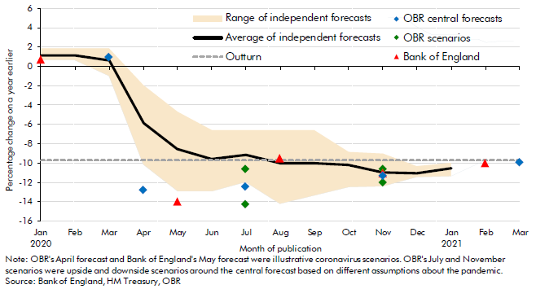

 | Month forecast | 2020 JAN | 2020 FEB | 2020 MAR | 2020 APR | 2020 MAY | 2020 JUN | 2020 JUL | 2020 AUG | 2020 SEP | 2020 OCT | 2020 NOV | 2020 DEC | 2021 JAN | 2021 FEB | 2021 MAR
 | OBR central forecasts |  |  | 1.1 | -12.8 |  |  | -12.4 |  |  |  | -11.3 |  |  |  | -9.9
 | OBR upside scenarios |  |  |  |  |  |  | -10.6 |  |  |  | -10.6
 | OBR downside scenarios |  |  |  |  |  |  | -14.3 |  |  |  | -12.0
 | Bank of England | 0.8 |  |  |  | -14.0 |  |  | -9.5 |  |  | -11.0 |  |  | -10.0
 | Average of independent forecasts | 1.1 | 1.2 | 0.6 | -5.8 | -8.6 | -9.6 | -9.1 | -10.1 | -10.0 | -10.2 | -11.0 | -11.1 | -10.6
 | Highest of independent forecasts | 1.9 | 1.9 | 1.9 | -1.9 | -4.7 | -6.6 | -6.6 | -6.6 | -6.6 | -8.9 | -9.0 | -10.3 | -10.0
 | Lowest of independent forecasts | 0.7 | 0.7 | -1.0 | -10.2 | -12.9 | -12.9 | -12.0 | -14.2 | -13.4 | -12.5 | -12.4 | -11.5 | -11.4
 | Outturn | -9.7 | -9.7 | -9.7 | -9.7 | -9.7 | -9.7 | -9.7 | -9.7 | -9.7 | -9.7 | -9.7 | -9.7 | -9.7 | -9.7 | -9.7

C2.6
Back to contents
 | Chart 2.6: March 2020 forecast errors in contributions to nominal GDP growth in 2020-21

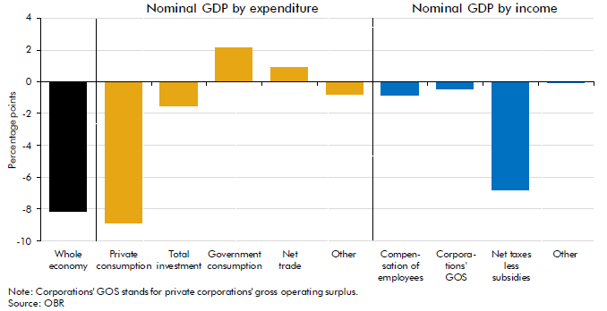

 | Whole economy | Nominal GDP by expenditure |  |  |  |  | Nominal GDP by income
 |  | Private consumption | Total investment | Government consumption | Net trade | Other | Compensation of employees | Corporations' GOS | Net taxes less subsidies | Other
 | -8.1 | -8.9 | -1.5 | 2.1 | 0.9 | -0.8 | -0.9 | -0.4 | -6.8 | 0.0

C3.1
Back to contents
 | Chart 3.1: Range of forecasts for 2020-21 PSNB

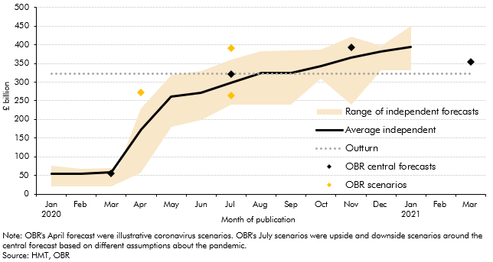

 | Month of publication | Jan 2020 | Feb 2020 | Mar 2020 | Apr 2020 | May 2020 | Jun 2020 | Jul 2020 | Aug 2020 | Sep 2020 | Oct 2020 | Nov 2020 | Dec 2020 | Jan 2021 | Feb 2021 | Mar 2021
 | OBR central forecasts |  |  | 54.8 |  |  |  | 322.0 |  |  |  | 393.5 |  |  |  | 354.6
 | OBR scenarios |  |  |  | 273.0 |  |  | 263.4
 | OBR scenarios |  |  |  |  |  |  | 391.2
 | Average independent | 55.1 | 53.6 | 58.0 | 173.0 | 260.5 | 271.0 | 297.4 | 324.0 | 323.6 | 343.4 | 366.1 | 381.2 | 393.7
 | Outturn | 323.1 | 323.1 | 323.1 | 323.1 | 323.1 | 323.1 | 323.1 | 323.1 | 323.1 | 323.1 | 323.1 | 323.1 | 323.1 | 323.1 | 323.1
 | Range of independent forecasts | 54.3 | 47.3 | 49.6 | 229.0 | 320.0 | 330.0 | 360.0 | 382.0 | 385.0 | 386.3 | 422.7 | 396.6 | 450.0
 |  | 20.7 | 20.7 | 20.4 | -170.7 | -140.0 | -130.9 | -120.9 | -142.9 | -145.9 | -76.3 | -183.6 | -64.1 | -117.5

C3.2
Back to contents
 | Chart 3.2: Evolution of our 2020-21 receipts and nominal GDP forecast errors

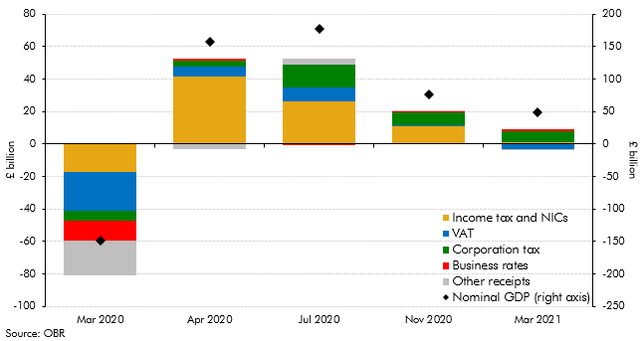

 |  | Mar 2020 | Apr 2020 | Jul 2020 | Nov 2020 | Mar 2021
 | Nominal GDP (right axis) | -148.4 | 158.1 | 178.1 | 76.9 | 49.7
 | Income tax and NICs | -17.4 | 41.6 | 26.1 | 11.2 | 1.7
 | VAT | -23.8 | 6.0 | 8.6 | 0.5 | -3.2
 | Corporation tax | -6.1 | 3.8 | 14.5 | 8.2 | 6.5
 | Business rates | -12.0 | 1.0 | -0.8 | 0.3 | 1.5
 | Other receipts | -21.5 | -3.0 | 3.3 | 0.9 | -0.4

C3.A
Back to contents
 | Chart 3.A: Changes in pay and tax receipts across the employee earnings distribution between 2019-20 and 2020-21

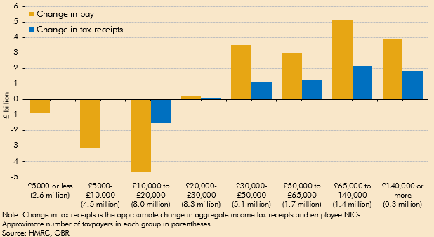

 | Income Band (approx taxpayers) | £5000 or less (2.6 million) | £5000-£10,000 (4.5 million) | £10,000 to £20,000 (8.0 million) | £20,000-£30,000 (8.3 million) | £30,000-£50,000 (5.1 million) | £50,000 to £65,000 (1.7 million) | £65,000 to 140,000 (1.4 million) | £140,000 or more (0.3 million)
 | Change in pay | -0.9 | -3.2 | -4.7 | 0.3 | 3.5 | 3.0 | 5.1 | 3.9
 | Change in tax receipts | 0.0 | 0.0 | -1.5 | 0.1 | 1.1 | 1.3 | 2.2 | 1.9

C3.B
Back to contents
 | Chart 3.B: Total pay growth in 2020-21 and average effective tax rate by sector

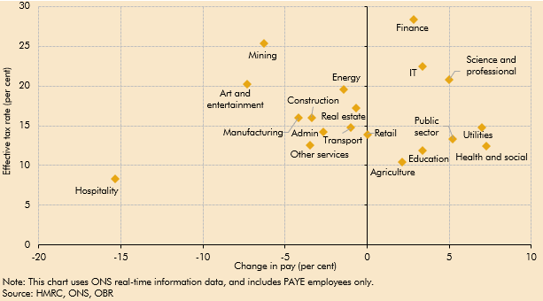

 | Sector | Pay Change per cent | Average ETR per cent
 | Agriculture | 2.1 | 10.4
 | Mining | -6.3 | 25.4
 | Manufacturing | -4.2 | 16.0
 | Energy | -1.4 | 19.6
 | Utilities | 7.0 | 14.7
 | Construction | -3.4 | 16.0
 | Retail | 0.0 | 13.9
 | Transport | -1.0 | 14.7
 | Hospitality | -15.4 | 8.3
 | IT | 3.4 | 22.5
 | Finance | 2.8 | 28.4
 | Real estate | -0.7 | 17.2
 | Science and professional | 5.0 | 20.8
 | Admin | -2.7 | 14.2
 | Public sector | 5.2 | 13.4
 | Education | 3.4 | 11.9
 | Health and social | 7.3 | 12.4
 | Art and entertainment | -7.3 | 20.2
 | Other services | -3.5 | 12.6

C3.C
Back to contents
 | Chart 3.C: HMRC tax debt balance

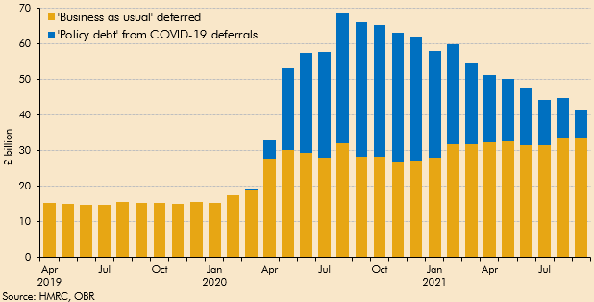

 |  | Apr 2019 | May 2019 | Jun 2019 | Jul 2019 | Aug 2019 | Sep 2019 | Oct 2019 | Nov 2019 | Dec 2019 | Jan 2020 | Feb 2020 | Mar 2020 | Apr 2020 | May 2020 | Jun 2020 | Jul 2020 | Aug 2020 | Sep 2020 | Oct 2020 | Nov 2020 | Dec 2020 | Jan 2021 | Feb 2021 | Mar 2021 | Apr 2021 | May 2021 | Jun 2021 | Jul 2021 | Aug 2021 | Sep 2021
 | 'Business as usual' deferred | 15.3 | 15.1 | 14.9 | 14.7 | 15.6 | 15.4 | 15.4 | 15.0 | 15.5 | 15.3 | 17.4 | 18.9 | 27.7 | 30.2 | 29.3 | 28.0 | 32.1 | 28.2 | 28.2 | 26.9 | 27.1 | 28.1 | 31.7 | 31.7 | 32.2 | 32.7 | 31.6 | 31.5 | 33.6 | 33.3
 | 'Policy debt' from COVID-19 deferrals | 0.0 | 0.0 | 0.0 | 0.0 | 0.0 | 0.0 | 0.0 | 0.0 | 0.0 | 0.0 | 0.0 | 0.1 | 5.1 | 22.9 | 28.2 | 29.7 | 36.4 | 37.8 | 36.9 | 36.3 | 35.0 | 30.0 | 28.1 | 22.8 | 19.1 | 17.6 | 15.8 | 12.6 | 11.0 | 8.3

C3.3
Back to contents
 | Chart 3.3: Evolution of our 2020-21 spending forecast errors

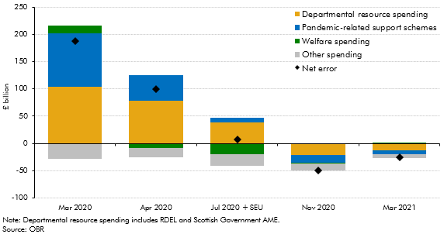

 |  | Mar 2020 | Apr 2020 | Jul 2020 + SEU | Nov 2020 | Mar 2021
 | Departmental resource spending | 103.3 | 78.3 | 38.8 | -21.7 | -11.9
 | Pandemic-related support schemes | 98.9 | 46.9 | 8.5 | -14.1 | -8.1
 | Welfare spending | 14.2 | -8.6 | -19.8 | -0.8 | 0.6
 | Other spending | -28.9 | -17.0 | -20.9 | -12.9 | -6.4
 | Net error | 187.5 | 99.5 | 6.6 | -49.4 | -25.8

C3.4
Back to contents
 | Chart 3.4: Successive CJRS forecasts versus outturn

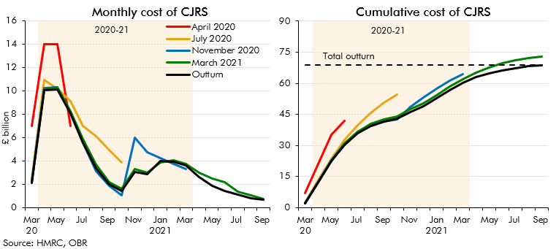

 | £ billion | Mar 2020 | Apr 2020 | May 2020 | Jun 2020 | Jul 2020 | Aug 2020 | Sep 2020 | Oct 2020 | Nov 2020 | Dec 2020 | Jan 2021 | Feb 2021 | Mar 2021 | Apr 2021 | May 2021 | Jun 2021 | Jul 2021 | Aug 2021 | Sep 2021
 | Cumulative
 | Outturn | 2.1 | 12.2 | 22.3 | 30.4 | 36.0 | 39.4 | 41.4 | 42.8 | 45.9 | 48.8 | 52.8 | 56.7 | 60.3 | 62.9 | 64.8 | 66.2 | 67.3 | 68.1 | 68.8
 | March 2021 | 2.2 | 12.3 | 22.5 | 30.8 | 36.6 | 40.3 | 42.5 | 44.1 | 47.5 | 50.5 | 54.3 | 58.4 | 62.1 | 65.1 | 67.6 | 69.8 | 71.2 | 72.2 | 73.0
 | November 2020 | 2.2 | 12.4 | 22.7 | 30.9 | 36.4 | 39.6 | 41.4 | 42.5 | 48.5 | 53.2 | 57.4 | 61.2 | 64.4
 | July 2020 | 2.5 | 13.4 | 23.6 | 32.7 | 39.7 | 45.8 | 50.8 | 54.7
 | April 2020 | 7.0 | 21.0 | 35.0 | 42.0
 | Total outturn | 68.8 | 68.8 | 68.8 | 68.8 | 68.8 | 68.8 | 68.8 | 68.8 | 68.8 | 68.8 | 68.8 | 68.8 | 68.8 | 68.8 | 68.8 | 68.8 | 68.8 | 68.8 | 68.8

 | Monthly
 | Outturn | 2.1 | 10.0 | 10.1 | 8.1 | 5.6 | 3.4 | 2.0 | 1.5 | 3.1 | 2.9 | 4.0 | 3.9 | 3.6 | 2.6 | 1.9 | 1.4 | 1.1 | 0.8 | 0.7
 | March 2021 | 2.2 | 10.1 | 10.3 | 8.2 | 5.9 | 3.7 | 2.2 | 1.6 | 3.3 | 3.0 | 3.8 | 4.0 | 3.8 | 3.0 | 2.5 | 2.2 | 1.4 | 1.1 | 0.7
 | November 2020 | 2.2 | 10.2 | 10.3 | 8.2 | 5.5 | 3.1 | 1.9 | 1.1 | 6.0 | 4.7 | 4.2 | 3.8 | 3.3
 | July 2020 | 2.5 | 10.9 | 10.2 | 9.1 | 7.0 | 6.1 | 4.9 | 3.9
 | April 2020 | 7.0 | 14.0 | 14.0 | 7.0

C3.5
Back to contents
 | Chart 3.5: Successive SEISS forecasts versus outturn

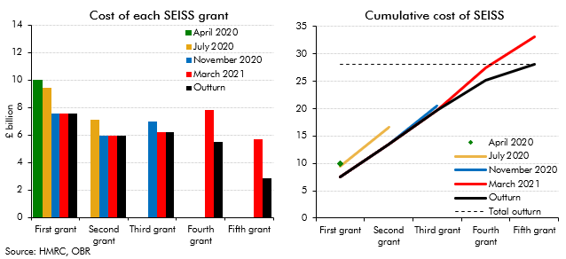

 | Cost of SEISS grants, successive forecasts | Closed on |  | Nov to | Feb to | May to
 |  | July 13 |  | Jan | Apr | Sep
 |  | First grant | Second grant | Third grant | Fourth grant | Fifth grant
 | Outturn | 7.6 | 5.9 | 6.2 | 5.5 | 2.8
 | March 2021 | 7.6 | 5.9 | 6.2 | 7.8 | 5.7
 | November 2020 | 7.6 | 6.0 | 7.0
 | July 2020 | 9.5 | 7.1
 | April 2020 | 10.0

 | Cumulative
 | Outturn | 7.6 | 13.5 | 19.7 | 25.3 | 28.1
 | March 2021 | 7.6 | 13.5 | 19.7 | 27.5 | 33.2
 | November 2020 | 7.6 | 13.5 | 20.5
 | July 2020 | 9.5 | 16.5
 | April 2020 | 10.0
 | Total outturn | 28.1 | 28.1 | 28.1 | 28.1 | 28.1

C3.6
Back to contents
 | Chart 3.6: Sources of the March 2020 PSNB forecast error

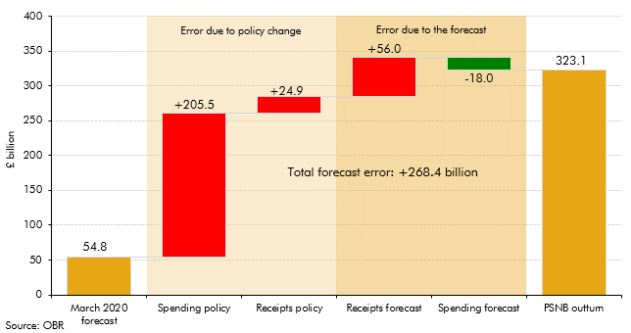

 |  |  | Factors increasing the PSNB forecast error | Factors decreasing the PSNB forecast error
 |  | March 2020 forecast | 54.8
 | Errors due to policy change: | Spending policy | 205.5
 |  | Receipts policy | 24.9
 |  | Receipts forecast | 56.0

 | Errors due to the forecast: | Spending forecast |  | 18.0
 |  | PSNB outturn | 323.1

C3.7
Back to contents
 | Chart 3.7: Sources of the March 2020 spending forecast error

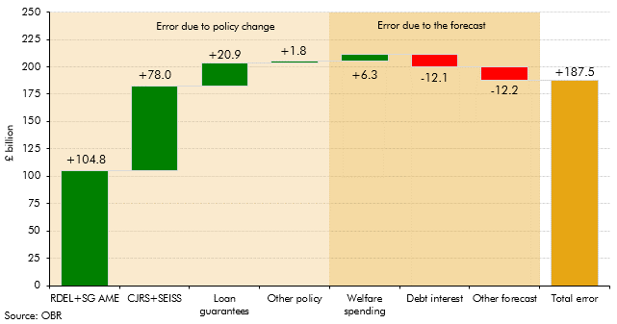

 |  |  | Factors increasing the spending forecast error | Factors decreasing the spending forecast error
 | Errors due to policy change: | RDEL+SG AME | 104.8
 |  | CJRS+SEISS | 78.0
 |  | Loan guarantees | 20.9
 |  | Other policy | 1.8

 | Errors due to the forecast: | Welfare spending | 6.3
 |  | Debt interest |  | 12.1
 |  | Other forecast |  | 12.2
 |  | Total error | 187.5

CA.1
Back to contents
 | Chart A.1: Three-year ahead forecast errors for real GDP and PSNB

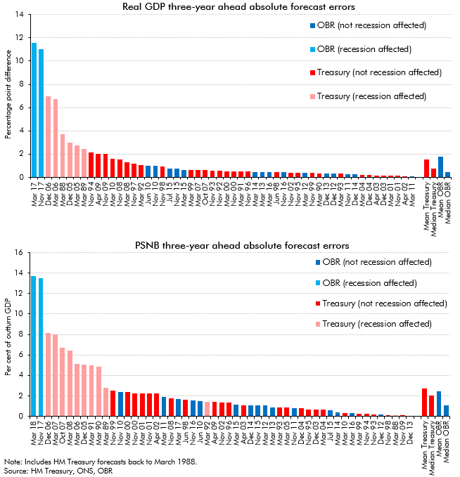

 | GDP | Treasury (recession affected) | Treasury (not recession affected) | OBR (recession affected) | OBR (not recession affected) | PSNB | Treasury (recession affected) | Treasury (not recession affected) | OBR (recession affected) | OBR (not recession affected)
 | Mar 17 |  |  | 11.6 |  | Mar 18 |  |  | 13.7
 | Nov 17 |  |  | 11.0 |  | Nov 17 |  |  | 13.5
 | Dec 06 | 7.0 |  |  |  | Dec 06 | 8.1
 | Mar 06 | 6.7 |  |  |  | Mar 07 | 8.0
 | Mar 88 | 3.7 |  |  |  | Oct 07 | 6.7
 | Dec 05 | 3.0 |  |  |  | Mar 08 | 6.4
 | Mar 05 | 2.7 |  |  |  | Mar 06 | 5.1
 | Mar 89 | 2.4 |  |  |  | Dec 05 | 5.1
 | Nov 94 |  | 2.2 |  |  | Mar 91 | 5.0
 | Apr 09 |  | 2.0 |  |  | Mar 90 | 4.9
 | Nov 09 |  | 2.0 |  |  | Mar 89 | 2.8
 | Mar 10 |  | 1.6 |  |  | Nov 99 |  | 2.5
 | Nov 08 |  | 1.5 |  |  | Nov 10 |  |  |  | 2.4
 | Mar 08 |  | 1.3 |  |  | Mar 00 |  | 2.4
 | Nov 97 |  | 1.2 |  |  | Nov 00 |  | 2.2
 | Mar 92 |  | 1.1 |  |  | Mar 01 |  | 2.2
 | Jun 10 |  |  |  | 1.0 | Nov 01 |  | 2.2
 | Nov 10 |  |  |  | 1.0 | Apr 02 |  | 2.2
 | Nov 98 |  | 0.9 |  |  | Mar 11 |  |  |  | 1.9
 | Jul 15 |  |  |  | 0.7 | Nov 08 |  | 1.8
 | Nov 15 |  |  |  | 0.7 | Mar 17 |  |  |  | 1.7
 | Mar 15 |  |  |  | 0.6 | Jun 98 |  | 1.6
 | Mar 99 |  | 0.6 |  |  | Nov 16 |  |  |  | 1.6
 | Mar 07 |  | 0.6 |  |  | Jun 10 |  |  |  | 1.5
 | Oct 07 |  | 0.6 |  |  | Mar 92 | 1.4
 | Nov 93 |  | 0.6 |  |  | Apr 09 |  | 1.4
 | Nov 92 |  | 0.6 |  |  | Nov 02 |  | 1.4
 | Mar 00 |  | 0.5 |  |  | Nov 96 |  | 1.3
 | Nov 00 |  | 0.5 |  |  | Mar 15 |  |  |  | 1.1
 | Mar 91 |  | 0.5 |  |  | Apr 03 |  | 1.1
 | Nov 96 |  | 0.5 |  |  | Dec 14 |  |  |  | 1.1
 | Mar 14 |  |  |  | 0.5 | Nov 15 |  |  |  | 1.1
 | Mar 13 |  |  |  | 0.4 | Mar 12 |  |  |  | 1.1
 | Mar 16 |  |  |  | 0.4 | Mar 13 |  |  |  | 0.9
 | Jun 98 |  | 0.4 |  |  | Mar 93 |  | 0.9
 | Nov 16 |  |  |  | 0.4 | Mar 05 |  | 0.8
 | Nov 02 |  | 0.4 |  |  | Nov 11 |  |  |  | 0.8
 | Nov 95 |  | 0.4 |  |  | Dec 04 |  | 0.8
 | Mar 12 |  |  |  | 0.4 | Nov 95 |  | 0.7
 | Nov 99 |  | 0.4 |  |  | Dec 03 |  | 0.6
 | Mar 90 |  | 0.3 |  |  | Mar 04 |  | 0.6
 | Dec 13 |  |  |  | 0.3 | Jul 15 |  |  |  | 0.6
 | Dec 12 |  |  |  | 0.3 | Mar 14 |  |  |  | 0.4
 | Mar 93 |  | 0.3 |  |  | Mar 10 |  | 0.3
 | Nov 11 |  |  |  | 0.3 | Mar 16 |  |  |  | 0.3
 | Dec 14 |  |  |  | 0.3 | Mar 99 |  | 0.2
 | Mar 04 |  | 0.2 |  |  | Nov 94 |  | 0.2
 | Dec 04 |  | 0.2 |  |  | Nov 93 |  | 0.2
 | Apr 03 |  | 0.2 |  |  | Dec 12 |  |  |  | 0.1
 | Dec 03 |  | 0.2 |  |  | Nov 98 |  | 0.1
 | Mar 01 |  | 0.1 |  |  | Mar 88 | 0.1
 | Nov 01 |  | 0.1 |  |  | Nov 09 |  | 0.1
 | Apr 02 |  | 0.1 |  |  | Dec 13 |  |  |  | 0.0
 | Mar 11 |  |  |  | 0.1
 |  |  |  |  |  | Mean Treasury | 2.7
 | Mean Treasury | 1.6 |  |  |  | Median Treasury |  | 2.0
 | Median Treasury |  | 0.8 |  |  | Mean OBR |  |  | 2.4
 | Mean OBR |  |  | 1.8 |  | Median OBR |  |  |  | 1.1
 | Median OBR |  |  |  | 0.4

CA.2
Back to contents
 | Chart A.2: PSNB forecast errors: pandemic versus financial crisis

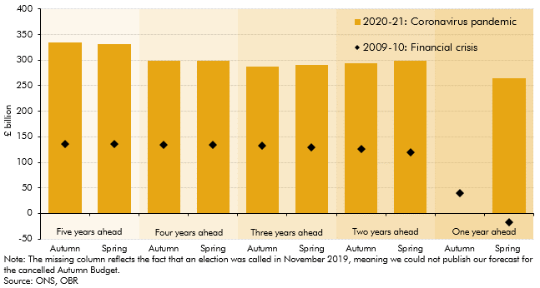

 | Forecast year |  | 2020-21: Coronavirus pandemic | 2009-10: Financial crisis
 | Five years ahead | Autumn | 334.6 | 135.8
 |  | Spring | 331.0 | 135.8
 | Four years ahead | Autumn | 299.2 | 134.8
 |  | Spring | 299.4 | 133.8
 | Three years ahead | Autumn | 287.2 | 131.8
 |  | Spring | 291.2 | 129.8
 | Two years ahead | Autumn | 293.3 | 126.8
 |  | Spring | 298.8 | 119.8
 | One year ahead | Autumn | - | 39.8
 |  | Spring | 265.2 | -17.2

