Summary
Back to contents
 | Deficit: Reference scenario versus Budget forecast

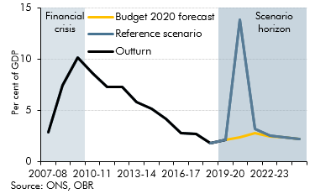

 |  | Outturn | Budget 2020 forecast | Reference scenario
 | 2007-08 | 2.9
 | 2008-09 | 7.5
 | 2009-10 | 10.2
 | 2010-11 | 8.7
 | 2011-12 | 7.3
 | 2012-13 | 7.3
 | 2013-14 | 5.8
 | 2014-15 | 5.2
 | 2015-16 | 4.2
 | 2016-17 | 2.8
 | 2017-18 | 2.7
 | 2018-19 | 1.8
 | 2019-20 |  | 2.1 | 2.1
 | 2020-21 |  | 2.4 | 13.9
 | 2021-22 |  | 2.8 | 3.2
 | 2022-23 |  | 2.5 | 2.5
 | 2023-24 |  | 2.4 | 2.4
 | 2024-25 |  | 2.2 | 2.2

C1.1
Back to contents
 | Chart 1.1: OECD estimates of initial GDP and private consumption losses

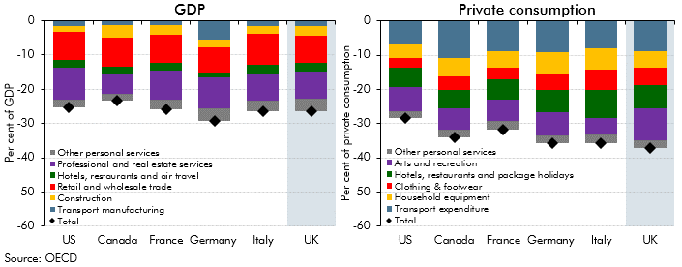

 |  | Per cent of GDP
 |  | US | Canada | France | Germany | Italy | UK
 | Transport manufacturing | -1.5 | -1.4 | -1.4 | -5.5 | -1.6 | -1.5
 | Construction | -1.8 | -3.7 | -2.8 | -2.2 | -2.1 | -3.0
 | Retail and wholesale trade | -8.1 | -8.4 | -8.2 | -7.4 | -9.0 | -7.8
 | Hotels, restaurants and air travel | -2.3 | -2.1 | -2.3 | -1.3 | -2.9 | -2.6
 | Professional and real estate services | -9.2 | -5.9 | -8.6 | -9.2 | -7.6 | -7.9
 | Other personal services | -2.4 | -1.8 | -2.7 | -3.5 | -3.0 | -3.6
 | Total | -25.3 | -23.2 | -25.9 | -29.2 | -26.3 | -26.4
 |  | Per cent of private consumption
 | Clothing & footwear | -3.0 | -3.9 | -3.6 | -4.6 | -6.0 | -5.0
 | Household equipment | -4.2 | -5.3 | -4.8 | -6.4 | -6.2 | -4.9
 | Transport expenditure | -6.5 | -10.9 | -8.8 | -9.3 | -8.0 | -8.8
 | Arts and recreation | -7.1 | -6.4 | -6.2 | -6.9 | -4.9 | -9.3
 | Hotels, restaurants and package holidays | -5.5 | -5.3 | -5.9 | -6.3 | -8.3 | -7.0
 | Other personal services | -2.1 | -2.2 | -2.5 | -2.1 | -2.4 | -2.3
 | Total | -28.4 | -34.1 | -31.7 | -35.6 | -35.7 | -37.2

C1.2
Back to contents
 | Chart 1.2: GDP decline in historical perspective

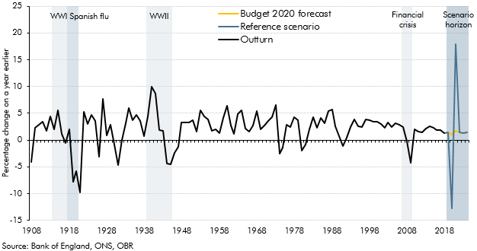

 |  | Outturn | Budget 2020 forecast | Reference scenario
 | 1908 | -4.0
 | 1909 | 2.3
 | 1910 | 2.8
 | 1911 | 3.5
 | 1912 | 1.8
 | 1913 | 4.4
 | 1914 | 2.0
 | 1915 | 5.5
 | 1916 | 1.2
 | 1917 | -0.5
 | 1918 | 1.9
 | 1919 | -7.8
 | 1920 | -5.8
 | 1921 | -9.7
 | 1922 | 5.3
 | 1923 | 3.0
 | 1924 | 4.7
 | 1925 | 3.5
 | 1926 | -3.1
 | 1927 | 7.7
 | 1928 | 0.9
 | 1929 | 2.9
 | 1930 | -0.8
 | 1931 | -4.6
 | 1932 | 0.1
 | 1933 | 3.2
 | 1934 | 6.0
 | 1935 | 3.7
 | 1936 | 4.8
 | 1937 | 3.5
 | 1938 | 0.8
 | 1939 | 4.4
 | 1940 | 9.9
 | 1941 | 8.7
 | 1942 | 1.8
 | 1943 | 1.7
 | 1944 | -4.4
 | 1945 | -4.6
 | 1946 | -2.5
 | 1947 | -1.3
 | 1948 | 3.2
 | 1949 | 3.3
 | 1950 | 3.4
 | 1951 | 3.7
 | 1952 | 1.5
 | 1953 | 5.6
 | 1954 | 4.4
 | 1955 | 3.9
 | 1956 | 1.7
 | 1957 | 2.0
 | 1958 | 1.4
 | 1959 | 4.2
 | 1960 | 6.3
 | 1961 | 2.7
 | 1962 | 1.1
 | 1963 | 4.9
 | 1964 | 5.6
 | 1965 | 2.1
 | 1966 | 1.6
 | 1967 | 2.8
 | 1968 | 5.5
 | 1969 | 1.9
 | 1970 | 2.7
 | 1971 | 3.5
 | 1972 | 4.3
 | 1973 | 6.5
 | 1974 | -2.5
 | 1975 | -1.5
 | 1976 | 2.9
 | 1977 | 2.5
 | 1978 | 4.2
 | 1979 | 3.7
 | 1980 | -2.0
 | 1981 | -0.8
 | 1982 | 2.0
 | 1983 | 4.2
 | 1984 | 2.3
 | 1985 | 4.1
 | 1986 | 3.2
 | 1987 | 5.4
 | 1988 | 5.7
 | 1989 | 2.6
 | 1990 | 0.7
 | 1991 | -1.1
 | 1992 | 0.4
 | 1993 | 2.5
 | 1994 | 3.8
 | 1995 | 2.5
 | 1996 | 2.5
 | 1997 | 3.9
 | 1998 | 3.6
 | 1999 | 3.4
 | 2000 | 3.4
 | 2001 | 3.0
 | 2002 | 2.3
 | 2003 | 3.3
 | 2004 | 2.4
 | 2005 | 3.2
 | 2006 | 2.8
 | 2007 | 2.4
 | 2008 | -0.3
 | 2009 | -4.2
 | 2010 | 1.9
 | 2011 | 1.5
 | 2012 | 1.5
 | 2013 | 2.1
 | 2014 | 2.6
 | 2015 | 2.4
 | 2016 | 1.9
 | 2017 | 1.9
 | 2018 | 1.3
 | 2019 | 1.4
 | 2020 |  | 1.1 | -12.8
 | 2021 |  | 1.8 | 17.9
 | 2022 |  | 1.5 | 1.5
 | 2023 |  | 1.3 | 1.3
 | 2024 |  | 1.4 | 1.4

C1.3
Back to contents
 | Chart 1.3: Real GDP and unemployment: reference scenario versus Budget forecast

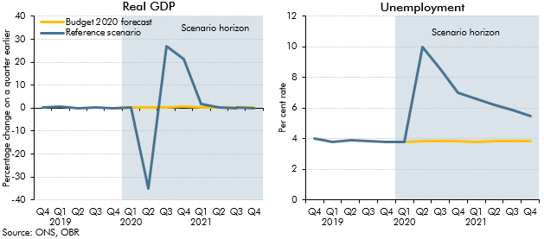

 |  | Real GDP |  | Unemployment
 |  | Budget 2020 forecast | Reference scenario | Budget 2020 forecast | Reference scenario
 | 2018 Q4 |  | 0.2 |  | 4.0
 | Q1 2019 |  | 0.6 |  | 3.8
 | Q2 |  | -0.1 |  | 3.9
 | Q3 |  | 0.5 |  | 3.8
 | Q4 |  | 0.0 |  | 3.8
 | Q1 2020 | 0.2 | 0.2 | 3.8 | 3.8
 | Q2 | 0.4 | -35.1 | 3.8 | 10.0
 | Q3 | 0.5 | 27.0 | 3.9 | 8.5
 | Q4 | 0.5 | 21.3 | 3.9 | 7.0
 | Q1 2021 | 0.5 | 1.8 | 3.8 | 6.6
 | Q2 | 0.4 | 0.4 | 3.8 | 6.2
 | Q3 | 0.4 | 0.4 | 3.8 | 5.9
 | Q4 | 0.4 | 0.4 | 3.9 | 5.5

C1.4
Back to contents
 | Chart 1.4: Public sector net borrowing: reference scenario versus Budget forecast

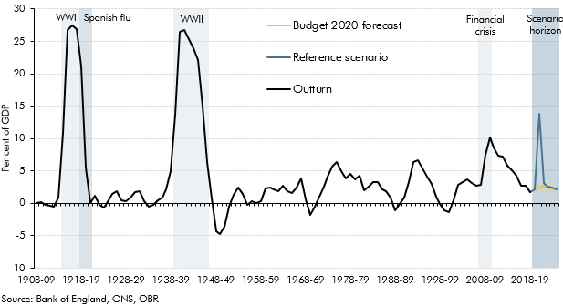

 |  | Outturn | Budget 2020 forecast | Reference scenario
 | 1908-09 | 0.1
 | 1909-10 | 0.2
 | 1910-11 | -0.3
 | 1911-12 | -0.4
 | 1912-13 | -0.6
 | 1913-14 | 0.8
 | 1914-15 | 10.9
 | 1915-16 | 26.8
 | 1916-17 | 27.4
 | 1917-18 | 26.9
 | 1918-19 | 21.1
 | 1919-20 | 5.5
 | 1920-21 | 0.0
 | 1921-22 | 1.1
 | 1922-23 | -0.3
 | 1923-24 | -0.7
 | 1924-25 | 0.5
 | 1925-26 | 1.4
 | 1926-27 | 1.9
 | 1927-28 | 0.5
 | 1928-29 | 0.3
 | 1929-30 | 0.9
 | 1930-31 | 1.7
 | 1931-32 | 1.9
 | 1932-33 | 0.3
 | 1933-34 | -0.5
 | 1934-35 | -0.3
 | 1935-36 | 0.4
 | 1936-37 | 0.9
 | 1937-38 | 2.1
 | 1938-39 | 5.0
 | 1939-40 | 13.6
 | 1940-41 | 26.5
 | 1941-42 | 26.7
 | 1942-43 | 25.4
 | 1943-44 | 24.0
 | 1944-45 | 22.1
 | 1945-46 | 15.0
 | 1946-47 | 6.3
 | 1947-48 | 0.7
 | 1948-49 | -4.3
 | 1949-50 | -4.8
 | 1950-51 | -3.6
 | 1951-52 | -0.5
 | 1952-53 | 1.3
 | 1953-54 | 2.5
 | 1954-55 | 1.4
 | 1955-56 | -0.2
 | 1956-57 | 0.4
 | 1957-58 | 0.0
 | 1958-59 | 0.3
 | 1959-60 | 2.3
 | 1960-61 | 2.5
 | 1961-62 | 2.2
 | 1962-63 | 1.8
 | 1963-64 | 2.7
 | 1964-65 | 1.9
 | 1965-66 | 1.5
 | 1966-67 | 2.4
 | 1967-68 | 3.9
 | 1968-69 | 0.6
 | 1969-70 | -1.7
 | 1970-71 | -0.6
 | 1971-72 | 1.0
 | 1972-73 | 2.6
 | 1973-74 | 4.1
 | 1974-75 | 5.7
 | 1975-76 | 6.3
 | 1976-77 | 4.9
 | 1977-78 | 3.9
 | 1978-79 | 4.5
 | 1979-80 | 3.7
 | 1980-81 | 4.3
 | 1981-82 | 2.0
 | 1982-83 | 2.6
 | 1983-84 | 3.3
 | 1984-85 | 3.3
 | 1985-86 | 2.1
 | 1986-87 | 1.8
 | 1987-88 | 0.9
 | 1988-89 | -1.1
 | 1989-90 | -0.1
 | 1990-91 | 0.9
 | 1991-92 | 3.2
 | 1992-93 | 6.4
 | 1993-94 | 6.6
 | 1994-95 | 5.3
 | 1995-96 | 4.1
 | 1996-97 | 3.0
 | 1997-98 | 1.0
 | 1998-99 | -0.1
 | 1999-00 | -1.1
 | 2000-01 | -1.4
 | 2001-02 | 0.5
 | 2002-03 | 2.8
 | 2003-04 | 3.3
 | 2004-05 | 3.7
 | 2005-06 | 3.1
 | 2006-07 | 2.7
 | 2007-08 | 2.9
 | 2008-09 | 7.5
 | 2009-10 | 10.2
 | 2010-11 | 8.7
 | 2011-12 | 7.3
 | 2012-13 | 7.3
 | 2013-14 | 5.8
 | 2014-15 | 5.2
 | 2015-16 | 4.2
 | 2016-17 | 2.8
 | 2017-18 | 2.7
 | 2018-19 | 1.8
 | 2019-20 |  | 2.1 | 2.1
 | 2020-21 |  | 2.4 | 13.9
 | 2021-22 |  | 2.8 | 3.2
 | 2022-23 |  | 2.5 | 2.5
 | 2023-24 |  | 2.4 | 2.4
 | 2024-25 |  | 2.2 | 2.2

C1.5
Back to contents
 | Chart 1.5: Public sector net debt: reference scenario versus Budget forecast

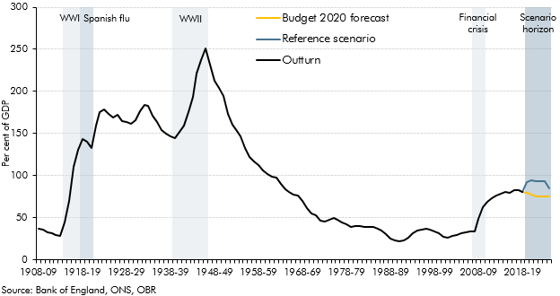

 |  | Outturn | Budget 2020 forecast | Reference scenario
 | 1908-09 | 36.5
 | 1909-10 | 36.0
 | 1910-11 | 33.2
 | 1911-12 | 31.2
 | 1912-13 | 29.7
 | 1913-14 | 28.4
 | 1914-15 | 44.2
 | 1915-16 | 70.1
 | 1916-17 | 110.1
 | 1917-18 | 131.2
 | 1918-19 | 143.5
 | 1919-20 | 139.9
 | 1920-21 | 132.6
 | 1921-22 | 159.8
 | 1922-23 | 175.9
 | 1923-24 | 178.6
 | 1924-25 | 172.8
 | 1925-26 | 169.5
 | 1926-27 | 172.1
 | 1927-28 | 164.6
 | 1928-29 | 163.6
 | 1929-30 | 161.3
 | 1930-31 | 165.7
 | 1931-32 | 176.7
 | 1932-33 | 183.8
 | 1933-34 | 183.0
 | 1934-35 | 171.6
 | 1935-36 | 163.8
 | 1936-37 | 154.6
 | 1937-38 | 150.4
 | 1938-39 | 146.9
 | 1939-40 | 144.5
 | 1940-41 | 151.8
 | 1941-42 | 159.2
 | 1942-43 | 175.1
 | 1943-44 | 193.6
 | 1944-45 | 221.1
 | 1945-46 | 237.7
 | 1946-47 | 251.4
 | 1947-48 | 231.6
 | 1948-49 | 212.3
 | 1949-50 | 203.7
 | 1950-51 | 194.8
 | 1951-52 | 173.2
 | 1952-53 | 160.5
 | 1953-54 | 152.7
 | 1954-55 | 146.6
 | 1955-56 | 132.5
 | 1956-57 | 122.5
 | 1957-58 | 116.9
 | 1958-59 | 112.9
 | 1959-60 | 106.5
 | 1960-61 | 101.5
 | 1961-62 | 98.7
 | 1962-63 | 97.5
 | 1963-64 | 90.1
 | 1964-65 | 83.7
 | 1965-66 | 80.5
 | 1966-67 | 77.3
 | 1967-68 | 76.6
 | 1968-69 | 69.6
 | 1969-70 | 61.0
 | 1970-71 | 54.6
 | 1971-72 | 52.5
 | 1972-73 | 46.5
 | 1973-74 | 45.1
 | 1974-75 | 47.8
 | 1975-76 | 49.4
 | 1976-77 | 47.9
 | 1977-78 | 44.4
 | 1978-79 | 42.2
 | 1979-80 | 39.1
 | 1980-81 | 40.4
 | 1981-82 | 40.1
 | 1982-83 | 38.7
 | 1983-84 | 38.9
 | 1984-85 | 38.7
 | 1985-86 | 37.1
 | 1986-87 | 34.8
 | 1987-88 | 31.0
 | 1988-89 | 25.6
 | 1989-90 | 23.1
 | 1990-91 | 21.7
 | 1991-92 | 22.9
 | 1992-93 | 26.7
 | 1993-94 | 31.2
 | 1994-95 | 34.6
 | 1995-96 | 36.1
 | 1996-97 | 36.7
 | 1997-98 | 35.7
 | 1998-99 | 33.9
 | 1999-00 | 31.3
 | 2000-01 | 27.2
 | 2001-02 | 26.8
 | 2002-03 | 28.1
 | 2003-04 | 29.3
 | 2004-05 | 31.8
 | 2005-06 | 32.6
 | 2006-07 | 33.4
 | 2007-08 | 34.2
 | 2008-09 | 48.8
 | 2009-10 | 62.9
 | 2010-11 | 69.3
 | 2011-12 | 72.9
 | 2012-13 | 76.2
 | 2013-14 | 78.1
 | 2014-15 | 80.5
 | 2015-16 | 79.9
 | 2016-17 | 82.9
 | 2017-18 | 82.4
 | 2018-19 | 80.6
 | 2019-20 |  | 79.5 | 92.8
 | 2020-21 |  | 77.4 | 94.6
 | 2021-22 |  | 75.0 | 93.8
 | 2022-23 |  | 75.4 | 93.6
 | 2023-24 |  | 75.6 | 93.2
 | 2024-25 |  | 75.2 | 84.9

