Notes
 | Welfare spending dashboard

 | This dashboard allows users to examine trends over time and changes in our forecasts of spending, caseloads and (implied) average awards for each of the main areas of welfare spending.
 | Estimates for the latest forecast (November 2016) and the previous two forecasts (March 2016 and November 2015) are provided for comparison.
 | Changes in the spending forecasts between these fiscal events are decomposed into changes to the caseload forecast and changes in implied average awards.
 | In some cases there remains an unexplained residual that cannot be accounted for by changes in the caseload or average award. This may be due to classification changes or rounding.

 | How to use:
The blue bars show the percentage change in the implied average award between the two fiscal events. For example, in 2018-19 implied average awards increased by around 2.0 per cent between our March 2016 and Nov 2016 forecasts.
 | From the list of benefits on the left of the dashboard, simply click on the benefit you wish to examine.
 | All charts and key facts update accordingly.
 | Note that for some benefit types, caseload and average award figures are not available (see below for more details).

 | Example: Attendance allowance (illustrative)
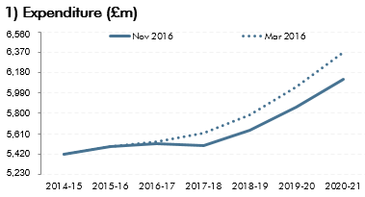
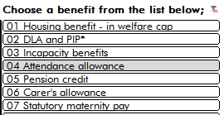
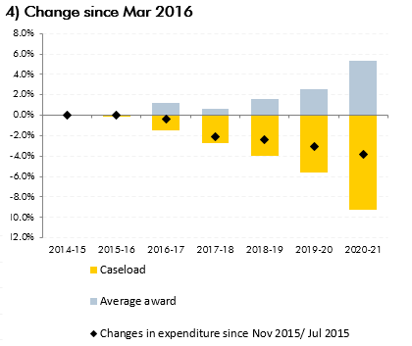

Select 'Attendance allowance' from the list of benefits on the left-hand side of the dashboard.

Chart 1 shows the post-measures spending forecast for the benefit selected - attendance allowance. This shows our forecast of spending on attendance allowance in 2018-19 to be:
- around £5,650m in Nov 2016; and
- around £5,800m in Mar 2016.
The black markers in Chart 4 show the percentage change in forecast spending between fiscal events. For example, spending on attendance allowance in 2018-19 was around 2.0 per cent lower in our Nov 2016 forecast compared to the March 2016 forecast. This overall change can be split into;
- the percentage change in our forecast of caseloads (-4.0 per cent); plus
- the percentage change in our forecast of average awards (2.0 per cent); plus
- the remaining change not made up of the above (none).

The yellow bars show the percentage change in our forecasts of caseloads between the two fiscal events. For example our forecasts of caseload decreased by around 4.0 per cent between March 2016 and Nov 2016.

 | Unavailable data:

 | OBR forecasts focus on the impact of welfare spending on the public finances. In some cases it is not necessary to have explicit caseload forecasts in order to produce a robust expenditure forecast. Caseload - and therefore average award - data is unavailable for:
 | • Universal credit - in welfare cap (comparable caseloads unavailable for our marginal cost universal credit forecast) • Personal tax credits • Child benefits • Tax free childcare • Northern Ireland - in welfare cap • Paternity pay • Universal credit - outside welfare cap (comparable caseloads unavailable for our marginal cost universal credit forecast) • Northern Ireland - outside welfare cap

 | Definitions:
 | Caseload - average number of claimants claiming a particular welfare payment in each fiscal year.
 | Average award - the average value of those payments (average award = expenditure ÷ caseload)
 | Final year of forecast - The final year of the forecast refers to 2020-21 in this dashboard. Although our November 2016 forecast extended to 2021-22, this is not included in this dashboard as it cannot be used to compare against the previous two forecasts.

 | Sources:
 | DWP Benefit caseload and expenditure tables
 | Economic and fiscal outlook supplementary fiscal tables - November 2016
 | Economic and fiscal outlook supplementary fiscal tables - March 2016
 | Economic and fiscal outlook supplementary fiscal tables - November 2015

Leoni Belsman

Dashboard
 | Housing benefit - in welfare cap
 |  | Housing benefit - in welfare cap factoids: Nov 2016
 |  |  | Average over 2016-17 to 2020-21 (£bn); | Max. over forecast (£bn); | Final year of forecast - 2020-21 (£bn);
 |  |  | £21.0 | £21.4 | £21.0

1) Expenditure (£m)
 | Nov 2016 | Mar 2016 | Nov 2015
2014-15 | 0.56 | 0.56 | 0.56
2015-16 | 0.79 | 0.89 | 1.00
2016-17 | 0.55 | 0.76 | 0.67
2017-18 | 0.31 | 0.31 | 0.31
2018-19 | 0.33 | 0.14 | 0.26
2019-20 | 0.01 | - | 0.19
2020-21 | 0.31 | 0.24 | 0.46
4) Change since Mar 2016
 | Average award | Caseload | Changes in expenditure since Mar 2016/ Nov 2015
2014-15 | 0.0% | 0.0% | 0.0% | 0.5% | -0.1%
2015-16 | -0.4% | -0.3% | -0.7% | 0.2% | -1.1%
2016-17 | 0.9% | -2.4% | -1.5% | 3.0% | -3.5%
2017-18 | 0.7% | -0.7% | 0.0% | 1.4% | -1.0%
2018-19 | 2.6% | -1.2% | 1.4% | 3.1% | -1.3%
2019-20 | 0.8% | -0.8% | 0.0% | 1.3% | -0.9%
2020-21 | 1.1% | -0.6% | 0.5% | 1.6% | -1.1%

Inside welfare cap

2) Caseload (000's)
 | Nov 2016 | Mar 2016 | Nov 2015
2014-15 | 0.89 | 0.89 | 0.89
2015-16 | 0.69 | 0.78 | 0.97
2016-17 | 0.13 | 0.80 | 1.00
2017-18 | 0.14 | 0.47 | 0.56
2018-19 | 0.02 | 0.36 | 0.36
2019-20 | - | 0.25 | 0.18
2020-21 | 0.05 | 0.22 | 0.09

Outside welfare cap

5) Change since Nov 2015
 | Caseload | Average award | Not decomposed | Percentage change in expenditure since fiscal event
2014-15 | 0.0% | 0.0% | 0.0% | 0.0% | 0.5% | -0.1%
2015-16 | -1.0% | -0.5% | 0.0% | -1.5% | 0.2% | -1.1%
2016-17 | -3.4% | 2.5% | 0.0% | -0.8% | 3.0% | -3.5%
2017-18 | -0.9% | 0.9% | 0.0% | 0.0% | 1.4% | -1.0%
2018-19 | -1.2% | 1.7% | 0.0% | 0.5% | 3.1% | -1.3%
2019-20 | -0.7% | -0.7% | 0.0% | -1.4% | 1.3% | -0.9%
2020-21 | -0.1% | -1.0% | 0.0% | -1.1% | 1.6% | -1.1%

3) Average award: Weekly (£)
 | Nov 2016 | Mar 2016 | Nov 2015
2014-15 | 0.39 | 0.39 | 0.39
2015-16 | 0.89 | 0.98 | 1.00
2016-17 | 0.96 | 0.76 | 0.47
2017-18 | 0.58 | 0.32 | 0.25
2018-19 | 0.70 | 0.13 | 0.33
2019-20 | 0.21 | - | 0.36
2020-21 | 0.64 | 0.41 | 0.86
Notes:
1) Expenditure - latest post-measures forecast compared to post-measures forecasts at previous fiscal events
2) Caseload - latest post-measures forecast compared to final post-measures forecast at previous fiscal events
3) Average award - latest implied forecast compared to post-measures forecast at previous fiscal events
4) Change since Mar 2016
changes since Mar 2016 forecast decomposed into those attributed to caseload changes and those attributed to average award changes
5) Change since Nov 2015
changes since Nov 2015 forecast decomposed into those attributed to caseload changes and those attributed to average award changes

* Disability living allowance and personal independence payments

