C1.1
Back to contents
 | Chart 1.1: Recent land transaction tax outturns
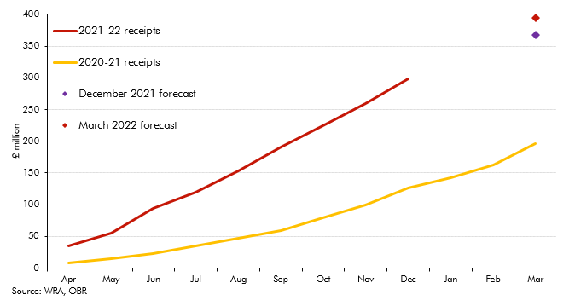

 |  | 2020-21 | 2021-22 | December 2021 forecast | March 2022 forecast
 | Apr | 8.6 | 35.4
 | May | 14.7 | 55.1
 | Jun | 23.6 | 94.3
 | Jul | 35.3 | 119.7
 | Aug | 47.6 | 153.6
 | Sep | 58.9 | 191.1
 | Oct | 78.9 | 224.7
 | Nov | 99 | 259.1
 | Dec | 126.2 | 298.2
 | Jan | 142
 | Feb | 163.4
 | Mar | 196.9 |  | 367.2 | 395.2

C2.1
Back to contents
 | Chart 2.1: Property prices and transactions: forecasts versus outturns
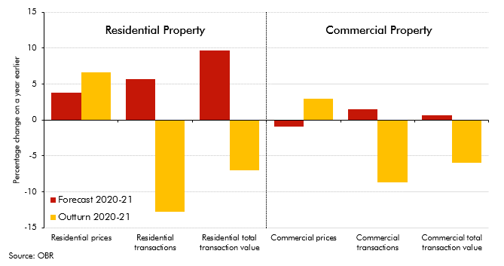

 |  | Residential prices | Residential transactions | Residential total transaction value | Commercial prices | Commercial transactions | Commercial total transaction value
 | Forecast 2020-21 | 3.8 | 5.7 | 9.7 | -0.9 | 1.5 | 0.6
 | Outturn 2020-21 | 6.7 | -12.8 | -7.0 | 3.0 | -8.7 | -6.0

