C2.A
Back to contents
 | Chart 2.A: Forecast differences for Scottish income tax
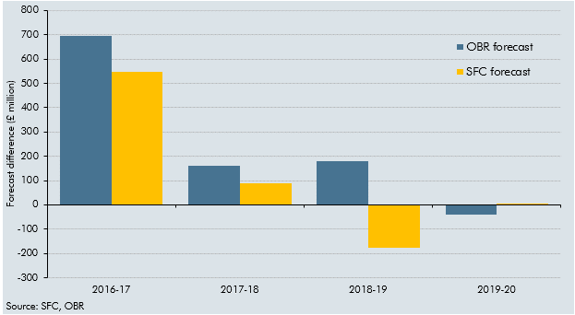

 |  | 2015-16 | 2016-17 | 2017-18 | 2018-19 | 2019-20
 | OBR forecast | 4474 | 11415 | 11077 | 11735 | 11791
 | OBR error | -6478 | 696 | 161 | 179 | -42
 | SFC forecast | 10932 | 11267 | 11005 | 11378 | 11838
 | SFC error | -20 | 548 | 89 | -178 | 5

C3.1
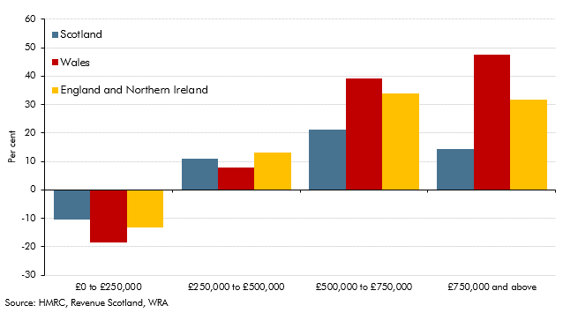
Back to contents
 | Chart 3.1: Growth in residential property transactions by price in 2020-21

 |  | Per cent change
 | Price band | England and Northern Ireland | Wales | Scotland
 | £0 to £250,000 | -13.1 | -18.7 | -10.6
 | £250,000 to £500,000 | 13.1 | 7.7 | 11.1
 | £500,000 to £750,000 | 34.0 | 39.1 | 21.1
 | £750,000 and above | 31.8 | 47.6 | 14.3

C3.2
Back to contents
 | Chart 3.2: Cumulative monthly LBTT receipts: 2019-20 to 2021-22

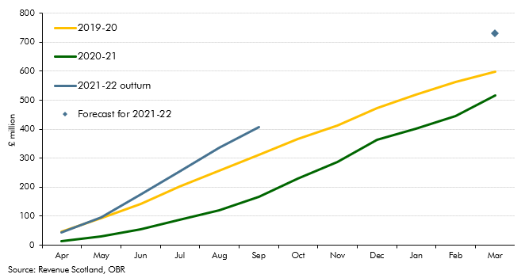

 |  | Cumulative tax Liabilities
 | Apr | 46.1
 | May | 92.7
 | Jun | 142.1
 | Jul | 201.7
 | Aug | 257.3
 | Sept | 310.8
 | Oct | 365
 | Nov | 412.9
 | Dec | 473.6
 | Jan 2020 | 519.3
 | Feb | 562.1
 | Mar | 599.1
 | Apr | 13.9
 | May | 31
 | Jun | 54.8
 | Jul | 88.3
 | Aug | 120.4
 | Sep | 167
 | Oct | 229.1
 | Nov | 287.4
 | Dec | 364.3
 | Jan 2021 | 402.8
 | Feb | 444.3
 | Mar | 517.3
 | Apr | 43.3
 | May | 95.6
 | Jun | 175.1
 | Jul | 253
 | Aug | 335.1
 | Sep | 406

C3.3
Back to contents
 | Chart 3.3: Cumulative monthly LTT receipts: 2019-20 to 2021-22

 | 2019-20 | 2020-21 | 2021-22 outturn | 2021-22 forecast
Apr | 13.4 | 8.9 | 36.9
May | 33.5 | 15.5 | 57.6
Jun | 50.1 | 25 | 98.4
Jul | 69 | 37.4 | 124.1
Aug | 89.6 | 50.8 | 157.4
Sep | 111.1 | 63.4
Oct | 130.8 | 85.6
Nov | 153.5 | 107.2
Dec | 177.3 | 136.1
Jan | 196.8 | 153.1
Feb | 212.8 | 176
Mar | 230.1 | 211.5 |  | 324.20586055
Apr
May
Jun
Jul
Aug

 |  | Cumulative tax liabilities
 | Apr | 13.4
 | May | 33.5
 | Jun | 50.1
 | Jul | 69
 | Aug | 89.6
 | Sept | 111.1
 | Oct | 130.8
 | Nov | 153.5
 | Dec | 177.3
 | Jan 2020 | 196.8
 | Feb | 212.8
 | Mar | 230.1
 | Apr | 8.9
 | May | 15.5
 | Jun | 25
 | Jul | 37.4
 | Aug | 50.8
 | Sep | 63.4
 | Oct | 85.6
 | Nov | 107.2
 | Dec | 136.1
 | Jan 2021 | 153.1
 | Feb | 176
 | Mar | 211.5
 | Apr | 36.9
 | May | 57.6
 | Jun | 98.4
 | Jul | 124.1
 | Aug | 157.4

