C5.1
Back to contents
 | Chart 5.1: OBR fiscal risk register: changes since our 2019 report

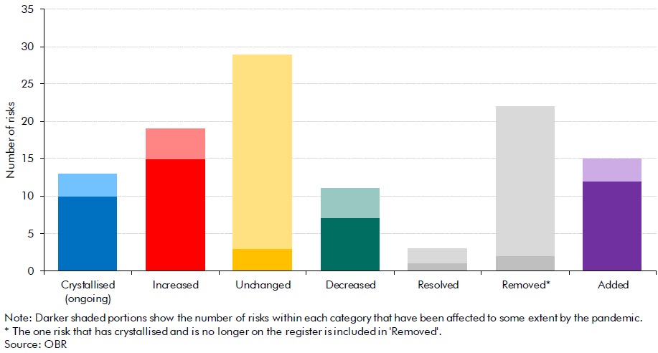

 |  | Number of risks affected to some extent by the pandemic | Number of risks that have not been affected by the pandemic
 | Crystallised (ongoing) | 10 | 3
 | Increased | 15 | 4
 | Unchanged | 3 | 26
 | Decreased | 7 | 4
 | Resolved | 1 | 2
 | Removed* | 2 | 20
 | Added | 12 | 3

C5.A
Back to contents
 | Chart 5.A: Significant cyberattacks since 2006

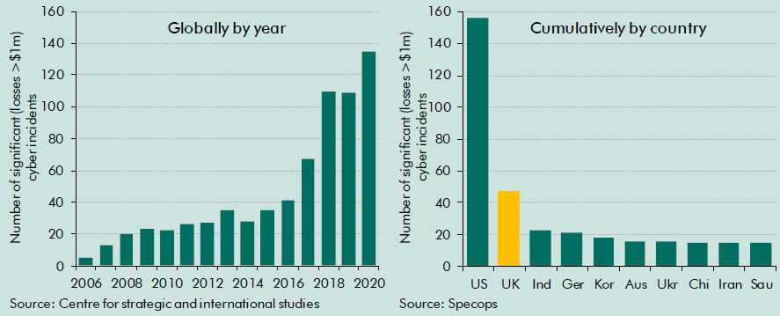

 | Globally by year |  | Cumulatively by country
 |  | Number of significant cyber incidents |  | Number of incidents per country
 | 2006 | 5 | US | 156
 | 2007 | 13 | UK | 47
 | 2008 | 20 | Ind | 23
 | 2009 | 23 | Ger | 21
 | 2010 | 22 | Kor | 18
 | 2011 | 26 | Aus | 16
 | 2012 | 27 | Ukr | 16
 | 2013 | 35 | Chi | 15
 | 2014 | 28 | Iran | 15
 | 2015 | 35 | Sau | 15
 | 2016 | 41 | Jap | 13
 | 2017 | 67 | Can | 12
 | 2018 | 110
 | 2019 | 109
 | 2020 | 135
 | 2021 | 58

 |  |  |  |  | 2040-41 | 2041-42 | 2042-43 | 2043-44 | 2044-45 | 2045-46 | 2046-47 | 2047-48 | 2048-49 | 2049-50 | 2050-51
 |  |  |  |  | 3.9 | 3.9 | 3.9 | 3.9 | 3.9 | 3.9 | 3.9 | 3.9 | 3.9 | 3.9 | 3.9
 |  |  |  |  | 6.4 | 6.4 | 6.4 | 6.4 | 6.4 | 6.4 | 6.4 | 6.4 | 6.4 | 6.4 | 6.4
 |  |  |  |  | 3.9 | 3.9 | 3.9 | 3.9 | 3.9 | 3.9 | 3.9 | 3.9 | 3.9 | 3.9 | 3.9

 |  |  |  |  | 1.3 | 1.3 | 1.3 | 1.3 | 1.3 | 1.3 | 1.3 | 1.3 | 1.3 | 1.3 | 1.3
 |  |  |  |  | 3.8 | 3.8 | 3.8 | 3.8 | 3.8 | 3.8 | 3.8 | 3.8 | 3.8 | 3.8 | 3.8
 |  |  |  |  | 3.8 | 3.8 | 3.8 | 3.8 | 3.8 | 3.8 | 3.8 | 3.8 | 3.8 | 3.8 | 3.8

 |  |  |  |  | 1.1 | 1.1 | 1.1 | 1.1 | 1.1 | 1.1 | 1.1 | 1.1 | 1.1 | 1.1 | 1.1
 |  |  |  |  | 3.6 | 3.6 | 3.6 | 3.6 | 3.6 | 3.6 | 3.6 | 3.6 | 3.6 | 3.6 | 3.6
 |  |  |  |  | 3.6 | 3.6 | 3.6 | 3.6 | 3.6 | 3.6 | 3.6 | 3.6 | 3.6 | 3.6 | 3.6

