C4.1
Back to contents
 | Chart 4.1: Debt to GDP, the growth-corrected interest rate and net interest payments

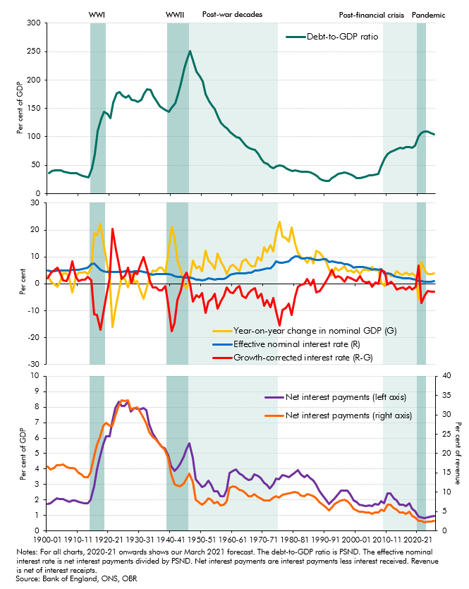

 | Years | Debt-to-GDP ratio | Year-on-year change in nominal GDP (G) | Effective nominal interest rate (R) | Growth-corrected interest rate (R-G) | Net interest payments (% GDP) | Net interest payments (% revenue)
 | 1900-01 | 36.4 | 3.1 | 5.0 | 1.9 | 1.7 | 16.7
 | 1901-02 | 39.4 | 0.7 | 4.8 | 4.1 | 1.8 | 15.9
 | 1902-03 | 41.0 | -0.1 | 4.8 | 4.8 | 1.9 | 16.2
 | 1903-04 | 41.2 | -1.0 | 4.9 | 5.9 | 2.1 | 17.0
 | 1904-05 | 40.9 | 1.1 | 4.9 | 3.9 | 2.1 | 17.1
 | 1905-06 | 39.0 | 3.8 | 5.0 | 1.2 | 2.0 | 17.1
 | 1906-07 | 37.1 | 3.9 | 5.0 | 1.2 | 1.9 | 16.7
 | 1907-08 | 35.7 | 1.4 | 5.0 | 3.6 | 1.9 | 16.2
 | 1908-09 | 36.5 | -3.2 | 5.1 | 8.3 | 2.0 | 16.3
 | 1909-10 | 36.0 | 2.7 | 5.3 | 2.6 | 1.9 | 16.0
 | 1910-11 | 33.2 | 4.2 | 5.3 | 1.1 | 1.9 | 14.9
 | 1911-12 | 31.2 | 4.1 | 5.6 | 1.5 | 1.8 | 14.6
 | 1912-13 | 29.6 | 4.3 | 5.8 | 1.4 | 1.8 | 13.8
 | 1913-14 | 28.4 | 3.6 | 6.1 | 2.5 | 1.8 | 13.8
 | 1914-15 | 44.1 | 5.9 | 7.3 | 1.3 | 2.0 | 15.1
 | 1915-16 | 70.1 | 18.7 | 7.5 | -11.3 | 2.9 | 19.4
 | 1916-17 | 110.1 | 18.1 | 6.5 | -11.6 | 4.0 | 22.2
 | 1917-18 | 131.2 | 22.3 | 5.1 | -17.2 | 4.8 | 24.1
 | 1918-19 | 143.4 | 15.5 | 4.8 | -10.7 | 5.6 | 27.3
 | 1919-20 | 139.9 | 8.0 | 4.5 | -3.5 | 6.1 | 28.0
 | 1920-21 | 132.5 | 2.2 | 4.3 | 2.2 | 6.1 | 27.2
 | 1921-22 | 159.7 | -16.0 | 4.4 | 20.4 | 7.1 | 27.1
 | 1922-23 | 175.8 | -8.1 | 4.4 | 12.5 | 7.9 | 29.7
 | 1923-24 | 178.5 | -2.8 | 4.5 | 7.3 | 8.3 | 32.5
 | 1924-25 | 172.7 | 2.8 | 4.5 | 1.7 | 8.1 | 33.8
 | 1925-26 | 169.4 | 1.5 | 4.6 | 3.1 | 8.1 | 33.6
 | 1926-27 | 172.0 | -1.3 | 4.7 | 6.0 | 8.4 | 33.7
 | 1927-28 | 164.5 | 4.3 | 4.5 | 0.3 | 7.7 | 31.3
 | 1928-29 | 163.5 | 0.5 | 4.7 | 4.2 | 7.9 | 31.8
 | 1929-30 | 161.2 | 1.1 | 4.7 | 3.6 | 7.9 | 32.0
 | 1930-31 | 165.6 | -2.8 | 4.6 | 7.4 | 7.9 | 30.9
 | 1931-32 | 176.6 | -5.4 | 4.4 | 9.8 | 7.9 | 29.3
 | 1932-33 | 183.7 | -1.2 | 4.2 | 5.4 | 7.8 | 27.8
 | 1933-34 | 182.9 | 2.6 | 3.7 | 1.1 | 6.9 | 25.5
 | 1934-35 | 171.5 | 4.9 | 3.5 | -1.4 | 6.3 | 24.3
 | 1935-36 | 163.7 | 4.8 | 3.6 | -1.2 | 6.0 | 23.7
 | 1936-37 | 154.6 | 6.0 | 3.5 | -2.5 | 5.6 | 22.6
 | 1937-38 | 150.3 | 6.0 | 3.6 | -2.3 | 5.4 | 21.8
 | 1938-39 | 146.8 | 4.3 | 3.6 | -0.7 | 5.3 | 21.0
 | 1939-40 | 144.5 | 11.2 | 3.6 | -7.6 | 4.9 | 18.8
 | 1940-41 | 151.7 | 21.1 | 3.4 | -17.7 | 4.2 | 14.9
 | 1941-42 | 159.2 | 17.4 | 2.9 | -14.4 | 3.9 | 12.1
 | 1942-43 | 175.0 | 8.7 | 2.7 | -6.0 | 4.1 | 11.7
 | 1943-44 | 193.5 | 5.0 | 2.5 | -2.4 | 4.3 | 11.6
 | 1944-45 | 221.0 | 0.0 | 2.4 | 2.4 | 4.8 | 12.3
 | 1945-46 | 237.5 | -1.9 | 2.3 | 4.2 | 5.3 | 13.4
 | 1946-47 | 251.2 | 2.5 | 2.4 | -0.1 | 5.7 | 14.8
 | 1947-48 | 231.5 | 8.5 | 2.0 | -6.6 | 4.7 | 12.6
 | 1948-49 | 215.1 | 5.8 | 1.5 | -4.3 | 3.4 | 8.0
 | 1949-50 | 206.5 | 6.5 | 1.5 | -5.0 | 3.0 | 7.3
 | 1950-51 | 197.4 | 4.7 | 1.4 | -3.3 | 2.8 | 6.8
 | 1951-52 | 175.6 | 12.3 | 1.6 | -10.7 | 2.9 | 7.3
 | 1952-53 | 162.7 | 8.6 | 2.0 | -6.7 | 3.3 | 8.3
 | 1953-54 | 154.6 | 7.4 | 1.9 | -5.5 | 3.0 | 8.0
 | 1954-55 | 148.5 | 5.5 | 1.7 | -3.8 | 2.5 | 7.0
 | 1955-56 | 134.1 | 11.2 | 1.9 | -9.3 | 2.6 | 7.4
 | 1956-57 | 123.9 | 8.1 | 1.7 | -6.3 | 2.2 | 6.5
 | 1957-58 | 118.4 | 6.4 | 1.9 | -4.5 | 2.3 | 6.7
 | 1958-59 | 114.3 | 3.7 | 2.3 | -1.4 | 2.6 | 7.7
 | 1959-60 | 107.6 | 6.6 | 3.4 | -3.2 | 3.7 | 11.1
 | 1960-61 | 102.5 | 7.1 | 3.7 | -3.4 | 3.9 | 11.6
 | 1961-62 | 99.5 | 5.6 | 4.0 | -1.7 | 4.0 | 11.3
 | 1962-63 | 98.3 | 4.7 | 3.8 | -0.9 | 3.7 | 10.5
 | 1963-64 | 90.7 | 8.4 | 3.9 | -4.5 | 3.6 | 10.5
 | 1964-65 | 84.2 | 9.2 | 3.9 | -5.3 | 3.4 | 9.8
 | 1965-66 | 80.9 | 7.5 | 4.1 | -3.4 | 3.3 | 9.0
 | 1966-67 | 77.7 | 6.7 | 4.3 | -2.4 | 3.3 | 9.0
 | 1967-68 | 77.0 | 6.4 | 4.9 | -1.5 | 3.7 | 9.5
 | 1968-69 | 69.8 | 10.0 | 4.8 | -5.2 | 3.5 | 8.8
 | 1969-70 | 61.1 | 8.7 | 5.1 | -3.6 | 3.4 | 8.3
 | 1970-71 | 54.7 | 13.5 | 5.4 | -8.1 | 3.1 | 7.9
 | 1971-72 | 52.6 | 11.9 | 5.7 | -6.1 | 3.0 | 7.9
 | 1972-73 | 46.6 | 14.4 | 5.6 | -8.8 | 2.7 | 7.8
 | 1973-74 | 45.2 | 12.1 | 6.8 | -5.2 | 3.0 | 8.6
 | 1974-75 | 47.8 | 18.5 | 8.3 | -10.2 | 3.4 | 9.0
 | 1975-76 | 49.4 | 23.1 | 7.7 | -15.4 | 3.3 | 8.5
 | 1976-77 | 47.8 | 17.5 | 8.0 | -9.6 | 3.6 | 9.3
 | 1977-78 | 44.4 | 16.9 | 8.0 | -8.9 | 3.5 | 9.5
 | 1978-79 | 42.2 | 15.8 | 8.4 | -7.4 | 3.5 | 9.6
 | 1979-80 | 39.1 | 20.9 | 9.5 | -11.4 | 3.6 | 9.9
 | 1980-81 | 40.4 | 15.0 | 10.2 | -4.8 | 3.8 | 10.0
 | 1981-82 | 40.1 | 11.5 | 10.3 | -1.2 | 3.9 | 9.9
 | 1982-83 | 38.7 | 9.8 | 9.5 | -0.3 | 3.6 | 9.2
 | 1983-84 | 38.9 | 9.4 | 9.3 | 0.0 | 3.5 | 9.0
 | 1984-85 | 38.7 | 7.8 | 9.7 | 1.9 | 3.6 | 9.4
 | 1985-86 | 37.1 | 9.8 | 9.3 | -0.5 | 3.4 | 9.3
 | 1986-87 | 34.8 | 7.5 | 9.1 | 1.6 | 3.2 | 8.9
 | 1987-88 | 31.0 | 12.2 | 9.0 | -3.2 | 3.0 | 8.4
 | 1988-89 | 25.6 | 11.6 | 8.9 | -2.7 | 2.6 | 7.5
 | 1989-90 | 23.1 | 10.2 | 9.3 | -1.0 | 2.3 | 6.7
 | 1990-91 | 21.7 | 8.0 | 9.1 | 1.1 | 2.0 | 6.2
 | 1991-92 | 22.9 | 5.4 | 8.2 | 2.8 | 1.7 | 5.3
 | 1992-93 | 26.7 | 3.1 | 8.5 | 5.3 | 1.9 | 6.0
 | 1993-94 | 31.2 | 5.9 | 8.2 | 2.3 | 2.1 | 6.9
 | 1994-95 | 34.6 | 4.9 | 7.8 | 2.9 | 2.4 | 7.4
 | 1995-96 | 36.1 | 5.4 | 7.7 | 2.3 | 2.6 | 7.9
 | 1996-97 | 36.7 | 6.6 | 7.4 | 0.8 | 2.6 | 8.1
 | 1997-98 | 35.7 | 4.6 | 7.2 | 2.7 | 2.6 | 7.8
 | 1998-99 | 33.9 | 4.9 | 6.9 | 2.0 | 2.4 | 7.0
 | 1999-00 | 31.3 | 4.3 | 5.9 | 1.6 | 2.0 | 5.6
 | 2000-01 | 27.2 | 5.1 | 6.2 | 1.1 | 1.9 | 5.3
 | 2001-02 | 26.8 | 3.6 | 6.3 | 2.7 | 1.7 | 4.9
 | 2002-03 | 28.1 | 5.2 | 6.3 | 1.1 | 1.6 | 4.8
 | 2003-04 | 29.3 | 5.3 | 5.9 | 0.6 | 1.6 | 4.7
 | 2004-05 | 31.8 | 5.0 | 5.8 | 0.8 | 1.6 | 4.7
 | 2005-06 | 32.6 | 6.2 | 5.2 | -1.0 | 1.6 | 4.4
 | 2006-07 | 33.4 | 5.0 | 5.4 | 0.4 | 1.7 | 4.8
 | 2007-08 | 34.2 | 5.3 | 5.2 | -0.1 | 1.7 | 4.7
 | 2008-09 | 48.7 | 0.4 | 5.6 | 5.1 | 1.9 | 5.5
 | 2009-10 | 62.6 | -0.8 | 3.7 | 4.5 | 1.8 | 5.0
 | 2010-11 | 69.2 | 4.2 | 4.0 | -0.2 | 2.4 | 6.7
 | 2011-12 | 72.8 | 2.8 | 3.6 | 0.8 | 2.4 | 6.7
 | 2012-13 | 76.2 | 3.2 | 3.0 | -0.3 | 2.1 | 5.9
 | 2013-14 | 78.0 | 4.7 | 2.6 | -2.1 | 2.0 | 5.5
 | 2014-15 | 80.2 | 3.8 | 2.2 | -1.6 | 1.7 | 4.8
 | 2015-16 | 79.8 | 3.4 | 2.2 | -1.2 | 1.7 | 4.7
 | 2016-17 | 82.5 | 4.1 | 2.0 | -2.1 | 1.6 | 4.4
 | 2017-18 | 82.1 | 3.3 | 2.2 | -1.1 | 1.8 | 4.9
 | 2018-19 | 80.4 | 3.9 | 1.7 | -2.2 | 1.4 | 3.8
 | 2019-20 | 84.4 | 2.8 | 1.6 | -1.2 | 1.3 | 3.5
 | 2020-21 | 100.2 | -5.7 | 1.1 | 6.8 | 0.9 | 2.6
 | 2021-22 | 107.4 | 8.0 | 0.9 | -7.1 | 0.9 | 2.5
 | 2022-23 | 109.0 | 4.9 | 0.8 | -4.1 | 0.8 | 2.3
 | 2023-24 | 109.7 | 3.5 | 0.8 | -2.7 | 0.9 | 2.4
 | 2024-25 | 106.2 | 3.8 | 0.9 | -2.9 | 0.9 | 2.5
 | 2025-26 | 103.8 | 3.9 | 0.9 | -3.0 | 0.9 | 2.5

C4.A
Back to contents
 | Chart 4.A: Face versus market value of gilts held by the private sector
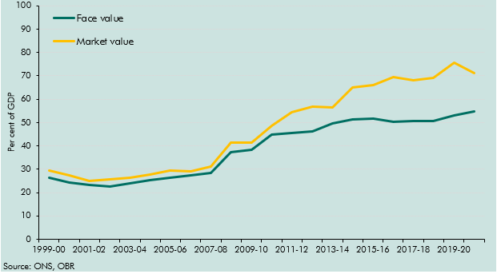

 |  | Face value | Market value
 | 1999-00 | 26.2 | 29.4
 | 2000-01 | 24.3 | 27.5
 | 2001-02 | 23.1 | 25.1
 | 2002-03 | 22.8 | 25.8
 | 2003-04 | 23.9 | 26.2
 | 2004-05 | 25.4 | 27.6
 | 2005-06 | 26.6 | 29.5
 | 2006-07 | 27.5 | 29.2
 | 2007-08 | 28.5 | 31.3
 | 2008-09 | 37.4 | 41.4
 | 2009-10 | 38.3 | 41.4
 | 2010-11 | 45.0 | 48.7
 | 2011-12 | 45.5 | 54.5
 | 2012-13 | 46.4 | 56.8
 | 2013-14 | 49.7 | 56.3
 | 2014-15 | 51.2 | 65.2
 | 2015-16 | 51.8 | 66.2
 | 2016-17 | 50.4 | 69.5
 | 2017-18 | 50.7 | 68.1
 | 2018-19 | 50.7 | 69.0
 | 2019-20 | 52.9 | 75.8
 | 2020-21 | 54.8 | 71.0

C4.2
Back to contents
 | Chart 4.2: 10-year nominal government bond yields and nominal GDP growth
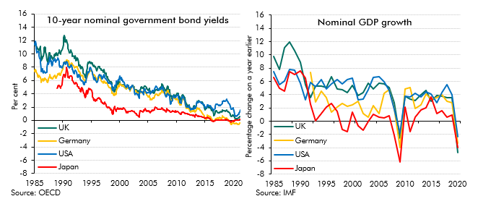

 | Long-term interest rates (10yr yields) |  |  |  |  |  | Nominal GDP growth
 |  | Germany | USA | UK | Japan |  | Germany | USA | UK | Japan
 | Jan-1985 | 7.3 | 11.4 | 11.4 |  | 1985 |  | 7.5 | 9.7 | 6.6
 | Feb-1985 | 7.6 | 11.5 | 11.5 |  | 1986 |  | 5.5 | 7.8 | 5.0
 | Mar-1985 | 7.7 | 11.9 | 11.3 |  | 1987 |  | 6.0 | 11.1 | 4.6
 | Apr-1985 | 7.4 | 11.4 | 11.1 |  | 1988 |  | 7.9 | 12.0 | 7.5
 | May-1985 | 7.2 | 10.9 | 11.2 |  | 1989 |  | 7.7 | 10.6 | 7.1
 | Jun-1985 | 7.1 | 10.2 | 11.0 |  | 1990 |  | 5.7 | 8.9 | 7.6
 | Jul-1985 | 6.9 | 10.3 | 10.8 |  | 1991 |  | 3.3 | 5.5 | 6.4
 | Aug-1985 | 6.7 | 10.3 | 10.7 |  | 1992 | 7.3 | 5.9 | 3.6 | 2.5
 | Sep-1985 | 6.5 | 10.4 | 10.7 |  | 1993 | 2.9 | 5.2 | 5.3 | 0.0
 | Oct-1985 | 6.7 | 10.2 | 10.5 |  | 1994 | 4.5 | 6.3 | 5.2 | 1.1
 | Nov-1985 | 6.8 | 9.8 | 10.7 |  | 1995 | 3.6 | 4.8 | 5.0 | 2.1
 | Dec-1985 | 6.6 | 9.3 | 10.8 |  | 1996 | 1.4 | 5.7 | 6.7 | 2.7
 | Jan-1986 | 6.5 | 9.2 | 11.1 |  | 1997 | 2.1 | 6.2 | 4.9 | 1.5
 | Feb-1986 | 6.4 | 8.7 | 10.7 |  | 1998 | 2.7 | 5.7 | 4.8 | -1.3
 | Mar-1986 | 6.1 | 7.8 | 9.7 |  | 1999 | 2.2 | 6.3 | 4.3 | -1.6
 | Apr-1986 | 5.7 | 7.3 | 8.9 |  | 2000 | 2.4 | 6.5 | 5.4 | 1.4
 | May-1986 | 6.1 | 7.7 | 9.2 |  | 2001 | 3.0 | 3.2 | 3.9 | -0.7
 | Jun-1986 | 6.2 | 7.8 | 9.5 |  | 2002 | 1.2 | 3.4 | 4.3 | -1.3
 | Jul-1986 | 6.1 | 7.3 | 9.6 |  | 2003 | 0.6 | 4.8 | 5.8 | -0.1
 | Aug-1986 | 5.9 | 7.2 | 9.7 |  | 2004 | 2.3 | 6.6 | 4.9 | 1.0
 | Sep-1986 | 6.0 | 7.5 | 10.3 |  | 2005 | 1.1 | 6.7 | 5.7 | 0.6
 | Oct-1986 | 6.3 | 7.4 | 10.9 |  | 2006 | 4.2 | 6.0 | 5.6 | 0.5
 | Nov-1986 | 6.4 | 7.3 | 11.1 |  | 2007 | 4.8 | 4.6 | 5.1 | 0.8
 | Dec-1986 | 6.2 | 7.1 | 11.0 |  | 2008 | 1.9 | 1.8 | 2.8 | -2.1
 | Jan-1987 | 6.1 | 7.1 | 10.3 |  | 2009 | -4.0 | -1.8 | -2.6 | -6.2
 | Feb-1987 | 6.1 | 7.3 | 10.0 |  | 2010 | 4.9 | 3.8 | 3.7 | 2.1
 | Mar-1987 | 6.0 | 7.3 | 9.1 |  | 2011 | 5.0 | 3.7 | 3.4 | -1.6
 | Apr-1987 | 5.8 | 8.0 | 9.1 |  | 2012 | 1.9 | 4.2 | 3.1 | 0.6
 | May-1987 | 5.7 | 8.6 | 8.8 |  | 2013 | 2.4 | 3.6 | 4.0 | 1.6
 | Jun-1987 | 6.0 | 8.4 | 8.9 |  | 2014 | 4.1 | 4.4 | 4.6 | 2.0
 | Jul-1987 | 6.3 | 8.5 | 9.3 |  | 2015 | 3.4 | 4.1 | 3.0 | 3.7
 | Aug-1987 | 6.5 | 8.8 | 10.1 |  | 2016 | 3.6 | 2.8 | 3.9 | 1.2
 | Sep-1987 | 6.7 | 9.4 | 10.2 |  | 2017 | 4.0 | 4.3 | 3.7 | 1.6
 | Oct-1987 | 6.9 | 9.5 | 10.1 |  | 2018 | 3.0 | 5.5 | 3.5 | 0.6
 | Nov-1987 | 6.4 | 8.9 | 9.2 |  | 2019 | 2.8 | 4.0 | 3.6 | 0.9
 | Dec-1987 | 6.5 | 9.0 | 9.6 |  | 2020 | -3.4 | -2.3 | -4.8 | -4.0
 | Jan-1988 | 6.5 | 8.7 | 9.7
 | Feb-1988 | 6.3 | 8.2 | 9.5
 | Mar-1988 | 6.2 | 8.4 | 9.2
 | Apr-1988 | 6.3 | 8.7 | 9.2
 | May-1988 | 6.6 | 9.1 | 9.4
 | Jun-1988 | 6.6 | 8.9 | 9.5
 | Jul-1988 | 6.7 | 9.1 | 9.8
 | Aug-1988 | 6.8 | 9.3 | 9.9
 | Sep-1988 | 6.6 | 9.0 | 10.1
 | Oct-1988 | 6.4 | 8.8 | 9.7
 | Nov-1988 | 6.4 | 9.0 | 9.9
 | Dec-1988 | 6.5 | 9.1 | 10.1
 | Jan-1989 | 6.7 | 9.1 | 10.0 | 4.8
 | Feb-1989 | 6.9 | 9.2 | 9.7 | 4.9
 | Mar-1989 | 7.0 | 9.4 | 9.9 | 5.1
 | Apr-1989 | 6.9 | 9.2 | 10.2 | 5.2
 | May-1989 | 7.1 | 8.9 | 10.2 | 5.2
 | Jun-1989 | 6.9 | 8.3 | 10.6 | 5.2
 | Jul-1989 | 6.8 | 8.0 | 10.2 | 5.0
 | Aug-1989 | 6.8 | 8.1 | 9.9 | 4.9
 | Sep-1989 | 7.0 | 8.2 | 10.2 | 5.1
 | Oct-1989 | 7.2 | 8.0 | 10.5 | 5.2
 | Nov-1989 | 7.5 | 7.9 | 10.6 | 5.4
 | Dec-1989 | 7.5 | 7.8 | 10.6 | 5.5
 | Jan-1990 | 7.7 | 8.2 | 10.9 | 6.4
 | Feb-1990 | 8.6 | 8.5 | 11.3 | 6.8
 | Mar-1990 | 8.6 | 8.6 | 12.4 | 6.9
 | Apr-1990 | 8.8 | 8.8 | 12.7 | 6.9
 | May-1990 | 8.7 | 8.8 | 12.4 | 6.5
 | Jun-1990 | 8.8 | 8.5 | 11.8 | 6.4
 | Jul-1990 | 8.5 | 8.5 | 11.8 | 6.8
 | Aug-1990 | 9.0 | 8.8 | 12.2 | 7.6
 | Sep-1990 | 9.1 | 8.9 | 12.1 | 8.0
 | Oct-1990 | 9.1 | 8.7 | 11.7 | 7.6
 | Nov-1990 | 8.9 | 8.4 | 11.4 | 7.1
 | Dec-1990 | 8.8 | 8.1 | 10.8 | 6.5
 | Jan-1991 | 8.9 | 8.1 | 10.6 | 6.4
 | Feb-1991 | 8.4 | 7.9 | 10.1 | 6.3
 | Mar-1991 | 8.4 | 8.1 | 10.3 | 6.6
 | Apr-1991 | 8.4 | 8.0 | 10.2 | 6.6
 | May-1991 | 8.4 | 8.1 | 10.4 | 6.6
 | Jun-1991 | 8.4 | 8.3 | 10.6 | 6.7
 | Jul-1991 | 8.6 | 8.3 | 10.3 | 6.7
 | Aug-1991 | 8.5 | 7.9 | 10.0 | 6.4
 | Sep-1991 | 8.5 | 7.7 | 9.6 | 6.1
 | Oct-1991 | 8.3 | 7.5 | 9.7 | 5.9
 | Nov-1991 | 8.3 | 7.4 | 9.8 | 5.9
 | Dec-1991 | 8.2 | 7.1 | 9.7 | 5.7
 | Jan-1992 | 7.9 | 7.0 | 9.5 | 5.4
 | Feb-1992 | 7.9 | 7.3 | 9.3 | 5.6
 | Mar-1992 | 8.0 | 7.5 | 9.7 | 5.5
 | Apr-1992 | 8.0 | 7.5 | 9.4 | 5.7
 | May-1992 | 8.1 | 7.4 | 9.0 | 5.7
 | Jun-1992 | 8.1 | 7.3 | 9.1 | 5.6
 | Jul-1992 | 8.1 | 6.8 | 9.1 | 5.4
 | Aug-1992 | 8.0 | 6.6 | 9.4 | 5.1
 | Sep-1992 | 7.7 | 6.4 | 9.2 | 5.0
 | Oct-1992 | 7.5 | 6.6 | 8.7 | 5.0
 | Nov-1992 | 7.4 | 6.9 | 8.2 | 4.9
 | Dec-1992 | 7.3 | 6.8 | 8.3 | 4.8
 | Jan-1993 | 7.1 | 6.6 | 8.3 | 4.7
 | Feb-1993 | 6.9 | 6.3 | 8.0 | 4.4
 | Mar-1993 | 6.6 | 6.0 | 7.7 | 4.3
 | Apr-1993 | 6.7 | 6.0 | 7.9 | 4.6
 | May-1993 | 6.8 | 6.0 | 8.2 | 4.9
 | Jun-1993 | 6.8 | 6.0 | 8.0 | 4.8
 | Jul-1993 | 6.6 | 5.8 | 7.6 | 4.5
 | Aug-1993 | 6.4 | 5.7 | 7.1 | 4.4
 | Sep-1993 | 6.2 | 5.4 | 7.0 | 4.0
 | Oct-1993 | 6.0 | 5.3 | 6.9 | 3.9
 | Nov-1993 | 6.0 | 5.7 | 6.9 | 3.8
 | Dec-1993 | 5.8 | 5.8 | 6.4 | 3.4
 | Jan-1994 | 5.8 | 5.8 | 6.4 | 3.6
 | Feb-1994 | 6.1 | 6.0 | 6.8 | 4.0
 | Mar-1994 | 6.3 | 6.5 | 7.4 | 4.5
 | Apr-1994 | 6.6 | 7.0 | 7.8 | 4.1
 | May-1994 | 6.7 | 7.2 | 8.3 | 4.0
 | Jun-1994 | 7.1 | 7.1 | 8.7 | 4.3
 | Jul-1994 | 6.9 | 7.3 | 8.5 | 4.5
 | Aug-1994 | 7.1 | 7.2 | 8.7 | 4.8
 | Sep-1994 | 7.5 | 7.5 | 8.9 | 4.6
 | Oct-1994 | 7.5 | 7.7 | 8.8 | 4.7
 | Nov-1994 | 7.5 | 8.0 | 8.6 | 4.7
 | Dec-1994 | 7.5 | 7.8 | 8.6 | 4.6
 | Jan-1995 | 7.6 | 7.8 | 8.7 | 4.6
 | Feb-1995 | 7.4 | 7.5 | 8.7 | 4.5
 | Mar-1995 | 7.3 | 7.2 | 8.6 | 4.1
 | Apr-1995 | 7.1 | 7.1 | 8.4 | 3.5
 | May-1995 | 6.9 | 6.6 | 8.2 | 3.4
 | Jun-1995 | 6.8 | 6.2 | 8.1 | 3.0
 | Jul-1995 | 6.9 | 6.3 | 8.3 | 2.9
 | Aug-1995 | 6.7 | 6.5 | 8.1 | 3.2
 | Sep-1995 | 6.6 | 6.2 | 7.9 | 3.0
 | Oct-1995 | 6.6 | 6.0 | 8.1 | 2.9
 | Nov-1995 | 6.3 | 5.9 | 7.8 | 3.0
 | Dec-1995 | 6.1 | 5.7 | 7.5 | 3.0
 | Jan-1996 | 5.9 | 5.7 | 7.4 | 3.1
 | Feb-1996 | 6.2 | 5.8 | 7.8 | 3.3
 | Mar-1996 | 6.4 | 6.3 | 8.1 | 3.3
 | Apr-1996 | 6.4 | 6.5 | 8.1 | 3.3
 | May-1996 | 6.4 | 6.7 | 8.1 | 3.4
 | Jun-1996 | 6.6 | 6.9 | 8.1 | 3.3
 | Jul-1996 | 6.5 | 6.9 | 7.9 | 3.3
 | Aug-1996 | 6.3 | 6.6 | 7.8 | 3.2
 | Sep-1996 | 6.2 | 6.8 | 7.8 | 2.9
 | Oct-1996 | 6.0 | 6.5 | 7.5 | 2.8
 | Nov-1996 | 5.9 | 6.2 | 7.6 | 2.8
 | Dec-1996 | 5.8 | 6.3 | 7.6 | 2.6
 | Jan-1997 | 5.8 | 6.6 | 7.6 | 2.6
 | Feb-1997 | 5.5 | 6.4 | 7.2 | 2.6
 | Mar-1997 | 5.7 | 6.7 | 7.5 | 2.5
 | Apr-1997 | 5.9 | 6.9 | 7.6 | 2.4
 | May-1997 | 5.8 | 6.7 | 7.2 | 2.7
 | Jun-1997 | 5.7 | 6.5 | 7.1 | 2.7
 | Jul-1997 | 5.6 | 6.2 | 7.1 | 2.5
 | Aug-1997 | 5.7 | 6.3 | 7.1 | 2.4
 | Sep-1997 | 5.6 | 6.2 | 6.8 | 2.2
 | Oct-1997 | 5.6 | 6.0 | 6.5 | 2.0
 | Nov-1997 | 5.6 | 5.9 | 6.6 | 1.9
 | Dec-1997 | 5.3 | 5.8 | 6.4 | 1.9
 | Jan-1998 | 5.1 | 5.5 | 6.1 | 1.9
 | Feb-1998 | 5.0 | 5.6 | 6.0 | 2.0
 | Mar-1998 | 4.9 | 5.7 | 6.0 | 1.9
 | Apr-1998 | 4.9 | 5.6 | 5.8 | 1.9
 | May-1998 | 5.0 | 5.7 | 5.9 | 1.7
 | Jun-1998 | 4.8 | 5.5 | 5.8 | 1.5
 | Jul-1998 | 4.7 | 5.5 | 5.8 | 1.7
 | Aug-1998 | 4.4 | 5.3 | 5.6 | 1.5
 | Sep-1998 | 4.1 | 4.8 | 5.2 | 1.1
 | Oct-1998 | 4.1 | 4.5 | 5.0 | 0.9
 | Nov-1998 | 4.1 | 4.8 | 4.9 | 1.0
 | Dec-1998 | 3.9 | 4.7 | 4.5 | 1.5
 | Jan-1999 | 3.7 | 4.7 | 4.3 | 1.9
 | Feb-1999 | 3.8 | 5.0 | 4.4 | 2.1
 | Mar-1999 | 4.0 | 5.2 | 4.7 | 1.8
 | Apr-1999 | 3.9 | 5.2 | 4.6 | 1.6
 | May-1999 | 4.0 | 5.5 | 4.9 | 1.3
 | Jun-1999 | 4.4 | 5.9 | 5.2 | 1.6
 | Jul-1999 | 4.7 | 5.8 | 5.4 | 1.7
 | Aug-1999 | 4.9 | 5.9 | 5.4 | 1.9
 | Sep-1999 | 5.0 | 5.9 | 5.7 | 1.8
 | Oct-1999 | 5.3 | 6.1 | 5.9 | 1.7
 | Nov-1999 | 5.0 | 6.0 | 5.3 | 1.8
 | Dec-1999 | 5.1 | 6.3 | 5.4 | 1.8
 | Jan-2000 | 5.5 | 6.7 | 5.8 | 1.7
 | Feb-2000 | 5.5 | 6.5 | 5.6 | 1.8
 | Mar-2000 | 5.3 | 6.3 | 5.4 | 1.8
 | Apr-2000 | 5.2 | 6.0 | 5.3 | 1.7
 | May-2000 | 5.4 | 6.4 | 5.4 | 1.7
 | Jun-2000 | 5.2 | 6.1 | 5.2 | 1.7
 | Jul-2000 | 5.3 | 6.1 | 5.2 | 1.7
 | Aug-2000 | 5.2 | 5.8 | 5.3 | 1.8
 | Sep-2000 | 5.3 | 5.8 | 5.4 | 1.9
 | Oct-2000 | 5.2 | 5.7 | 5.2 | 1.8
 | Nov-2000 | 5.2 | 5.7 | 5.1 | 1.8
 | Dec-2000 | 4.9 | 5.2 | 4.9 | 1.6
 | Jan-2001 | 4.8 | 5.2 | 4.8 | 1.5
 | Feb-2001 | 4.8 | 5.1 | 4.8 | 1.4
 | Mar-2001 | 4.7 | 4.9 | 4.7 | 1.2
 | Apr-2001 | 4.8 | 5.1 | 4.9 | 1.3
 | May-2001 | 5.0 | 5.4 | 5.1 | 1.3
 | Jun-2001 | 5.0 | 5.3 | 5.2 | 1.2
 | Jul-2001 | 5.0 | 5.2 | 5.2 | 1.3
 | Aug-2001 | 4.8 | 5.0 | 5.0 | 1.3
 | Sep-2001 | 4.8 | 4.7 | 5.0 | 1.3
 | Oct-2001 | 4.6 | 4.6 | 4.8 | 1.4
 | Nov-2001 | 4.4 | 4.7 | 4.6 | 1.3
 | Dec-2001 | 4.7 | 5.1 | 4.9 | 1.3
 | Jan-2002 | 4.9 | 5.0 | 4.9 | 1.4
 | Feb-2002 | 4.9 | 4.9 | 4.9 | 1.5
 | Mar-2002 | 5.2 | 5.3 | 5.2 | 1.4
 | Apr-2002 | 5.2 | 5.2 | 5.2 | 1.4
 | May-2002 | 5.2 | 5.2 | 5.3 | 1.4
 | Jun-2002 | 5.0 | 4.9 | 5.1 | 1.3
 | Jul-2002 | 4.9 | 4.7 | 5.0 | 1.3
 | Aug-2002 | 4.6 | 4.3 | 4.7 | 1.3
 | Sep-2002 | 4.4 | 3.9 | 4.5 | 1.1
 | Oct-2002 | 4.5 | 3.9 | 4.6 | 1.1
 | Nov-2002 | 4.5 | 4.1 | 4.6 | 1.0
 | Dec-2002 | 4.3 | 4.0 | 4.6 | 1.0
 | Jan-2003 | 4.2 | 4.1 | 4.4 | 0.8
 | Feb-2003 | 4.0 | 3.9 | 4.2 | 0.8
 | Mar-2003 | 4.0 | 3.8 | 4.3 | 0.7
 | Apr-2003 | 4.1 | 4.0 | 4.5 | 0.7
 | May-2003 | 3.8 | 3.6 | 4.2 | 0.6
 | Jun-2003 | 3.6 | 3.3 | 4.1 | 0.5
 | Jul-2003 | 4.0 | 4.0 | 4.4 | 1.0
 | Aug-2003 | 4.1 | 4.5 | 4.6 | 1.4
 | Sep-2003 | 4.2 | 4.3 | 4.7 | 1.4
 | Oct-2003 | 4.2 | 4.3 | 4.9 | 1.4
 | Nov-2003 | 4.4 | 4.3 | 5.1 | 1.3
 | Dec-2003 | 4.3 | 4.3 | 4.9 | 1.3
 | Jan-2004 | 4.2 | 4.2 | 4.8 | 1.3
 | Feb-2004 | 4.1 | 4.1 | 4.8 | 1.2
 | Mar-2004 | 3.9 | 3.8 | 4.7 | 1.4
 | Apr-2004 | 4.1 | 4.4 | 5.0 | 1.5
 | May-2004 | 4.3 | 4.7 | 5.1 | 1.5
 | Jun-2004 | 4.3 | 4.7 | 5.2 | 1.8
 | Jul-2004 | 4.2 | 4.5 | 5.1 | 1.8
 | Aug-2004 | 4.1 | 4.3 | 5.0 | 1.6
 | Sep-2004 | 4.0 | 4.1 | 4.9 | 1.4
 | Oct-2004 | 3.9 | 4.1 | 4.8 | 1.5
 | Nov-2004 | 3.8 | 4.2 | 4.7 | 1.5
 | Dec-2004 | 3.6 | 4.2 | 4.5 | 1.4
 | Jan-2005 | 3.6 | 4.2 | 4.5 | 1.3
 | Feb-2005 | 3.5 | 4.2 | 4.6 | 1.4
 | Mar-2005 | 3.7 | 4.5 | 4.8 | 1.3
 | Apr-2005 | 3.5 | 4.3 | 4.6 | 1.3
 | May-2005 | 3.3 | 4.1 | 4.4 | 1.2
 | Jun-2005 | 3.1 | 4.0 | 4.3 | 1.1
 | Jul-2005 | 3.2 | 4.2 | 4.3 | 1.3
 | Aug-2005 | 3.2 | 4.3 | 4.3 | 1.4
 | Sep-2005 | 3.1 | 4.2 | 4.2 | 1.5
 | Oct-2005 | 3.2 | 4.5 | 4.3 | 1.5
 | Nov-2005 | 3.4 | 4.5 | 4.3 | 1.5
 | Dec-2005 | 3.3 | 4.5 | 4.2 | 1.5
 | Jan-2006 | 3.3 | 4.4 | 4.1 | 1.5
 | Feb-2006 | 3.5 | 4.6 | 4.2 | 1.6
 | Mar-2006 | 3.6 | 4.7 | 4.3 | 1.8
 | Apr-2006 | 3.9 | 5.0 | 4.5 | 2.0
 | May-2006 | 4.0 | 5.1 | 4.6 | 1.8
 | Jun-2006 | 4.0 | 5.1 | 4.7 | 1.9
 | Jul-2006 | 4.0 | 5.1 | 4.7 | 1.9
 | Aug-2006 | 3.9 | 4.9 | 4.7 | 1.7
 | Sep-2006 | 3.8 | 4.7 | 4.6 | 1.6
 | Oct-2006 | 3.8 | 4.7 | 4.6 | 1.7
 | Nov-2006 | 3.7 | 4.6 | 4.5 | 1.7
 | Dec-2006 | 3.8 | 4.6 | 4.6 | 1.6
 | Jan-2007 | 4.0 | 4.8 | 4.9 | 1.7
 | Feb-2007 | 4.0 | 4.7 | 4.9 | 1.6
 | Mar-2007 | 3.9 | 4.6 | 4.8 | 1.6
 | Apr-2007 | 4.2 | 4.7 | 5.0 | 1.7
 | May-2007 | 4.3 | 4.8 | 5.1 | 1.7
 | Jun-2007 | 4.6 | 5.1 | 5.4 | 1.9
 | Jul-2007 | 4.5 | 5.0 | 5.4 | 1.8
 | Aug-2007 | 4.3 | 4.7 | 5.1 | 1.6
 | Sep-2007 | 4.2 | 4.5 | 5.0 | 1.7
 | Oct-2007 | 4.3 | 4.5 | 5.0 | 1.6
 | Nov-2007 | 4.1 | 4.2 | 4.7 | 1.5
 | Dec-2007 | 4.2 | 4.1 | 4.7 | 1.5
 | Jan-2008 | 4.0 | 3.7 | 4.5 | 1.4
 | Feb-2008 | 4.0 | 3.7 | 4.6 | 1.4
 | Mar-2008 | 3.8 | 3.5 | 4.4 | 1.2
 | Apr-2008 | 4.0 | 3.7 | 4.6 | 1.6
 | May-2008 | 4.2 | 3.9 | 4.9 | 1.8
 | Jun-2008 | 4.5 | 4.1 | 5.2 | 1.6
 | Jul-2008 | 4.5 | 4.0 | 5.0 | 1.5
 | Aug-2008 | 4.2 | 3.9 | 4.7 | 1.4
 | Sep-2008 | 4.1 | 3.7 | 4.6 | 1.5
 | Oct-2008 | 3.9 | 3.8 | 4.6 | 1.5
 | Nov-2008 | 3.6 | 3.5 | 4.3 | 1.4
 | Dec-2008 | 3.0 | 2.4 | 3.6 | 1.2
 | Jan-2009 | 3.1 | 2.5 | 3.7 | 1.3
 | Feb-2009 | 3.1 | 2.9 | 3.7 | 1.3
 | Mar-2009 | 3.0 | 2.8 | 3.2 | 1.3
 | Apr-2009 | 3.1 | 2.9 | 3.4 | 1.4
 | May-2009 | 3.4 | 3.3 | 3.6 | 1.5
 | Jun-2009 | 3.5 | 3.7 | 3.7 | 1.4
 | Jul-2009 | 3.3 | 3.6 | 3.8 | 1.4
 | Aug-2009 | 3.3 | 3.6 | 3.7 | 1.3
 | Sep-2009 | 3.3 | 3.4 | 3.7 | 1.3
 | Oct-2009 | 3.2 | 3.4 | 3.6 | 1.4
 | Nov-2009 | 3.2 | 3.4 | 3.8 | 1.3
 | Dec-2009 | 3.1 | 3.6 | 3.9 | 1.3
 | Jan-2010 | 3.3 | 3.7 | 4.0 | 1.3
 | Feb-2010 | 3.2 | 3.7 | 4.1 | 1.3
 | Mar-2010 | 3.1 | 3.7 | 4.1 | 1.4
 | Apr-2010 | 3.1 | 3.9 | 4.1 | 1.3
 | May-2010 | 2.7 | 3.4 | 3.8 | 1.3
 | Jun-2010 | 2.5 | 3.2 | 3.6 | 1.1
 | Jul-2010 | 2.6 | 3.0 | 3.5 | 1.1
 | Aug-2010 | 2.4 | 2.7 | 3.2 | 1.0
 | Sep-2010 | 2.3 | 2.7 | 3.1 | 0.9
 | Oct-2010 | 2.3 | 2.5 | 3.1 | 0.9
 | Nov-2010 | 2.5 | 2.8 | 3.3 | 1.2
 | Dec-2010 | 2.9 | 3.3 | 3.6 | 1.1
 | Jan-2011 | 3.0 | 3.4 | 3.7 | 1.2
 | Feb-2011 | 3.2 | 3.6 | 3.9 | 1.2
 | Mar-2011 | 3.2 | 3.4 | 3.7 | 1.2
 | Apr-2011 | 3.3 | 3.5 | 3.8 | 1.2
 | May-2011 | 3.1 | 3.2 | 3.5 | 1.1
 | Jun-2011 | 2.9 | 3.0 | 3.4 | 1.1
 | Jul-2011 | 2.7 | 3.0 | 3.3 | 1.1
 | Aug-2011 | 2.2 | 2.3 | 2.8 | 1.0
 | Sep-2011 | 1.8 | 2.0 | 2.5 | 1.0
 | Oct-2011 | 2.0 | 2.2 | 2.5 | 1.0
 | Nov-2011 | 1.9 | 2.0 | 2.3 | 1.1
 | Dec-2011 | 1.9 | 2.0 | 2.2 | 1.0
 | Jan-2012 | 1.8 | 2.0 | 2.1 | 1.0
 | Feb-2012 | 1.9 | 2.0 | 2.2 | 1.0
 | Mar-2012 | 1.8 | 2.2 | 2.3 | 1.0
 | Apr-2012 | 1.6 | 2.1 | 2.2 | 0.9
 | May-2012 | 1.3 | 1.8 | 1.9 | 0.8
 | Jun-2012 | 1.3 | 1.6 | 1.8 | 0.8
 | Jul-2012 | 1.2 | 1.5 | 1.7 | 0.8
 | Aug-2012 | 1.3 | 1.7 | 1.7 | 0.8
 | Sep-2012 | 1.5 | 1.7 | 1.7 | 0.8
 | Oct-2012 | 1.5 | 1.8 | 1.8 | 0.8
 | Nov-2012 | 1.3 | 1.7 | 1.8 | 0.7
 | Dec-2012 | 1.3 | 1.7 | 1.8 | 0.8
 | Jan-2013 | 1.5 | 1.9 | 2.1 | 0.8
 | Feb-2013 | 1.5 | 2.0 | 2.2 | 0.7
 | Mar-2013 | 1.4 | 2.0 | 2.0 | 0.5
 | Apr-2013 | 1.2 | 1.8 | 1.8 | 0.6
 | May-2013 | 1.3 | 1.9 | 1.9 | 0.9
 | Jun-2013 | 1.5 | 2.3 | 2.3 | 0.8
 | Jul-2013 | 1.6 | 2.6 | 2.5 | 0.8
 | Aug-2013 | 1.7 | 2.7 | 2.7 | 0.7
 | Sep-2013 | 1.9 | 2.8 | 2.8 | 0.7
 | Oct-2013 | 1.8 | 2.6 | 2.7 | 0.6
 | Nov-2013 | 1.7 | 2.7 | 2.8 | 0.6
 | Dec-2013 | 1.8 | 2.9 | 2.9 | 0.7
 | Jan-2014 | 1.8 | 2.9 | 2.9 | 0.6
 | Feb-2014 | 1.6 | 2.7 | 2.8 | 0.6
 | Mar-2014 | 1.5 | 2.7 | 2.8 | 0.6
 | Apr-2014 | 1.5 | 2.7 | 2.7 | 0.6
 | May-2014 | 1.3 | 2.6 | 2.7 | 0.6
 | Jun-2014 | 1.3 | 2.6 | 2.8 | 0.5
 | Jul-2014 | 1.1 | 2.5 | 2.7 | 0.5
 | Aug-2014 | 1.0 | 2.4 | 2.5 | 0.5
 | Sep-2014 | 0.9 | 2.5 | 2.5 | 0.5
 | Oct-2014 | 0.8 | 2.3 | 2.2 | 0.5
 | Nov-2014 | 0.7 | 2.3 | 2.2 | 0.4
 | Dec-2014 | 0.6 | 2.2 | 1.9 | 0.3
 | Jan-2015 | 0.4 | 1.9 | 1.6 | 0.3
 | Feb-2015 | 0.3 | 2.0 | 1.7 | 0.3
 | Mar-2015 | 0.2 | 2.0 | 1.8 | 0.4
 | Apr-2015 | 0.1 | 1.9 | 1.8 | 0.3
 | May-2015 | 0.6 | 2.2 | 2.0 | 0.4
 | Jun-2015 | 0.8 | 2.4 | 2.2 | 0.5
 | Jul-2015 | 0.7 | 2.3 | 2.1 | 0.4
 | Aug-2015 | 0.6 | 2.2 | 2.0 | 0.4
 | Sep-2015 | 0.7 | 2.2 | 1.9 | 0.4
 | Oct-2015 | 0.5 | 2.1 | 1.8 | 0.3
 | Nov-2015 | 0.5 | 2.3 | 2.0 | 0.3
 | Dec-2015 | 0.5 | 2.2 | 1.9 | 0.3
 | Jan-2016 | 0.4 | 2.1 | 1.8 | 0.1
 | Feb-2016 | 0.2 | 1.8 | 1.5 | -0.1
 | Mar-2016 | 0.2 | 1.9 | 1.5 | -0.1
 | Apr-2016 | 0.1 | 1.8 | 1.6 | -0.1
 | May-2016 | 0.1 | 1.8 | 1.5 | -0.1
 | Jun-2016 | 0.0 | 1.6 | 1.3 | -0.2
 | Jul-2016 | -0.2 | 1.5 | 1.0 | -0.2
 | Aug-2016 | -0.1 | 1.6 | 0.7 | -0.1
 | Sep-2016 | -0.1 | 1.6 | 0.8 | -0.1
 | Oct-2016 | 0.0 | 1.8 | 1.1 | -0.1
 | Nov-2016 | 0.2 | 2.1 | 1.4 | 0.0
 | Dec-2016 | 0.3 | 2.5 | 1.4 | 0.0
 | Jan-2017 | 0.3 | 2.4 | 1.4 | 0.1
 | Feb-2017 | 0.3 | 2.4 | 1.3 | 0.1
 | Mar-2017 | 0.3 | 2.5 | 1.2 | 0.1
 | Apr-2017 | 0.2 | 2.3 | 1.1 | 0.0
 | May-2017 | 0.3 | 2.3 | 1.1 | 0.0
 | Jun-2017 | 0.3 | 2.2 | 1.1 | 0.1
 | Jul-2017 | 0.5 | 2.3 | 1.3 | 0.1
 | Aug-2017 | 0.3 | 2.2 | 1.1 | 0.0
 | Sep-2017 | 0.3 | 2.2 | 1.2 | 0.1
 | Oct-2017 | 0.4 | 2.4 | 1.4 | 0.1
 | Nov-2017 | 0.3 | 2.4 | 1.3 | 0.0
 | Dec-2017 | 0.3 | 2.4 | 1.3 | 0.0
 | Jan-2018 | 0.5 | 2.6 | 1.4 | 0.1
 | Feb-2018 | 0.7 | 2.9 | 1.6 | 0.0
 | Mar-2018 | 0.5 | 2.8 | 1.5 | 0.0
 | Apr-2018 | 0.5 | 2.9 | 1.5 | 0.1
 | May-2018 | 0.5 | 3.0 | 1.5 | 0.0
 | Jun-2018 | 0.3 | 2.9 | 1.4 | 0.0
 | Jul-2018 | 0.3 | 2.9 | 1.4 | 0.1
 | Aug-2018 | 0.3 | 2.9 | 1.4 | 0.1
 | Sep-2018 | 0.4 | 3.0 | 1.5 | 0.1
 | Oct-2018 | 0.4 | 3.2 | 1.5 | 0.1
 | Nov-2018 | 0.3 | 3.1 | 1.5 | 0.1
 | Dec-2018 | 0.2 | 2.8 | 1.3 | 0.0
 | Jan-2019 | 0.1 | 2.7 | 1.3 | 0.0
 | Feb-2019 | 0.1 | 2.7 | 1.2 | 0.0
 | Mar-2019 | 0.0 | 2.6 | 1.2 | -0.1
 | Apr-2019 | 0.0 | 2.5 | 1.2 | 0.0
 | May-2019 | -0.1 | 2.4 | 1.1 | -0.1
 | Jun-2019 | -0.3 | 2.1 | 0.9 | -0.2
 | Jul-2019 | -0.4 | 2.1 | 0.8 | -0.2
 | Aug-2019 | -0.6 | 1.6 | 0.6 | -0.3
 | Sep-2019 | -0.6 | 1.7 | 0.6 | -0.2
 | Oct-2019 | -0.5 | 1.7 | 0.6 | -0.2
 | Nov-2019 | -0.4 | 1.8 | 0.8 | -0.1
 | Dec-2019 | -0.3 | 1.9 | 0.8 | 0.0
 | Jan-2020 | -0.3 | 1.8 | 0.7 | -0.1
 | Feb-2020 | -0.5 | 1.5 | 0.6 | -0.2
 | Mar-2020 | -0.5 | 0.9 | 0.5 | 0.0
 | Apr-2020 | -0.4 | 0.7 | 0.4 | 0.0
 | May-2020 | -0.5 | 0.7 | 0.3 | 0.0
 | Jun-2020 | -0.4 | 0.7 | 0.3 | 0.0
 | Jul-2020 | -0.5 | 0.6 | 0.2 | 0.0
 | Aug-2020 | -0.5 | 0.7 | 0.3 | 0.0
 | Sep-2020 | -0.5 | 0.7 | 0.3 | 0.0
 | Oct-2020 | -0.6 | 0.8 | 0.3 | 0.0
 | Nov-2020 | -0.6 | 0.9 | 0.4 | 0.0
 | Dec-2020 | -0.6 | 0.9 | 0.3 | 0.0
 | Jan-2021 | -0.6 | 1.1 | 0.4 | 0.1
 | Feb-2021 | -0.4 | 1.3 | 0.6 | 0.2
 | Mar-2021 | -0.4 | 1.6 | #N/A | 0.1

C4.3
Back to contents
 | Chart 4.3: Selected high-quality government bond yields and the return on capital

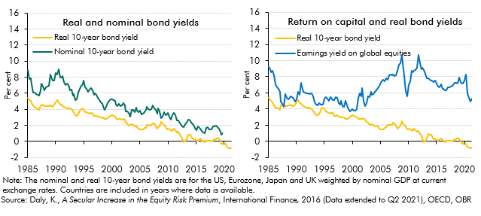

 |  | Nominal 10 year bond | Real 10 year bond yield | Earnings yield on global equities
 | Mar-1985 | 8.9 | 5.4 | 9.2
 | Jun-1985 | 7.8 | 5.1 | 8.9
 | Sep-1985 | 7.9 | 5.1 | 8.6
 | Dec-1985 | 7.2 | 4.8 | 8.8
 | Mar-1986 | 6.1 | 4.5 | 8.2
 | Jun-1986 | 6.1 | 4.2 | 7.1
 | Sep-1986 | 5.9 | 4.2 | 6.7
 | Dec-1986 | 5.8 | 4.1 | 6.5
 | Mar-1987 | 5.7 | 3.9 | 6.1
 | Jun-1987 | 6.4 | 4.4 | 4.9
 | Sep-1987 | 7.2 | 4.5 | 4.6
 | Dec-1987 | 6.8 | 4.6 | 4.3
 | Mar-1988 | 6.4 | 4.4 | 5.9
 | Jun-1988 | 6.8 | 4.4 | 5.4
 | Sep-1988 | 6.9 | 4.4 | 5.2
 | Dec-1988 | 6.9 | 4.4 | 5.3
 | Mar-1989 | 8.4 | 4.5 | 5.6
 | Jun-1989 | 7.7 | 4.4 | 5.4
 | Sep-1989 | 7.6 | 4.3 | 5.3
 | Dec-1989 | 7.5 | 4.6 | 4.9
 | Mar-1990 | 8.6 | 4.8 | 5.2
 | Jun-1990 | 8.3 | 5.1 | 6.2
 | Sep-1990 | 9.0 | 4.8 | 5.8
 | Dec-1990 | 7.9 | 4.6 | 7.2
 | Mar-1991 | 7.9 | 4.6 | 6.8
 | Jun-1991 | 8.1 | 4.4 | 6.1
 | Sep-1991 | 7.4 | 4.3 | 6.1
 | Dec-1991 | 7.0 | 4.2 | 5.9
 | Mar-1992 | 7.2 | 4.1 | 5.9
 | Jun-1992 | 7.0 | 4.1 | 5.9
 | Sep-1992 | 6.3 | 4.1 | 5.9
 | Dec-1992 | 6.4 | 4.0 | 5.9
 | Mar-1993 | 5.7 | 3.8 | 5.5
 | Jun-1993 | 5.9 | 3.5 | 4.8
 | Sep-1993 | 5.2 | 3.2 | 4.6
 | Dec-1993 | 5.2 | 3.2 | 4.4
 | Mar-1994 | 6.1 | 3.3 | 4.7
 | Jun-1994 | 6.6 | 3.8 | 4.6
 | Sep-1994 | 6.9 | 4.1 | 4.6
 | Dec-1994 | 7.1 | 4.1 | 4.5
 | Mar-1995 | 7.6 | 4.0 | 5.3
 | Jun-1995 | 6.7 | 3.7 | 5.5
 | Sep-1995 | 6.6 | 3.6 | 5.3
 | Dec-1995 | 6.1 | 3.5 | 5.0
 | Mar-1996 | 6.5 | 3.4 | 5.5
 | Jun-1996 | 6.6 | 3.5 | 5.4
 | Sep-1996 | 6.4 | 3.5 | 5.1
 | Dec-1996 | 5.8 | 3.2 | 5.1
 | Mar-1997 | 6.0 | 3.2 | 5.5
 | Jun-1997 | 5.8 | 3.2 | 5.4
 | Sep-1997 | 5.4 | 3.1 | 4.7
 | Dec-1997 | 5.1 | 3.1 | 4.5
 | Mar-1998 | 4.9 | 3.0 | 5.0
 | Jun-1998 | 4.7 | 2.9 | 4.4
 | Sep-1998 | 4.1 | 3.0 | 4.2
 | Dec-1998 | 3.9 | 2.8 | 5.1
 | Mar-1999 | 4.3 | 2.8 | 4.4
 | Jun-1999 | 4.7 | 2.9 | 4.0
 | Sep-1999 | 5.1 | 3.1 | 3.7
 | Dec-1999 | 5.2 | 3.2 | 3.9
 | Mar-2000 | 5.3 | 3.2 | 4.0
 | Jun-2000 | 5.1 | 3.1 | 3.8
 | Sep-2000 | 5.1 | 3.1 | 3.8
 | Dec-2000 | 4.6 | 2.9 | 4.0
 | Mar-2001 | 4.4 | 2.7 | 5.4
 | Jun-2001 | 4.7 | 2.8 | 5.9
 | Sep-2001 | 4.4 | 2.8 | 5.6
 | Dec-2001 | 4.5 | 2.8 | 6.6
 | Mar-2002 | 4.7 | 2.8 | 5.0
 | Jun-2002 | 4.5 | 2.7 | 4.4
 | Sep-2002 | 3.8 | 2.4 | 4.7
 | Dec-2002 | 3.8 | 2.3 | 5.6
 | Mar-2003 | 3.5 | 2.0 | 5.4
 | Jun-2003 | 3.1 | 2.0 | 6.1
 | Sep-2003 | 3.9 | 2.1 | 5.7
 | Dec-2003 | 3.9 | 2.1 | 5.8
 | Mar-2004 | 3.6 | 1.9 | 6.1
 | Jun-2004 | 4.3 | 2.0 | 6.3
 | Sep-2004 | 3.8 | 1.8 | 6.6
 | Dec-2004 | 3.7 | 1.6 | 6.9
 | Mar-2005 | 3.8 | 1.5 | 7.2
 | Jun-2005 | 3.4 | 1.5 | 7.4
 | Sep-2005 | 3.5 | 1.5 | 7.6
 | Dec-2005 | 3.7 | 1.7 | 7.4
 | Mar-2006 | 3.9 | 1.7 | 7.8
 | Jun-2006 | 4.3 | 2.1 | 7.6
 | Sep-2006 | 4.0 | 2.1 | 8.2
 | Dec-2006 | 3.9 | 2.0 | 8.3
 | Mar-2007 | 4.0 | 2.1 | 8.2
 | Jun-2007 | 4.5 | 2.3 | 8.2
 | Sep-2007 | 4.1 | 2.3 | 8.1
 | Dec-2007 | 3.9 | 1.9 | 8.1
 | Mar-2008 | 3.5 | 1.6 | 8.7
 | Jun-2008 | 4.1 | 1.7 | 9.5
 | Sep-2008 | 3.7 | 1.9 | 9.7
 | Dec-2008 | 2.9 | 2.5 | 10.7
 | Mar-2009 | 3.1 | 2.2 | 9.6
 | Jun-2009 | 3.6 | 2.1 | 8.1
 | Sep-2009 | 3.3 | 1.8 | 6.3
 | Dec-2009 | 3.4 | 1.5 | 5.5
 | Mar-2010 | 3.5 | 1.6 | 7.0
 | Jun-2010 | 3.1 | 1.5 | 7.5
 | Sep-2010 | 2.8 | 1.4 | 8.8
 | Dec-2010 | 3.3 | 1.3 | 8.5
 | Mar-2011 | 3.5 | 1.6 | 8.8
 | Jun-2011 | 3.3 | 1.4 | 8.8
 | Sep-2011 | 2.6 | 1.2 | 9.1
 | Dec-2011 | 2.6 | 1.2 | 10.7
 | Mar-2012 | 2.4 | 0.9 | 9.7
 | Jun-2012 | 2.1 | 0.7 | 9.0
 | Sep-2012 | 1.8 | 0.4 | 9.1
 | Dec-2012 | 1.7 | -0.1 | 8.8
 | Mar-2013 | 2.1 | 0.1 | 8.4
 | Jun-2013 | 2.4 | 0.3 | 7.8
 | Sep-2013 | 2.7 | 0.9 | 7.8
 | Dec-2013 | 2.8 | 0.8 | 7.6
 | Mar-2014 | 2.5 | 0.8 | 7.5
 | Jun-2014 | 2.2 | 0.4 | 7.5
 | Sep-2014 | 2.0 | 0.3 | 7.3
 | Dec-2014 | 1.7 | 0.2 | 7.5
 | Mar-2015 | 1.4 | 0.1 | 7.1
 | Jun-2015 | 1.9 | 0.1 | 6.8
 | Sep-2015 | 1.7 | 0.3 | 6.7
 | Dec-2015 | 1.6 | 0.3 | 7.0
 | Mar-2016 | 1.3 | 0.1 | 6.5
 | Jun-2016 | 1.1 | 0.0 | 6.5
 | Sep-2016 | 1.0 | -0.1 | 6.3
 | Dec-2016 | 1.7 | 0.0 | 6.4
 | Mar-2017 | 1.7 | 0.1 | 6.7
 | Jun-2017 | 1.5 | 0.1 | 6.7
 | Sep-2017 | 1.5 | 0.1 | 6.8
 | Dec-2017 | 1.5 | 0.0 | 6.9
 | Mar-2018 | 1.8 | 0.1 | 7.0
 | Jun-2018 | 1.9 | 0.2 | 7.3
 | Sep-2018 | 2.0 | 0.3 | 7.2
 | Dec-2018 | 1.8 | 0.4 | 7.1
 | Mar-2019 | 1.6 | 0.3 | 7.9
 | Jun-2019 | 1.2 | 0.1 | 7.3
 | Sep-2019 | 0.8 | -0.3 | 7.1
 | Dec-2019 | 1.0 | -0.2 | 7.1
 | Mar-2020 |  | -0.4 | 7.5
 | Jun-2020 |  | -0.3 | 8.3
 | Sep-2020 |  | -0.8 | 5.9
 | Dec-2020 |  | -0.8 | 5.4
 | Mar-2021 |  | -0.8 | 4.9
 | Jun-2021 |  | -0.8 | 5.3

Fig4.A
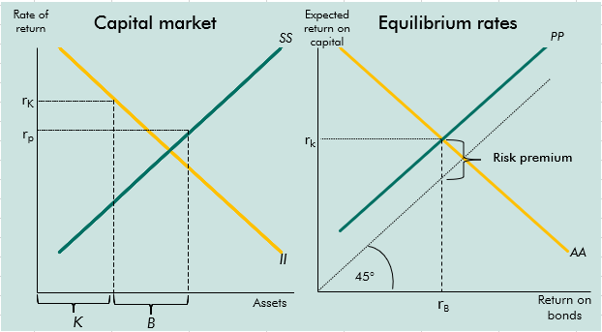
Back to contents
 | Figure 4.A: Determination of rates of return

C4.4
Back to contents
 | Chart 4.4: Middle versus old-aged population globally and in China

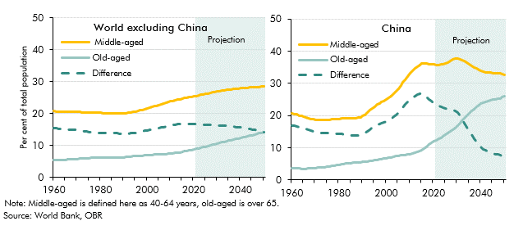

 |  | China |  |  | World ex china
 |  | Middle-aged | Old-aged | Difference | Middle-aged | Old-aged | Difference
 | 1960 | 20.6 | 3.7 | 16.9 | 20.8 | 5.3 | 15.4
 | 1961 | 20.5 | 3.7 | 16.8 | 20.7 | 5.4 | 15.3
 | 1962 | 20.3 | 3.7 | 16.6 | 20.6 | 5.4 | 15.2
 | 1963 | 20.1 | 3.6 | 16.5 | 20.6 | 5.4 | 15.1
 | 1964 | 19.8 | 3.5 | 16.3 | 20.5 | 5.5 | 15.1
 | 1965 | 19.7 | 3.4 | 16.2 | 20.6 | 5.5 | 15.1
 | 1966 | 19.4 | 3.5 | 15.9 | 20.5 | 5.6 | 15.0
 | 1967 | 19.1 | 3.6 | 15.6 | 20.5 | 5.6 | 14.9
 | 1968 | 19.0 | 3.6 | 15.3 | 20.5 | 5.7 | 14.9
 | 1969 | 18.9 | 3.7 | 15.2 | 20.5 | 5.7 | 14.8
 | 1970 | 18.8 | 3.7 | 15.0 | 20.5 | 5.7 | 14.8
 | 1971 | 18.6 | 3.8 | 14.8 | 20.5 | 5.8 | 14.6
 | 1972 | 18.6 | 3.9 | 14.7 | 20.4 | 5.9 | 14.5
 | 1973 | 18.6 | 3.9 | 14.7 | 20.3 | 5.9 | 14.4
 | 1974 | 18.6 | 4.0 | 14.6 | 20.3 | 6.0 | 14.3
 | 1975 | 18.7 | 4.1 | 14.6 | 20.3 | 6.0 | 14.3
 | 1976 | 18.7 | 4.2 | 14.5 | 20.2 | 6.1 | 14.1
 | 1977 | 18.8 | 4.3 | 14.5 | 20.2 | 6.1 | 14.0
 | 1978 | 18.9 | 4.4 | 14.5 | 20.2 | 6.2 | 14.0
 | 1979 | 19.0 | 4.6 | 14.4 | 20.2 | 6.2 | 13.9
 | 1980 | 19.0 | 4.7 | 14.4 | 20.2 | 6.2 | 13.9
 | 1981 | 19.1 | 4.8 | 14.2 | 20.1 | 6.2 | 13.9
 | 1982 | 19.1 | 5.0 | 14.1 | 20.0 | 6.2 | 13.8
 | 1983 | 19.1 | 5.1 | 14.0 | 20.0 | 6.2 | 13.8
 | 1984 | 19.1 | 5.2 | 13.9 | 20.0 | 6.1 | 13.9
 | 1985 | 19.2 | 5.3 | 13.9 | 20.0 | 6.1 | 13.9
 | 1986 | 19.2 | 5.4 | 13.8 | 19.9 | 6.1 | 13.8
 | 1987 | 19.2 | 5.5 | 13.8 | 19.9 | 6.2 | 13.7
 | 1988 | 19.3 | 5.5 | 13.8 | 19.9 | 6.2 | 13.7
 | 1989 | 19.5 | 5.6 | 14.0 | 20.0 | 6.3 | 13.7
 | 1990 | 19.9 | 5.6 | 14.3 | 20.1 | 6.3 | 13.8
 | 1991 | 20.3 | 5.7 | 14.6 | 20.1 | 6.4 | 13.7
 | 1992 | 20.9 | 5.8 | 15.1 | 20.2 | 6.5 | 13.7
 | 1993 | 21.6 | 5.9 | 15.7 | 20.3 | 6.5 | 13.8
 | 1994 | 22.3 | 6.0 | 16.3 | 20.5 | 6.6 | 13.9
 | 1995 | 22.8 | 6.1 | 16.7 | 20.6 | 6.6 | 14.0
 | 1996 | 23.4 | 6.3 | 17.1 | 20.8 | 6.7 | 14.1
 | 1997 | 23.8 | 6.4 | 17.4 | 21.0 | 6.7 | 14.2
 | 1998 | 24.1 | 6.6 | 17.6 | 21.2 | 6.8 | 14.4
 | 1999 | 24.5 | 6.7 | 17.8 | 21.4 | 6.8 | 14.6
 | 2000 | 25.0 | 6.8 | 18.2 | 21.6 | 6.9 | 14.7
 | 2001 | 25.5 | 6.9 | 18.6 | 21.8 | 7.0 | 14.8
 | 2002 | 26.1 | 7.1 | 19.0 | 22.0 | 7.0 | 15.0
 | 2003 | 26.8 | 7.2 | 19.6 | 22.2 | 7.1 | 15.1
 | 2004 | 27.6 | 7.4 | 20.2 | 22.4 | 7.2 | 15.3
 | 2005 | 28.4 | 7.5 | 20.9 | 22.7 | 7.2 | 15.5
 | 2006 | 29.3 | 7.6 | 21.7 | 22.9 | 7.3 | 15.6
 | 2007 | 30.3 | 7.7 | 22.6 | 23.1 | 7.3 | 15.8
 | 2008 | 31.2 | 7.8 | 23.4 | 23.3 | 7.3 | 16.0
 | 2009 | 32.2 | 7.9 | 24.2 | 23.5 | 7.4 | 16.2
 | 2010 | 33.1 | 8.1 | 25.0 | 23.8 | 7.4 | 16.3
 | 2011 | 33.9 | 8.3 | 25.6 | 23.9 | 7.5 | 16.4
 | 2012 | 34.6 | 8.5 | 26.2 | 24.1 | 7.6 | 16.5
 | 2013 | 35.3 | 8.7 | 26.6 | 24.3 | 7.7 | 16.6
 | 2014 | 35.8 | 9.0 | 26.8 | 24.5 | 7.8 | 16.6
 | 2015 | 36.1 | 9.3 | 26.8 | 24.7 | 8.0 | 16.7
 | 2016 | 36.2 | 9.8 | 26.4 | 24.8 | 8.1 | 16.7
 | 2017 | 36.2 | 10.3 | 25.8 | 24.9 | 8.3 | 16.7
 | 2018 | 36.0 | 10.9 | 25.1 | 25.1 | 8.4 | 16.6
 | 2019 | 35.9 | 11.5 | 24.4 | 25.2 | 8.6 | 16.6
 | 2020 | 35.8 | 12.0 | 23.9 | 25.4 | 8.7 | 16.6
 | 2021 | 35.8 | 12.4 | 23.4 | 25.5 | 8.9 | 16.6
 | 2022 | 35.8 | 12.8 | 23.0 | 25.7 | 9.1 | 16.6
 | 2023 | 35.9 | 13.2 | 22.7 | 25.8 | 9.3 | 16.6
 | 2024 | 36.0 | 13.6 | 22.5 | 26.0 | 9.4 | 16.5
 | 2025 | 36.3 | 14.0 | 22.2 | 26.2 | 9.6 | 16.5
 | 2026 | 36.6 | 14.5 | 22.0 | 26.3 | 9.8 | 16.5
 | 2027 | 37.0 | 15.0 | 21.9 | 26.4 | 10.0 | 16.4
 | 2028 | 37.4 | 15.6 | 21.8 | 26.6 | 10.2 | 16.4
 | 2029 | 37.6 | 16.2 | 21.5 | 26.7 | 10.4 | 16.3
 | 2030 | 37.7 | 16.9 | 20.9 | 26.9 | 10.6 | 16.3
 | 2031 | 37.6 | 17.6 | 20.0 | 27.0 | 10.8 | 16.2
 | 2032 | 37.3 | 18.3 | 19.0 | 27.1 | 10.9 | 16.2
 | 2033 | 36.8 | 19.1 | 17.7 | 27.2 | 11.1 | 16.1
 | 2034 | 36.4 | 19.9 | 16.5 | 27.4 | 11.3 | 16.1
 | 2035 | 35.9 | 20.7 | 15.2 | 27.5 | 11.5 | 16.0
 | 2036 | 35.4 | 21.4 | 14.1 | 27.6 | 11.6 | 15.9
 | 2037 | 35.0 | 22.1 | 12.9 | 27.7 | 11.8 | 15.9
 | 2038 | 34.6 | 22.7 | 11.9 | 27.7 | 12.0 | 15.8
 | 2039 | 34.2 | 23.3 | 10.9 | 27.8 | 12.1 | 15.7
 | 2040 | 33.9 | 23.7 | 10.2 | 27.9 | 12.3 | 15.6
 | 2041 | 33.7 | 24.1 | 9.6 | 28.0 | 12.5 | 15.5
 | 2042 | 33.5 | 24.3 | 9.2 | 28.0 | 12.7 | 15.4
 | 2043 | 33.4 | 24.5 | 8.9 | 28.1 | 12.8 | 15.3
 | 2044 | 33.3 | 24.7 | 8.6 | 28.1 | 13.0 | 15.1
 | 2045 | 33.3 | 24.9 | 8.4 | 28.2 | 13.2 | 15.0
 | 2046 | 33.2 | 25.1 | 8.1 | 28.2 | 13.4 | 14.9
 | 2047 | 33.1 | 25.2 | 7.9 | 28.3 | 13.6 | 14.7
 | 2048 | 33.1 | 25.4 | 7.7 | 28.3 | 13.8 | 14.6
 | 2049 | 32.9 | 25.7 | 7.2 | 28.4 | 14.0 | 14.4
 | 2050 | 32.7 | 26.1 | 6.6 | 28.4 | 14.2 | 14.2

C4.5
Back to contents
 | Chart 4.5: Income inequality and saving rates across the income distribution

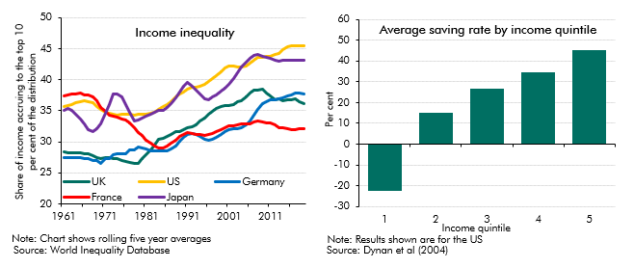

 |  | US | UK | Germany | France | Japan | Income quintile | Average saving rate
 | 1961 | 35.7 | 28.4 | 27.5 | 37.4 | 35.0 | 1 | -22.7
 | 1962 | 35.8 | 28.2 | 27.5 | 37.5 | 35.3 | 2 | 15
 | 1963 | 36.1 | 28.3 | 27.5 | 37.8 | 35.0 | 3 | 26.9
 | 1964 | 36.3 | 28.2 | 27.5 | 37.8 | 34.5 | 4 | 34.6
 | 1965 | 36.5 | 28.3 | 27.4 | 37.8 | 33.7 | 5 | 45.5
 | 1966 | 36.6 | 28.1 | 27.3 | 37.6 | 32.9
 | 1967 | 36.5 | 28.0 | 27.3 | 37.5 | 32.0
 | 1968 | 36.3 | 27.7 | 27.0 | 37.2 | 31.7
 | 1969 | 35.8 | 27.5 | 27.0 | 36.6 | 32.1
 | 1970 | 35.2 | 27.3 | 26.6 | 35.6 | 32.9
 | 1971 | 34.7 | 27.4 | 27.3 | 35.0 | 34.6
 | 1972 | 34.6 | 27.4 | 27.3 | 34.3 | 36.0
 | 1973 | 34.4 | 27.4 | 27.9 | 34.1 | 37.8
 | 1974 | 34.3 | 27.2 | 28.0 | 34.0 | 37.7
 | 1975 | 34.4 | 27.0 | 28.0 | 33.6 | 37.3
 | 1976 | 34.4 | 26.8 | 28.2 | 33.4 | 35.9
 | 1977 | 34.4 | 26.6 | 28.7 | 33.0 | 34.8
 | 1978 | 34.3 | 26.5 | 28.7 | 32.3 | 33.4
 | 1979 | 34.4 | 26.6 | 29.2 | 31.5 | 33.6
 | 1980 | 34.4 | 27.3 | 29.0 | 31.1 | 33.8
 | 1981 | 34.5 | 28.0 | 28.9 | 30.3 | 34.2
 | 1982 | 34.5 | 28.7 | 28.6 | 29.7 | 34.5
 | 1983 | 34.8 | 29.5 | 28.5 | 29.3 | 34.8
 | 1984 | 35.2 | 30.4 | 28.5 | 29.1 | 35.0
 | 1985 | 35.7 | 30.6 | 28.5 | 29.0 | 35.1
 | 1986 | 36.0 | 30.9 | 28.6 | 29.3 | 35.5
 | 1987 | 36.5 | 31.2 | 28.9 | 29.7 | 36.2
 | 1988 | 37.3 | 31.6 | 29.4 | 30.3 | 37.0
 | 1989 | 37.7 | 31.7 | 30.1 | 30.8 | 38.0
 | 1990 | 38.0 | 32.0 | 30.7 | 31.3 | 38.9
 | 1991 | 38.4 | 32.3 | 31.1 | 31.4 | 39.5
 | 1992 | 38.9 | 32.4 | 31.4 | 31.4 | 39.0
 | 1993 | 38.9 | 32.8 | 31.2 | 31.3 | 38.4
 | 1994 | 39.0 | 33.4 | 30.8 | 31.1 | 37.7
 | 1995 | 39.2 | 33.8 | 30.4 | 31.0 | 37.0
 | 1996 | 39.7 | 34.4 | 30.3 | 31.1 | 36.7
 | 1997 | 40.1 | 34.9 | 30.4 | 31.4 | 37.2
 | 1998 | 40.7 | 35.3 | 30.7 | 31.7 | 37.6
 | 1999 | 41.3 | 35.6 | 31.1 | 31.9 | 38.1
 | 2000 | 41.9 | 35.8 | 31.6 | 32.3 | 38.7
 | 2001 | 42.2 | 35.8 | 31.9 | 32.5 | 39.3
 | 2002 | 42.2 | 36.1 | 32.1 | 32.6 | 40.2
 | 2003 | 42.1 | 36.5 | 32.0 | 32.7 | 41.1
 | 2004 | 42.1 | 36.7 | 32.2 | 32.9 | 42.0
 | 2005 | 42.2 | 37.2 | 32.7 | 33.0 | 42.8
 | 2006 | 42.7 | 37.8 | 33.3 | 33.0 | 43.4
 | 2007 | 43.2 | 38.4 | 34.2 | 33.2 | 43.9
 | 2008 | 43.6 | 38.3 | 35.3 | 33.4 | 44.0
 | 2009 | 43.7 | 38.5 | 36.1 | 33.1 | 43.8
 | 2010 | 43.7 | 37.9 | 36.5 | 33.0 | 43.7
 | 2011 | 43.8 | 37.4 | 36.8 | 33.0 | 43.4
 | 2012 | 44.1 | 36.8 | 36.7 | 32.7 | 43.2
 | 2013 | 44.3 | 36.9 | 36.9 | 32.3 | 43.0
 | 2014 | 44.9 | 36.6 | 37.1 | 32.3 | 43.1
 | 2015 | 45.3 | 36.8 | 37.4 | 32.2 | 43.1
 | 2016 | 45.5 | 36.8 | 37.6 | 32.0 | 43.2
 | 2017 | 45.4 | 36.9 | 37.9 | 32.0 | 43.2
 | 2018 | 45.6 | 36.4 | 37.9 | 32.1 | 43.2
 | 2019 | 45.5 | 36.1 | 37.8 | 32.1 | 43.2

C4.6
Back to contents
 | Chart 4.6: Holdings of selected high-quality government debt
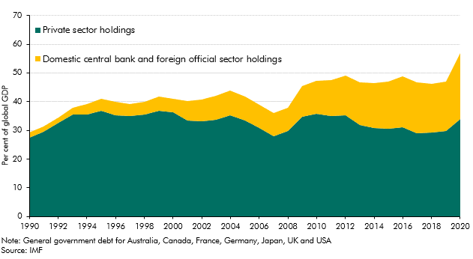

 | Year | 1990 | 1991 | 1992 | 1993 | 1994 | 1995 | 1996 | 1997 | 1998 | 1999 | 2000 | 2001 | 2002 | 2003 | 2004 | 2005 | 2006 | 2007 | 2008 | 2009 | 2010 | 2011 | 2012 | 2013 | 2014 | 2015 | 2016 | 2017 | 2018 | 2019 | 2020

 | Private sector | 27.34 | 29.54 | 32.71 | 35.46 | 35.37 | 36.71 | 35.27 | 34.90 | 35.61 | 36.74 | 36.31 | 33.38 | 33.13 | 33.80 | 35.28 | 33.35 | 30.76 | 28.01 | 29.89 | 34.84 | 35.80 | 34.86 | 35.11 | 31.77 | 30.88 | 30.55 | 31.09 | 29.00 | 29.23 | 29.75 | 33.94
 | Domestic central bank and foreign official sector | 2.00 | 1.86 | 1.86 | 2.27 | 3.81 | 4.15 | 4.55 | 4.32 | 4.23 | 4.94 | 4.54 | 6.81 | 7.66 | 8.19 | 8.50 | 8.50 | 8.08 | 7.94 | 7.88 | 10.55 | 11.40 | 12.68 | 13.82 | 15.05 | 15.48 | 16.46 | 17.73 | 17.64 | 17.08 | 17.16 | 22.82

C4.B
Back to contents
 | Chart 4.B: The impact of past pandemics and wars on interest rates
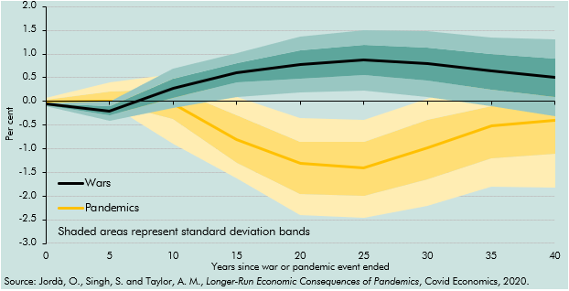

 | Years | 0 | 5 | 10 | 15 | 20 | 25 | 30 | 35 | 40
 | Wars | 2.9 | 2.8 | 3.3 | 3.6 | 3.8 | 3.9 | 3.8 | 3.7 | 3.5
 | SD | 0.0 | 0.0 | 0.2 | 0.2 | 0.3 | 0.3 | 0.4 | 0.4 | 0.4
 | Pandemic | 3.0 | 3.0 | 2.9 | 2.2 | 1.7 | 1.6 | 2.0 | 2.5 | 2.6
 | SD | 0.0 | 0.0 | 0.3 | 0.3 | 0.4 | 0.4 | 0.5 | 0.5 | 0.6

C4.7
Back to contents
 | Chart 4.7: Decomposition of the fall in global real interest rates

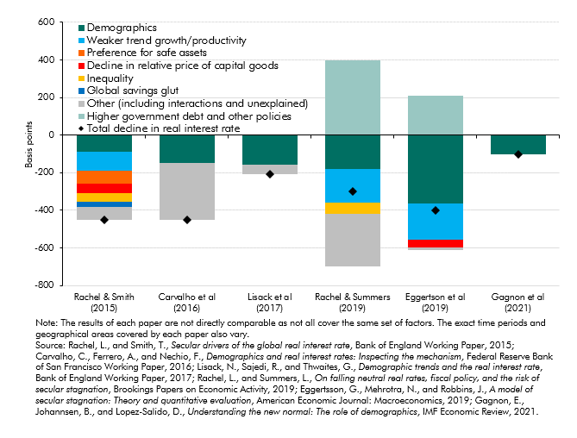

 | Paper | Rachel & Smith (2015) | Carvalho et al (2016) | Lisack et al (2017) | Rachel & Summers (2019) | Eggertson et al (2019) | Gagnon et al (2021)
 | Total decline in real interest rate | -450 | -450 | -210 | -300 | -402 | -100

 | Demographics | -90 | -150 | -158 | -180 | -366 | -100
 | Inequality | -45 |  |  | -60
 | Global savings glut | -25
 | Decline in relative price of capital goods | -50 |  |  |  | -44
 | Preference for safe assets | -70
 | Weaker trend growth/productivity | -100 |  |  | -180 | -190
 | Higher government debt and other policies |  |  |  | 400 | 211
 | Other (including interactions and unexplained) | -70 | -300 | -53 | -280 | -13

C4.8
Back to contents
 | Chart 4.8: Sensitivity of interest payments to a rise in interest rates
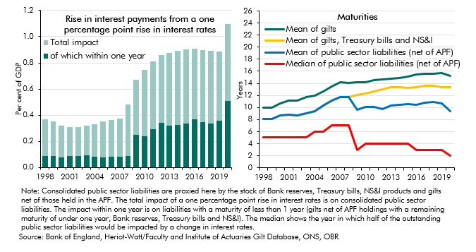

 |  | Total impact | of which within one year | Mean of gilts | Mean of gilts, Treasury bills and NS&I | Mean of public sector liabilities (net of APF) | Median of public sector liabilities (net of APF)

 | 1998 | 0.3 | 0.1 | 10 | 8 | 8 | 5
 | 1999 | 0.3 | 0.1 | 10 | 8 | 8 | 5
 | 2000 | 0.2 | 0.1 | 11 | 9 | 9 | 5
 | 2001 | 0.2 | 0.1 | 11 | 9 | 9 | 5
 | 2002 | 0.2 | 0.1 | 11 | 9 | 9 | 5
 | 2003 | 0.2 | 0.1 | 12 | 9 | 9 | 5
 | 2004 | 0.2 | 0.1 | 12 | 9 | 9 | 6
 | 2005 | 0.3 | 0.1 | 13 | 10 | 10 | 6
 | 2006 | 0.3 | 0.1 | 14 | 11 | 11 | 7
 | 2007 | 0.3 | 0.1 | 14 | 12 | 12 | 7
 | 2008 | 0.4 | 0.1 | 14 | 12 | 12 | 7
 | 2009 | 0.4 | 0.3 | 14 | 12 | 10 | 3
 | 2010 | 0.5 | 0.2 | 14 | 12 | 10 | 4
 | 2011 | 0.5 | 0.3 | 14 | 13 | 10 | 4
 | 2012 | 0.5 | 0.3 | 15 | 13 | 10 | 4
 | 2013 | 0.6 | 0.3 | 15 | 13 | 10 | 4
 | 2014 | 0.6 | 0.3 | 15 | 13 | 10 | 4
 | 2015 | 0.6 | 0.3 | 15 | 13 | 11 | 4
 | 2016 | 0.5 | 0.4 | 15 | 13 | 10 | 3
 | 2017 | 0.5 | 0.3 | 16 | 14 | 11 | 3
 | 2018 | 0.6 | 0.3 | 16 | 14 | 11 | 3
 | 2019 | 0.5 | 0.4 | 16 | 13 | 11 | 3
 | 2020 | 0.6 | 0.5 | 15 | 13 | 9 | 2

C4.9
Back to contents
 | Chart 4.9: Higher global real interest rate scenarios: key assumptions

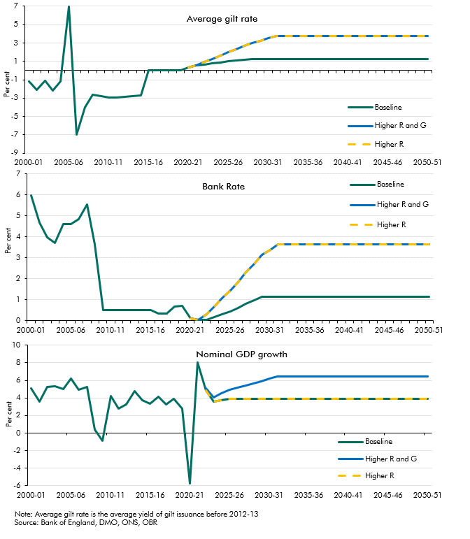

 |  |  | 2000-01 | 2001-02 | 2002-03 | 2003-04 | 2004-05 | 2005-06 | 2006-07 | 2007-08 | 2008-09 | 2009-10 | 2010-11 | 2011-12 | 2012-13 | 2013-14 | 2014-15 | 2015-16 | 2016-17 | 2017-18 | 2018-19 | 2019-20 | 2020-21 | 2021-22 | 2022-23 | 2023-24 | 2024-25 | 2025-26 | 2026-27 | 2027-28 | 2028-29 | 2029-30 | 2030-31 | 2031-32 | 2032-33 | 2033-34 | 2034-35 | 2035-36 | 2036-37 | 2037-38 | 2038-39 | 2039-40 | 2040-41 | 2041-42 | 2042-43 | 2043-44 | 2044-45 | 2045-46 | 2046-47 | 2047-48 | 2048-49 | 2049-50 | 2050-51
 | Nominal GDP growth
 |  | Baseline | 5.1 | 3.6 | 5.2 | 5.3 | 5.0 | 6.2 | 5.0 | 5.3 | 0.4 | -0.8 | 4.2 | 2.8 | 3.2 | 4.7 | 3.8 | 3.4 | 4.1 | 3.3 | 3.9 | 2.8 | -5.7 | 8.0 | 4.9 | 3.5 | 3.8 | 3.9 | 3.9 | 3.9 | 3.9 | 3.9 | 3.9 | 3.9 | 3.9 | 3.9 | 3.9 | 3.9 | 3.9 | 3.9 | 3.9 | 3.9 | 3.9 | 3.9 | 3.9 | 3.9 | 3.9 | 3.9 | 3.9 | 3.9 | 3.9 | 3.9 | 3.9
 |  | Higher R and G |  |  |  |  |  |  |  |  |  |  |  |  |  |  |  |  |  |  |  |  |  |  | 5.1 | 4.0 | 4.5 | 4.9 | 5.2 | 5.4 | 5.7 | 5.9 | 6.2 | 6.4 | 6.4 | 6.4 | 6.4 | 6.4 | 6.4 | 6.4 | 6.4 | 6.4 | 6.4 | 6.4 | 6.4 | 6.4 | 6.4 | 6.4 | 6.4 | 6.4 | 6.4 | 6.4 | 6.4
 |  | Higher R |  |  |  |  |  |  |  |  |  |  |  |  |  |  |  |  |  |  |  |  |  |  | 4.9 | 3.5 | 3.8 | 3.9 | 3.9 | 3.9 | 3.9 | 3.9 | 3.9 | 3.9 | 3.9 | 3.9 | 3.9 | 3.9 | 3.9 | 3.9 | 3.9 | 3.9 | 3.9 | 3.9 | 3.9 | 3.9 | 3.9 | 3.9 | 3.9 | 3.9 | 3.9 | 3.9 | 3.9

 | Average gilt rate
 |  | Baseline | 4.6 | 5.1 | 4.8 | 4.6 | 4.8 | 4.3 | 4.4 | 4.6 | 3.8 | 3.6 | 3.3 | 2.7 | 1.9 | 2.4 | 2.3 | 1.9 | 1.2 | 1.3 | 1.4 | 0.7 | 0.4 | 0.6 | 0.7 | 0.8 | 0.9 | 1.0 | 1.1 | 1.2 | 1.2 | 1.3 | 1.3 | 1.3 | 1.3 | 1.3 | 1.3 | 1.3 | 1.3 | 1.3 | 1.3 | 1.3 | 1.3 | 1.3 | 1.3 | 1.3 | 1.3 | 1.3 | 1.3 | 1.3 | 1.3 | 1.3 | 1.3
 |  | Higher R and G |  |  |  |  |  |  |  |  |  |  |  |  |  |  |  |  |  |  |  |  | 0.4 | 0.6 | 0.9 | 1.3 | 1.6 | 2.0 | 2.3 | 2.7 | 3.0 | 3.3 | 3.5 | 3.8 | 3.8 | 3.8 | 3.8 | 3.8 | 3.8 | 3.8 | 3.8 | 3.8 | 3.8 | 3.8 | 3.8 | 3.8 | 3.8 | 3.8 | 3.8 | 3.8 | 3.8 | 3.8 | 3.8
 |  | Higher R |  |  |  |  |  |  |  |  |  |  |  |  |  |  |  |  |  |  |  |  | 0.4 | 0.6 | 0.9 | 1.3 | 1.6 | 2.0 | 2.3 | 2.7 | 3.0 | 3.3 | 3.5 | 3.8 | 3.8 | 3.8 | 3.8 | 3.8 | 3.8 | 3.8 | 3.8 | 3.8 | 3.8 | 3.8 | 3.8 | 3.8 | 3.8 | 3.8 | 3.8 | 3.8 | 3.8 | 3.8 | 3.8

 | Bank rate
 |  | Baseline | 6.0 | 4.7 | 4.0 | 3.7 | 4.6 | 4.6 | 4.8 | 5.5 | 3.6 | 0.5 | 0.5 | 0.5 | 0.5 | 0.5 | 0.5 | 0.5 | 0.3 | 0.4 | 0.7 | 0.7 | 0.1 | 0.0 | 0.1 | 0.2 | 0.3 | 0.4 | 0.6 | 0.8 | 1.0 | 1.1 | 1.1 | 1.1 | 1.1 | 1.1 | 1.1 | 1.1 | 1.1 | 1.1 | 1.1 | 1.1 | 1.1 | 1.1 | 1.1 | 1.1 | 1.1 | 1.1 | 1.1 | 1.1 | 1.1 | 1.1 | 1.1
 |  | Higher R and G |  |  |  |  |  |  |  |  |  |  |  |  |  |  |  |  |  |  |  |  | 0.1 | 0.0 | 0.3 | 0.7 | 1.1 | 1.4 | 1.8 | 2.3 | 2.7 | 3.1 | 3.4 | 3.6 | 3.6 | 3.6 | 3.6 | 3.6 | 3.6 | 3.6 | 3.6 | 3.6 | 3.6 | 3.6 | 3.6 | 3.6 | 3.6 | 3.6 | 3.6 | 3.6 | 3.6 | 3.6 | 3.6
 |  | Higher R |  |  |  |  |  |  |  |  |  |  |  |  |  |  |  |  |  |  |  |  | 0.1 | 0.0 | 0.3 | 0.7 | 1.1 | 1.4 | 1.8 | 2.3 | 2.7 | 3.1 | 3.4 | 3.6 | 3.6 | 3.6 | 3.6 | 3.6 | 3.6 | 3.6 | 3.6 | 3.6 | 3.6 | 3.6 | 3.6 | 3.6 | 3.6 | 3.6 | 3.6 | 3.6 | 3.6 | 3.6 | 3.6

C4.10
Back to contents
 | Chart 4.10: Higher global real interest rate scenarios: key outputs

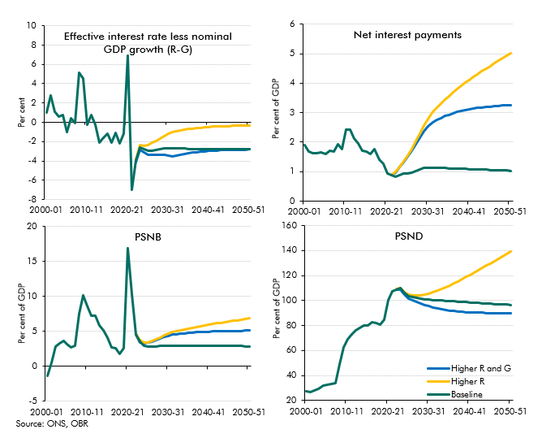

 |  |  | 2000-01 | 2001-02 | 2002-03 | 2003-04 | 2004-05 | 2005-06 | 2006-07 | 2007-08 | 2008-09 | 2009-10 | 2010-11 | 2011-12 | 2012-13 | 2013-14 | 2014-15 | 2015-16 | 2016-17 | 2017-18 | 2018-19 | 2019-20 | 2020-21 | 2021-22 | 2022-23 | 2023-24 | 2024-25 | 2025-26 | 2026-27 | 2027-28 | 2028-29 | 2029-30 | 2030-31 | 2031-32 | 2032-33 | 2033-34 | 2034-35 | 2035-36 | 2036-37 | 2037-38 | 2038-39 | 2039-40 | 2040-41 | 2041-42 | 2042-43 | 2043-44 | 2044-45 | 2045-46 | 2046-47 | 2047-48 | 2048-49 | 2049-50 | 2050-51
 | R-G
 |  | Baseline | 1.1 | 2.7 | 1.1 | 0.6 | 0.8 | -1.0 | 0.4 | -0.1 | 5.1 | 4.5 | -0.2 | 0.8 | -0.3 | -2.1 | -1.6 | -1.2 | -2.1 | -1.1 | -2.2 | -1.2 | 6.9 | -7.0 | -4.0 | -2.6 | -2.8 | -2.9 | -2.9 | -2.8 | -2.8 | -2.7 | -2.7 | -2.7 | -2.7 | -2.7 | -2.7 | -2.7 | -2.7 | -2.7 | -2.8 | -2.8 | -2.8 | -2.8 | -2.8 | -2.8 | -2.8 | -2.8 | -2.8 | -2.8 | -2.8 | -2.8 | -2.8
 |  | Higher R and G |  |  |  |  |  |  |  |  |  |  |  |  |  |  |  |  |  |  |  |  |  |  | -4.1 | -2.9 | -3.1 | -3.4 | -3.4 | -3.4 | -3.4 | -3.4 | -3.5 | -3.5 | -3.4 | -3.3 | -3.2 | -3.2 | -3.1 | -3.1 | -3.0 | -3.0 | -3.0 | -2.9 | -2.9 | -2.9 | -2.9 | -2.9 | -2.8 | -2.8 | -2.8 | -2.8 | -2.8
 |  | Higher R |  |  |  |  |  |  |  |  |  |  |  |  |  |  |  |  |  |  |  |  |  |  | -3.9 | -2.4 | -2.4 | -2.4 | -2.1 | -1.9 | -1.6 | -1.4 | -1.2 | -1.0 | -0.9 | -0.8 | -0.8 | -0.7 | -0.6 | -0.6 | -0.5 | -0.5 | -0.5 | -0.5 | -0.4 | -0.4 | -0.4 | -0.4 | -0.4 | -0.4 | -0.4 | -0.3 | -0.3

 | NIPs
 |  | Baseline | 1.9 | 1.7 | 1.6 | 1.6 | 1.6 | 1.6 | 1.7 | 1.7 | 1.9 | 1.8 | 2.4 | 2.4 | 2.1 | 2.0 | 1.7 | 1.7 | 1.6 | 1.8 | 1.4 | 1.3 | 0.9 | 0.9 | 0.8 | 0.9 | 0.9 | 0.9 | 1.0 | 1.0 | 1.1 | 1.1 | 1.1 | 1.1 | 1.1 | 1.1 | 1.1 | 1.1 | 1.1 | 1.1 | 1.1 | 1.1 | 1.1 | 1.1 | 1.1 | 1.1 | 1.1 | 1.1 | 1.1 | 1.0 | 1.0 | 1.0 | 1.0
 |  | Higher R and G |  |  |  |  |  |  |  |  |  |  |  |  |  |  |  |  |  |  |  |  |  | 0.9 | 1.0 | 1.1 | 1.3 | 1.5 | 1.7 | 1.9 | 2.2 | 2.4 | 2.5 | 2.7 | 2.8 | 2.8 | 2.9 | 2.9 | 3.0 | 3.0 | 3.1 | 3.1 | 3.1 | 3.1 | 3.2 | 3.2 | 3.2 | 3.2 | 3.2 | 3.2 | 3.2 | 3.3 | 3.3
 |  | Higher R |  |  |  |  |  |  |  |  |  |  |  |  |  |  |  |  |  |  |  |  |  | 0.9 | 1.0 | 1.2 | 1.4 | 1.6 | 1.8 | 2.0 | 2.3 | 2.6 | 2.8 | 3.0 | 3.2 | 3.3 | 3.4 | 3.6 | 3.7 | 3.8 | 3.9 | 4.0 | 4.1 | 4.2 | 4.3 | 4.4 | 4.5 | 4.6 | 4.7 | 4.8 | 4.8 | 4.9 | 5.0

 | PSNB
 |  | Baseline | -1.4 | 0.5 | 2.8 | 3.3 | 3.7 | 3.1 | 2.7 | 2.9 | 7.5 | 10.1 | 8.6 | 7.3 | 7.2 | 5.8 | 5.1 | 4.1 | 2.7 | 2.6 | 1.8 | 2.6 | 16.9 | 10.3 | 4.5 | 3.5 | 2.9 | 2.8 | 2.8 | 2.9 | 2.9 | 3.0 | 3.0 | 3.0 | 3.0 | 3.0 | 3.0 | 2.9 | 2.9 | 2.9 | 2.9 | 2.9 | 2.9 | 2.9 | 2.9 | 2.9 | 2.9 | 2.9 | 2.9 | 2.9 | 2.9 | 2.9 | 2.9
 |  | Higher R and G |  |  |  |  |  |  |  |  |  |  |  |  |  |  |  |  |  |  |  |  |  |  | 4.5 | 3.4 | 3.3 | 3.3 | 3.5 | 3.8 | 4.0 | 4.2 | 4.4 | 4.5 | 4.6 | 4.7 | 4.7 | 4.8 | 4.8 | 4.9 | 4.9 | 4.9 | 4.9 | 5.0 | 5.0 | 5.0 | 5.0 | 5.0 | 5.1 | 5.1 | 5.1 | 5.1 | 5.1
 |  | Higher R |  |  |  |  |  |  |  |  |  |  |  |  |  |  |  |  |  |  |  |  |  |  | 4.7 | 3.8 | 3.3 | 3.4 | 3.6 | 3.9 | 4.1 | 4.4 | 4.6 | 4.9 | 5.0 | 5.1 | 5.3 | 5.4 | 5.5 | 5.6 | 5.7 | 5.9 | 6.0 | 6.1 | 6.1 | 6.2 | 6.3 | 6.4 | 6.5 | 6.6 | 6.7 | 6.8 | 6.8

 | PSND
 |  | Baseline | 27.2 | 26.8 | 28.1 | 29.3 | 31.8 | 32.6 | 33.4 | 34.2 | 48.7 | 62.6 | 69.2 | 72.8 | 76.2 | 78.0 | 80.2 | 79.8 | 82.5 | 82.1 | 80.4 | 84.4 | 100.2 | 107.4 | 109.0 | 109.7 | 106.2 | 103.8 | 103.0 | 102.2 | 101.6 | 101.1 | 100.6 | 100.4 | 100.1 | 99.9 | 99.7 | 99.5 | 99.3 | 99.1 | 98.8 | 98.6 | 98.4 | 98.2 | 98.0 | 97.8 | 97.6 | 97.4 | 97.3 | 97.1 | 96.9 | 96.7 | 96.5
 |  | Higher R and G |  |  |  |  |  |  |  |  |  |  |  |  |  |  |  |  |  |  |  |  |  |  | 108.8 | 108.7 | 104.7 | 101.8 | 100.4 | 99.0 | 97.7 | 96.5 | 95.3 | 94.4 | 93.6 | 92.9 | 92.4 | 91.9 | 91.5 | 91.2 | 90.9 | 90.7 | 90.5 | 90.4 | 90.3 | 90.2 | 90.1 | 90.1 | 90.0 | 90.0 | 90.0 | 90.0 | 90.1
 |  | Higher R |  |  |  |  |  |  |  |  |  |  |  |  |  |  |  |  |  |  |  |  |  |  | 109.2 | 109.9 | 106.6 | 104.5 | 104.2 | 104.2 | 104.4 | 104.8 | 105.5 | 106.6 | 107.9 | 109.3 | 110.7 | 112.2 | 113.8 | 115.5 | 117.1 | 118.9 | 120.6 | 122.4 | 124.2 | 126.0 | 127.9 | 129.8 | 131.6 | 133.5 | 135.4 | 137.3 | 139.3

C4.11
Back to contents
 | Chart 4.11: Higher global real interest rate scenarios: contributions to differences in debt-to-GDP ratios from the baseline

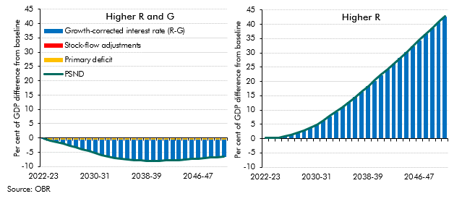

 |  |  | 2022-23 | 2023-24 | 2024-25 | 2025-26 | 2026-27 | 2027-28 | 2028-29 | 2029-30 | 2030-31 | 2031-32 | 2032-33 | 2033-34 | 2034-35 | 2035-36 | 2036-37 | 2037-38 | 2038-39 | 2039-40 | 2040-41 | 2041-42 | 2042-43 | 2043-44 | 2044-45 | 2045-46 | 2046-47 | 2047-48 | 2048-49 | 2049-50 | 2050-51
 | Higher R and G | Change in PSND | -0.2 | -1.0 | -1.5 | -2.0 | -2.6 | -3.2 | -3.9 | -4.5 | -5.3 | -6.0 | -6.5 | -7.0 | -7.3 | -7.6 | -7.7 | -7.9 | -7.9 | -7.9 | -7.9 | -7.8 | -7.8 | -7.7 | -7.5 | -7.4 | -7.2 | -7.0 | -6.8 | -6.6 | -6.4
 |  | Primary deficit | -0.1 | -0.5 | -0.5 | -0.5 | -0.5 | -0.5 | -0.5 | -0.5 | -0.5 | -0.5 | -0.5 | -0.5 | -0.5 | -0.5 | -0.5 | -0.5 | -0.5 | -0.5 | -0.5 | -0.5 | -0.5 | -0.5 | -0.5 | -0.5 | -0.5 | -0.5 | -0.5 | -0.5 | -0.5
 |  | R-G | -0.1 | -0.5 | -1.1 | -1.6 | -2.2 | -2.9 | -3.5 | -4.2 | -5.0 | -5.7 | -6.3 | -6.7 | -7.0 | -7.3 | -7.5 | -7.6 | -7.6 | -7.6 | -7.6 | -7.6 | -7.5 | -7.4 | -7.2 | -7.1 | -6.9 | -6.7 | -6.6 | -6.4 | -6.2
 |  | SFAs | 0.0 | 0.0 | 0.0 | 0.1 | 0.1 | 0.1 | 0.1 | 0.1 | 0.2 | 0.2 | 0.2 | 0.2 | 0.2 | 0.2 | 0.2 | 0.2 | 0.2 | 0.2 | 0.2 | 0.2 | 0.2 | 0.2 | 0.2 | 0.2 | 0.2 | 0.2 | 0.2 | 0.2 | 0.2

 | Higher R | Change in PSND | 0.2 | 0.2 | 0.4 | 0.8 | 1.3 | 2.0 | 2.8 | 3.8 | 4.9 | 6.3 | 7.8 | 9.4 | 11.0 | 12.8 | 14.6 | 16.4 | 18.3 | 20.2 | 22.2 | 24.2 | 26.2 | 28.2 | 30.3 | 32.3 | 34.4 | 36.5 | 38.6 | 40.7 | 42.8
 |  | Primary deficit | 0.0 | 0.0 | 0.0 | 0.0 | 0.0 | 0.0 | 0.0 | 0.0 | 0.0 | 0.0 | 0.0 | 0.0 | 0.0 | 0.0 | 0.0 | 0.0 | 0.0 | 0.0 | 0.0 | 0.0 | 0.0 | 0.0 | 0.0 | 0.0 | 0.0 | 0.0 | 0.0 | 0.0 | 0.0
 |  | R-G | 0.2 | 0.2 | 0.4 | 0.8 | 1.3 | 2.0 | 2.8 | 3.8 | 4.9 | 6.3 | 7.8 | 9.4 | 11.0 | 12.8 | 14.6 | 16.4 | 18.3 | 20.2 | 22.2 | 24.2 | 26.2 | 28.2 | 30.3 | 32.3 | 34.4 | 36.5 | 38.6 | 40.7 | 42.8
 |  | SFAs | 0.0 | 0.0 | 0.0 | 0.0 | 0.0 | 0.0 | 0.0 | 0.0 | 0.0 | 0.0 | 0.0 | 0.0 | 0.0 | 0.0 | 0.0 | 0.0 | 0.0 | 0.0 | 0.0 | 0.0 | 0.0 | 0.0 | 0.0 | 0.0 | 0.0 | 0.0 | 0.0 | 0.0 | 0.0

C4.12
Back to contents
 | Chart 4.12: Higher inflation scenarios: key outputs
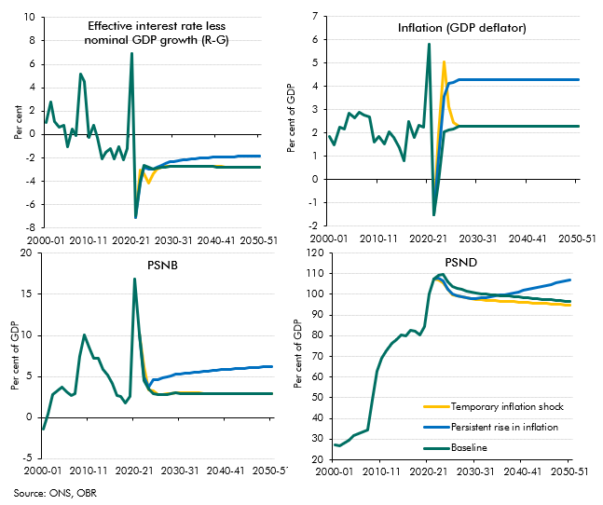

 |  |  | 2000-01 | 2001-02 | 2002-03 | 2003-04 | 2004-05 | 2005-06 | 2006-07 | 2007-08 | 2008-09 | 2009-10 | 2010-11 | 2011-12 | 2012-13 | 2013-14 | 2014-15 | 2015-16 | 2016-17 | 2017-18 | 2018-19 | 2019-20 | 2020-21 | 2021-22 | 2022-23 | 2023-24 | 2024-25 | 2025-26 | 2026-27 | 2027-28 | 2028-29 | 2029-30 | 2030-31 | 2031-32 | 2032-33 | 2033-34 | 2034-35 | 2035-36 | 2036-37 | 2037-38 | 2038-39 | 2039-40 | 2040-41 | 2041-42 | 2042-43 | 2043-44 | 2044-45 | 2045-46 | 2046-47 | 2047-48 | 2048-49 | 2049-50 | 2050-51
 | R-G
 |  | Baseline | 1.05 | 2.74 | 1.08 | 0.62 | 0.75 | -1.05 | 0.44 | -0.07 | 5.15 | 4.52 | -0.22 | 0.77 | -0.28 | -2.10 | -1.56 | -1.21 | -2.08 | -1.09 | -2.17 | -1.20 | 6.94 | -6.98 | -3.99 | -2.62 | -2.79 | -2.93 | -2.91 | -2.84 | -2.77 | -2.71 | -2.71 | -2.72 | -2.72 | -2.73 | -2.73 | -2.74 | -2.74 | -2.75 | -2.75 | -2.76 | -2.76 | -2.77 | -2.77 | -2.78 | -2.78 | -2.79 | -2.79 | -2.80 | -2.80 | -2.81 | -2.81
 |  | Temporary inflation shock |  |  |  |  |  |  |  |  |  |  |  |  |  |  |  |  |  |  |  |  |  | -7.09 | -3.06 | -3.39 | -4.19 | -3.35 | -2.94 | -2.83 | -2.75 | -2.69 | -2.69 | -2.70 | -2.70 | -2.71 | -2.72 | -2.72 | -2.73 | -2.73 | -2.74 | -2.75 | -2.75 | -2.76 | -2.76 | -2.77 | -2.77 | -2.78 | -2.78 | -2.79 | -2.79 | -2.80 | -2.80
 |  | Persistent rise in inflation |  |  |  |  |  |  |  |  |  |  |  |  |  |  |  |  |  |  |  |  |  | -7.09 | -4.14 | -2.77 | -2.96 | -2.97 | -2.81 | -2.64 | -2.48 | -2.35 | -2.28 | -2.23 | -2.18 | -2.13 | -2.09 | -2.06 | -2.03 | -2.01 | -1.98 | -1.96 | -1.95 | -1.93 | -1.92 | -1.91 | -1.90 | -1.89 | -1.88 | -1.87 | -1.86 | -1.86 | -1.85

 | Inflation
 |  | Baseline | 1.83 | 1.47 | 2.23 | 2.15 | 2.85 | 2.64 | 2.89 | 2.78 | 2.70 | 1.60 | 1.83 | 1.52 | 2.03 | 1.82 | 1.38 | 0.80 | 2.47 | 1.79 | 2.31 | 2.24 | 5.82 | -1.52 | -0.09 | 2.05 | 2.12 | 2.18 | 2.30 | 2.30 | 2.30 | 2.30 | 2.30 | 2.30 | 2.30 | 2.30 | 2.30 | 2.30 | 2.30 | 2.30 | 2.30 | 2.30 | 2.30 | 2.30 | 2.30 | 2.30 | 2.30 | 2.30 | 2.30 | 2.30 | 2.30 | 2.30 | 2.30
 |  | Temporary inflation shock |  |  |  |  |  |  |  |  |  |  |  |  |  |  |  |  |  |  |  |  |  | -1.52 | 1.91 | 5.05 | 3.12 | 2.43 | 2.30 | 2.30 | 2.30 | 2.30 | 2.30 | 2.30 | 2.30 | 2.30 | 2.30 | 2.30 | 2.30 | 2.30 | 2.30 | 2.30 | 2.30 | 2.30 | 2.30 | 2.30 | 2.30 | 2.30 | 2.30 | 2.30 | 2.30 | 2.30 | 2.30
 |  | Persistent rise in inflation |  |  |  |  |  |  |  |  |  |  |  |  |  |  |  |  |  |  |  |  |  | -1.52 | 0.91 | 3.55 | 4.12 | 4.18 | 4.30 | 4.30 | 4.30 | 4.30 | 4.30 | 4.30 | 4.30 | 4.30 | 4.30 | 4.30 | 4.30 | 4.30 | 4.30 | 4.30 | 4.30 | 4.30 | 4.30 | 4.30 | 4.30 | 4.30 | 4.30 | 4.30 | 4.30 | 4.30 | 4.30

 | PSNB
 |  | Baseline | -1.43 | 0.48 | 2.82 | 3.28 | 3.68 | 3.12 | 2.68 | 2.88 | 7.46 | 10.12 | 8.61 | 7.28 | 7.24 | 5.81 | 5.14 | 4.17 | 2.68 | 2.58 | 1.77 | 2.57 | 16.91 | 10.33 | 4.50 | 3.47 | 2.92 | 2.78 | 2.80 | 2.86 | 2.92 | 2.98 | 2.97 | 2.97 | 2.96 | 2.96 | 2.95 | 2.95 | 2.94 | 2.94 | 2.93 | 2.93 | 2.92 | 2.91 | 2.91 | 2.90 | 2.90 | 2.89 | 2.89 | 2.88 | 2.88 | 2.87 | 2.87
 |  | Temporary inflation shock |  |  |  |  |  |  |  |  |  |  |  |  |  |  |  |  |  |  |  |  |  | 10.33 | 6.17 | 3.37 | 3.22 | 2.84 | 2.83 | 2.90 | 2.96 | 3.01 | 3.00 | 3.00 | 2.99 | 2.99 | 2.98 | 2.98 | 2.97 | 2.96 | 2.96 | 2.95 | 2.95 | 2.94 | 2.94 | 2.93 | 2.93 | 2.92 | 2.92 | 2.91 | 2.91 | 2.90 | 2.90
 |  | Persistent rise in inflation |  |  |  |  |  |  |  |  |  |  |  |  |  |  |  |  |  |  |  |  |  | 10.33 | 4.90 | 3.68 | 4.66 | 4.65 | 4.80 | 4.96 | 5.11 | 5.25 | 5.32 | 5.39 | 5.46 | 5.52 | 5.58 | 5.63 | 5.69 | 5.73 | 5.78 | 5.83 | 5.87 | 5.91 | 5.95 | 5.99 | 6.02 | 6.06 | 6.09 | 6.13 | 6.16 | 6.19 | 6.22

 | PSND
 |  | Baseline | 27.20 | 26.79 | 28.10 | 29.27 | 31.75 | 32.62 | 33.43 | 34.17 | 48.71 | 62.60 | 69.20 | 72.80 | 76.20 | 78.00 | 80.20 | 79.80 | 82.50 | 82.10 | 80.40 | 84.40 | 100.19 | 107.36 | 109.00 | 109.68 | 106.18 | 103.76 | 102.97 | 102.23 | 101.60 | 101.06 | 100.60 | 100.37 | 100.14 | 99.92 | 99.70 | 99.48 | 99.27 | 99.06 | 98.85 | 98.64 | 98.44 | 98.23 | 98.03 | 97.84 | 97.64 | 97.45 | 97.25 | 97.07 | 96.88 | 96.69 | 96.51
 |  | Temporary inflation shock |  |  |  |  |  |  |  |  |  |  |  |  |  |  |  |  |  |  |  |  |  | 107.51 | 107.03 | 105.77 | 102.32 | 99.93 | 99.26 | 98.65 | 98.15 | 97.74 | 97.41 | 97.28 | 97.16 | 97.03 | 96.91 | 96.78 | 96.65 | 96.52 | 96.40 | 96.27 | 96.14 | 96.01 | 95.88 | 95.75 | 95.62 | 95.49 | 95.36 | 95.23 | 95.10 | 94.97 | 94.85
 |  | Persistent rise in inflation |  |  |  |  |  |  |  |  |  |  |  |  |  |  |  |  |  |  |  |  |  | 107.51 | 107.72 | 106.59 | 102.50 | 100.03 | 99.27 | 98.69 | 98.32 | 98.11 | 98.05 | 98.25 | 98.50 | 98.80 | 99.14 | 99.51 | 99.92 | 100.35 | 100.80 | 101.27 | 101.75 | 102.25 | 102.75 | 103.27 | 103.79 | 104.31 | 104.84 | 105.37 | 105.91 | 106.44 | 106.97

C4.13
Back to contents
 | Chart 4.13: Temporary inflation shock impact on net interest payments and PSND

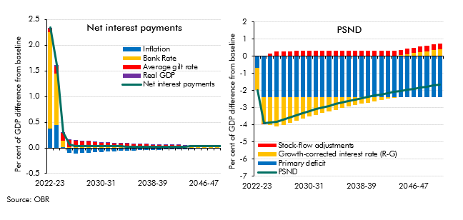

 |  |  | 2022-23 | 2023-24 | 2024-25 | 2025-26 | 2026-27 | 2027-28 | 2028-29 | 2029-30 | 2030-31 | 2031-32 | 2032-33 | 2033-34 | 2034-35 | 2035-36 | 2036-37 | 2037-38 | 2038-39 | 2039-40 | 2040-41 | 2041-42 | 2042-43 | 2043-44 | 2044-45 | 2045-46 | 2046-47 | 2047-48 | 2048-49 | 2049-50 | 2050-51
 | Net interest payments
 |  | Inflation | 0.38 | 0.44 | 0.02 | -0.10 | -0.11 | -0.10 | -0.09 | -0.09 | -0.08 | -0.07 | -0.07 | -0.06 | -0.06 | -0.05 | -0.05 | -0.04 | -0.04 | -0.04 | -0.03 | -0.03 | -0.03 | -0.02 | -0.02 | -0.02 | -0.02 | -0.01 | -0.01 | -0.01 | -0.01
 |  | Bank Rate | 1.88 | 1.01 | 0.13 | 0.02 | 0.02 | 0.02 | 0.02 | 0.02 | 0.02 | 0.02 | 0.02 | 0.02 | 0.02 | 0.02 | 0.02 | 0.02 | 0.02 | 0.02 | 0.02 | 0.02 | 0.02 | 0.02 | 0.02 | 0.02 | 0.02 | 0.02 | 0.02 | 0.02 | 0.02
 |  | Average gilt rate | 0.07 | 0.13 | 0.14 | 0.14 | 0.12 | 0.11 | 0.10 | 0.09 | 0.09 | 0.08 | 0.07 | 0.07 | 0.06 | 0.06 | 0.05 | 0.05 | 0.04 | 0.04 | 0.04 | 0.03 | 0.03 | 0.03 | 0.03 | 0.03 | 0.02 | 0.02 | 0.02 | 0.02 | 0.02
 |  | Real GDP | 0.02 | 0.04 | 0.01 | 0.01 | 0.01 | 0.01 | 0.01 | 0.01 | 0.01 | 0.01 | 0.01 | 0.01 | 0.01 | 0.01 | 0.01 | 0.01 | 0.01 | 0.00 | 0.00 | 0.00 | 0.00 | 0.00 | 0.00 | 0.00 | 0.00 | 0.00 | 0.00 | 0.00 | 0.00
 |  | Scenario | 2.34 | 1.62 | 0.30 | 0.06 | 0.04 | 0.03 | 0.03 | 0.03 | 0.03 | 0.03 | 0.03 | 0.03 | 0.03 | 0.03 | 0.03 | 0.03 | 0.03 | 0.03 | 0.03 | 0.03 | 0.03 | 0.03 | 0.03 | 0.03 | 0.03 | 0.03 | 0.03 | 0.03 | 0.03

 | PSND
 |  | Change in PSND | -1.97 | -3.91 | -3.86 | -3.83 | -3.72 | -3.58 | -3.45 | -3.32 | -3.19 | -3.09 | -2.98 | -2.89 | -2.79 | -2.70 | -2.62 | -2.53 | -2.45 | -2.37 | -2.30 | -2.22 | -2.15 | -2.09 | -2.02 | -1.96 | -1.89 | -1.83 | -1.77 | -1.72 | -1.66
 |  | Primary deficit | -0.68 | -2.40 | -2.40 | -2.40 | -2.40 | -2.40 | -2.40 | -2.40 | -2.40 | -2.40 | -2.40 | -2.40 | -2.40 | -2.40 | -2.40 | -2.40 | -2.40 | -2.40 | -2.40 | -2.40 | -2.40 | -2.40 | -2.40 | -2.40 | -2.40 | -2.40 | -2.40 | -2.40 | -2.40
 |  | R-G | -1.30 | -1.51 | -1.62 | -1.70 | -1.59 | -1.47 | -1.35 | -1.24 | -1.13 | -1.02 | -0.92 | -0.82 | -0.72 | -0.63 | -0.55 | -0.46 | -0.38 | -0.30 | -0.23 | -0.16 | -0.09 | -0.02 | 0.05 | 0.11 | 0.17 | 0.24 | 0.29 | 0.35 | 0.41
 |  | SFAs | 0.00 | 0.00 | 0.16 | 0.26 | 0.27 | 0.29 | 0.30 | 0.31 | 0.33 | 0.33 | 0.33 | 0.33 | 0.33 | 0.33 | 0.33 | 0.33 | 0.33 | 0.33 | 0.33 | 0.33 | 0.33 | 0.33 | 0.33 | 0.33 | 0.33 | 0.33 | 0.33 | 0.33 | 0.33

C4.14
Back to contents
 | Chart 4.14: Persistent rise in inflation impact on net interest payments and PSND

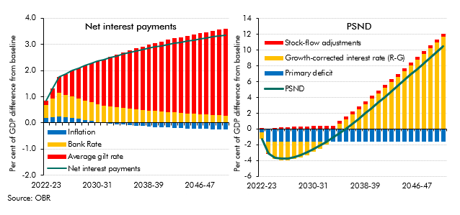

 |  |  | 2022-23 | 2023-24 | 2024-25 | 2025-26 | 2026-27 | 2027-28 | 2028-29 | 2029-30 | 2030-31 | 2031-32 | 2032-33 | 2033-34 | 2034-35 | 2035-36 | 2036-37 | 2037-38 | 2038-39 | 2039-40 | 2040-41 | 2041-42 | 2042-43 | 2043-44 | 2044-45 | 2045-46 | 2046-47 | 2047-48 | 2048-49 | 2049-50 | 2050-51
 | Net interest payments
 |  | Inflation | 0.20 | 0.22 | 0.25 | 0.22 | 0.20 | 0.16 | 0.11 | 0.07 | 0.04 | 0.01 | -0.02 | -0.04 | -0.07 | -0.09 | -0.11 | -0.12 | -0.14 | -0.15 | -0.17 | -0.18 | -0.19 | -0.20 | -0.21 | -0.21 | -0.22 | -0.23 | -0.23 | -0.24 | -0.24
 |  | Bank Rate | 0.49 | 0.70 | 0.89 | 0.85 | 0.81 | 0.78 | 0.74 | 0.71 | 0.68 | 0.65 | 0.62 | 0.60 | 0.57 | 0.54 | 0.52 | 0.50 | 0.48 | 0.46 | 0.44 | 0.42 | 0.40 | 0.38 | 0.36 | 0.35 | 0.33 | 0.32 | 0.30 | 0.29 | 0.28
 |  | Average gilt rate | 0.17 | 0.39 | 0.60 | 0.80 | 0.99 | 1.16 | 1.33 | 1.48 | 1.63 | 1.76 | 1.89 | 2.01 | 2.12 | 2.23 | 2.33 | 2.42 | 2.51 | 2.60 | 2.68 | 2.76 | 2.83 | 2.90 | 2.97 | 3.03 | 3.09 | 3.15 | 3.21 | 3.27 | 3.32
 |  | Real GDP | 0.00 | 0.00 | 0.00 | 0.00 | 0.00 | 0.00 | 0.00 | 0.00 | 0.00 | 0.00 | 0.00 | 0.00 | 0.00 | 0.00 | 0.00 | 0.00 | 0.00 | 0.00 | 0.00 | 0.00 | 0.00 | 0.00 | 0.00 | 0.00 | 0.00 | 0.00 | 0.00 | 0.00 | 0.00
 |  | Scenario | 0.86 | 1.31 | 1.74 | 1.87 | 2.01 | 2.10 | 2.19 | 2.27 | 2.35 | 2.43 | 2.50 | 2.56 | 2.63 | 2.69 | 2.74 | 2.80 | 2.85 | 2.90 | 2.95 | 2.99 | 3.04 | 3.08 | 3.12 | 3.17 | 3.21 | 3.24 | 3.28 | 3.32 | 3.36

 | PSND
 |  | Change in PSND | -1.28 | -3.09 | -3.67 | -3.73 | -3.71 | -3.54 | -3.28 | -2.95 | -2.55 | -2.12 | -1.64 | -1.12 | -0.56 | 0.03 | 0.65 | 1.29 | 1.95 | 2.63 | 3.32 | 4.01 | 4.72 | 5.43 | 6.15 | 6.87 | 7.59 | 8.31 | 9.03 | 9.75 | 10.47
 |  | Primary deficit | -0.46 | -1.56 | -1.56 | -1.56 | -1.56 | -1.56 | -1.56 | -1.56 | -1.56 | -1.56 | -1.56 | -1.56 | -1.56 | -1.56 | -1.56 | -1.56 | -1.56 | -1.56 | -1.56 | -1.56 | -1.56 | -1.56 | -1.56 | -1.56 | -1.56 | -1.56 | -1.56 | -1.56 | -1.56
 |  | R-G | -0.82 | -1.53 | -2.24 | -2.41 | -2.40 | -2.26 | -2.03 | -1.72 | -1.35 | -0.92 | -0.45 | 0.08 | 0.64 | 1.23 | 1.85 | 2.49 | 3.15 | 3.83 | 4.51 | 5.21 | 5.92 | 6.63 | 7.35 | 8.07 | 8.79 | 9.51 | 10.23 | 10.95 | 11.66
 |  | SFAs | 0.00 | 0.00 | 0.13 | 0.24 | 0.26 | 0.28 | 0.30 | 0.33 | 0.36 | 0.36 | 0.36 | 0.36 | 0.36 | 0.36 | 0.36 | 0.36 | 0.36 | 0.36 | 0.36 | 0.36 | 0.36 | 0.36 | 0.36 | 0.36 | 0.36 | 0.36 | 0.36 | 0.36 | 0.36

C4.15
Back to contents
 | Chart 4.15: Long-term bond rates in selected government debt crises
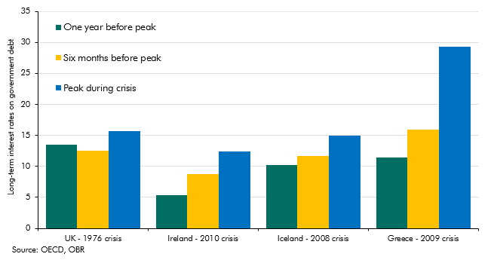

 |  | UK - 1976 crisis | Ireland - 2010 crisis | Iceland - 2008 crisis | Greece - 2009 crisis
 | One year before peak | 13.51 | 5.32 | 10.19 | 11.40
 | Six months after peak | 12.47 | 8.75 | 11.71 | 15.90
 | Peak during crisis | 15.67 | 12.45 | 15.01 | 29.24

C4.C
Back to contents
 | Chart 4.C: Distribution of changes in the UK debt-to-GDP ratio
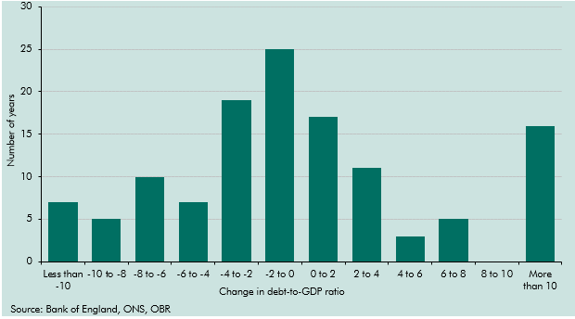

 | Less than -10 | 7
 | -10 to -8 | 5
 | -8 to -6 | 10
 | -6 to -4 | 7
 | -4 to -2 | 19
 | -2 to 0 | 25
 | 0 to 2 | 17
 | 2 to 4 | 11
 | 4 to 6 | 3
 | 6 to 8 | 5
 | 8 to 10 | 0
 | More than 10 | 16

C4.16
Back to contents
 | Chart 4.16: General government net debt and gross financing needs, 2021

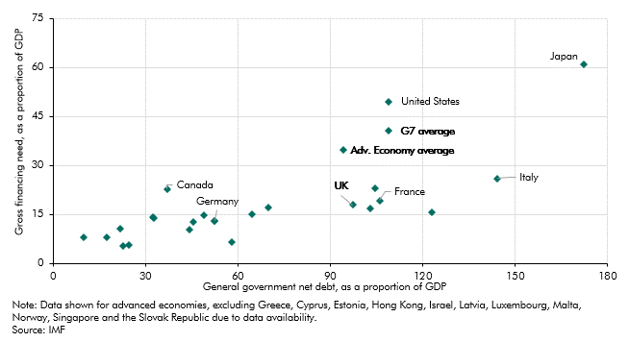

 |  | Gross financing need (2021) | General government net debt (2021)
 | Adv. Economy average | 34.73 | 94.22
 | G7 average | 40.53 | 108.75
 | Australia | 14.69 | 48.81
 | Austria | 15.19 | 64.44
 | Belgium | 16.80 | 102.99
 | Canada | 22.83 | 36.99
 | Czech Republic | 14.07 | 32.26
 | Denmark | 7.92 | 17.37
 | Finland | 13.99 | 32.82
 | France | 19.20 | 106.05
 | Germany | 13.06 | 52.47
 | Iceland | 17.01 | 69.76
 | Ireland | 6.42 | 57.96
 | Italy | 25.97 | 144.20
 | Japan | 61.06 | 172.27
 | Korea | 5.40 | 22.73
 | Lithuania | 10.32 | 44.22
 | The Netherlands | 12.74 | 45.48
 | New Zealand | 10.74 | 21.72
 | Portugal | 15.59 | 123.03
 | Slovenia | 13.05 | 52.35
 | Spain | 22.92 | 104.54
 | Sweden | 7.97 | 9.85
 | Switzerland | 5.78 | 24.48
 | United Kingdom | 17.88 | 97.20
 | United States | 49.60 | 109.02

C4.17
Back to contents
 | Chart 4.17: General government net worth for selected advanced economies
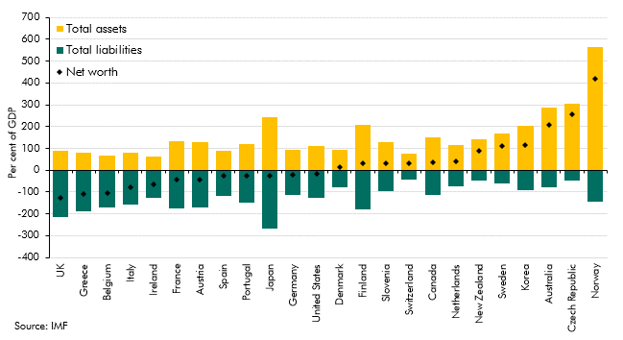

 |  | Total assets | Total liabilities | Net worth
 | UK | 88 | -213 | -125
 | Greece | 80 | -190 | -111
 | Belgium | 68 | -172 | -105
 | Italy | 79 | -158 | -78
 | Ireland | 62 | -129 | -66
 | France | 134 | -176 | -42
 | Austria | 128 | -170 | -42
 | Spain | 90 | -117 | -26
 | Portugal | 122 | -147 | -26
 | Japan | 242 | -267 | -26
 | Germany | 95 | -115 | -20
 | United States | 110 | -126 | -17
 | Denmark | 96 | -80 | 16
 | Finland | 209 | -178 | 30
 | Slovenia | 129 | -97 | 32
 | Switzerland | 74 | -42 | 32
 | Canada | 150 | -114 | 36
 | Netherlands | 114 | -75 | 39
 | New Zealand | 141 | -50 | 91
 | Sweden | 170 | -61 | 109
 | Korea | 203 | -90 | 114
 | Australia | 286 | -77 | 209
 | Czech Republic | 305 | -49 | 256
 | Norway | 563 | -143 | 421

C4.18
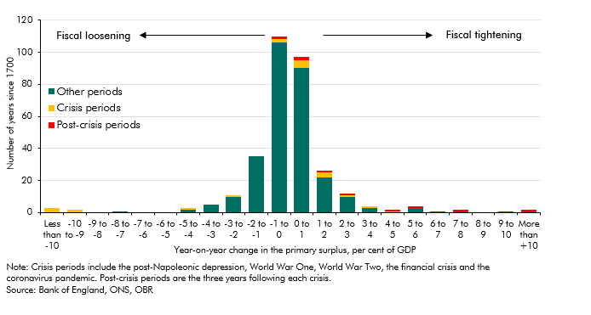
Back to contents
 | Chart 4.18: UK year-on-year change in the primary surplus

 |  | Crisis periods | Post-crisis periods | Other periods
 | Less than -10 | 3 | 0 | 0
 | -10 to -9 | 2 | 0 | 0
 | -9 to -8 | 0 | 0 | 0
 | -8 to -7 | 0 | 0 | 1
 | -7 to -6 | 0 | 0 | 0
 | -6 to -5 | 0 | 0 | 0
 | -5 to -4 | 1 | 0 | 2
 | -4 to -3 | 0 | 0 | 5
 | -3 to -2 | 1 | 0 | 10
 | -2 to -1 | 0 | 0 | 35
 | -1 to 0 | 2 | 2 | 106
 | 0 to 1 | 5 | 2 | 90
 | 1 to 2 | 3 | 1 | 22
 | 2 to 3 | 1 | 1 | 10
 | 3 to 4 | 1 | 0 | 3
 | 4 to 5 | 1 | 1 | 0
 | 5 to 6 | 0 | 1 | 3
 | 6 to 7 | 0 | 1 | 0
 | 7 to 8 | 0 | 1 | 1
 | 8 to 9 | 0 | 0 | 0
 | 9 to 10 | 0 | 1 | 0
 | More than +10 | 0 | 1 | 1

C4.19
Back to contents
 | Chart 4.19: UK – year-on-year change in the primary surplus and nominal GDP growth excluding crisis periods

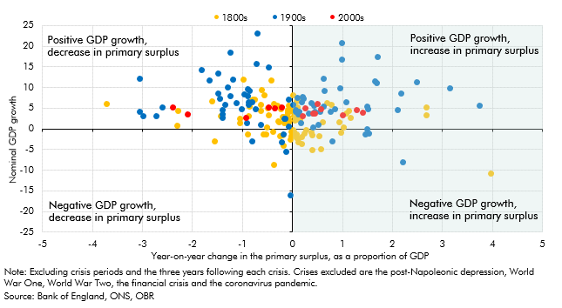

 |  | Change in primary surplus | Nominal GDP growth
 | 1800-01 | -0.98 | 12.10
 | 1801-02 | -1.05 | 1.43
 | 1802-03 | 3.95 | -10.72
 | 1803-04 | 1.02 | 0.55
 | 1804-05 | -0.79 | 7.14
 | 1805-06 | -0.76 | 7.14
 | 1806-07 | 1.15 | 2.76
 | 1807-08 | 1.12 | 4.50
 | 1808-09 | -0.52 | 0.51
 | 1809-10 | -0.61 | 9.58
 | 1810-11 | 0.68 | 6.30
 | 1811-12 | -1.57 | -2.89
 | 1812-13 | -1.44 | 3.20
 | 1813-14 | -2.29 | 4.40
 | 1824-25 | -0.58 | 8.33
 | 1825-26 | -0.64 | 4.36
 | 1826-27 | -0.38 | -8.65
 | 1827-28 | -0.21 | 2.99
 | 1828-29 | 0.97 | -0.86
 | 1829-30 | -0.25 | -1.55
 | 1830-31 | 0.08 | 2.40
 | 1831-32 | -0.89 | -1.31
 | 1832-33 | 0.37 | -0.92
 | 1833-34 | 0.26 | -0.24
 | 1834-35 | -0.35 | 5.74
 | 1835-36 | -3.73 | 6.22
 | 1836-37 | 2.67 | 5.24
 | 1837-38 | 0.22 | -0.93
 | 1838-39 | -0.24 | 4.78
 | 1839-40 | -0.28 | 1.95
 | 1840-41 | 0.17 | -3.65
 | 1841-42 | 0.11 | -3.18
 | 1842-43 | -0.18 | -4.02
 | 1843-44 | 0.92 | 1.77
 | 1844-45 | 0.18 | 7.65
 | 1845-46 | -0.63 | 5.94
 | 1846-47 | -0.49 | 5.14
 | 1847-48 | -1.05 | 2.61
 | 1848-49 | 0.56 | -4.77
 | 1849-50 | 0.53 | -1.72
 | 1850-51 | 0.38 | -5.01
 | 1851-52 | -0.19 | 2.90
 | 1852-53 | -0.38 | 6.07
 | 1853-54 | -0.43 | 11.81
 | 1854-55 | -1.62 | 6.87
 | 1855-56 | -2.31 | 0.90
 | 1856-57 | 2.67 | 3.32
 | 1857-58 | 0.38 | -1.34
 | 1858-59 | 0.18 | -1.87
 | 1859-60 | -0.08 | 5.68
 | 1860-61 | -0.89 | 3.20
 | 1861-62 | -0.10 | 2.91
 | 1862-63 | 0.13 | 2.84
 | 1863-64 | 0.01 | 8.15
 | 1864-65 | 0.01 | 4.28
 | 1865-66 | -0.28 | 1.75
 | 1866-67 | 0.04 | 2.11
 | 1867-68 | -0.40 | -0.68
 | 1868-69 | -0.11 | 1.56
 | 1869-70 | 1.07 | 3.91
 | 1870-71 | -0.81 | 6.97
 | 1871-72 | 0.08 | 6.80
 | 1872-73 | 0.09 | 5.31
 | 1873-74 | -0.49 | 3.47
 | 1874-75 | 0.02 | -0.68
 | 1875-76 | 0.07 | -2.09
 | 1876-77 | 0.07 | -1.33
 | 1877-78 | -0.20 | -1.48
 | 1878-79 | 0.11 | -2.33
 | 1879-80 | -0.53 | -1.17
 | 1880-81 | 0.76 | 5.89
 | 1881-82 | -0.08 | 1.80
 | 1882-83 | -0.08 | 2.33
 | 1883-84 | 0.01 | -0.27
 | 1884-85 | -0.05 | -2.50
 | 1885-86 | -0.59 | -1.31
 | 1886-87 | 0.60 | 1.63
 | 1887-88 | -0.10 | 3.96
 | 1888-89 | -0.09 | 4.01
 | 1889-90 | -0.09 | 4.59
 | 1890-91 | -0.14 | 1.77
 | 1891-92 | -0.04 | -0.63
 | 1892-93 | -0.03 | -1.65
 | 1893-94 | -0.17 | 1.43
 | 1894-95 | -0.01 | 4.62
 | 1895-96 | 0.15 | 2.44
 | 1896-97 | -0.11 | 3.18
 | 1897-98 | 0.02 | 3.27
 | 1898-99 | -0.30 | 5.71
 | 1899-00 | -0.86 | 5.57
 | 1900-01 | -2.74 | 3.10
 | 1901-02 | -0.08 | 0.71
 | 1902-03 | 1.49 | -0.06
 | 1903-04 | 1.53 | -1.04
 | 1904-05 | 0.51 | 1.08
 | 1905-06 | 0.40 | 3.80
 | 1906-07 | 0.32 | 3.89
 | 1907-08 | 0.17 | 1.44
 | 1908-09 | -0.22 | -3.17
 | 1909-10 | -0.17 | 2.66
 | 1910-11 | 0.44 | 4.22
 | 1911-12 | 0.06 | 4.14
 | 1912-13 | 0.12 | 4.33
 | 1913-14 | -1.41 | 3.56
 | 1921-22 | -0.05 | -15.98
 | 1922-23 | 2.20 | -8.06
 | 1923-24 | 0.79 | -2.83
 | 1924-25 | -1.41 | 2.78
 | 1925-26 | -0.91 | 1.52
 | 1926-27 | -0.18 | -1.27
 | 1927-28 | 0.75 | 4.26
 | 1928-29 | 0.40 | 0.51
 | 1929-30 | -0.65 | 1.08
 | 1930-31 | -0.81 | -2.83
 | 1931-32 | -0.13 | -5.44
 | 1932-33 | 1.45 | -1.19
 | 1933-34 | -0.15 | 2.62
 | 1934-35 | -0.74 | 4.93
 | 1935-36 | -1.03 | 4.79
 | 1936-37 | -0.88 | 6.00
 | 1937-38 | -1.36 | 5.95
 | 1938-39 | -3.06 | 4.27
 | 1948-49 | 3.73 | 5.75
 | 1949-50 | 0.18 | 6.51
 | 1950-51 | -1.40 | 4.69
 | 1951-52 | -3.06 | 12.27
 | 1952-53 | -1.50 | 8.62
 | 1953-54 | -1.46 | 7.40
 | 1954-55 | 0.62 | 5.49
 | 1955-56 | 1.68 | 11.16
 | 1956-57 | -0.91 | 8.10
 | 1957-58 | 0.38 | 6.38
 | 1958-59 | 0.11 | 3.67
 | 1959-60 | -0.88 | 6.59
 | 1960-61 | -0.08 | 7.10
 | 1961-62 | 0.43 | 5.63
 | 1962-63 | 0.06 | 4.66
 | 1963-64 | -0.96 | 8.41
 | 1964-65 | 0.64 | 9.20
 | 1965-66 | 0.22 | 7.49
 | 1966-67 | -0.82 | 6.66
 | 1967-68 | -1.13 | 6.42
 | 1968-69 | 3.15 | 10.02
 | 1969-70 | 2.17 | 8.74
 | 1970-71 | -1.49 | 13.51
 | 1971-72 | -1.68 | 11.85
 | 1972-73 | -1.83 | 14.42
 | 1973-74 | -1.20 | 12.05
 | 1974-75 | -1.25 | 18.50
 | 1975-76 | -0.70 | 23.09
 | 1976-77 | 1.69 | 17.55
 | 1977-78 | 0.99 | 16.88
 | 1978-79 | -0.73 | 15.80
 | 1979-80 | 0.99 | 20.90
 | 1980-81 | -0.49 | 15.03
 | 1981-82 | 2.49 | 11.49
 | 1982-83 | -0.90 | 9.80
 | 1983-84 | -0.87 | 9.37
 | 1984-85 | 0.21 | 7.81
 | 1985-86 | 0.94 | 9.82
 | 1986-87 | 0.09 | 7.51
 | 1987-88 | 0.62 | 12.20
 | 1988-89 | 1.64 | 11.58
 | 1989-90 | -1.31 | 10.22
 | 1990-91 | -1.25 | 7.98
 | 1991-92 | -2.61 | 5.35
 | 1992-93 | -2.99 | 3.12
 | 1993-94 | 0.00 | 5.92
 | 1994-95 | 1.51 | 4.90
 | 1995-96 | 1.48 | 5.43
 | 1996-97 | 1.07 | 6.59
 | 1997-98 | 2.09 | 4.57
 | 1998-99 | 0.84 | 4.93
 | 1999-00 | 0.55 | 4.30
 | 2000-01 | 0.25 | 5.13
 | 2001-02 | -2.10 | 3.59
 | 2002-03 | -2.40 | 5.21
 | 2003-04 | -0.48 | 5.30
 | 2004-05 | -0.37 | 5.02
 | 2005-06 | 0.50 | 6.22
 | 2006-07 | 0.57 | 4.96
 | 2007-08 | -0.22 | 5.28
 | 2013-14 | 1.27 | 4.73
 | 2014-15 | 0.41 | 3.77
 | 2015-16 | 0.99 | 3.36
 | 2016-17 | 1.41 | 4.12
 | 2017-18 | 0.20 | 3.26
 | 2018-19 | 0.45 | 3.90
 | 2019-20 | -0.94 | 2.79

C4.20
Back to contents
 | Chart 4.20: G7 year-on-year change in primary deficit
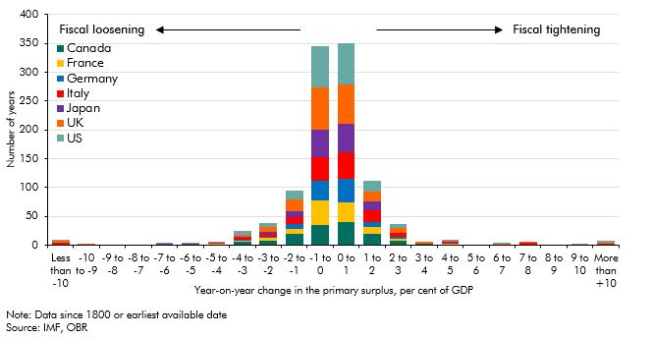

 |  | US | Canada | France | Germany | Italy | Japan | UK
 | Less than -10 | 2 | 1 | 0 | 0 | 4 | 0 | 2
 | -10 to -9 | 0 | 0 | 0 | 0 | 0 | 0 | 2
 | -9 to -8 | 1 | 0 | 0 | 0 | 0 | 0 | 0
 | -8 to -7 | 0 | 0 | 0 | 0 | 1 | 0 | 0
 | -7 to -6 | 1 | 0 | 0 | 1 | 0 | 1 | 0
 | -6 to -5 | 1 | 1 | 0 | 0 | 0 | 1 | 0
 | -5 to -4 | 1 | 1 | 1 | 1 | 1 | 0 | 1
 | -4 to -3 | 6 | 6 | 1 | 2 | 4 | 2 | 3
 | -3 to -2 | 7 | 7 | 6 | 2 | 5 | 3 | 8
 | -2 to -1 | 16 | 19 | 9 | 8 | 12 | 11 | 20
 | -1 to 0 | 72 | 35 | 42 | 34 | 41 | 48 | 73
 | 0 to 1 | 73 | 40 | 34 | 41 | 47 | 49 | 67
 | 1 to 2 | 19 | 19 | 13 | 9 | 20 | 15 | 17
 | 2 to 3 | 6 | 7 | 4 | 4 | 6 | 1 | 8
 | 3 to 4 | 0 | 2 | 0 | 0 | 0 | 0 | 4
 | 4 to 5 | 1 | 1 | 1 | 0 | 3 | 1 | 2
 | 5 to 6 | 0 | 0 | 0 | 0 | 0 | 0 | 1
 | 6 to 7 | 1 | 0 | 0 | 1 | 0 | 0 | 1
 | 7 to 8 | 0 | 1 | 0 | 0 | 3 | 0 | 1
 | 8 to 9 | 0 | 0 | 0 | 0 | 0 | 0 | 0
 | 9 to 10 | 1 | 0 | 0 | 0 | 0 | 0 | 1
 | More than +10 | 3 | 1 | 0 | 0 | 2 | 0 | 1

C4.21
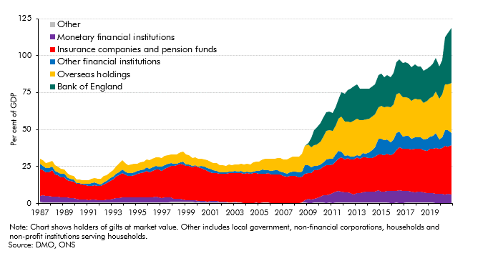
Back to contents
 | Chart 4.21: UK gilt holders

 |  | Bank of England | Monetary Financial Institutions | Insurance Companies and Pension funds | Other Financial Institutions | Overseas holdings | Other
 | 1987 Q1 | 0.0 | 4.3 | 18.3 | 3.1 | 3.4 | 1.0
 | 1987 Q2 | 0.0 | 4.5 | 17.0 | 3.1 | 3.5 | 0.9
 | 1987 Q3 | 0.0 | 4.3 | 15.7 | 2.7 | 3.6 | 0.9
 | 1987 Q4 | 0.0 | 4.1 | 16.2 | 2.8 | 3.7 | 1.0
 | 1988 Q1 | 0.0 | 3.9 | 17.5 | 2.6 | 3.8 | 0.9
 | 1988 Q2 | 0.0 | 3.7 | 15.2 | 2.4 | 3.6 | 0.9
 | 1988 Q3 | 0.0 | 3.7 | 14.6 | 2.2 | 3.5 | 0.8
 | 1988 Q4 | 0.0 | 3.4 | 13.6 | 2.4 | 3.4 | 0.8
 | 1989 Q1 | 0.0 | 3.3 | 13.7 | 2.2 | 3.2 | 0.7
 | 1989 Q2 | 0.0 | 3.2 | 12.0 | 1.7 | 2.9 | 0.7
 | 1989 Q3 | 0.0 | 2.9 | 11.5 | 1.3 | 2.9 | 0.6
 | 1989 Q4 | 0.0 | 2.8 | 11.4 | 1.3 | 2.6 | 0.7
 | 1990 Q1 | 0.0 | 2.3 | 10.5 | 0.5 | 2.3 | 0.6
 | 1990 Q2 | 0.0 | 2.1 | 10.6 | 0.6 | 2.4 | 0.7
 | 1990 Q3 | 0.0 | 1.9 | 10.1 | 0.5 | 2.3 | 0.7
 | 1990 Q4 | 0.0 | 2.0 | 9.6 | 0.9 | 2.4 | 0.7
 | 1991 Q1 | 0.0 | 1.6 | 9.6 | 1.1 | 2.7 | 0.7
 | 1991 Q2 | 0.0 | 1.6 | 9.3 | 1.8 | 2.9 | 0.9
 | 1991 Q3 | 0.0 | 1.8 | 9.6 | 1.9 | 3.1 | 0.8
 | 1991 Q4 | 0.0 | 1.6 | 9.5 | 1.5 | 3.2 | 0.8
 | 1992 Q1 | 0.0 | 1.5 | 9.5 | 1.0 | 3.7 | 0.8
 | 1992 Q2 | 0.0 | 1.6 | 10.4 | 1.7 | 4.1 | 0.6
 | 1992 Q3 | 0.0 | 1.8 | 11.2 | 1.7 | 3.8 | 0.6
 | 1992 Q4 | 0.0 | 2.1 | 12.4 | 1.9 | 3.9 | 0.7
 | 1993 Q1 | 0.0 | 2.5 | 12.9 | 2.1 | 4.2 | 0.7
 | 1993 Q2 | 0.0 | 2.7 | 14.6 | 2.1 | 4.7 | 0.8
 | 1993 Q3 | 0.0 | 2.8 | 15.3 | 2.4 | 5.6 | 0.8
 | 1993 Q4 | 0.0 | 3.2 | 16.7 | 2.4 | 6.3 | 0.9
 | 1994 Q1 | 0.0 | 3.4 | 15.2 | 2.0 | 5.9 | 0.9
 | 1994 Q2 | 0.0 | 3.3 | 14.3 | 2.1 | 5.5 | 0.8
 | 1994 Q3 | 0.0 | 3.1 | 14.7 | 2.1 | 5.5 | 0.9
 | 1994 Q4 | 0.0 | 3.3 | 15.1 | 2.1 | 5.5 | 0.8
 | 1995 Q1 | 0.0 | 3.1 | 16.0 | 2.2 | 5.0 | 0.8
 | 1995 Q2 | 0.0 | 3.1 | 16.5 | 2.1 | 5.1 | 0.8
 | 1995 Q3 | 0.0 | 3.1 | 17.1 | 2.1 | 5.3 | 0.8
 | 1995 Q4 | 0.0 | 3.0 | 18.0 | 2.3 | 5.4 | 0.9
 | 1996 Q1 | 0.0 | 3.4 | 16.9 | 2.5 | 5.5 | 0.8
 | 1996 Q2 | 0.0 | 3.4 | 17.7 | 2.6 | 5.7 | 0.9
 | 1996 Q3 | 0.0 | 3.6 | 18.4 | 2.6 | 5.7 | 0.9
 | 1996 Q4 | 0.0 | 3.4 | 18.5 | 2.3 | 5.9 | 0.8
 | 1997 Q1 | 0.0 | 3.0 | 18.1 | 2.9 | 6.0 | 0.8
 | 1997 Q2 | 0.0 | 3.2 | 19.2 | 2.9 | 6.1 | 0.9
 | 1997 Q3 | 0.0 | 3.1 | 20.3 | 2.7 | 5.9 | 0.8
 | 1997 Q4 | 0.0 | 3.0 | 21.4 | 1.7 | 6.1 | 1.0
 | 1998 Q1 | 0.0 | 2.1 | 22.4 | 1.2 | 6.5 | 1.0
 | 1998 Q2 | 0.0 | 1.8 | 22.7 | 1.0 | 6.3 | 1.2
 | 1998 Q3 | 0.0 | 2.2 | 23.3 | 1.4 | 6.6 | 1.1
 | 1998 Q4 | 0.0 | 1.7 | 23.6 | 1.7 | 6.9 | 1.1
 | 1999 Q1 | 0.0 | 1.1 | 23.2 | 1.2 | 6.6 | 1.1
 | 1999 Q2 | 0.0 | 1.0 | 23.2 | 0.9 | 6.3 | 1.0
 | 1999 Q3 | 0.0 | 1.0 | 22.4 | 1.1 | 5.4 | 1.0
 | 1999 Q4 | 0.0 | 1.1 | 23.2 | 0.5 | 5.4 | 1.0
 | 2000 Q1 | 0.0 | 0.8 | 22.5 | 0.6 | 5.4 | 1.0
 | 2000 Q2 | 0.0 | 0.9 | 22.2 | 1.4 | 4.9 | 1.0
 | 2000 Q3 | 0.0 | 0.9 | 21.0 | 2.0 | 4.9 | 0.9
 | 2000 Q4 | 0.0 | 0.5 | 20.4 | 2.2 | 5.1 | 0.9
 | 2001 Q1 | 0.0 | 0.7 | 19.5 | 2.4 | 4.6 | 0.8
 | 2001 Q2 | 0.0 | 0.8 | 19.1 | 1.5 | 4.9 | 0.9
 | 2001 Q3 | 0.0 | 0.9 | 18.6 | 1.9 | 4.9 | 0.9
 | 2001 Q4 | 0.0 | 0.2 | 19.2 | 0.8 | 5.0 | 0.8
 | 2002 Q1 | 0.0 | 0.5 | 18.9 | 0.9 | 4.6 | 0.8
 | 2002 Q2 | 0.0 | 0.2 | 19.3 | 0.8 | 4.6 | 0.8
 | 2002 Q3 | 0.0 | 0.0 | 19.7 | 1.0 | 4.6 | 0.8
 | 2002 Q4 | 0.0 | -0.1 | 19.7 | 1.0 | 4.7 | 0.8
 | 2003 Q1 | 0.0 | 0.2 | 19.6 | 1.2 | 4.8 | 0.8
 | 2003 Q2 | 0.0 | 0.0 | 19.8 | 1.1 | 5.0 | 0.8
 | 2003 Q3 | 0.0 | 0.0 | 19.7 | 1.5 | 4.8 | 0.7
 | 2003 Q4 | 0.0 | -0.5 | 20.0 | 0.9 | 5.1 | 0.7
 | 2004 Q1 | 0.0 | -0.6 | 20.5 | 1.1 | 5.3 | 0.7
 | 2004 Q2 | 0.0 | -0.5 | 20.1 | 0.6 | 5.6 | 0.7
 | 2004 Q3 | 0.0 | -0.3 | 20.0 | 1.3 | 5.9 | 0.7
 | 2004 Q4 | 0.0 | -0.1 | 20.1 | 1.1 | 6.2 | 0.8
 | 2005 Q1 | 0.0 | -0.3 | 19.8 | 1.7 | 6.5 | 0.8
 | 2005 Q2 | 0.0 | -0.2 | 19.7 | 2.5 | 6.8 | 0.7
 | 2005 Q3 | 0.0 | -0.1 | 19.4 | 2.4 | 7.5 | 0.8
 | 2005 Q4 | 0.0 | -0.2 | 19.8 | 2.1 | 7.8 | 0.7
 | 2006 Q1 | 0.0 | -0.3 | 19.4 | 2.4 | 8.0 | 0.6
 | 2006 Q2 | 0.0 | 0.0 | 18.9 | 3.0 | 8.0 | 0.5
 | 2006 Q3 | 0.0 | -0.2 | 19.5 | 2.5 | 8.6 | 0.4
 | 2006 Q4 | 0.0 | -0.5 | 19.4 | 2.0 | 9.1 | 0.5
 | 2007 Q1 | 0.0 | -1.1 | 19.3 | 2.3 | 8.9 | 0.5
 | 2007 Q2 | 0.0 | -0.7 | 18.3 | 1.9 | 9.6 | 0.5
 | 2007 Q3 | 0.0 | -0.5 | 18.6 | 2.5 | 9.7 | 0.4
 | 2007 Q4 | 0.0 | -0.4 | 18.6 | 2.7 | 10.3 | 0.5
 | 2008 Q1 | 0.0 | -0.2 | 18.4 | 2.8 | 10.3 | 0.4
 | 2008 Q2 | 0.0 | -0.2 | 17.1 | 3.7 | 10.5 | 0.5
 | 2008 Q3 | 0.0 | 0.2 | 17.2 | 3.4 | 12.0 | 0.6
 | 2008 Q4 | 0.0 | 1.6 | 17.9 | 6.0 | 12.8 | 0.5
 | 2009 Q1 | 1.0 | 2.6 | 17.5 | 5.6 | 13.7 | 0.4
 | 2009 Q2 | 6.3 | 2.2 | 17.7 | 4.0 | 13.3 | 0.5
 | 2009 Q3 | 10.0 | 2.8 | 19.2 | 3.0 | 14.0 | 0.5
 | 2009 Q4 | 11.7 | 3.0 | 18.9 | 2.6 | 14.5 | 0.6
 | 2010 Q1 | 12.3 | 3.8 | 19.0 | 3.0 | 15.6 | 0.6
 | 2010 Q2 | 12.7 | 4.8 | 19.7 | 3.0 | 17.4 | 0.6
 | 2010 Q3 | 13.0 | 5.1 | 20.4 | 3.9 | 19.0 | 0.5
 | 2010 Q4 | 12.4 | 5.7 | 19.8 | 4.3 | 19.3 | 0.5
 | 2011 Q1 | 12.0 | 6.3 | 19.7 | 4.0 | 18.6 | 0.5
 | 2011 Q2 | 12.1 | 7.6 | 20.2 | 4.6 | 19.8 | 0.5
 | 2011 Q3 | 12.9 | 7.8 | 21.9 | 5.4 | 21.5 | 0.5
 | 2011 Q4 | 16.5 | 7.3 | 23.2 | 4.1 | 23.4 | 0.5
 | 2012 Q1 | 19.1 | 6.9 | 22.4 | 2.5 | 22.8 | 0.6
 | 2012 Q2 | 20.9 | 6.9 | 23.2 | 1.9 | 22.9 | 0.6
 | 2012 Q3 | 22.8 | 6.3 | 22.9 | 1.7 | 23.5 | 0.6
 | 2012 Q4 | 23.2 | 5.6 | 23.3 | 2.0 | 24.4 | 0.7
 | 2013 Q1 | 23.0 | 6.3 | 24.2 | 1.3 | 25.1 | 0.6
 | 2013 Q2 | 21.7 | 6.5 | 23.0 | 2.2 | 23.8 | 0.7
 | 2013 Q3 | 21.2 | 6.9 | 23.4 | 3.1 | 22.4 | 0.7
 | 2013 Q4 | 20.6 | 7.5 | 23.1 | 2.6 | 23.2 | 0.6
 | 2014 Q1 | 20.5 | 7.3 | 23.0 | 3.6 | 22.7 | 0.6
 | 2014 Q2 | 20.3 | 7.5 | 22.8 | 5.1 | 22.7 | 0.6
 | 2014 Q3 | 20.3 | 7.4 | 23.5 | 6.2 | 22.6 | 0.6
 | 2014 Q4 | 21.6 | 8.2 | 24.4 | 10.6 | 21.5 | 0.6
 | 2015 Q1 | 21.7 | 7.4 | 25.1 | 10.7 | 22.4 | 0.5
 | 2015 Q2 | 20.7 | 7.6 | 24.5 | 10.4 | 21.8 | 0.5
 | 2015 Q3 | 21.0 | 8.0 | 24.9 | 9.8 | 22.4 | 0.5
 | 2015 Q4 | 20.6 | 7.8 | 24.3 | 9.1 | 23.4 | 0.5
 | 2016 Q1 | 21.1 | 8.0 | 25.1 | 9.8 | 23.9 | 0.5
 | 2016 Q2 | 21.9 | 8.0 | 27.4 | 11.8 | 25.7 | 0.5
 | 2016 Q3 | 22.8 | 8.4 | 29.2 | 10.4 | 26.4 | 0.5
 | 2016 Q4 | 23.4 | 8.2 | 28.3 | 8.4 | 26.3 | 0.5
 | 2017 Q1 | 23.9 | 7.9 | 28.7 | 8.8 | 25.8 | 0.5
 | 2017 Q2 | 23.3 | 8.0 | 28.6 | 8.5 | 25.7 | 0.5
 | 2017 Q3 | 22.8 | 7.6 | 28.6 | 7.2 | 25.5 | 0.5
 | 2017 Q4 | 22.9 | 7.1 | 29.3 | 7.9 | 26.2 | 0.5
 | 2018 Q1 | 22.2 | 7.3 | 29.3 | 7.5 | 25.7 | 0.6
 | 2018 Q2 | 22.3 | 7.4 | 28.9 | 8.0 | 25.5 | 0.6
 | 2018 Q3 | 21.6 | 6.9 | 28.4 | 7.3 | 24.7 | 0.6
 | 2018 Q4 | 21.7 | 6.4 | 28.6 | 8.0 | 25.8 | 0.6
 | 2019 Q1 | 21.5 | 6.6 | 29.6 | 8.6 | 25.7 | 0.5
 | 2019 Q2 | 22.0 | 6.4 | 30.1 | 8.9 | 26.6 | 0.5
 | 2019 Q3 | 22.6 | 6.2 | 30.9 | 10.2 | 28.0 | 0.4
 | 2019 Q4 | 21.7 | 6.0 | 30.4 | 6.3 | 28.0 | 0.4
 | 2020 Q1 | 23.1 | 6.1 | 30.8 | 7.4 | 29.2 | 0.4
 | 2020 Q2 | 32.1 | 5.8 | 32.7 | 10.7 | 30.7 | 0.4
 | 2020 Q3 | 34.8 | 6.0 | 32.2 | 11.2 | 30.9 | 0.4
 | 2020 Q4 | 37.5 | 5.9 | 33.2 | 8.4 | 33.5 | 0.4

C4.22
Back to contents
 | Chart 4.22: Foreign holdings of general government debt securities
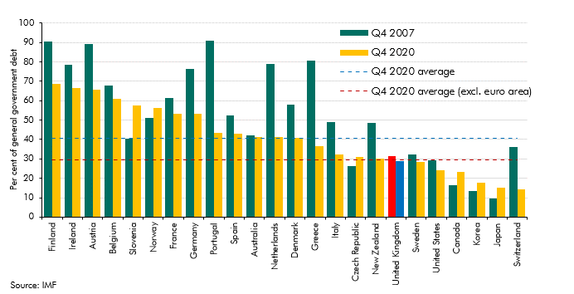

 |  | Q4 2007 | Q4 2020 | Q4 2020 average | Q4 2020 average (excl. euro area)
 | Finland | 90.6 | 68.8 | 40.6 | 29.3
 | Ireland | 78.7 | 66.5 | 40.6 | 29.3
 | Austria | 89.4 | 65.8 | 40.6 | 29.3
 | Belgium | 67.7 | 60.8 | 40.6 | 29.3
 | Slovenia | 40.5 | 57.5 | 40.6 | 29.3
 | Norway | 51.1 | 56.3 | 40.6 | 29.3
 | France | 61.5 | 53.4 | 40.6 | 29.3
 | Germany | 76.2 | 53.2 | 40.6 | 29.3
 | Portugal | 90.7 | 43.3 | 40.6 | 29.3
 | Spain | 52.2 | 43.1 | 40.6 | 29.3
 | Australia | 42.0 | 41.3 | 40.6 | 29.3
 | Netherlands | 79.0 | 41.2 | 40.6 | 29.3
 | Denmark | 58.1 | 40.7 | 40.6 | 29.3
 | Greece | 80.6 | 36.4 | 40.6 | 29.3
 | Italy | 49.1 | 32.4 | 40.6 | 29.3
 | Czech Republic | 26.2 | 31.0 | 40.6 | 29.3
 | New Zealand | 48.4 | 30.3 | 40.6 | 29.3
 | United Kingdom | 31.3 | 28.9 | 40.6 | 29.3
 | Sweden | 32.4 | 28.4 | 40.6 | 29.3
 | United States | 29.1 | 24.0 | 40.6 | 29.3
 | Canada | 16.4 | 23.3 | 40.6 | 29.3
 | Korea | 13.6 | 17.9 | 40.6 | 29.3
 | Japan | 9.5 | 15.1 | 40.6 | 29.3
 | Switzerland | 36.0 | 14.2 | 40.6 | 29.3

C4.23
Back to contents
 | Chart 4.23: Defined benefit pension schemes asset allocations
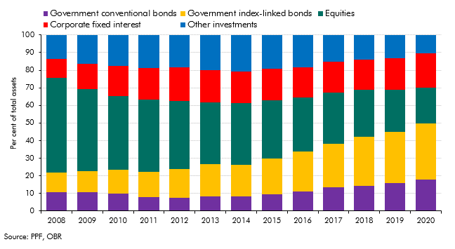

 | Year | Equities | Government conventional bonds | Corporate fixed interest | Government index-linked bonds | Other investments
 | 2008 | 53.6 | 10.9 | 10.7 | 11.2 | 13.5
 | 2009 | 46.4 | 10.8 | 14.2 | 12.1 | 16.5
 | 2010 | 42.0 | 9.9 | 17.0 | 13.4 | 17.6
 | 2011 | 41.1 | 7.9 | 17.8 | 14.5 | 18.8
 | 2012 | 38.5 | 7.6 | 19.4 | 16.2 | 18.3
 | 2013 | 35.1 | 8.3 | 18.2 | 18.3 | 20.1
 | 2014 | 35.0 | 8.2 | 17.8 | 18.1 | 20.9
 | 2015 | 33.0 | 9.7 | 18.0 | 20.0 | 19.3
 | 2016 | 30.3 | 11.2 | 17.3 | 22.8 | 18.4
 | 2017 | 29.0 | 13.4 | 17.5 | 24.8 | 15.3
 | 2018 | 27.0 | 14.2 | 17.0 | 27.8 | 14.0
 | 2019 | 24.0 | 16.0 | 17.8 | 29.0 | 13.2
 | 2020 | 20.4 | 17.9 | 19.4 | 31.9 | 10.4

C4.24
Back to contents
 | Chart 4.24: Interest rates in the loss of investor confidence scenario

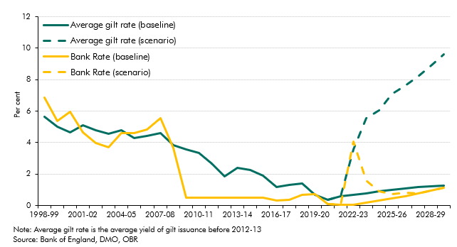

 |  |  | 1998-99 | 1999-00 | 2000-01 | 2001-02 | 2002-03 | 2003-04 | 2004-05 | 2005-06 | 2006-07 | 2007-08 | 2008-09 | 2009-10 | 2010-11 | 2011-12 | 2012-13 | 2013-14 | 2014-15 | 2015-16 | 2016-17 | 2017-18 | 2018-19 | 2019-20 | 2020-21 | 2021-22 | 2022-23 | 2023-24 | 2024-25 | 2025-26 | 2026-27 | 2027-28 | 2028-29 | 2029-30

 | Average gilt rate (%)
 |  | Baseline | 5.7 | 5.0 | 4.6 | 5.1 | 4.8 | 4.6 | 4.8 | 4.3 | 4.4 | 4.6 | 3.8 | 3.6 | 3.3 | 2.7 | 1.9 | 2.4 | 2.3 | 1.9 | 1.2 | 1.3 | 1.4 | 0.7 | 0.4 | 0.6 | 0.7 | 0.8 | 0.9 | 1.0 | 1.1 | 1.2 | 1.2 | 1.3
 |  | Scenario |  |  |  |  |  |  |  |  |  |  |  |  |  |  |  |  |  |  |  |  |  |  | 0.4 | 0.6 | 3.6 | 5.6 | 6.0 | 7.1 | 7.6 | 8.2 | 8.9 | 9.6
 | Bank rate (%)
 |  | Baseline | 6.9 | 5.4 | 6.0 | 4.7 | 4.0 | 3.7 | 4.6 | 4.6 | 4.8 | 5.5 | 3.6 | 0.5 | 0.5 | 0.5 | 0.5 | 0.5 | 0.5 | 0.5 | 0.3 | 0.4 | 0.7 | 0.7 | 0.1 | 0.0 | 0.1 | 0.2 | 0.3 | 0.4 | 0.6 | 0.8 | 1.0 | 1.1
 |  | Scenario |  |  |  |  |  |  |  |  |  |  |  |  |  |  |  |  |  |  |  |  |  |  | 0.1 | 0.0 | 4.1 | 1.6 | 0.9 | 0.7 | 0.8 | 0.8 | 1.0 | 1.1

C4.25
Back to contents
 | Chart 4.25: Loss of confidence - key metrics

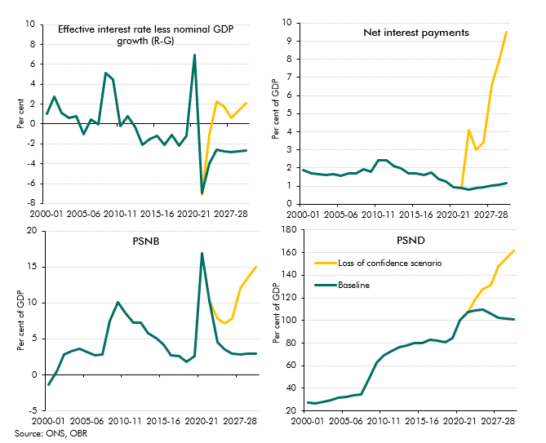

 |  |  | 2000-01 | 2001-02 | 2002-03 | 2003-04 | 2004-05 | 2005-06 | 2006-07 | 2007-08 | 2008-09 | 2009-10 | 2010-11 | 2011-12 | 2012-13 | 2013-14 | 2014-15 | 2015-16 | 2016-17 | 2017-18 | 2018-19 | 2019-20 | 2020-21 | 2021-22 | 2022-23 | 2023-24 | 2024-25 | 2025-26 | 2026-27 | 2027-28 | 2028-29 | 2029-30
 | R-G
 |  | Baseline | 1.1 | 2.7 | 1.1 | 0.6 | 0.8 | -1.0 | 0.4 | -0.1 | 5.1 | 4.5 | -0.2 | 0.8 | -0.3 | -2.1 | -1.6 | -1.2 | -2.1 | -1.1 | -2.2 | -1.2 | 6.9 | -7.0 | -4.0 | -2.6 | -2.8 | -2.9 | -2.9 | -2.8 | -2.8 | -2.7
 |  | Loss of confidence scenario |  |  |  |  |  |  |  |  |  |  |  |  |  |  |  |  |  |  |  |  |  | -7.1 | -1.1 | 2.3 | 1.8 | 2.3 | 0.0 | 0.6 | 1.3 | 2.1

 | NIPs
 |  | Baseline | 1.9 | 1.7 | 1.6 | 1.6 | 1.6 | 1.6 | 1.7 | 1.7 | 1.9 | 1.8 | 2.4 | 2.4 | 2.1 | 2.0 | 1.7 | 1.7 | 1.6 | 1.8 | 1.4 | 1.3 | 0.9 | 0.9 | 0.8 | 0.9 | 0.9 | 0.9 | 1.0 | 1.0 | 1.1 | 1.1
 |  | Loss of confidence scenario |  |  |  |  |  |  |  |  |  |  |  |  |  |  |  |  |  |  |  |  |  | 0.9 | 4.1 | 3.0 | 3.4 | 4.3 | 5.4 | 6.6 | 7.9 | 9.5

 | PSNB
 |  | Baseline | -1.4 | 0.5 | 2.8 | 3.3 | 3.7 | 3.1 | 2.7 | 2.9 | 7.5 | 10.1 | 8.6 | 7.3 | 7.2 | 5.8 | 5.1 | 4.2 | 2.7 | 2.6 | 1.8 | 2.6 | 16.9 | 10.3 | 4.5 | 3.5 | 2.9 | 2.8 | 2.8 | 2.9 | 2.9 | 3.0
 |  | Loss of confidence scenario |  |  |  |  |  |  |  |  |  |  |  |  |  |  |  |  |  |  |  |  |  | 10.3 | 7.8 | 7.1 | 7.8 | 9.8 | 10.9 | 12.1 | 13.5 | 15.0

 | PSND
 |  | Baseline | 27.2 | 26.8 | 28.1 | 29.3 | 31.8 | 32.6 | 33.4 | 34.2 | 48.7 | 62.6 | 69.2 | 72.8 | 76.2 | 78.0 | 80.2 | 79.8 | 82.5 | 82.1 | 80.4 | 84.4 | 100.2 | 107.4 | 109.0 | 109.7 | 106.2 | 103.8 | 103.0 | 102.2 | 101.6 | 101.1
 |  | Loss of confidence scenario |  |  |  |  |  |  |  |  |  |  |  |  |  |  |  |  |  |  |  |  |  | 107.5 | 119.2 | 127.8 | 131.3 | 137.5 | 142.2 | 147.7 | 154.1 | 161.6

C4.26
Back to contents
 | Chart 4.26: Loss of investor confidence scenario: differences from baseline

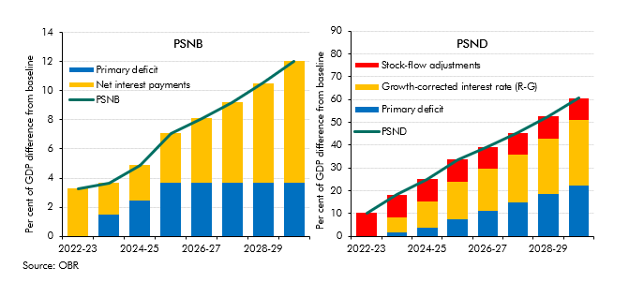

 |  | 2022-23 | 2023-24 | 2024-25 | 2025-26 | 2026-27 | 2027-28 | 2028-29 | 2029-30
 | PSNB | 3.3 | 3.7 | 4.9 | 7.1 | 8.1 | 9.2 | 10.5 | 12.0
 | Primary deficit | 0.0 | 1.5 | 2.4 | 3.7 | 3.7 | 3.7 | 3.7 | 3.7
 | Net interest payments | 3.3 | 2.1 | 2.5 | 3.4 | 4.4 | 5.5 | 6.8 | 8.4

 | PSND | 10.2 | 18.2 | 25.1 | 33.7 | 39.2 | 45.5 | 52.5 | 60.6
 | Primary deficit | 0.0 | 1.5 | 3.9 | 7.6 | 11.3 | 15.0 | 18.6 | 22.3
 | R-G | 0.2 | 6.6 | 11.4 | 16.5 | 18.3 | 20.9 | 24.3 | 28.7
 | SFAs | 10.0 | 10.0 | 9.8 | 9.6 | 9.6 | 9.6 | 9.6 | 9.6

C4.27
Back to contents
 | Chart 4.27: Primary surplus adjustment required to stabilise the debt-to-GDP ratio
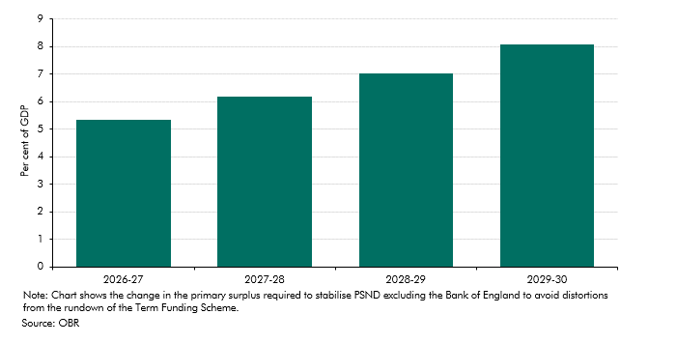

 |  | 2026-27 | 2027-28 | 2028-29 | 2029-30
 | Change in primary surplus to stabilise debt | 5.34 | 6.19 | 7.01 | 8.07

C4.D
Back to contents
 | Chart 4.D: The fiscal impact of the Asset Purchase Facility

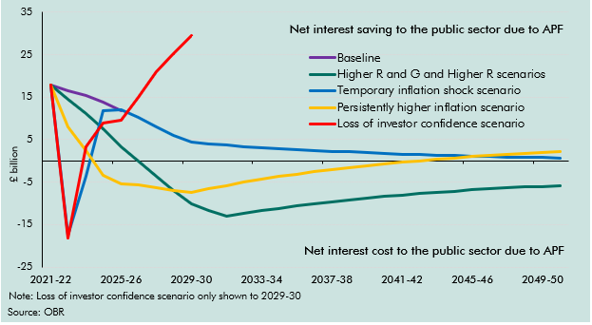

 |  | 2021-22 | 2022-23 | 2023-24 | 2024-25 | 2025-26 | 2026-27 | 2027-28 | 2028-29 | 2029-30 | 2030-31 | 2031-32 | 2032-33 | 2033-34 | 2034-35 | 2035-36 | 2036-37 | 2037-38 | 2038-39 | 2039-40 | 2040-41 | 2041-42 | 2042-43 | 2043-44 | 2044-45 | 2045-46 | 2046-47 | 2047-48 | 2048-49 | 2049-50 | 2050-51
 | Baseline | 17.8 | 16.6 | 15.3 | 13.8 | 11.8
 | Higher R and G and Higher R scenarios | 17.8 | 14.5 | 11.1 | 7.5 | 3.3 | -0.1 | -3.7 | -7.0 | -10.0 | -11.6 | -13.0 | -12.4 | -11.7 | -11.1 | -10.6 | -10.1 | -9.6 | -9.2 | -8.8 | -8.4 | -8.0 | -7.7 | -7.4 | -7.1 | -6.9 | -6.6 | -6.4 | -6.2 | -6.0 | -5.8
 | Temporary inflation shock scenario | 17.8 | -17.4 | -3.7 | 11.9 | 12.1 | 10.2 | 8.1 | 6.1 | 4.3 | 4.0 | 3.7 | 3.4 | 3.1 | 2.9 | 2.7 | 2.5 | 2.3 | 2.1 | 1.9 | 1.7 | 1.6 | 1.5 | 1.3 | 1.2 | 1.1 | 1.0 | 0.9 | 0.8 | 0.7 | 0.7
 | Persistently higher inflation scenario | 17.8 | 8.0 | 2.4 | -3.4 | -5.4 | -5.7 | -6.4 | -7.0 | -7.5 | -6.6 | -5.8 | -5.1 | -4.4 | -3.7 | -3.1 | -2.6 | -2.1 | -1.6 | -1.1 | -0.7 | -0.3 | 0.0 | 0.4 | 0.7 | 1.0 | 1.2 | 1.5 | 1.7 | 1.9 | 2.1
 | Loss of investor confidence scenario | 17.8 | -18.3 | 3.3 | 8.8 | 9.5 | 15.0 | 20.9 | 25.1 | 29.5

